202205广告跟踪
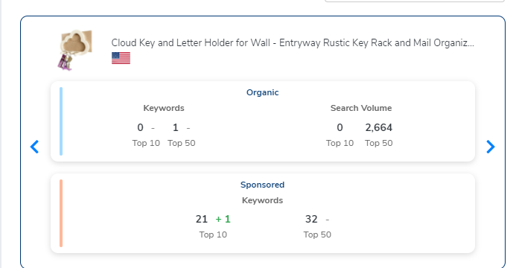
20220525Day3 |  |  |  |  | 20220526Day4 |  |  |  |  | 20220527Day5 |  | 20220528Day6 |  | 20220529Day7 |  |  |  | 20220530Day8 |  |  |  |  | 20220531Day9
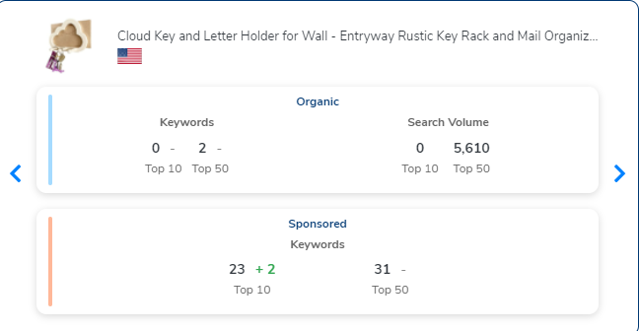
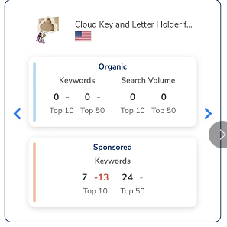
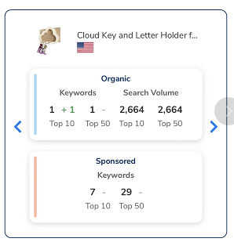
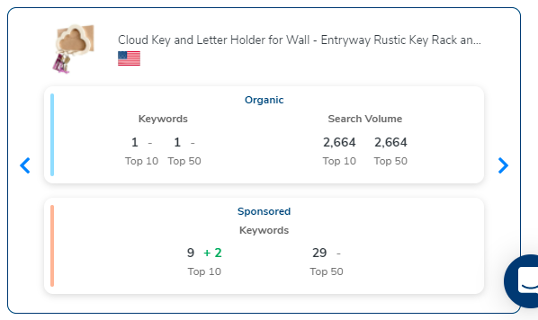
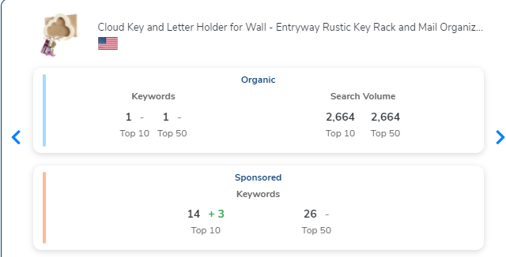
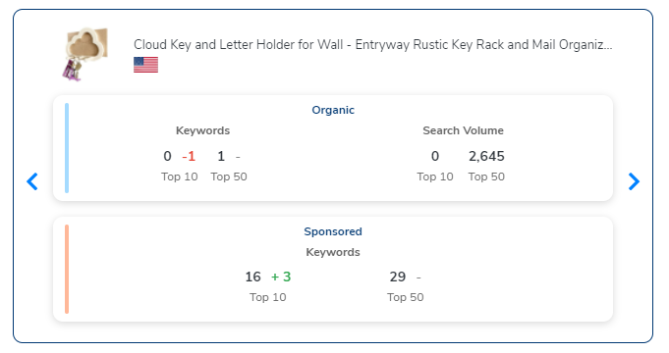

cloud key holder |  | 15 |  |  | cloud key holder |  | 16 |  |  |  |  | cloud key holder | 10 | cloud key holder |  | 9 |  | cloud key holder |  | 9 |  |  | cloud key holder |  | 28
cloud shelf |  | 26

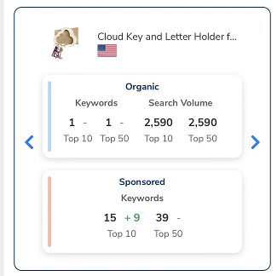
20220601Day10 |  |  | 20220602Day11 |  |  |  |  | 20220603Day12 |  |  | 20220604Day13 15:00 |  | 20220604Day13 23:00 |  |  | 20220605Day14 15:00 |  | 20220605Day14 23:00 |  |  | 20220606Day15 15:00 |  |  | 20220606Day15 23:00 |  | 20220607Day16 23:00
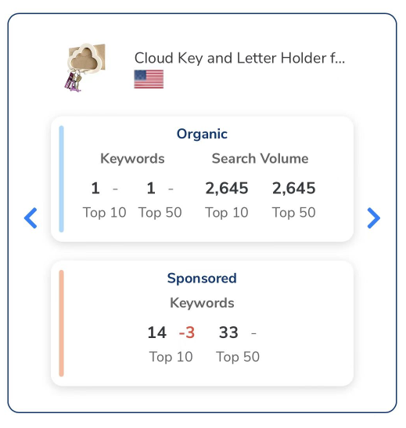
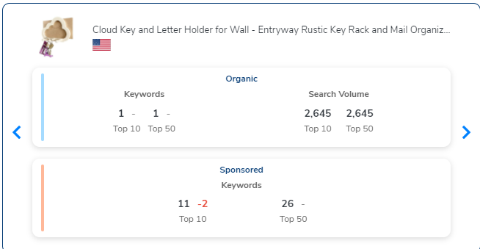
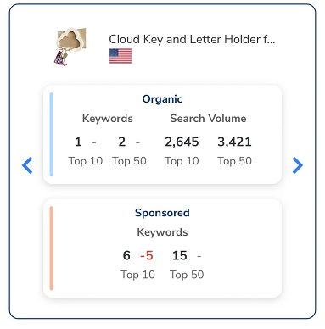
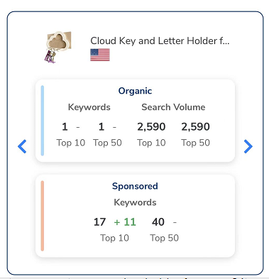
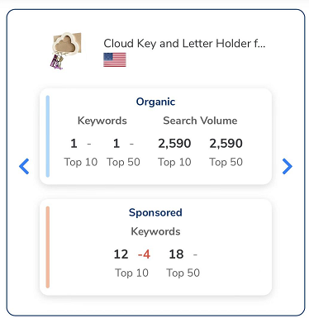
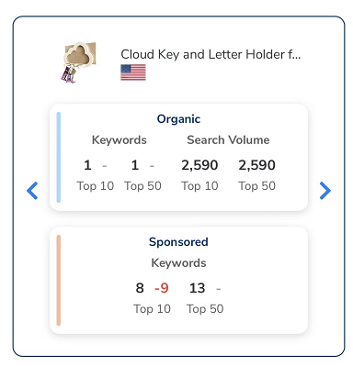
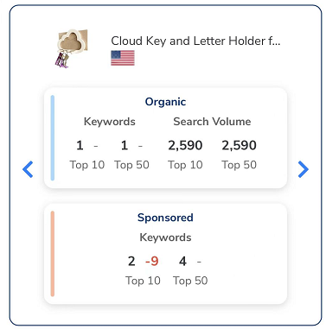
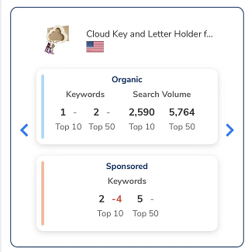
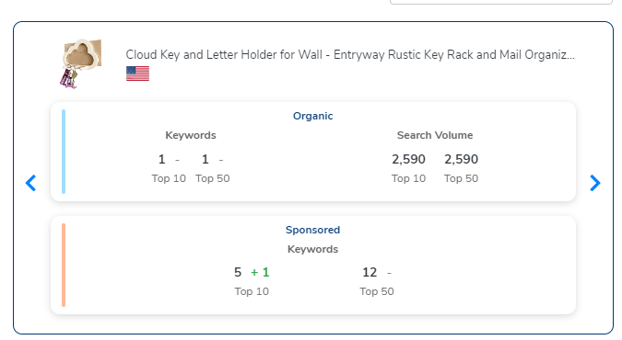


cloud key holder | 9 |  | cloud key holder |  | 8 |  |  | cloud key holder |  | 9 | cloud key holder | 9 | cloud key holder | 9 |  | cloud key holder | 7 | cloud key holder | 7 |  | cloud key holder | 7 |  | cloud key holder | 7 | cloud key holder | 8
 |  |  |  |  |  |  |  | entryway key holder for wall |  | 34 |  |  |  |  |  |  |  |  |  |  |  |  |  | cloud shelf | 12
20220608Day17 23:00 |  |  | 20220609Day18 |  |  | 20220610Day19 |  |  | 20220611Day20 |  | 20220612Day21 |  | 20220613Day22
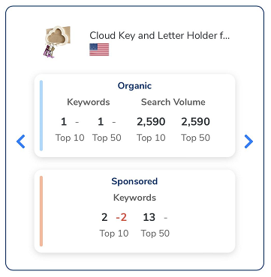
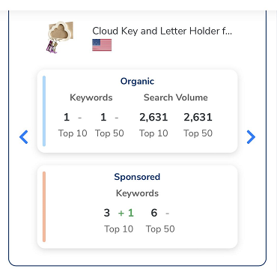
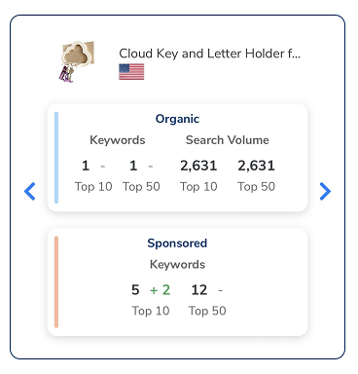
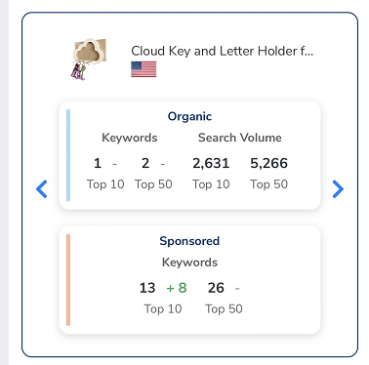
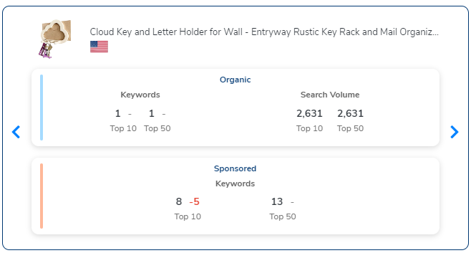

cloud key holder | 5 |  | cloud key holder | 9 |  | cloud key holder | 8 |  | cloud key holder | 8 | cloud key holder | 9 | cloud key holder |  | 8
cloud shelf | 18 |  |  |  |  |  |  |  |  |  | cloud shelf | 20

listing图片需求
图片顺序 | 内容概述 | 格式 | 特殊要求 | 详细描述 | 图例
1 | 首图 | 1500*1500 | 白底 | 盒子主体角度如图，加入钥匙及信封作为装饰 | 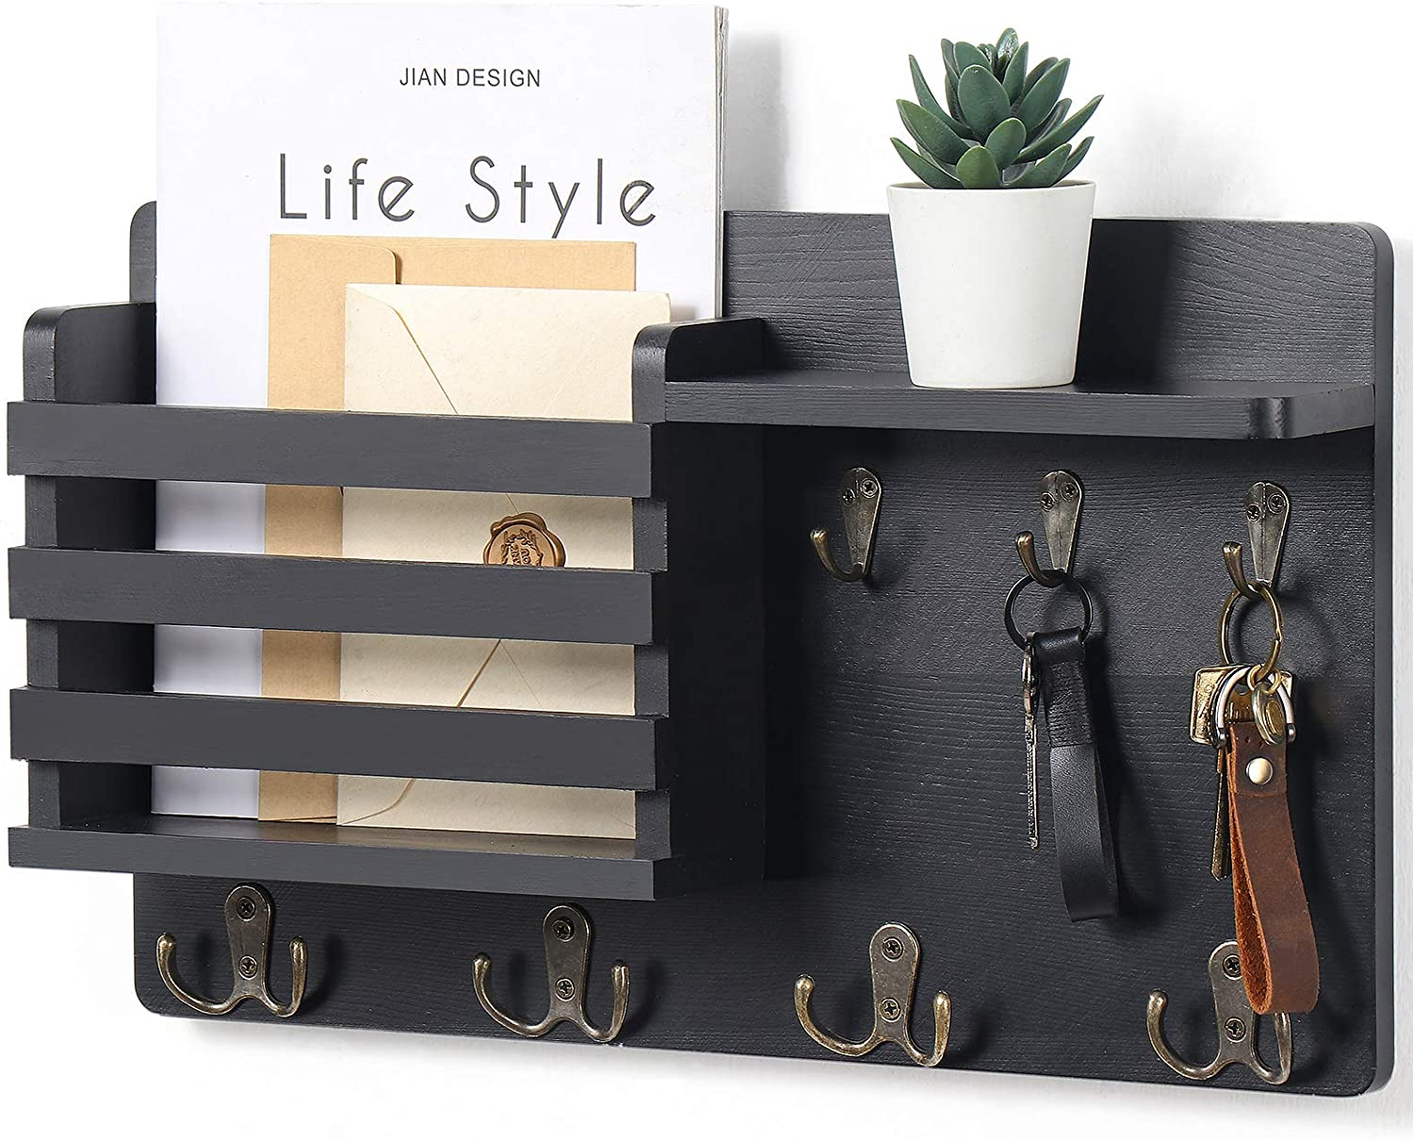
2 | 场景图 | 1500*1500 | 灰底黑字，UI统一 | 同图例，架子改成云朵架，文字内容及样式不变 | 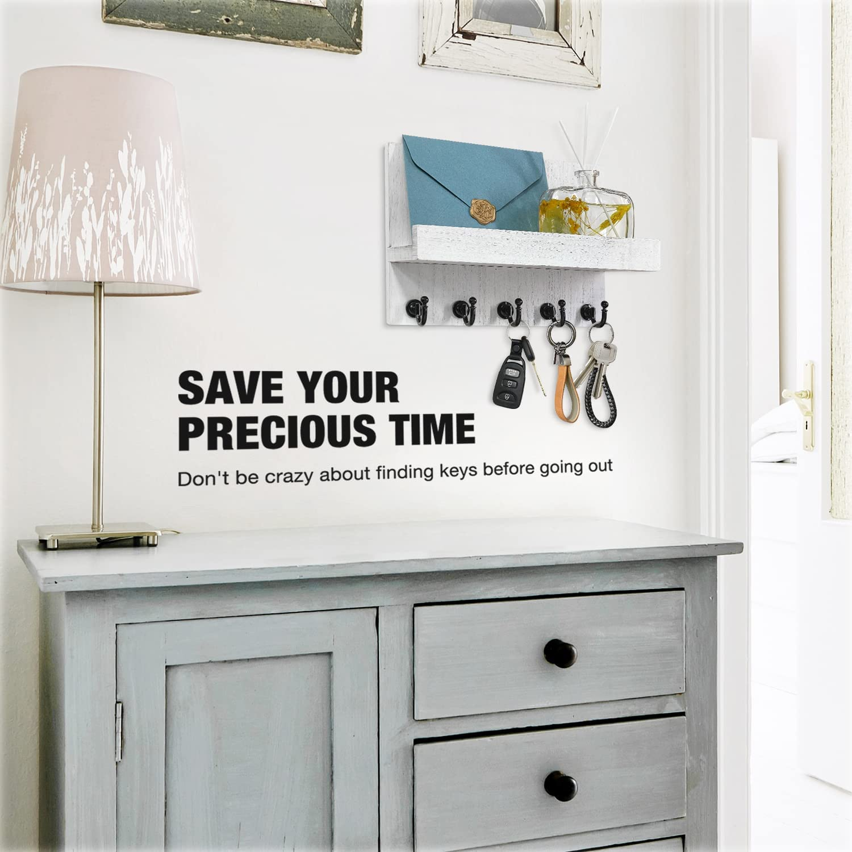
3 | 产品优势-设计点 | 1500*1500 | 灰底黑字，UI统一 | 表达内容： 云朵极简风格适合各种风格搭配 （文字内容A MINIMALISTIC LIFE STYLE Simplified beauty and organization best）文字效果同图2图例 小狗图雨伞上增加云朵架 含信封及钥匙 手绘图围巾和门之间增加云朵架手绘图 书桌及门之间增加云朵架 含信封及钥匙 三张图合成一张，排列如图，以///形式排列 文字内容横贯三张图 | 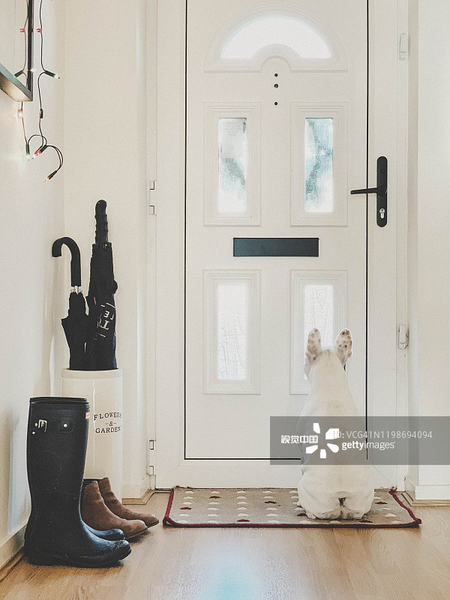 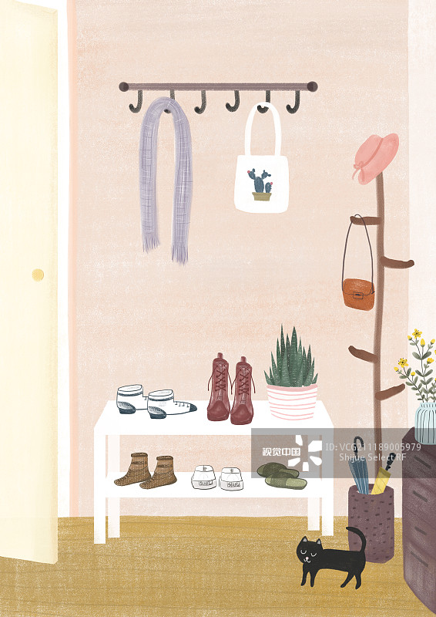 | 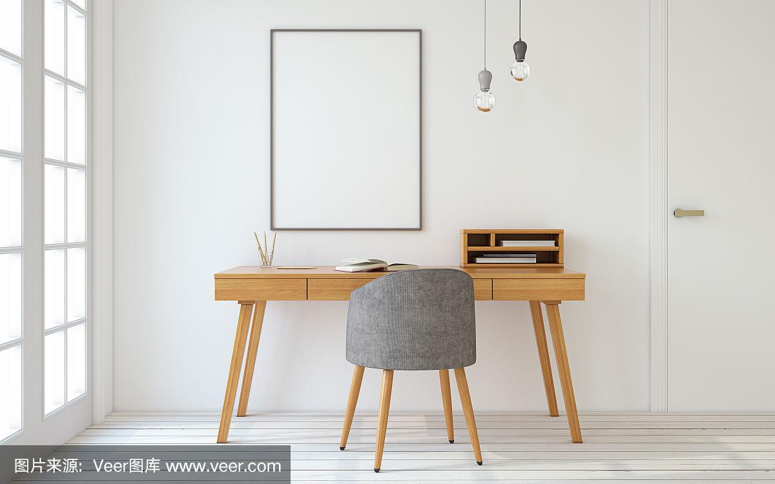
4 | 标签图-尺寸 | 1500*1500 | 灰底黑字，UI统一 | 8"WIDTH/20cm 5.3"HEIGHT/13.5cm 替换图片中架子为云朵架修改尺寸 云朵架有信封和钥匙装饰，黑字，字体同图2 | 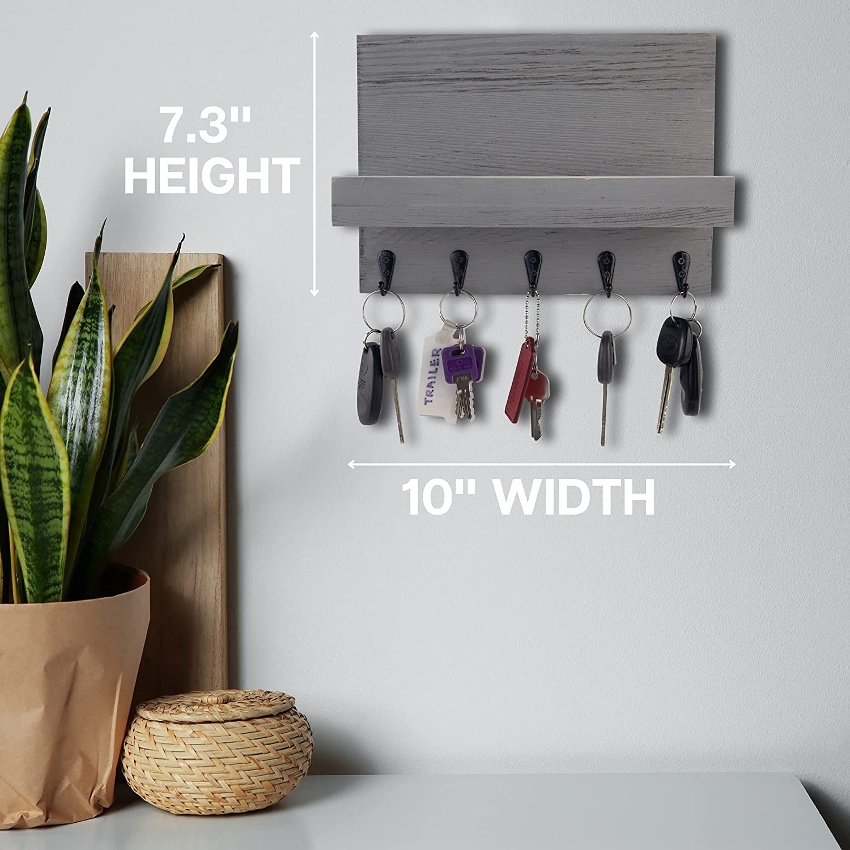
5 | 标签图-用料用工 | 1500*1500 | 灰底黑字，UI统一 | 标签文字1修改为 Nature White Oak, 标签同图例 标签及文字2不变，同图例 标签文字3修改为 Eco-Safety，标签修改为”eco标签“菱形设计不变，eco标签修改为黑白效果 HIGH QUALITY YOU CAN SEE 文字内容及排列方式 文字大小均按图不变 | 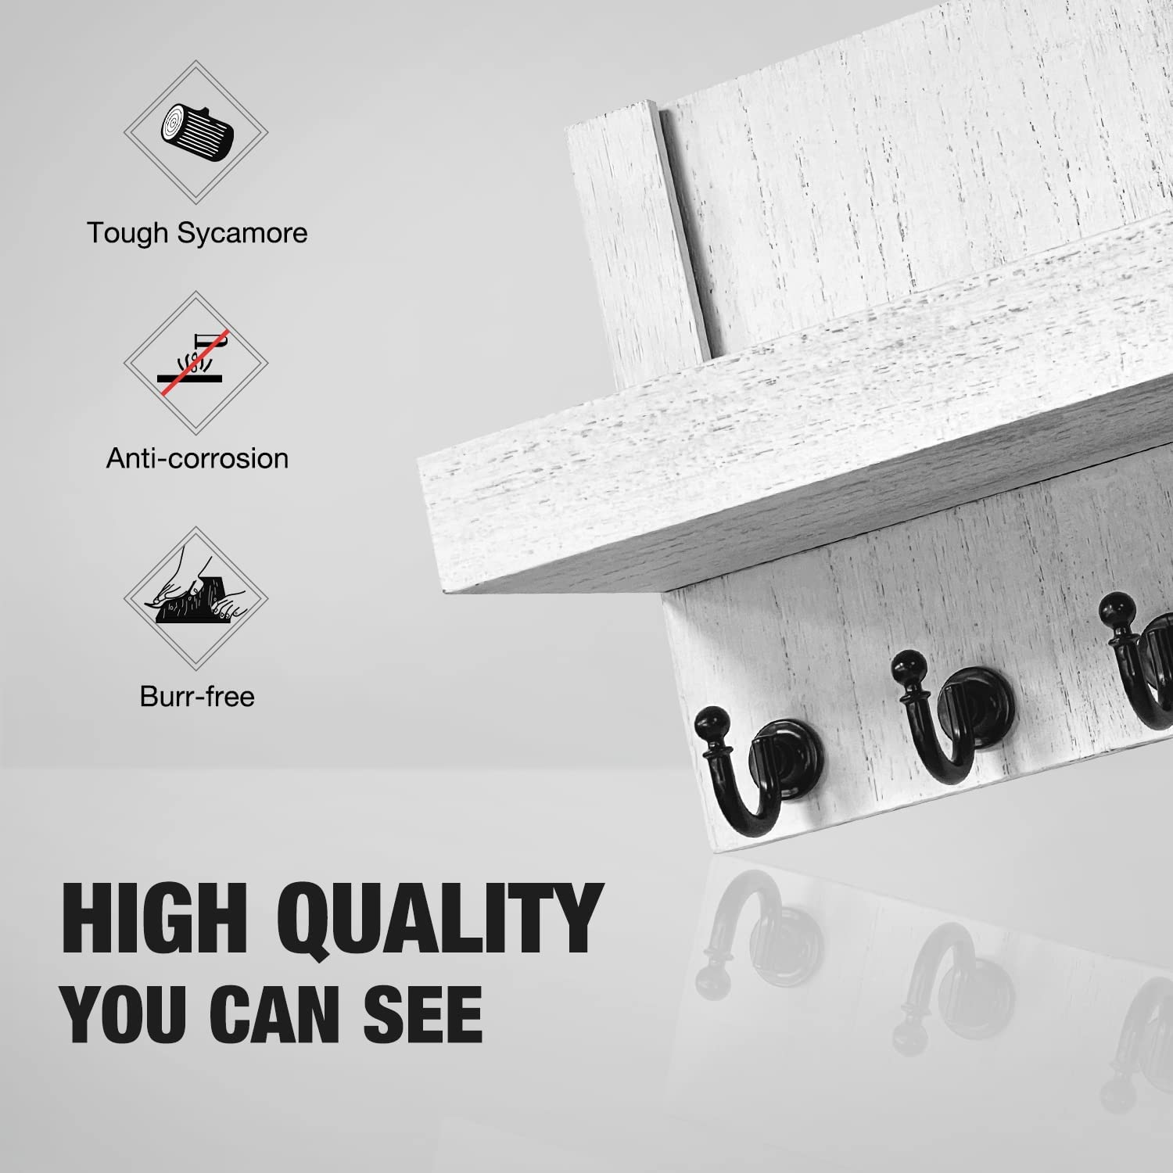 
6 | 场景图-安装方式 | 1500*1500 | 灰底黑字，UI统一 | 标题文字第一行改为EASY INSTALLATION Make the Shelf More Stable 圆圈内钉子修改为 双面胶一张 膨胀螺栓螺丝两套 橙色框及内文字去掉 Nekon改成Ours Other改成Other’s 其余不变 勾和叉保留 | 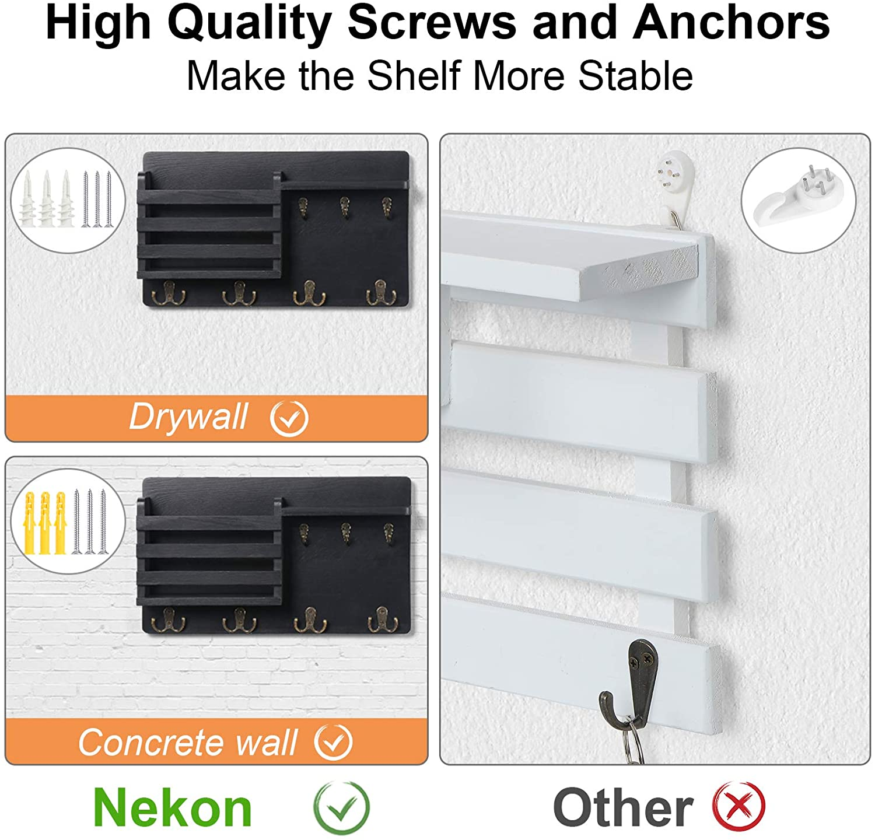
7 | 场景图 | 1500*1500 | 灰底黑字，UI统一 | 同图例，架子改成云朵架 | 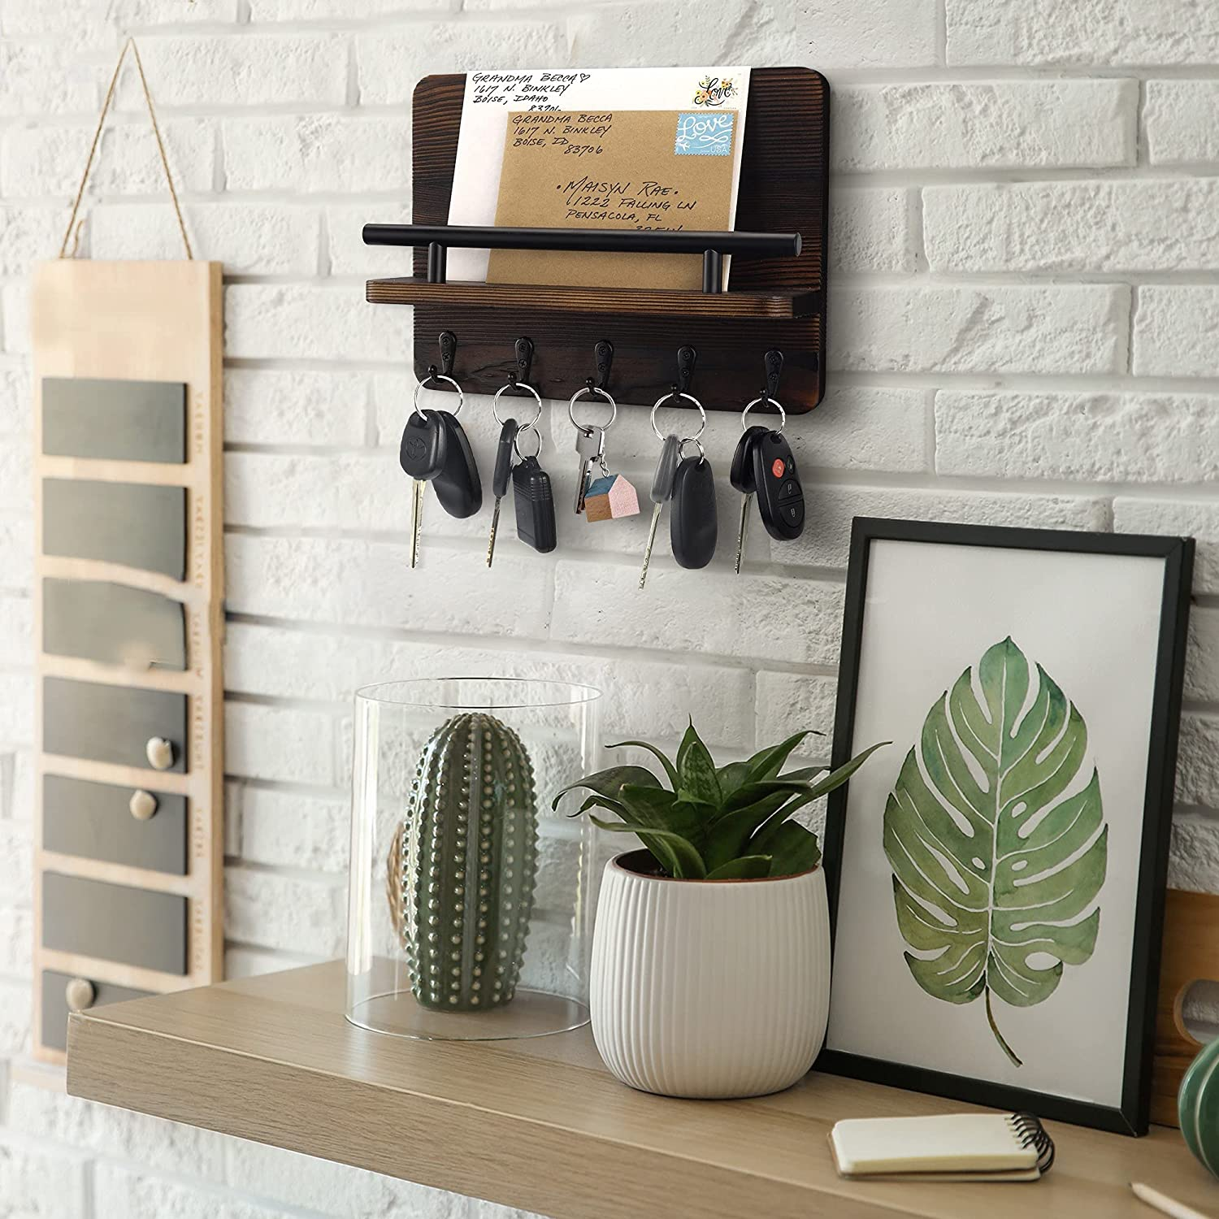
8 | 视频 | 无 | 无

