202205广告跟踪
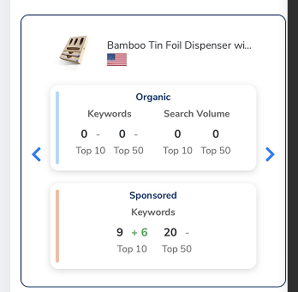
20220525Day3 |  |  |  | 20220526Day4 |  |  |  | 20220527Day5 |  |  | 20220528Day6 |  |  | 20220529Day7 |  |  |  |  | 20220530Day8 |  |  | 20220531Day9
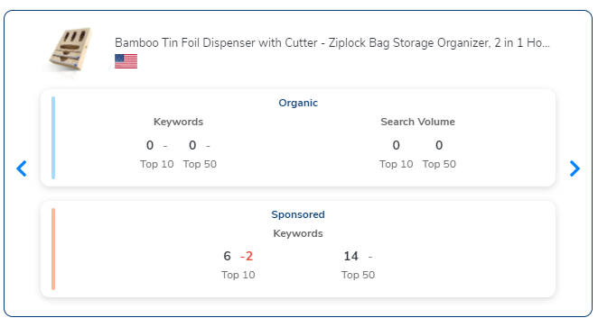
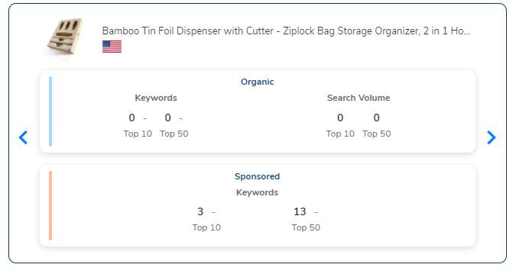
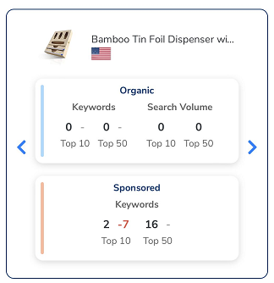
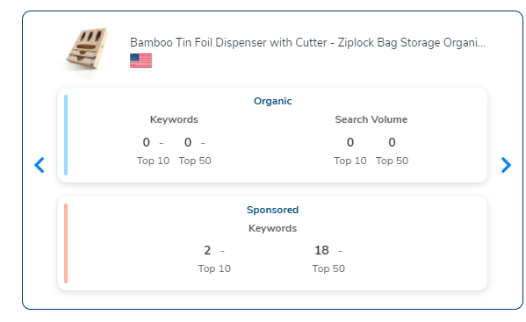
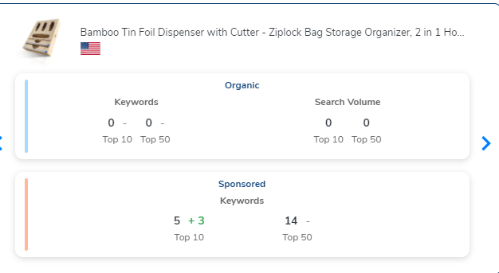
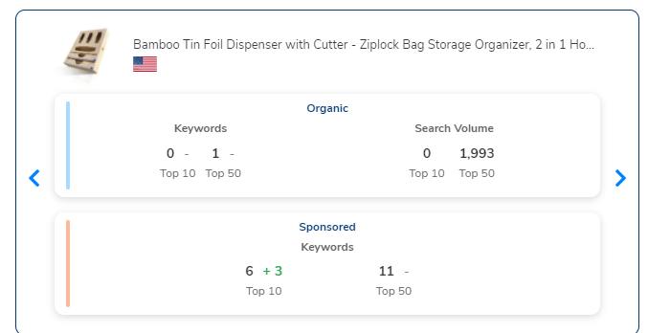
 |  |  |  |  |  |  |  |  |  |  |  |  |  |  |  |  |  |  |  |  |  |  |  |  |  | foil organizer | 38

20220601Day10 |  | 20220602Day11 |  |  |  | 20220603Day12 |  |  | 20220604Day13 15:00 |  |  | 20220604Day13 23:00 |  |  | 20220605Day14 15:00 |  |  | 20220605Day14 23:00 |  |  | 20220606Day15 15:00 | 20220606Day15 23:00 |  | 20220607Day16 23:00
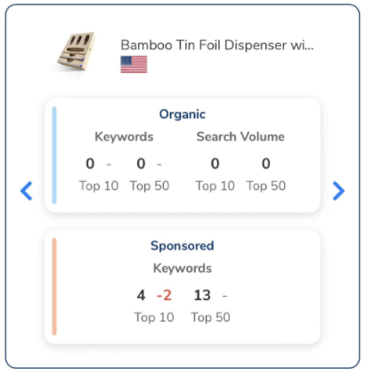
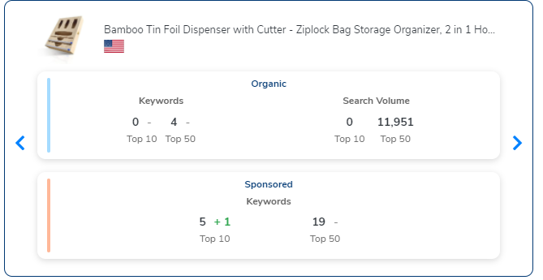
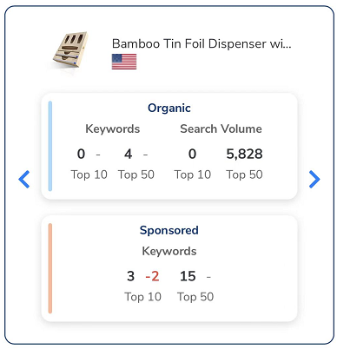
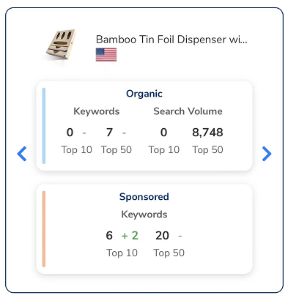
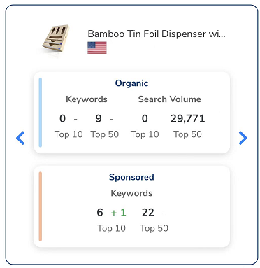
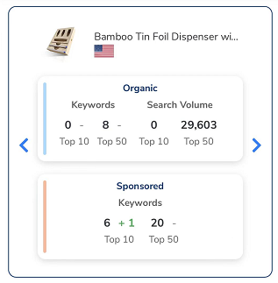
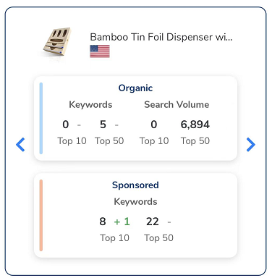
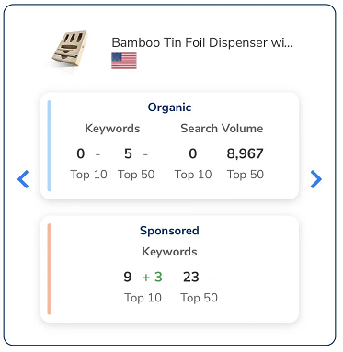
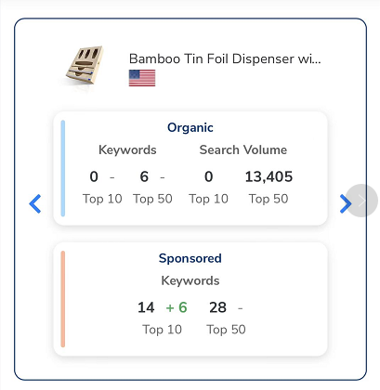
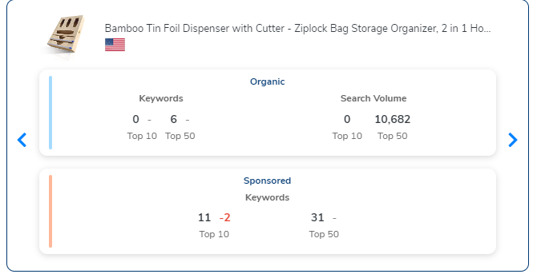

 |  | plastic wrap organizer |  | 21 |  | plastic wrap organizer | 27 |  | plastic bag organizer for drawer | 30 |  | plastic wrap dispenser with cutter | 34 |  | plastic wrap dispenser with cutter |  | 34 | plastic wrap dispenser with cutter |  | 34 |  | 2 in 1 dispenser foil and plastic wrap | 34 |  | foil organizer for drawer |  | 12
 |  | 2 in 1 dispenser foil |  | 35 |  | bamboo foil dispenser | 39 |  | 2 in 1 foil dispenser with cutter | 37 |  | 2 in 1 foil dispenser with cutter | 37 |  | plastic wrap organizer |  | 37 | 2 in 1 dispenser foil |  | 38 |  | foil dispenser with cutter | 41 |  | 2 in 1 foil dispenser with cutter |  | 26
 |  | foil organizer |  | 38 |  | 2 in 1 dispenser foil | 41 |  | plastic wrap organizer | 37 |  | plastic wrap organizer | 37 |  | 2 in 1 foil dispenser with cutter |  | 37 | plastic wrap organizer |  | 42 |  | plastic bag organizer for drawer | 49 |  | 2 in 1 dispenser foil and plastic wrap |  | 37
 |  | tin foil organizer for drawer |  | 48 |  | tin foil organizer for drawer | 42 |  | bamboo foil dispenser | 38 |  | 2 in 1 dispenser foil | 38 |  | 2 in 1 dispenser foil |  | 38 | 2 in 1 foil dispenser with cutter |  | 42 |  | tin foil organizer for drawer | 51 |  | plastic wrap organizer |  | 39
 |  |  |  |  |  |  |  |  | 2 in 1 dispenser foil | 38 |  | bamboo foil dispenser | 38 |  | plastic bag organizer for drawer |  | 41 | 2 in one dispenser foil |  | 49 |  | 2 in 1 dispenser foil | 60 |  | 2 in 1 dispenser foil |  | 40
 |  |  |  |  |  |  |  |  | 2 in one dispenser foil | 41 |  | plastic bag organizer for drawer | 41 |  | wrap organizer with cutter |  | 45 |  |  |  |  | 2 in one dispenser foil | 61 |  | plastic bag organizer for drawer |  | 42
 |  |  |  |  |  |  |  |  | tin foil organizer for drawer | 48 |  | 2 in one dispenser foil | 41 |  | tin foil organizer for drawer |  | 48
 |  |  |  |  |  |  |  |  |  |  |  | wrap organizer with cutter | 45 |  | 2 in one dispenser foil |  | 49
 |  |  |  |  |  |  |  |  |  |  |  | tin foil organizer for drawer | 48
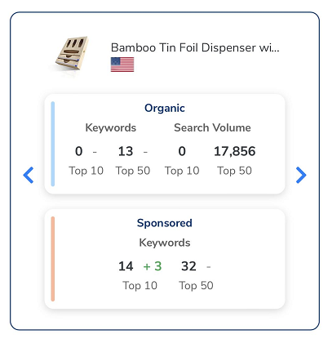
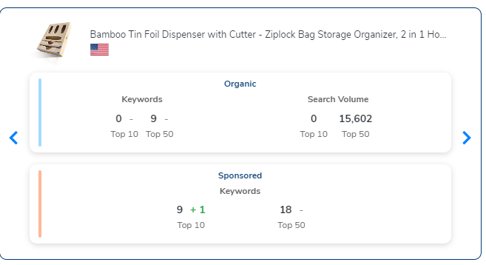
20220608Day17 23:00 |  | 20220609Day18 |  |  | 20220610Day19 |  | 20220611Day20 |  |  | 20220612Day21 |  |  | 20220613Day22

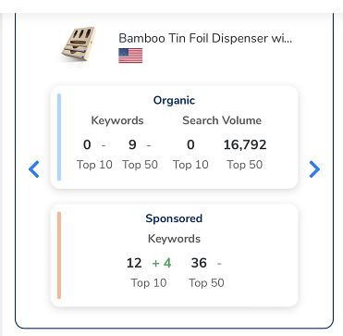

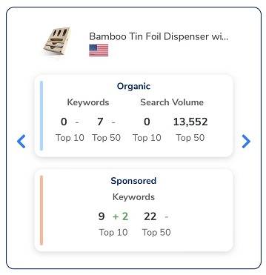

foil organizer for drawer | 12 | bamboo wrap dispenser with cutter | 14 |  | bamboo foil dispenser | 21 | bamboo foil dispenser |  | 22 | 2 in one dispenser foil |  | 15 | bamboo foil dispenser |  |  | 13
plastic wrap organizer | 14 | plastic bag organizer for drawer | 15 |  | plastic wrap organizer | 25 | plastic bag organizer for drawer |  | 38 | plastic bag organizer for drawer |  | 25 | kitchen wrap dispenser with cutter |  |  | 24
bamboo wrap dispenser with cutter | 14 | plastic wrap organizer | 18 |  | trash bag organizer | 26 | plastic wrap organizer |  | 40 | bamboo foil dispenser |  | 28 | plastic bag organizer for drawer |  |  | 25
2 in 1 dispenser foil | 18 | 2 in 1 dispenser foil and plastic wrap | 19 |  | plastic bag organizer for drawer | 29 | 2 in 1 dispenser foil and plastic wrap |  | 48 | 2 in 1 dispenser foil |  | 43 | trash bag roll holder |  |  | 35
2 in 1 foil dispenser with cutter | 23 | 2 in 1 dispenser foil | 22 |  | tin foil dispenser with cutter | 36 | food storage bag organizer |  | 50 | food storage bag organizer |  | 44 | plastic wrap organizer |  |  | 35
bamboo foil dispenser | 27 | bamboo foil dispenser with cutter | 28 |  | 2 in 1 dispenser foil | 38 |  |  |  | sandwich bag organizer for drawer |  | 46 | plastic bag storage |  |  | 37
plastic bag organizer for drawer | 28 | 2 in one dispenser foil | 30 |  | food storage bag organizer | 48 |  |  |  | plastic wrap organizer |  | 46 | food storage bag organizer |  |  | 44
2 in one dispenser foil | 29 | plastic wrap dispenser | 33 |  | 2 in 1 dispenser foil and plastic wrap | 49 |  |  |  |  |  |  | 2 in 1 dispenser foil |  |  | 44
2 in one dispenser foil and plastic wrap | 32 | bamboo foil dispenser | 33 |  | 2 in 1 foil dispenser with cutter | 50 |  |  |  |  |  |  | 2 in 1 foil dispenser with cutter |  |  | 50
bamboo plastic wrap dispenser with cutter | 39 | 2 in 1 foil dispenser with cutter | 34
tin foil dispenser with cutter | 46 | foil plastic wrap organizer dispenser | 48
plastic wrap organizer for drawer | 48
tin foil organizer for drawer | 49

listing图片需求
图片顺序 | 内容概述 | 格式 | 特殊要求 | 详细描述 | 图例
1 | 首图 | 1500*1500 | 白底 | 盒子主体角度如图 | 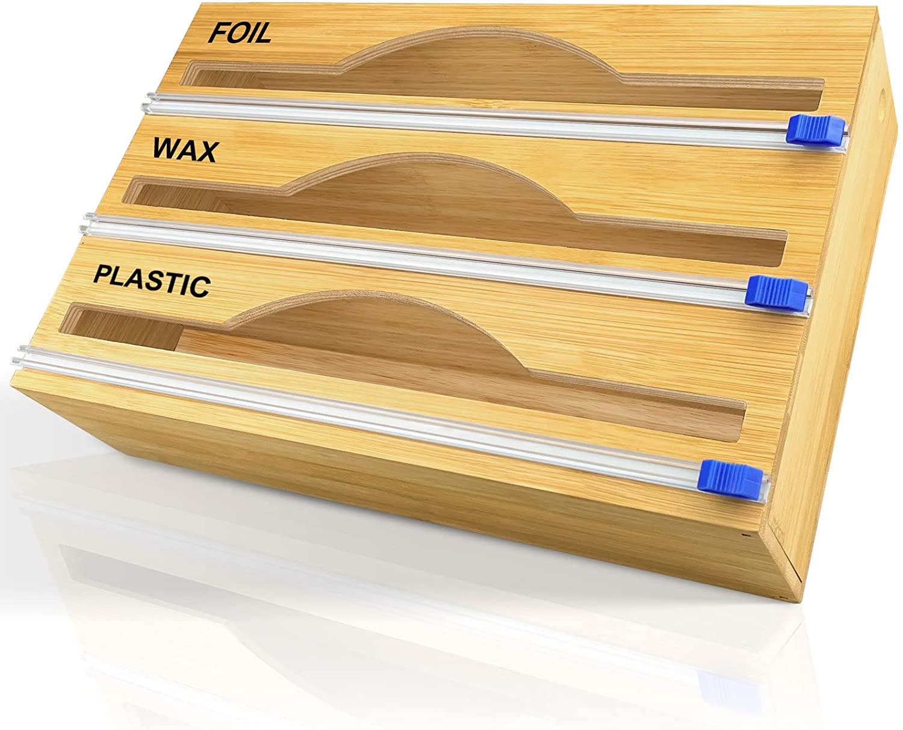
2 | 产品优势-与别家产品对比图 | 1500*1500 | 绿色元素，UI统一 | 表达内容：产品功能二合一，比分开购买更便宜 图片内容：左半部分为我司产品 拍摄角度同右半部分对比图产品角度 右半部分为其他两款产品合并购买需91.96美金 | 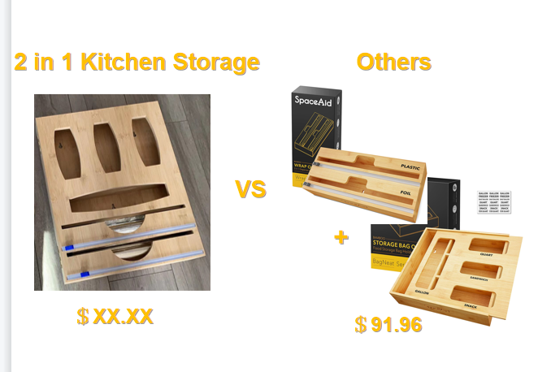
3 | 产品优势-设计点 | 1500*1500 | 绿色元素，UI统一 | 表达内容：标题文字FOLDABLE LID DESIGN EASY TO STORE 圆圈1表达内容升级五金件；文字MORE DURABLE-Brandnew Upgrade High Quality Hardware Accessories 圆圈2表达内容加大内空间，更适合quart型号袋子（8“内空间，产品区别点）；文字MORE SUITABLE- 8“ Width Inner Space, No More Stucked Quart Bags 圆圈3表达内容增加园杆固定，方便使用；文字MORE STABLE- 2 Bamboo Rolls keep the Wrap in Place | 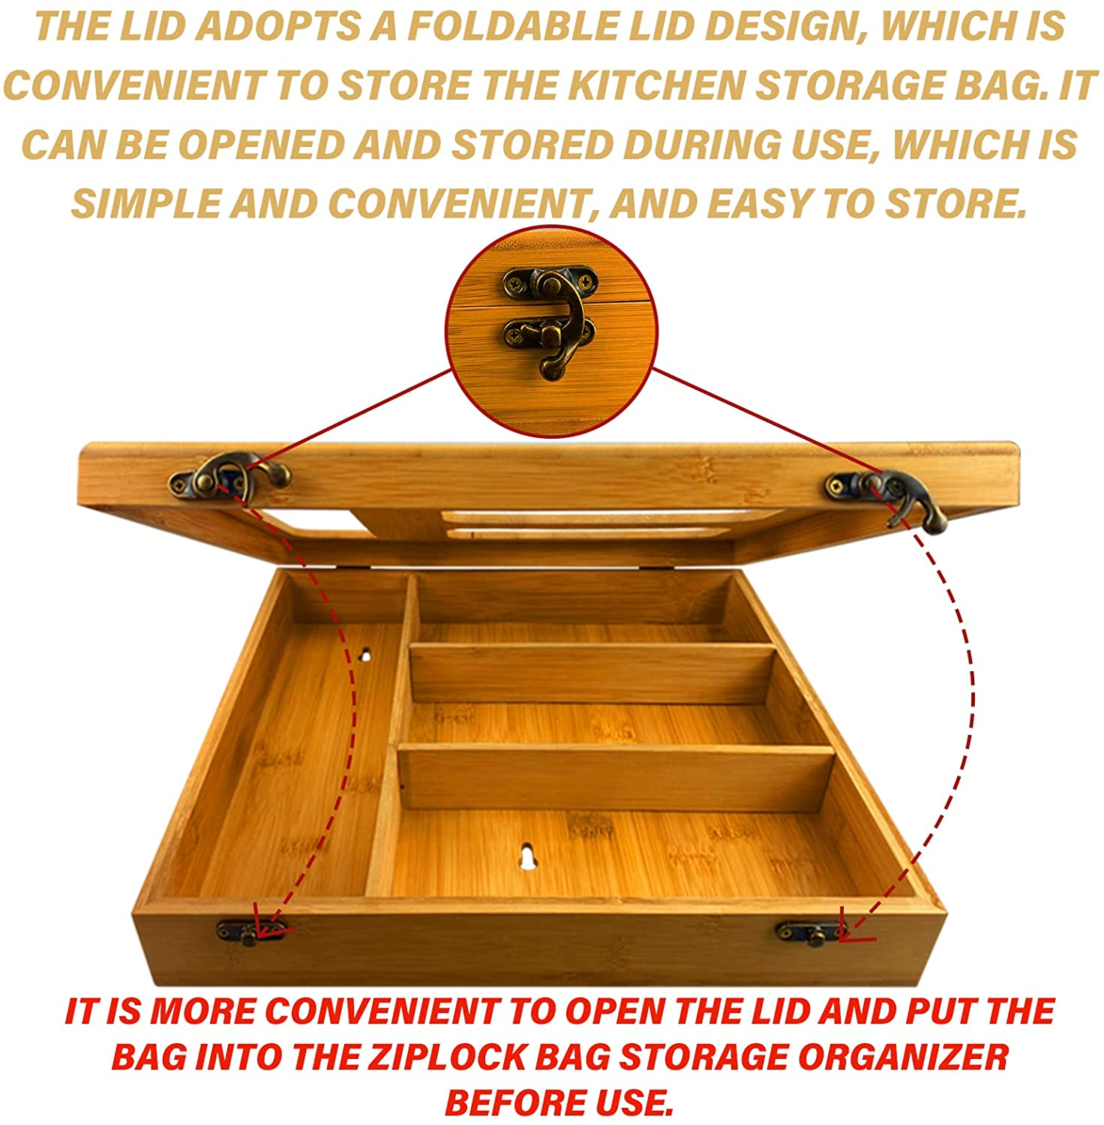
4 | 标签图-尺寸 | 1500*1500 | 绿色元素，UI统一 | 整体长宽高 内空尺寸 开口尺寸 产品包含贴纸及垫片 | 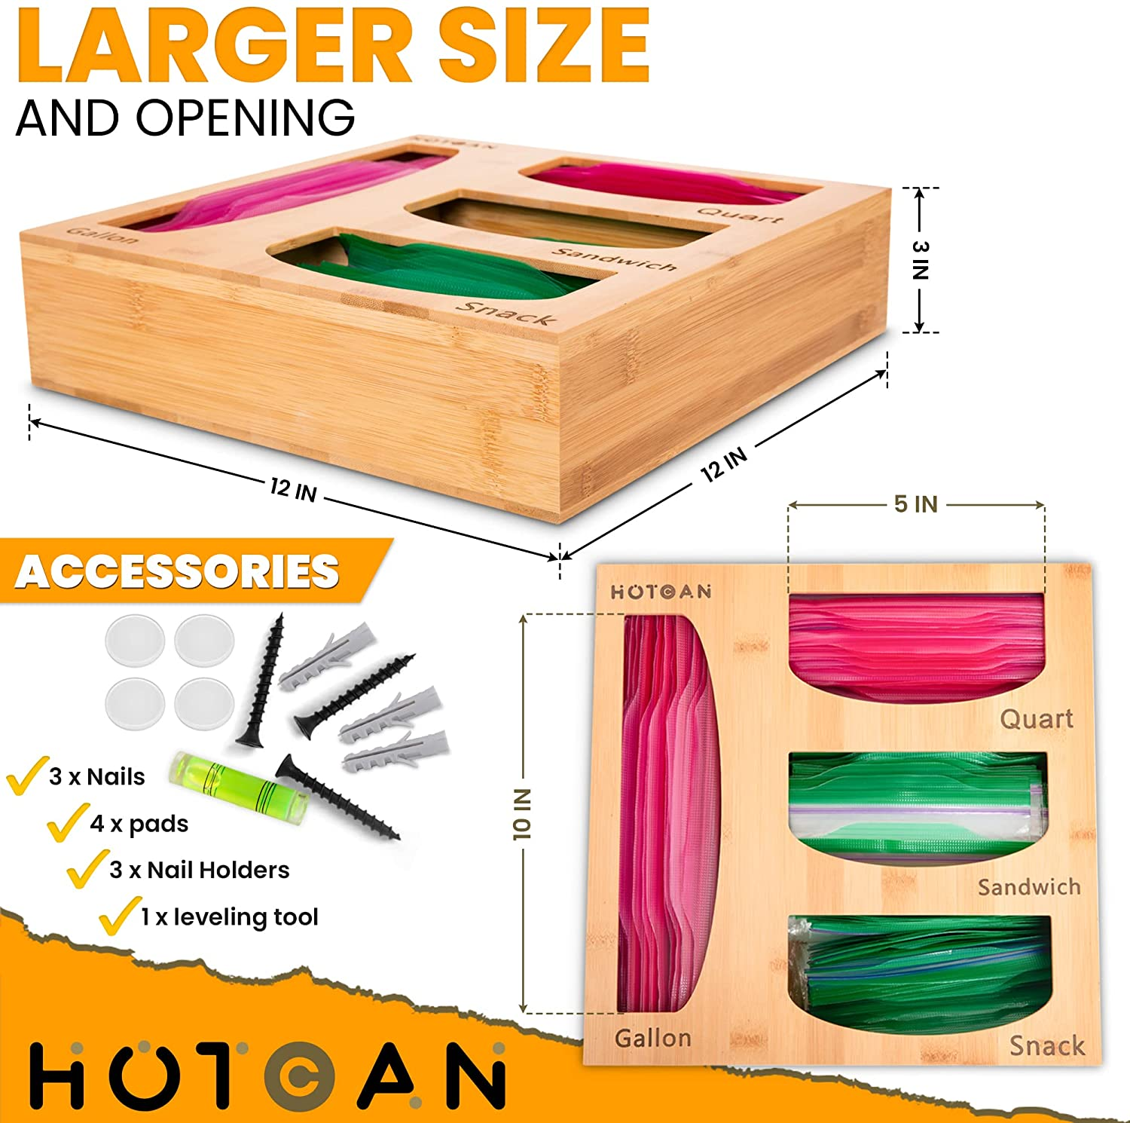 |  | 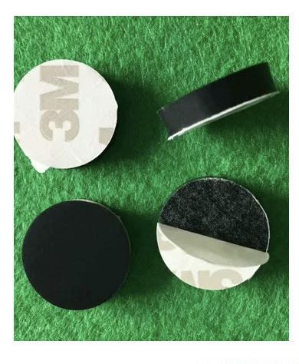
5 | 标签图-用料用工 | 1500*1500 | 绿色元素，UI统一 | 同图例 保留标题AMAZING FEATURES 样式同图例，橙色改为绿色 | 
6 | 场景图-收纳前后比较 | 1500*1500 | 绿色元素，UI统一 | 同图例，竹木盒内需按区分别装好塑料袋及保鲜膜铝箔 | 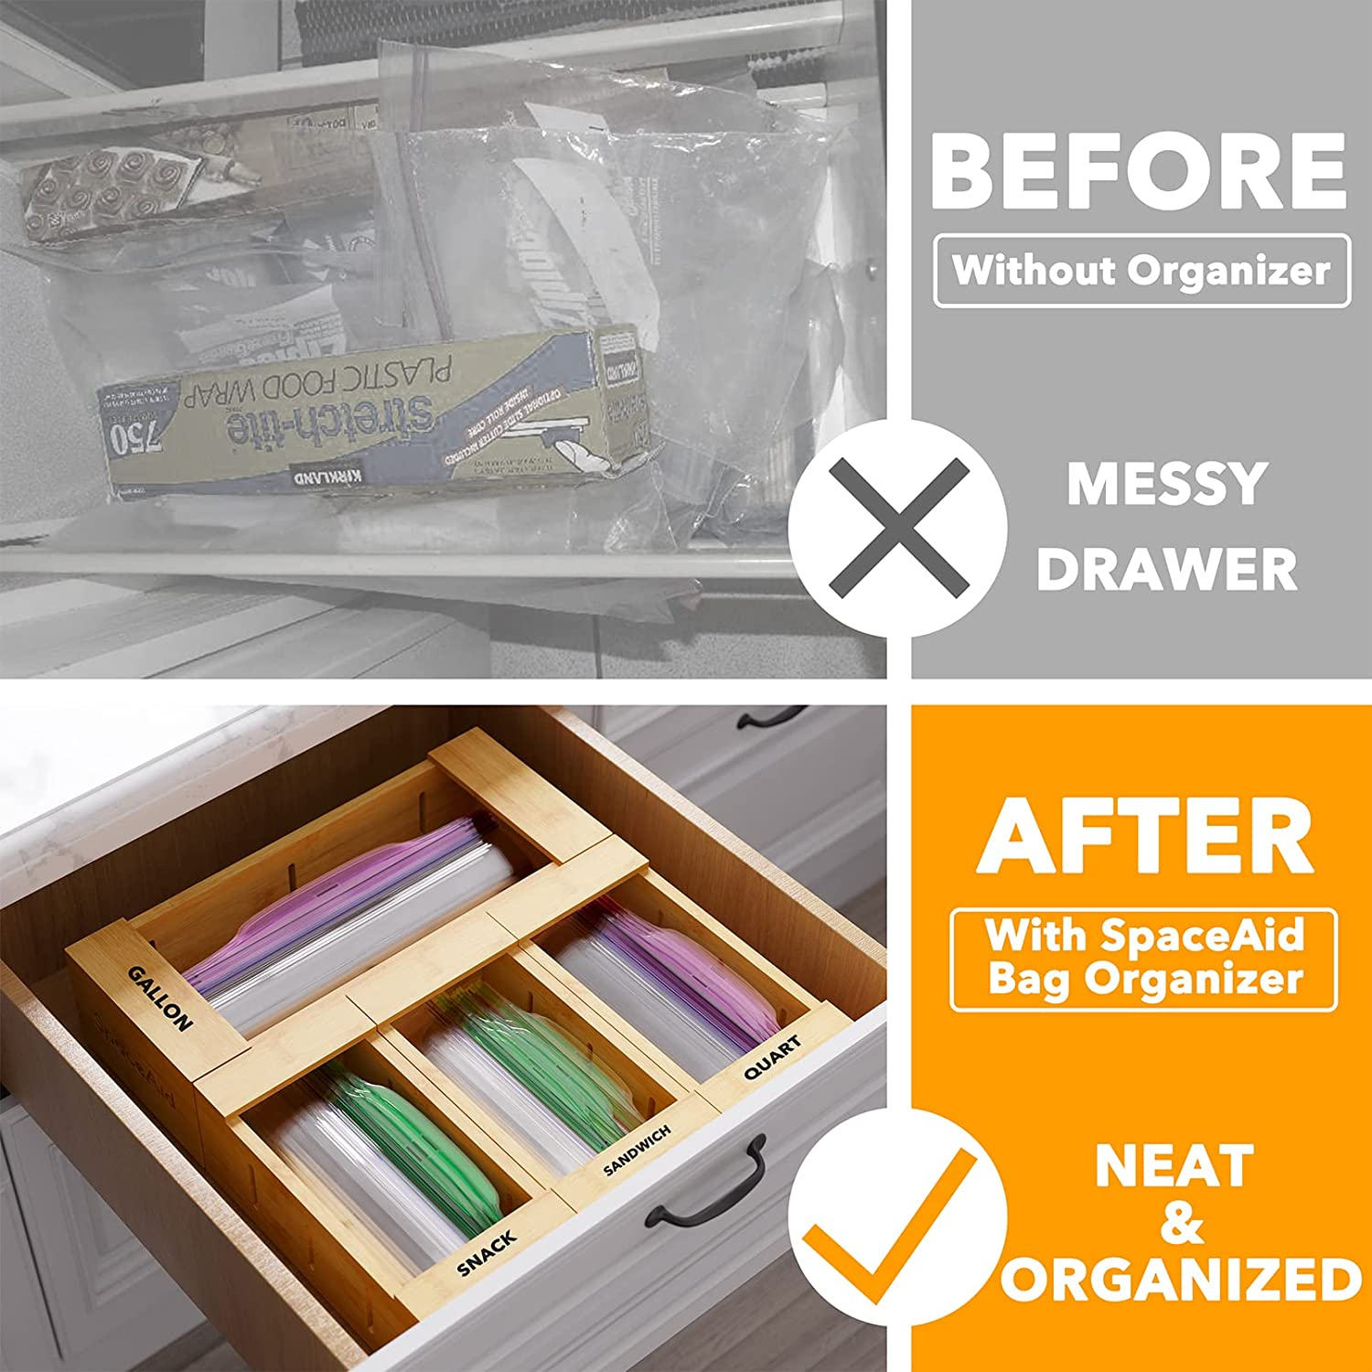
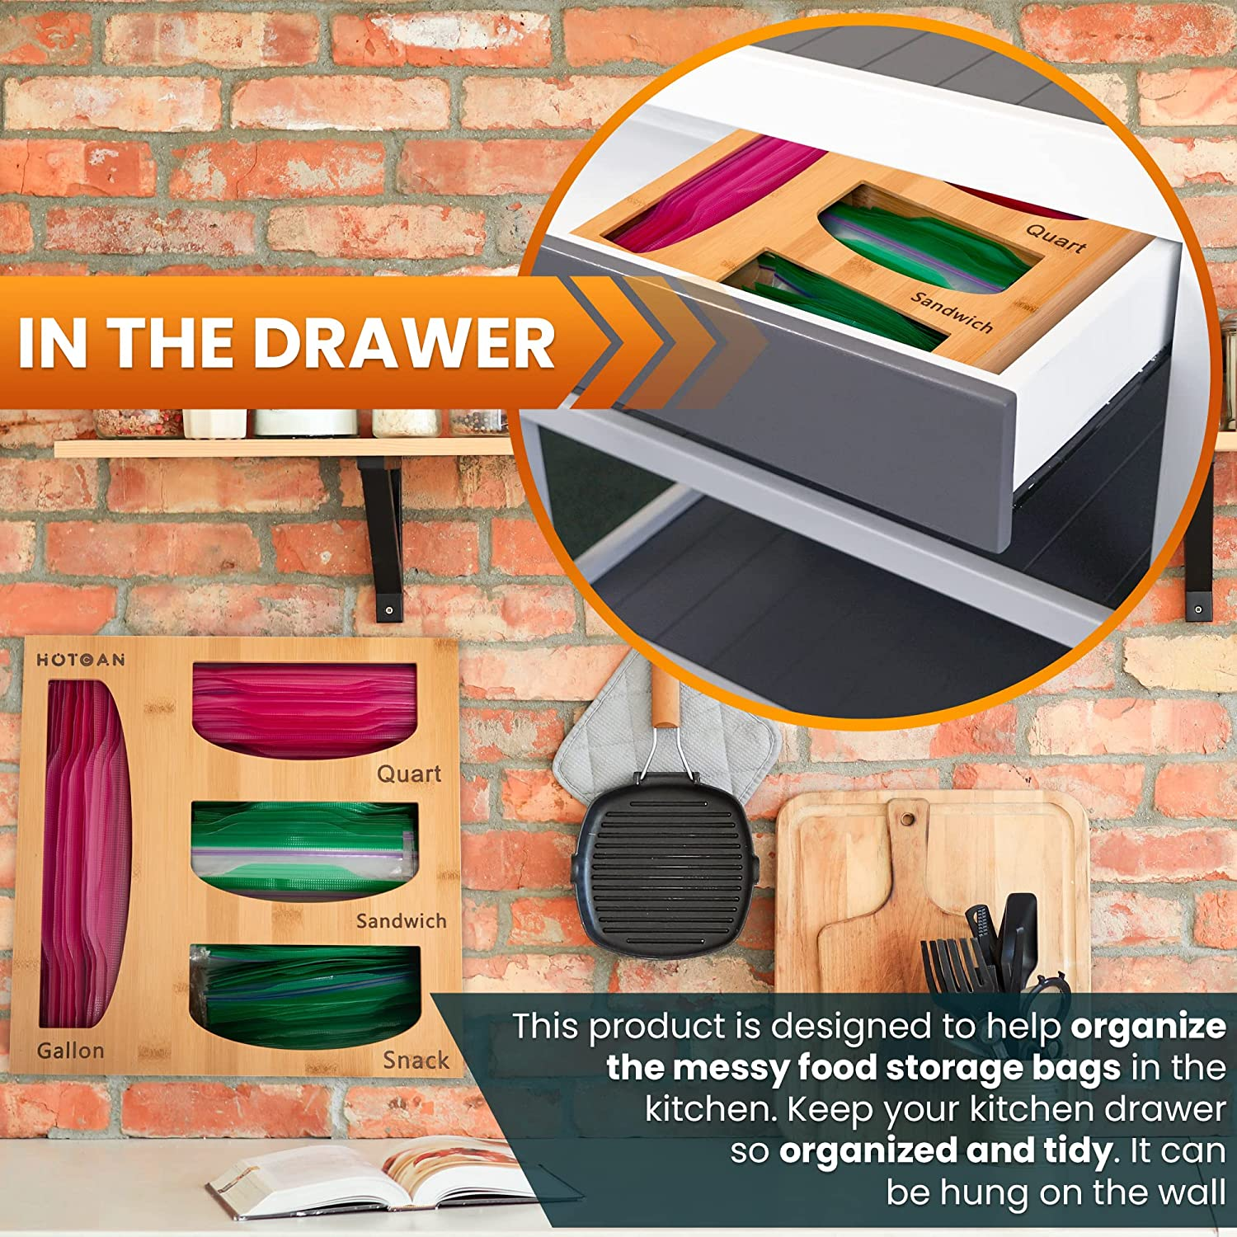
7 | 场景图-放置方式 | 1500*1500 | 绿色元素，UI统一 | 挂墙、台面、抽屉三种放置方式在一张图里表现 竹木盒内需填充好 炉子上圆框，圆框内为放抽屉内竹木盒展示 文字 IN THE DRAWER 挂墙展示 盒子左边虚线框展示钉孔 文字内容 3 NAIL HOLES EASY WALL MOUNT 台子上圆框，圆框内为放台面竹木盒展示（女人切菜图）文字 ON THE COUNTER |  | 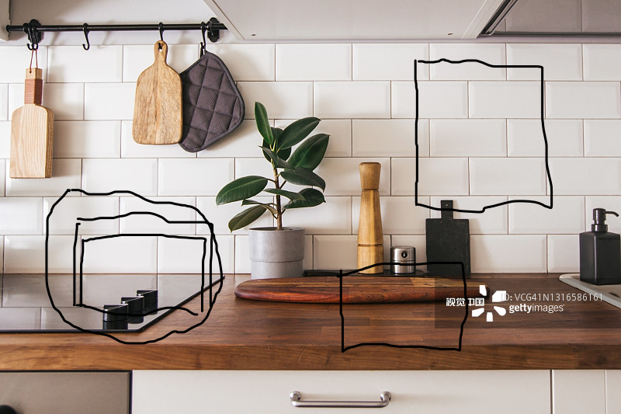 |  |  | 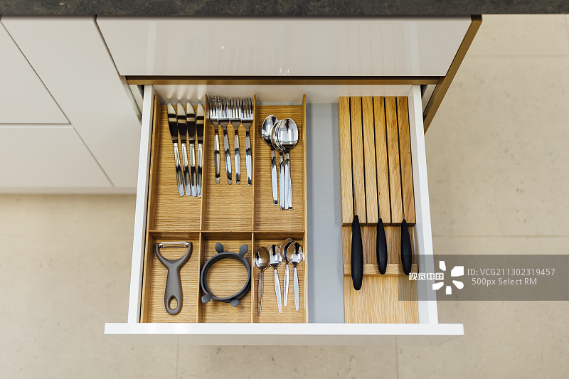
8 | 视频 | 无 | 无

