flowchart
 | FLOWCHART SYMBOLS
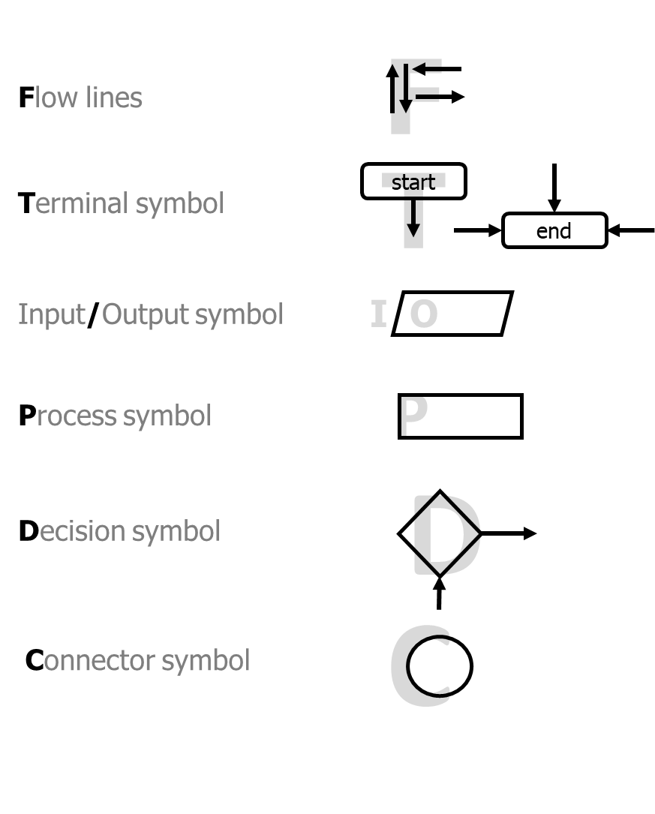

Format Specifiers

C
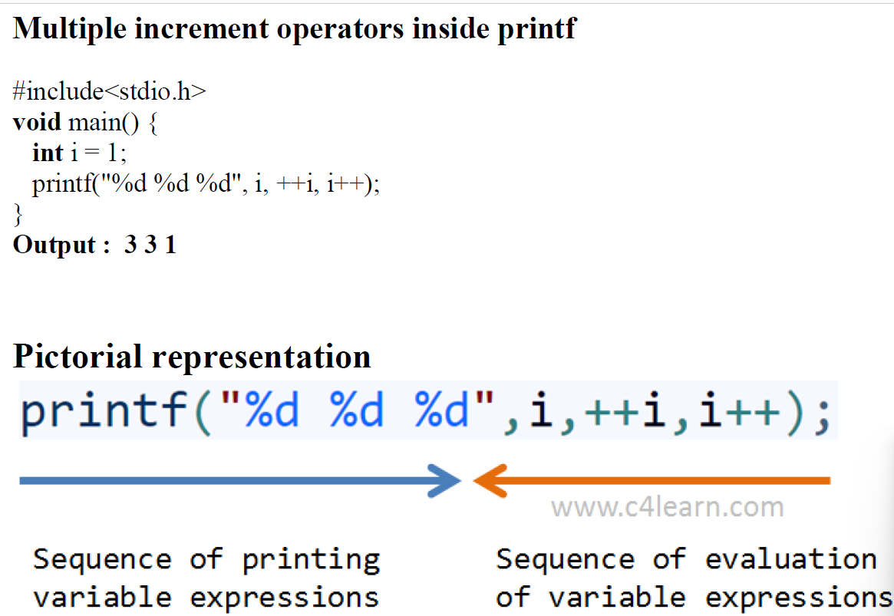
Introduction to C

Compilation Stages

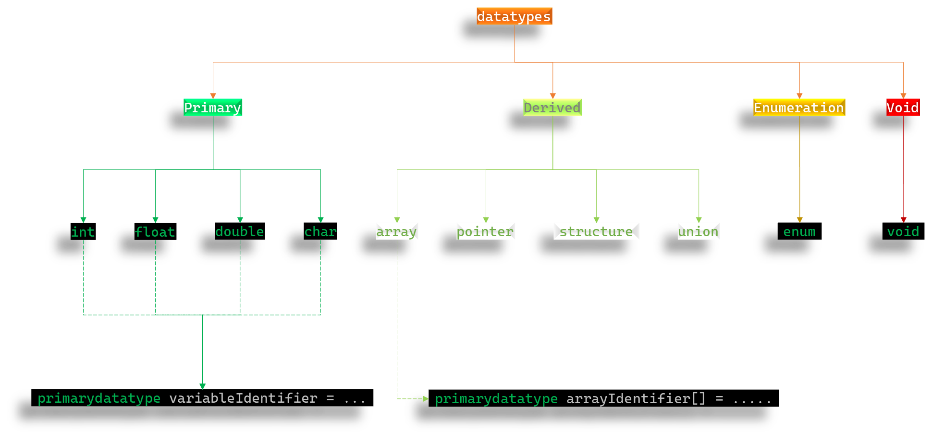
Data Types

postfix & prefix operators

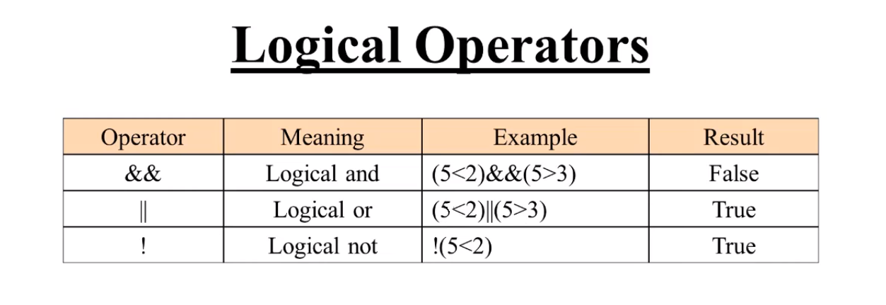

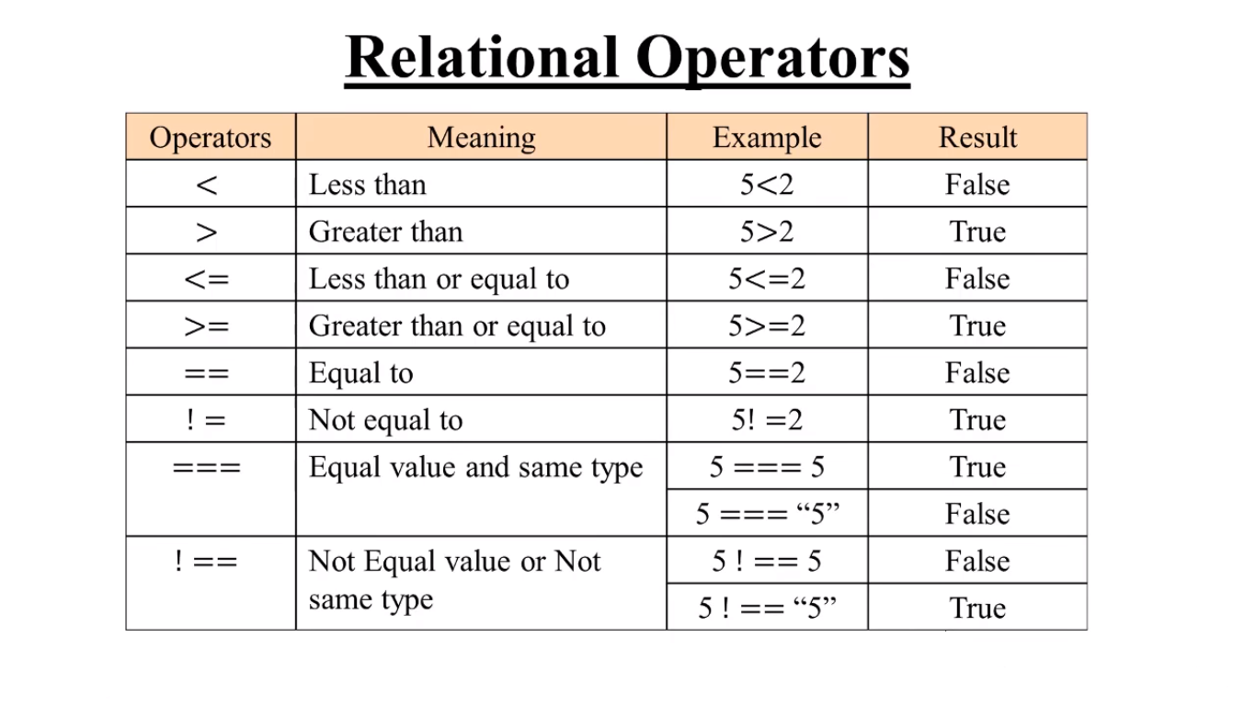

Format Specifiers

linux_intro
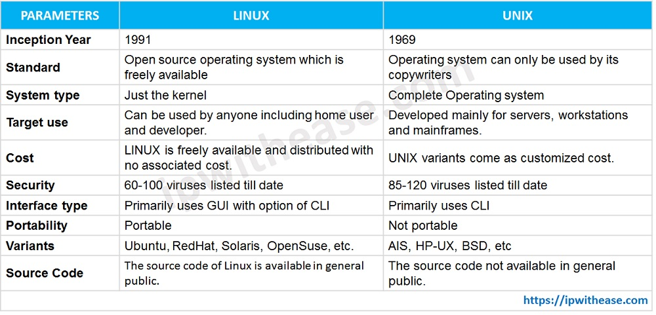

shell_intro
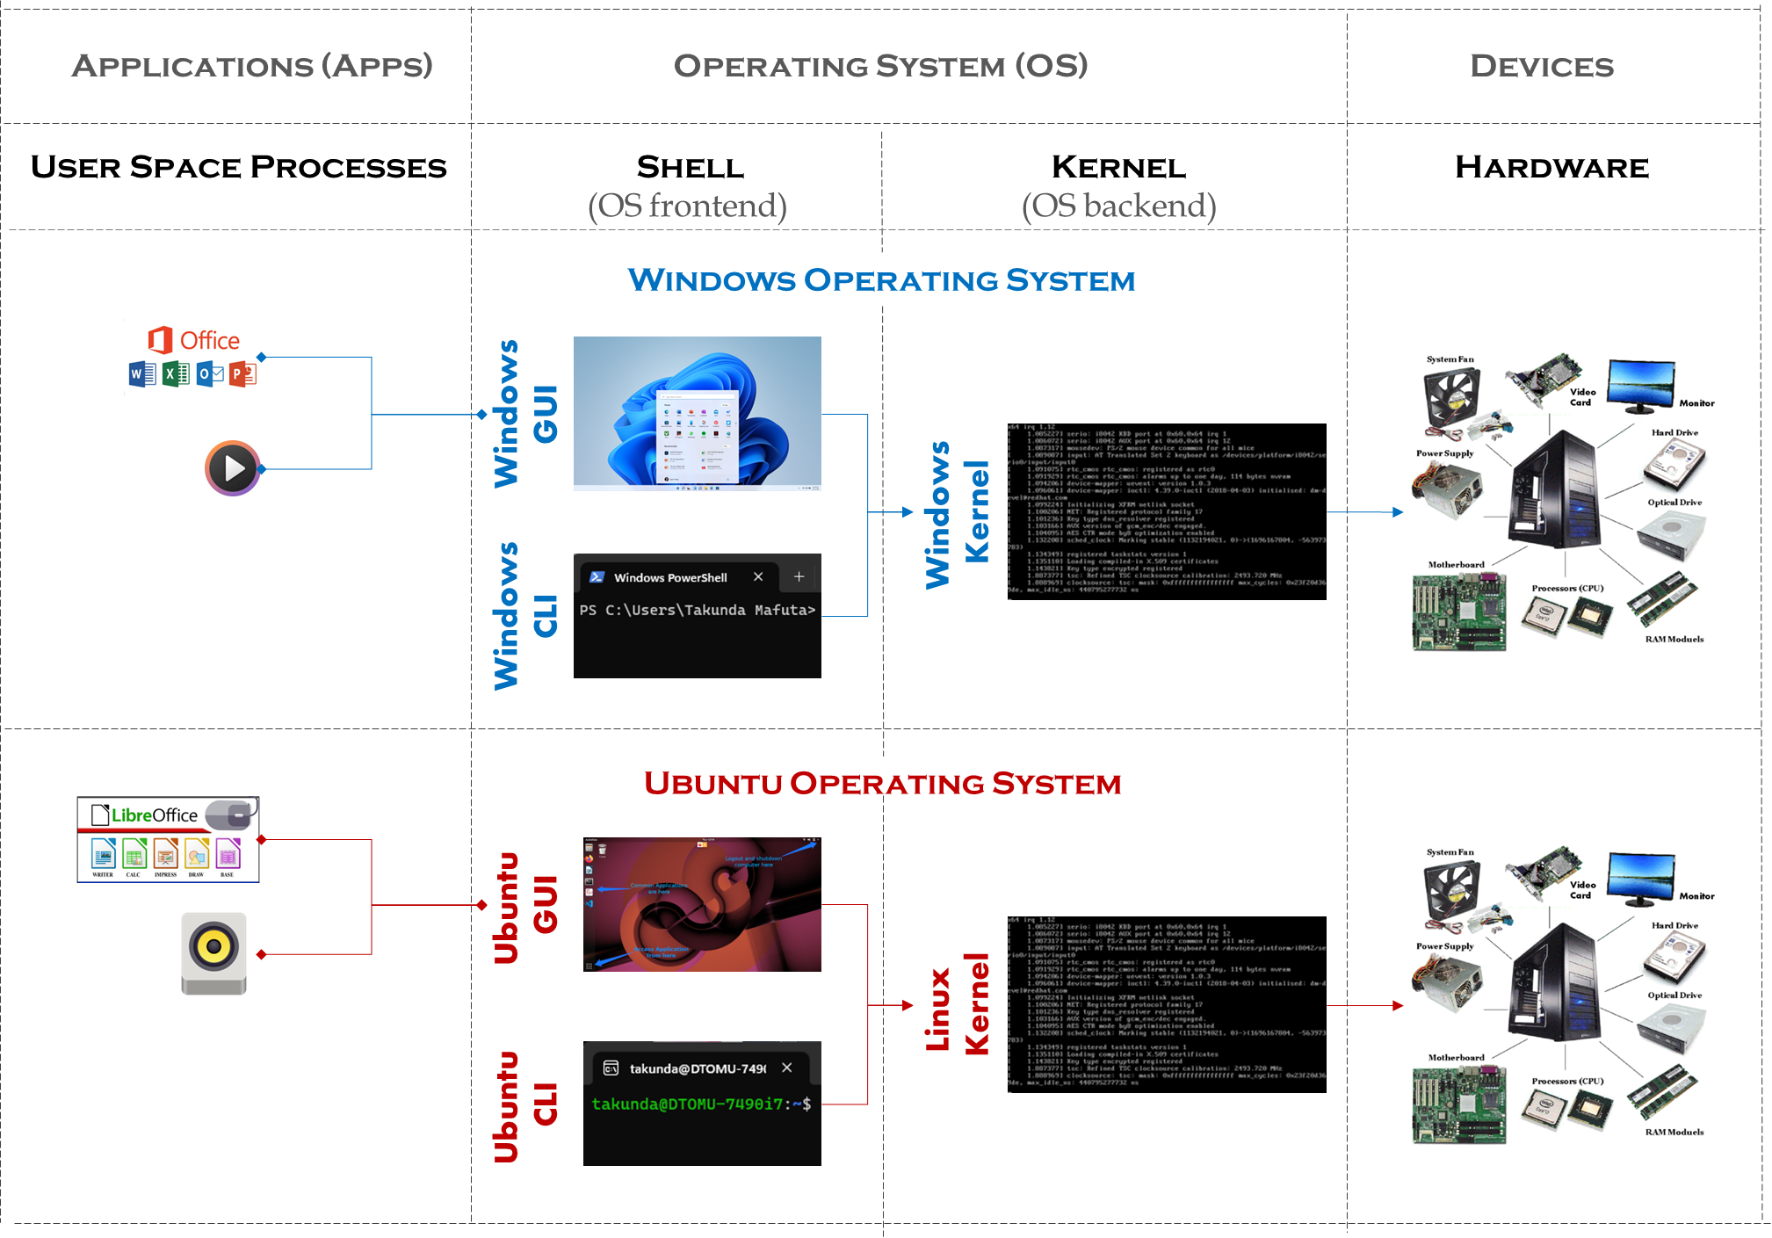
Introduction
 | is an interface for controlling processes
 | Types of Shell
 | Graphical User Interface (GUI) - takes input from keyboard and mouse
 | Command Line interfaces (CLI) - takes input from keyboard only aka Terminal

linux_file_system_paths
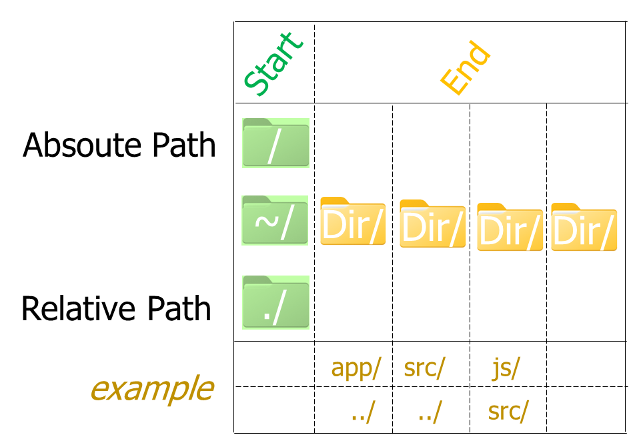
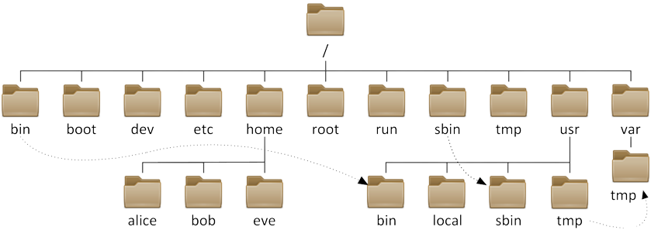
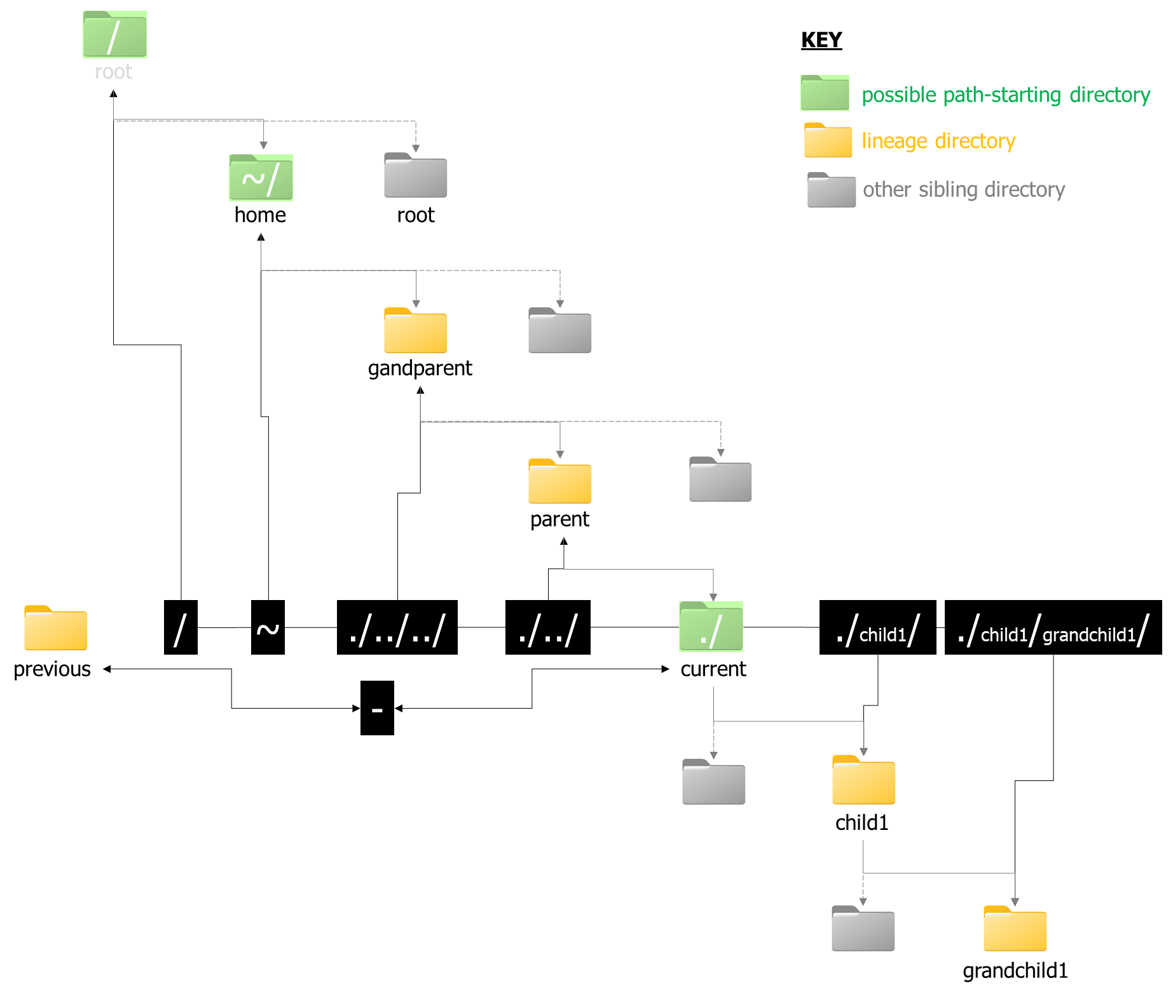
File Stucture | File Navigation (Paths)

git
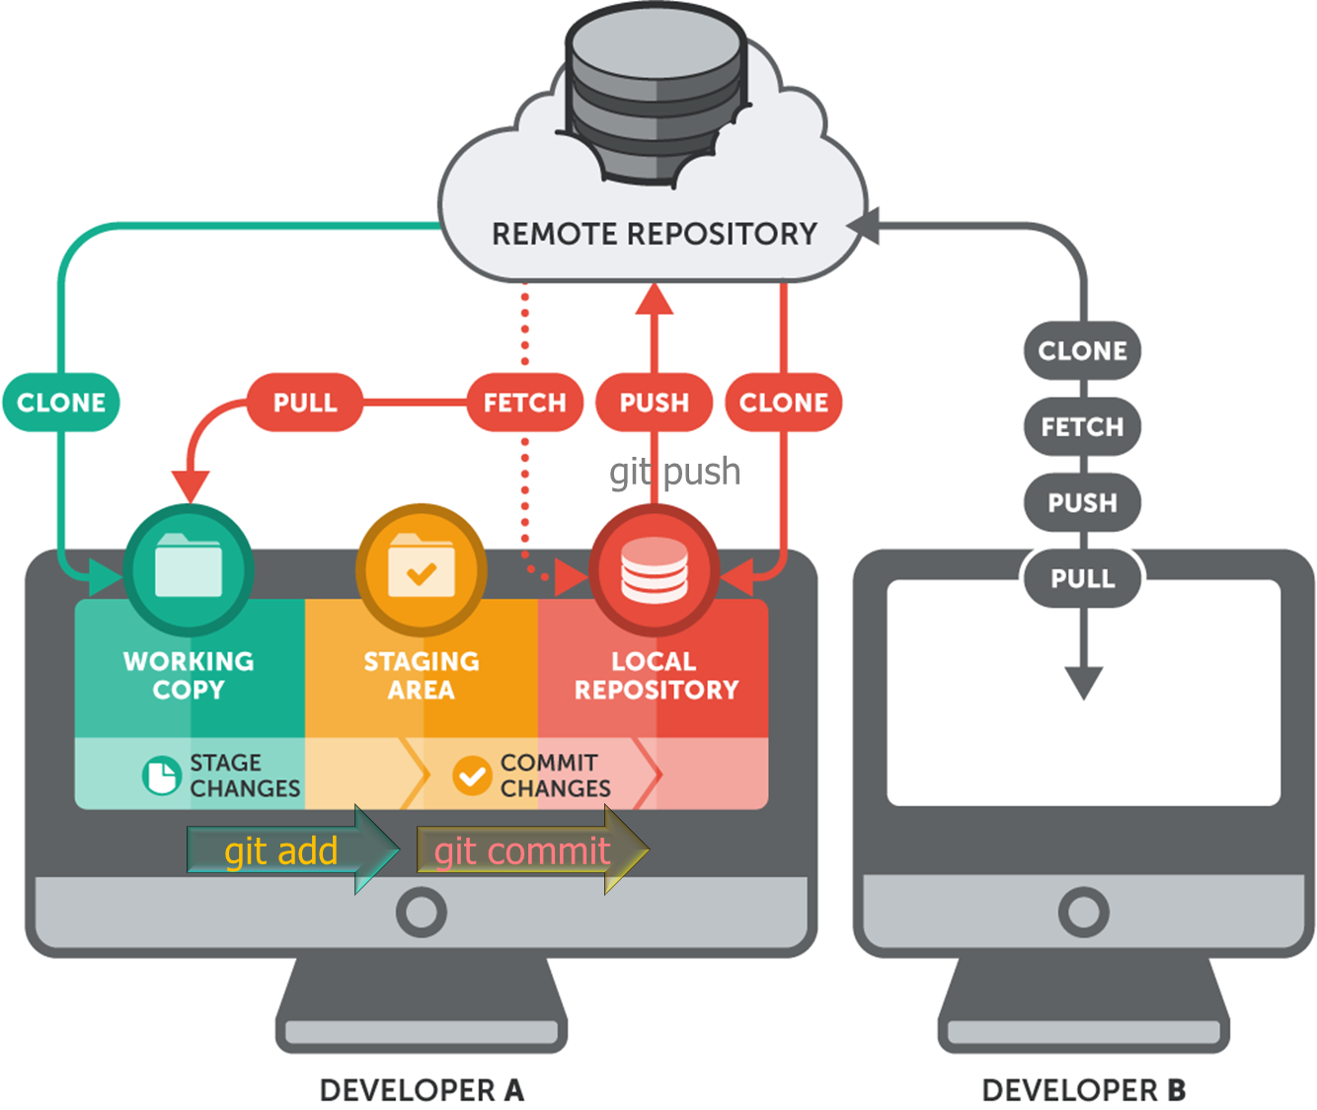
Basic git Commands

term | means
clone | download

command | effect | example/format
git config --global user.name “Your Name” | Set the name that will be attached to your commits and tags.
git config --global user.email “you@example.com” | Set the e-mail address that will be attached to your commits and tags.
git config --global color.ui auto | Enable some colorization of Git output.
git init | initialise new local git repository in the current directory
git init project name | initialise new local git repository in the directory named project name
git clone project url | clone a project with the entire history from the remote repository. | git clone https://personal_access_token@github.com/username/repositoryname.git
git status | Displays the status of your working directory.

git branch | List all branches
git branch -c branch name | create branch
git checkout branch name | switches to branch name
git push origin HEAD | to push to branch
git push origin HEAD:master | to push to master branch
git pull | updates local repository
git push | updates remote repository

shell_permissions
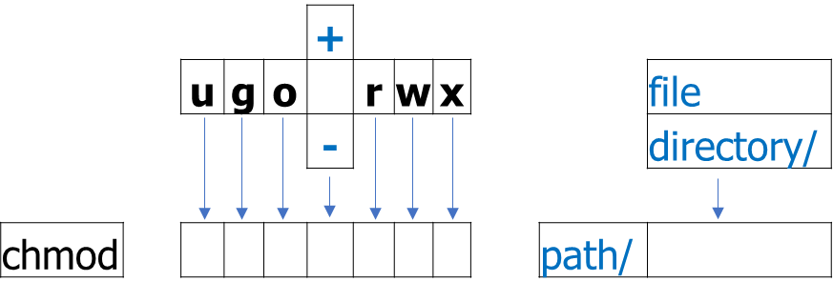

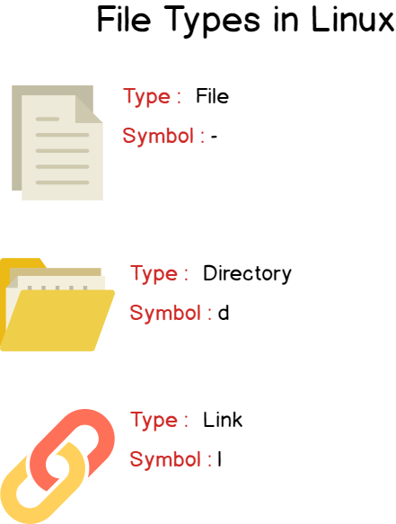
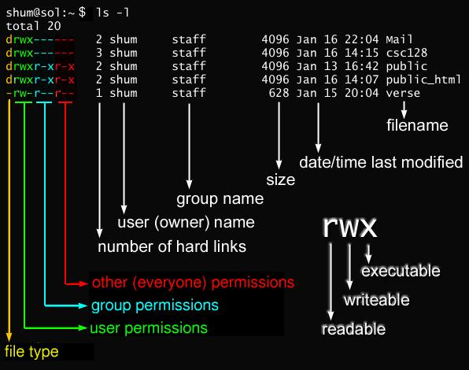

git_doc
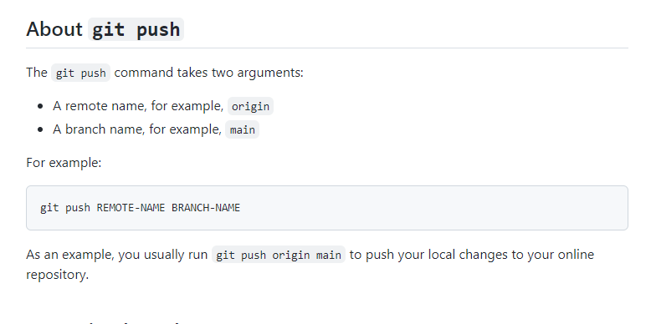
root@247e5064d297:/alx-pre_course# git --help
usage: git [--version] [--help] [-C <path>] [-c <name>=<value>]
[--exec-path[=<path>]] [--html-path] [--man-path] [--info-path]
[-p | --paginate | -P | --no-pager] [--no-replace-objects] [--bare]
[--git-dir=<path>] [--work-tree=<path>] [--namespace=<name>]
<command> [<args>]

These are common Git commands used in various situations:

start a working area (see also: git help tutorial)
clone Clone a repository into a new directory
init Create an empty Git repository or reinitialize an existing one

work on the current change (see also: git help everyday)
add Add file contents to the index
mv Move or rename a file, a directory, or a symlink
restore Restore working tree files
rm Remove files from the working tree and from the index
sparse-checkout Initialize and modify the sparse-checkout
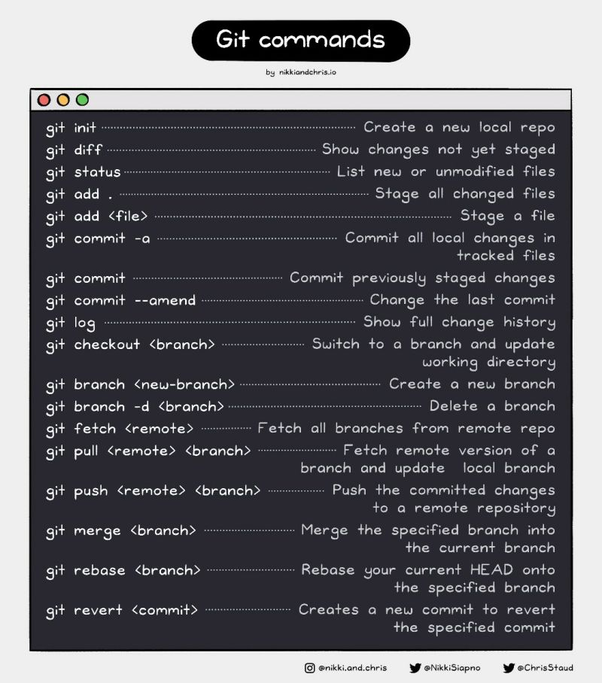
examine the history and state (see also: git help revisions)
bisect Use binary search to find the commit that introduced a bug
diff Show changes between commits, commit and working tree, etc
grep Print lines matching a pattern
log Show commit logs
show Show various types of objects
status Show the working tree status

grow, mark and tweak your common history
branch List, create, or delete branches
commit Record changes to the repository
merge Join two or more development histories together
rebase Reapply commits on top of another base tip
reset Reset current HEAD to the specified state
switch Switch branches
tag Create, list, delete or verify a tag object signed with GPG

collaborate (see also: git help workflows)
fetch Download objects and refs from another repository
pull Fetch from and integrate with another repository or a local branch
push Update remote refs along with associated objects

'git help -a' and 'git help -g' list available subcommands and some
concept guides. See 'git help <command>' or 'git help <concept>'
to read about a specific subcommand or concept.
See 'git help git' for an overview of the system.

