Blad1
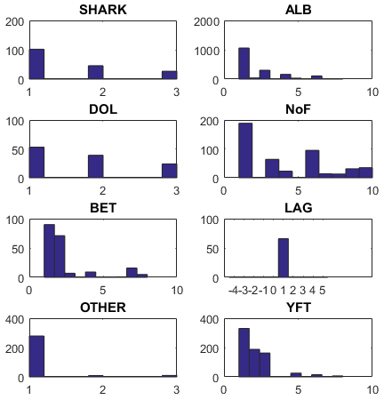
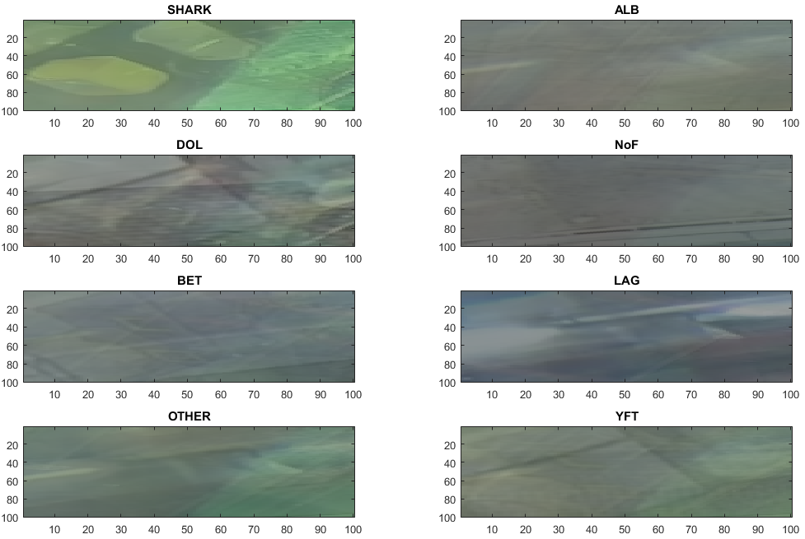
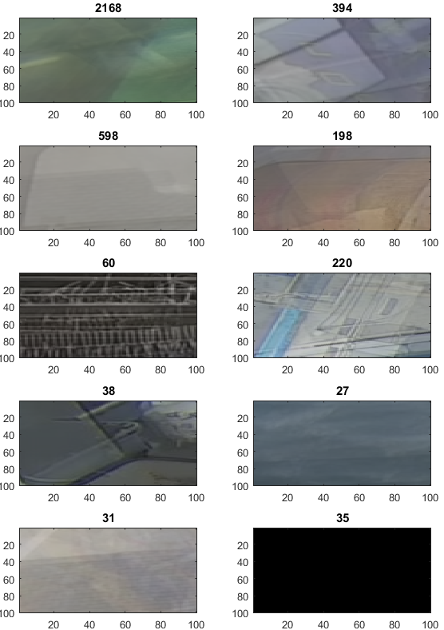
ABB | name | linname | length | specs | samples
ALB | albacore tuna | Thunnus alalunga | 1.0 m | Atlantic, Pacific, and Indian oceans, | 1718
 |  |  |  | long pectoral fins.
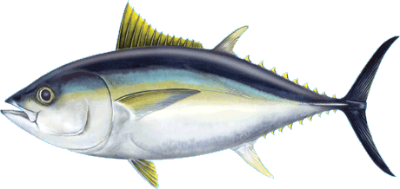
 |  |  |  | Deep blue dorsally and shades of silvery white ventrally.

BET | bigeye tuna | Thunnus obesus | 250 cm | all tropical and temperate oceans, | 199
 |  |  |  | pectoral fins are very long,
 |  |  |  | deep-bodied,
 |  |  |  | large heads and eyes.

DOL | dolphinfish | Coryphaena hippurus | 50 cm | all tropical and temperate oceans, | 116
 |  |  |  | prominent forehead
 |  |  |  | dorsal fin
 |  |  |  | colors: golden sides, bright blue and green back
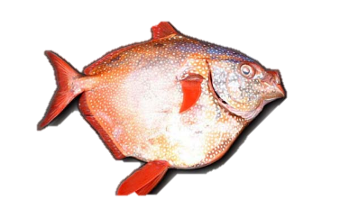
ALG | opah, moonfish | Lamprididae | <100 cm |  | 66
 |  |  |  | deep-bodied
 |  |  |  | blue above, rosy below

 |  |  |  | tropical and temperate oceans
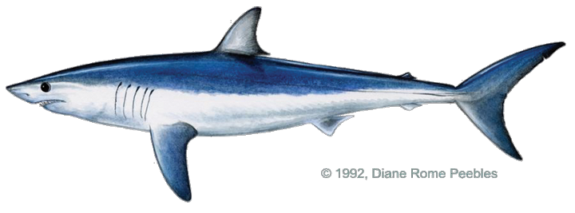
SHARK | silky, shortfin mako |  | 300cm | Chondrichthyes -> pectoral fins, retr. jaw | 175
 |  |  |  | triangle dorsal fin

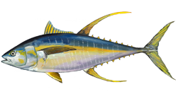
YFT | yellowfin tuna | Thunnus albacares | 150 c m | fins bright yellow | 733
 |  |  |  | second dorsal fins

NoF |  |  |  |  | 464

Other |  |  |  |  | 298

