模板
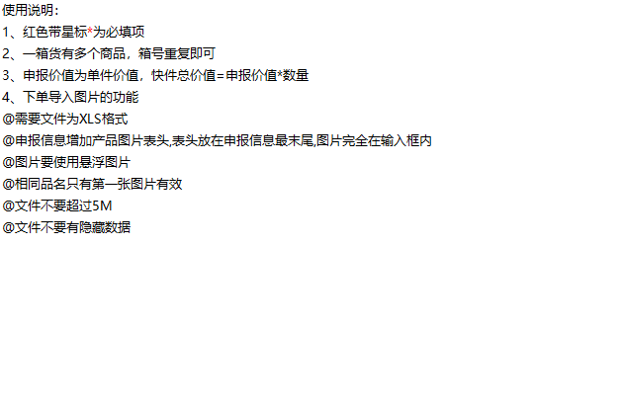
 | 深圳市环宇捷迅国际货运代理有限公司
客户订单号 |  |  |  | 带电* | 否
服务（渠道）* | 英国海运包税 |  |  | 带磁* | 否
收件人姓名 |  |  |  | 液体* | 否
地址库编码 | BHX4 |  |  | 粉末* | 否
收件人公司 |  |  |  | 危险品* | 否
收件人地址一* | Declarant: POLZEN LTD Amazon EU SARL (UK) Plot 1, Lyons Park, Sayer Dr West Midlands COVENTRY CV5 9PF England |  |  | 报关方式* | 买单报关
收件人地址二 |  |  |  | 交税方式* | 包税
收件人地址三 |  |  |  | 申报币种* | 美元
收件人城市* |  |  |  | 购买保险 | 否
收件人省份/州 |  |  |  | VAT号*
收件人邮编* |  |  |  | EORI号*
收件人国家代码(二字代码)* | UK |  |  | VAT注册国家*
收件人电话 |  |  |  | VAT公司英文名*
收件人邮箱 |  |  |  | VAT注册地址*
亚马逊内部编码 |  |  |  | 备注
箱数* | 49
货箱编号* | PO Number(卡派必填） （亚马逊追踪编码） | 重量(KG) | 长(CM) | 宽(CM) | 高(CM) | 中文品名* | 英文品名* | 申报单价* | 单箱申报数量* | 申报总价 （单价*单箱数量） | 材质* | 海关编码* | 用途* | 品牌* | 型号* | 销售链接* | 图片*
FBA15MK6PKBJU000001-7 |  | 20 | 46 | 31 | 42 | 宠物骨头玩具 | dog bone toys | 3.79 | 40 | 1212.8USD | 宠物玩耍 | 3926909090 | 宠物喂食 | 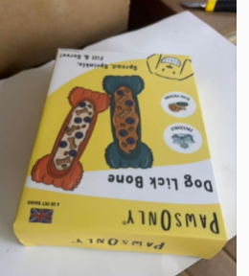 | https://www.amazon.co.uk/PawsOnly-Interactive-Treat-Freezable-Enrichment/dp/B0H66B955B/ref=zg_bs_g_3544515031_d_sccl_22/257-8259410-2863616?psc=1
FBA15MK6PKBJU000008 |  | 13.7 | 36 | 36 | 36 | 宠物球 | dog treat ball 6cm blue | 0.96 | 144 | 138.24 | 宠物玩耍 | 3926909090 | 宠物喂食 |  | https://www.amazon.co.uk/PawsOnlyUK-Dispenser-Interactive-Boredom-Cleaning/dp/B08Y93XMWP/ref=zg_bs_g_471455031_d_sccl_6/261-1933496-4455609?psc=1
FBA15MK6PKBJU000009 |  | 13.7 | 36 | 36 | 36 | 宠物球 | dog treat ball 7cm blue | 1.22 | 80 | 97.6 | 宠物玩耍 | 3926909090 | 宠物喂食 |  | https://www.amazon.co.uk/PawsOnlyUK-Dispenser-Interactive-Boredom-Cleaning/dp/B08Y93XMWP/ref=zg_bs_g_471455031_d_sccl_6/261-1933496-4455609?psc=1
FBA15MK6PKBJU000010 |  | 13.7 | 36 | 36 | 36 | 宠物球 | dog treat ball 7cm blue | 1.96 | 64 | 125.44 | 宠物玩耍 | 3926909090 | 宠物喂食 |  | https://www.amazon.co.uk/PawsOnlyUK-Dispenser-Interactive-Boredom-Cleaning/dp/B08Y93XMWP/ref=zg_bs_g_471455031_d_sccl_6/261-1933496-4455609?psc=1
FBA15MK6PKBJU000011-25 |  | 20 | 46 | 31 | 31 | 宠物碗 | Dog Puzzle Bowl | 3.79 | 20 | 80 | 宠物玩耍 | 3926909090 | 宠物喂食 |  | https://www.amazon.co.uk/PawsOnly-Interactive-Dispenser-Stimulation-Enrichment/dp/B0GQH6W3T3/ref=zg_bs_g_3544515031_d_sccl_48/257-8259410-2863616?psc=1
FBA15MK6PKBJU000026-27 |  | 13.7 | 36 | 36 | 36 | 宠物球 | dog treat ball 7cm 2pack | 2.44 | 40 | 97.6 | 宠物玩耍 | 3926909090 | 宠物喂食 |  | https://www.amazon.co.uk/PawsOnlyUK-Dispenser-Interactive-Boredom-Cleaning/dp/B08Y93XMWP/ref=zg_bs_g_471455031_d_sccl_6/261-1933496-4455609?psc=1 |  |  | 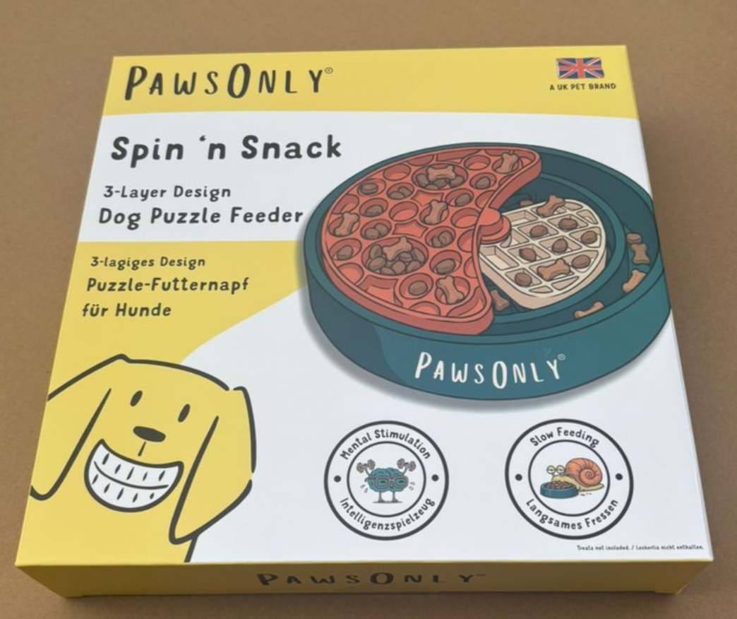
FBA15MK6PKBJU000028 |  | 15 | 36 | 36 | 36 | 宠物球 | dog treat ball V2 8cm green | 2.98 | 64 | 190.72 | 宠物玩耍 | 4017.00.0000 | 无 |  | https://www.amazon.co.uk/PawsOnlyUK-Dispenser-Interactive-Enrichment-Teething/dp/B0BQQ1L1NW/ref=zg_bs_g_3544515031_d_sccl_2/261-1933496-4455609?psc=1
FBA15MK6PKBJU000029-36 |  | 13.7 | 36 | 36 | 36 | 宠物球 | dog treat ball V2 6cm blue | 1.06 | 144 | 152.64 | 宠物玩耍 | 4017.00.0000 | 无 |  | https://www.amazon.co.uk/PawsOnlyUK-Dispenser-Interactive-Enrichment-Teething/dp/B0BQQ1L1NW/ref=zg_bs_g_3544515031_d_sccl_2/261-1933496-4455609?psc=1
FBA15MK6PKBJU000037-46 |  | 13.7 | 36 | 36 | 36 | 宠物球 | dog treat ball V2 8cm blue | 2.98 | 64 | 190.72 | 宠物玩耍 | 4017.00.0000 | 无 |  | https://www.amazon.co.uk/PawsOnlyUK-Dispenser-Interactive-Enrichment-Teething/dp/B0BQQ1L1NW/ref=zg_bs_g_3544515031_d_sccl_2/261-1933496-4455609?psc=1
FBA15MK6PKBJU000047 |  | 15 | 36 | 36 | 36 | 宠物球 | dog treat ball V2 6cm orange | 1.06 | 144 | 152.64 | 宠物玩耍 | 4017.00.0000 | 无 |  | https://www.amazon.co.uk/PawsOnlyUK-Dispenser-Interactive-Enrichment-Teething/dp/B0BQQ1L1NW/ref=zg_bs_g_3544515031_d_sccl_2/261-1933496-4455609?psc=1
FBA15MK6PKBJU000048-49 |  | 15 | 36 | 36 | 36 | 宠物球 | dog treat ball V2 8cm blue | 2.98 | 64 | 190.72 | 宠物玩耍 | 4017.00.0000 | 无 |  | https://www.amazon.co.uk/PawsOnlyUK-Dispenser-Interactive-Enrichment-Teething/dp/B0BQQ1L1NW/ref=zg_bs_g_3544515031_d_sccl_2/261-1933496-4455609?psc=1

