Photos
Item | Photo
Reference | 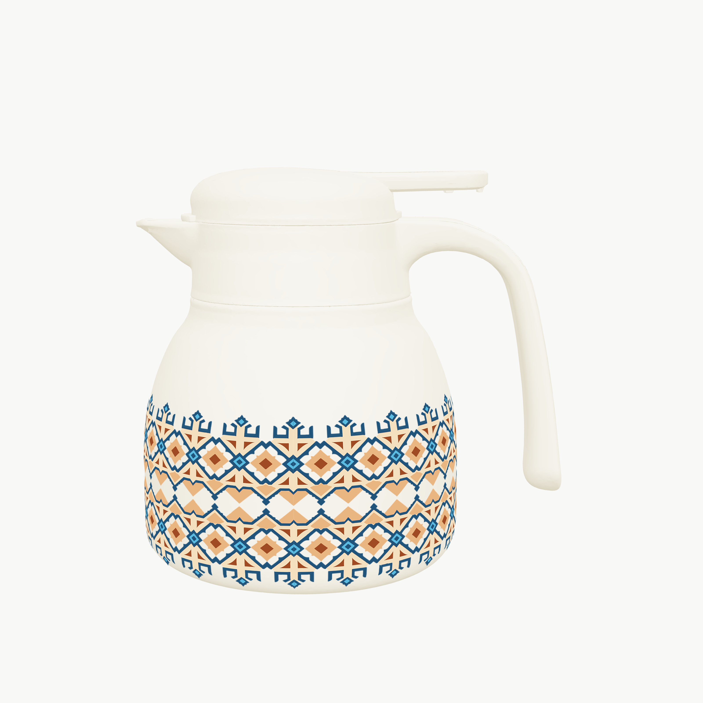
End

