INFO
Last modified | 31-Jul-23
-----------------------------------------------------------------------------------------------------------
Authors: Gabriele Pozzato, Anirudh Allam, Simona Onori
Affiliation: Stanford University, Department of Energy Resources Engineering
Property of Stanford Energy Control Lab (SECL) - https://onorilab.stanford.edu/
-----------------------------------------------------------------------------------------------------------
- General comments
> For both diagnostic and cycling tests, data are provided in .xlsx (raw) and .mat (processed) form
>> .mat files are reduced in size (~6.3% of the ~248.9GB raw dataset)
>> .mat files are useful in particular for cycling tests
>>> For each cell, cycling tests are composed of several .xlsx files that must be merged for analysis/algorithm development
>>> For each cell, the .mat files are obtained merging all the .xlsx files
> The authors have focused their analysis on current and voltage profiles so far
>> Raw data contain additional signals (such as temperature) that can be accessed by the user. It is the responsibility of the user to carefully analyze these additional signals before using them (sheet "Temperature" provides additional details on the surface temperature sensing)
> Sheets 'Dataset_structure' and 'Signals_description' show the dataset structure and provide a description of the signals contained in the .xlsx files
> Sheet 'Cycling_protocol' provide additional details on the cycling protocol
- Cell properties
> Model/chemistry: LG Chem INR21700-M50T, NMC
> Weight: 0.06925kg
> Size (diameter x length): 21.44mm x 70.80mm
> Nominal capacity: 4.85Ah
> Nominal voltage: 3.63V
> Charge cutoff voltage: 4.2V
> Discharge cutoff voltage: 2.5V
> Cutoff current: 50mA
- diagnostic_tests: HPPC, EIS (@20, 50, 80% SOC), and capacity test (@C/20) data for all cells
> Diag_#: contains experimental data for diagnostic test #, with # = 1, 2, ..., 9
>> # = 1 are the diagnostic tests for pristine cells
>> Inside each Diag_# folder, the raw data for Capacity_test, EIS_test, and HPPC_test are collected
> _processed_mat: contains the .mat files collecting all diagnostic tests for all the cells
>> The Matlab script 'data_analysis.m' can be used to plot experimental profiles from capacity tests, EIS, and HPPC
- cycling_tests: aging cycling data for each cell
> Cycling_#: contains experimental data for cycling test #, with # = 1, 2, ..., 8
>> Inside each Cycling_# folder, folders G1, V4, V5, W3, ... contain raw data for each cell
>>> For some cells, cycling data may be split into more than one folder, e.g., Part1 and Part2 inside cycling_tests/Cycling_2/G1. In this scenario, data should be read starting from Part1 and then moving to Part2
>> Inside each Cycling_# folder, _processed_mat contains processed .mat files (the Matlab script 'data_analysis.m' can be used to plot experimental profiles)
- Notes:
> Positive current --> charge, negative current --> discharge
> Because of Gamry EIS 1010E issues, EIS diagnostic tests for W4, W5, W7, and G1 are missing (see sheet 'EIS')
> Depending on the Arbin channel used, the .xlsx raw data could contain 'RawData*' sheets: these sheets must be neglected. For capacity tests, HPPC, and cycling tests only sheets
'Channel*' should be considered. For EIS, only 'ACIM_Chan*' should be considered
> Arbin scheduling issues prevented to start UDDS cycling correctly
>> Data can be used, however, the resting time between one Cycle and the next one is sometimes changing
>> This problem can be seen between Diag_5 and Diag_8 (for cells W4, W5, W8, W9, W10) and between Diag_3 and Diag_4 (for G1, V4, V5)
> For some cells and cycling folders, we have noticed an increased output voltage profile most probably caused by equipment issues. Cells with this problem (and cycling folders) are listed below:
>> Cell W4: Cycling_3, Cycling_6, and Cycling_7
>> Cell W5: Cycling_3
>> Cell W7: Cycling_2 and Cycling_3
> For some cells, cycling data may be split into more than one folder
>> .mat files created from the concatenation of these folders show the behavior in the figure below (cycling_tests/Cycling_8/_processed_mat/W10.mat)

In case of trouble downloading data from OSF, use this DropBox link

Cycling_protocol
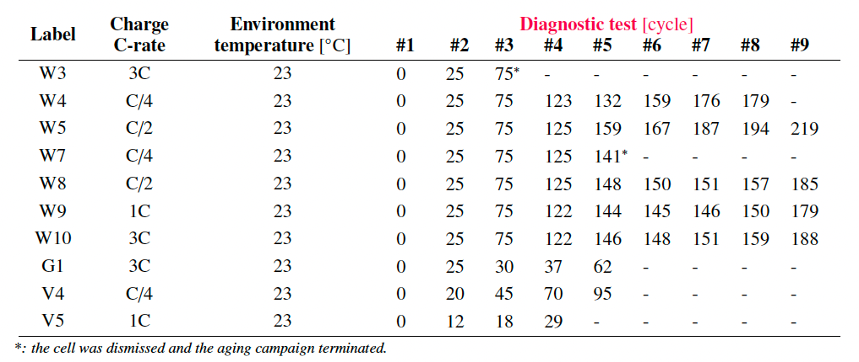
1) Aging cycling protocol (Table 2 of the paper)

 | STEP | ACTION | EXIT CONDITION
 | 1 | CC charge at C-rate specified in the second column of table on the right | 4V is reached
 | 2 | CV charge | Current below 50mA
 | 3 | CC charge at C/4 | 4.2V is reached
 | 4 | CV charge followed by 30min rest | Current below 50mA
 | 5 | CC discharge at C/4 | 20% discharged capacity (80% SOC)
 | 6 | UDDS discharge | 60% discharged capacity (20% SOC)

2) Highlights on steps 5 and 6

We define the following signals:
- $Q_{ch}(t)$: charge capacity, time varying [Ah] (provided by Arbin equipment)
- $Q_{dis}(t)$: discharge capacity, time varying [Ah] (provided by Arbin equipment)
- $Q_{char}$: battery capacity according to the last diagnostic capacity test [Ah]
- $ΔSOC_{5}=20/100$: delta SOC in Step 5
- $ΔSOC_{6}=60/100$: delta SOC in Step 6
--> All quantities are positive
Referring to figure on the right, the transitions between one step and the other happen according to the follwing procedure:
(a) $Q_{ch}$and $Q_{dis}$are reset and Step 5 starts
(b) Step 5 (i.e., CC discharge at C/4) is stopped when $Q_{dis}(t_{b})≥ΔSOC_{5}⋅Q_{char}$, i.e., when the battery reaches 80% SOC, and Step 6 starts
(c) Step 6 is stopped when $\left(Q_{dis}(t_{c})−Q_{ch}(t_{c})\right)≥ \left(ΔSOC_{5}+ΔSOC_{6}\right)⋅Q_{char}$, i.e., when the battery reaches 20% SOC, and Step 1 starts

Temperature
- Cells are tested in an Amerex IC500R thermal chamber controlled at 23°C
> The temperature of the chamber is not available
- For each cell, a T-type thermocouple (Omega) is used to measure the surface temperature
> The cell temperature is a function of the cycling the cell is experiencing

C/20 capacity test
- The plot on the right shows the average surface temperature vs discharged capacity for each cell
> Cells are aging moving from top to bottom
> Overall, diagnostics tests are always performed in the range 20-24°C
- Missing data
> Cell W5: diagnostic tests #4,5,6,7
> Cell V4: diagnostic tests #2,3
> Cell V5: diagnostic tests #1

