20->12
TPS56A37RPAR
General
Vin | 20 | R6/R7 | 19
Vout | 12
Safety Factor MAX | 1.2 | VinMAX | 24
Safety Factor MIN | 0.95 | VinMIN | 14.25
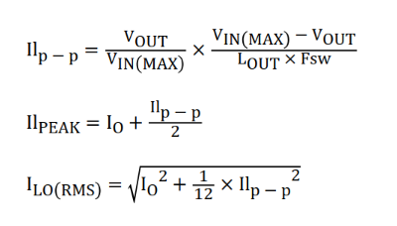

Undervoltage Lockout
Vstart | 14.25 | R1 | 55479.452055
Vstop | 12.75 | R2 | 4987.6847291
Ip | 0.000001 | Ven | 1.6680225989
Ih | 0.000003
Venfalling | 1.07
Venrising | 1.18

Note: Ven < 5.5V

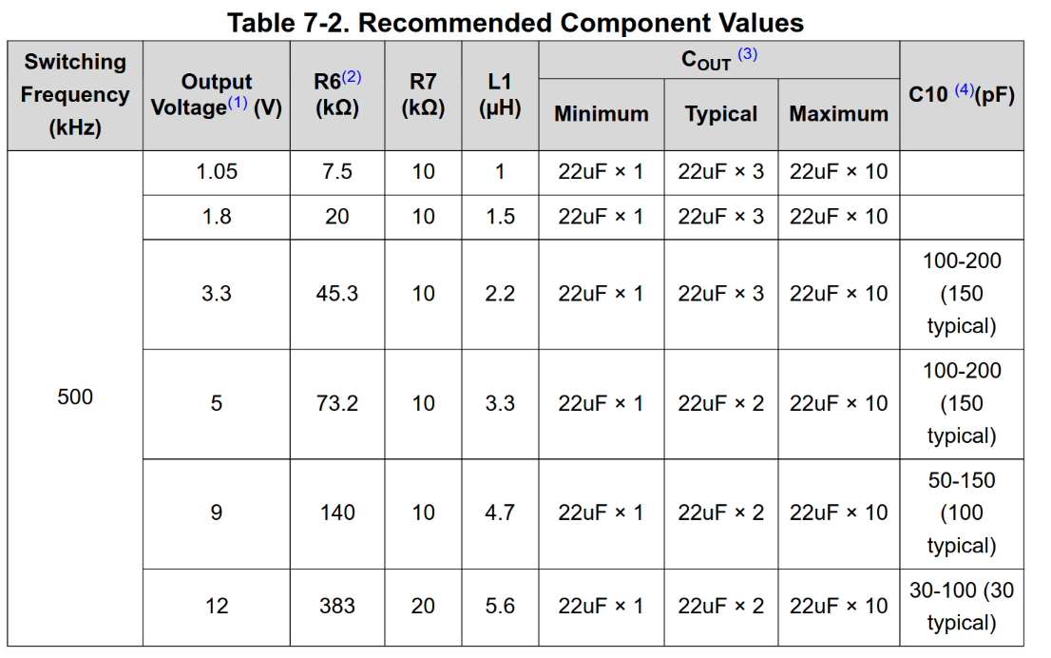
Inductor & Output
Fsw | 500000 | ILp-p | 2.1428571429
Lout | 0.0000056 | ILpeak | 11.071428571
Iout | 10 | ILo(RMS) | 10.231088411
 |  | ICo(RMS) | 0.49487165931
Note: Lout taken from datasheet table |  | IoutMAX | 12.142857143

Input
Input Capacitance | 0.0000201 | ΔVin | 0.30206112296
 |  | ICin(RMS) | 3.6464227528

12->5
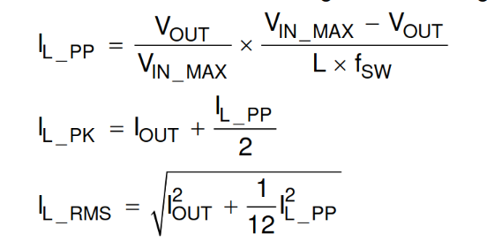
TPS562231DRLR
General
Vin | 12
Vout | 5
Iout | 2.5
FSW | 850000

Inductor & Output
L | 0.0000047
IL_PP | 0.73007926575
IL_PK | 2.8650396329
IL_RMS | 2.5088678678

