Strain 3W
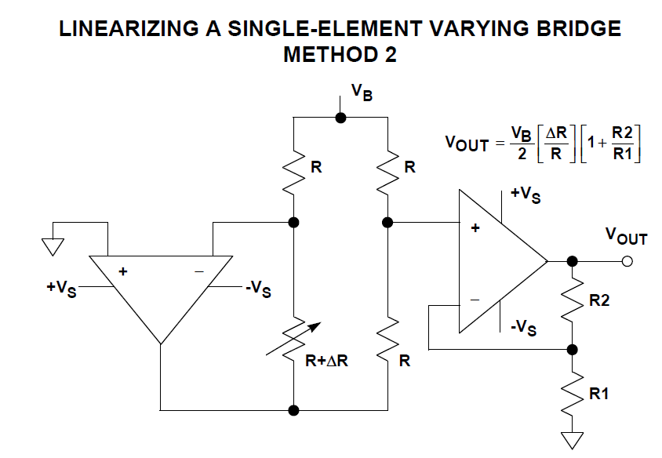
Strain 3-Wire
Gain R(Ω) |  | 1 | 2 | 4 | 8 | 10 | 20 | 40 | 80 | 100 | 1000
320 | -30 | -0.150 | -0.300 | -0.600 | -1.200 | -1.500 | -3.000 | -6.000 | -12.000 | -15.000 | -150.000
321 | -29 | -0.145 | -0.290 | -0.580 | -1.160 | -1.450 | -2.900 | -5.800 | -11.600 | -14.500 | -145.000
322 | -28 | -0.140 | -0.280 | -0.560 | -1.120 | -1.400 | -2.800 | -5.600 | -11.200 | -14.000 | -140.000
323 | -27 | -0.135 | -0.270 | -0.540 | -1.080 | -1.350 | -2.700 | -5.400 | -10.800 | -13.500 | -135.000
324 | -26 | -0.130 | -0.260 | -0.520 | -1.040 | -1.300 | -2.600 | -5.200 | -10.400 | -13.000 | -130.000
325 | -25 | -0.125 | -0.250 | -0.500 | -1.000 | -1.250 | -2.500 | -5.000 | -10.000 | -12.500 | -125.000
326 | -24 | -0.120 | -0.240 | -0.480 | -0.960 | -1.200 | -2.400 | -4.800 | -9.600 | -12.000 | -120.000
327 | -23 | -0.115 | -0.230 | -0.460 | -0.920 | -1.150 | -2.300 | -4.600 | -9.200 | -11.500 | -115.000
328 | -22 | -0.110 | -0.220 | -0.440 | -0.880 | -1.100 | -2.200 | -4.400 | -8.800 | -11.000 | -110.000
329 | -21 | -0.105 | -0.210 | -0.420 | -0.840 | -1.050 | -2.100 | -4.200 | -8.400 | -10.500 | -105.000
330 | -20 | -0.100 | -0.200 | -0.400 | -0.800 | -1.000 | -2.000 | -4.000 | -8.000 | -10.000 | -100.000
331 | -19 | -0.095 | -0.190 | -0.380 | -0.760 | -0.950 | -1.900 | -3.800 | -7.600 | -9.500 | -95.000
332 | -18 | -0.090 | -0.180 | -0.360 | -0.720 | -0.900 | -1.800 | -3.600 | -7.200 | -9.000 | -90.000
333 | -17 | -0.085 | -0.170 | -0.340 | -0.680 | -0.850 | -1.700 | -3.400 | -6.800 | -8.500 | -85.000
334 | -16 | -0.080 | -0.160 | -0.320 | -0.640 | -0.800 | -1.600 | -3.200 | -6.400 | -8.000 | -80.000
335 | -15 | -0.075 | -0.150 | -0.300 | -0.600 | -0.750 | -1.500 | -3.000 | -6.000 | -7.500 | -75.000
336 | -14 | -0.070 | -0.140 | -0.280 | -0.560 | -0.700 | -1.400 | -2.800 | -5.600 | -7.000 | -70.000
337 | -13 | -0.065 | -0.130 | -0.260 | -0.520 | -0.650 | -1.300 | -2.600 | -5.200 | -6.500 | -65.000
338 | -12 | -0.060 | -0.120 | -0.240 | -0.480 | -0.600 | -1.200 | -2.400 | -4.800 | -6.000 | -60.000
339 | -11 | -0.055 | -0.110 | -0.220 | -0.440 | -0.550 | -1.100 | -2.200 | -4.400 | -5.500 | -55.000
340 | -10 | -0.050 | -0.100 | -0.200 | -0.400 | -0.500 | -1.000 | -2.000 | -4.000 | -5.000 | -50.000
341 | -9 | -0.045 | -0.090 | -0.180 | -0.360 | -0.450 | -0.900 | -1.800 | -3.600 | -4.500 | -45.000
342 | -8 | -0.040 | -0.080 | -0.160 | -0.320 | -0.400 | -0.800 | -1.600 | -3.200 | -4.000 | -40.000
343 | -7 | -0.035 | -0.070 | -0.140 | -0.280 | -0.350 | -0.700 | -1.400 | -2.800 | -3.500 | -35.000
344 | -6 | -0.030 | -0.060 | -0.120 | -0.240 | -0.300 | -0.600 | -1.200 | -2.400 | -3.000 | -30.000
345 | -5 | -0.025 | -0.050 | -0.100 | -0.200 | -0.250 | -0.500 | -1.000 | -2.000 | -2.500 | -25.000
346 | -4 | -0.020 | -0.040 | -0.080 | -0.160 | -0.200 | -0.400 | -0.800 | -1.600 | -2.000 | -20.000
347 | -3 | -0.015 | -0.030 | -0.060 | -0.120 | -0.150 | -0.300 | -0.600 | -1.200 | -1.500 | -15.000
348 | -2 | -0.010 | -0.020 | -0.040 | -0.080 | -0.100 | -0.200 | -0.400 | -0.800 | -1.000 | -10.000
349 | -1 | -0.005 | -0.010 | -0.020 | -0.040 | -0.050 | -0.100 | -0.200 | -0.400 | -0.500 | -5.000
350 | 0 | 0.000 | 0.000 | 0.000 | 0.000 | 0.000 | 0.000 | 0.000 | 0.000 | 0.000 | 0.000
351 | 1 | 0.005 | 0.010 | 0.020 | 0.040 | 0.050 | 0.100 | 0.200 | 0.400 | 0.500 | 5.000
352 | 2 | 0.010 | 0.020 | 0.040 | 0.080 | 0.100 | 0.200 | 0.400 | 0.800 | 1.000 | 10.000
353 | 3 | 0.015 | 0.030 | 0.060 | 0.120 | 0.150 | 0.300 | 0.600 | 1.200 | 1.500 | 15.000
354 | 4 | 0.020 | 0.040 | 0.080 | 0.160 | 0.200 | 0.400 | 0.800 | 1.600 | 2.000 | 20.000
355 | 5 | 0.025 | 0.050 | 0.100 | 0.200 | 0.250 | 0.500 | 1.000 | 2.000 | 2.500 | 25.000
356 | 6 | 0.030 | 0.060 | 0.120 | 0.240 | 0.300 | 0.600 | 1.200 | 2.400 | 3.000 | 30.000
357 | 7 | 0.035 | 0.070 | 0.140 | 0.280 | 0.350 | 0.700 | 1.400 | 2.800 | 3.500 | 35.000
358 | 8 | 0.040 | 0.080 | 0.160 | 0.320 | 0.400 | 0.800 | 1.600 | 3.200 | 4.000 | 40.000
359 | 9 | 0.045 | 0.090 | 0.180 | 0.360 | 0.450 | 0.900 | 1.800 | 3.600 | 4.500 | 45.000
360 | 10 | 0.050 | 0.100 | 0.200 | 0.400 | 0.500 | 1.000 | 2.000 | 4.000 | 5.000 | 50.000
361 | 11 | 0.055 | 0.110 | 0.220 | 0.440 | 0.550 | 1.100 | 2.200 | 4.400 | 5.500 | 55.000
362 | 12 | 0.060 | 0.120 | 0.240 | 0.480 | 0.600 | 1.200 | 2.400 | 4.800 | 6.000 | 60.000
363 | 13 | 0.065 | 0.130 | 0.260 | 0.520 | 0.650 | 1.300 | 2.600 | 5.200 | 6.500 | 65.000
364 | 14 | 0.070 | 0.140 | 0.280 | 0.560 | 0.700 | 1.400 | 2.800 | 5.600 | 7.000 | 70.000
365 | 15 | 0.075 | 0.150 | 0.300 | 0.600 | 0.750 | 1.500 | 3.000 | 6.000 | 7.500 | 75.000
366 | 16 | 0.080 | 0.160 | 0.320 | 0.640 | 0.800 | 1.600 | 3.200 | 6.400 | 8.000 | 80.000
367 | 17 | 0.085 | 0.170 | 0.340 | 0.680 | 0.850 | 1.700 | 3.400 | 6.800 | 8.500 | 85.000
368 | 18 | 0.090 | 0.180 | 0.360 | 0.720 | 0.900 | 1.800 | 3.600 | 7.200 | 9.000 | 90.000
369 | 19 | 0.095 | 0.190 | 0.380 | 0.760 | 0.950 | 1.900 | 3.800 | 7.600 | 9.500 | 95.000
370 | 20 | 0.100 | 0.200 | 0.400 | 0.800 | 1.000 | 2.000 | 4.000 | 8.000 | 10.000 | 100.000
371 | 21 | 0.105 | 0.210 | 0.420 | 0.840 | 1.050 | 2.100 | 4.200 | 8.400 | 10.500 | 105.000
372 | 22 | 0.110 | 0.220 | 0.440 | 0.880 | 1.100 | 2.200 | 4.400 | 8.800 | 11.000 | 110.000
373 | 23 | 0.115 | 0.230 | 0.460 | 0.920 | 1.150 | 2.300 | 4.600 | 9.200 | 11.500 | 115.000
374 | 24 | 0.120 | 0.240 | 0.480 | 0.960 | 1.200 | 2.400 | 4.800 | 9.600 | 12.000 | 120.000
375 | 25 | 0.125 | 0.250 | 0.500 | 1.000 | 1.250 | 2.500 | 5.000 | 10.000 | 12.500 | 125.000
376 | 26 | 0.130 | 0.260 | 0.520 | 1.040 | 1.300 | 2.600 | 5.200 | 10.400 | 13.000 | 130.000
377 | 27 | 0.135 | 0.270 | 0.540 | 1.080 | 1.350 | 2.700 | 5.400 | 10.800 | 13.500 | 135.000
378 | 28 | 0.140 | 0.280 | 0.560 | 1.120 | 1.400 | 2.800 | 5.600 | 11.200 | 14.000 | 140.000
379 | 29 | 0.145 | 0.290 | 0.580 | 1.160 | 1.450 | 2.900 | 5.800 | 11.600 | 14.500 | 145.000
380 | 30 | 0.150 | 0.300 | 0.600 | 1.200 | 1.500 | 4.110 | 6.000 | 12.000 | 15.000 | 150.000

