BR_HomePage
ISTQB(Indian Site)
Module Name:Home Page |  |  |  |  |  | Date:
Verified By:Rakhi |  |  |  |  |  | Tested By:Lia Babu M
Bug Id | Test Id | Expected Result | Bug Description | Steps to reproduce | Screenshot | Severity | Priority | Status
DEF_ISTQB_HP_01 | ISTQB_HP_07 | should not present any spelling mistakes | spelling mistake was present in title,Procedures was writen as Proceduress | 1.Type the webaddress and press enter 2.Click on Register Now link for Agile & Foundation Exam from Home 3.Check for spelling mistakes |  | Trivial | P1 | New
DEF_ISTQB_HP_02 | ISTQB_HP_08 | should redirect to respective page | Link to ISTQB Model Based Tester Reappearing shows page not found error | 1.Type the webaddress and press enter 2.Click on Register Now link for Agile & Foundation Exam from Home 3.Click on all links and check all links are redirecting to corresponding pages |  | Major | P1 | New
DEF_ISTQB_HP_03 | ISTQB_HP_09 | should navigate back to registeration page | an external page appears before navigating to registeration page | 1.Type the webaddress and press enter 2.Click on Register Now link for Agile & Foundation Exam from Home 3.Click on all links for Exam registeration 4.Add the exam 5.Click on Proceed Button 6.Navigate back to registeration page | 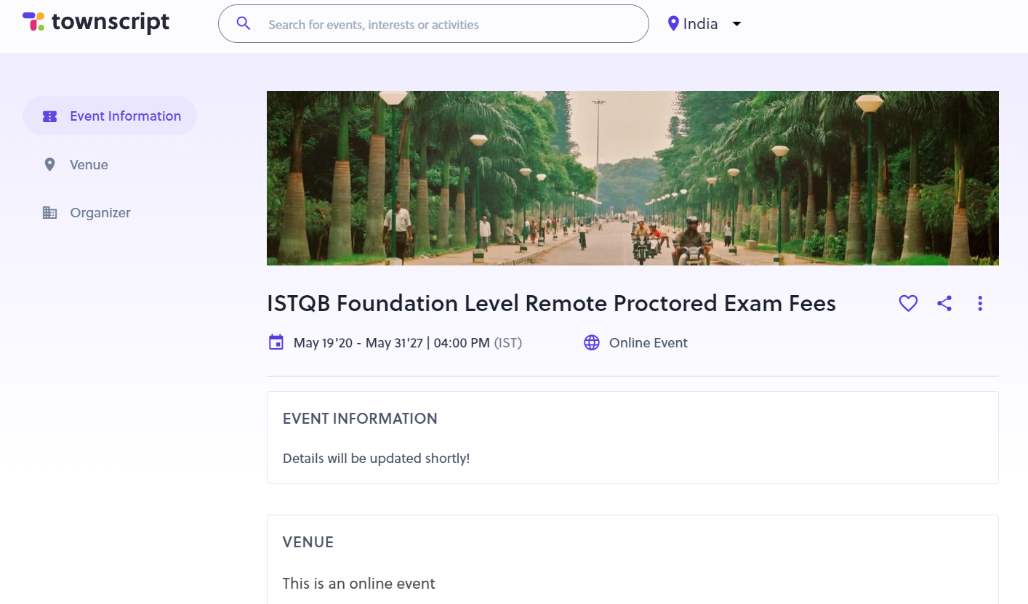 | Major | P1 | New
DEF_ISTQB_HP_04 | ISTQB_HP_10 | should be responsive | page is not responsive on minimizing some the fields are not seen and on increasing the address bar width other fields are not seen | 1.Type the webaddress and press enter 2.Click on Register Now link for Agile & Foundation Exam from Home 3.Click on all links for Exam registeration 4.Add the exam 5.Click on Proceed Button 6.Maximize and minimize the page | 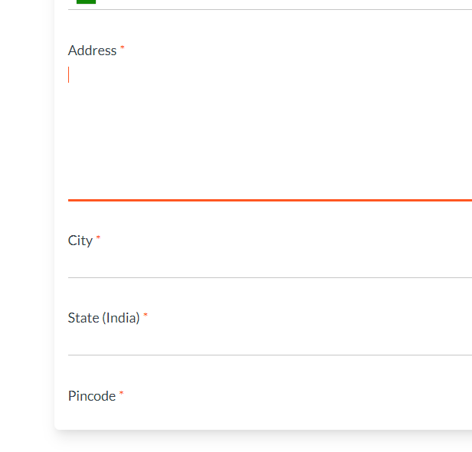 | Minor | P1 | New
DEF_ISTQB_HP_05 | ISTQB_HP_13 | should not allow numbers and special chracters on name field | it allows numbers and special characters | 1.Type the webaddress and press enter 2.Click on Register Now link for Agile & Foundation Exam from Home 3.Click on all links for Exam registeration 4.Add the exam 5.Click on Proceed Button 6.Enter data to full name field |  | Major | P1 | New
DEF_ISTQB_HP_06 | ISTQB_HP_14 | should throw error message on entering wrong email format | Error message is not provided instead the line bcomes red.it makes difficulty in users for identifying errors | 1.Type the webaddress and press enter 2.Click on Register Now link for Agile & Foundation Exam from Home 3.Click on all links for Exam registeration 4.Add the exam 5.Click on Proceed Button 6.Enter data to email field |  | Major | P1 | New
DEF_ISTQB_HP_07 | ISTQB_HP_16 | should be restricting manual entry in date field and provide only by selectiong for keeping the format | can enter by manually also | 1.Type the webaddress and press enter 2.Click on Register Now link for Agile & Foundation Exam from Home 3.Click on all links for Exam registeration 4.Add the exam 5.Click on Proceed Button 6.Enter data to date field | 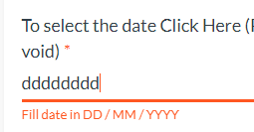 | Major | P1 | New
DEF_ISTQB_HP_08 | ISTQB_HP_17 | should restrict entry of alphabhets and special characters in date field | can enter alphabhets and special characters | 1.Type the webaddress and press enter 2.Click on Register Now link for Agile & Foundation Exam from Home 3.Click on all links for Exam registeration 4.Add the exam 5.Click on Proceed Button 6.Enter data to date field |  | Major | P1 | New
DEF_ISTQB_HP_09 | ISTQB_HP_19 | should accept or able to select data from current date and year | can select or enter data from 19/05/2020 | 1.Type the webaddress and press enter 2.Click on Register Now link for Agile & Foundation Exam from Home 3.Click on all links for Exam registeration 4.Add the exam 5.Click on Proceed Button 6.Enter data to date field | 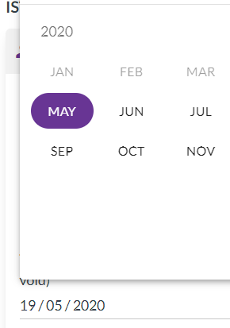 | Major | P1 | New
DEF_ISTQB_HP_10 | ISTQB_HP_20 | should throw error message on past date | doesn’t show any error message and it accepted on saving | 1.Type the webaddress and press enter 2.Click on Register Now link for Agile & Foundation Exam from Home 3.Click on all links for Exam registeration 4.Add the exam 5.Click on Proceed Button 6.Enter data to date field |  | Major | P1 | New
DEF_ISTQB_HP_11 | ISTQB_HP_21 | should provide max length limit designation field | not provided max length limit | 1.Type the webaddress and press enter 2.Click on Register Now link for Agile & Foundation Exam from Home 3.Click on all links for Exam registeration 4.Add the exam 5.Click on Proceed Button 6.Enter data to designation field |  | Major | P1 | New
DEF_ISTQB_HP_12 | ISTQB_HP_22 | should provide max length limit to organization field | not provided max length limit | 1.Type the webaddress and press enter 2.Click on Register Now link for Agile & Foundation Exam from Home 3.Click on all links for Exam registeration 4.Add the exam 5.Click on Proceed Button 6.Enter data to organization field |  | Major | P1 | New
DEF_ISTQB_HP_13 | ISTQB_HP_23 | should provide max limit for phone no field | max limit is not provided and error message is not displaying it just shows red line for error which is difficult for user to understand | 1.Type the webaddress and press enter 2.Click on Register Now link for Agile & Foundation Exam from Home 3.Click on all links for Exam registeration 4.Add the exam 5.Click on Proceed Button 6.Enter data to phone no field |  | Major | P1 | New
DEF_ISTQB_HP_14 | ISTQB_HP_24 | should restrict the user from entering alphabhets and symbols in phone no field | able to enter alphabhets and symbols.Error message is not displaying instead a red line is provided which is difficult to understand for user | 1.Type the webaddress and press enter 2.Click on Register Now link for Agile & Foundation Exam from Home 3.Click on all links for Exam registeration 4.Add the exam 5.Click on Proceed Button 6.Enter data to phone no field |  | Major | P1 | New
DEF_ISTQB_HP_15 | ISTQB_HP_25 | should restrict entry of invalid phone number formats in phone no field | able to save even if it is not valid mobile format | 1.Type the webaddress and press enter 2.Click on Register Now link for Agile & Foundation Exam from Home 3.Click on all links for Exam registeration 4.Add the exam 5.Click on Proceed Button 6.Enter data to phone no field | 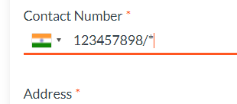 | Major | P1 | New
DEF_ISTQB_HP_16 | ISTQB_HP_27 | should not cause any errors on expanding | fields at the bottom not able to see or disappears on maximizing the size | 1.Type the webaddress and press enter 2.Click on Register Now link for Agile & Foundation Exam from Home 3.Click on all links for Exam registeration 4.Add the exam 5.Click on Proceed Button 6.Maximize address field |  | Major | P1 | New
DEF_ISTQB_HP_17 | ISTQB_HP_28 | should provide max length limit to city field | not provided max length limit | 1.Type the webaddress and press enter 2.Click on Register Now link for Agile & Foundation Exam from Home 3.Click on all links for Exam registeration 4.Add the exam 5.Click on Proceed Button 6.Enter data to city field |  | Major | P1 | New
DEF_ISTQB_HP_18 | ISTQB_HP_29 | should provide all states without duplication | Chandigarh state is duplicated in the drop down | 1.Type the webaddress and press enter 2.Click on Register Now link for Agile & Foundation Exam from Home 3.Click on all links for Exam registeration 4.Add the exam 5.Click on Proceed Button 6.Select a state | 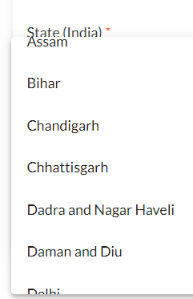 | Major | P1 | New
DEF_ISTQB_HP_19 | ISTQB_HP_30 | should restrict the user from entering alphabhets and symbols in pincode field | able to enter alphabhets and symbols.Error message is only displayed | 1.Type the webaddress and press enter 2.Click on Register Now link for Agile & Foundation Exam from Home 3.Click on all links for Exam registeration 4.Add the exam 5.Click on Proceed Button 6.Enter data to pin code field |  | Major | P1 | New
DEF_ISTQB_HP_20 | ISTQB_HP_31 | should provide max length limitin pincode field | not provided max length limit | 1.Type the webaddress and press enter 2.Click on Register Now link for Agile & Foundation Exam from Home 3.Click on all links for Exam registeration 4.Add the exam 5.Click on Proceed Button 6.Enter data to pin code field |  | Major | P1 | New
DEF_ISTQB_HP_21 | ISTQB_HP_39 | should redirect to respective page | invoice download was not redirected to respective page | 1.Type the webaddress and press enter 2.Click links under Student Portal |  | Major | P1 | New
DEF_ISTQB_HP_22 | ISTQB_HP_40 | should provide max length limit | not provided max length limit | 1.Type the webaddress and press enter 2.Click link for Student Dashboard under Student Portal 3.Enter data on Registeration Number Field |  | Major | P1 | New
DEF_ISTQB_HP_23 | ISTQB_HP_42 | should not allow login for not un-registered users | un registered users also able to login | 1.Type the webaddress and press enter 2.Click link for Student Dashboard under Student Portal 3.Enter data on Register Number& Email Field 4.Click Checkbox for I'm not a robot 5.Click Submit button | 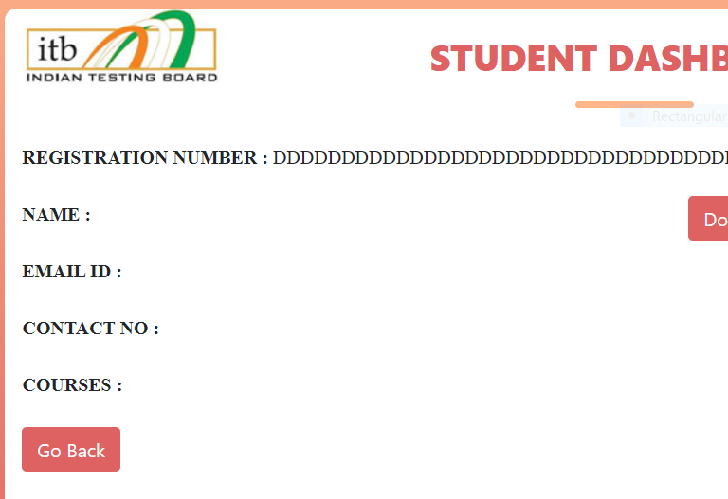 | Major | P1 | New

BR_AboutPage
ISTQB(Indian Site)
Module Name:About Page |  |  |  |  |  | Date:
Verified By:Rakhi |  |  |  |  |  | Tested By:Lia Babu M
Bug Id | Test Id | Expected Result | Bug Description | Steps to reproduce | Screenshot | Severity | Priority | Status
DEF_ISTQB_AP_01 | ISTQB_AP_02 | should redirect to respective page | page not found error is showing | 1.Type the webaddress and press enter 2.Click on About Us dropdown 3.Click on About ITB link 4.Click link for accredited training providers |  | Major | P1 | New
DEF_ISTQB_AP_02 | ISTQB_AP_04 | should open email box | it redirects to home page | 1.Type the webaddress and press enter 2.Click on About Us dropdown 3.Click on About ITB link 4.Click link for how to get accredited 5.Click on link for email |  | Major | P1 | New
DEF_ISTQB_AP_03 | ISTQB_AP_07 | should open mail box | it redirects to home page | 1.Type the webaddress and press enter 2.Click on About Us dropdown 3.Click on Get accredited link 4.Click on the mail link |  | Major | P1 | New
DEF_ISTQB_AP_04 | ISTQB_AP_08 | should redirect to respective page | redirect to a page but content was not appropriate | 1.Type the webaddress and press enter 2.Click on About Us dropdown 3.Click on Affiliates link |  | Major | P1 | New
DEF_ISTQB_AP_05 | ISTQB_AP_09 | should redirect to respective page | page not found error is showing | 1.Type the webaddress and press enter 2.Click on About Us dropdown 3.Click on Affiliates link 4.Click on Home Link |  | Major | P1 | New
DEF_ISTQB_AP_06 | ISTQB_AP_10 | should redirect to respective page | page not found error is showing | 1.Type the webaddress and press enter 2.Click on About Us dropdown 3.Click on Affiliates link 4.Click on Public Exam Link |  | Major | P1 | New
DEF_ISTQB_AP_07 | ISTQB_AP_11 | should redirect to respective page | page not found error is showing | 1.Type the webaddress and press enter 2.Click on About Us dropdown 3.Click on Affiliates link 4.Click on Advanced Exams Link |  | Major | P1 | New
DEF_ISTQB_AP_08 | ISTQB_AP_12 | should redirect to respective page | page not found error is showing | 1.Type the webaddress and press enter 2.Click on About Us dropdown 3.Click on Affiliates link 4.Click on Foundation Level Content Link |  | Major | P1 | New
DEF_ISTQB_AP_09 | ISTQB_AP_13 | should redirect to respective page | page not found error is showing | 1.Type the webaddress and press enter 2.Click on About Us dropdown 3.Click on Affiliates link 4.Click on Exam Dates Link |  | Major | P1 | New
DEF_ISTQB_AP_10 | ISTQB_AP_14 | should redirect to respective page | page not found error is showing | 1.Type the webaddress and press enter 2.Click on About Us dropdown 3.Click on Affiliates link 4.Click on the Link under Public Exams |  | Major | P1 | New

BR_Foundation
ISTQB(Indian Site)
Module Name:Foundation Page |  |  |  |  |  | Date:
Verified By:Rakhi |  |  |  |  |  | Tested By:Lia Babu M
Bug Id | Test Id | Expected Result | Bug Description | Steps to reproduce | Screenshot | Severity | Priority | Status
DEF_ISTQB_FP_01 | ISTQB_FP_10 | should not allow submission without entering data | can click submit button with out entering data and shows page not found error | 1.Open https://istqb.in and press enter 2.Click on Foundation 3.Click on Student Dashboard 4.Click on Submit button | 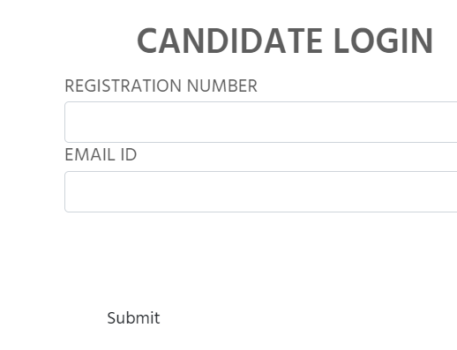 | Major | P1 | New
DEF_ISTQB_FP_02 | ISTQB_FP_11 | should provide max length limit on registeration and email fields | no max length limit provided | 1.Open https://istqb.in and press enter 2.Click on Foundation 3.Click on Student Dashboard 4.Enter data on registeration and email fields | 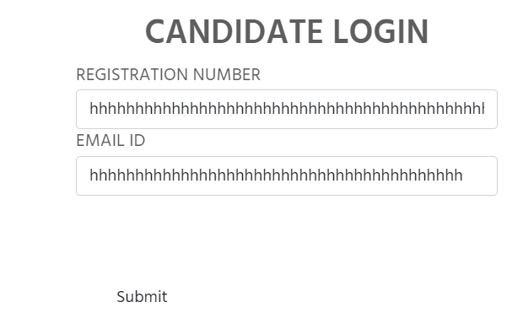 | Major | P1 | New
DEF_ISTQB_FP_03 | ISTQB_FP_13 | should redirect to respective page | page not found error shown | 1.Open https://istqb.in and press enter 2.Click on Foundation 3.Click on Student Dashboard 4..Enter data on registeration and email fields 5.Click on Submit button |  | Major | P1 | New
DEF_ISTQB_FP_04 | ISTQB_FP_19 | should provide max length limit | no max length limit provided | 1.Open https://istqb.in and press enter 2.Click on Foundation 3.Click on option Enrollment 4.Click on Login 5.Enter data | 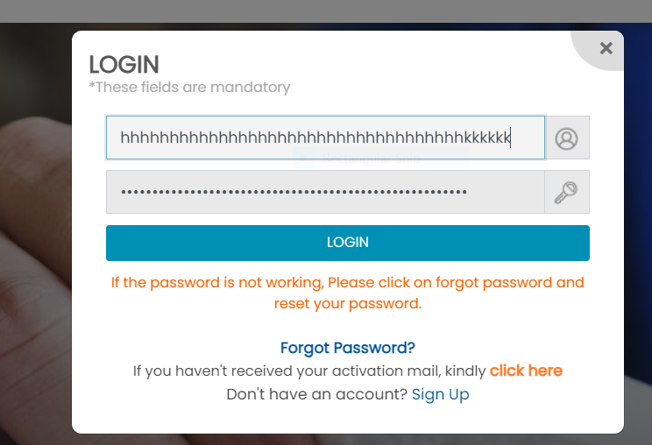 | Major | P1 | New
DEF_ISTQB_FP_05 | ISTQB_FP_25 | should able to navigate back | not able to navigate back | 1.Open https://istqb.in and press enter 2.Click on Foundation 3.Click on option Enrollment 4.Click on Login 5.Enter data 6.Click Login 7.Click on link for registeration 8.Select exam 9.Apply 10.Enter data 11.Click on pay 12.Logout 13.Navigate back |  | Major | P1 | New
DEF_ISTQB_FP_06 | ISTQB_FP_28 | should navigate back to registeration page | an external page appears before navigating to registeration page | 1.Open https://istqb.in and press enter 2.Click on Foundation 3.Click on Remote proctored exam(Public) / on right side of dropdown Click on Remote Proctored Exam (Home) 4.Click on Links 5.Add the exam 6.Click on Proceed Button 7.Navigate back to registeration page |  | Major | P1 | New
DEF_ISTQB_FP_07 | ISTQB_FP_29 | should be responsive | page is not responsive on minimizing some the fields are not seen and on increasing the address bar width other fields are not seen | 1.Open https://istqb.in and press enter 2.Click on Foundation 3.Click on Remote proctored exam(Public) / on right side of dropdown Click on Remote Proctored Exam (Home) 4.Click on Links 5.Add the exam 6.Click on Proceed Button 7.Maximize and minimize the page |  | Major | P1 | New
DEF_ISTQB_FP_08 | ISTQB_FP_32 | should not allow numbers and special chracters on name field | it allows numbers and special characters | 1.Open https://istqb.in and press enter 2.Click on Foundation 3.Click on Remote proctored exam(Public) / on right side of dropdown Click on Remote Proctored Exam (Home) 4.Click on Links 5.Add the exam 6.Click on Proceed Button 7.Click on save button |  | Major | P1 | New
DEF_ISTQB_FP_09 | ISTQB_FP_33 | should throw error message on entering wrong format | Error message is not provided instead the line bcomes red.it makes difficulty in users for identifying errors | 1.Open https://istqb.in and press enter 2.Click on Foundation 3.Click on Remote proctored exam(Public) / on right side of dropdown Click on Remote Proctored Exam (Home) 4.Click on Links 5.Add the exam 6.Click on Proceed Button 7.Click on save button |  | Major | P1 | New
DEF_ISTQB_FP_10 | ISTQB_FP_35 | should be restricting manual entry in date field and provide only by selectiong for keeping the format | can enter by manually also | 1.Open https://istqb.in and press enter 2.Click on Foundation 3.Click on Remote proctored exam(Public) / on right side of dropdown Click on Remote Proctored Exam (Home) 4.Click on Links 5.Add the exam 6.Click on Proceed Button 7.Click on save button |  | Major | P1 | New
DEF_ISTQB_FP_11 | ISTQB_FP_36 | should restrict entry of alphabhets and special characters in date field | can enter alphabhets and special characters | 1.Open https://istqb.in and press enter 2.Click on Foundation 3.Click on Remote proctored exam(Public) / on right side of dropdown Click on Remote Proctored Exam (Home) 4.Click on Links 5.Add the exam 6.Click on Proceed Button 7.Click on save button |  | Major | P1 | New
DEF_ISTQB_FP_12 | ISTQB_FP_38 | should accept or able to select data from current date and year | can select or enter data from 19/05/2020 | 1.Open https://istqb.in and press enter 2.Click on Foundation 3.Click on Remote proctored exam(Public) / on right side of dropdown Click on Remote Proctored Exam (Home) 4.Click on Links 5.Add the exam 6.Click on Proceed Button 7.Click on save button |  | Major | P1 | New
DEF_ISTQB_FP_13 | ISTQB_FP_39 | should throw error message on past date | doesn’t show any error message and it accepted on saving | 1.Open https://istqb.in and press enter 2.Click on Foundation 3.Click on Remote proctored exam(Public) / on right side of dropdown Click on Remote Proctored Exam (Home) 4.Click on Links 5.Add the exam 6.Click on Proceed Button 7.Click on save button |  | Major | P1 | New
DEF_ISTQB_FP_14 | ISTQB_FP_40 | should provide max length limit designation field | not provided max length limit | 1.Open https://istqb.in and press enter 2.Click on Foundation 3.Click on Remote proctored exam(Public) / on right side of dropdown Click on Remote Proctored Exam (Home) 4.Click on Links 5.Add the exam 6.Click on Proceed Button 7.Click on save button |  | Major | P1 | New
DEF_ISTQB_FP_15 | ISTQB_FP_41 | should provide max length limit to organization field | not provided max length limit | 1.Open https://istqb.in and press enter 2.Click on Foundation 3.Click on Remote proctored exam(Public) / on right side of dropdown Click on Remote Proctored Exam (Home) 4.Click on Links 5.Add the exam 6.Click on Proceed Button 7.Click on save button |  | Major | P1 | New
DEF_ISTQB_FP_16 | ISTQB_FP_42 | should provide max limit for phone no field | max limit is not provided and error message is not displaying it just shows red line for error which is difficult for user to understand | 1.Open https://istqb.in and press enter 2.Click on Foundation 3.Click on Remote proctored exam(Public) / on right side of dropdown Click on Remote Proctored Exam (Home) 4.Click on Links 5.Add the exam 6.Click on Proceed Button 7.Click on save button |  | Major | P1 | New
DEF_ISTQB_FP_17 | ISTQB_FP_43 | should restrict the user from entering alphabhets and symbols in phone no field | able to enter alphabhets and symbols.Error message is not displaying instead a red line is provided which is difficult to understand for user | 1.Open https://istqb.in and press enter 2.Click on Foundation 3.Click on Remote proctored exam(Public) / on right side of dropdown Click on Remote Proctored Exam (Home) 4.Click on Links 5.Add the exam 6.Click on Proceed Button 7.Click on save button |  | Major | P1 | New
DEF_ISTQB_FP_18 | ISTQB_FP_44 | should restrict entry of invalid phone number formats in phone no field | able to save even if it is not valid mobile format | 1.Open https://istqb.in and press enter 2.Click on Foundation 3.Click on Remote proctored exam(Public) / on right side of dropdown Click on Remote Proctored Exam (Home) 4.Click on Links 5.Add the exam 6.Click on Proceed Button 7.Click on save button |  | Major | P1 | New
DEF_ISTQB_FP_19 | ISTQB_FP_46 | should not cause any errors on expanding | fields at the bottom nota able to see or disappears on maximizing the size | 1.Open https://istqb.in and press enter 2.Click on Foundation 3.Click on Remote proctored exam(Public) / on right side of dropdown Click on Remote Proctored Exam (Home) 4.Click on Links 5.Add the exam 6.Click on Proceed Button 7.Click on save button |  | Major | P1 | New
DEF_ISTQB_FP_20 | ISTQB_FP_47 | should provide max length limit to city field | not provided max length limit | 1.Open https://istqb.in and press enter 2.Click on Foundation 3.Click on Remote proctored exam(Public) / on right side of dropdown Click on Remote Proctored Exam (Home) 4.Click on Links 5.Add the exam 6.Click on Proceed Button 7.Click on save button |  | Major | P1 | New
DEF_ISTQB_FP_21 | ISTQB_FP_48 | should provide all states without duplication | Chandigarh state is duplicated in the drop down | 1.Open https://istqb.in and press enter 2.Click on Foundation 3.Click on Remote proctored exam(Public) / on right side of dropdown Click on Remote Proctored Exam (Home) 4.Click on Links 5.Add the exam 6.Click on Proceed Button 7.Click on save button |  | Major | P1 | New
DEF_ISTQB_FP_22 | ISTQB_FP_49 | should restrict the user from entering alphabhets and symbols in pincode field | able to enter alphabhets and symbols.Error message is only displayed | 1.Open https://istqb.in and press enter 2.Click on Foundation 3.Click on Remote proctored exam(Public) / on right side of dropdown Click on Remote Proctored Exam (Home) 4.Click on Links 5.Add the exam 6.Click on Proceed Button 7.Click on save button |  | Major | P1 | New
DEF_ISTQB_FP_23 | ISTQB_FP_50 | should provide max length limitin pincode field | not provided max length limit | 1.Open https://istqb.in and press enter 2.Click on Foundation 3.Click on Remote proctored exam(Public) / on right side of dropdown Click on Remote Proctored Exam (Home) 4.Click on Links 5.Add the exam 6.Click on Proceed Button 7.Click on save button |  | Major | P1 | New
DEF_ISTQB_FP_24 | ISTQB_FP_54 | should able to open dropdown | no options provided in drop down | 1.Open https://istqb.in and press enter 2.Click on Foundation 3.Choose either Paperbased/Online Exam 4.Select user type and enter company code 5.Select exam type 6.Select exam level 7.Click on Submit 8.Select a option 9.Click on the dropdown of Exam City |  | Major | P1 | New
DEF_ISTQB_FP_25 | ISTQB_FP_55 | should able to open dropdown | no options provided in drop down | 1.Open https://istqb.in and press enter 2.Click on Foundation 3.Choose either Paperbased/Online Exam 4.Select user type and enter company code 5.Select exam type 6.Select exam level 7.Click on Submit 8.Select a option 9.Click on the dropdown of Exam date |  | Major | P1 | New
DEF_ISTQB_FP_26 | ISTQB_FP_56 | should able to open dropdown | no options provided in drop down | 1.Open https://istqb.in and press enter 2.Click on Foundation 3.Choose either Paperbased/Online Exam 4.Select user type and enter company code 5.Select exam type 6.Select exam level 7.Click on Submit 8.Select a option 9.Click on the dropdown of Exam Centre |  | Major | P1 | New
DEF_ISTQB_FP_27 | ISTQB_FP_57 | should provide maxlength limit in password field | no max limit provided | 1.Open https://istqb.in and press enter 2.Click on Foundation 3.Choose either Paperbased/Online Exam 4.Select user type and enter company code 5.Select exam type 6.Select exam level 7.Click on Submit 8.Type data |  | Major | P1 | New
DEF_ISTQB_FP_28 | ISTQB_FP_67 | should provide max length limit to address field | max length limit not provided | 1.Open https://istqb.in and press enter 2.Click on Foundation 3.Choose either Paperbased/Online Exam 4.Select user type and enter company code 5.Select exam type 6.Select exam level 7.Click on Submit 8.Type data |  | Major | P1 | New
DEF_ISTQB_FP_29 | ISTQB_FP_70 | should able to select value from dropdown | many duplication found in dropdown | 1.Open https://istqb.in and press enter 2.Click on Foundation 3.Choose either Paperbased/Online Exam 4.Select user type and enter company code 5.Select exam type 6.Select exam level 7.Click on Submit 8.Select city | 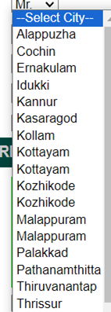 | Major | P1 | New
DEF_ISTQB_FP_30 | ISTQB_FP_72 | should restrict entry of alphabhets and special characters in pin code field | no restriction provided | 1.Open https://istqb.in and press enter 2.Click on Foundation 3.Choose either Paperbased/Online Exam 4.Select user type and enter company code 5.Select exam type 6.Select exam level 7.Click on Submit 8.Enter data |  | Major | P1 | New
DEF_ISTQB_FP_31 | ISTQB_FP_77 | should provide max length limit and accept only valid email id in email id(company) field | max length limit not provided and it accepts invalid email id format | 1.Open https://istqb.in and press enter 2.Click on Foundation 3.Choose either Paperbased/Online Exam 4.Select user type and enter company code 5.Select exam type 6.Select exam level 7.Click on Submit 8.Enter data |  | Major | P1 | New
DEF_ISTQB_FP_32 | ISTQB_FP_79 | should get same data copied to respective fields | state and city field data not copied | 1.Open https://istqb.in and press enter 2.Click on Foundation 3.Choose either Paperbased/Online Exam 4.Select user type and enter company code 5.Select exam type 6.Select exam level 7.Click on Submit 8.Choose same as permanent address option | 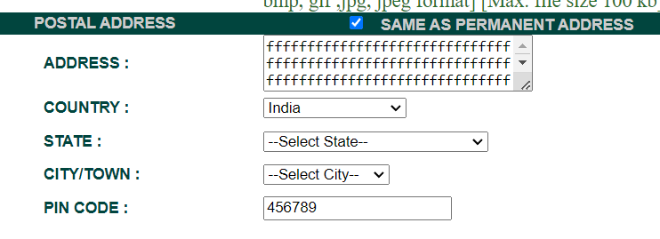 | Major | P1 | New
DEF_ISTQB_FP_33 | ISTQB_FP_80 | should provide max length limit to address field | max length limit not provided | 1.Open https://istqb.in and press enter 2.Click on Foundation 3.Choose either Paperbased/Online Exam 4.Select user type and enter company code 5.Select exam type 6.Select exam level 7.Click on Submit 8.Type data |  | Major | P1 | New
DEF_ISTQB_FP_34 | ISTQB_FP_83 | should able to select value from dropdown | many duplication found in dropdown | 1.Open https://istqb.in and press enter 2.Click on Foundation 3.Choose either Paperbased/Online Exam 4.Select user type and enter company code 5.Select exam type 6.Select exam level 7.Click on Submit 8.Select city |  | Major | P1 | New
DEF_ISTQB_FP_35 | ISTQB_FP_86 | should able to submit | The Exam city,exam date,exam centre fields are not able to select which remains as required field hence not able to submit | 1.Open https://istqb.in and press enter 2.Click on Foundation 3.Choose either Paperbased/Online Exam 4.Select user type and enter company code 5.Select exam type 6.Select exam level 7.Click on Submit 6.Click on Submit button |  | Major | P1 | New
DEF_ISTQB_FP_36 | ISTQB_FP_90 | should redirect to specific page | link for registeration of foundation level shows page not found error | 1.Open https://istqb.in and press enter 2.Click on Foundation 3.Click on FAQs 4.Click on links |  | Major | P1 | New
DEF_ISTQB_FP_37 | ISTQB_FP_91 | should redirect to specific page | inappropriate page loads page laods is of certified testers | 1.Open https://istqb.in and press enter 2.Click on Foundation 3.Click on Model Based | 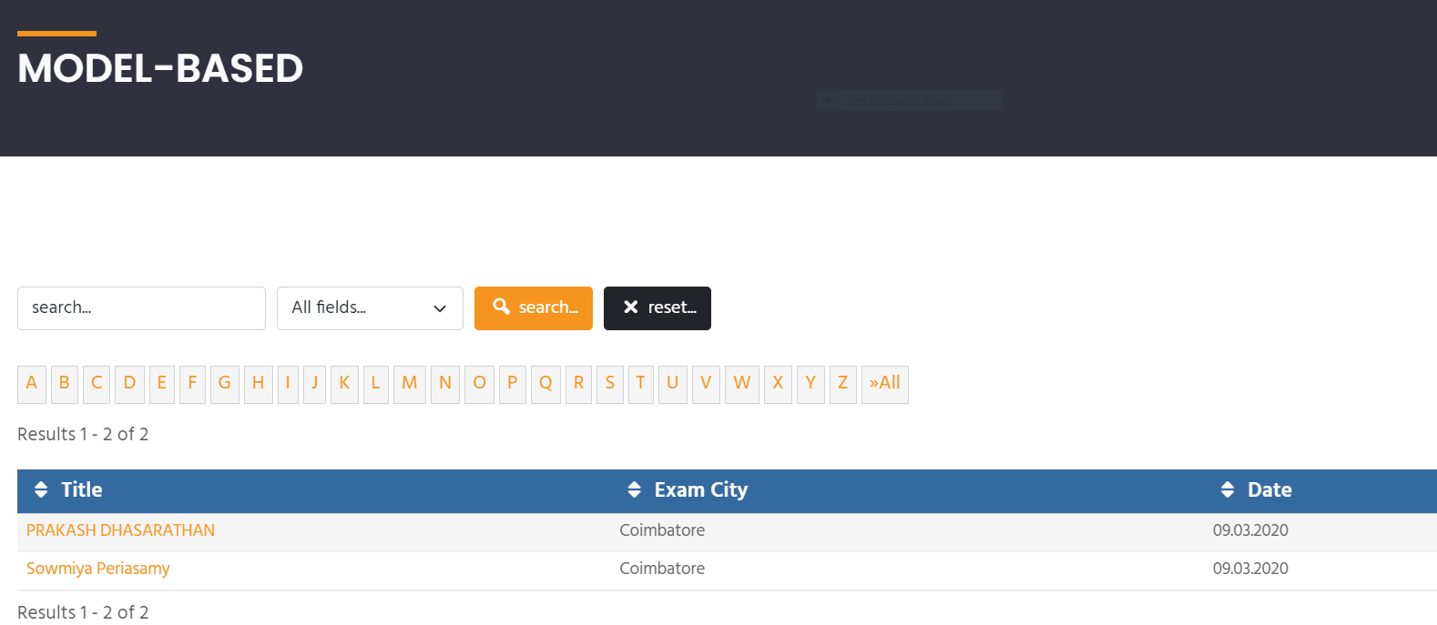 | Major | P1 | New
DEF_ISTQB_FP_38 | ISTQB_FP_94 | should redirect to specific page | page not found error shown | 1.Open https://istqb.in and press enter 2.Click on Foundation 3.Click on syllabus 4.Click on links |  | Major | P1 | New
DEF_ISTQB_FP_39 | ISTQB_FP_97 | should able to download | page not found error shown | 1.Open https://istqb.in and press enter 2.Click on Foundation 3.Click on downloads under resources 4.Click on files |  | Major | P1 | New
DEF_ISTQB_FP_40 | ISTQB_FP_102 | should able to open dropdown | no options provided in drop down | 1.Open https://istqb.in and press enter 2.Click on Foundation 3.Click on Enrollment 4.Select Exam Type 5.Select Exam Level 6.Click on Submit 7.Select a option 8.Click on the dropdown of Exam City |  | Major | P1 | New
DEF_ISTQB_FP_41 | ISTQB_FP_103 | should able to open dropdown | no options provided in drop down | 1.Open https://istqb.in and press enter 2.Click on Foundation 3.Click on Enrollment 4.Select Exam Type 5.Select Exam Level 6.Click on Submit 7.Select a option 8.Click on the dropdown of Exam date |  | Major | P1 | New
DEF_ISTQB_FP_42 | ISTQB_FP_104 | should able to open dropdown | no options provided in drop down | 1.Open https://istqb.in and press enter 2.Click on Foundation 3.Click on Enrollment 4.Select Exam Type 5.Select Exam Level 6.Click on Submit 7.Select a option 8.Click on the dropdown of Exam Centre |  | Major | P1 | New
DEF_ISTQB_FP_43 | ISTQB_FP_105 | should provide maxlength limit in password field | no max limit provided | 1.Open https://istqb.in and press enter 2.Click on Foundation 3.Click on Enrollment 4.Select Exam Type 5.Select Exam Level 6.Click on Submit 7.Type data |  | Major | P1 | New
DEF_ISTQB_FP_44 | ISTQB_FP_115 | should provide max length limit | max length limit not provided | 1.Open https://istqb.in and press enter 2.Click on Foundation 3.Click on Enrollment 4.Select Exam Type 5.Select Exam Level 6.Click on Submit 7.Type data |  | Major | P1 | New
DEF_ISTQB_FP_45 | ISTQB_FP_118 | should able to select value from dropdown | many duplication found in dropdown | 1.Open https://istqb.in and press enter 2.Click on Foundation 3.Click on Enrollment 4.Select Exam Type 5.Select Exam Level 6.Click on Submit 7.Select city |  | Major | P1 | New
DEF_ISTQB_FP_46 | ISTQB_FP_119 | should restrict entry of alphabhets and special characters | no restriction provided | 1.Open https://istqb.in and press enter 2.Click on Foundation 3.Click on Enrollment 4.Select Exam Type 5.Select Exam Level 6.Click on Submit 7.Enter data |  | Major | P1 | New
DEF_ISTQB_FP_47 | ISTQB_FP_120 | shoulld provide max length limit and accept only valid email id | max length limit not provided and it accepts invalid email id format | 1.Open https://istqb.in and press enter 2.Click on Foundation 3.Click on Enrollment 4.Select Exam Type 5.Select Exam Level 6.Click on Submit 7.Enter data |  | Major | P1 | New
DEF_ISTQB_FP_48 | ISTQB_FP_127 | should get same data copied to respective fields | state and city field data not copied | 1.Open https://istqb.in and press enter 2.Click on Foundation 3.Click on Enrollment 4.Select Exam Type 5.Select Exam Level 6.Click on Submit 7.Choose same as permanent address option |  | Major | P1 | New
DEF_ISTQB_FP_49 | ISTQB_FP_128 | should provide max length limit | max length limit not provided | 1.Open https://istqb.in and press enter 2.Click on Foundation 3.Click on Enrollment 4.Select Exam Type 5.Select Exam Level 6.Click on Submit 7.Type data |  | Major | P1 | New
DEF_ISTQB_FP_50 | ISTQB_FP_131 | should able to select value from dropdown | many duplication found in dropdown | 1.Open https://istqb.in and press enter 2.Click on Foundation 3.Click on Enrollment 4.Select Exam Type 5.Select Exam Level 6.Click on Submit 9.Select city |  | Major | P1 | New
DEF_ISTQB_FP_51 | ISTQB_FP_134 | should able to submit | The Exam city,exam date,exam centre fields are not able to select which remains as required field hence not able to submit | 1.Open https://istqb.in and press enter 2.Click on Foundation 3.Click on Enrollment 4.Select Exam Type 5.Select Exam Level 6.Click on Submit 7.Click on Submit button |  | Major | P1 | New
DEF_ISTQB_FP_52 | ISTQB_FP_139 | should redirect to specific page | the link for exam scheduled city shows page not found error | 1.Open https://istqb.in and press enter 2.Click on Foundation 3.Click on FAQs 4.Click on links |  | Major | P1 | New

BR_Advanced
ISTQB(Indian Site)
Module Name:Advanced Page |  |  |  |  |  | Date:
Verified By:Rakhi |  |  |  |  |  | Tested By:Lia Babu M
Bug Id | Test Id | Expected Result | Bug Description | Steps to reproduce | Screenshot | Severity | Priority | Status
DEF_ISTQB_ADP_01 | ISTQB_ADP_03 | should redirect to respective page | doesn't redirect to respective page | 1.Open https://istqb.in and press enter 2.Click on Advanced 3.Click on resources link |  | Major | P1 | New
DEF_ISTQB_ADP_02 | ISTQB_ADP_06 | should redirect to respective page | redirected to syllabus page with inappropriate content | 1.Open https://istqb.in and press enter 2.Click on Advanced 3.Click on Syllabus | 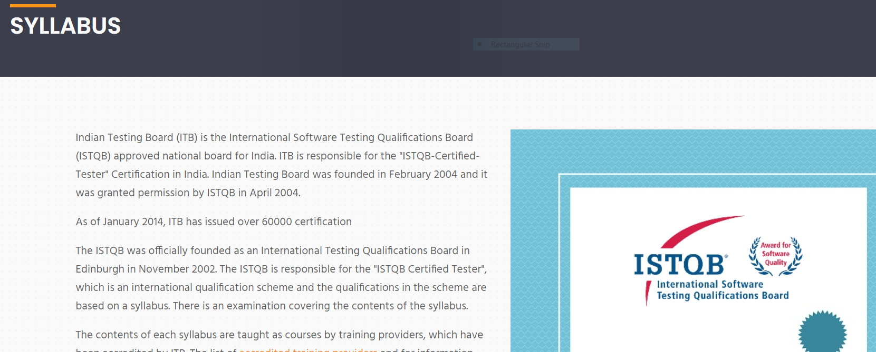 | Major | P1 | New
DEF_ISTQB_ADP_03 | ISTQB_ADP_10 | should be no spelling mistake | Engineer was return as Engineerr in both link and page heading | 1.Open https://istqb.in and press enter 2.Click on Advanced 3.Click on ISTQB AL Test Automation Engineerr |  | Major | P1 | New
DEF_ISTQB_ADP_04 | ISTQB_ADP_11 | should redirect to respective page | link for ISTQB Member Boards and ISTQB Training Providers shows Page not found Error | 1.Open https://istqb.in and press enter 2.Click on Advanced 3.Click on ISTQB AL Test Automation Engineerr 4.Click on links |  | Major | P1 | New
DEF_ISTQB_ADP_05 | ISTQB_ADP_13 | should redirect to respective page | link for ISTQB Member Boards and ISTQB Training Providers shows Page not working | 1.Open https://istqb.in and press enter 2.Click on Advanced 3.Click on ISTQB AL Security Tester 4.Click on links |  | Major | P1 | New
DEF_ISTQB_ADP_06 | ISTQB_ADP_16 | should not allow submission with out selecting fields | able to submit without selecting exam level | 1.Open https://istqb.in and press enter 2.Click on Advanced 3.Click on Enrollment 4.Click on submit button | 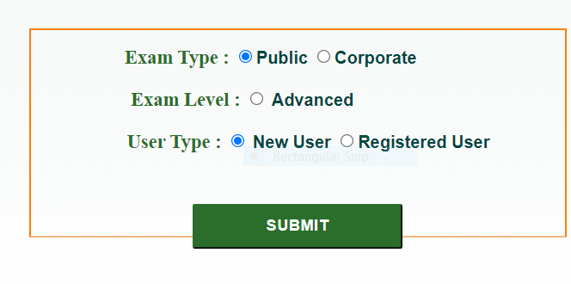 | Major | P1 | New
DEF_ISTQB_ADP_07 | ISTQB_ADP_19 | should able to open dropdown | no options provided in drop down | 1.Open https://istqb.in and press enter 2.Click on Advanced 3.Click on Enrollment 4.SelectType 5.Select Exam Level 6.Select user type 7.Click on Submit 8.Select a option 9.Click on the dropdown of Exam City |  | Major | P1 | New
DEF_ISTQB_ADP_08 | ISTQB_ADP_20 | should able to open dropdown | no options provided in drop down | 1.Open https://istqb.in and press enter 2.Click on Advanced 3.Click on Enrollment 4.SelectType 5.Select Exam Level 6.Select user type 7.Click on Submit 8.Select a option 9.Click on the dropdown of Exam date |  | Major | P1 | New
DEF_ISTQB_ADP_09 | ISTQB_ADP_21 | should able to open dropdown | no options provided in drop down | 1.Open https://istqb.in and press enter 2.Click on Advanced 3.Click on Enrollment 4.SelectType 5.Select Exam Level 6.Select user type 7.Click on Submit 8.Select a option 9.Click on the dropdown of Exam Centre |  | Major | P1 | New
DEF_ISTQB_ADP_10 | ISTQB_ADP_22 | should provide maxlength limit in password field | no max limit provided | 1.Open https://istqb.in and press enter 2.Click on Advanced 3.Click on Enrollment 4.SelectType 5.Select Exam Level 6.Select user type 7.Click on Submit 8.Type data |  | Major | P1 | New
DEF_ISTQB_ADP_11 | ISTQB_ADP_32 | should provide max length limit in address field | max length limit not provided | 1.Open https://istqb.in and press enter 2.Click on Advanced 3.Click on Enrollment 4.SelectType 5.Select Exam Level 6.Select user type 7.Click on Submit 8.Type data |  | Major | P1 | New
DEF_ISTQB_ADP_12 | ISTQB_ADP_35 | should able to select value from dropdown | many duplication found in dropdown | 1.Open https://istqb.in and press enter 2.Click on Advanced 3.Click on Enrollment 4.SelectType 5.Select Exam Level 6.Select user type 7.Click on Submit 8.Select city |  | Major | P1 | New
DEF_ISTQB_ADP_13 | ISTQB_ADP_37 | should restrict entry of alphabhets and special characters in pincode field | no restriction provided | 1.Open https://istqb.in and press enter 2.Click on Advanced 3.Click on Enrollment 4.SelectType 5.Select Exam Level 6.Select user type 7.Click on Submit 8.Enter data |  | Major | P1 | New
DEF_ISTQB_ADP_14 | ISTQB_ADP_42 | shoulld provide max length limit and accept only valid email id | max length limit not provided and it accepts invalid email id format | 1.Open https://istqb.in and press enter 2.Click on Advanced 3.Click on Enrollment 4.SelectType 5.Select Exam Level 6.Select user type 7.Click on Submit 8.Enter data |  | Major | P1 | New
DEF_ISTQB_ADP_15 | ISTQB_ADP_44 | should get same data copied to respective fields | state and city field data not copied | 1.Open https://istqb.in and press enter 2.Click on Advanced 3.Click on Enrollment 4.SelectType 5.Select Exam Level 6.Select user type 7.Click on Submit 8.Choose same as permanent address option |  | Major | P1 | New
DEF_ISTQB_ADP_16 | ISTQB_ADP_45 | should provide max length limit in address field | max length limit not provided | 1.Open https://istqb.in and press enter 2.Click on Advanced 3.Click on Enrollment 4.SelectType 5.Select Exam Level 6.Select user type 7.Click on Submit 8.Type data |  | Major | P1 | New
DEF_ISTQB_ADP_17 | ISTQB_ADP_48 | should able to select value from dropdown | many duplication found in dropdown | 1.Open https://istqb.in and press enter 2.Click on Advanced 3.Click on Enrollment 4.SelectType 5.Select Exam Level 6.Select user type 7.Click on Submit 8.Select city |  | Major | P1 | New
DEF_ISTQB_ADP_18 | ISTQB_ADP_51 | should able to submit | The Exam city,exam date,exam centre fields are not able to select which remains as required field hence not able to submit | 1.Open https://istqb.in and press enter 2.Click on Advanced 3.Click on Enrollment 4.SelectType 5.Select Exam Level 6.Select user type 7.Click on Submit 8.Click on Submit button |  | Major | P1 | New
DEF_ISTQB_ADP_19 | ISTQB_ADP_56 | should redirect to respective page | all links other than registeration form shows error | 1.Open https://istqb.in and press enter 2.Click on Advanced 3.Click on FAQs 4.Click on links |  | Major | P1 | New
DEF_ISTQB_ADP_20 | ISTQB_ADP_59 | should navigate back to registeration page | an external page appears before navigating to registeration page | 1.Open https://istqb.in and press enter 2.Click on Advanced 3.Click on Remote proctored exam 4.Click on Links 5.Add the exam 6.Click on Proceed Button 7.Navigate back to registeration page |  | Major | P1 | New
DEF_ISTQB_ADP_21 | ISTQB_ADP_60 | should be responsive | page is not responsive on minimizing some the fields are not seen and on increasing the address bar width other fields are not seen | 1.Open https://istqb.in and press enter 2.Click on Advanced 3.Click on Remote proctored exam 4.Click on Links 5.Add the exam 6.Click on Proceed Button 7.Maximize and minimize the page |  | Major | P1 | New
DEF_ISTQB_ADP_22 | ISTQB_ADP_63 | should not allow numbers and special chracters on name field | it allows numbers and special characters | 1.Open https://istqb.in and press enter 2.Click on Advanced 3.Click on Remote proctored exam 4.Click on Links 5.Add the exam 6.Click on Proceed Button 7.Click on save button |  | Major | P1 | New
DEF_ISTQB_ADP_23 | ISTQB_ADP_64 | should throw error message on entering wrong format | Error message is not provided instead the line bcomes red.it makes difficulty in users for identifying errors | 1.Open https://istqb.in and press enter 2.Click on Advanced 3.Click on Remote proctored exam 4.Click on Links 5.Add the exam 6.Click on Proceed Button 7.Click on save button |  | Major | P1 | New
DEF_ISTQB_ADP_24 | ISTQB_ADP_66 | should be restricting manual entry in date field and provide only by selectiong for keeping the format | can enter by manually also | 1.Open https://istqb.in and press enter 2.Click on Advanced 3.Click on Remote proctored exam 4.Click on Links 5.Add the exam 6.Click on Proceed Button 7.Click on save button |  | Major | P1 | New
DEF_ISTQB_ADP_25 | ISTQB_ADP_67 | should restrict entry of alphabhets and special characters in date field | can enter alphabhets and special characters | 1.Open https://istqb.in and press enter 2.Click on Advanced 3.Click on Remote proctored exam 4.Click on Links 5.Add the exam 6.Click on Proceed Button 7.Click on save button |  | Major | P1 | New
DEF_ISTQB_ADP_26 | ISTQB_ADP_69 | should accept or able to select data from current date and year | can select or enter data from 19/05/2020 | 1.Open https://istqb.in and press enter 2.Click on Advanced 3.Click on Remote proctored exam 4.Click on Links 5.Add the exam 6.Click on Proceed Button 7.Click on save button |  | Major | P1 | New
DEF_ISTQB_ADP_27 | ISTQB_ADP_70 | should throw error message on past date | doesn’t show any error message and it accepted on saving | 1.Open https://istqb.in and press enter 2.Click on Advanced 3.Click on Remote proctored exam 4.Click on Links 5.Add the exam 6.Click on Proceed Button 7.Click on save button |  | Major | P1 | New
DEF_ISTQB_ADP_28 | ISTQB_ADP_71 | should provide max length limit designation field | not provided max length limit | 1.Open https://istqb.in and press enter 2.Click on Advanced 3.Click on Remote proctored exam 4.Click on Links 5.Add the exam 6.Click on Proceed Button 7.Click on save button |  | Major | P1 | New
DEF_ISTQB_ADP_29 | ISTQB_ADP_72 | should provide max length limit to organization field | not provided max length limit | 1.Open https://istqb.in and press enter 2.Click on Advanced 3.Click on Remote proctored exam 4.Click on Links 5.Add the exam 6.Click on Proceed Button 7.Click on save button |  | Major | P1 | New
DEF_ISTQB_ADP_30 | ISTQB_ADP_73 | should provide max limit for phone no field | max limit is not provided and error message is not displaying it just shows red line for error which is difficult for user to understand | 1.Open https://istqb.in and press enter 2.Click on Advanced 3.Click on Remote proctored exam 4.Click on Links 5.Add the exam 6.Click on Proceed Button 7.Click on save button |  | Major | P1 | New
DEF_ISTQB_ADP_31 | ISTQB_ADP_74 | should restrict the user from entering alphabhets and symbols in phone no field | able to enter alphabhets and symbols.Error message is not displaying instead a red line is provided which is difficult to understand for user | 1.Open https://istqb.in and press enter 2.Click on Advanced 3.Click on Remote proctored exam 4.Click on Links 5.Add the exam 6.Click on Proceed Button 7.Click on save button |  | Major | P1 | New
DEF_ISTQB_ADP_32 | ISTQB_ADP_75 | should restrict entry of invalid phone number formats in phone no field | able to save even if it is not valid mobile format | 1.Open https://istqb.in and press enter 2.Click on Advanced 3.Click on Remote proctored exam 4.Click on Links 5.Add the exam 6.Click on Proceed Button 7.Click on save button |  | Major | P1 | New
DEF_ISTQB_ADP_33 | ISTQB_ADP_77 | should not cause any errors on expanding | fields at the bottom nota able to see or disappears on maximizing the size | 1.Open https://istqb.in and press enter 2.Click on Advanced 3.Click on Remote proctored exam 4.Click on Links 5.Add the exam 6.Click on Proceed Button 7.Click on save button |  | Major | P1 | New
DEF_ISTQB_ADP_34 | ISTQB_ADP_78 | should provide max length limit to city field | not provided max length limit | 1.Open https://istqb.in and press enter 2.Click on Advanced 3.Click on Remote proctored exam 4.Click on Links 5.Add the exam 6.Click on Proceed Button 7.Click on save button |  | Major | P1 | New
DEF_ISTQB_ADP_35 | ISTQB_ADP_79 | should provide all states without duplication | Chandigarh state is duplicated in the drop down | 1.Open https://istqb.in and press enter 2.Click on Advanced 3.Click on Remote proctored exam 4.Click on Links 5.Add the exam 6.Click on Proceed Button 7.Click on save button |  | Major | P1 | New
DEF_ISTQB_ADP_36 | ISTQB_ADP_80 | should restrict the user from entering alphabhets and symbols in pincode field | able to enter alphabhets and symbols.Error message is only displayed | 1.Open https://istqb.in and press enter 2.Click on Advanced 3.Click on Remote proctored exam 4.Click on Links 5.Add the exam 6.Click on Proceed Button 7.Click on save button |  | Major | P1 | New
DEF_ISTQB_ADP_37 | ISTQB_ADP_81 | should provide max length limitin pincode field | not provided max length limit | 1.Open https://istqb.in and press enter 2.Click on Advanced 3.Click on Remote proctored exam 4.Click on Links 5.Add the exam 6.Click on Proceed Button 7.Click on save button |  | Major | P1 | New

BR_Specialist
ISTQB(Indian Site)
Module Name:Specialist Page |  |  |  |  |  | Date:
Verified By:Rakhi |  |  |  |  |  | Tested By:Lia Babu M
Bug Id | Test Id | Expected Result | Bug Description | Steps to reproduce | Screenshot | Severity | Priority | Status
DEF_ISTQB_SP_01 | ISTQB_SP_05 | should navigate back to registeration page | an external page appears before navigating to registeration page | 1.Open https://istqb.in and press enter 2.Click on Specialist 3.Click on Procedure 4.Click on Enrollment & click links for exam 5.Add the exam 6.Click on Proceed Button 7.Navigate back to registeration page |  | Major | P1 | New
DEF_ISTQB_SP_02 | ISTQB_SP_06 | should be responsive | page is not responsive on minimizing some the fields are not seen and on increasing the address bar width other fields are not seen | 1.Open https://istqb.in and press enter 2.Click on Specialist 3.Click on Procedure 4.Click on Enrollment & click links for exam 5.Add the exam 6.Click on Proceed Button 7.Maximize and minimize the page |  | Major | P1 | New
DEF_ISTQB_SP_03 | ISTQB_SP_09 | should not allow numbers and special chracters on name field | it allows numbers and special characters | 1.Open https://istqb.in and press enter 2.Click on Specialist 3.Click on Procedure 4.Click on Enrollment & click links for exam 5.Add the exam 6.Click on Proceed Button 7.Enter data to field |  | Major | P1 | New
DEF_ISTQB_SP_04 | ISTQB_SP_10 | should throw error message on entering wrong email format | Error message is not provided instead the line bcomes red.it makes difficulty in users for identifying errors | 1.Open https://istqb.in and press enter 2.Click on Specialist 3.Click on Procedure 4.Click on Enrollment & click links for exam 5.Add the exam 6.Click on Proceed Button 7.Enter data to field |  | Major | P1 | New
DEF_ISTQB_SP_05 | ISTQB_SP_12 | should be restricting manual entry in date field and provide only by selectiong for keeping the format | can enter by manually also | 1.Open https://istqb.in and press enter 2.Click on Specialist 3.Click on Procedure 4.Click on Enrollment & click links for exam 5.Add the exam 6.Click on Proceed Button 7.Enter data to field |  | Major | P1 | New
DEF_ISTQB_SP_06 | ISTQB_SP_13 | should restrict entry of alphabhets and special characters in date field | can enter alphabhets and special characters | 1.Open https://istqb.in and press enter 2.Click on Specialist 3.Click on Procedure 4.Click on Enrollment & click links for exam 5.Add the exam 6.Click on Proceed Button 7.Enter data to field |  | Major | P1 | New
DEF_ISTQB_SP_07 | ISTQB_SP_15 | should accept or able to select data from current date and year | can select or enter data from 19/05/2020 | 1.Open https://istqb.in and press enter 2.Click on Specialist 3.Click on Procedure 4.Click on Enrollment & click links for exam 5.Add the exam 6.Click on Proceed Button 7.Enter data to field |  | Major | P1 | New
DEF_ISTQB_SP_08 | ISTQB_SP_16 | should throw error message on past date | doesn’t show any error message and it accepted on saving | 1.Open https://istqb.in and press enter 2.Click on Specialist 3.Click on Procedure 4.Click on Enrollment & click links for exam 5.Add the exam 6.Click on Proceed Button 7.Enter data to field |  | Major | P1 | New
DEF_ISTQB_SP_09 | ISTQB_SP_17 | should provide max length limit designation field | not provided max length limit | 1.Open https://istqb.in and press enter 2.Click on Specialist 3.Click on Procedure 4.Click on Enrollment & click links for exam 5.Add the exam 6.Click on Proceed Button 7.Enter data to field |  | Major | P1 | New
DEF_ISTQB_SP_10 | ISTQB_SP_18 | should provide max length limit to organization field | not provided max length limit | 1.Open https://istqb.in and press enter 2.Click on Specialist 3.Click on Procedure 4.Click on Enrollment & click links for exam 5.Add the exam 6.Click on Proceed Button 7.Enter data to field |  | Major | P1 | New
DEF_ISTQB_SP_11 | ISTQB_SP_19 | should provide max limit for phone no field | max limit is not provided and error message is not displaying it just shows red line for error which is difficult for user to understand | 1.Open https://istqb.in and press enter 2.Click on Specialist 3.Click on Procedure 4.Click on Enrollment & click links for exam 5.Add the exam 6.Click on Proceed Button 7.Enter data to field |  | Major | P1 | New
DEF_ISTQB_SP_12 | ISTQB_SP_20 | should restrict the user from entering alphabhets and symbols in phone no field | able to enter alphabhets and symbols.Error message is not displaying instead a red line is provided which is difficult to understand for user | 1.Open https://istqb.in and press enter 2.Click on Specialist 3.Click on Procedure 4.Click on Enrollment & click links for exam 5.Add the exam 6.Click on Proceed Button 7.Enter data to field |  | Major | P1 | New
DEF_ISTQB_SP_13 | ISTQB_SP_21 | should restrict entry of invalid phone number formats in phone no field | able to save even if it is not valid mobile format | 1.Open https://istqb.in and press enter 2.Click on Specialist 3.Click on Procedure 4.Click on Enrollment & click links for exam 5.Add the exam 6.Click on Proceed Button 7.Enter data to field |  | Major | P1 | New
DEF_ISTQB_SP_14 | ISTQB_SP_23 | should not cause any errors on expanding | fields at the bottom nota able to see or disappears on maximizing the size | 1.Open https://istqb.in and press enter 2.Click on New Certifications 3.Click on Remote Proctored Exam heading under Selenium United 4.Click on all links for Exam registeration 5.Add the exam 6.Click on Proceed Button 7.Enter data to field |  | Major | P1 | New
DEF_ISTQB_SP_15 | ISTQB_SP_24 | should provide max length limit to city field | not provided max length limit | 1.Open https://istqb.in and press enter 2.Click on Specialist 3.Click on Procedure 4.Click on Enrollment & click links for exam 5.Add the exam 6.Click on Proceed Button 7.Enter data to field |  | Major | P1 | New
DEF_ISTQB_SP_16 | ISTQB_SP_25 | should provide all states without duplication | Chandigarh state is duplicated in the drop down | 1.Open https://istqb.in and press enter 2.Click on Specialist 3.Click on Procedure 4.Click on Enrollment & click links for exam 5.Add the exam 6.Click on Proceed Button 7.Enter data to field |  | Major | P1 | New
DEF_ISTQB_SP_17 | ISTQB_SP_26 | should restrict the user from entering alphabhets and symbols in pincode field | able to enter alphabhets and symbols.Error message is only displayed | 1.Open https://istqb.in and press enter 2.Click on Specialist 3.Click on Procedure 4.Click on Enrollment & click links for exam 5.Add the exam 6.Click on Proceed Button 7.Enter data to field |  | Major | P1 | New
DEF_ISTQB_SP_18 | ISTQB_SP_27 | should provide max length limit to pincode | not provided max length limit | 1.Open https://istqb.in and press enter 2.Click on Specialist 3.Click on Procedure 4.Click on Enrollment & click links for exam 5.Add the exam 6.Click on Proceed Button 7.Enter data to field |  | Major | P1 | New
DEF_ISTQB_SP_19 | ISTQB_SP_32 | should navigate back to registeration page | an external page appears before navigating to registeration page | 1.Open https://istqb.in and press enter 2.Click on Specialist 3.Click on Remote proctored exam 4.Click on Links 5.Add the exam 6.Click on Proceed Button 7.Navigate back to registeration page |  | Major | P1 | New
DEF_ISTQB_SP_20 | ISTQB_SP_33 | should be responsive | page is not responsive on minimizing some the fields are not seen and on increasing the address bar width other fields are not seen | 1.Open https://istqb.in and press enter 2.Click on Specialist 3.Click on Remote proctored exam 4.Click on Links 5.Add the exam 6.Click on Proceed Button 7.Maximize and minimize the page |  | Major | P1 | New
DEF_ISTQB_SP_21 | ISTQB_SP_36 | should not allow numbers and special chracters on name field | it allows numbers and special characters | 1.Open https://istqb.in and press enter 2.Click on Specialist 3.Click on Remote proctored exam 4.Click on Links 5.Add the exam 6.Click on Proceed Button 7.Click on save button |  | Major | P1 | New
DEF_ISTQB_SP_22 | ISTQB_SP_37 | should throw error message on entering wrong email format | Error message is not provided instead the line bcomes red.it makes difficulty in users for identifying errors | 1.Open https://istqb.in and press enter 2.Click on Specialist 3.Click on Remote proctored exam 4.Click on Links 5.Add the exam 6.Click on Proceed Button 7.Click on save button |  | Major | P1 | New
DEF_ISTQB_SP_23 | ISTQB_SP_39 | should be restricting manual entry in date field and provide only by selectiong for keeping the format | can enter by manually also | 1.Open https://istqb.in and press enter 2.Click on Specialist 3.Click on Remote proctored exam 4.Click on Links 5.Add the exam 6.Click on Proceed Button 7.Click on save button |  | Major | P1 | New
DEF_ISTQB_SP_24 | ISTQB_SP_40 | should restrict entry of alphabhets and special characters in date field | can enter alphabhets and special characters | 1.Open https://istqb.in and press enter 2.Click on Specialist 3.Click on Remote proctored exam 4.Click on Links 5.Add the exam 6.Click on Proceed Button 7.Click on save button |  | Major | P1 | New
DEF_ISTQB_SP_25 | ISTQB_SP_42 | should accept or able to select data from current date and year | can select or enter data from 19/05/2020 | 1.Open https://istqb.in and press enter 2.Click on Specialist 3.Click on Remote proctored exam 4.Click on Links 5.Add the exam 6.Click on Proceed Button 7.Click on save button |  | Major | P1 | New
DEF_ISTQB_SP_26 | ISTQB_SP_43 | should throw error message on past date | doesn’t show any error message and it accepted on saving | 1.Open https://istqb.in and press enter 2.Click on Specialist 3.Click on Remote proctored exam 4.Click on Links 5.Add the exam 6.Click on Proceed Button 7.Click on save button |  | Major | P1 | New
DEF_ISTQB_SP_27 | ISTQB_SP_44 | should provide max length limit designation field | not provided max length limit | 1.Open https://istqb.in and press enter 2.Click on Specialist 3.Click on Remote proctored exam 4.Click on Links 5.Add the exam 6.Click on Proceed Button 7.Click on save button |  | Major | P1 | New
DEF_ISTQB_SP_28 | ISTQB_SP_45 | should provide max length limit to organization field | not provided max length limit | 1.Open https://istqb.in and press enter 2.Click on Specialist 3.Click on Remote proctored exam 4.Click on Links 5.Add the exam 6.Click on Proceed Button 7.Click on save button |  | Major | P1 | New
DEF_ISTQB_SP_29 | ISTQB_SP_46 | should provide max limit for phone no field | max limit is not provided and error message is not displaying it just shows red line for error which is difficult for user to understand | 1.Open https://istqb.in and press enter 2.Click on Specialist 3.Click on Remote proctored exam 4.Click on Links 5.Add the exam 6.Click on Proceed Button 7.Click on save button |  | Major | P1 | New
DEF_ISTQB_SP_30 | ISTQB_SP_47 | should restrict the user from entering alphabhets and symbols in phone no field | able to enter alphabhets and symbols.Error message is not displaying instead a red line is provided which is difficult to understand for user | 1.Open https://istqb.in and press enter 2.Click on Specialist 3.Click on Remote proctored exam 4.Click on Links 5.Add the exam 6.Click on Proceed Button 7.Click on save button |  | Major | P1 | New
DEF_ISTQB_SP_31 | ISTQB_SP_48 | should restrict entry of invalid phone number formats in phone no field | able to save even if it is not valid mobile format | 1.Open https://istqb.in and press enter 2.Click on Specialist 3.Click on Remote proctored exam 4.Click on Links 5.Add the exam 6.Click on Proceed Button 7.Click on save button |  | Major | P1 | New
DEF_ISTQB_SP_32 | ISTQB_SP_50 | should not cause any errors on expanding | fields at the bottom nota able to see or disappears on maximizing the size | 1.Open https://istqb.in and press enter 2.Click on Specialist 3.Click on Remote proctored exam 4.Click on Links 5.Add the exam 6.Click on Proceed Button 7.Click on save button |  | Major | P1 | New
DEF_ISTQB_SP_33 | ISTQB_SP_51 | should provide max length limit to city field | not provided max length limit | 1.Open https://istqb.in and press enter 2.Click on Specialist 3.Click on Remote proctored exam 4.Click on Links 5.Add the exam 6.Click on Proceed Button 7.Click on save button |  | Major | P1 | New
DEF_ISTQB_SP_34 | ISTQB_SP_52 | should provide all states without duplication | Chandigarh state is duplicated in the drop down | 1.Open https://istqb.in and press enter 2.Click on Specialist 3.Click on Remote proctored exam 4.Click on Links 5.Add the exam 6.Click on Proceed Button 7.Click on save button |  | Major | P1 | New
DEF_ISTQB_SP_35 | ISTQB_SP_53 | should restrict the user from entering alphabhets and symbols in pincode field | able to enter alphabhets and symbols.Error message is only displayed | 1.Open https://istqb.in and press enter 2.Click on Specialist 3.Click on Remote proctored exam 4.Click on Links 5.Add the exam 6.Click on Proceed Button 7.Click on save button |  | Major | P1 | New
DEF_ISTQB_SP_36 | ISTQB_SP_54 | should provide max limit for pincode | not provided max length limit | 1.Open https://istqb.in and press enter 2.Click on Specialist 3.Click on Remote proctored exam 4.Click on Links 5.Add the exam 6.Click on Proceed Button 7.Click on save button |  | Major | P1 | New
DEF_ISTQB_SP_37 | ISTQB_SP_55 | should redirect to respective page | it redirected but content are inappropriate it shows same page About ITB under About us link | 1.Open https://istqb.in and press enter 2.Click on Specialist 3.Click on About Automotive tester | 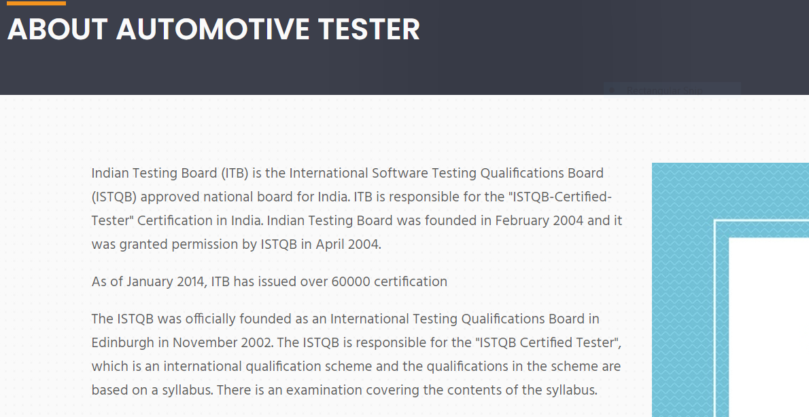 | Major | P1 | New
DEF_ISTQB_SP_38 | ISTQB_SP_57 | should redirect to respective page | page not found error shown | 1.Open https://istqb.in and press enter 2.Click on Specialist 3.Click on Acceptance Testing 4.Click on Accredited Training provider |  | Major | P1 | New
DEF_ISTQB_SP_39 | ISTQB_SP_58 | should redirect to respective page | page not found error shown | 1.Open https://istqb.in and press enter 2.Click on Specialist 3.Click on Acceptance Testing 4.Click on ISTQB Member Boards |  | Major | P1 | New
DEF_ISTQB_SP_40 | ISTQB_SP_59 | should redirect to respective page | page not found error shown | 1.Open https://istqb.in and press enter 2.Click on Specialist 3.Click on Acceptance Testing 4.Click on ISTQB Accredited Training providers |  | Major | P1 | New
DEF_ISTQB_SP_41 | ISTQB_SP_60 | should opens pdf | one link for Acceptance Testing Specialist Accreditation Guidelines opens pdf page not found error shown in respective page | 1.Open https://istqb.in and press enter 2.Click on Specialist 3.Click on Acceptance Testing 4.Click on links under Materials for download |  | Major | P1 | New
DEF_ISTQB_SP_42 | ISTQB_SP_62 | should redirect to respective page | page not found error shown | 1.Open https://istqb.in and press enter 2.Click on Specialist 3.Click on Gambling industry Tester 4.Click on Accredited Training provider |  | Major | P1 | New
DEF_ISTQB_SP_43 | ISTQB_SP_63 | should redirect to respective page | page not found error shown | 1.Open https://istqb.in and press enter 2.Click on Specialist 3.Click on Gambling industry Tester 4.Click on ISTQB Member Boards |  | Major | P1 | New
DEF_ISTQB_SP_44 | ISTQB_SP_64 | should redirect to respective page | page not found error shown | 1.Open https://istqb.in and press enter 2.Click on Specialist 3.Click on Gambling industry Tester 4.Click on ISTQB Accredited Training providers |  | Major | P1 | New
DEF_ISTQB_SP_45 | ISTQB_SP_66 | should navigate back | not able to navigate back on clicking back arrow of browser | 1.Open https://istqb.in and press enter 2.Click on Specialist 3.Click on Gambling industry Tester 4.Click on links under Materials for download 5.Click on back arrow |  | Major | P1 | New
DEF_ISTQB_SP_46 | ISTQB_SP_68 | should redirect to respective page | page not found error shown | 1.Open https://istqb.in and press enter 2.Click on Specialist 3.Click on Mobile Application Testing 4.Click on Accredited Training provider |  | Major | P1 | New
DEF_ISTQB_SP_47 | ISTQB_SP_69 | should redirect to respective page | page not found error shown | 1.Open https://istqb.in and press enter 2.Click on Specialist 3.Click on Mobile Application Testing 4.Click on ISTQB Member Boards |  | Major | P1 | New
DEF_ISTQB_SP_48 | ISTQB_SP_70 | should redirect to respective page | page not found error shown | 1.Open https://istqb.in and press enter 2.Click on Specialist 3.Click on Mobile Application Testing 4.Click on ISTQB Accredited Training providers |  | Major | P1 | New
DEF_ISTQB_SP_49 | ISTQB_SP_72 | should navigate back | not able to navigate back on clicking back arrow of browser | 1.Open https://istqb.in and press enter 2.Click on Specialist 3.Click on Mobile Application Testing 4.Click on links under Materials for download 5.Click on back arrow |  | Major | P1 | New
DEF_ISTQB_SP_50 | ISTQB_SP_74 | should redirect to respective page | page not found error shown | 1.Open https://istqb.in and press enter 2.Click on Specialist 3.Click on Performance Testing 4.Click on Accredited Training provider |  | Major | P1 | New
DEF_ISTQB_SP_51 | ISTQB_SP_75 | should redirect to respective page | page not found error shown | 1.Open https://istqb.in and press enter 2.Click on Specialist 3.Click on Performance Testing 4.Click on ISTQB Member Boards |  | Major | P1 | New
DEF_ISTQB_SP_52 | ISTQB_SP_76 | should redirect to respective page | page not found error shown | 1.Open https://istqb.in and press enter 2.Click on Specialist 3.Click on Performance Testing 4.Click on ISTQB Accredited Training providers |  | Major | P1 | New
DEF_ISTQB_SP_53 | ISTQB_SP_78 | should navigate back | not able to navigate back on clicking back arrow of browser | 1.Open https://istqb.in and press enter 2.Click on Specialist 3.Click on Performance Testing 4.Click on links under Materials for download 5.Click on back arrow |  | Major | P1 | New
DEF_ISTQB_SP_54 | ISTQB_SP_80 | should redirect to respective page | page not found error shown | 1.Open https://istqb.in and press enter 2.Click on Specialist 3.Click on Usability Testing 4.Click on Accredited Training provider |  | Major | P1 | New
DEF_ISTQB_SP_55 | ISTQB_SP_81 | should redirect to respective page | page not found error shown | 1.Open https://istqb.in and press enter 2.Click on Specialist 3.Click on Usability Testing 4.Click on ISTQB Member Boards |  | Major | P1 | New
DEF_ISTQB_SP_56 | ISTQB_SP_82 | should redirect to respective page | page not found error shown | 1.Open https://istqb.in and press enter 2.Click on Specialist 3.Click on Usability Testing 4.Click on ISTQB Accredited Training providers |  | Major | P1 | New
DEF_ISTQB_SP_57 | ISTQB_SP_83 | should opens pdf | one link except link for Usability Testing Specialist FL Syllabus opens pdf page not found error shown in respective page | 1.Open https://istqb.in and press enter 2.Click on Specialist 3.Click on Click on Usability Testing 4.Click on links under Materials for download |  | Major | P1 | New
DEF_ISTQB_SP_58 | ISTQB_SP_84 | should navigate back | not able to navigate back on clicking back arrow of browser | 1.Open https://istqb.in and press enter 2.Click on Specialist 3.Click on Click on Usability Testing 4.Click on links under Materials for download 5.Click on back arrow |  | Major | P1 | New
DEF_ISTQB_SP_59 | ISTQB_SP_87 | should navigate back | not able to navigate back on clicking back arrow of browser | 1.Open https://istqb.in and press enter 2.Click on Specialist 3.Click on AI Testing 4.Click on links under Materials for download 5.Click on back arrow |  | Major | P1 | New
DEF_ISTQB_SP_60 | ISTQB_SP_91 | should provide max length limit | max limit is not provided | 1.Open https://istqb.in and press enter 2.Click on Specialist 3.Click on Enrollment 4.Select Corporate 5.Select Exam Level 6.Select user type 7.Enter data on Company code | 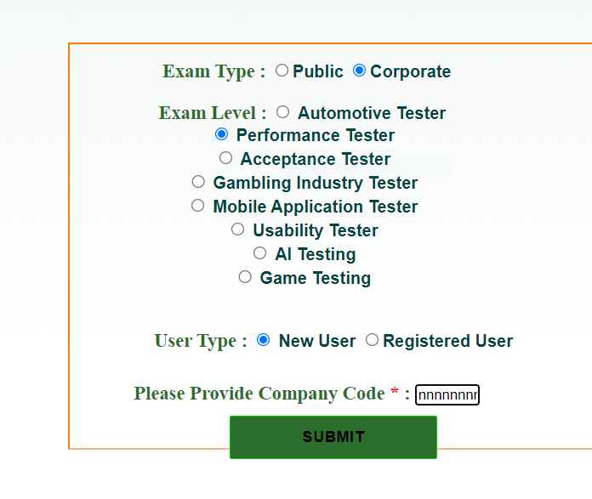 | Major | P1 | New
DEF_ISTQB_SP_61 | ISTQB_SP_93 | should load same page with same data | a different page with different options loaded | 1.Open https://istqb.in and press enter 2.Click on Specialist 3.Click on Enrollment 4.Select Corporate 5.Select Exam Level 6.Select user type 7.Enter data on Company code 8.Click on Submit | 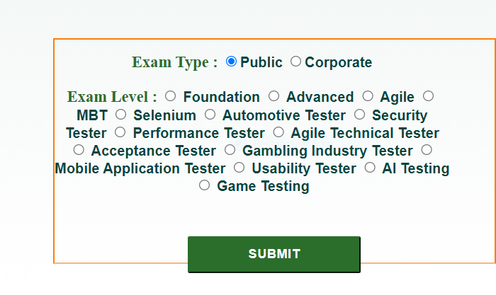 | Major | P1 | New
DEF_ISTQB_SP_62 | ISTQB_SP_96 | should able to open dropdown | no options provided in drop down | 1.Open https://istqb.in and press enter 2.Click on Specialist 3.Click on Enrollment 4.Select Corporate 5.Select Exam Level 6.Select user type 7.Enter data on Company code 8.Click on Submit 9.Select a option 10.Click on the dropdown of Exam City |  | Major | P1 | New
DEF_ISTQB_SP_63 | ISTQB_SP_97 | should able to open dropdown | no options provided in drop down | 1.Open https://istqb.in and press enter 2.Click on Specialist 3.Click on Enrollment 4.Select Corporate 5.Select Exam Level 6.Select user type 7.Enter data on Company code 8.Click on Submit 9.Select a option 10.Click on the dropdown of Exam date |  | Major | P1 | New
DEF_ISTQB_SP_64 | ISTQB_SP_98 | should able to open dropdown | no options provided in drop down | 1.Open https://istqb.in and press enter 2.Click on Specialist 3.Click on Enrollment 4.Select Corporate 5.Select Exam Level 6.Select user type 7.Enter data on Company code 8.Click on Submit 9.Select a option 10.Click on the dropdown of Exam Centre |  | Major | P1 | New
DEF_ISTQB_SP_65 | ISTQB_SP_99 | should provide maxlength limit in password field | no max limit provided | 1.Open https://istqb.in and press enter 2.Click on Specialist 3.Click on Enrollment 4.Select Corporate 5.Select Exam Level 6.Select user type 7.Enter data on Company code 8.Click on Submit 9.Type data |  | Major | P1 | New
DEF_ISTQB_SP_66 | ISTQB_SP_109 | should provide max length limit | max length limit not provided | 1.Open https://istqb.in and press enter 2.Click on Specialist 3.Click on Enrollment 4.Select Corporate 5.Select Exam Level 6.Select user type 7.Enter data on Company code 8.Click on Submit 9.Type data |  | Major | P1 | New
DEF_ISTQB_SP_67 | ISTQB_SP_112 | should able to select value from dropdown | many duplication found in dropdown | 1.Open https://istqb.in and press enter 2.Click on Specialist 3.Click on Enrollment 4.Select Corporate 5.Select Exam Level 6.Select user type 7.Enter data on Company code 8.Click on Submit 9.Select city |  | Major | P1 | New
DEF_ISTQB_SP_68 | ISTQB_SP_114 | should restrict entry of alphabhets and special characters | no restriction provided | 1.Open https://istqb.in and press enter 2.Click on Specialist 3.Click on Enrollment 4.Select Corporate 5.Select Exam Level 6.Select user type 7.Enter data on Company code 8.Click on Submit 9.Enter data |  | Major | P1 | New
DEF_ISTQB_SP_69 | ISTQB_SP_119 | shoulld provide max length limit and accept only valid email id | max length limit not provided and it accepts invalid email id format | 1.Open https://istqb.in and press enter 2.Click on Specialist 3.Click on Enrollment 4.Select Corporate 5.Select Exam Level 6.Select user type 7.Enter data on Company code 8.Click on Submit 9.Enter data |  | Major | P1 | New
DEF_ISTQB_SP_70 | ISTQB_SP_121 | should get same data copied to respective fields | state and city field data not copied | 1.Open https://istqb.in and press enter 2.Click on Specialist 3.Click on Enrollment 4.Select Corporate 5.Select Exam Level 6.Select user type 7.Enter data on Company code 8.Click on Submit 9.Choose same as permanent address option |  | Major | P1 | New
DEF_ISTQB_SP_71 | ISTQB_SP_122 | should provide max length limit | max length limit not provided | 1.Open https://istqb.in and press enter 2.Click on Specialist 3.Click on Enrollment 4.Select Corporate 5.Select Exam Level 6.Select user type 7.Enter data on Company code 8.Click on Submit 9.Type data |  | Major | P1 | New
DEF_ISTQB_SP_72 | ISTQB_SP_125 | should able to select value from dropdown | many duplication found in dropdown | 1.Open https://istqb.in and press enter 2.Click on Specialist 3.Click on Enrollment 4.Select Corporate 5.Select Exam Level 6.Select user type 7.Enter data on Company code 8.Click on Submit 9.Select city |  | Major | P1 | New
DEF_ISTQB_SP_73 | ISTQB_SP_128 | should able to submit | The Exam city,exam date,exam centre fields are not able to select which remains as required field hence not able to submit | 1.Open https://istqb.in and press enter 2.Click on Specialist 3.Click on Enrollment 4.Select Corporate 5.Select Exam Level 6.Select user type 7.Enter data on Company code 8.Click on Submit 9.Click on Submit button |  | Major | P1 | New

BR_Contact
ISTQB(Indian Site)
Module Name:Contact Page |  |  |  |  |  | Date:
Verified By:Rakhi |  |  |  |  |  | Tested By:Lia Babu M
Bug Id | Test Id | Expected Result | Bug Description | Steps to reproduce | Screenshot | Severity | Priority | Status
DEF_ISTQB_CP_01 | ISTQB_CP_03 | should provide mailid inside the link tag | one mail id not provided inside the link | 1.Open https://istqb.in and press enter 2.Check all mail id are provided as link |  | Major | P1 | New
DEF_ISTQB_CP_02 | ISTQB_CP_05 | should send details to server on clicking the button | takes a lot of time and not able to send question | 1.Open https://istqb.in and press enter 2.Click on contact 3.Enter the details in need help section 4.Click send question button | 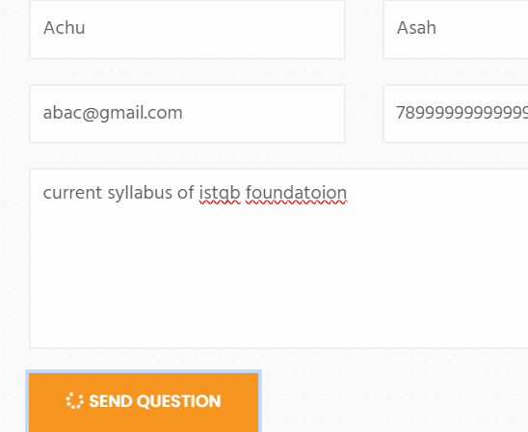 | Major | P1 | New
DEF_ISTQB_CP_03 | ISTQB_CP_06 | should provide max length limit | max length limit not provided | 1.Open https://istqb.in and press enter 2.Click on contact 3.Enter data on First name field |  | Major | P1 | New
DEF_ISTQB_CP_04 | ISTQB_CP_07 | should provide restriction on numbers and symbols | can enter numbers and symbols | 1.Open https://istqb.in and press enter 2.Click on contact 3.Enter data on First name field |  | Major | P1 | New
DEF_ISTQB_CP_05 | ISTQB_CP_08 | should provide max length limit | max length limit not provided | 1.Open https://istqb.in and press enter 2.Click on contact 3.Enter data on Last name field |  | Major | P1 | New
DEF_ISTQB_CP_06 | ISTQB_CP_09 | should provide restriction on numbers and symbols | can enter numbers and symbols | 1.Open https://istqb.in and press enter 2.Click on contact 3.Enter data on Last name field |  | Major | P1 | New
DEF_ISTQB_CP_07 | ISTQB_CP_10 | should provide max length limit | max length limit not provided | 1.Open https://istqb.in and press enter 2.Click on contact 3.Enter data on Email field |  | Major | P1 | New
DEF_ISTQB_CP_08 | ISTQB_CP_12 | should provide max length limit | max length limit not provided | 1.Open https://istqb.in and press enter 2.Click on contact 3.Enter data on Phone number field |  | Major | P1 | New
DEF_ISTQB_CP_09 | ISTQB_CP_13 | should accepts only numbers | accepts alphabhets and symbols | 1.Open https://istqb.in and press enter 2.Click on contact 3.Enter data on Phone number field |  | Major | P1 | New
DEF_ISTQB_CP_10 | ISTQB_CP_14 | should provide max length limit | max length limit not provided | 1.Open https://istqb.in and press enter 2.Click on contact 3.Enter data on Question field |  | Major | P1 | New

Defect Distribution
Defect Distribution Graph
MODULE NAME | DEFECT DISTRIBUTION
HOME PAGE | 22
ABOUT PAGE | 10
FOUNDATION PAGE | 52
ADVANCED PAGE | 37
AGILE PAGE | 30
SPECIALIST PAGE | 73
NEW CERTIFICATIONS PAGE | 24
CONTACT PAGE | 10

Defect Distribution Graph
MODULE NAME | 0
HOME PAGE | 22
ABOUT PAGE | 10
FOUNDATION PAGE | 52
ADVANCED PAGE | 37
AGILE PAGE | 30
SPECIALIST PAGE | 73
NEW CERTIFICATIONS PAGE | 24
CONTACT PAGE | 10

