tbl1
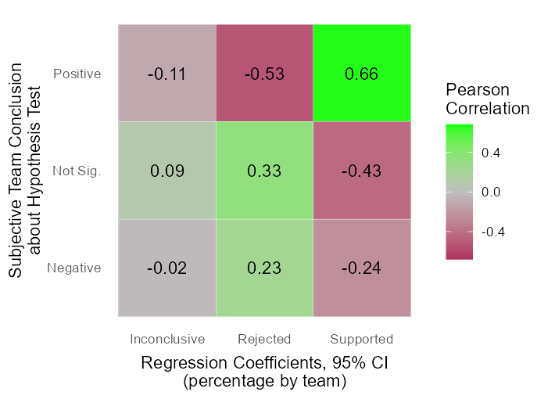
Fig 1. Results of Seventy-One Research Teams Testing the Same Hypothesis with the Same Data
 | Average Rate | Ratea
Results | (out of 71 teams) | (out of 1261 models)
Empirical
Positive | 27.70% | 19.49%
Insignificant | 55.25% | 64.38%
Negative | 16.86% | 16.12%
(test failed) | 0.19% | 0.01%
TOTAL | 100.00% | 100.00%
Subjective, Hypothesis is
Supported | 25.84%
Not testable/inconclusive | 12.36%
Rejected | 60.67%
TOTAL | 100.00%
aOf the 71 teams in the CRI,16 of them treated stock and flow measures as independent tests of the hypothesis. Therefore, there are 87 team-level observed tests, each with an independent subjective conclusion. Of these 87 team-level results there was an average of 17.69 test models per team [sd =18.77, min =1, max =112].

