Sheet1
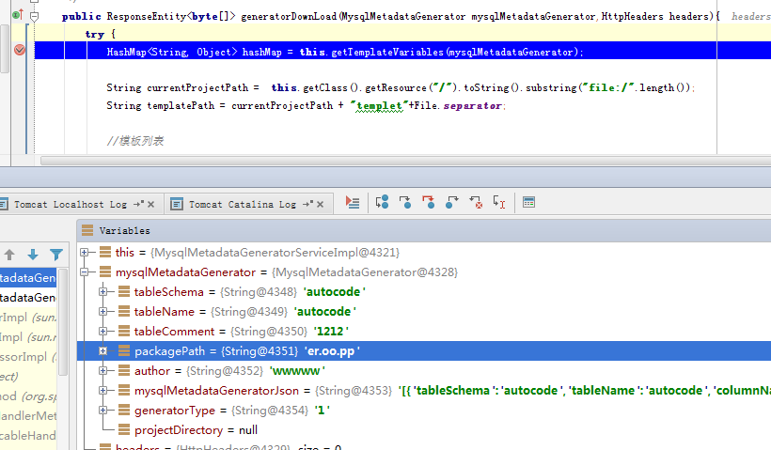

mysqlMetadataGeneratorJson
[{"tableSchema":"autocode","tableName":"autocode","columnName":"id","dataType":"bigint","columnKey":"PRI","extra":"auto_increment","columnComment":"PK_AutoUp","flag":null,"filter":null},{"tableSchema":"autocode","tableName":"autocode","columnName":"name","dataType":"varchar","columnKey":"","extra":"","columnComment":"名称","flag":null,"filter":null}]

