总结
ctlfile | ctlpath | db |  | 导入成功条数 | 未导入数据量 | 未导入原因
eas_course_basicinfo | course | db1 |  | 6369 | 0
eas_org_baseinfo | org | db1 | 合并文件 | 926
eas_org_classinfo | org | db1 | 合并文件 | 55269 | 0
cps_student | student | db1 |  | 7336804
eas_schroll_studentbaseinfo | student | db1 |  | 7336800
eas_spy_basicinfo | spy | db1 |  | 629
eas_spy_openspycenter | spy | db1 |  | 370
eas_spy_openspysegment | spy | db1 | 合并文件 | 774 | 4 | 没有学生类型
eas_spy_openspylearn | spy | db1 | 合并文件 | 8977 | 3 | 没有学生类型
eas_tcp_cooperation | guidance | db1 |  | 26
eas_tcp_guidance | guidance | db1 |  | 3173
eas_tcp_module | guidance | db1 |  | 19296
eas_tcp_modulecourses | guidance | db1 |  | 295045
eas_tcp_conversioncourse | guidance | db1 |  | 2027
eas_tcp_segmsemecourses | semcourse | db1 | 合并文件 | 16920
eas_tcp_learcentsemecour | semcourse | db1 | 合并文件 | 7873938
eas_tcp_implementation | impl | db1 | 合并文件 | 14967
eas_tcp_implmodulecourse | impl | db1 | 合并文件 | 1146888
eas_tcp_segmentcourses | segcourse | db1 | 合并文件 | 16920
eas_tcp_learcentcourse | leacourse | db1 | 合并文件 | 2523674
eas_tcp_execution | exec | db1 | 合并文件 | 7465
eas_tcp_execmodulecourse | exec | db1 | 合并文件 | 369654
eas_expt_outcoursesource | expt | db1 |  | 6
eas_expt_exemptreason | expt | db1 |  | 12
cps_auditrule | expt | db1 | 合并文件 | 63
eas_expt_specialty | expt | db1 | 合并文件 | 474
eas_expt_cert | expt | db1 | 合并文件 | 393
cps_exemptapply | expt | db1 | 合并文件 | 222399
eas_exmm_exambatch | exmm | db1 |  | 24
eas_exmm_definition | exmm | db1 |  | 24
eas_exmm_netexamspy | exmm | db1 |  | 85
eas_exmm_examination | exmm | db1 | 合并文件 | 16
eas_exmm_netexamsubjectcourse | exmm | db1 |  | 3
eas_exmm_subject | exmmsubject | db1 | 合并文件 | 5242 | 总部+五家分部
eas_exmm_examsite | exmm | db1 | 合并文件 | 2032
cps_kslb | cpsks | db1 | 合并文件 | 69
cps_kskc | cpsks | db1 | 合并文件 | 55254
exmm_netexamscoreA | score | db2
exmm_netexamscoreB | score | db3 |  | 260000 |  | WKCJB总记录4194912条，但其中包含了重复数据比如图中记录，最后取XSH的最大值那条，实现记录4194734
exmm_societyscoreA | score | db2
exmm_societyscoreB | score | db3 |  | 8226 |  | SHKMCJB总记录32431
exmm_composescoreA | score | db2
exmm_composescoreB | score | db3 |  | 73484199 |  | ZCJB总记录：138141389
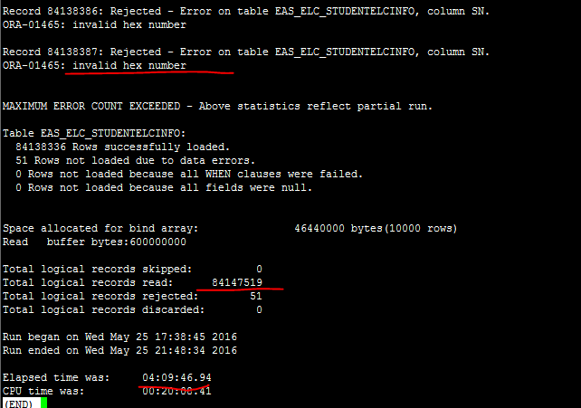
elc_elcA | stucourse | db2
elc_elcB | stucourse | db3 |  | 84147519 |  | XSXKJGB总记录：156712418
elc_studystatusA | stucourse | db2
elc_studystatusB | stucourse | db3
eas_exmm_signupA | stucourse | db2 | 合并文件
eas_exmm_signupB | stucourse | db3 | 合并文件 | 3174943
eas_schroll_rollbatch | exmm | db1 |  | 38
cps_studentinfomodify | student | db1 | 合并文件 | 14464 | 五家分部
eas_exmm_orderA | order | db2 | 合并文件
eas_exmm_orderB | order | db3 |  | 520000
cps_sjddbA | order | db2 | 合并文件
cps_sjddbB | order | db3 |  | 446949
cps_daddbA | order | db2 | 合并文件
cps_daddbB | order | db3 |  | 261609
cps_tqddbA | order | db2 | 合并文件
cps_tqddbB | order | db3 |  | 127313
cps_cdddbA | order | db2 | 合并文件
cps_cdddbB | order | db3 |  | 127457
cps_jhkkkcb | exmm | db1 | 合并文件 | 786949
cps_jhkkkmb | exmm | db1 | 合并文件 | 109005
eas_tcp_degreerule | guidance | db1 |  | 70
cps_degreecourse | guidance | db1 |  | 237 | 12 | 无课程考试单位
cps_degreeenglish | guidance | db1 |  | 27
cps_penalty | guidance | db1 |  | 39
eas_tcp_mutexcourses | guidance | db1 |  | 154
cps_newoldguidance | guidance | db1 |  | 3173 | 相当于专业规则使用年度学期表
eas_grad_batch | grad | db1 |  | 15
cps_gradstudent | grad | db1 |  | 7337513 | 39记录毕业学校有问题

