采集器包装要求
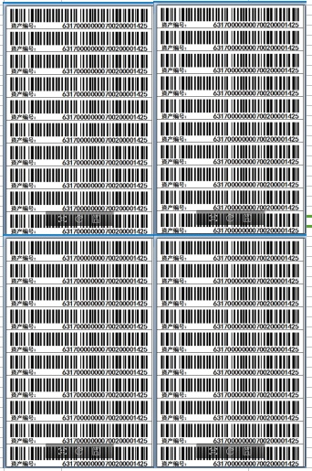
三星广东东莞19279+14824只南网II采供货要求
供货厂家:东软载波科技股份有限公司 |  |  |  | \
产品型号：DCZL13-SX129C 数量：19279+14824 供货地区：广东东莞 |  |  |  | 请确认型号、数量，供货地区
 | 序号 | 需确认的项目 | 技术协议/客户要求 | 根据技术协议我司给出的制作标准
采集器硬件要求 | 1 | 采集器执行标准 | 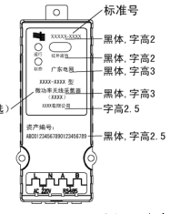 | 南网II型采集器标准
 | 2 | 台区载波方案 | II 型采集器（窄带载波方案） | 载波方案(270kHz 东软)
 | 3 | 采集器接线线束类型 | \ | 南网普通线束，母头部分与采集器直接相连，引线线长15cm;公头部分与电源和电能表相连，引线线长为50cm（随整机发货）
应用程序 | 1 | 采集器应用程序 | \ | 南网II采应用程序：PLCM16-II-NW(v1.2)-170908
参数 | 1 | 通信地址 |  | 1、44621706964C-44621706E19A，数量：19279 2、44621706E19B-446217071B82，数量：14824
 | 2 | 资产编号（局号） |  | 1、03001ZC00000021700431692-03001ZC00000021700450970，数量：19279 2、03001ZC00000021700450971-03001ZC00000021700465794，数量：14824
 | 3 | 出厂编号 | \ | \
包装、制作要求 | 1 | 采集器铭牌 | 整机采购东软厂家，标牌（物料号：577061000576暂未激活ERP暂不挂）、说明书（物料号：577122000522未激活ERP暂不挂；用量：0.05）、合格证（27392100017）我司提供。 | 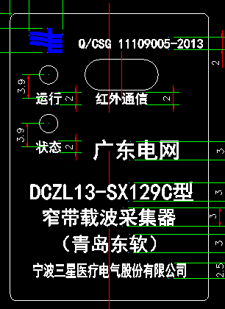 我司采购铭牌粘贴，铭牌保护膜去掉。
 | 2 | 资产条码贴 | 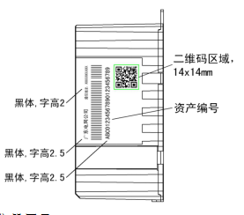 激光打印 | 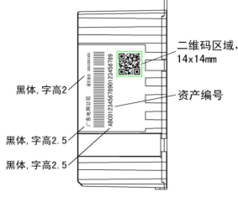 1、采集器正面激光刻印24位资产编号（黑体，字高2.5），如下图红框部分。 2、壳体右侧激光刻印条码，图纸示意见下图，采用 code128 码编码，左上角黑体，字高2.5打印“广东电网公司”，右上角黑体，字高2打印12位“通信地址：XXXXXXXXXXXX”，条码打印黑体，字高2.5，24位的资产编号，二维码为24位的资产编号。 备注：一维45*7MM, 二维14*14MM
 | 3 | 合格证粘贴 | 整机采购东软厂家，标牌（物料号：577061000576暂未激活ERP暂不挂）、说明书（物料号：577122000522未激活ERP暂不挂；用量：0.05）、合格证（27392100017）我司提供。 | 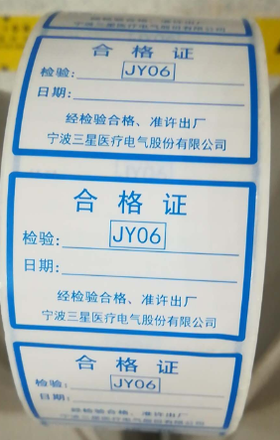 东软根据客户图纸采购申请，采集器顶部粘贴，方向一致
 | 4 | 是否需要说明书 | 整机采购东软厂家，标牌（物料号：577061000576暂未激活ERP暂不挂）、说明书（物料号：577122000522未激活ERP暂不挂；用量：0.05）、合格证（27392100017）我司提供。 | 我司打印，电子版《DCZL13-SX129C型(南网 东软四代)采集器使用说明书17标准》 每箱2本用量。 单独包装
 | 5 | 采集器包装箱包装样式 | 供货厂家按科陆纸箱图纸供货, 40只/箱 | 我司常规备库40只装中性纸箱，箱尺寸：395*285*260mm，箱体外除“向上”“怕湿”等国标的标识外无任何厂商信息，见下图，公司信息可以在箱贴中体现。
 | 6 | 采集器包装物 | \ | 默认使用隔断包装
 | 7 | 采集器箱贴格式、大小、粘贴位置 |  | 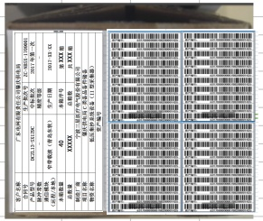 标签纸:150*210mm(A5)打印24位资产编号，粘贴到A4纸上（已做打印模板，打印时找相关人提供），然后用透明胶带粘贴于外包装箱的两个侧立面，效果图如下： 条码纸需与箱贴粘贴在同一面 备注：字号为16号加粗，其中本箱数量、本箱序号总数量、总箱数内容字号为20号黑体加粗，条码采用Code128码 请贵司检查图1箱贴内容 请贵司提供批次号和项目名称
 | 8 | 光盘 |  | 贵司提供光盘
 | 9 | 其他 | \
注：必填项为厂家确认是否需要此项内容，若需要，则厂家给出相应的制作、确认信息；若不需要，请填不需要。
可选项为厂家若有要求，则给出相应的制作、确认要求；若不要需要或无要求，则按照东软默认参数制作、包装。
文档制作：
确认：
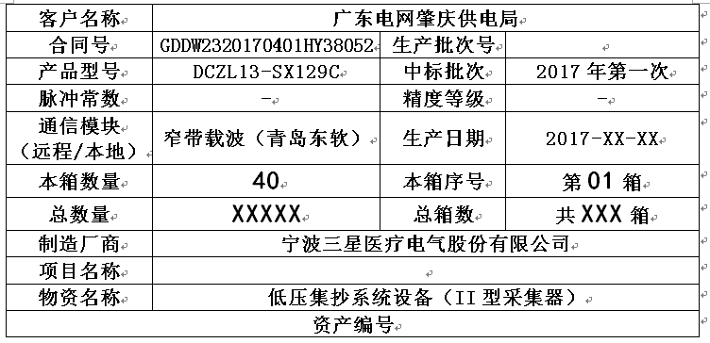

 |  |  | 图1

 |  | 资产编号打印示意，150*210mm(A5)，左右共计打印40只

