post Kepler 1
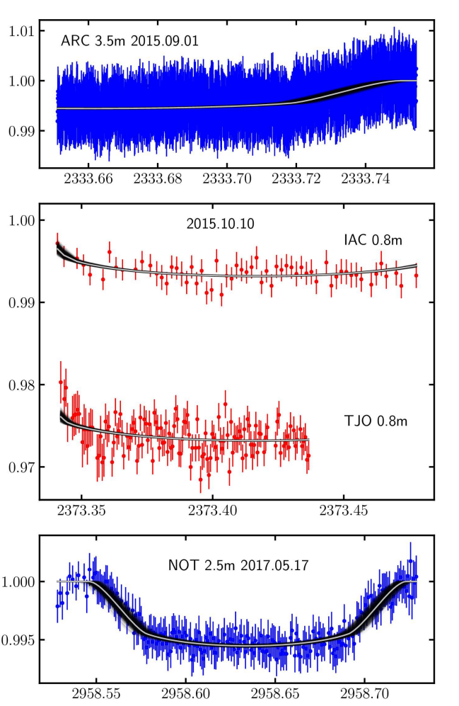
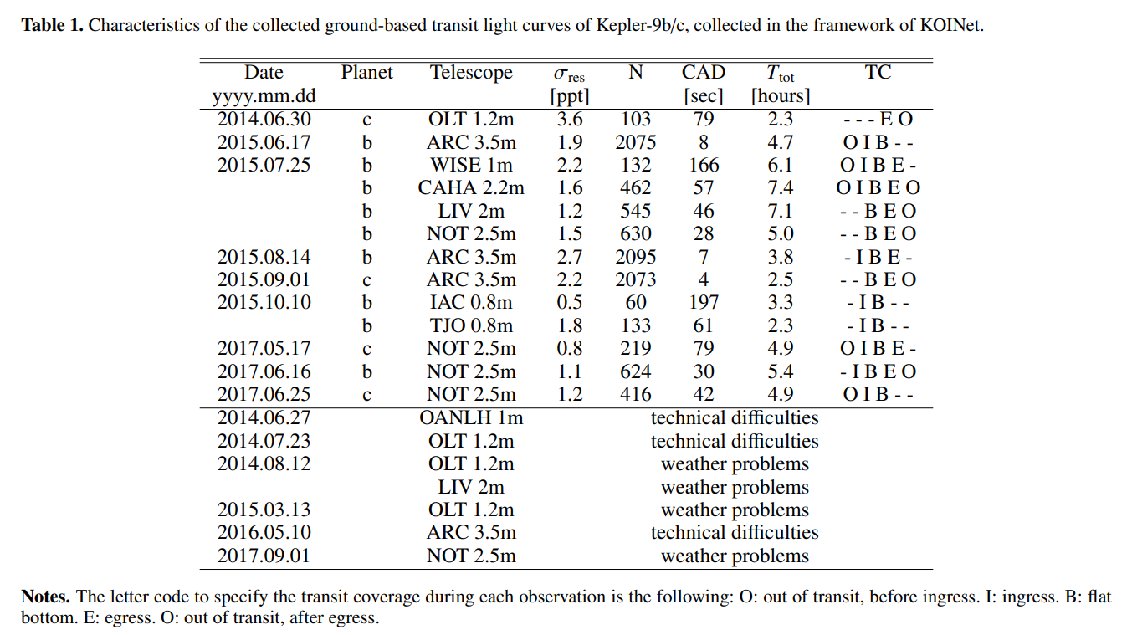

TT
+- | 0.0100
T1 |  | T12
T2 |  | T23
T3 | 2333.7196 | T34 | 0.0292
T4 | 2333.7488 | T14

BJD | cm | BJD/cm
0.02 | 5 | 0.004

TT
+- | 0.0150
T1 |  | T12
T2 | 2373.3439 | T23
T3 |  | T34
T4 |  | T14

BJD | cm | BJD/cm
0.05 | 9.5 | 0.0052631578947

TT | 2958.6357
+- | 0.0046
T1 | 2958.5469 | T12 | 0.0305
T2 | 2958.5774 | T23 | 0.1164
T3 | 2958.6938 | T34 | 0.0282
T4 | 2958.7220 | T14 | 0.1751

BJD | cm | BJD/cm
0.05 | 6.47 | 0.0077279752705

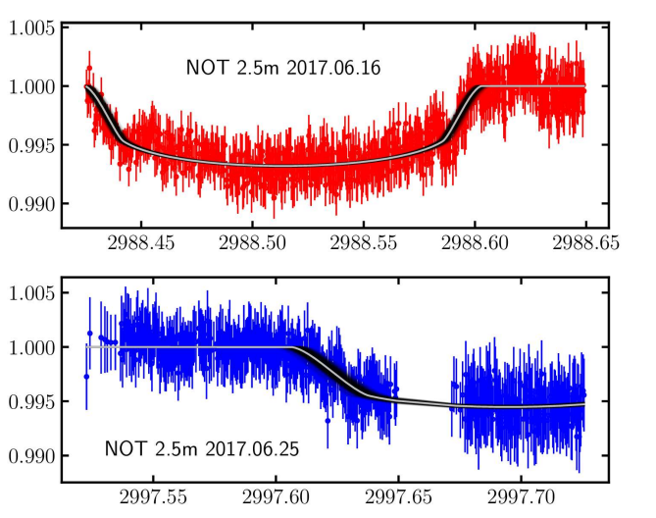
TT | 2988.5134
+- | 0.0055
T1 |  | T12
T2 | 2988.4419 | T23 | 0.1450
T3 | 2988.5869 | T34 | 0.0149
T4 | 2988.6018 | T14

BJD | cm | BJD/cm
0.05 | 5.53 | 0.0090415913201

TT
+- | 0.0100
T1 | 2997.6078 | T12 | 0.0283
T2 | 2997.6361 | T23
T3 |  | T34
T4 |  | T14

BJD | cm | BJD/cm
0.05 | 6.37 | 0.0078492935636

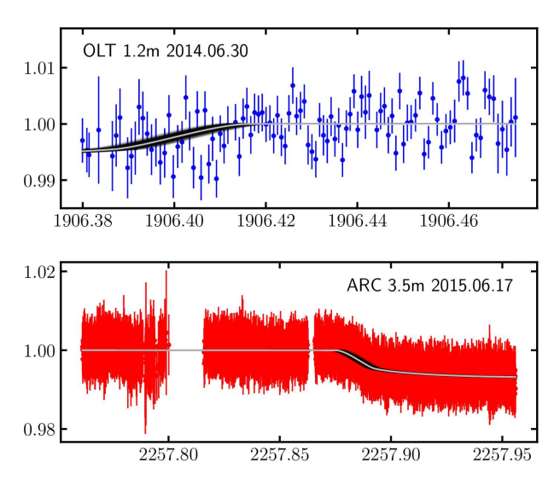

TT
+- | 0.0100
T1 |  | T12
T2 |  | T23
T3 | 1906.3872 | T34 | 0.0293
T4 | 1906.4165 | T14

BJD | cm | BJD/cm
0.02 | 6.25 | 0.0032

TT
+- | 0.0100
T1 | 2257.8758 | T12 | 0.0185
T2 | 2257.8944 | T23
T3 |  | T34
T4 |  | T14

BJD | cm | BJD/cm
0.05 | 7.55 | 0.0066225165563

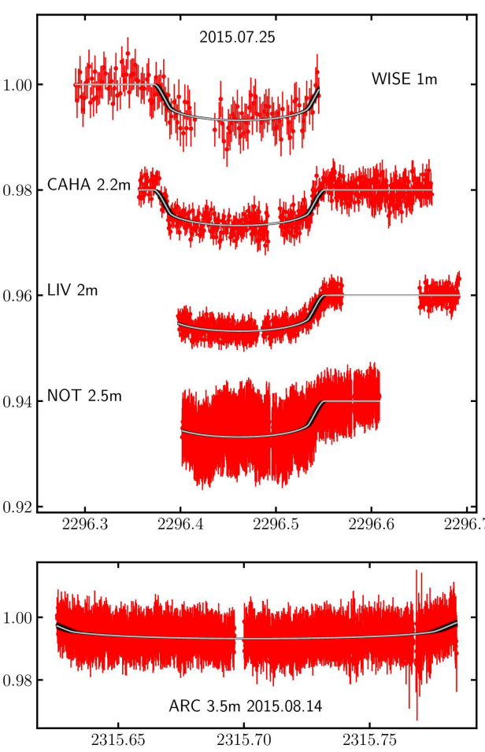

TT
+- | 0.0050
T1 | 2296.3731 | T12 | 0.0184
T2 | 2296.3915 | T23 | 0.1390
T3 | 2296.5305 | T34 | 0.0210
T4 | 2296.5514 | T14 | 0.1783

BJD | cm | BJD/cm
0.1 | 7.06 | 0.014164305949

TT
+- | 0.0060
T1 |  | T12
T2 | 2315.6328 | T23 | 0.1419
T3 | 2315.7747 | T34
T4 |  | T14

BJD | cm | BJD/cm
0.05 | 9.3 | 0.005376344086

TT Residuen
"KEPLER9b", | "KEPLER9c", | Transits vor 2455088.212 gingen nicht in diesen Fit ein, weil die Bahn-Parameter auf diese Epoche bezogen sind.
6.23E-05 | 0.00017838273197 | Transits nach Kepler gingen ebenfalls nicht ein.
-0.00012567220256 | 0.0003351457417
-0.00016781548038 | -0.0014182389714
-0.00056542130187 | 0.001387365628
Max Likelihood Residuen der TT aus MCMC-fit
 | "KEPLER9b", | "KEPLER9c",
 | 6.2306411564E-05 | 0.00017838273197
 | -0.00012567220256 | 0.0003351457417
 | -0.00016781548038 | -0.0014182389714
 | -0.00056542130187 | 0.001387365628
 | 0.00031879823655 | -0.0011388720013
 | 0.0001992941834 | 0.00028699496761
 | -0.00034579075873 | 0.00048944354057
 | 0.00082376925275 | 0.00010274769738
 | 0.00016694422811 | 0.00066324789077
 | 0.00010331720114 | 0.00076423119754
 | -0.00097848754376 | -1.1585652828E-05
 | 0.0003587086685 | 0.0007148408331
 | 0.0001826742664 | -0.00089162308723
 | 0.0011327746324 | -2.0907726139E-05
 | 5.3766183555E-05 | -0.00051605142653
 | 0.00018403539434 | 0.0001705205068
 | 0.00086149480194 | 2.8131064028E-05
 | -0.00017674313858 | -0.0021469444036
 | -0.00072043761611 | -0.0015098685399
 | 0.00098177883774 | -0.00054837064818
 | -0.00030537042767 | 0.0011347536929
 | -0.00090607767925 | 0.0017681578174
 | 0.00075459573418 | 0.00056623201817
 | 0.00016513699666 | 0.00033477181569
 | -0.004703706596 | 0.0011634733528
 | -0.0002907528542 | 0.00089843478054
 | -0.00045868335292 | -0.0013369959779
 | 0.00074508367106 | -0.0020916960202
 | 0.00051051657647 | 0.00041720177978
 | 0.00039025675505 | -0.00024711666629
 | 4.1231513023E-05 | 0.0016041980125
 | -0.0010245675221 | -0.00095296697691
 | 0.00051974784583
 | -0.00019041728228
 | -0.0017840876244
 | 4.2282044888E-07
 | -1.1846423149E-06
 | -0.0010440335609
 | 0.0010312888771
 | -0.00019331788644
 | 0.00039439834654
 | 0.0010359063745
 | -0.00064269499853
 | 0.0002836403437
 | 0.00013205735013
 | 0.00094247981906
 | 0.00066269794479
 | -6.1258208007E-05
 | -6.3952058554E-05
 | 0.0001325532794
...
0.00031879823655 | -0.0011388720013
0.0001992941834 | 0.00028699496761
-0.00034579075873 | 0.00048944354057
0.00082376925275 | 0.00010274769738
0.00016694422811 | 0.00066324789077
0.00010331720114 | 0.00076423119754
-0.00097848754376 | -1.16E-05
0.0003587086685 | 0.0007148408331
0.0001826742664 | -0.00089162308723
0.0011327746324 | -2.09E-05
5.38E-05 | -0.00051605142653
0.00018403539434 | 0.0001705205068
0.00086149480194 | 2.81E-05
-0.00017674313858 | -0.0021469444036
-0.00072043761611 | -0.0015098685399
0.00098177883774 | -0.00054837064818
-0.00030537042767 | 0.0011347536929
-0.00090607767925 | 0.0017681578174
0.00075459573418 | 0.00056623201817
0.00016513699666 | 0.00033477181569
-0.004703706596 | 0.0011634733528
-0.0002907528542 | 0.00089843478054
-0.00045868335292 | -0.0013369959779
0.00074508367106 | -0.0020916960202
0.00051051657647 | 0.00041720177978
0.00039025675505 | -0.00024711666629
4.12E-05 | 0.0016041980125
-0.0010245675221 | -0.00095296697691
0.00051974784583
-0.00019041728228
-0.0017840876244
4.23E-07
-1.18E-06
-0.0010440335609
0.0010312888771
-0.00019331788644
0.00039439834654
0.0010359063745
-0.00064269499853
0.0002836403437
0.00013205735013
0.00094247981906
0.00066269794479
-6.13E-05
-6.40E-05
0.0001325532794
0.00056414911523
7.65E-05
0.0010453741997
-0.0012071048841
-0.00085316598415
-0.0013075228781
0.0011128899641
-0.00032995454967
-0.00153164519
0.00018379371613
0.00085497321561
0.00019305571914
-0.0018621594645

X038 vs. Paper
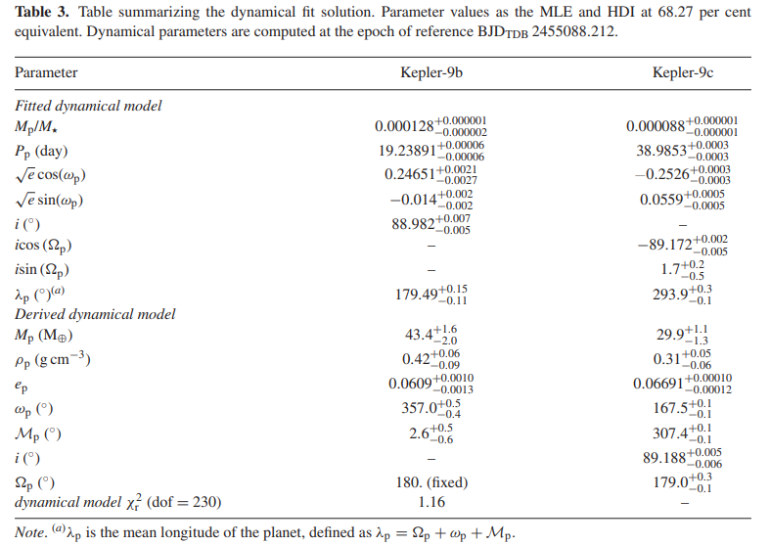
6) HARPS-N radial velocities confirm the low densities of the Kepler-9 planets, Borsato, L et al.: Table 3:

Ulis MCMC fit X038:

long_body_parameter_name | scale | startvalue | lower | upper | sigma | hdi_min | hdi_max | std | mean | median | max_likelihood | hdi/2 vs std | (mean-median)/std | (maxL-median)/std | std/median
"KEPLER9b.mass [m_jup]" | 5.27E-28 | 0.13654783253 | 0.062925268447 | 0.25170107379 | 0.0056632741602 | 0.14022975739 | 0.1433495644 | 0.0015161583847 | 0.14172216754 | 0.14170142656 | 0.14149584361 | 3% | 0.014 | -0.136 | 1.1%
"KEPLER9b.e [1]" | 1 | 0.0609 | 0.05 | 0.07 | 0.0012 | 0.059614214006 | 0.061295046839 | 0.00081538011268 | 0.060441242628 | 0.060443785152 | 0.060520597384 | 3% | -0.003 | 0.094 | 1.3%
"KEPLER9b.P [d]" | 1.16E-05 | 19.25 | 19.15 | 19.35 | 0.05 | 19.243774211 | 19.243931174 | 7.74E-05 | 19.243849962 | 19.243851433 | 19.243867144 | 1% | -0.019 | 0.203 | 0.0%
"KEPLER9b.omega [deg]" | 57.295779513 | 357 | 355 | 359 | 0.5 | 356.39148387 | 357.21388524 | 0.40052524307 | 356.80519543 | 356.81019645 | 356.87576555 | 3% | -0.012 | 0.164 | 0.1%
"KEPLER9b.ma [deg]" | 57.295779513 | 2.6 | 0 | 5 | 0.6 | 2.2533227588 | 3.2644333342 | 0.49200111563 | 2.7687251277 | 2.7637771003 | 2.6887456945 | 3% | 0.010 | -0.153 | 17.8%
"KEPLER9c.mass [m_jup]" | 5.27E-28 | 0.094073276328 | 0.047193951335 | 0.18877580534 | 0.0037755161068 | 0.096458915127 | 0.09858719849 | 0.0010342534971 | 0.097535888004 | 0.097522460141 | 0.097388436409 | 3% | 0.013 | -0.130 | 1.1%
"KEPLER9c.e [1]" | 1 | 0.06691 | 0.055 | 0.075 | 0.00011 | 0.066654789792 | 0.066926513985 | 0.00013774402979 | 0.06679905376 | 0.066793602788 | 0.066713469545 | -1% | 0.040 | -0.582 | 0.2%
"KEPLER9c.P [d]" | 1.16E-05 | 38.95 | 38.5 | 39.5 | 0.1 | 38.983565297 | 38.984399258 | 0.00040874735059 | 38.983990132 | 38.983985386 | 38.983902717 | 2% | 0.012 | -0.202 | 0.0%
"KEPLER9c.Omega [deg]" | 57.295779513 | 179 | 177 | 181 | 0.2 | 178.58228586 | 179.22612266 | 0.31151552236 | 178.91500268 | 178.91032606 | 179.15490976 | 3% | 0.015 | 0.785 | 0.2%
"KEPLER9c.omega [deg]" | 57.295779513 | 167.5 | 167 | 168 | 0.1 | 167.09586479 | 167.37950517 | 0.13903301373 | 167.26209851 | 167.25308201 | 167.15599391 | 2% | 0.065 | -0.698 | 0.1%
"KEPLER9c.ma [deg]" | 57.295779513 | 307.4 | 307 | 308 | 0.1 | 307.54729258 | 307.798525 | 0.12316033264 | 307.65366789 | 307.66125193 | 307.74347177 | 2% | -0.062 | 0.668 | 0.0%

