Planet c
Anwesenheit von Planet b hat keinen nennenswerten Einfluss auf das Verhalten der Planeten c und d.

164 Jahre c und d:

164 Jahre nur d:

164 Jahre nur c:

685 Jahre c und d: |  | 6.3 | cm c |  | 78.760091137 |  |  | 661.46475017

685 Jahre c und d, t von d -20,2817 (0,5P):

685 Jahre c und d, t von d -10,1408 (0,25P):

685 Jahre c und d, t von d -5,0704 (0,125P):

685 Jahre c und d, t von d -1.4086 (identisch mit t von c): |  |  |  | c 875 transits (ca. 105 pro Transitphase) |  |  |  | d 1320 transits (ca. 78 Transits pro Transitphase)

Predicted Transits c (Vitkova):
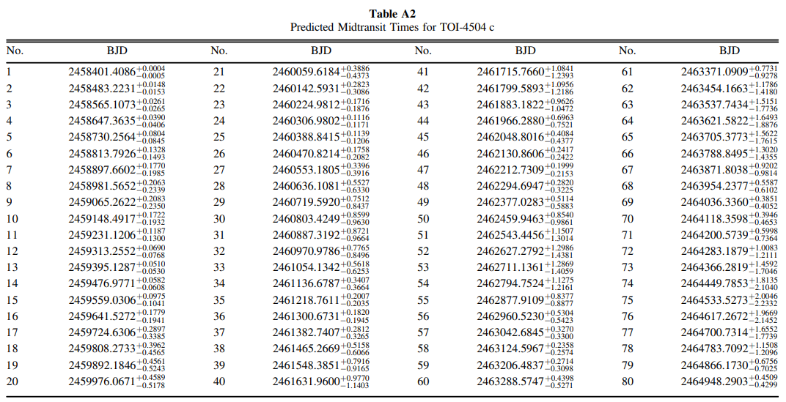

dt = 200

dt = 4000 | Periode ca 3% laenger |  | 140000 | Tage | 365.25 | 383 | Jahre

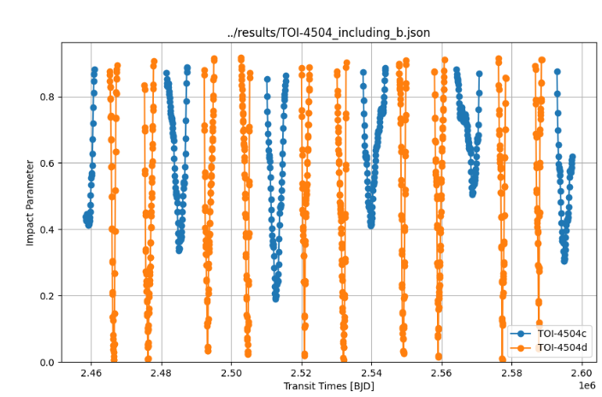
 |  |  |  |  |  |  |  | Transitverhalten im System hat eine Periode von ca. 27000 Tagen (=74 Jahre).
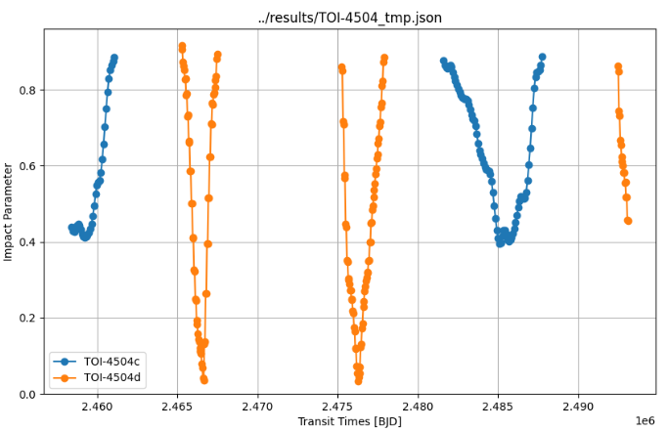

140000 | Tage = | 383 | Jahre

27000 | Tage = | 74 | Jahre

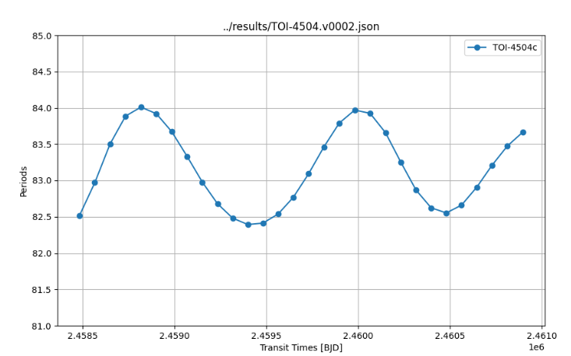
 |  |  |  |  |  |  |  |  | Jahre | Transits
 |  |  |  |  |  |  |  |  | 8 | d
 |  |  |  |  |  |  |  |  | 20 | -
 |  |  |  |  |  |  |  |  | 8 | d
 |  |  |  |  |  |  |  |  | 11 | -
 |  |  |  |  |  |  |  |  | 16 | c
 |  |  |  |  |  |  |  |  | 11 | -

