1
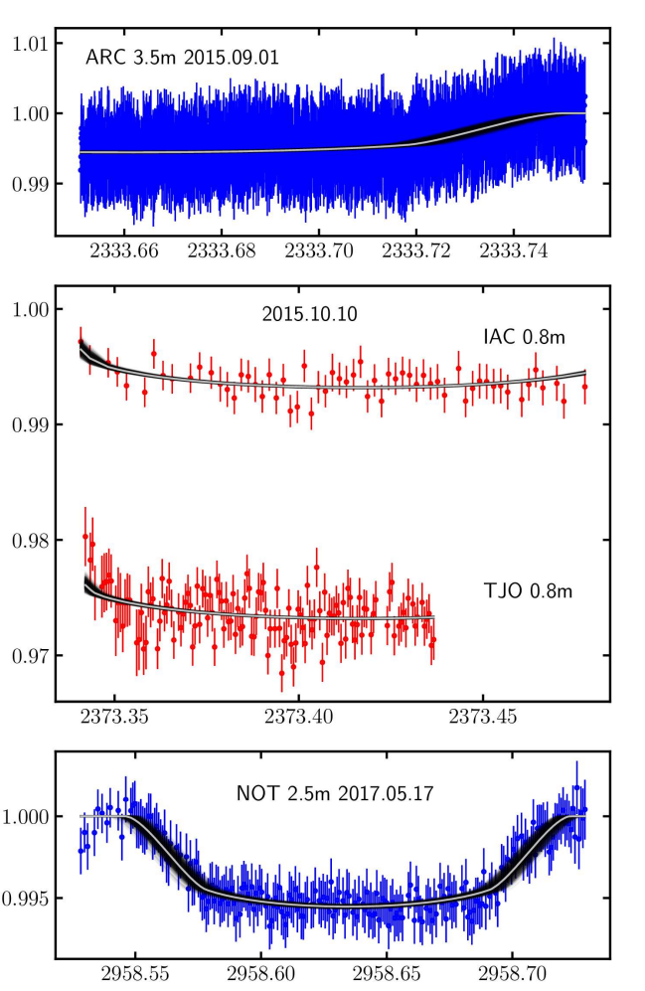
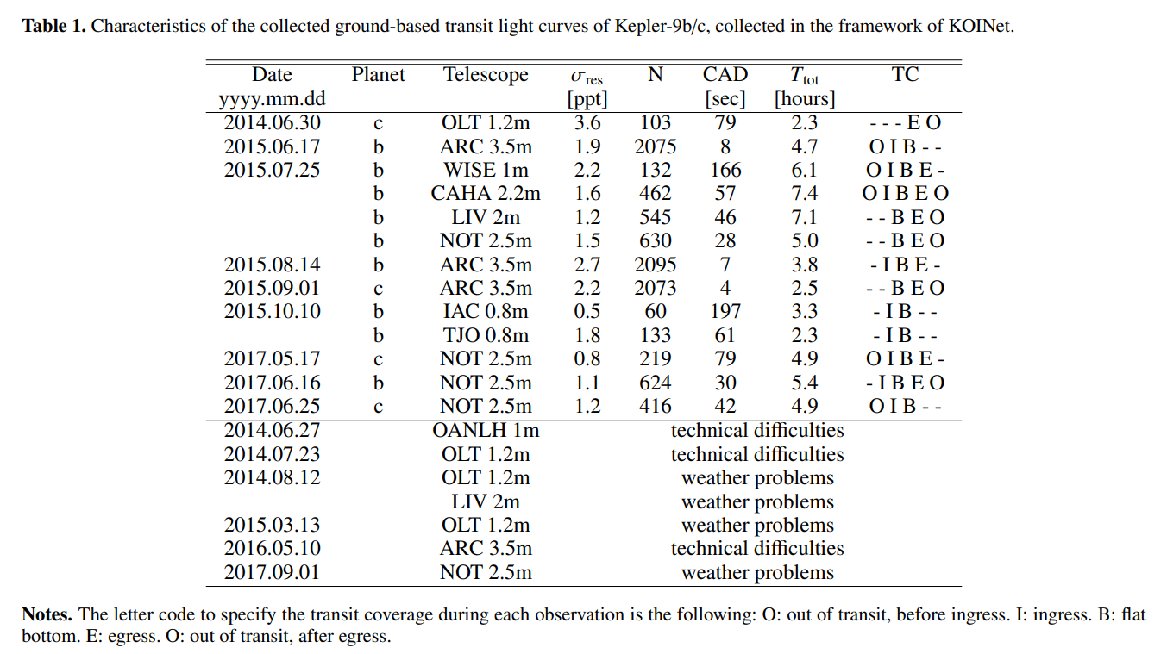

TT
+- | 0.0100
T1 |  | T12
T2 |  | T23
T3 | 2333.7196 | T34 | 0.0292
T4 | 2333.7488 | T14

BJD | cm | BJD/cm
0.02 | 5 | 0.004

TT
+- | 0.0150
T1 |  | T12
T2 | 2373.3439 | T23
T3 |  | T34
T4 |  | T14

BJD | cm | BJD/cm
0.05 | 9.5 | 0.0052631578947

TT | 2958.6357
+- | 0.0046
T1 | 2958.5469 | T12 | 0.0305
T2 | 2958.5774 | T23 | 0.1164
T3 | 2958.6938 | T34 | 0.0282
T4 | 2958.7220 | T14 | 0.1751

BJD | cm | BJD/cm
0.05 | 6.47 | 0.0077279752705

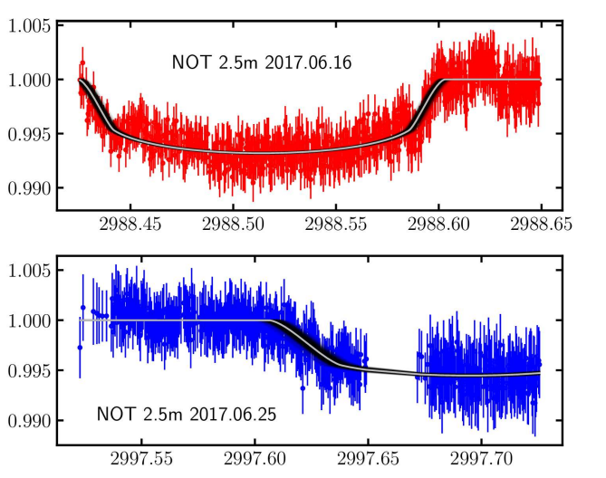
TT | 2988.5134
+- | 0.0055
T1 |  | T12
T2 | 2988.4419 | T23 | 0.1450
T3 | 2988.5869 | T34 | 0.0149
T4 | 2988.6018 | T14

BJD | cm | BJD/cm
0.05 | 5.53 | 0.0090415913201

TT
+- | 0.0100
T1 | 2997.6078 | T12 | 0.0283
T2 | 2997.6361 | T23
T3 |  | T34
T4 |  | T14

BJD | cm | BJD/cm
0.05 | 6.37 | 0.0078492935636

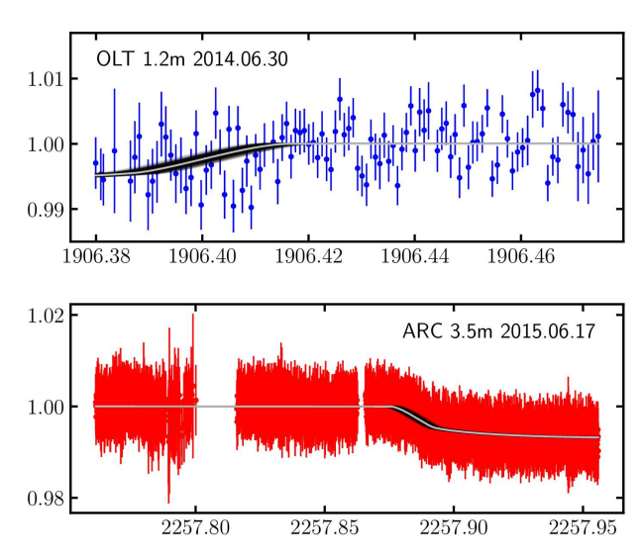

TT
+- | 0.0100
T1 |  | T12
T2 |  | T23
T3 | 1906.3872 | T34 | 0.0293
T4 | 1906.4165 | T14

BJD | cm | BJD/cm
0.02 | 6.25 | 0.0032

TT
+- | 0.0100
T1 | 2257.8758 | T12 | 0.0185
T2 | 2257.8944 | T23
T3 |  | T34
T4 |  | T14

BJD | cm | BJD/cm
0.05 | 7.55 | 0.0066225165563

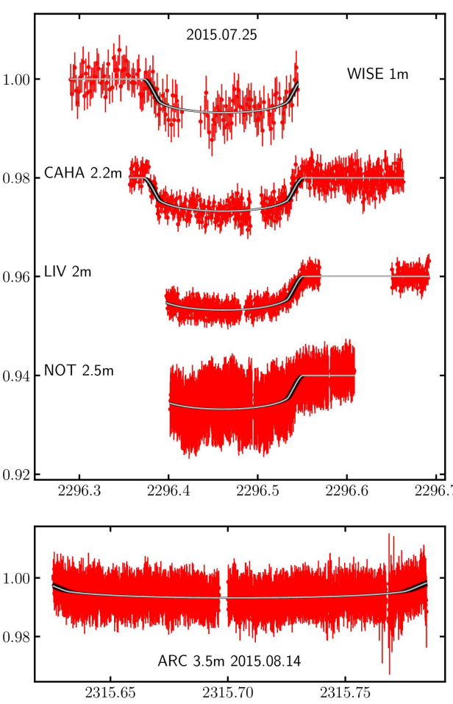

TT
+- | 0.0050
T1 | 2296.3731 | T12 | 0.0184
T2 | 2296.3915 | T23 | 0.1390
T3 | 2296.5305 | T34 | 0.0210
T4 | 2296.5514 | T14 | 0.1783

BJD | cm | BJD/cm
0.1 | 7.06 | 0.014164305949

TT
+- | 0.0060
T1 |  | T12
T2 | 2315.6328 | T23 | 0.1419
T3 | 2315.7747 | T34
T4 |  | T14

BJD | cm | BJD/cm
0.05 | 9.3 | 0.005376344086

