TOI 4504
 |  |  |  |  |  |  |  |  | r | pi * r^2 | area ppm | Uli [0.4765, 0.3495, 0.174] | Uli [0.4765, 0.3495]
r_sun = 6.96342e8 # [m] <float> solar radius |  |  |  |  |  |  |  | sun | 6.96E+08 | 1.52E+18
l_sun = 3.83e26 # [W] <float> solar luminosity
r_jup = 7.1492e7 # [m] <float> Jupiter radius |  |  |  |  |  |  |  | jup | 7.15E+07 | 1.61E+16
r_earth = 6.378135e6 # [m] <float> Earth radius R⊕ |  |  |  |  |  |  |  | earth | 6.38E+06 | 1.28E+14
[TOI-4504]
radius = 0.92 * r_sun |  |  |  |  |  |  |  |  | 0.92 | 1.29E+18
luminosity = 0.62 * l_sun
limb_darkening = [0.4765, 0.3495] # paper contains different parameters q1, q2 for different planets. I averaged them.
[TOI-4504b]
radius = 2.691 * r_earth |  |  |  |  |  |  |  |  | 2.691 | 9.25E+14 | 718 | 859 | 812
[TOI-4504c]
radius = 0.9897 * r_jup |  |  |  |  |  |  |  |  | 0.9897 | 1.57E+16 | 12198 | 14270 | 13598

 |  |  |  |  |  |  |  |  |  |  |  | 98.573 | 99.9141
 |  |  |  |  |  |  |  |  |  |  |  | 1.427 | 0.0859
 |  |  |  |  |  |  |  |  |  |  |  | 14270 | 859

[TOI-4504b]
P [days] | 2.42614
T0 [BJD] | 2459038.458
start_date | 2458400.000
start_date - T0 | 638.458
(start_date - T0) / P | 263.158
T0 - 263* P | 2458400.383 | first transit in simulation

What do the parameters q1 and q2 (no units given) describe in the context of exoplanets?

Given q1 and q2 and the relative_radius r (the normalized radial coordinate (0 <= r <= 1), what is the formula for the limb darkening?
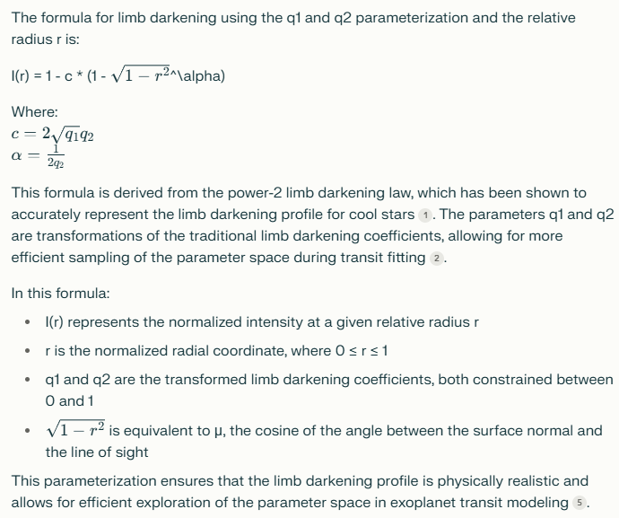

the english wikipedia article on limb darkening uses parameters a0, a1, a2 or alternatively A1 and A2. What is the relationship between these paramers and the parameters you mentioned (u1, u2 and q1, q2)?
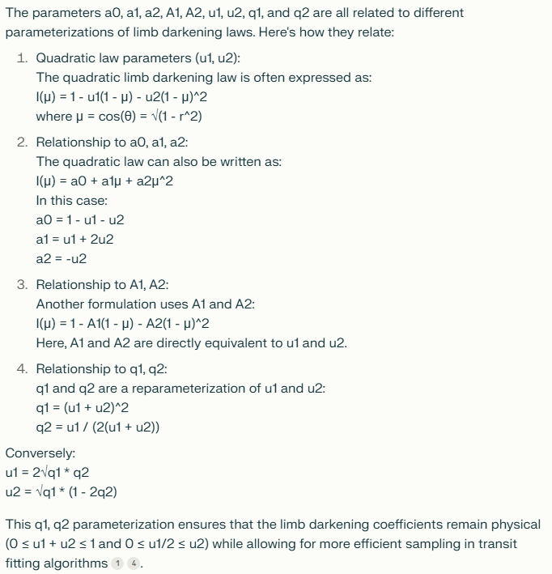

You called u1, u2 the quadratic law parameters. Give me names for the 3 other parameter sets q1, q2 and a0, a1, a2 and A1, A2.

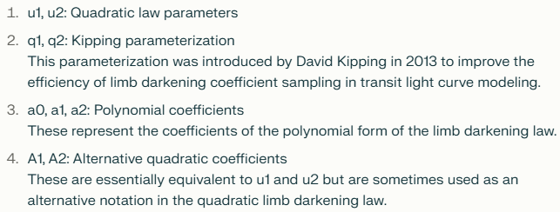

u1, u2 = A1, A2
a0,a1,a2 <- und -> u1,u2
q -> u

Berechnung TT. Sollwert 0,3830000. Mit und ohne genauer berechnetem Minimum zwischen Iterationsschritten.
dt | min | min_optimiert | Fehler optimiert
120 | 0.383333 | 0.382727 | 0.0713% |  | 0.383
60 | 0.382639 | 0.382844 | 0.0407%
20 | 0.38287 | 0.382922 | 0.0204%
10 | 0.382986 | 0.382941 | 0.0154%
5 | 0.382928 | 0.382951 | 0.0128%
1 | 0.382963 | 0.382959 | 0.0107%
0.1 | 0.382961 | 0.382961 | 0.0102%

Fazit: | Kleineres dt verbessert die Genauigkeit der Simulation der Planetenbewegungen.
 | Beim optimierten Minimum ist die Verbesserung stetig statt etwas zufaellig.
 | Das optimierte Minimum ist also offenbar tatsaechlich eine Verbesserung.
 | Die Simulationsgenauigkeit wird auch bei absurd kleinen dt nicht erheblich besser.
 | Ich muss die Simulation verbessern. Vielleicht muessen die Iterationsschritte die |  |  |  |  | Loesung: Verlet Integration!!!
 | Ableitungen x', y' und z' der vorherigen Iterationen beruecksichtigen.

 |  | 0.3827527487 |  | 0.0002472513 | 0.0646% |  | 2.42614 | 1.4647%

P von Planet b: Abweichungen vom Mittelwert waehrend der Simulation
2.4622032656 | 3.2656334299E-06 | 3.2656334299E-06
2.4622009289 | 9.2894508974E-07 | 9.2894508974E-07
2.4622010835 | 1.0835446398E-06 | 1.0835446398E-06
2.4622030049 | 3.0048631099E-06 | 3.0048631099E-06
2.4622054384 | 5.438409E-06 | 5.438409E-06
2.4622075148 | 7.5147926797E-06 | 7.5147926797E-06
2.4622088159 | 8.8158503098E-06 | 8.8158503098E-06
2.4622091716 | 9.1716155399E-06 | 9.1716155399E-06
2.4622085341 | 8.5341252301E-06 | 8.5341252301E-06
2.4622070016 | 7.0016339397E-06 | 7.0016339397E-06
2.4622050035 | 5.0034813497E-06 | 5.0034813497E-06
2.4622034915 | 3.4914791498E-06 | 3.4914791498E-06
2.4622036973 | 3.6973014397E-06 | 3.6973014397E-06
2.4622059772 | 5.9771791099E-06 | 5.9771791099E-06
2.4622085532 | 8.5532173499E-06 | 8.5532173499E-06
2.4622086836 | 8.6836025099E-06 | 8.6836025099E-06
2.4622060116 | 6.0116380398E-06 | 6.0116380398E-06
2.4622030417 | 3.0416503498E-06 | 3.0416503498E-06
2.4622019944 | 1.9943781098E-06 | 1.9943781098E-06
2.4622030472 | 3.0472382897E-06 | 3.0472382897E-06
2.4622051748 | 5.1748447096E-06 | 5.1748447096E-06
2.4622073253 | 7.32526853E-06 | 7.32526853E-06
2.462208861 | 8.86101946E-06 | 8.86101946E-06
2.4622094841 | 9.4840742597E-06 | 9.4840742597E-06
2.4622090752 | 9.0752236499E-06 | 9.0752236499E-06
2.4622076303 | 7.6302766798E-06 | 7.6302766798E-06
2.462205376 | 5.37601038E-06 | 5.37601038E-06
2.4622030351 | 3.03513109E-06 | 3.03513109E-06
2.4622019394 | 1.9394300796E-06 | 1.9394300796E-06
2.4622032619 | 3.26190814E-06 | 3.26190814E-06
2.4622062105 | 6.2104754099E-06 | 6.2104754099E-06
2.4622077034 | 7.7033854997E-06 | 7.7033854997E-06
2.462200698 | 6.979770899E-07 | 6.979770899E-07
2.4622003799 | 3.7993042978E-07 | 3.7993042978E-07
2.4622015846 | 1.58459618E-06 | 1.58459618E-06
2.462203701 | 3.70102673E-06 | 3.70102673E-06
2.4622061863 | 6.1862610199E-06 | 6.1862610199E-06
2.462208556 | 8.5560113097E-06 | 8.5560113097E-06
2.4622102701 | 1.027011051E-05 | 1.027011051E-05
2.4622107218 | 1.072180196E-05 | 1.072180196E-05
2.4622094599 | 9.4598598697E-06 | 9.4598598697E-06
2.4622067912 | 6.7911550397E-06 | 6.7911550397E-06
2.4622043166 | 4.31663095E-06 | 4.31663095E-06
2.4622041616 | 4.1615657498E-06 | 4.1615657498E-06
2.4622065006 | 6.5005823897E-06 | 6.5005823897E-06
2.4622085914 | 8.5914015697E-06 | 8.5914015697E-06
2.4622079204 | 7.92038366E-06 | 7.92038366E-06
2.4622051101 | 5.1101177898E-06 | 5.1101177898E-06
2.4622024521 | 2.4521231596E-06 | 2.4521231596E-06
2.4622013494 | 1.34943723E-06 | 1.34943723E-06
2.4622018831 | 1.8830850697E-06 | 1.8830850697E-06
2.4622035394 | 3.5394422699E-06 | 3.5394422699E-06
2.4622057546 | 5.7545930097E-06 | 5.7545930097E-06
2.4622080475 | 8.0475091897E-06 | 8.0475091897E-06
2.4622099479 | 9.9478728997E-06 | 9.9478728997E-06
2.4622108815 | 1.088152378E-05 | 1.088152378E-05
2.4622102175 | 1.021749079E-05 | 1.021749079E-05
2.4622077048 | 7.70478248E-06 | 7.70478248E-06
2.4622042971 | 4.2970731799E-06 | 4.2970731799E-06
Ø | 0.00000577
max | 0.00001088
min | 0.00000038
max Fehler + | 0.00000511 | 0.0002%
max Fehler - | 0.00000473

P von Planet c
TT von Planet c
2458401.4056
2458484.0278 | 82.62
2458566.7403 | 82.71
2458649.6722 | 82.93
2458732.8653 | 83.19
2458816.2694 | 83.40
2458899.7778 | 83.51
2458983.2889 | 83.51
2459066.7236 | 83.43
2459150.0222 | 83.30
2459233.1486 | 83.13
2459316.0889 | 82.94

Planet c
TT | b | P
2458401.4051 | 0.43659568518
2458484.0278 | 0.45424996553 | 82.62268518
2458566.7407 | 0.47775559458 | 82.71296297
2458649.6713 | 0.50163465077 | 82.93055555
2458732.8657 | 0.51754991264 | 83.19444445
2458816.2685 | 0.52175763375 | 83.40277777
2458899.7778 | 0.51812108121 | 83.50925926
2458983.2917 | 0.51341353615 | 83.51388889
2459066.7269 | 0.51338950942 | 83.43518519
2459150.0278 | 0.52106483078 | 83.30092592
2459233.1574 | 0.53616813 | 83.12962963
2459316.0995 | 0.557064889 | 82.94212963
2459398.8773 | 0.58129924857 | 82.77777778
2459481.5509 | 0.60660523882 | 82.67361111
2459564.2153 | 0.63120045188 | 82.66435185
2459646.9745 | 0.6530192348 | 82.75925926
2459729.9352 | 0.66952600456 | 82.96064815
 | P
 | 82.62268518
 | 82.71296297
 | 82.93055555
 | 83.19444445
 | 83.40277777
 | 83.50925926
 | 83.51388889
 | 83.43518519
 | 83.30092592
 | 83.12962963
 | 82.94212963
 | 82.77777778
 | 82.67361111
 | 82.66435185
 | 82.75925926
 | 82.96064815
 | 83.23611111
 | 83.49768519
 | 83.62037037
 | 83.56018518
 | 83.36805556
 | 83.11574074
 | 82.875
 | 82.69212963
 | 82.59490741
 | 82.58101851
 | 82.66203704
 | 82.82175926
 | 83.04166667
 | 83.28009259
 | 83.48611111
 | 83.59722222
 | 83.57638889
 | 83.40277778
 | 83.12962963
 | 82.84722222
2459813.1713 | 0.67879165548 | 83.23611111
2459896.669 | 0.68607558267 | 83.49768519
2459980.2894 | 0.69967970717 | 83.62037037
2460063.8495 | 0.71323476061 | 83.56018518
2460147.2176 | 0.72173326554 | 83.36805556
2460230.3333 | 0.72463452169 | 83.11574074
2460313.2083 | 0.72455157176 | 82.875
2460395.9005 | 0.72430348626 | 82.69212963
2460478.4954 | 0.72559259523 | 82.59490741
2460561.0764 | 0.72929932978 | 82.58101851
2460643.7384 | 0.73624043064 | 82.66203704
2460726.5602 | 0.74739268624 | 82.82175926
2460809.6019 | 0.76388989923 | 83.04166667
2460892.8819 | 0.78593473835 | 83.28009259
2460976.3681 | 0.8113809022 | 83.48611111
2461059.9653 | 0.8353475662 | 83.59722222
2461143.5417 | 0.85217419882 | 83.57638889
2461226.9444 | 0.86072078159 | 83.40277778
2461310.0741 | 0.87012547039 | 83.12962963
2461392.9213 | 0.88954683553 | 82.84722222

Transits | [
{
transit_params | {
EclipsedBody | TOI-4504
T1 | 2458401.2523
T2 | 2458401.2894
TT | 2458401.4051
T3 | 2458401.5255
T4 | 2458401.5625
T12 | 0.037037036847
T23 | 0.23611111147
T34 | 0.037037036847
T14 | 0.31018518517
b | 0.43659568518
}
}
{
transit_params | {
EclipsedBody | TOI-4504
T1 | 2458483.875
T2 | 2458483.9144
TT | 2458484.0278
T3 | 2458484.1458
T4 | 2458484.1829
T12 | 0.039351851679
T23 | 0.23148148181
T34 | 0.037037036847
T14 | 0.30787037034
b | 0.45424996553
}
}
{
transit_params | {
EclipsedBody | TOI-4504
T1 | 2458566.5903
T2 | 2458566.6296
TT | 2458566.7407
T3 | 2458566.8565
T4 | 2458566.8935
T12 | 0.039351851679
T23 | 0.22685185168
T34 | 0.037037037313
T14 | 0.30324074067
b | 0.47775559458
}
}
{
transit_params | {
EclipsedBody | TOI-4504
T1 | 2458649.5231
T2 | 2458649.5625
TT | 2458649.6713
T3 | 2458649.7847
T4 | 2458649.8218
T12 | 0.039351851679
T23 | 0.22222222202
T34 | 0.037037037313
T14 | 0.29861111101
b | 0.50163465077
}
}
{
transit_params | {
EclipsedBody | TOI-4504
T1 | 2458732.7176
T2 | 2458732.7569
TT | 2458732.8657
T3 | 2458732.9745
T4 | 2458733.0139
T12 | 0.039351851679
T23 | 0.21759259235
T34 | 0.039351852145
T14 | 0.29629629618
b | 0.51754991264
}
}
{
transit_params | {
EclipsedBody | TOI-4504
T1 | 2458816.1204
T2 | 2458816.1597
TT | 2458816.2685
T3 | 2458816.3796
T4 | 2458816.4167
T12 | 0.039351851679
T23 | 0.21990740765
T34 | 0.037037036847
T14 | 0.29629629618
b | 0.52175763375
}
}
{
transit_params | {
EclipsedBody | TOI-4504
T1 | 2458899.6296
T2 | 2458899.669
TT | 2458899.7778
T3 | 2458899.8889
T4 | 2458899.9282
T12 | 0.039351851679
T23 | 0.21990740765
T34 | 0.039351851679
T14 | 0.29861111101
b | 0.51812108121
}
}
{
transit_params | {
EclipsedBody | TOI-4504
T1 | 2458983.1435
T2 | 2458983.1806
TT | 2458983.2917
T3 | 2458983.4028
T4 | 2458983.4421
T12 | 0.037037036847
T23 | 0.22222222248
T34 | 0.039351851679
T14 | 0.29861111101
b | 0.51341353615
}
}
{
transit_params | {
EclipsedBody | TOI-4504
T1 | 2459066.5787
T2 | 2459066.6181
TT | 2459066.7269
T3 | 2459066.838
T4 | 2459066.8773
T12 | 0.039351851679
T23 | 0.21990740765
T34 | 0.039351851679
T14 | 0.29861111101
b | 0.51338950942
}
}
{
transit_params | {
EclipsedBody | TOI-4504
T1 | 2459149.8819
T2 | 2459149.9213
TT | 2459150.0278
T3 | 2459150.1389
T4 | 2459150.1782
T12 | 0.039351851679
T23 | 0.21759259282
T34 | 0.039351851679
T14 | 0.29629629618
b | 0.52106483078
}
}
{
transit_params | {
EclipsedBody | TOI-4504
T1 | 2459233.0116
T2 | 2459233.0509
TT | 2459233.1574
T3 | 2459233.2662
T4 | 2459233.3056
T12 | 0.039351851679
T23 | 0.21527777798
T34 | 0.039351851679
T14 | 0.29398148134
b | 0.53616813
}
}
{
transit_params | {
EclipsedBody | TOI-4504
T1 | 2459315.956
T2 | 2459315.9954
TT | 2459316.0995
T3 | 2459316.2037
T4 | 2459316.2454
T12 | 0.039351851679
T23 | 0.20833333349
T34 | 0.041666666511
T14 | 0.28935185168
b | 0.557064889
}
}
{
transit_params | {
EclipsedBody | TOI-4504
T1 | 2459398.7361
T2 | 2459398.7755
TT | 2459398.8773
T3 | 2459398.9792
T4 | 2459399.0208
T12 | 0.039351852145
T23 | 0.20370370336
T34 | 0.041666666977
T14 | 0.28472222248
b | 0.58129924857
}
}
{
transit_params | {
EclipsedBody | TOI-4504
T1 | 2459481.412
T2 | 2459481.4537
TT | 2459481.5509
T3 | 2459481.6505
T4 | 2459481.6921
T12 | 0.041666666977
T23 | 0.19675925933
T34 | 0.041666666511
T14 | 0.28009259282
b | 0.60660523882
}
}
{
transit_params | {
EclipsedBody | TOI-4504
T1 | 2459564.0787
T2 | 2459564.1204
TT | 2459564.2153
T3 | 2459564.3102
T4 | 2459564.3542
T12 | 0.041666666511
T23 | 0.18981481483
T34 | 0.043981481344
T14 | 0.27546296269
b | 0.63120045188
}
}
{
transit_params | {
EclipsedBody | TOI-4504
T1 | 2459646.8403
T2 | 2459646.8843
TT | 2459646.9745
T3 | 2459647.0671
T4 | 2459647.1111
T12 | 0.043981481344
T23 | 0.18287037034
T34 | 0.043981481344
T14 | 0.27083333302
b | 0.6530192348
}
}
{
transit_params | {
EclipsedBody | TOI-4504
T1 | 2459729.8032
T2 | 2459729.8495
TT | 2459729.9352
T3 | 2459730.0255
T4 | 2459730.0718
T12 | 0.046296296176
T23 | 0.17592592631
T34 | 0.046296296176
T14 | 0.26851851866
b | 0.66952600456
}
}
{
transit_params | {
EclipsedBody | TOI-4504
T1 | 2459813.0394
T2 | 2459813.0856
TT | 2459813.1713
T3 | 2459813.2616
T4 | 2459813.3079
T12 | 0.046296296641
T23 | 0.17592592584
T34 | 0.046296296176
T14 | 0.26851851866
b | 0.67879165548
}
}
{
transit_params | {
EclipsedBody | TOI-4504
T1 | 2459896.537
T2 | 2459896.5833
TT | 2459896.669
T3 | 2459896.7569
T4 | 2459896.8032
T12 | 0.046296296641
T23 | 0.17361111101
T34 | 0.046296296176
T14 | 0.26620370382
b | 0.68607558267
}
}
{
transit_params | {
EclipsedBody | TOI-4504
T1 | 2459980.1597
T2 | 2459980.206
TT | 2459980.2894
T3 | 2459980.3727
T4 | 2459980.4213
T12 | 0.046296296641
T23 | 0.16666666651
T34 | 0.048611111008
T14 | 0.26157407416
b | 0.69967970717
}
}
{
transit_params | {
EclipsedBody | TOI-4504
T1 | 2460063.7222
T2 | 2460063.7708
TT | 2460063.8495
T3 | 2460063.9306
T4 | 2460063.9792
T12 | 0.048611111473
T23 | 0.15972222202
T34 | 0.048611111008
T14 | 0.2569444445
b | 0.71323476061
}
}
{
transit_params | {
EclipsedBody | TOI-4504
T1 | 2460147.0903
T2 | 2460147.1389
TT | 2460147.2176
T3 | 2460147.2963
T4 | 2460147.3472
T12 | 0.048611111008
T23 | 0.15740740718
T34 | 0.05092592584
T14 | 0.25694444403
b | 0.72173326554
}
}
{
transit_params | {
EclipsedBody | TOI-4504
T1 | 2460230.206
T2 | 2460230.2569
TT | 2460230.3333
T3 | 2460230.412
T4 | 2460230.4606
T12 | 0.05092592584
T23 | 0.15509259235
T34 | 0.048611111473
T14 | 0.25462962966
b | 0.72463452169
}
}
{
transit_params | {
EclipsedBody | TOI-4504
T1 | 2460313.081
T2 | 2460313.1319
TT | 2460313.2083
T3 | 2460313.287
T4 | 2460313.3356
T12 | 0.05092592584
T23 | 0.15509259235
T34 | 0.048611111473
T14 | 0.25462962966
b | 0.72455157176
}
}
{
transit_params | {
EclipsedBody | TOI-4504
T1 | 2460395.7755
T2 | 2460395.8241
TT | 2460395.9005
T3 | 2460395.9815
T4 | 2460396.0301
T12 | 0.048611111008
T23 | 0.15740740718
T34 | 0.048611111473
T14 | 0.25462962966
b | 0.72430348626
}
}
{
transit_params | {
EclipsedBody | TOI-4504
T1 | 2460478.3681
T2 | 2460478.4167
TT | 2460478.4954
T3 | 2460478.5741
T4 | 2460478.6227
T12 | 0.048611111008
T23 | 0.15740740765
T34 | 0.048611111008
T14 | 0.25462962966
b | 0.72559259523
}
}
{
transit_params | {
EclipsedBody | TOI-4504
T1 | 2460560.9514
T2 | 2460561
TT | 2460561.0764
T3 | 2460561.1551
T4 | 2460561.2037
T12 | 0.048611111008
T23 | 0.15509259282
T34 | 0.048611111008
T14 | 0.25231481483
b | 0.72929932978
}
}
{
transit_params | {
EclipsedBody | TOI-4504
T1 | 2460643.6134
T2 | 2460643.6644
TT | 2460643.7384
T3 | 2460643.8148
T4 | 2460643.8657
T12 | 0.05092592584
T23 | 0.15046296315
T34 | 0.05092592584
T14 | 0.25231481483
b | 0.73624043064
}
}
{
transit_params | {
EclipsedBody | TOI-4504
T1 | 2460726.4375
T2 | 2460726.4884
TT | 2460726.5602
T3 | 2460726.6343
T4 | 2460726.6875
T12 | 0.05092592584
T23 | 0.14583333349
T34 | 0.053240740672
T14 | 0.25
b | 0.74739268624
}
}
{
transit_params | {
EclipsedBody | TOI-4504
T1 | 2460809.4792
T2 | 2460809.5347
TT | 2460809.6019
T3 | 2460809.6736
T4 | 2460809.7269
T12 | 0.055555555504
T23 | 0.13888888899
T34 | 0.053240740672
T14 | 0.24768518517
b | 0.76388989923
}
}
{
transit_params | {
EclipsedBody | TOI-4504
T1 | 2460892.7639
T2 | 2460892.8194
TT | 2460892.8819
T3 | 2460892.9468
T4 | 2460893.0023
T12 | 0.055555555504
T23 | 0.12731481483
T34 | 0.055555555504
T14 | 0.23842592584
b | 0.78593473835
}
}
{
transit_params | {
EclipsedBody | TOI-4504
T1 | 2460976.2523
T2 | 2460976.3125
TT | 2460976.3681
T3 | 2460976.4236
T4 | 2460976.4838
T12 | 0.060185185168
T23 | 0.11111111101
T34 | 0.060185185168
T14 | 0.23148148134
b | 0.8113809022
}
}
{
transit_params | {
EclipsedBody | TOI-4504
T1 | 2461059.8565
T2 | 2461059.919
TT | 2461059.9653
T3 | 2461060.0139
T4 | 2461060.0787
T12 | 0.0625
T23 | 0.094907407649
T34 | 0.064814814832
T14 | 0.22222222248
b | 0.8353475662
}
}
{
transit_params | {
EclipsedBody | TOI-4504
T1 | 2461143.4329
T2 | 2461143.5023
TT | 2461143.5417
T3 | 2461143.581
T4 | 2461143.6505
T12 | 0.069444444496
T23 | 0.078703703824
T34 | 0.069444444496
T14 | 0.21759259282
b | 0.85217419882
}
}
{
transit_params | {
EclipsedBody | TOI-4504
T1 | 2461226.8403
T2 | 2461226.912
TT | 2461226.9444
T3 | 2461226.9815
T4 | 2461227.0532
T12 | 0.071759258863
T23 | 0.069444444496
T34 | 0.071759259328
T14 | 0.21296296269
b | 0.86072078159
}
}
{
transit_params | {
EclipsedBody | TOI-4504
T1 | 2461309.9699
T2 | 2461310.0486
TT | 2461310.0741
T3 | 2461310.1042
T4 | 2461310.1806
T12 | 0.078703703824
T23 | 0.055555555504
T34 | 0.076388888992
T14 | 0.21064814832
b | 0.87012547039
}
}
{
transit_params | {
EclipsedBody | TOI-4504
T1 | 2461392.8218
T2 | 2461392.9213
TT | 2461392.9213
T3 | 2461392.9236
T4 | 2461393.0231
T12 | 0.099537036847
T23 | 0.0023148148321
T34 | 0.099537037313
T14 | 0.20138888899
b | 0.88954683553
}
}
{
transit_params | {
EclipsedBody | TOI-4504
T1 | 2461475.4884
T2 | 2461475.6782
TT | null
T3 | 2461475.6782
T4 | 2461475.6782
T12 | 0.18981481483
T23 | 0
T34 | 0
T14 | 0.18981481483
b | null
}
}
{
transit_params | {
EclipsedBody | TOI-4504
T1 | 2461558.1273
T2 | 2461558.3009
TT | null
T3 | 2461558.3009
T4 | 2461558.3009
T12 | 0.17361111101
T23 | 0
T34 | 0
T14 | 0.17361111101
b | null
}
}
{
transit_params | {
EclipsedBody | TOI-4504
T1 | 2461640.8843
T2 | 2461641.037
TT | null
T3 | 2461641.037
T4 | 2461641.037
T12 | 0.15277777752
T23 | 0
T34 | 0
T14 | 0.15277777752
b | null
}
}
{
transit_params | {
EclipsedBody | TOI-4504
T1 | 2461723.8588
T2 | 2461723.9861
TT | null
T3 | 2461723.9861
T4 | 2461723.9861
T12 | 0.12731481483
T23 | 0
T34 | 0
T14 | 0.12731481483
b | null
}
}
{
transit_params | {
EclipsedBody | TOI-4504
T1 | 2461807.0671
T2 | 2461807.169
TT | null
T3 | 2461807.169
T4 | 2461807.169
T12 | 0.10185185168
T23 | 0
T34 | 0
T14 | 0.10185185168
b | null
}
}
{
transit_params | {
EclipsedBody | TOI-4504
T1 | 2461890.4491
T2 | 2461890.5278
TT | null
T3 | 2461890.5278
T4 | 2461890.5278
T12 | 0.078703703824
T23 | 0
T34 | 0
T14 | 0.078703703824
b | null
}
}
{
transit_params | {
EclipsedBody | TOI-4504
T1 | 2461973.9236
T2 | 2461973.9861
TT | null
T3 | 2461973.9861
T4 | 2461973.9861
T12 | 0.0625
T23 | 0
T34 | 0
T14 | 0.0625
b | null
}
}
{
transit_params | {
EclipsedBody | TOI-4504
T1 | 2462057.4213
T2 | 2462057.4676
TT | null
T3 | 2462057.4676
T4 | 2462057.4676
T12 | 0.046296296641
T23 | 0
T34 | 0
T14 | 0.046296296641
b | null

Ark2
