Planet c
Anwesenheit von Planet b hat keinen nennenswerten Einfluss auf das Verhalten der Planeten c und d.

164 Jahre c und d:

164 Jahre nur d:

164 Jahre nur c:

685 Jahre c und d: |  | 6.3 | cm c |  | 78.760091137 |  |  | 661.46475017

685 Jahre c und d, t von d -20,2817 (0,5P):

685 Jahre c und d, t von d -10,1408 (0,25P):

685 Jahre c und d, t von d -5,0704 (0,125P):

685 Jahre c und d, t von d -1.4086 (identisch mit t von c): |  |  |  | c 875 transits (ca. 105 pro Transitphase) |  |  |  | d 1320 transits (ca. 78 Transits pro Transitphase)

Predicted Transits c (Vitkova):
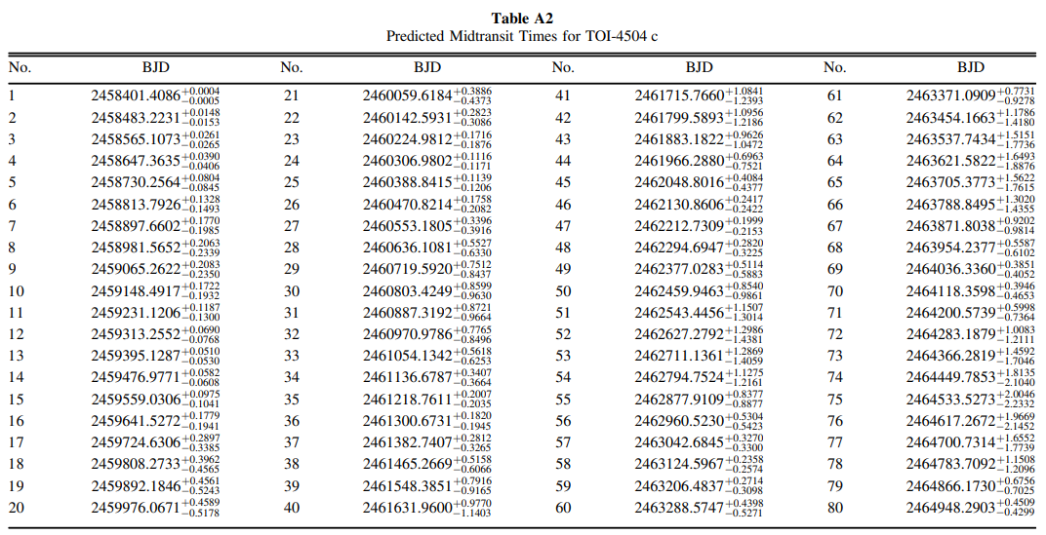

dt = 200

dt = 4000 | Periode ca 3% laenger |  | 140000 | Tage | 365.25 | 383 | Jahre

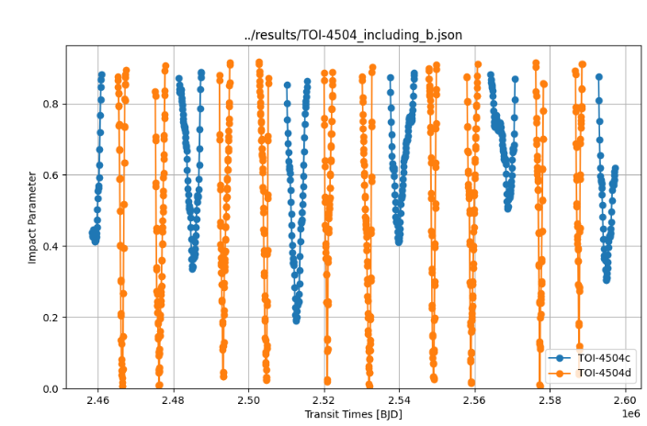
 |  |  |  |  |  |  |  | Transitverhalten im System hat eine Periode von ca. 27000 Tagen (=74 Jahre).
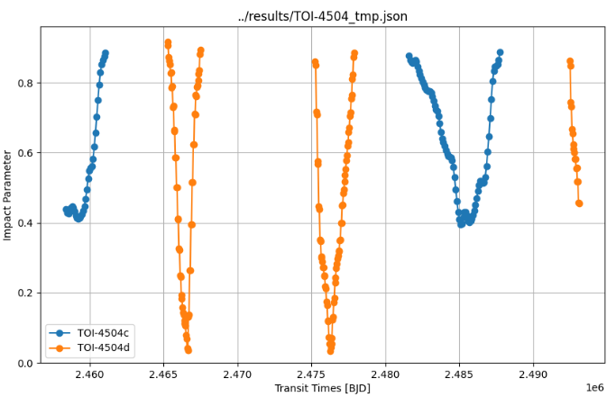

140000 | Tage = | 383 | Jahre

27000 | Tage = | 74 | Jahre

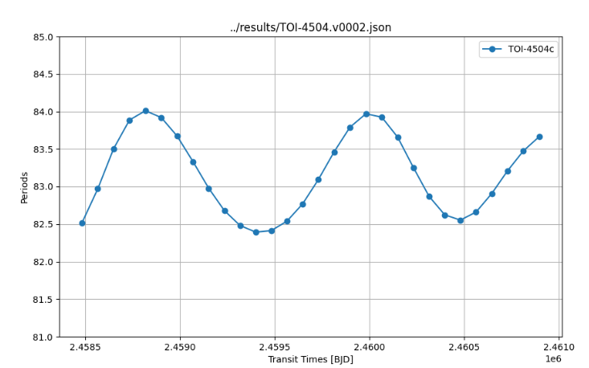
 |  |  |  |  |  |  |  |  | Jahre | Transits
 |  |  |  |  |  |  |  |  | 8 | d
 |  |  |  |  |  |  |  |  | 20 | -
 |  |  |  |  |  |  |  |  | 8 | d
 |  |  |  |  |  |  |  |  | 11 | -
 |  |  |  |  |  |  |  |  | 16 | c
 |  |  |  |  |  |  |  |  | 11 | -

Transits c
 |  |  |  | Manuell aus lightkurve plots
Sektor | Transit | TT [BJD] | TT [BJD short] | Flux | Flux Transit | Flux delta | depth | P
3 | T0 | 2458401.41 | 1401.41
6 | T1 | 2458483.21 | 1483.21 |  |  |  |  | 81.8
9 | T2 | 2458565.09 | 1565.09 |  |  |  |  | 81.9
12 | T3 | 2458647.33 | 1647.33 |  |  |  |  | 82.2
28 | T8 | 2459065.24 | 2065.24 | 1519 | 1498 | 21 | 1.38%
31 | T9 | 2459148.48 | 2148.48 | 1542 | 1520 | 22 | 1.43% | 83.2
34 | T10 | 2459231.11 | 2231.11 | 1472 | 1454 | 18 | 1.22% | 82.6
37 | T11 | 2459313.25 | 2313.25 | 1507 | 1488 | 19 | 1.26% | 82.1
 | P
2458483 | 81.8 | 81.702855123
2458565 | 81.9 | 81.799282202
2458647 | 82.2 | 82.140213816
2458730 |  | 82.638059259
2458813 |  | 83.15303509
2458896 |  | 83.542719118
2458979 |  | 83.699339965
2459062 |  | 83.579582426
2459148 | 83.2 | 83.19919542
2459231 | 82.6 | 82.692855181
2459313 | 82.1 | 82.191215221
2459396 |  | 81.824765724
2459479 |  | 81.700371829
2459562 |  | 81.852436028
2459645 |  | 82.238903304
2459728 |  | 82.75289191
2459811 |  | 83.25225268
2459894 |  | 83.598881937
2459977 |  | 83.696915573
2460060 | 83.6 | 83.521567709
2460143 | 83.0 | 83.118777348
61 | T19 | 2459976.05 | 2976.05
64 | T20 | 2460059.62 | 3059.62 | 1484 | 1464 | 20 | 1.35% | 83.6
67 | T21 | 2460142.60 | 3142.60 | 1517 | 1494 | 23 | 1.52% | 83.0

 |  | TT [BJD] | P
 |  | 2458483 | 81.8 | 81.702855123 | Phase | 2458740
 |  | 2458565 | 81.9 | 81.799282202 | Frequenz | 980
 |  | 2458647 | 82.2 | 82.140213816 | y-Aufschlag | 82.7
 |  | 2458730 |  | 82.638059259 | Amplitude | 1
 |  | 2458813 |  | 83.15303509
 |  | 2458896 |  | 83.542719118
 |  | 2458979 |  | 83.699339965
 |  | 2459062 |  | 83.579582426
 |  | 2459148 | 83.2 | 83.19919542
 |  | 2459231 | 82.6 | 82.692855181
 |  | 2459313 | 82.1 | 82.191215221
 |  | 2459396 |  | 81.824765724
 |  | 2459479 |  | 81.700371829
 |  | 2459562 |  | 81.852436028
 |  | 2459645 |  | 82.238903304
 |  | 2459728 |  | 82.75289191
 |  | 2459811 |  | 83.25225268
 |  | 2459894 |  | 83.598881937
 |  | 2459977 |  | 83.696915573
 |  | 2460060 | 83.6 | 83.521567709
 |  | 2460143 | 83.0 | 83.118777348

