Eclipse
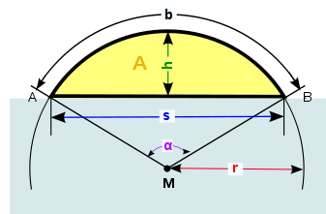

S₁

r_{Body}
r | 1
eclipse | 90%
h | 1.8
r_{Self}
alpha | 4.9961830896
radical axis
A | 2.9780915448
d=P_{B}-P_{S}
A% | 95%
S_{m}
h_{Body}
h_{Self}
α_{Body}
P_{Body}
P_{Self}
α_{Self}
C
d_{S}=S_{m}-P_{S}
d_{B}=S_{M}-P_{B}
https://de.wikipedia.org/wiki/Kreissegment

r_{Self}
r_{Body}

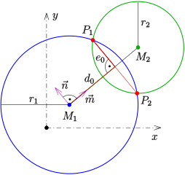
S₂
https://de.wikipedia.org/wiki/Schnittpunkt#Schnittpunkte_zweier_Kreise

 |  | distance from PSelf to left green dot: | self.d-body.h
 |  | distance from PSelf to right green dot: | self.r
 |  | middle between the green dots is C, the approximated center of eclipsed area: | (self.r + self.d -body.h)/2

Einflüsse auf light dips
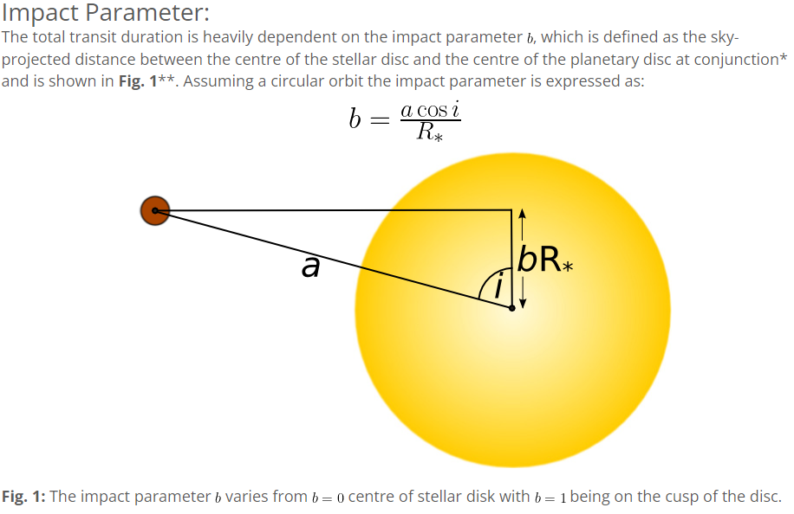
Limb darkening
https://de.wikipedia.org/wiki/Photosph%C3%A4re#Mitte-Rand-Verdunkelung

https://www.paulanthonywilson.com/exoplanets/exoplanet-detection-techniques/the-exoplanet-transit-method/

TIC 178155732
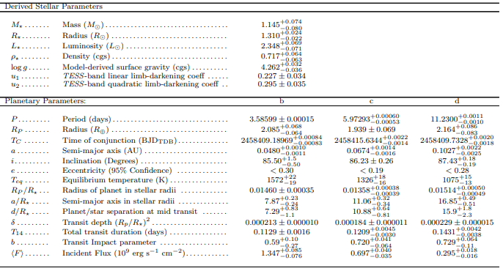
https://arxiv.org/pdf/1905.05193.pdf
 |  |  |  | Star | + | - | b | + | - | c | + | - | d | + | -
M_stellar | Mass, stellar | M_sun
R_stellar | Radius, stellar | R_sun
L_stellar | Luminosity, stellar | L_sun
u1 | TESS-band linear limb-darkening coeff |  | https://en.wikipedia.org/wiki/Limb_darkening | 0.227 | 0.034 | 0.034
u2 | TESS-band quadratic limb-darkening coeff |  | s.o. | 0.295 | 0.035 | 0.035
P | Period | days |  |  |  |  | 3.58599 | 0.00015 | 0.00015 | 5.97293 | 0.0006 | 0.00053 | 11.23 | 0.0011 | 0.001
R | Radius | R_Earth |  |  |  |  | 2.085 | 0.068 | 0.064 | 1.939 | 0.069 | 0.069 | 2.164 | 0.086 | 0.083
TC | Time of conjunction | BJDTDB |  |  |  |  | 2458409.1897 | 0.00084 | 0.00083 | 2458415.6344 | 0.0022 | 0.0014 | 2458409.7328 | 0.002 | 0.0018
a | Semi-major axis | AU | https://en.wikipedia.org/wiki/Semi-major_and_semi-minor_axes | https://en.wikipedia.org/wiki/Apsis |  |  | 0.048 | 0.001 | 0.0011 | 0.0674 | 0.0014 | 0.0016 | 0.1027 | 0.0022 | 0.0025
i | Inclination | Degrees | https://en.wikipedia.org/wiki/Orbital_inclination |  |  |  | 85.5 | 1.5 | 0.5 | 86.23 | 0.26 | 0.26 | 87.43 | 0.18 | 0.19
e | Eccentricity (95% Confidence) | 1 | https://en.wikipedia.org/wiki/Orbital_eccentricity |  |  |  | <0,30 |  |  | <0,19 |  |  | <0,28
Teq | Equilibrium temperature | K |  |  |  |  | 1572 | 22 | 19 | 1326 | 18 | 16 | 1075 | 15 | 13
R | Radius of planet in stellar radii | R_stellar |  |  |  |  | 0.0146 | 0.00035 | 0.00035 | 0.01358 | 0.00038 | 0.00039 | 0.01514 | 0.0005 | 0.00049
a | Semi-major axis in stellar radii | R_stellar |  |  |  |  | 7.87 | 0.23 | 0.24 | 11.06 | 0.32 | 0.34 | 16.85 | 0.49 | 0.51
d | Planet/star separation at mid transit | R_stellar |  |  |  |  | 7.29 | 0.83 | 1.1 | 10.88 | 0.64 | 0.81 | 15.9 | 1.8 | 2.3
δ | Transit depth | (R/R_stellar)^2 |  |  |  |  | 0.000213 | 0.00001 | 0.00001 | 0.000184 | 0.000011 | 0.000011 | 0.000229 | 0.000015 | 0.000015
T14 | Total transit duration | days |  |  |  |  | 0.1129 | 0.0016 | 0.0016 | 0.1209 | 0.0045 | 0.003 | 0.1431 | 0.0042 | 0.0038
b | Transit Impact parameter |  | https://www.paulanthonywilson.com/exoplanets/exoplanet-detection-techniques/the-exoplanet-transit-method/ |  |  |  | 0.59 | 0.1 | 0.27 | 0.72 | 0.041 | 0.064 | 0.729 | 0.064 | 0.11
<F> | Incident Flux | 10^9 erg s^−1 cm^−2 | Sonnenstrahlung auf den Planeten. |  |  |  | 1.347 | 0.085 | 0.076 | 0.697 | 0.04 | 0.035 | 0.295 | 0.018 | 0.016

 |  |  | https://en.wikipedia.org/wiki/Elliptic_orbit
 |  |  | https://en.wikipedia.org/wiki/Orbit_equation

Orbit glossary
Ephemeris :
Software (or earlier look-up-table) that generates positions of stars, planets, comets, etc. for virtually any point in time.

Eccentricity:
For elliptical orbits, arcsin(e) yields the projection angle of a perfect circle to an ellipse of eccentricity e. For example, to view the eccentricity of the planet Mercury (e = 0.2056), one must simply calculate the inverse sine to find the projection angle of 11.86 degrees. Then, tilting any circular object by that angle, the apparent ellipse of that object projected to the viewer's eye will be of the same eccentricity.
Eccentricity does not influence the period.
circle: e = 0
ellipse: 0 < e < 1
a = semi-major axis => distance from sun to center of ellipse = a*e
perihelion distance = a - a*e
aphelion distance = a + a*e

Orbital state vectors:
Cartesian vectors of position and velocity that together with their time (epoch) uniquely determine the trajectory of the orbiting body in space. An object's state vector can be used to compute its classical or Keplerian orbital elements and vice versa.

Primary eclipse: planet eclipses star.
Secondary eclipse: star eclipses planet.

Inclination:
An exoplanet's Keplerian orbit (closed ellipse co-focal with the parent star) has two relevant angles. One is the angle between the orbital plane and the line of sight to Earth (often called the inclination i). The other is the direction of the orbital periapse (usually measured as the angle in the orbital plane between the line of nodes and the periapse).
In case of transit detections, i∼90∘ (for otherwise, there will be no ecclipse/transit), but is usually unknown for radial-velocity detections.

Orbital Obliquity λ:
Angle between the axes of the planet's orbit and the star's spin. Often just called
misalignment.

Kepler Parameter
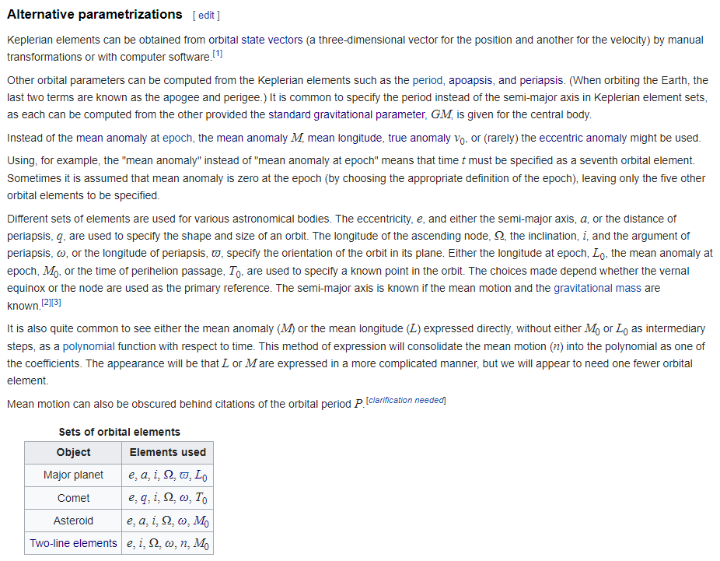
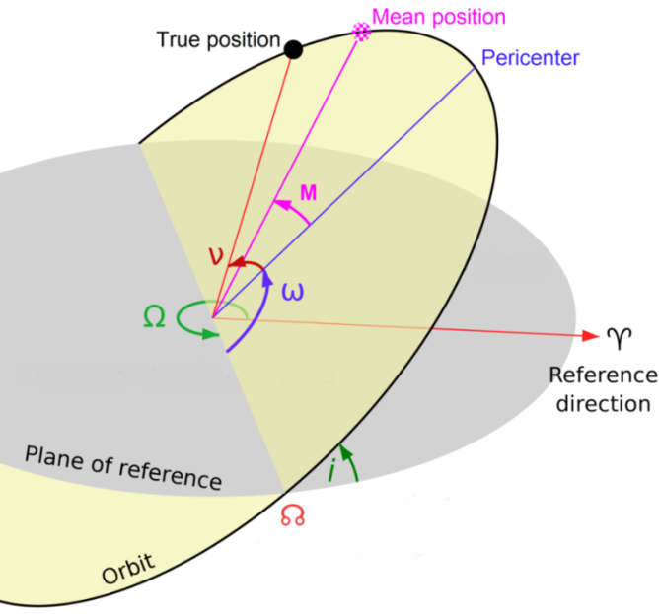
Relevante Parameter für die Position auf einer (bereits durch 5 Parameter festgelegten) Ellipse zu einem bestimmten Zeitpunkt. |  |  |  |  | 0.043333
 |  |  |  |  | 2.4827980136
Symbol | Name(s) | Description/Definition | Formula
p | semi-latus rectum | Line segment between focal point and ellipse, parallel to minor axis of ellipse.
☊ | ascending node north node | The ascending node is where the orbiting object moves north through the plane of reference. Outside the Solar System, the ascending node is the node where the orbiting secondary passes away from the observer.
Ω | right ascension of the ascending node longitude of the ascending node | Angle in the reference plane between a reference direction and the direction to the ascending node. Für Exoplaneten kann bei nur einem Planeten immer Ω=0 angenommen werden, denn Ω ungleich Null kann durch Kopf schieflegen ausgeglichen werden.
ω | argument of periapsis/perihelion/periastron argument of the pericenter/perifocus | Angle in the plane of the orbit from the ascending node to the pericenter. | ω = lat - nu ω = ϖ - Ω
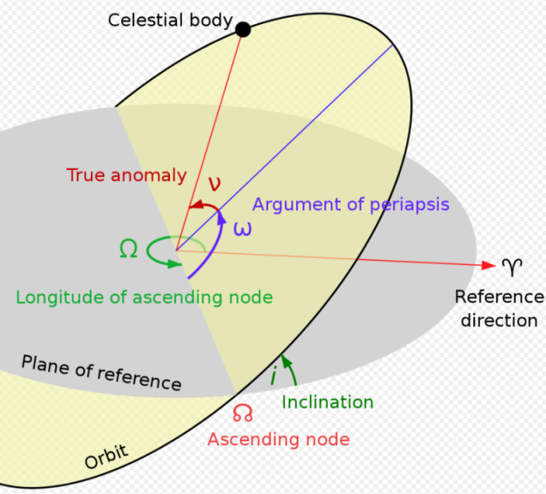
ν, nu, θ, f | true anomaly | Angle in the plane of the orbit between the direction of periapsis and the current position of the body, as seen from the main focus of the ellipse (the point around which the object orbits). | nu = lat - ω nu(EA) = 2 * arctan(sqrt((1 + e) / (1 - e)) * tan(EA / 2))
n | mean angular motion | Angular speed required for a body to complete one orbit, assuming constant speed in a circular orbit which completes in the same time as the variable speed, elliptical orbit of the actual body. | n = sqrt(G * M / a**3)) with G = gravitational constant, M = total mass
T, Tperi | time of periapsis |  | T(t, EA) = t - (1 / n) * (EA - e * sin(EA))
t | time since periapsis
t0 | reference time epoch
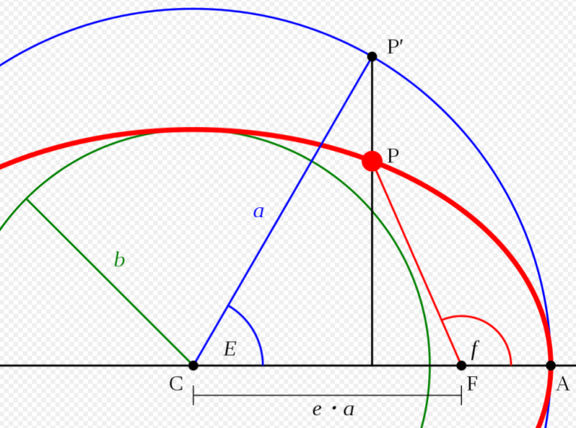
M, MA | mean anomaly | Fraction of an elliptical orbit's period that has elapsed since the orbiting body passed periapsis, expressed as an angle which can be used in calculating the position of that body in the classical two-body problem. It is the angular distance from the pericenter which a fictitious body would have if it moved in a circular orbit, with constant speed, in the same orbital period as the actual body in its elliptical orbit. | MA(EA) = EA - e * sin(EA) MA(t-T) = n * (t - T) MA = L - ϖ MA = L - Ω - ω
ε, M0 | mean longitude at epoch
L, l | mean longitude | Mean longitude is the ecliptic longitude at which an orbiting body could be found if its orbit were circular and free of perturbations. While nominally a simple longitude, in practice the mean longitude does not correspond to any one physical angle. | L = Ω + ω + MA L = ϖ + MA L = ε + n(t − t0), or L = ε + nt, since t = 0 at the epoch t0
E, EA | eccentric anomaly | E in screenshot. f in same screenshot is the true anomaly. | EA(nu) = 2 * arctan(sqrt((1 - e) / (1 + e)) * tan(nu / 2)) EA(MA) has no closed form but can be calculated with Newton–Raphson method.
lat | argument of latitude | Angle between the direction of the ascending node and the current position of the body, as seen from the main focus of the ellipse (the point around which the object orbits). | lat = ω + nu
l | true longitude | Ecliptic longitude of an orbiting body if its inclination were zero. Together with inclination and ascending node, the true longitude gives the direction from the central object at which the body is located at a particular time. | l = Ω + ω + nu l = ϖ + nu
ϖ | longitude of perihelion longitude of the periapsis longitude of the pericenter | Longitude (measured from the point of the vernal equinox / ascending node) of the periapsis if the body's orbit inclination were zero. | ϖ ≡ ω + Ω
δ | Transit depth (fraction) |  | d = (RP/RStar )**2
TC | time of conjunction phase | Time of eclipse. Phase of the periodic lightcurve signal. Average of T1 and T4. Differs significantly from TT for large e and large i.
TT | time of transit phase | Time of minimum projected separation between the star and planet, as seen by the observer.
t | Ingress/egress transit duration | duration of partial eclipse before/after total/ring eclipse
T14 | Total transit duration | The total primary transit duration (first to fourth contact). I.e. from beginning of ingress till end of egress.

 | gegeben | zu ermitteln | Quelle
 | a, e, i, Ω, ϖ, L | ω(ϖ, Ω) EA(MA) | http://www.met.rdg.ac.uk/~ross/Astronomy/Planets.html
 | a, e, i, ω, Ω=270° | nu=270° @ TT | Alte Vermutung von Uli. Typische Exoplanet Information. | Checken!!!!
 | a, e, i, ω, Ω | nu = -ω -90° @ TT | EXOFASTv2 - exoplanet modeling code - explains all parameters!.pdf

https://en.wikipedia.org/wiki/Orbital_elements#Alternative_parametrizations

Parameter-Interpretation
e | i | Ω | ω | ϖ | L | nu | ea | ma | T | t | e | i | Ω | ω | ϖ | L | nu | ea | ma | T | t | e | i | Ω | ω | ϖ | L | nu | ea | ma | T | t | e | i | Ω | ω | ϖ | L | nu | ea | ma | T | t
0.7 | 85 | 0 | 0 | 0 | * |  |  |  |  | 0 | 0.7 | 85 | 0 | 0 | 0 |  | * |  |  |  | 0 | 0.7 | 85 | 0 | 0 | 0 |  |  | * |  |  | 0 | 0.7 | 85 | 0 | 0 | 0 |  |  |  | * |  | 0

 | L=270 |  |  |  |  |  |  |  |  |  |  |  |  |  | nu=270 |  |  |  |  |  |  |  |  |  | ea=270 |  |  |  |  |  |  |  |  | ma=270

 |  |  |  |  |  |  | L=90 |  |  | L=0 |  |  |  |  |  |  |  |  |  |  | nu=0 |  |  |  |  |  |  |  |  | ea=90 |  | ea=0 |  |  |  |  |  |  |  | ma=90 |  |  | ma=0
L=180 |  |  |  |  |  |  |  |  |  |  | nu=180 |  |  |  |  |  |  |  |  |  |  | ea=180 |  |  |  |  |  |  |  |  |  |  | ma=180
 |  |  |  |  | L=0 |  |  |  |  |  |  |  |  |  |  | nu=0 |  |  |  | nu=90 |  |  |  |  |  |  | ea=0 |  |  |  |  |  |  |  |  |  |  | ma=0

 | L=90 |  |  |  |  |  |  |  |  |  |  |  |  |  | nu=90 (eclipse) |  |  |  |  |  |  |  |  |  | ea=90 |  |  |  |  |  |  |  |  | ma=90

e | i | Ω | ω | ϖ | L | nu | ea | ma | T | t | e | i | Ω | ω | ϖ | L | nu | ea | ma | T | t | e | i | Ω | ω | ϖ | L | nu | ea | ma | T | t | e | i | Ω | ω | ϖ | L | nu | ea | ma | T | t
0.7 | 85 | 0 | 0 | 0 |  |  |  |  | * | 0 | 0.7 | 85 | 0 | 90 | 90 |  |  |  |  | 0 | 0 | 0.7 | 85 | 0 | 315 | 315 |  | * |  |  |  | 0 | 0.7 | 85 | 80 | 0 | 80 |  |  |  |  | 0 | 0

 |  |  |  |  |  |  |  |  |  |  |  |  |  |  |  |  |  |  |  |  |  |  |  |  | nu=270 | nu = 315
 | T=75%*P |  |  |  |  |  |  |  |  |  |  |  |  |  |  |  |  |  |  |  |  |  |  |  |  |  | nu=0

 |  |  |  |  |  |  | T=25%*P |  |  | T=0 |  |  |  |  |  |  |  |  |  |  |  |  |  |  |  |  |  | nu=180 |  |  | nu=135
T=50%*P |  |  |  |  |  |  |  |  |  |  |  |  |  |  |  |  |  |  |  |  |  |  |  |  |  |  | nu=90
 |  |  |  |  | T=0 |  |  |  |  |  |  |  |  |  |  |  |  |  |  |  |  |  |  |  |  |  |  |  |  |  |  | nu=0
P = Period
(Time it takes to complete one orbit.)
 |  |  |  |  |  |  |  |  |  |  |  |  |  |  |  |  |  |  |  |  |  |  |  |  |  | nu=135 (eclipse)
 | T=25%*P
 |  |  |  |  |  |  |  |  |  |  |  |  |  |  |  |  |  |  |  |  |  | nu=180

a, e, i are mandatory.
2 of Ω, ω, ϖ are needed. |  |  |  |  |  |  |  |  |  |  |  | overhead view |  |  |  |  |  | edge-on view
1 of L, nu, EA, MA, T is needed.
t is optional. |  |  |  |  |  |  |  |  |  |  |  | y (to viewer)
Alternatively: State vector |  |  |  |  |  |  |  |  |  |  |  |  |  | x |  |  |  | y

 |  |  |  |  |  |  |  |  |  |  |  | z |  |  |  |  |  |  |  | x
 |  |  |  |  |  |  |  |  |  |  |  |  |  |  |  |  |  | z (to viewer)

 |  |  |  |  |  |  |  |  |  |  |  |  |  |  |  |  | -254 |  | -104 |  | 20
 |  |  |  |  |  |  |  |  |  |  |  |  |  |  |  |  |  | 140 |  | 124

