TOI 4504
 |  |  |  |  |  |  |  |  | r | pi * r^2 | area ppm | Uli [0.4765, 0.3495, 0.174] | Uli [0.4765, 0.3495]
r_sun = 6.96342e8 # [m] <float> solar radius |  |  |  |  |  |  |  | sun | 6.96E+08 | 1.52E+18
l_sun = 3.83e26 # [W] <float> solar luminosity
r_jup = 7.1492e7 # [m] <float> Jupiter radius |  |  |  |  |  |  |  | jup | 7.15E+07 | 1.61E+16
r_earth = 6.378135e6 # [m] <float> Earth radius R⊕ |  |  |  |  |  |  |  | earth | 6.38E+06 | 1.28E+14
[TOI-4504]
radius = 0.92 * r_sun |  |  |  |  |  |  |  |  | 0.92 | 1.29E+18
luminosity = 0.62 * l_sun
limb_darkening = [0.4765, 0.3495] # paper contains different parameters q1, q2 for different planets. I averaged them.
[TOI-4504b]
radius = 2.691 * r_earth |  |  |  |  |  |  |  |  | 2.691 | 9.25E+14 | 718 | 859 | 812
[TOI-4504c]
radius = 0.9897 * r_jup |  |  |  |  |  |  |  |  | 0.9897 | 1.57E+16 | 12198 | 14270 | 13598

 |  |  |  |  |  |  |  |  |  |  |  | 98.573 | 99.9141
 |  |  |  |  |  |  |  |  |  |  |  | 1.427 | 0.0859
 |  |  |  |  |  |  |  |  |  |  |  | 14270 | 859

[TOI-4504b]
P [days] | 2.42614
T0 [BJD] | 2459038.458
start_date | 2458400.000
start_date - T0 | 638.458
(start_date - T0) / P | 263.158
T0 - 263* P | 2458400.383 | first transit in simulation

What do the parameters q1 and q2 (no units given) describe in the context of exoplanets?

Given q1 and q2 and the relative_radius r (the normalized radial coordinate (0 <= r <= 1), what is the formula for the limb darkening?
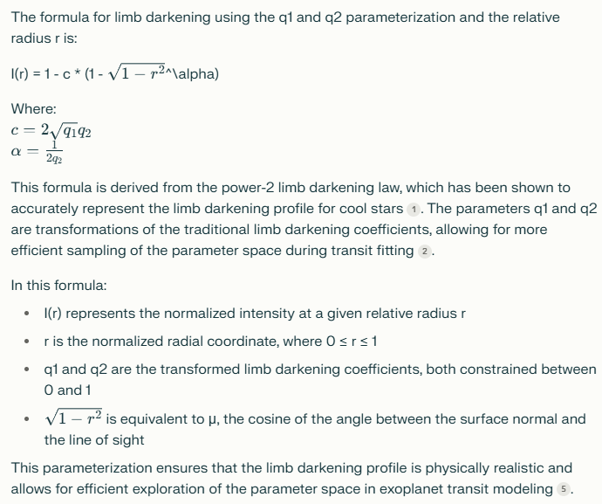

the english wikipedia article on limb darkening uses parameters a0, a1, a2 or alternatively A1 and A2. What is the relationship between these paramers and the parameters you mentioned (u1, u2 and q1, q2)?
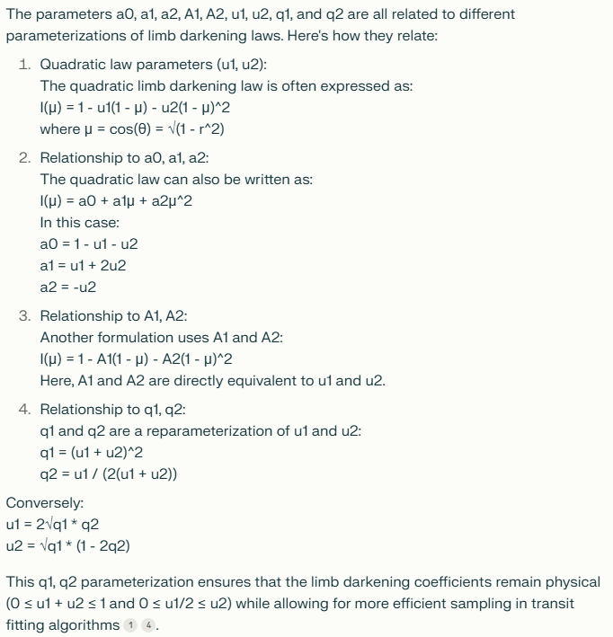

You called u1, u2 the quadratic law parameters. Give me names for the 3 other parameter sets q1, q2 and a0, a1, a2 and A1, A2.

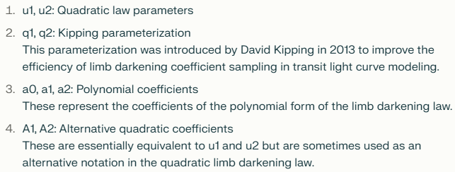

u1, u2 = A1, A2
a0,a1,a2 <- und -> u1,u2
q -> u

Berechnung TT. Sollwert 0,3830000. Mit und ohne genauer berechnetem Minimum zwischen Iterationsschritten.
dt | min | min_optimiert | Fehler optimiert
120 | 0.383333 | 0.382727 | 0.0713% |  | 0.383
60 | 0.382639 | 0.382844 | 0.0407%
20 | 0.38287 | 0.382922 | 0.0204%
10 | 0.382986 | 0.382941 | 0.0154%
5 | 0.382928 | 0.382951 | 0.0128%
1 | 0.382963 | 0.382959 | 0.0107%
0.1 | 0.382961 | 0.382961 | 0.0102%

Fazit: | Kleineres dt verbessert die Genauigkeit der Simulation der Planetenbewegungen.
 | Beim optimierten Minimum ist die Verbesserung stetig statt etwas zufaellig.
 | Das optimierte Minimum ist also offenbar tatsaechlich eine Verbesserung.
 | Die Simulationsgenauigkeit wird auch bei absurd kleinen dt nicht erheblich besser.
 | Ich muss die Simulation verbessern. Vielleicht muessen die Iterationsschritte die |  |  |  |  | Loesung: Verlet Integration!!!
 | Ableitungen x', y' und z' der vorherigen Iterationen beruecksichtigen.

 |  | 0.3827527487 |  | 0.0002472513 | 0.0646% |  | 2.42614 | 1.4647%

P von Planet b: Abweichungen vom Mittelwert waehrend der Simulation
2.4622032656 | 3.2656334299E-06 | 3.2656334299E-06
2.4622009289 | 9.2894508974E-07 | 9.2894508974E-07
2.4622010835 | 1.0835446398E-06 | 1.0835446398E-06
2.4622030049 | 3.0048631099E-06 | 3.0048631099E-06
2.4622054384 | 5.438409E-06 | 5.438409E-06
2.4622075148 | 7.5147926797E-06 | 7.5147926797E-06
2.4622088159 | 8.8158503098E-06 | 8.8158503098E-06
2.4622091716 | 9.1716155399E-06 | 9.1716155399E-06
2.4622085341 | 8.5341252301E-06 | 8.5341252301E-06
2.4622070016 | 7.0016339397E-06 | 7.0016339397E-06
2.4622050035 | 5.0034813497E-06 | 5.0034813497E-06
2.4622034915 | 3.4914791498E-06 | 3.4914791498E-06
2.4622036973 | 3.6973014397E-06 | 3.6973014397E-06
2.4622059772 | 5.9771791099E-06 | 5.9771791099E-06
2.4622085532 | 8.5532173499E-06 | 8.5532173499E-06
2.4622086836 | 8.6836025099E-06 | 8.6836025099E-06
2.4622060116 | 6.0116380398E-06 | 6.0116380398E-06
2.4622030417 | 3.0416503498E-06 | 3.0416503498E-06
2.4622019944 | 1.9943781098E-06 | 1.9943781098E-06
2.4622030472 | 3.0472382897E-06 | 3.0472382897E-06
2.4622051748 | 5.1748447096E-06 | 5.1748447096E-06
2.4622073253 | 7.32526853E-06 | 7.32526853E-06
2.462208861 | 8.86101946E-06 | 8.86101946E-06
2.4622094841 | 9.4840742597E-06 | 9.4840742597E-06
2.4622090752 | 9.0752236499E-06 | 9.0752236499E-06
2.4622076303 | 7.6302766798E-06 | 7.6302766798E-06
2.462205376 | 5.37601038E-06 | 5.37601038E-06
2.4622030351 | 3.03513109E-06 | 3.03513109E-06
2.4622019394 | 1.9394300796E-06 | 1.9394300796E-06
2.4622032619 | 3.26190814E-06 | 3.26190814E-06
2.4622062105 | 6.2104754099E-06 | 6.2104754099E-06
2.4622077034 | 7.7033854997E-06 | 7.7033854997E-06
2.462200698 | 6.979770899E-07 | 6.979770899E-07
2.4622003799 | 3.7993042978E-07 | 3.7993042978E-07
2.4622015846 | 1.58459618E-06 | 1.58459618E-06
2.462203701 | 3.70102673E-06 | 3.70102673E-06
2.4622061863 | 6.1862610199E-06 | 6.1862610199E-06
2.462208556 | 8.5560113097E-06 | 8.5560113097E-06
2.4622102701 | 1.027011051E-05 | 1.027011051E-05
2.4622107218 | 1.072180196E-05 | 1.072180196E-05
2.4622094599 | 9.4598598697E-06 | 9.4598598697E-06
2.4622067912 | 6.7911550397E-06 | 6.7911550397E-06
2.4622043166 | 4.31663095E-06 | 4.31663095E-06
2.4622041616 | 4.1615657498E-06 | 4.1615657498E-06
2.4622065006 | 6.5005823897E-06 | 6.5005823897E-06
2.4622085914 | 8.5914015697E-06 | 8.5914015697E-06
2.4622079204 | 7.92038366E-06 | 7.92038366E-06
2.4622051101 | 5.1101177898E-06 | 5.1101177898E-06
2.4622024521 | 2.4521231596E-06 | 2.4521231596E-06
2.4622013494 | 1.34943723E-06 | 1.34943723E-06
2.4622018831 | 1.8830850697E-06 | 1.8830850697E-06
2.4622035394 | 3.5394422699E-06 | 3.5394422699E-06
2.4622057546 | 5.7545930097E-06 | 5.7545930097E-06
2.4622080475 | 8.0475091897E-06 | 8.0475091897E-06
2.4622099479 | 9.9478728997E-06 | 9.9478728997E-06
2.4622108815 | 1.088152378E-05 | 1.088152378E-05
2.4622102175 | 1.021749079E-05 | 1.021749079E-05
2.4622077048 | 7.70478248E-06 | 7.70478248E-06
2.4622042971 | 4.2970731799E-06 | 4.2970731799E-06
Ø | 0.00000577
max | 0.00001088
min | 0.00000038
max Fehler + | 0.00000511 | 0.0002%
max Fehler - | 0.00000473

P von Planet c
TT von Planet c
2458401.4056
2458484.0278 | 82.62
2458566.7403 | 82.71
2458649.6722 | 82.93
2458732.8653 | 83.19
2458816.2694 | 83.40
2458899.7778 | 83.51
2458983.2889 | 83.51
2459066.7236 | 83.43
2459150.0222 | 83.30
2459233.1486 | 83.13
2459316.0889 | 82.94

Planet c
TT | b | P
2458401.4051 | 0.43659568518
2458484.0278 | 0.45424996553 | 82.62268518
2458566.7407 | 0.47775559458 | 82.71296297
2458649.6713 | 0.50163465077 | 82.93055555
2458732.8657 | 0.51754991264 | 83.19444445
2458816.2685 | 0.52175763375 | 83.40277777
2458899.7778 | 0.51812108121 | 83.50925926
2458983.2917 | 0.51341353615 | 83.51388889
2459066.7269 | 0.51338950942 | 83.43518519
2459150.0278 | 0.52106483078 | 83.30092592
2459233.1574 | 0.53616813 | 83.12962963
2459316.0995 | 0.557064889 | 82.94212963
2459398.8773 | 0.58129924857 | 82.77777778
2459481.5509 | 0.60660523882 | 82.67361111
2459564.2153 | 0.63120045188 | 82.66435185
2459646.9745 | 0.6530192348 | 82.75925926
2459729.9352 | 0.66952600456 | 82.96064815
 | P
 | 82.62268518
 | 82.71296297
 | 82.93055555
 | 83.19444445
 | 83.40277777
 | 83.50925926
 | 83.51388889
 | 83.43518519
 | 83.30092592
 | 83.12962963
 | 82.94212963
 | 82.77777778
 | 82.67361111
 | 82.66435185
 | 82.75925926
 | 82.96064815
 | 83.23611111
 | 83.49768519
 | 83.62037037
 | 83.56018518
 | 83.36805556
 | 83.11574074
 | 82.875
 | 82.69212963
 | 82.59490741
 | 82.58101851
 | 82.66203704
 | 82.82175926
 | 83.04166667
 | 83.28009259
 | 83.48611111
 | 83.59722222
 | 83.57638889
 | 83.40277778
 | 83.12962963
 | 82.84722222
2459813.1713 | 0.67879165548 | 83.23611111
2459896.669 | 0.68607558267 | 83.49768519
2459980.2894 | 0.69967970717 | 83.62037037
2460063.8495 | 0.71323476061 | 83.56018518
2460147.2176 | 0.72173326554 | 83.36805556
2460230.3333 | 0.72463452169 | 83.11574074
2460313.2083 | 0.72455157176 | 82.875
2460395.9005 | 0.72430348626 | 82.69212963
2460478.4954 | 0.72559259523 | 82.59490741
2460561.0764 | 0.72929932978 | 82.58101851
2460643.7384 | 0.73624043064 | 82.66203704
2460726.5602 | 0.74739268624 | 82.82175926
2460809.6019 | 0.76388989923 | 83.04166667
2460892.8819 | 0.78593473835 | 83.28009259
2460976.3681 | 0.8113809022 | 83.48611111
2461059.9653 | 0.8353475662 | 83.59722222
2461143.5417 | 0.85217419882 | 83.57638889
2461226.9444 | 0.86072078159 | 83.40277778
2461310.0741 | 0.87012547039 | 83.12962963
2461392.9213 | 0.88954683553 | 82.84722222
 |  |  |  |  |  |  |  |  |  |  |  | Siehe Screenshot
Realtime (years) | 13 |  |  |  |  |  |  |  |  |  |  | 127 | 13
Realtime (days) | 4,630 |  |  |  |  |  |  |  |  |  |  | 46,296 | 4,630
frames | 100 |  |  |  |  |  |  |  |  |  |  | 100 | 100
dt | 200 |  |  |  |  |  |  |  |  |  |  | 200 | 200
samplingrate | 20,000 |  |  |  |  |  |  |  |  |  |  | 200,000 | 20,000
iterations | 2,000,000 |  |  |  |  |  |  |  |  |  |  | 20,000,000 | 2,000,000
Planet B | entfernt |  |  |  |  |  |  |  |  |  |  | entfernt | entfernt
Planet d inklination | 84.74 | 88 | 89.69 | 90 | 90.7 | 90.9 | 91 | 91.2 | 91.4 | 91.5 | 93 | 91.5 | 84.74
Impact at start | 0.4366 | 0.4363 | 0.4362 | 0.4361 | 0.4361 | 0.4361 | 0.4361 | 0.436 | 0.436 | 0.436 | 0.4359 | 0.436
Impact max |  |  |  |  |  | 0.525 |  | 0.51 | 0.5077 | 0.5028
Impact at end | - | - | 0.66 | 0.56 | 0.49 | 0.4597 | 0.443 | 0.4096 | 0.3763 | 0.3597 | 0.11
transits c | 44 | 51 | 56 | 56 | 56 | 56 | 56 | 56 | 56 | 56 | 56 | 558 | 245
transits d | - |  |  |  |  | 115 |  | 26 | 8 | 0 | 0 | 632 | 385

164 Jahre c und d:

164 Jahre nur d:

164 Jahre nur c:

685 Jahre nur c:

685 Jahre c und d: |  | 6.3 | cm c |  | 78.760091137

685 Jahre c und d, t von d -20,2817 (0,5P):

685 Jahre c und d, t von d -10,1408 (0,25P):

685 Jahre c und d, t von d -5,0704 (0,125P):

685 Jahre c und d, t von d -1.4086 (identisch mit t von c): |  |  |  | c 875 transits (ca. 105 pro Transitphase) |  |  |  | d 1320 transits (ca. 78 Transits pro Transitphase)

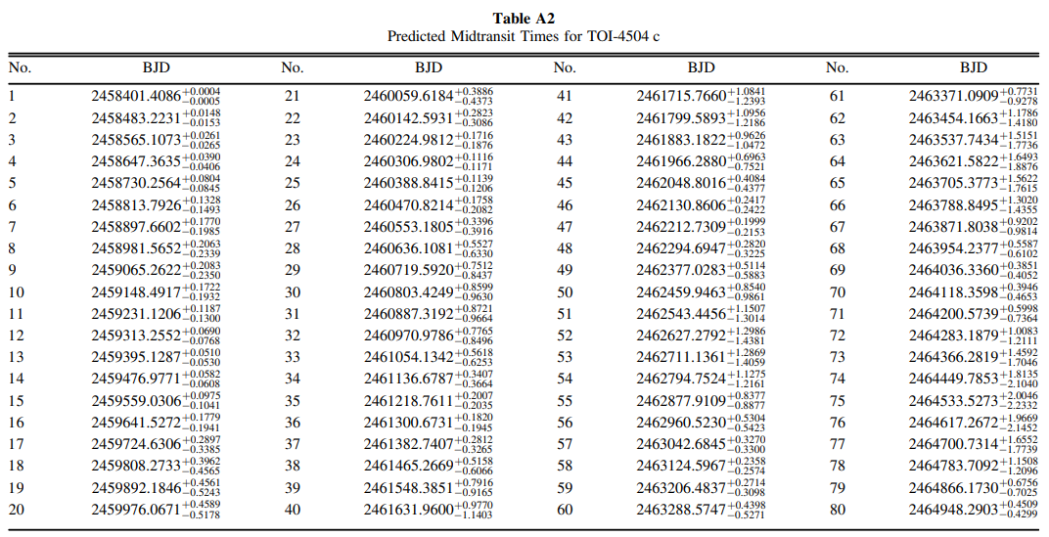
Predicted Transits c (Vitkova): |  |  |  |  |  |  |  |  |  |  |  |  |  | TT CurveSimulator
 |  |  |  |  |  |  |  |  |  |  |  |  | 1 | 2458401.4051
 |  |  |  |  |  |  |  |  |  |  |  |  | 2 | 2458484.0278
 |  |  |  |  |  |  |  |  |  |  |  |  | 3 | 2458566.7407
 |  |  |  |  |  |  |  |  |  |  |  |  | 4 | 2458649.6713
 |  |  |  |  |  |  |  |  |  |  |  |  | 5 | 2458732.8657
 |  |  |  |  |  |  |  |  |  |  |  |  | 6 | 2458816.2685
 |  |  |  |  |  |  |  |  |  |  |  |  | 7 | 2458899.7778
 |  |  |  |  |  |  |  |  |  |  |  |  | 8 | 2458983.2917
 |  |  |  |  |  |  |  |  |  |  |  |  | 9 | 2459066.7269
 |  |  |  |  |  |  |  |  |  |  |  |  | 10 | 2459150.0278
 |  |  |  |  |  |  |  |  |  |  |  |  | 11 | 2459233.1574
 |  |  |  |  |  |  |  |  |  |  |  |  | 12 | 2459316.0995
 |  |  |  |  |  |  |  |  |  |  |  |  | 13 | 2459398.8773
 |  |  |  |  |  |  |  |  |  |  |  |  | 14 | 2459481.5509
 |  |  |  |  |  |  |  |  |  |  |  |  | 15 | 2459564.2153
 |  |  |  |  |  |  |  |  |  |  |  |  | 16 | 2459646.9745
 |  |  |  |  |  |  |  |  |  |  |  |  | 17 | 2459729.9352
 |  |  |  |  |  |  |  |  |  |  |  |  | 18 | 2459813.1713
 |  |  |  |  |  |  |  |  |  |  |  |  | 19 | 2459896.669
 |  |  |  |  |  |  |  |  |  |  |  |  | 20 | 2459980.2894
 |  |  |  |  |  |  |  |  |  |  |  |  | 21 | 2460063.8495
 |  |  |  |  |  |  |  |  |  |  |  |  | 22 | 2460147.2176
 |  |  |  |  |  |  |  |  |  |  |  |  | 23 | 2460230.3333
 |  |  |  |  |  |  |  |  |  |  |  |  | 24 | 2460313.2083
 |  |  |  |  |  |  |  |  |  |  |  |  | 25 | 2460395.9005
 |  |  |  |  |  |  |  |  |  |  |  |  | 26 | 2460478.4954
 |  |  |  |  |  |  |  |  |  |  |  |  | 27 | 2460561.0764
 |  |  |  |  |  |  |  |  |  |  |  |  | 28 | 2460643.7384
 |  |  |  |  |  |  |  |  |  |  |  |  | 29 | 2460726.5602
 |  |  |  |  |  |  |  |  |  |  |  |  | 30 | 2460809.6019
 |  |  |  |  |  |  |  |  |  |  |  |  | 31 | 2460892.8819
 |  |  |  |  |  |  |  |  |  |  |  |  | 32 | 2460976.3681
 |  |  |  |  |  |  |  |  |  |  |  |  | 33 | 2461059.9653
 |  |  |  |  |  |  |  |  |  |  |  |  | 34 | 2461143.5417
 |  |  |  |  |  |  |  |  |  |  |  |  | 35 | 2461226.9444
 |  |  |  |  |  |  |  |  |  |  |  |  | 36 | 2461310.0741
 |  |  |  |  |  |  |  |  |  |  |  |  | 37 | 2461392.9213
 |  |  |  |  |  |  |  |  |  |  |  |  | 38 | null
 |  |  |  |  |  |  |  |  |  |  |  |  | 39 | null
 |  |  |  |  |  |  |  |  |  |  |  |  | 40 | null
 |  |  |  |  |  |  |  |  |  |  |  |  | 41 | null
 |  |  |  |  |  |  |  |  |  |  |  |  | 42 | null
 |  |  |  |  |  |  |  |  |  |  |  |  | 43 | null
 |  |  |  |  |  |  |  |  |  |  |  |  | 44 | null
 |  |  |  |  |  |  |  |  |  |  |  |  | 45 | null
 |  |  |  |  |  |  |  |  |  |  |  |  | 46 | null
 |  |  |  |  |  |  |  |  |  |  |  |  | 47 | null
 |  |  |  |  |  |  |  |  |  |  |  |  | 48 | null
 |  |  |  |  |  |  |  |  |  |  |  |  | 49 | null
 |  |  |  |  |  |  |  |  |  |  |  |  | 50 | null
 |  |  |  |  |  |  |  |  |  |  |  |  | 51 | null
 |  |  |  |  |  |  |  |  |  |  |  |  | 52 | null
 |  |  |  |  |  |  |  |  |  |  |  |  | 53 | null
 |  |  |  |  |  |  |  |  |  |  |  |  | 54 | 2482913.0231
 |  |  |  |  |  |  |  |  |  |  |  |  | 55 | 2482995.6551
 |  |  |  |  |  |  |  |  |  |  |  |  | 56 | 2483078.3009
 |  |  |  |  |  |  |  |  |  |  |  |  | 57 | 2483161.0417
 |  |  |  |  |  |  |  |  |  |  |  |  | 58 | 2483243.9514
 |  |  |  |  |  |  |  |  |  |  |  |  | 59 | 2483327.0856
 |  |  |  |  |  |  |  |  |  |  |  |  | 60 | 2483410.4468
 |  |  |  |  |  |  |  |  |  |  |  |  | 61 | 2483493.9676
 |  |  |  |  |  |  |  |  |  |  |  |  | 62 | 2483577.5139
 |  |  |  |  |  |  |  |  |  |  |  |  | 63 | 2483660.9514
 |  |  |  |  |  |  |  |  |  |  |  |  | 64 | 2483744.1968
 |  |  |  |  |  |  |  |  |  |  |  |  | 65 | 2483827.2315
 |  |  |  |  |  |  |  |  |  |  |  |  | 66 | 2483910.1042
 |  |  |  |  |  |  |  |  |  |  |  |  | 67 | 2483992.8866
 |  |  |  |  |  |  |  |  |  |  |  |  | 68 | 2484075.6644
 |  |  |  |  |  |  |  |  |  |  |  |  | 69 | 2484158.5069
 |  |  |  |  |  |  |  |  |  |  |  |  | 70 | 2484241.4583
 |  |  |  |  |  |  |  |  |  |  |  |  | 71 | 2484324.5417

Ark2
