post Kepler 1
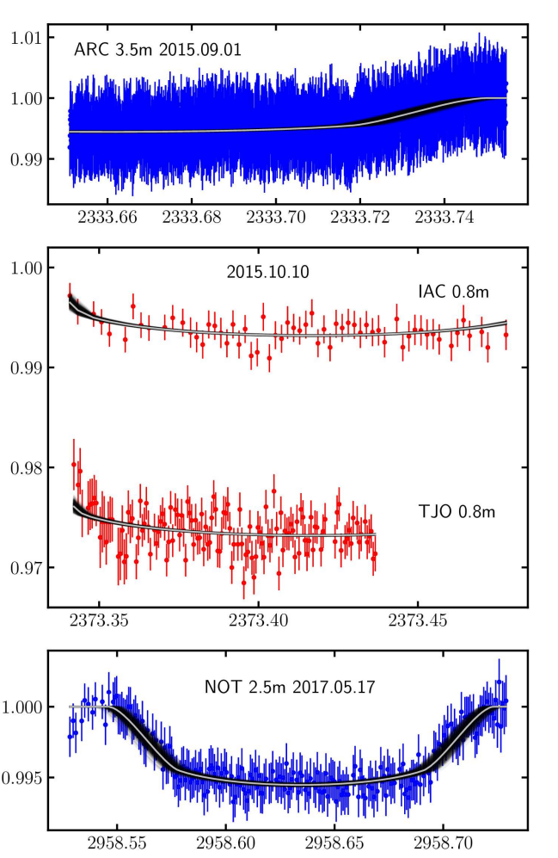
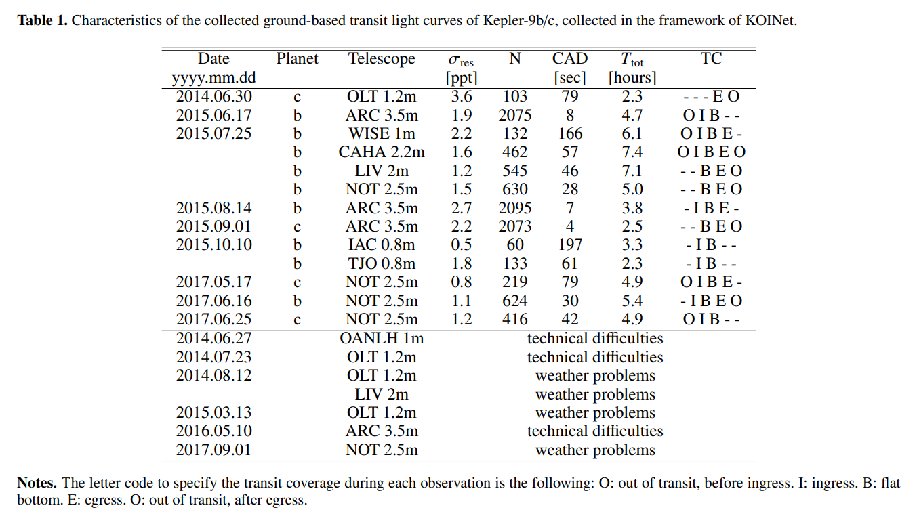

TT
+- | 0.0100
T1 |  | T12
T2 |  | T23
T3 | 2333.7196 | T34 | 0.0292
T4 | 2333.7488 | T14

BJD | cm | BJD/cm
0.02 | 5 | 0.004

TT
+- | 0.0150
T1 |  | T12
T2 | 2373.3439 | T23
T3 |  | T34
T4 |  | T14

BJD | cm | BJD/cm
0.05 | 9.5 | 0.0052631578947

TT | 2958.6357
+- | 0.0046
T1 | 2958.5469 | T12 | 0.0305
T2 | 2958.5774 | T23 | 0.1164
T3 | 2958.6938 | T34 | 0.0282
T4 | 2958.7220 | T14 | 0.1751

BJD | cm | BJD/cm
0.05 | 6.47 | 0.0077279752705

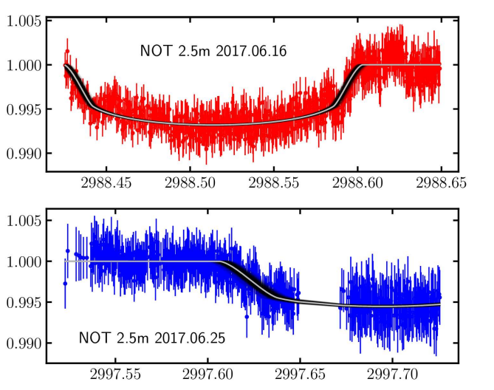
TT | 2988.5134
+- | 0.0055
T1 |  | T12
T2 | 2988.4419 | T23 | 0.1450
T3 | 2988.5869 | T34 | 0.0149
T4 | 2988.6018 | T14

BJD | cm | BJD/cm
0.05 | 5.53 | 0.0090415913201

TT
+- | 0.0100
T1 | 2997.6078 | T12 | 0.0283
T2 | 2997.6361 | T23
T3 |  | T34
T4 |  | T14

BJD | cm | BJD/cm
0.05 | 6.37 | 0.0078492935636

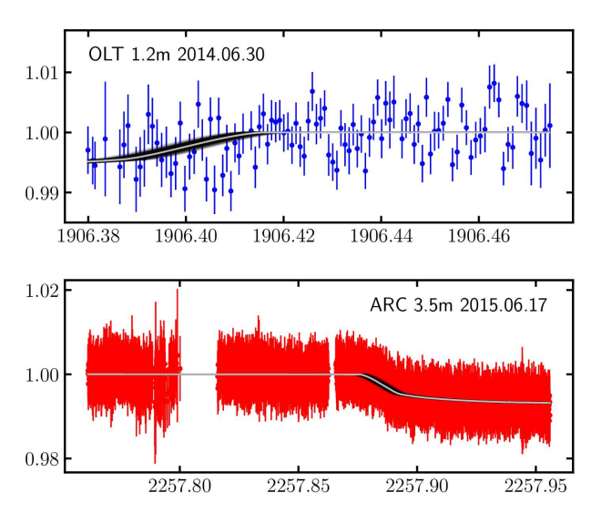

TT
+- | 0.0100
T1 |  | T12
T2 |  | T23
T3 | 1906.3872 | T34 | 0.0293
T4 | 1906.4165 | T14

BJD | cm | BJD/cm
0.02 | 6.25 | 0.0032

TT
+- | 0.0100
T1 | 2257.8758 | T12 | 0.0185
T2 | 2257.8944 | T23
T3 |  | T34
T4 |  | T14

BJD | cm | BJD/cm
0.05 | 7.55 | 0.0066225165563

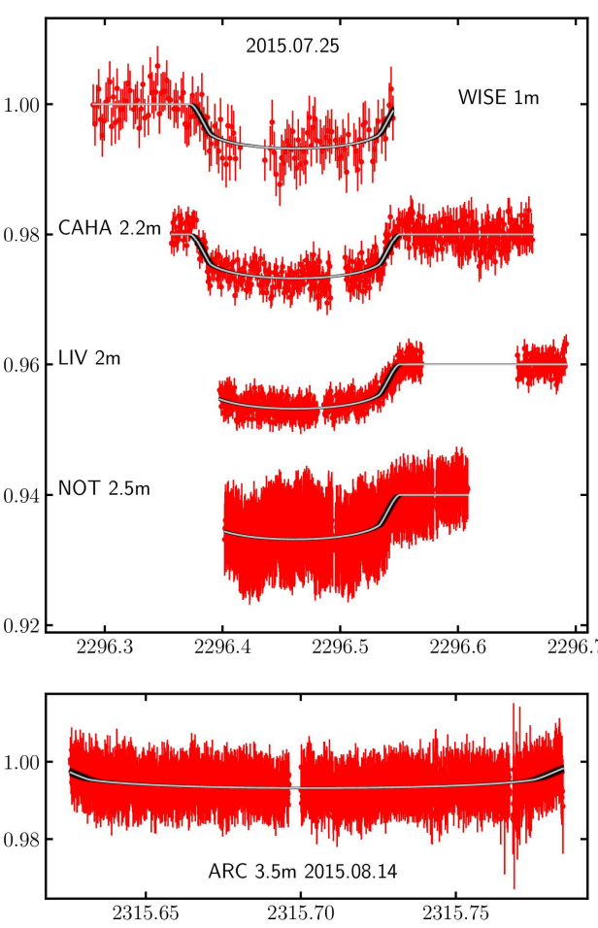

TT
+- | 0.0050
T1 | 2296.3731 | T12 | 0.0184
T2 | 2296.3915 | T23 | 0.1390
T3 | 2296.5305 | T34 | 0.0210
T4 | 2296.5514 | T14 | 0.1783

BJD | cm | BJD/cm
0.1 | 7.06 | 0.014164305949

TT
+- | 0.0060
T1 |  | T12
T2 | 2315.6328 | T23 | 0.1419
T3 | 2315.7747 | T34
T4 |  | T14

BJD | cm | BJD/cm
0.05 | 9.3 | 0.005376344086

TT Residuen
"KEPLER9b", | "KEPLER9c", | Transits vor 2455088.212 gingen nicht in diesen Fit ein, weil die Bahn-Parameter auf diese Epoche bezogen sind.
6.23E-05 | 0.00017838273197 | Transits nach Kepler gingen ebenfalls nicht ein.
-0.00012567220256 | 0.0003351457417
-0.00016781548038 | -0.0014182389714
-0.00056542130187 | 0.001387365628
Max Likelihood Residuen der TT aus MCMC-fit
 | "KEPLER9b", | "KEPLER9c",
 | 6.2306411564E-05 | 0.00017838273197
 | -0.00012567220256 | 0.0003351457417
 | -0.00016781548038 | -0.0014182389714
 | -0.00056542130187 | 0.001387365628
 | 0.00031879823655 | -0.0011388720013
 | 0.0001992941834 | 0.00028699496761
 | -0.00034579075873 | 0.00048944354057
 | 0.00082376925275 | 0.00010274769738
 | 0.00016694422811 | 0.00066324789077
 | 0.00010331720114 | 0.00076423119754
 | -0.00097848754376 | -1.1585652828E-05
 | 0.0003587086685 | 0.0007148408331
 | 0.0001826742664 | -0.00089162308723
 | 0.0011327746324 | -2.0907726139E-05
 | 5.3766183555E-05 | -0.00051605142653
 | 0.00018403539434 | 0.0001705205068
 | 0.00086149480194 | 2.8131064028E-05
 | -0.00017674313858 | -0.0021469444036
 | -0.00072043761611 | -0.0015098685399
 | 0.00098177883774 | -0.00054837064818
 | -0.00030537042767 | 0.0011347536929
 | -0.00090607767925 | 0.0017681578174
 | 0.00075459573418 | 0.00056623201817
 | 0.00016513699666 | 0.00033477181569
 | -0.004703706596 | 0.0011634733528
 | -0.0002907528542 | 0.00089843478054
 | -0.00045868335292 | -0.0013369959779
 | 0.00074508367106 | -0.0020916960202
 | 0.00051051657647 | 0.00041720177978
 | 0.00039025675505 | -0.00024711666629
 | 4.1231513023E-05 | 0.0016041980125
 | -0.0010245675221 | -0.00095296697691
 | 0.00051974784583
 | -0.00019041728228
 | -0.0017840876244
 | 4.2282044888E-07
 | -1.1846423149E-06
 | -0.0010440335609
 | 0.0010312888771
 | -0.00019331788644
 | 0.00039439834654
 | 0.0010359063745
 | -0.00064269499853
 | 0.0002836403437
 | 0.00013205735013
 | 0.00094247981906
 | 0.00066269794479
 | -6.1258208007E-05
 | -6.3952058554E-05
 | 0.0001325532794
...
0.00031879823655 | -0.0011388720013
0.0001992941834 | 0.00028699496761
-0.00034579075873 | 0.00048944354057
0.00082376925275 | 0.00010274769738
0.00016694422811 | 0.00066324789077
0.00010331720114 | 0.00076423119754
-0.00097848754376 | -1.16E-05
0.0003587086685 | 0.0007148408331
0.0001826742664 | -0.00089162308723
0.0011327746324 | -2.09E-05
5.38E-05 | -0.00051605142653
0.00018403539434 | 0.0001705205068
0.00086149480194 | 2.81E-05
-0.00017674313858 | -0.0021469444036
-0.00072043761611 | -0.0015098685399
0.00098177883774 | -0.00054837064818
-0.00030537042767 | 0.0011347536929
-0.00090607767925 | 0.0017681578174
0.00075459573418 | 0.00056623201817
0.00016513699666 | 0.00033477181569
-0.004703706596 | 0.0011634733528
-0.0002907528542 | 0.00089843478054
-0.00045868335292 | -0.0013369959779
0.00074508367106 | -0.0020916960202
0.00051051657647 | 0.00041720177978
0.00039025675505 | -0.00024711666629
4.12E-05 | 0.0016041980125
-0.0010245675221 | -0.00095296697691
0.00051974784583
-0.00019041728228
-0.0017840876244
4.23E-07
-1.18E-06
-0.0010440335609
0.0010312888771
-0.00019331788644
0.00039439834654
0.0010359063745
-0.00064269499853
0.0002836403437
0.00013205735013
0.00094247981906
0.00066269794479
-6.13E-05
-6.40E-05
0.0001325532794
0.00056414911523
7.65E-05
0.0010453741997
-0.0012071048841
-0.00085316598415
-0.0013075228781
0.0011128899641
-0.00032995454967
-0.00153164519
0.00018379371613
0.00085497321561
0.00019305571914
-0.0018621594645

