TOI 4504
 |  |  |  |  |  |  |  |  | r | pi * r^2 | area ppm | Uli [0.4765, 0.3495, 0.174] | Uli [0.4765, 0.3495]
r_sun = 6.96342e8 # [m] <float> solar radius |  |  |  |  |  |  |  | sun | 6.96E+08 | 1.52E+18
l_sun = 3.83e26 # [W] <float> solar luminosity
r_jup = 7.1492e7 # [m] <float> Jupiter radius |  |  |  |  |  |  |  | jup | 7.15E+07 | 1.61E+16
r_earth = 6.378135e6 # [m] <float> Earth radius R⊕ |  |  |  |  |  |  |  | earth | 6.38E+06 | 1.28E+14
[TOI-4504]
radius = 0.92 * r_sun |  |  |  |  |  |  |  |  | 0.92 | 1.29E+18
luminosity = 0.62 * l_sun
limb_darkening = [0.4765, 0.3495] # paper contains different parameters q1, q2 for different planets. I averaged them.
[TOI-4504b]
radius = 2.691 * r_earth |  |  |  |  |  |  |  |  | 2.691 | 9.25E+14 | 718 | 859 | 812
[TOI-4504c]
radius = 0.9897 * r_jup |  |  |  |  |  |  |  |  | 0.9897 | 1.57E+16 | 12198 | 14270 | 13598

 |  |  |  |  |  |  |  |  |  |  |  | 98.573 | 99.9141
 |  |  |  |  |  |  |  |  |  |  |  | 1.427 | 0.0859
 |  |  |  |  |  |  |  |  |  |  |  | 14270 | 859

[TOI-4504b]
P [days] | 2.42614
T0 [BJD] | 2459038.458
start_date | 2458400.000
start_date - T0 | 638.458
(start_date - T0) / P | 263.158
T0 - 263* P | 2458400.383 | first transit in simulation

What do the parameters q1 and q2 (no units given) describe in the context of exoplanets?

Given q1 and q2 and the relative_radius r (the normalized radial coordinate (0 <= r <= 1), what is the formula for the limb darkening?
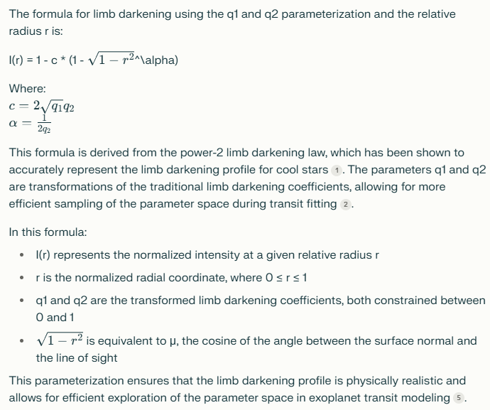

the english wikipedia article on limb darkening uses parameters a0, a1, a2 or alternatively A1 and A2. What is the relationship between these paramers and the parameters you mentioned (u1, u2 and q1, q2)?
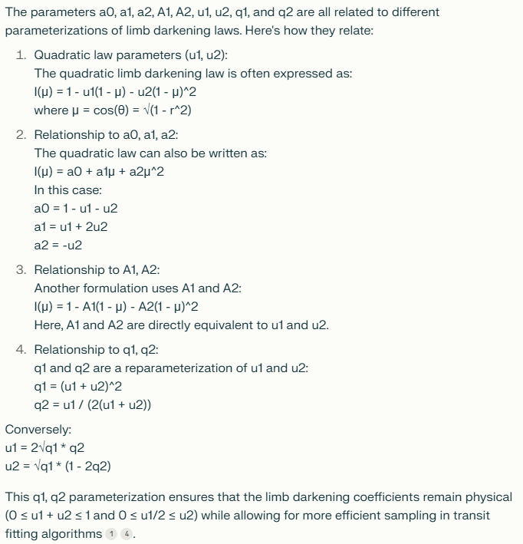

You called u1, u2 the quadratic law parameters. Give me names for the 3 other parameter sets q1, q2 and a0, a1, a2 and A1, A2.

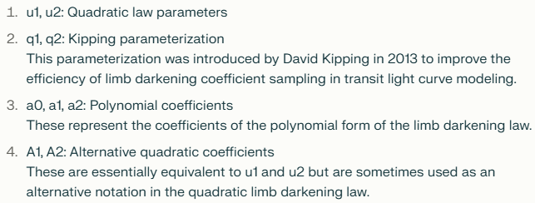

u1, u2 = A1, A2
a0,a1,a2 <- und -> u1,u2
q -> u

Berechnung TT. Sollwert 0,3830000. Mit und ohne genauer berechnetem Minimum zwischen Iterationsschritten.
dt | min | min_optimiert | Fehler optimiert
120 | 0.383333 | 0.382727 | 0.0713% |  | 0.383
60 | 0.382639 | 0.382844 | 0.0407%
20 | 0.38287 | 0.382922 | 0.0204%
10 | 0.382986 | 0.382941 | 0.0154%
5 | 0.382928 | 0.382951 | 0.0128%
1 | 0.382963 | 0.382959 | 0.0107%
0.1 | 0.382961 | 0.382961 | 0.0102%

Fazit: | Kleineres dt verbessert die Genauigkeit der Simulation der Planetenbewegungen.
 | Beim optimierten Minimum ist die Verbesserung stetig statt etwas zufaellig.
 | Das optimierte Minimum ist also offenbar tatsaechlich eine Verbesserung.
 | Die Simulationsgenauigkeit wird auch bei absurd kleinen dt nicht erheblich besser.
 | Ich muss die Simulation verbessern. Vielleicht muessen die Iterationsschritte die |  |  |  |  | Loesung: Verlet Integration!!!
 | Ableitungen x', y' und z' der vorherigen Iterationen beruecksichtigen.

 |  | 0.3827527487 |  | 0.0002472513 | 0.0646% |  | 2.42614 | 1.4647%

P von Planet b: Abweichungen vom Mittelwert waehrend der Simulation
2.4622032656 | 3.2656334299E-06 | 3.2656334299E-06
2.4622009289 | 9.2894508974E-07 | 9.2894508974E-07
2.4622010835 | 1.0835446398E-06 | 1.0835446398E-06
2.4622030049 | 3.0048631099E-06 | 3.0048631099E-06
2.4622054384 | 5.438409E-06 | 5.438409E-06
2.4622075148 | 7.5147926797E-06 | 7.5147926797E-06
2.4622088159 | 8.8158503098E-06 | 8.8158503098E-06
2.4622091716 | 9.1716155399E-06 | 9.1716155399E-06
2.4622085341 | 8.5341252301E-06 | 8.5341252301E-06
2.4622070016 | 7.0016339397E-06 | 7.0016339397E-06
2.4622050035 | 5.0034813497E-06 | 5.0034813497E-06
2.4622034915 | 3.4914791498E-06 | 3.4914791498E-06
2.4622036973 | 3.6973014397E-06 | 3.6973014397E-06
2.4622059772 | 5.9771791099E-06 | 5.9771791099E-06
2.4622085532 | 8.5532173499E-06 | 8.5532173499E-06
2.4622086836 | 8.6836025099E-06 | 8.6836025099E-06
2.4622060116 | 6.0116380398E-06 | 6.0116380398E-06
2.4622030417 | 3.0416503498E-06 | 3.0416503498E-06
2.4622019944 | 1.9943781098E-06 | 1.9943781098E-06
2.4622030472 | 3.0472382897E-06 | 3.0472382897E-06
2.4622051748 | 5.1748447096E-06 | 5.1748447096E-06
2.4622073253 | 7.32526853E-06 | 7.32526853E-06
2.462208861 | 8.86101946E-06 | 8.86101946E-06
2.4622094841 | 9.4840742597E-06 | 9.4840742597E-06
2.4622090752 | 9.0752236499E-06 | 9.0752236499E-06
2.4622076303 | 7.6302766798E-06 | 7.6302766798E-06
2.462205376 | 5.37601038E-06 | 5.37601038E-06
2.4622030351 | 3.03513109E-06 | 3.03513109E-06
2.4622019394 | 1.9394300796E-06 | 1.9394300796E-06
2.4622032619 | 3.26190814E-06 | 3.26190814E-06
2.4622062105 | 6.2104754099E-06 | 6.2104754099E-06
2.4622077034 | 7.7033854997E-06 | 7.7033854997E-06
2.462200698 | 6.979770899E-07 | 6.979770899E-07
2.4622003799 | 3.7993042978E-07 | 3.7993042978E-07
2.4622015846 | 1.58459618E-06 | 1.58459618E-06
2.462203701 | 3.70102673E-06 | 3.70102673E-06
2.4622061863 | 6.1862610199E-06 | 6.1862610199E-06
2.462208556 | 8.5560113097E-06 | 8.5560113097E-06
2.4622102701 | 1.027011051E-05 | 1.027011051E-05
2.4622107218 | 1.072180196E-05 | 1.072180196E-05
2.4622094599 | 9.4598598697E-06 | 9.4598598697E-06
2.4622067912 | 6.7911550397E-06 | 6.7911550397E-06
2.4622043166 | 4.31663095E-06 | 4.31663095E-06
2.4622041616 | 4.1615657498E-06 | 4.1615657498E-06
2.4622065006 | 6.5005823897E-06 | 6.5005823897E-06
2.4622085914 | 8.5914015697E-06 | 8.5914015697E-06
2.4622079204 | 7.92038366E-06 | 7.92038366E-06
2.4622051101 | 5.1101177898E-06 | 5.1101177898E-06
2.4622024521 | 2.4521231596E-06 | 2.4521231596E-06
2.4622013494 | 1.34943723E-06 | 1.34943723E-06
2.4622018831 | 1.8830850697E-06 | 1.8830850697E-06
2.4622035394 | 3.5394422699E-06 | 3.5394422699E-06
2.4622057546 | 5.7545930097E-06 | 5.7545930097E-06
2.4622080475 | 8.0475091897E-06 | 8.0475091897E-06
2.4622099479 | 9.9478728997E-06 | 9.9478728997E-06
2.4622108815 | 1.088152378E-05 | 1.088152378E-05
2.4622102175 | 1.021749079E-05 | 1.021749079E-05
2.4622077048 | 7.70478248E-06 | 7.70478248E-06
2.4622042971 | 4.2970731799E-06 | 4.2970731799E-06
Ø | 0.00000577
max | 0.00001088
min | 0.00000038
max Fehler + | 0.00000511 | 0.0002%
max Fehler - | 0.00000473

P von Planet c
TT von Planet c
2458401.4056
2458484.0278 | 82.62
2458566.7403 | 82.71
2458649.6722 | 82.93
2458732.8653 | 83.19
2458816.2694 | 83.40
2458899.7778 | 83.51
2458983.2889 | 83.51
2459066.7236 | 83.43
2459150.0222 | 83.30
2459233.1486 | 83.13
2459316.0889 | 82.94

Ark2
