test
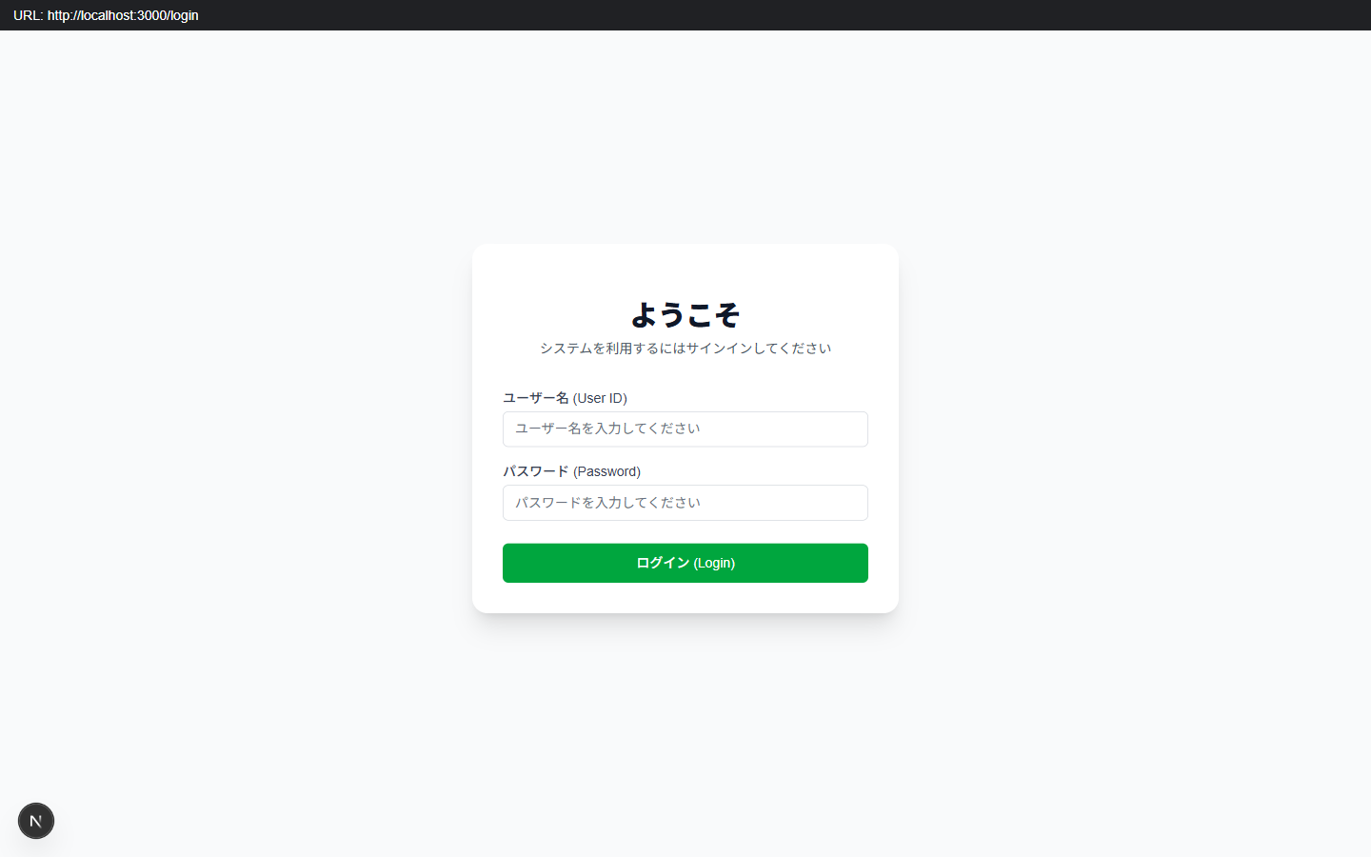
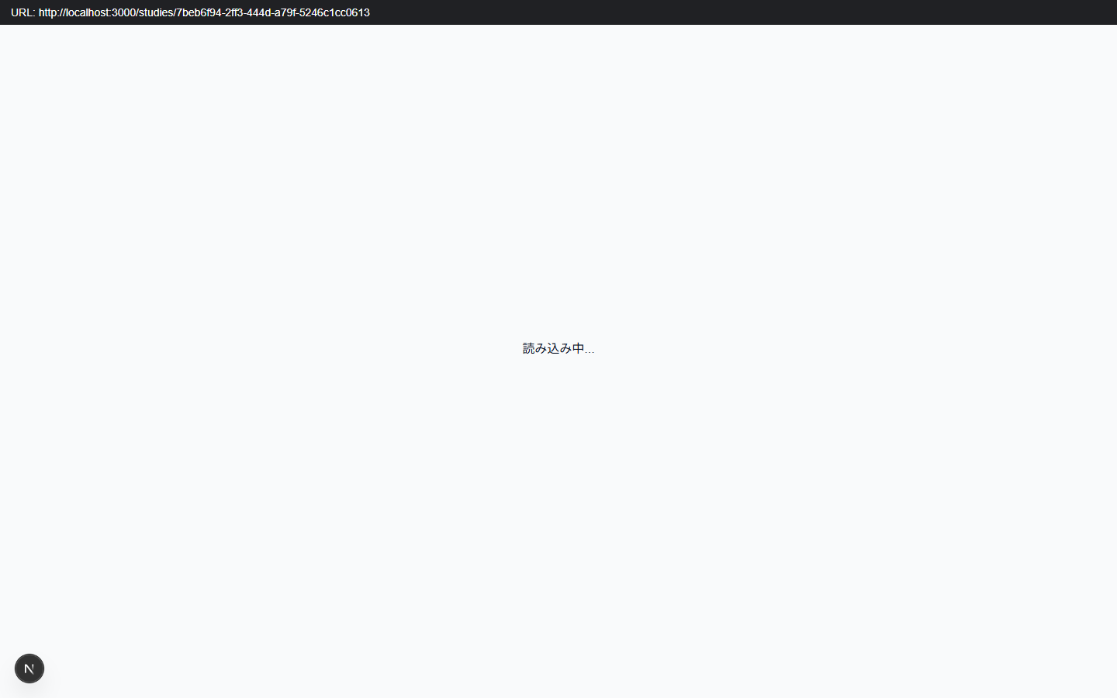
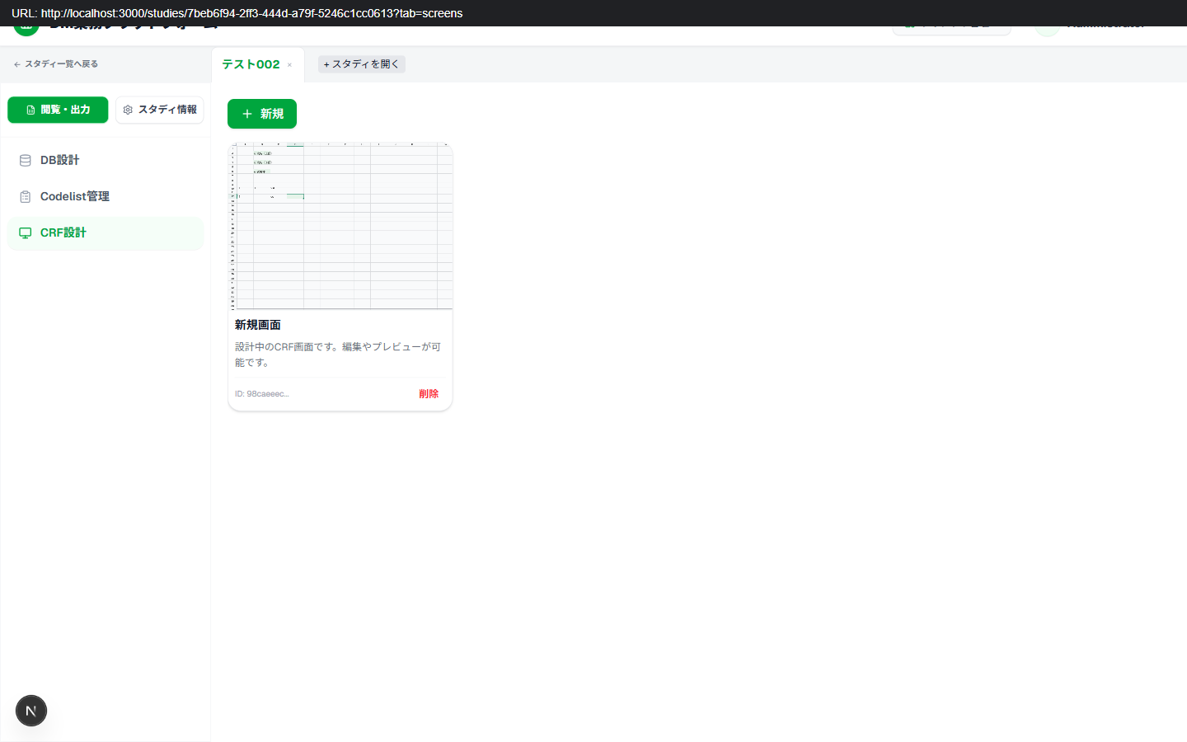
Step | Result | URL
test.config.json | PASS | http://localhost:3000/studies/7beb6f94-2ff3-444d-a79f-5246c1cc0613?tab=screens

test001
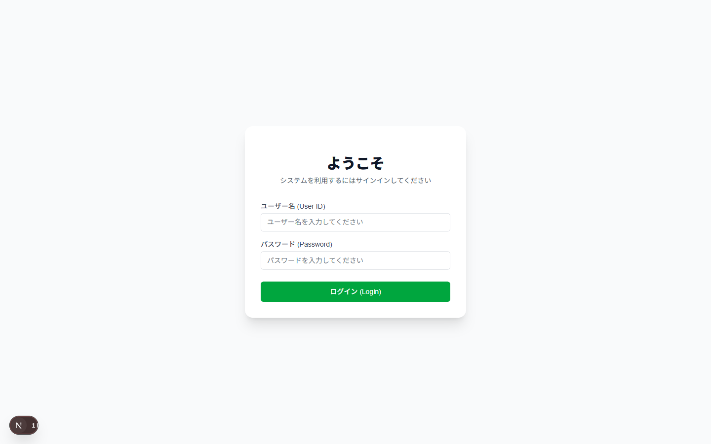
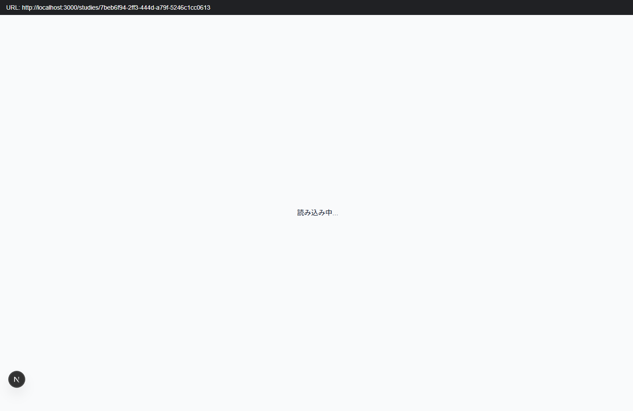
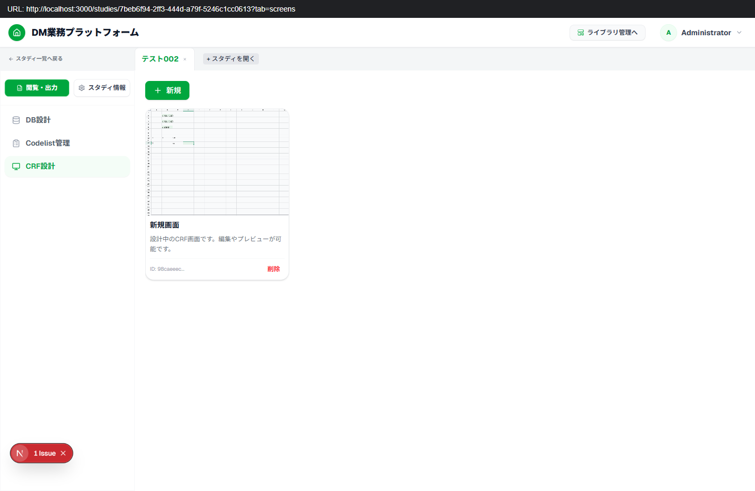

Step | Result | URL
test.config.json | PASS | http://localhost:3000/crfs/98caeeec-2bc6-466c-a06f-c771e8e096a1

