Set 1
20181223 by Joe Adams
With Excel, open the Full CSV, not Simple CSV, downloaded from AeroPoints website. Select All Cells, copy, and Paste Values Only into cell A1 on this sheet. If not full 10 AeroPoints collected, delete older lines.
20181223 by Joe Adams
With Excel, open the Full CSV, not Simple CSV, Download from AeroPoints website. Select All Cells, copy, and Paste Values Only into cell A1 on this sheet.
Flight | 20190326_DFC_Pond
Start | 26 Mar 2019 12:14 PM MDT
End | 26 Mar 2019 4:29 PM MDT
Duration | 4:15:00

Geographic coordinate reference system | NAD83(2011)
Geographic EPSG code | 6319

Projected coordinate reference system | NAD83(2011) / UTM zone 13N
Projected EPSG code | 6342

Vertical coordinate reference system | NAVD88 height
Vertical EPSG code | 5703
Geoid model | geoid12b

Angular unit | decimal degrees
Distance unit | metres

Point number | Global ID | Aeropoint ID | Capture Start | Capture End | Latitude | Longitude | Ellipsoid height | Easting | Northing | Orthometric height | X variance (mm) | Y variance (mm) | Z variance (mm) | Baseline distance (km)
1 | ac657050e6 | 2323908 | 26 Mar 2019 12:14 PM MDT | 26 Mar 2019 4:29 PM MDT | 39.71771242 | -105.11098946 | 1683.329 | 490487.075 | 4396432.711 | 1699.738 | 1 | 1.6 | 2.3 | 0.03
2 | ac84e6cb23 | 13072885 | 26 Mar 2019 12:17 PM MDT | 26 Mar 2019 4:29 PM MDT | 39.71766882 | -105.1113782 | 1683.399 | 490453.75 | 4396427.914 | 1699.805 | 2.3 | 1.2 | 5.3 | 7
3 | acf5d4ede2 | 13017653 | 26 Mar 2019 12:17 PM MDT | 26 Mar 2019 4:28 PM MDT | 39.71811212 | -105.11184694 | 1684.221 | 490413.636 | 4396477.163 | 1700.625 | 7.3 | 3.3 | 5.9 | 0.06
4 | acd3e3d46b | 2319877 | 26 Mar 2019 12:18 PM MDT | 26 Mar 2019 4:27 PM MDT | 39.7183721 | -105.11175337 | 1687.403 | 490421.692 | 4396506.006 | 1703.808 | 1.7 | 8 | 9.1 | 0.08
5 | aca38795d6 | 8366556 | 26 Mar 2019 12:20 PM MDT | 26 Mar 2019 4:25 PM MDT | 39.7191254 | -105.11208794 | 1684.655 | 490393.12 | 4396589.647 | 1701.058 | 2.2 | 5.1 | 6.2 | 6.93
6 | aca18aad5d | 13073503 | 26 Mar 2019 12:22 PM MDT | 26 Mar 2019 4:24 PM MDT | 39.71916948 | -105.11144997 | 1682.88 | 490447.806 | 4396594.472 | 1699.288 | 1.7 | 1.3 | 4 | 0.17
7 | acf7015571 | 8366542 | 26 Mar 2019 12:23 PM MDT | 26 Mar 2019 4:24 PM MDT | 39.71866427 | -105.11155226 | 1683.769 | 490438.969 | 4396538.411 | 1700.176 | 0.8 | 5 | 8.1 | 0.11
8 | ac08d981ad | 2324199 | 26 Mar 2019 12:25 PM MDT | 26 Mar 2019 4:23 PM MDT | 39.71822033 | -105.11100339 | 1680.241 | 490485.951 | 4396489.083 | 1696.65 | 3.2 | 2.4 | 4.9 | 0.07
9 | ac1189f3f0 | 2320564 | 26 Mar 2019 12:29 PM MDT | 26 Mar 2019 4:22 PM MDT | 39.71794087 | -105.11081206 | 1683.33 | 490502.311 | 4396458.047 | 1699.74 | 5.4 | 1.2 | 2.7 | 0.06

Set 2
20181223 by Joe Adams
With Excel, open the Full CSV, not Simple CSV, downloaded from AeroPoints website. Select All Cells, copy, and Paste Values Only into cell A1 on this sheet. If not full 10 AeroPoints collected, delete older lines.

Accur Calc & Day ID
20181222 by Joe Adams
Accuracy calculated using formula found in Propeller Aero document titled "Using AeroPoints for Aerial Surveying".
Horizontal (XY) Accuracy (millimeters) = 10 + (Max Baseline Distance (km) * 2)
Vertical (Z) Accuracy (millimeters) = 20 + (Max Baseline Distance (km) * 2)
Set 1
X & Y Accuracy (meters) | Z Accuracy (meters)
0.024 | 0.034

Set 2
X & Y Accuracy (meters) | Z Accuracy (meters)
0.01 | 0.02

Day Identifier
DP26 | XX = Some two letter location identifier. At Fort Irwin, we used BL for Bicycle Lake and RP for Red Pass Lake
 | YY = Day of Month Number. At Fort Irwin, we were at same location multiple days so needed to unique GCPs locations each day

20190326_Tuesday_GCPs_for_Photo
20190330 by Joe Adams
Save this sheet as CSV for import as Markers into PhotoScan / Metashape.
Set Coordinate System to Geographic NAD83(2011) (EPSG::6318) . This defaults to Ellipsoid Height.
Point number | Longitude | Latitude | Ellipsoid height | X Accuracy | Y Accuracy | Z Accuracy
DP26S1A01 | -105.11098946 | 39.71771242 | 1683.329 | 0.024 | 0.024 | 0.034
DP26S1A02 | -105.1113782 | 39.71766882 | 1683.399 | 0.024 | 0.024 | 0.034
DP26S1A03 | -105.11184694 | 39.71811212 | 1684.221 | 0.024 | 0.024 | 0.034
DP26S1A04 | -105.11175337 | 39.7183721 | 1687.403 | 0.024 | 0.024 | 0.034
DP26S1A05 | -105.11208794 | 39.7191254 | 1684.655 | 0.024 | 0.024 | 0.034
DP26S1A06 | -105.11144997 | 39.71916948 | 1682.88 | 0.024 | 0.024 | 0.034
DP26S1A07 | -105.11155226 | 39.71866427 | 1683.769 | 0.024 | 0.024 | 0.034
DP26S1A08 | -105.11100339 | 39.71822033 | 1680.241 | 0.024 | 0.024 | 0.034
DP26S1A09 | -105.11081206 | 39.71794087 | 1683.33 | 0.024 | 0.024 | 0.034
DP26S1A10 | 0 | 0 | 0 | 0.024 | 0.024 | 0.034
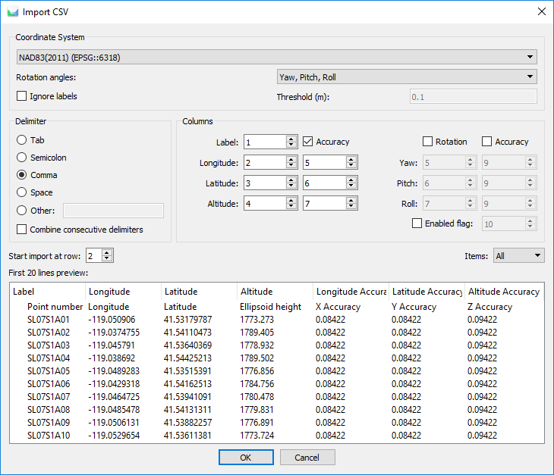
DP26S2A01 | 0 | 0 | 0 | 0.01 | 0.01 | 0.02
DP26S2A02 | 0 | 0 | 0 | 0.01 | 0.01 | 0.02
DP26S2A03 | 0 | 0 | 0 | 0.01 | 0.01 | 0.02
DP26S2A04 | 0 | 0 | 0 | 0.01 | 0.01 | 0.02
DP26S2A05 | 0 | 0 | 0 | 0.01 | 0.01 | 0.02
DP26S2A06 | 0 | 0 | 0 | 0.01 | 0.01 | 0.02
DP26S2A07 | 0 | 0 | 0 | 0.01 | 0.01 | 0.02
DP26S2A08 | 0 | 0 | 0 | 0.01 | 0.01 | 0.02
DP26S2A09 | 0 | 0 | 0 | 0.01 | 0.01 | 0.02
DP26S2A10 | 0 | 0 | 0 | 0.01 | 0.01 | 0.02

Projected + Orthometric Height
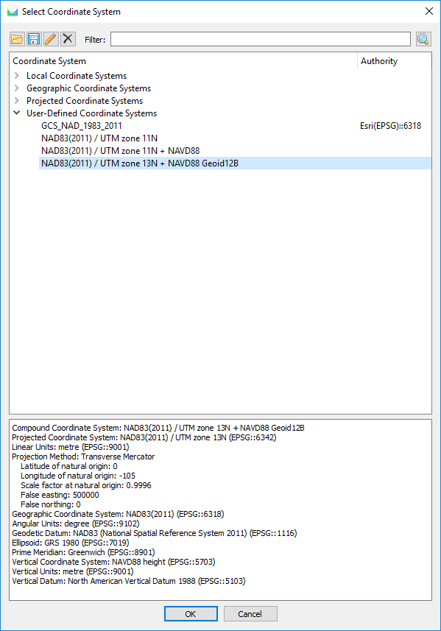
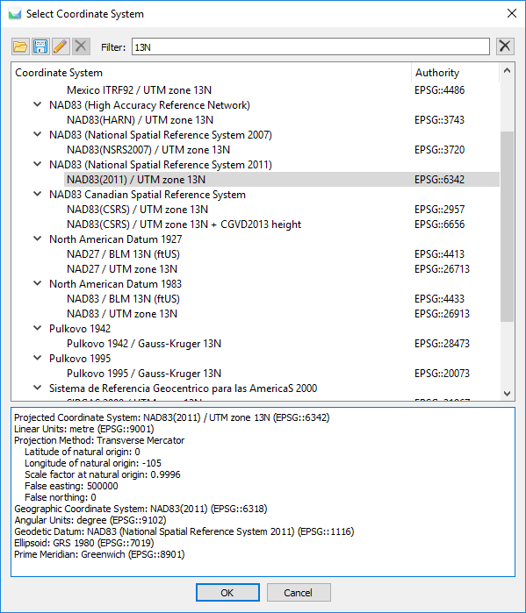
20190330 by Joe Adams
Save this sheet as CSV for import as Markers into PhotoScan / Metashape.
Set Coordinate System to the same Projection you see in the CSV downloaded from the Propeller AeroPoints website and should be in "Set 1" tab in this Excel Workbook.
The elevation values are Orthometric Height so you may need to edit an existing Coordinate System in PhotoScan, change the height system to NAVD88, give it a new name, and save it.
For this to work correctly in PhotoScan / Metashape, you need to download the North Amercian Vertical Datum 1988 Geoid12B TIFF file from Agisoft website and copy into the PhotoScan / Metashape software directory in you computer:
https://www.agisoft.com/downloads/geoids/
C:\Program Files\Agisoft\Metashape Pro\geoids
Point number | Easting | Northing | Longitude | Latitude | Ortho height | NAD83 2011 Ellipsoid height | X Accuracy | Y Accuracy | Z Accuracy
DP26S1A01 | 490487.075 | 4396432.711 | -105.11098946 | 39.71771242 | 1699.738 | 1683.329 | 0.024 | 0.024 | 0.034
DP26S1A02 | 490453.75 | 4396427.914 | -105.1113782 | 39.71766882 | 1699.805 | 1683.399 | 0.024 | 0.024 | 0.034
DP26S1A03 | 490413.636 | 4396477.163 | -105.11184694 | 39.71811212 | 1700.625 | 1684.221 | 0.024 | 0.024 | 0.034
DP26S1A04 | 490421.692 | 4396506.006 | -105.11175337 | 39.71837210 | 1703.808 | 1687.403 | 0.024 | 0.024 | 0.034
DP26S1A05 | 490393.12 | 4396589.647 | -105.11208794 | 39.71912540 | 1701.058 | 1684.655 | 0.024 | 0.024 | 0.034
DP26S1A06 | 490447.806 | 4396594.472 | -105.1114500 | 39.71916948 | 1699.288 | 1682.88 | 0.024 | 0.024 | 0.034
DP26S1A07 | 490438.969 | 4396538.411 | -105.11155226 | 39.71866427 | 1700.176 | 1683.769 | 0.024 | 0.024 | 0.034
DP26S1A08 | 490485.951 | 4396489.083 | -105.11100339 | 39.71822033 | 1696.65 | 1680.241 | 0.024 | 0.024 | 0.034
DP26S1A09 | 490502.311 | 4396458.047 | -105.11081206 | 39.71794087 | 1699.74 | 1683.33 | 0.024 | 0.024 | 0.034
DP26S1A10 | 0 | 0 | 0 | 0 | 0 | 0 | 0.024 | 0.024 | 0.034
DP26S2A01 | 0 | 0 | 0 | 0 | 0 | 0 | 0.01 | 0.01 | 0.02
DP26S2A02 | 0 | 0 | 0 | 0 | 0 | 0 | 0.01 | 0.01 | 0.02
DP26S2A03 | 0 | 0 | 0 | 0 | 0 | 0 | 0.01 | 0.01 | 0.02
DP26S2A04 | 0 | 0 | 0 | 0 | 0 | 0 | 0.01 | 0.01 | 0.02
DP26S2A05 | 0 | 0 | 0 | 0 | 0 | 0 | 0.01 | 0.01 | 0.02
DP26S2A06 | 0 | 0 | 0 | 0 | 0 | 0 | 0.01 | 0.01 | 0.02
DP26S2A07 | 0 | 0 | 0 | 0 | 0 | 0 | 0.01 | 0.01 | 0.02
DP26S2A08 | 0 | 0 | 0 | 0 | 0 | 0 | 0.01 | 0.01 | 0.02
DP26S2A09 | 0 | 0 | 0 | 0 | 0 | 0 | 0.01 | 0.01 | 0.02
DP26S2A10 | 0 | 0 | 0 | 0 | 0 | 0 | 0.01 | 0.01 | 0.02
20190330 by Joe Adams
Original NAD83(2011) / UTM zone 13N before edit and save as new

20190330 by Joe Adams
New NAD83(2011) / UTM zone 13N + NAVD88 Geoid12B

