图片标注核验
发动机支架 图片位置标注核验
标记号 = 包装内容条目序号(2x 同款标同一号)｜同款按尺寸相似度配对｜位置=标记在图中的相对坐标

商编 | 产品编码 | 标记号 | 支架名称 | 大厂号(OE) | 包装位置 | 图片内位置(x%,y%) | 检出 | 标注图
OO1EMO39300 | 1EMO3930 | 1 | Front Motor Mount | A4575EL | 中中 | 34.5,57.1 | 精确 | 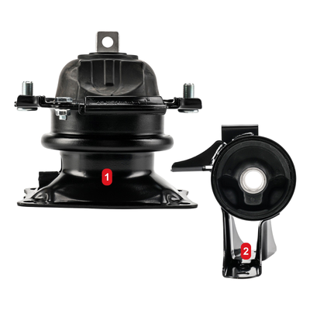
 |  | 2 | Front Right Motor Mount | A4587 | 下右 | 79.3,81.0
OO1EMO39400 | 1EMO3940 | 1 | Transmission Mount | A42011 | 中左 | 24.9,48.4 | 精确 | 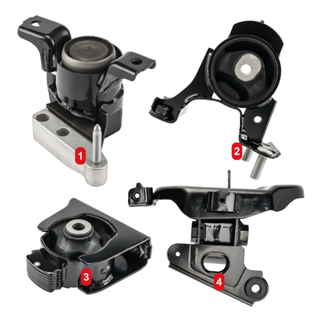
 |  | 2 | Front Motor Mount | A62038 | 中右 | 73.6,46.9
 |  | 3 | Front Right Motor Mount | A42023 | 下左 | 26.8,86.0
 |  | 4 | Rear Motor Mount | A42003 | 下右 | 68.0,87.5
OO1EMO39500 | 1EMO3950 | 1 | Front Right Motor Mount | A5316 | 中左 | 28.7,49.2 | 精确 | 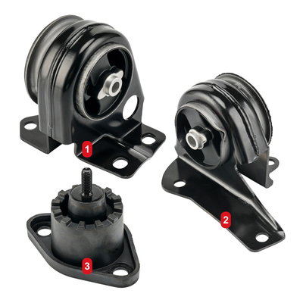
 |  | 2 | Front Left Motor Mount | A5341 | 下右 | 74.5,72.6
 |  | 3 | Transmission Mount | A2957 | 下左 | 28.7,87.8
OO1EMO39700 | 1EMO3970 | 1 | Front Left Front Right Motor Mount | A2621 | 中中 / 下左 | 63.9,47.3 / 33.6,88.2 | 精确 | 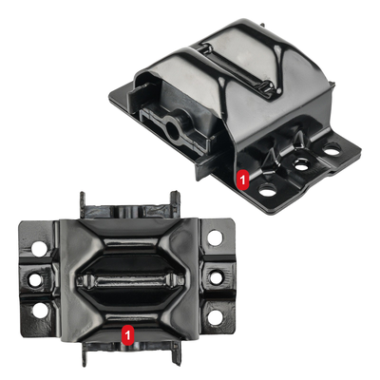
 |  | 1 | Front Left Front Right Motor Mount | A2621 | 中中 / 下左 | 63.9,47.3 / 33.6,88.2
OO1EMO40000 | 1EMO4000 | 1 | Front Motor Mount | A62012 | 中左 | 30.8,50.6 | 精确 | 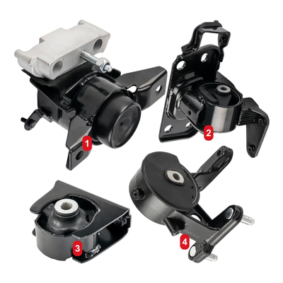
 |  | 2 | Front Right Motor Mount | A62049HY | 中右 | 73.7,46.9
 |  | 3 | Rear Motor Mount | A62046 | 下左 | 27.4,87.8
 |  | 4 | Transmission Mount | A62064 | 下中 | 65.2,85.4
OO1EMO40100 | 1EMO4010 | 1 | Motor Mount | A6277 | 中左 | 28.7,46.2 | 精确 | 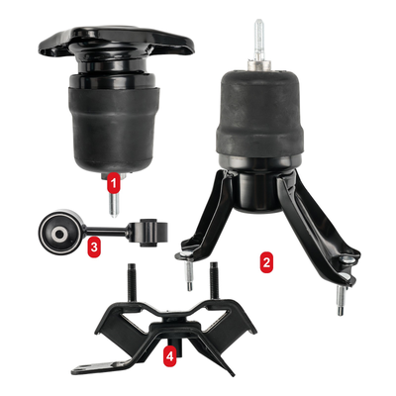
 |  | 2 | Rear Motor Mount | A6253 | 中右 | 67.3,66.2
 |  | 3 | Torque Strut Mount | A4233 | 中左 | 23.8,62.4
 |  | 4 | Transmission Mount | A6256 | 下中 | 42.9,89.9
OO1EMO40300 | 1EMO4030 | 1 | Front Motor Mount | A5553 | 中左 | 27.6,44.6 | 精确 | 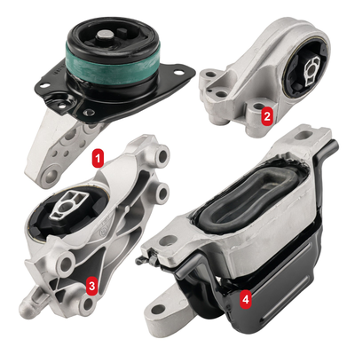
 |  | 2 | Front Transmission Mount | A5707 | 上右 | 75.2,32.8
 |  | 3 | Transmission Mount | A5554 | 下左 | 25.9,80.6
 |  | 4 | Rear Transmission Mount | A5633 | 下右 | 69.2,84.3
OO1EMO40400 | 1EMO4040 | 1 | Front Left Front Right Motor Mount | A2292 | 中中 / 下右 | 37.9,45.3 / 69.9,78.4 | 精确 | 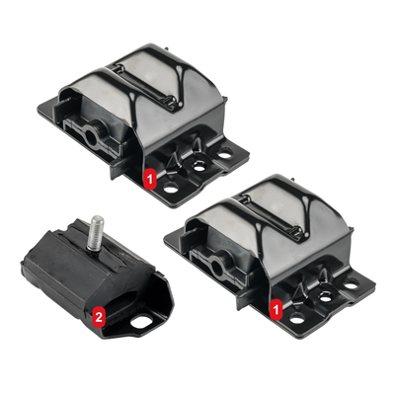
 |  | 1 | Front Left Front Right Motor Mount | A2292 | 中中 / 下右 | 37.9,45.3 / 69.9,78.4
 |  | 2 | Transmission Mount | A2394 | 下左 | 25.0,80.2
OO1EMO40800 | 1EMO4080 | 1 | Transmission Mount | A5987 | 中左 | 31.2,41.6 | 精确 | 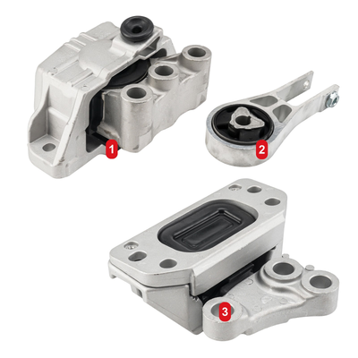
 |  | 2 | Front Right Motor Mount | A5898 | 中右 | 73.1,41.8
 |  | 3 | Torque Strut Mount | A5988 | 下中 | 62.8,87.1
OO1EMO40900 | 1EMO4090 | 1 | Front Left Front Right Motor Mount | A2572 | 中右 / 下中 | 69.3,52.9 / 34.3,84.6 | 精确 | 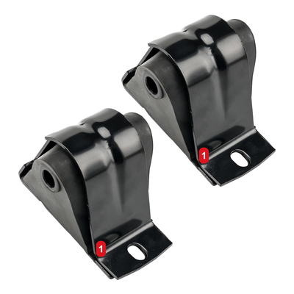
 |  | 1 | Front Left Front Right Motor Mount | A2572 | 中右 / 下中 | 69.3,52.9 / 34.3,84.6
OO1EMO41000 | 1EMO4100 | 1 | Front Motor Mount | A62012 | 中中 | 38.3,46.4 | 精确 | 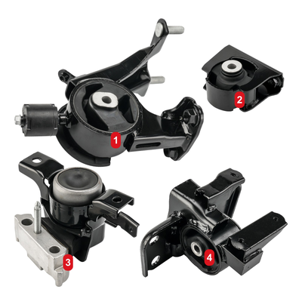
 |  | 2 | Front Right Motor Mount | A62071 | 上右 | 79.3,33.0
 |  | 3 | Rear Motor Mount | A62067 | 下左 | 22.5,86.9
 |  | 4 | Transmission Mount | A62070 | 下右 | 69.3,85.2
OO1EMO41100 | 1EMO4110 | 1 | Front Left Front Right Motor Mount | A4017 | 中中 / 下中 | 35.2,41.8 / 49.4,87.0 | 精确 | 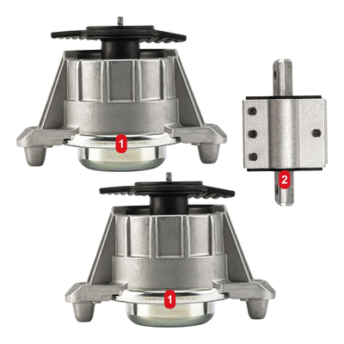
 |  | 1 | Front Left Front Right Motor Mount | A4017 | 中中 / 下中 | 35.2,41.8 / 49.4,87.0
 |  | 2 | Transmission Mount | A4095 | 中右 | 82.7,52.2
OO1EMO41300 | 1EMO4130 | 1 | Front Left Front Right Motor Mount | A2883 | 中右 / 下中 | 72.8,51.2 / 35.9,84.8 | 精确 | 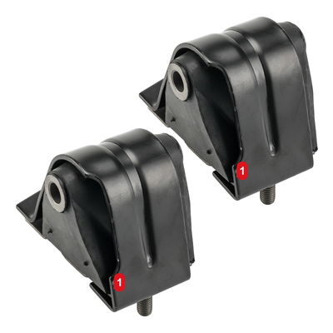
 |  | 1 | Front Left Front Right Motor Mount | A2883 | 中右 / 下中 | 72.8,51.2 / 35.9,84.8
OO1EMO41500 | 1EMO4150 | 1 | Front Left Front Right Motor Mount - 9988 |  | 中中 / 下左 | 62.1,44.2 / 31.4,85.8 | 精确 | 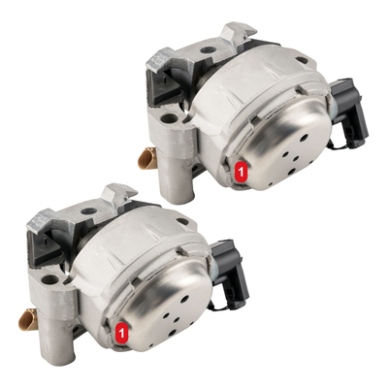
 |  | 1 | Front Left Front Right Motor Mount - 9988 |  | 中中 / 下左 | 62.1,44.2 / 31.4,85.8
OO1EMO41800 | 1EMO4180 | 1 | Front Lower Torque Strut Mount | A4547 | 中左 | 30.0,56.6 | 精确 | 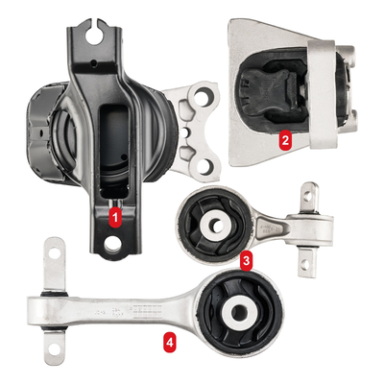
 |  | 2 | Front Upper Torque Strut Mount | A4548 | 中右 | 74.3,36.5
 |  | 3 | Front Motor Mount | A65030 | 下中 | 64.1,67.9
 |  | 4 | Transmission Mount | A4546 | 下中 | 44.2,89.1
OO1EMO41900 | 1EMO4190 | 1 | Front Motor Mount | A4239HY | 中左 | 24.6,48.3 | 精确 | 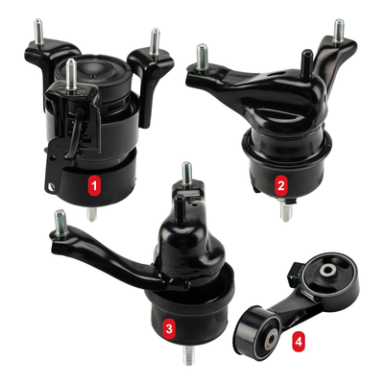
 |  | 2 | Front Right Motor Mount | A4212 | 中右 | 73.2,48.3
 |  | 3 | Transmission Mount | A4207 | 下中 | 44.0,85.6
 |  | 4 | Front Right Torque Strut Mount | A4236 | 下右 | 77.8,88.9
OO1EMO42000 | 1EMO4200 | 1 | Front Right Motor Mount | A5415 | 中中 | 64.9,40.8 | 精确 | 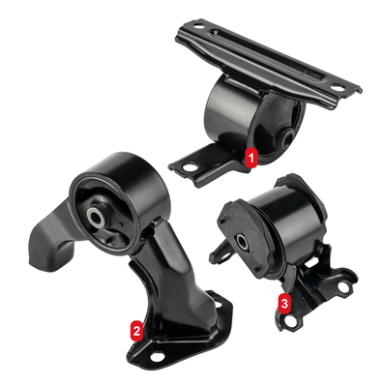
 |  | 2 | Transmission Mount | A5418 | 下中 | 35.3,85.5
 |  | 3 | Rear Motor Mount | A5423 | 下右 | 73.5,78.4
OO1EMO42100 | 1EMO4210 | 1 | Front Left Front Right Motor Mount | A2292 | 中左 / 下中 | 33.1,41.7 / 64.3,86.4 | 精确 | 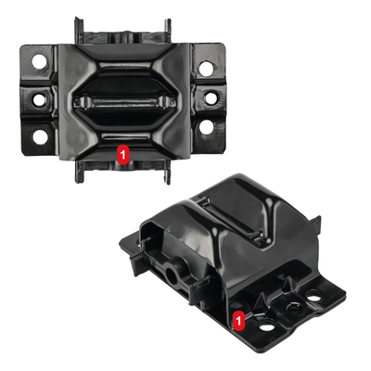
 |  | 1 | Front Left Front Right Motor Mount | A2292 | 中左 / 下中 | 33.1,41.7 / 64.3,86.4
OO1EMO42200 | 1EMO4220 | 1 | Front Left Front Right Motor Mount | A2802 | 中右 / 下左 | 67.1,48.9 / 33.2,85.6 | 精确 | 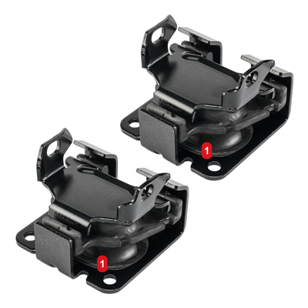
 |  | 1 | Front Left Front Right Motor Mount | A2802 | 中右 / 下左 | 67.1,48.9 / 33.2,85.6
OO1EMO42300 | 1EMO4230 | 1 | Front Left Front Right Motor Mount | A7072HY | 中中 | 50.9,40.2 | 精确 | 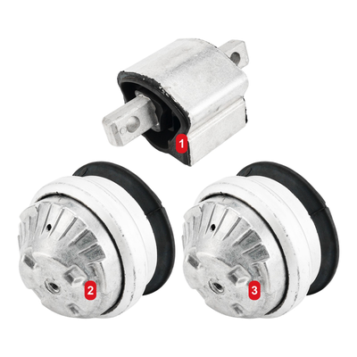
 |  | 2 | Motor Mount | A7073 | 下左 | 25.3,81.3
 |  | 3 | Transmission Mount | A4095 | 下右 | 71.2,81.3
OO1EMO42400 | 1EMO4240 | 1 | Front Left Front Right Motor Mount | A7360 | 中左 / 下右 | 30.8,57.5 / 72.3,83.1 | 精确 | 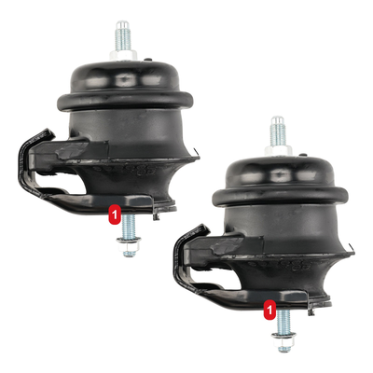
 |  | 1 | Front Left Front Right Motor Mount | A7360 | 中左 / 下右 | 30.8,57.5 / 72.3,83.1
OO1EMO42500 | 1EMO4250 | 1 | Transmission Mount | A4263 | 中中 | 49.8,36.2 | 精确 | 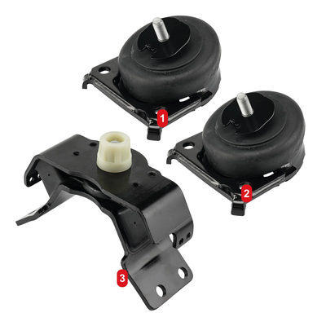
 |  | 2 | Front Left Front Right Motor Mount | A4260 | 中右 | 75.6,59.3
 |  | 3 | Front Left Front Right Motor Mount | A4260 | 下中 | 37.5,85.3
OO1EMO42600 | 1EMO4260 | 1 | Front Motor Mount | A5416 | 中左 | 27.2,48.7 | 精确 | 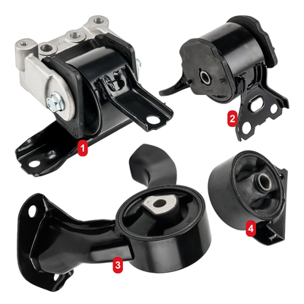
 |  | 2 | Front Right Motor Mount | A4644 | 中右 | 76.4,39.0
 |  | 3 | Rear Motor Mount | A5417 | 下中 | 38.8,87.2
 |  | 4 | Transmission Mount | A5418 | 下右 | 82.5,75.1
OO1EMO42700 | 1EMO4270 | 1 | Transmission Mount - 2712 |  | 下右 | 67.9,67.1 | 精确 | 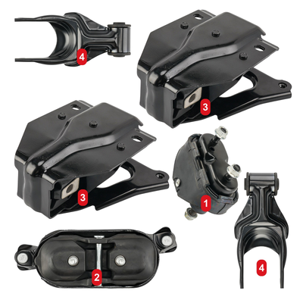
 |  | 2 | Motor Mount | A2796 | 下左 | 31.9,91.5
 |  | 3 | Front Left Front Right Torque Strut Mount | A2866 | 中右 / 中左 | 67.8,35.3 / 27.3,65.2
 |  | 3 | Front Left Front Right Torque Strut Mount | A2866 | 中右 / 中左 | 67.8,35.3 / 27.3,65.2
 |  | 4 | Front Left Front Right Motor Mount | A5309 | 上左 / 下右 | 27.0,18.8 / 86.3,88.4
 |  | 4 | Front Left Front Right Motor Mount | A5309 | 上左 / 下右 | 27.0,18.8 / 86.3,88.4
OO1EMO42800 | 1EMO4280 | 1 | Transmission Mount | A4425 | 中中 | 34.6,46.1 | 精确 | 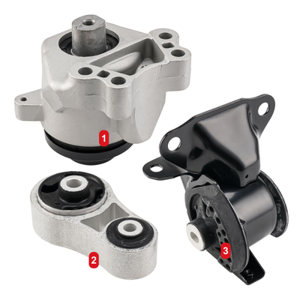
 |  | 2 | Front Motor Mount | A4449 | 下左 | 31.2,86.7
 |  | 3 | Rear Torque Strut Mount | A4419 | 下右 | 75.2,83.6
OO1EMO43000 | 1EMO4300 | 1 | Front Motor Mount | A62053 | 中左 | 29.8,45.2 | 精确 | 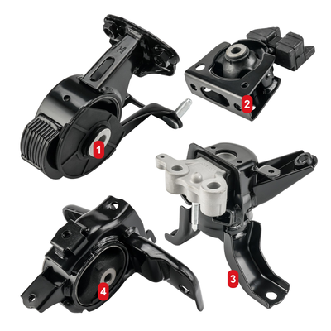
 |  | 2 | Transmission Mount | A42004 | 上右 | 74.6,31.4
 |  | 3 | Rear Motor Mount | A72024 | 下右 | 70.4,84.2
 |  | 4 | Front Right Motor Mount | A62000 | 下左 | 31.2,88.1
OO1EMO43100 | 1EMO4310 | 1 | Front Left Motor Mount | A5825 | 中右 | 67.2,46.4 | 精确 | 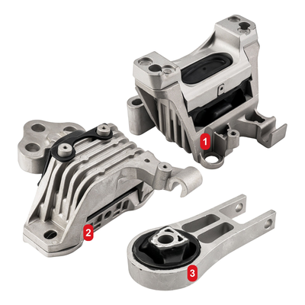
 |  | 2 | Front Right Motor Mount | A5824 | 下左 | 28.9,76.2
 |  | 3 | Rear Torque Strut Mount | A5752 | 下中 | 63.1,89.6
OO1EMO43200 | 1EMO4320 | 1 | Front Right Motor Mount | A4212 | 中中 | 35.5,42.4 | 精确 | 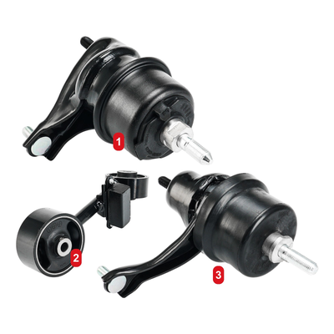
 |  | 2 | Transmission Mount | A4207 | 下左 | 22.8,77.2
 |  | 3 | Front Right Torque Strut Mount | A4205 | 下中 | 65.4,82.3
OO1EMO43400 | 1EMO4340 | 1 | Front Left Front Right Motor Mount | A5410 | 中中 / 下中 | 60.8,44.3 / 37.7,86.1 | 精确 | 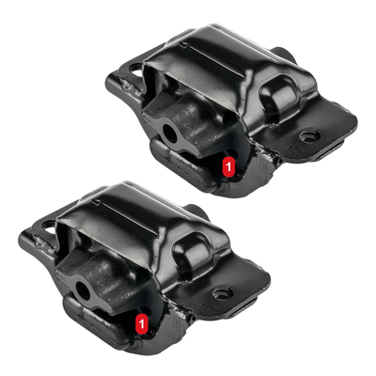
 |  | 1 | Front Left Front Right Motor Mount | A5410 | 中中 / 下中 | 60.8,44.3 / 37.7,86.1
OO1EMO43500 | 1EMO4350 | 1 | Front Upper Motor Mount | A6969 | 中左 | 31.9,45.8 | 精确 | 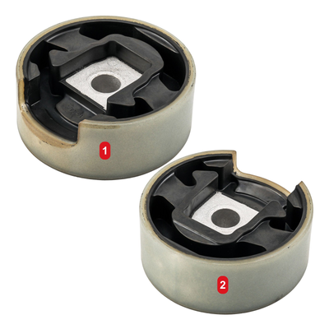
 |  | 2 | Front Lower Motor Mount | A6966 | 下右 | 67.7,86.6
OO1EMO43600 | 1EMO4360 | 1 | Front Left Front Right Motor Mount | A5102 | 中左 / 中右 | 25.9,46.4 / 73.4,55.2 | 精确 | 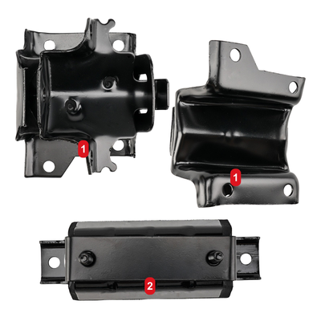
 |  | 1 | Front Left Front Right Motor Mount | A5102 | 中左 / 中右 | 25.9,46.4 / 73.4,55.2
 |  | 2 | Transmission Mount | A5340 | 下中 | 46.7,89.1
OO1EMO43800 | 1EMO4380 | 1 | Front Right Motor Mount | A4587 | 中中 | 49.9,51.9 | 精确 | 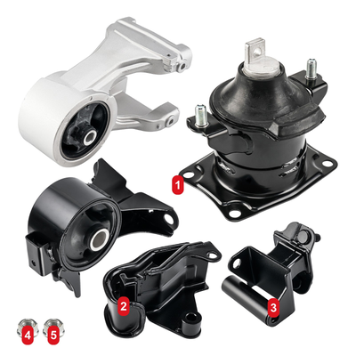
 |  | 2 | Rear Transmission Mount | A4557 | 下中 | 34.7,86.0
 |  | 3 | Rear Motor Mount | A4553 | 下右 | 76.8,86.4
 |  | 4 | Front Transmission Mount | A4558 | 下左 | 7.8,94.1
 |  | 5 | Front Motor Mount | A65023HY | 下左 | 15.0,94.1
OO1EMO43900 | 1EMO4390 | 1 | Front Motor Mount | A65026EL | 中左 | 29.2,59.1 | 精确 | 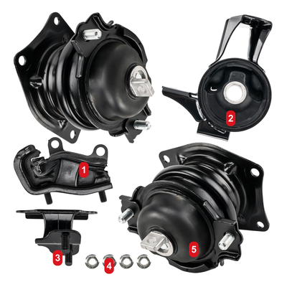
 |  | 2 | Rear Motor Mount | A4583EL | 中右 | 80.4,41.2
 |  | 3 | Front Right Motor Mount | A4587 | 下左 | 20.1,89.8
 |  | 4 | Front Transmission Mount | A6582 | 下中 | 38.0,92.6
 |  | 5 | Rear Transmission Mount | A4559 | 下右 | 67.5,86.9
OO1EMO44000 | 1EMO4400 | 1 | Front Motor Mount | A4203 | 中中 | 35.1,49.8 | 精确 | 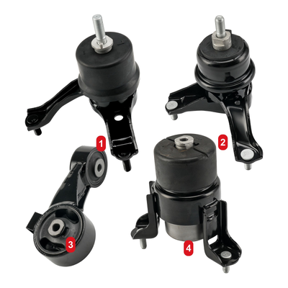
 |  | 2 | Front Right Motor Mount | A4211 | 中右 | 77.4,49.4
 |  | 3 | Front Right Torque Strut Mount | A4236 | 下左 | 24.5,84.9
 |  | 4 | Transmission Mount | A4207 | 下中 | 65.4,86.1
OO1EMO44200 | 1EMO4420 | 1 | Front Left Front Right Motor Mount | A5365 | 中左 / 下右 | 33.2,48.8 / 69.4,86.4 | 精确 | 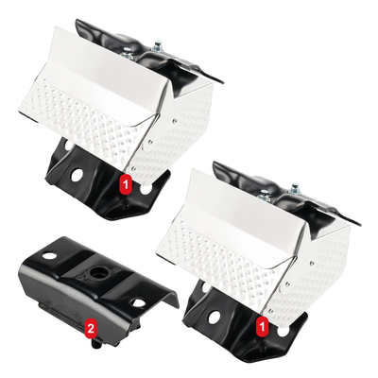
 |  | 1 | Front Left Front Right Motor Mount | A5365 | 中左 / 下右 | 33.2,48.8 / 69.4,86.4
 |  | 2 | Transmission Mount | A2811 | 下左 | 24.0,86.9
OO1EMO44300 | 1EMO4430 | 1 | Front Right Motor Mount | A6520 | 上左 | 26.4,23.1 | 精确 | 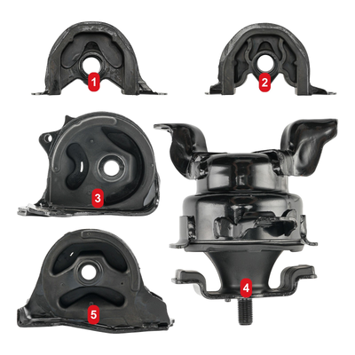
 |  | 2 | Front Left Upper Motor Mount | A6556 | 上右 | 74.6,23.2
 |  | 3 | Front Front Left Lower Motor Mount | A6502 | 中左 | 27.5,55.8
 |  | 4 | Rear Motor Mount | A6506 | 下右 | 69.3,81.1
 |  | 5 | Rear Transmission Mount | A6526 | 下左 | 26.3,88.6
OO1EMO44400 | 1EMO4440 | 1 | Front Motor Mount | A6589 | 中左 | 23.1,45.2 | 精确 | 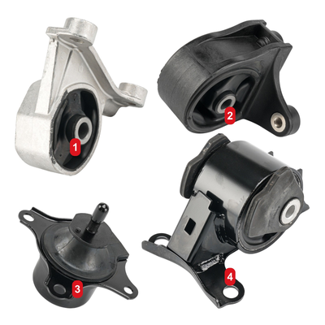
 |  | 2 | Front Left Motor Mount | A4539 | 中右 | 70.8,35.6
 |  | 3 | Rear Motor Mount | A6588 | 下左 | 23.8,88.9
 |  | 4 | Transmission Mount | A4511 | 下右 | 70.8,85.1
OO1EMO44600 | 1EMO4460 | 1 | Rear Front Right Torque Strut Mount | A4259 | 下中 | 47.9,78.6 | 精确 | 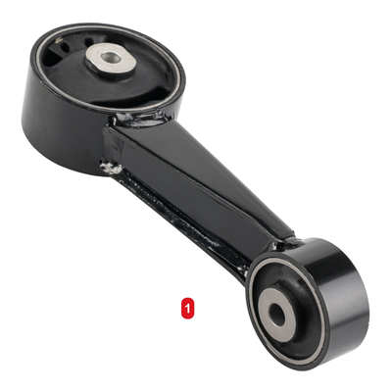
OO1EMO44800 | 1EMO4480 | 1 | Rear Torque Strut Mount | A62060 | 下中 | 51.1,79.2 | 精确 | 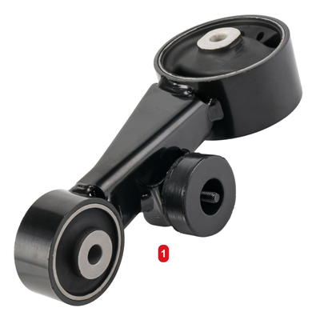
OO1EMO44900 | 1EMO4490 | 1 | Front Motor Mount | A5631 | 下中 | 49.9,78.9 | 精确 | 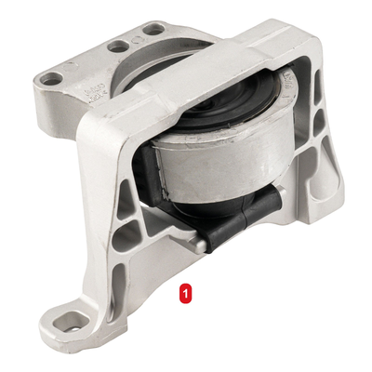
OO1EMO45000 | 1EMO4500 | 1 | Lower Transmission Mount | A5520 | 下中 | 52.9,72.4 | 精确 | 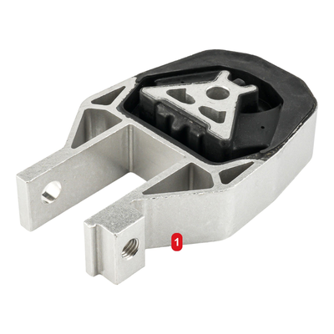
OO1EMO45100 | 1EMO4510 | 1 | Front Motor Mount | A5595 | 中中 | 37.0,40.2 | 精确 | 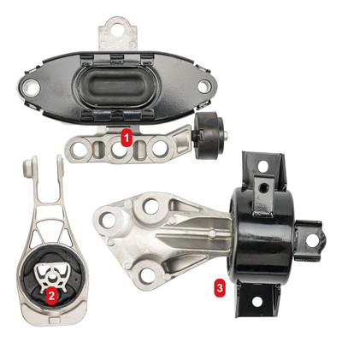
 |  | 2 | Transmission Mount | A5596 | 下左 | 15.1,86.4
 |  | 3 | Transmission Mount | A5597 | 下中 | 64.2,84.2
OO1EMO45300 | 1EMO4530 | 1 | Front Motor Mount | A5592 | 中中 | 55.1,65.7 | 精确 | 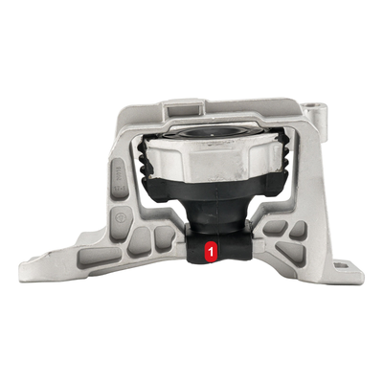
OO1EMO45500 | 1EMO4550 | 1 | Motor Mount | A42094 | 下中 | 48.4,78.9 | 精确 | 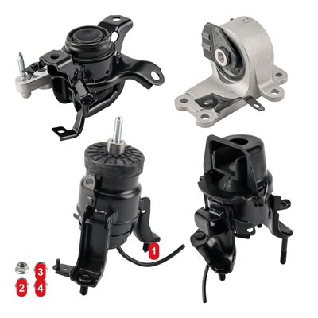
 |  | 2 | Motor Mount | A42095 | 下左 | 6.8,90.5
 |  | 3 | Transmission Mount | A42097 | 下左 | 12.7,85.5
 |  | 4 | Transmission Mount | A42115 | 下左 | 12.7,90.5
OO1EMO45600 | 1EMO4560 | 1 | Torque Strut Mount | A7378 | 下中 | 46.8,73.9 | 精确 | 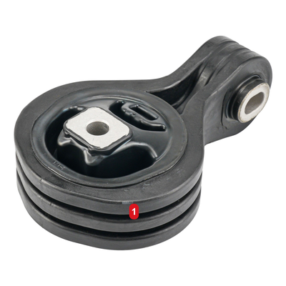
OO1EMO45800 | 1EMO4580 | 1 | Front Motor Mount | A62009 | 中中 | 40.8,50.5 | 精确 | 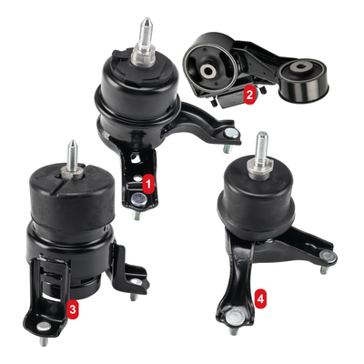
 |  | 2 | Front Right Motor Mount | A4295 | 上右 | 68.6,26.0
 |  | 3 | Torque Strut Mount | A4257 | 下左 | 19.9,85.0
 |  | 4 | Transmission Mount | A4207 | 下右 | 71.6,82.1
OO1EMO46000 | 1EMO4600 | 1 | Front Motor Mount | A5446 | 下中 | 50.1,76.4 | 精确 | 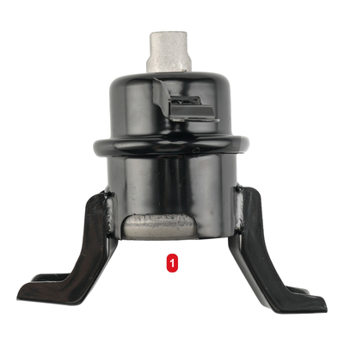
OO1EMO46200 | 1EMO4620 | 1 | Front Front Right Lower Motor Mount | A2949 | 中右 | 69.1,34.5 | 精确 | 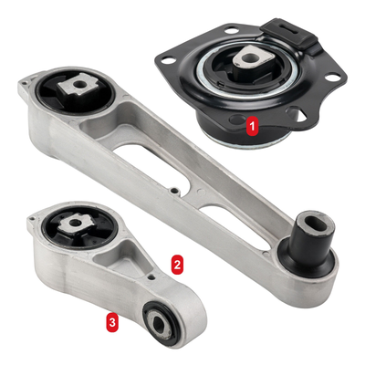
 |  | 2 | Front Right Upper Rear Motor Mount | A2948 | 下中 | 48.6,72.5
 |  | 3 | Front Rear Motor Mount | A2947 | 下左 | 30.8,88.3
OO1EMO46300 | 1EMO4630 | 1 | Motor Mount | A4382 | 上左 | 28.9,31.6 | 精确 | 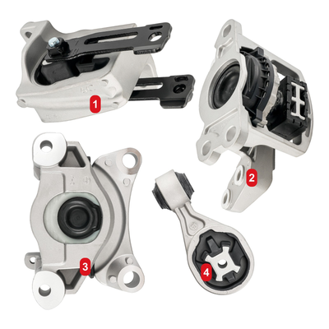
 |  | 2 | Torque Strut Mount | A4389 | 中右 | 76.5,54.0
 |  | 3 | Motor Mount | A4381 | 下左 | 25.9,81.1
 |  | 4 | Torque Strut Mount | A4390 | 下中 | 62.7,82.8
OO1EMO46400 | 1EMO4640 | 1 | Front Motor Mount | A7394 | 上中 | 53.0,28.2 | 精确 | 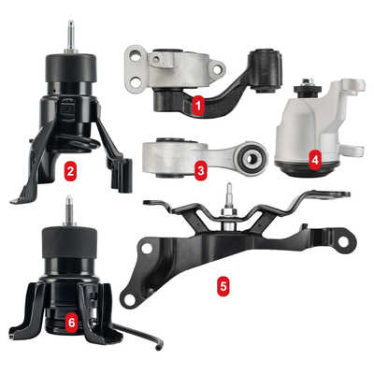
 |  | 2 | Rear Motor Mount | A7391HY | 中左 | 18.8,45.8
 |  | 3 | Front Right Motor Mount | A4365HY | 中中 | 53.7,45.6
 |  | 4 | Rear Torque Strut Mount | A4373 | 中右 | 84.2,42.8
 |  | 5 | Front Right Torque Strut Mount | A7363 | 下中 | 59.7,76.6
 |  | 6 | Transmission Mount | A7372 | 下左 | 19.1,86.2
OO1EMO46500 | 1EMO4650 | 1 | Front Motor Mount | A62009 | 中左 | 24.1,49.7 | 精确 | 
 |  | 2 | Front Right Motor Mount | A4295 | 中右 | 80.2,54.9
 |  | 3 | Torque Strut Mount | A62062 | 下左 | 24.1,83.5
 |  | 4 | Transmission Mount | A4288 | 下中 | 61.8,86.8
OO1EMO46800 | 1EMO4680 | 1 | Front Right Motor Mount Bushing | A5312 | 中左 | 27.3,53.6 | 精确 | 
 |  | 2 | Upper Transmission Mount | A2986 | 中右 | 72.9,41.9
 |  | 3 | Rear Torque Strut Mount | A2939 | 下中 | 55.9,86.7
OO1EMO47500 | 1EMO4750 | 1 | Front Left Motor Mount | A5739 | 下中 | 48.9,78.9 | 精确 | 
OO1EMO47700 | 1EMO4770 | 1 | Front Left Motor Mount | A5739 | 上右 | 71.8,33.5 | 精确 | 
 |  | 2 | Front Right Motor Mount | A5738 | 中左 | 29.4,65.8
 |  | 3 | Transmission Mount | A2638 | 下右 | 71.6,77.9
OO1EMO48400 | 1EMO4840 | 1 | Front Right Motor Mount | A4587 | 中左 | 28.4,41.2 | 精确 | 
 |  | 2 | Transmission Mount | A65057 | 中右 | 75.6,39.6
 |  | 3 | Front Motor Mount | A4575EL | 下左 | 24.6,87.1
 |  | 4 | Rear Motor Mount | A65017EL | 下右 | 68.9,84.5
OO1EMO48500 | 1EMO4850 | 1 | Front Right Motor Mount | A7370 | 中中 | 39.4,42.7 | 精确 | 
 |  | 2 | Front Left Transmission Mount | A7392 | 中右 | 73.2,58.8
 |  | 3 | Front Upper Torque Strut Mount | A4351 | 下左 | 30.4,86.8
 |  | 4 | Front Lower Torque Strut Mount | A4352 | 下右 | 76.1,82.1
OO1EMO48600 | 1EMO4860 | 1 | Left Transmission Mount | A5608 | 中左 | 30.1,49.9 | 精确 | 
 |  | 2 | Front Transmission Mount | A5530 | 中右 | 71.2,40.4
 |  | 3 | Rear Transmission Mount | A5579 | 下左 | 28.4,81.1
 |  | 4 | Motor Mount - 3200 |  | 下右 | 70.7,76.9
OO1EMO49101 | 1EMO4910 | 1 | Front Right Motor Mount | A5415 | 中左 | 30.0,48.0 | 精确 | 
 |  | 2 | Front Motor Mount | A5416 | 中右 | 70.5,36.4
 |  | 3 | Rear Motor Mount | A5417 | 下左 | 23.3,86.1
 |  | 4 | Transmission Mount | A5418 | 下右 | 75.5,87.4
OO1EMO49300 | 1EMO4930 | 1 | Motor Mount | A5938 | 中左 | 27.4,45.8 | 精确 | 
 |  | 2 | Torque Strut Bracket | A20071 | 中右 | 75.9,55.8
 |  | 3 | Torque Strut Mount | A5879 | 下中 | 34.6,79.4
 |  | 4 | Transmission Mount | A20080 | 下右 | 69.7,89.8
OO1EMO49500 | 1EMO4950 | 1 | Rear Torque Strut Mount | A4318 | 中中 | 49.4,39.4 | 精确 | 
 |  | 2 | Front Torque Strut Mount | A4345 | 下中 | 46.2,72.9
OO1EMO49600 | 1EMO4960 | 1 | Front Motor Mount | A71048 | 下左 | 27.0,79.2 | 精确 | 
 |  | 2 | Front Lower Torque Strut Mount | A71021 | 中右 | 72.1,51.7
 |  | 3 | Transmission Mount | A71009 | 下中 | 62.0,86.8
OO1EMO50100 | 1EMO5010 | 1 | Front Left Front Right Motor Mount | A5611 | 下中 / 下中 | 34.3,71.2 / 65.6,85.8 | 精确 | 
 |  | 1 | Front Left Front Right Motor Mount | A5611 | 下中 / 下中 | 34.3,71.2 / 65.6,85.8
 |  | 2 | Transmission Mount | A5488 | 中右 | 76.7,35.0
OO1EMO50200 | 1EMO5020 | 1 | Front Motor Mount | A71065 | 中中 | 38.6,47.6 | 精确 | 
 |  | 2 | Torque Strut Mount | A71093 | 下右 | 76.5,74.2
 |  | 3 | Transmission Mount | A71067 | 下左 | 32.6,86.3
OO1EMO50300 | 1EMO5030 | 1 | Rear Motor Mount | A5690 | 下中 | 44.1,70.6 | 精确 | 
OO1EMO50400 | 1EMO5040 | 1 | Front Motor Mount | A5674 | 中右 | 68.4,46.9 | 精确 | 
 |  | 2 | Rear Motor Mount | A5690 | 下左 | 24.2,68.8
 |  | 3 | Transmission Mount | A5822 | 下中 | 55.2,80.4
OO1EMO50700 | 1EMO5070 | 1 | Rear Torque Strut Mount | A4428 | 中左 | 31.4,37.8 | 精确 | 
 |  | 2 | Front Motor Mount | A4429 | 下右 | 71.4,81.8
 |  | 3 | Transmission Mount | A4430 | 下左 | 28.9,87.2
OO1EMO50900 | 1EMO5090 | 1 | Motor Mount | A70063 | 下中 | 47.5,76.2 | 精确 | 
OO1EMO51100 | 1EMO5110 | 1 | Front Rear Motor Mount | A5499HY | 中左 / 中中 / 中右 | 20.9,40.6 / 51.7,40.6 / 80.0,40.6 | 精确 | 
 |  | 1 | Front Rear Motor Mount | A5499HY | 中左 / 中中 / 中右 | 20.9,40.6 / 51.7,40.6 / 80.0,40.6
 |  | 1 | Front Rear Motor Mount | A5499HY | 中左 / 中中 / 中右 | 20.9,40.6 / 51.7,40.6 / 80.0,40.6
 |  | 2 | Torque Strut Mount | A5426 | 下中 | 58.2,67.2
 |  | 3 | Rear Torque Strut Mount | A5428 | 下中 | 47.4,92.5
OO1EMO51200 | 1EMO5120 | 1 | Transmission Mount | A20069 | 中右 | 68.9,49.6 | 精确 | 
 |  | 2 | Front Right Motor Mount | A5898 | 下左 | 31.6,87.1
 |  | 3 | Torque Strut Mount | A20058 | 下右 | 74.8,86.3
OO1EMO51500 | 1EMO5150 | 1 | Front Motor Mount | A65087 | 下中 | 46.2,80.2 | 精确 | 
OO1EMO51600 | 1EMO5160 | 1 | Front Left Front Right Motor Mount | A6991HY | 下中 / 下左 | 49.8,78.9 / 19.9,93.7 | 精确 | 
 |  | 1 | Front Left Front Right Motor Mount | A6991HY | 下中 / 下左 | 49.8,78.9 / 19.9,93.7
OO1EMO51701 | 1EMO5170 | 1 | Front Motor Mount | A5551 | 中中 | 37.2,49.8 | 精确 | 
 |  | 2 | Rear Motor Mount | A5443 | 中右 | 73.4,59.2
 |  | 3 | Motor Mount | A5632 | 下中 | 34.0,87.8
 |  | 4 | Front Left Transmission Mount | A5543 | 下右 | 75.3,88.0
OO1EMO51800 | 1EMO5180 | 1 | Front Right Motor Mount | AM500 | 中左 | 26.1,54.8 | 精确 | 
 |  | 2 | Rear Motor Mount | A4552 | 中右 | 69.5,34.8
 |  | 3 | Transmission Mount | A4537 | 下中 | 65.1,84.8
OO1EMO52100 | 1EMO5210 | 1 | Front Motor Mount | A4446 | 下中 | 49.9,72.9 | 精确 | 
OO1EMO52400 | 1EMO5240 | 1 | Front Motor Mount | A45004 | 中左 | 17.5,44.9 | 精确 | 
 |  | 2 | Transmission Mount | A45005 | 中中 | 64.8,48.1
 |  | 3 | Front Torque Strut Mount | A45006 | 下中 | 35.2,86.9
OO1EMO52600 | 1EMO5260 | 1 | Front Upper Motor Mount | A71047 | 中左 | 27.1,37.7 | 精确 | 
 |  | 2 | Front Lower Torque Strut Mount | A71020 | 下中 | 40.8,74.6
 |  | 3 | Transmission Mount | A71029 | 下右 | 71.3,89.1
OO1EMO52800 | 1EMO5280 | 1 | Front Motor Mount | A5487 | 中中 | 39.9,44.8 | 精确 | 
 |  | 2 | Front Right Motor Mount | A5486 | 中右 | 84.1,53.8
 |  | 3 | Transmission Mount | A5465 | 下左 | 28.2,84.4
 |  | 4 | Front Left Transmission Mount | A5543 | 下右 | 67.8,87.6
OO1EMO53100 | 1EMO5310 | 1 | Front Motor Mount | A6597 | 上左 | 23.5,29.4 | 精确 | 
 |  | 2 | Front Right Motor Mount | A6596 | 中右 | 74.6,34.8
 |  | 3 | Rear Differential Mount | A65010 | 中中 | 46.2,57.1
 |  | 4 | Rear Motor Mount | A4504 | 下左 | 20.1,81.0
 |  | 5 | Transmission Mount | A4506 | 下右 | 69.9,85.9

