图片对比
Excel工作表 | 型号 | Excel图片 | 网页最佳匹配图片 | 相似度 | 判断 | 颜色/视觉提示 | 网页整车图数量 | 网页图片链接 | 网页页面
Babey | Babey | 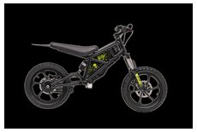 | 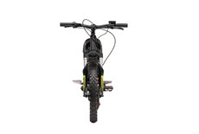 | 0.556 | 差异明显（未找到接近图片） | 主色接近 | 5 | https://h5.cqxstx.com/media.php?file=%E7%94%B5%E5%8A%A8%E7%B1%BB%2FBabey-%E5%84%BF%E7%AB%A5%E4%B8%93%E4%B8%9A%E7%94%B5%E5%8A%A8%E4%B8%A4%E8%BD%AE%E8%BD%A6%2FBabey%E6%95%B4%E8%BD%A6%2FBabey-%E8%BD%A6%E5%A4%B4.jpg&w=700&q=84 | https://h5.cqxstx.com/?lang=en&id=babey#product-detail
Babey | Babey+ | 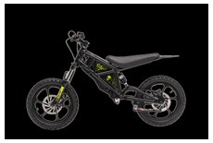 | 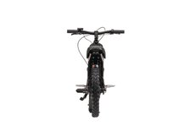 | 0.587 | 差异明显（未找到接近图片） | 主色可能不同：Excel 黄/金 / 网页 红/橙 | 5 | https://h5.cqxstx.com/media.php?file=%E7%94%B5%E5%8A%A8%E7%B1%BB%2FBabey-%E5%84%BF%E7%AB%A5%E4%B8%93%E4%B8%9A%E7%94%B5%E5%8A%A8%E4%B8%A4%E8%BD%AE%E8%BD%A6%2FBabey%E6%95%B4%E8%BD%A6%2FBabey-%E8%BD%A6%E5%B0%BE.jpg&w=700&q=84 | https://h5.cqxstx.com/?lang=en&id=babey#product-detail
F4 | F4 | 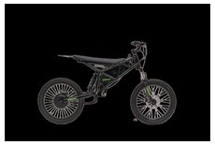 | 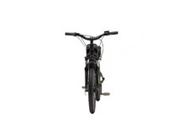 | 0.524 | 差异明显（未找到接近图片） | 主色可能不同：Excel 绿 / 网页 黄/金 | 5 | https://h5.cqxstx.com/media.php?file=%E7%94%B5%E5%8A%A8%E7%B1%BB%2FF4-%E9%9D%92%E5%B0%91%E5%B9%B4%E4%B8%93%E4%B8%9A%E7%94%B5%E5%8A%A8%E4%B8%A4%E8%BD%AE%E8%BD%A6%2FF4%E6%95%B4%E8%BD%A6%2FF4-%E8%BD%A6%E5%A4%B4.jpg&w=700&q=84 | https://h5.cqxstx.com/?lang=en&id=f4#product-detail
F4 | F4 + | 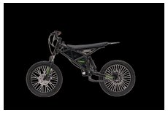 | 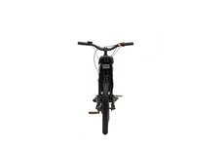 | 0.524 | 差异明显（未找到接近图片） | 主色可能不同：Excel 绿 / 网页 红/橙 | 5 | https://h5.cqxstx.com/media.php?file=%E7%94%B5%E5%8A%A8%E7%B1%BB%2FF4-%E9%9D%92%E5%B0%91%E5%B9%B4%E4%B8%93%E4%B8%9A%E7%94%B5%E5%8A%A8%E4%B8%A4%E8%BD%AE%E8%BD%A6%2FF4%E6%95%B4%E8%BD%A6%2FF4-%E8%BD%A6%E5%B0%BE.jpg&w=700&q=84 | https://h5.cqxstx.com/?lang=en&id=f4#product-detail
ET | ET 2022（Only accept bulk orders） | 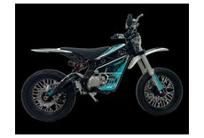 | 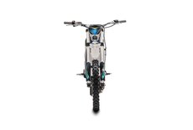 | 0.524 | 差异明显（未找到接近图片） | 主色可能不同：Excel 混合色 / 网页 蓝 | 5 | https://h5.cqxstx.com/media.php?file=%E7%94%B5%E5%8A%A8%E7%B1%BB%2FET-%E5%B8%A6%E6%A1%A3%E4%BD%8D%E7%94%B5%E5%8A%A8%E8%B6%8A%E9%87%8E%E6%91%A9%E6%89%98%E8%BD%A6%2FET%E6%95%B4%E8%BD%A6%2FET-%E8%BD%A6%E5%A4%B4.jpg&w=700&q=84 | https://h5.cqxstx.com/?lang=en&id=et#product-detail
ET | ET 2024 | 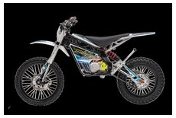 | 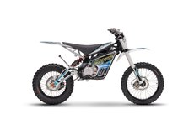 | 0.556 | 差异明显（未找到接近图片） | 主色接近 | 5 | https://h5.cqxstx.com/media.php?file=%E7%94%B5%E5%8A%A8%E7%B1%BB%2FET-%E5%B8%A6%E6%A1%A3%E4%BD%8D%E7%94%B5%E5%8A%A8%E8%B6%8A%E9%87%8E%E6%91%A9%E6%89%98%E8%BD%A6%2FET%E6%95%B4%E8%BD%A6%2FET-%E5%8F%B3%E4%BE%A7.jpg&w=700&q=84 | https://h5.cqxstx.com/?lang=en&id=et#product-detail
Time-F | F9 | 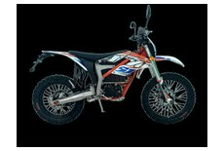 | 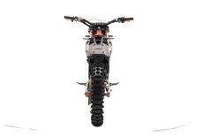 | 0.556 | 差异明显（未找到接近图片） | 主色可能不同：Excel 黑/灰/白 / 网页 混合色 | 6 | https://h5.cqxstx.com/media.php?file=%E7%94%B5%E5%8A%A8%E7%B1%BB%2FF29%E7%B3%BB%E5%88%97-%E5%85%A8%E5%B0%BA%E5%AF%B8%E9%AB%98%E6%80%A7%E8%83%BD%E7%9B%B4%E9%A9%B1%E7%94%B5%E5%8A%A8%E8%B6%8A%E9%87%8E%E6%91%A9%E6%89%98%E8%BD%A6%2FF29%E7%B3%BB%E5%88%97%E6%95%B4%E8%BD%A6%2FF29%E7%B3%BB%E5%88%97-%E6%95%B4%E8%BD%A6%E6%A9%99%E7%99%BD%E8%BD%A6%E5%B0%BE.jpg&w=700&q=84 | https://h5.cqxstx.com/?lang=en&id=f29#product-detail
Time-F | F29 | 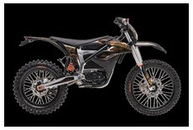 |  | 0.492 | 差异明显（未找到接近图片） | 主色可能不同：Excel 红/橙 / 网页 混合色 | 6 | https://h5.cqxstx.com/media.php?file=%E7%94%B5%E5%8A%A8%E7%B1%BB%2FF29%E7%B3%BB%E5%88%97-%E5%85%A8%E5%B0%BA%E5%AF%B8%E9%AB%98%E6%80%A7%E8%83%BD%E7%9B%B4%E9%A9%B1%E7%94%B5%E5%8A%A8%E8%B6%8A%E9%87%8E%E6%91%A9%E6%89%98%E8%BD%A6%2FF29%E7%B3%BB%E5%88%97%E6%95%B4%E8%BD%A6%2FF29%E7%B3%BB%E5%88%97-%E6%95%B4%E8%BD%A6%E6%A9%99%E7%99%BD%E8%BD%A6%E5%B0%BE.jpg&w=700&q=84 | https://h5.cqxstx.com/?lang=en&id=f29#product-detail
Time-F | F29R | 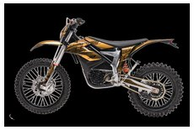 | 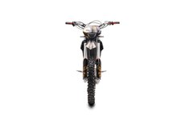 | 0.556 | 差异明显（未找到接近图片） | 主色可能不同：Excel 红/橙 / 网页 黄/金 | 6 | https://h5.cqxstx.com/media.php?file=%E7%94%B5%E5%8A%A8%E7%B1%BB%2FF29%E7%B3%BB%E5%88%97-%E5%85%A8%E5%B0%BA%E5%AF%B8%E9%AB%98%E6%80%A7%E8%83%BD%E7%9B%B4%E9%A9%B1%E7%94%B5%E5%8A%A8%E8%B6%8A%E9%87%8E%E6%91%A9%E6%89%98%E8%BD%A6%2FF29%E7%B3%BB%E5%88%97%E6%95%B4%E8%BD%A6%2FF29%E7%B3%BB%E5%88%97-%E6%95%B4%E8%BD%A6%E9%BB%91%E9%87%91%E8%BD%A6%E5%A4%B4.jpg&w=700&q=84 | https://h5.cqxstx.com/?lang=en&id=f29#product-detail
SJ | SJ250 | 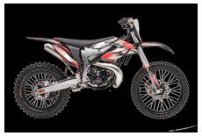 | 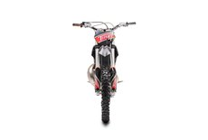 | 0.587 | 差异明显（未找到接近图片） | 主色接近 | 6 | https://h5.cqxstx.com/media.php?file=%E7%87%83%E6%B2%B9%E7%B1%BB%2F%E4%B8%A4%E5%86%B2%E7%A8%8B%E7%87%83%E6%B2%B9%E8%B6%8A%E9%87%8E%E6%91%A9%E6%89%98%E8%BD%A6%EF%BC%88SJ%E7%B3%BB%E5%88%97%EF%BC%89%2FSJ%E6%95%B4%E8%BD%A6%2FSJ300-%E8%BD%A6%E5%A4%B4.jpg&w=700&q=84 | https://h5.cqxstx.com/?lang=en&id=sj#product-detail
SJ | SJ300 | 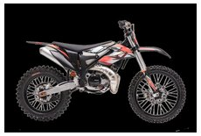 |  | 0.524 | 差异明显（未找到接近图片） | 主色接近 | 6 | https://h5.cqxstx.com/media.php?file=%E7%87%83%E6%B2%B9%E7%B1%BB%2F%E4%B8%A4%E5%86%B2%E7%A8%8B%E7%87%83%E6%B2%B9%E8%B6%8A%E9%87%8E%E6%91%A9%E6%89%98%E8%BD%A6%EF%BC%88SJ%E7%B3%BB%E5%88%97%EF%BC%89%2FSJ%E6%95%B4%E8%BD%A6%2FSJ300-%E8%BD%A6%E5%A4%B4.jpg&w=700&q=84 | https://h5.cqxstx.com/?lang=en&id=sj#product-detail
S300 | S300 | 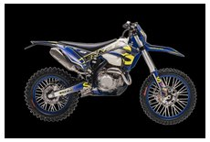 | 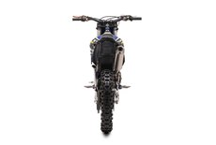 | 0.556 | 差异明显（未找到接近图片） | 主色接近 | 6 | https://h5.cqxstx.com/media.php?file=%E7%87%83%E6%B2%B9%E7%B1%BB%2F%E7%87%83%E6%B2%B9%E8%B6%8A%E9%87%8E%E6%91%A9%E6%89%98%E8%BD%A6%EF%BC%88S%E7%B3%BB%E5%88%97%EF%BC%89%2FS%E7%B3%BB%E5%88%97%E6%95%B4%E8%BD%A6%2FSY300-%E8%BD%A6%E5%B0%BE.jpg&w=700&q=84 | https://h5.cqxstx.com/?lang=en&id=s300#product-detail
S300 | S300R | 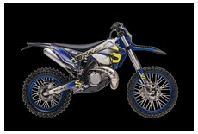 |  | 0.492 | 差异明显（未找到接近图片） | 主色可能不同：Excel 蓝 / 网页 黑/灰/白 | 6 | https://h5.cqxstx.com/media.php?file=%E7%87%83%E6%B2%B9%E7%B1%BB%2F%E7%87%83%E6%B2%B9%E8%B6%8A%E9%87%8E%E6%91%A9%E6%89%98%E8%BD%A6%EF%BC%88S%E7%B3%BB%E5%88%97%EF%BC%89%2FS%E7%B3%BB%E5%88%97%E6%95%B4%E8%BD%A6%2FSY300-%E8%BD%A6%E5%B0%BE.jpg&w=700&q=84 | https://h5.cqxstx.com/?lang=en&id=s300#product-detail
S300 | SN300 | 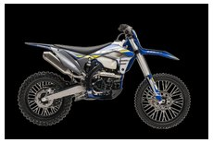 |  | 0.492 | 差异明显（未找到接近图片） | 主色可能不同：Excel 蓝 / 网页 黑/灰/白 | 6 | https://h5.cqxstx.com/media.php?file=%E7%87%83%E6%B2%B9%E7%B1%BB%2F%E7%87%83%E6%B2%B9%E8%B6%8A%E9%87%8E%E6%91%A9%E6%89%98%E8%BD%A6%EF%BC%88S%E7%B3%BB%E5%88%97%EF%BC%89%2FS%E7%B3%BB%E5%88%97%E6%95%B4%E8%BD%A6%2FSY300-%E8%BD%A6%E5%B0%BE.jpg&w=700&q=84 | https://h5.cqxstx.com/?lang=en&id=s300#product-detail
S300 | SY300 | 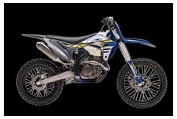 |  | 0.46 | 差异明显（未找到接近图片） | 主色接近 | 6 | https://h5.cqxstx.com/media.php?file=%E7%87%83%E6%B2%B9%E7%B1%BB%2F%E7%87%83%E6%B2%B9%E8%B6%8A%E9%87%8E%E6%91%A9%E6%89%98%E8%BD%A6%EF%BC%88S%E7%B3%BB%E5%88%97%EF%BC%89%2FS%E7%B3%BB%E5%88%97%E6%95%B4%E8%BD%A6%2FSY300-%E8%BD%A6%E5%B0%BE.jpg&w=700&q=84 | https://h5.cqxstx.com/?lang=en&id=s300#product-detail
HS85CC | HS85CC | 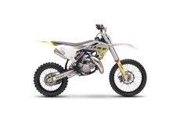 | 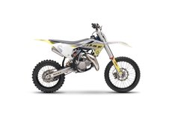 | 1 | 高度一致（大概率同图，可能仅压缩/缩放） | 主色接近 | 5 | https://h5.cqxstx.com/media.php?file=%E7%87%83%E6%B2%B9%E7%B1%BB%2F85CC%E7%87%83%E6%B2%B9%E8%B6%8A%E9%87%8E%E6%91%A9%E6%89%98%E8%BD%A6%28HS%E4%B8%A4%E5%86%B2%E7%A8%8B%E5%B0%8F%E7%8E%8B%E5%AD%90%EF%BC%89%2FHS85%E6%95%B4%E8%BD%A6%2FHS85-%E5%8F%B3%E4%BE%A7.jpg&w=700&q=84 | https://h5.cqxstx.com/?lang=en&id=hs85#product-detail
HS85CC | HS85CC | 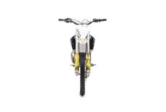 | 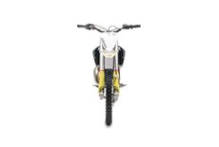 | 1 | 高度一致（大概率同图，可能仅压缩/缩放） | 主色接近 | 5 | https://h5.cqxstx.com/media.php?file=%E7%87%83%E6%B2%B9%E7%B1%BB%2F85CC%E7%87%83%E6%B2%B9%E8%B6%8A%E9%87%8E%E6%91%A9%E6%89%98%E8%BD%A6%28HS%E4%B8%A4%E5%86%B2%E7%A8%8B%E5%B0%8F%E7%8E%8B%E5%AD%90%EF%BC%89%2FHS85%E6%95%B4%E8%BD%A6%2FHS85-%E8%BD%A6%E5%A4%B4.jpg&w=700&q=84 | https://h5.cqxstx.com/?lang=en&id=hs85#product-detail
HS85CC | HS85CC | 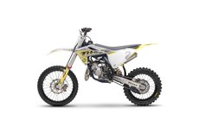 |  | 1 | 高度一致（大概率同图，可能仅压缩/缩放） | 主色接近 | 5 | https://h5.cqxstx.com/media.php?file=%E7%87%83%E6%B2%B9%E7%B1%BB%2F85CC%E7%87%83%E6%B2%B9%E8%B6%8A%E9%87%8E%E6%91%A9%E6%89%98%E8%BD%A6%28HS%E4%B8%A4%E5%86%B2%E7%A8%8B%E5%B0%8F%E7%8E%8B%E5%AD%90%EF%BC%89%2FHS85%E6%95%B4%E8%BD%A6%2FHS85-%E5%B7%A6%E4%BE%A7.jpg&w=700&q=84 | https://h5.cqxstx.com/?lang=en&id=hs85#product-detail

