10min
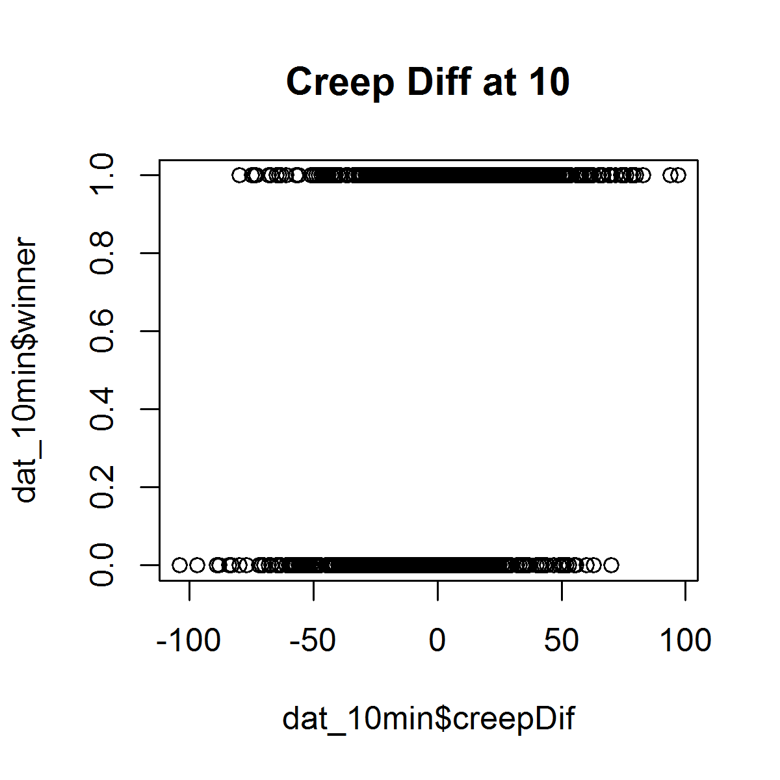
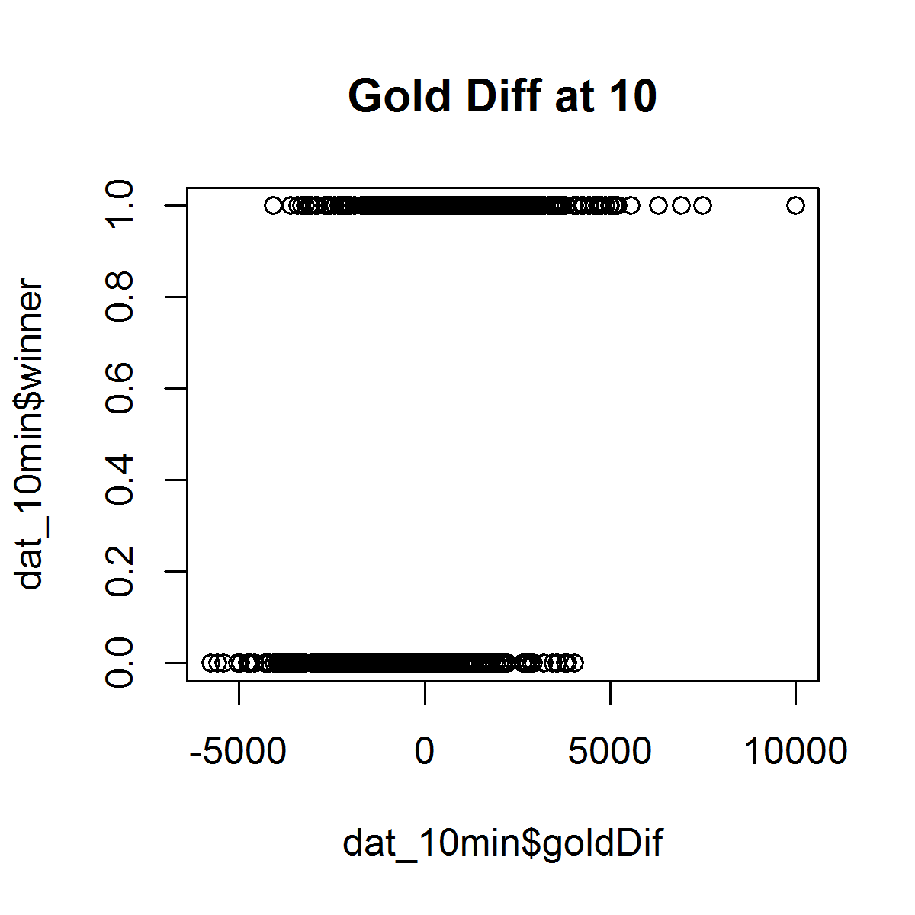
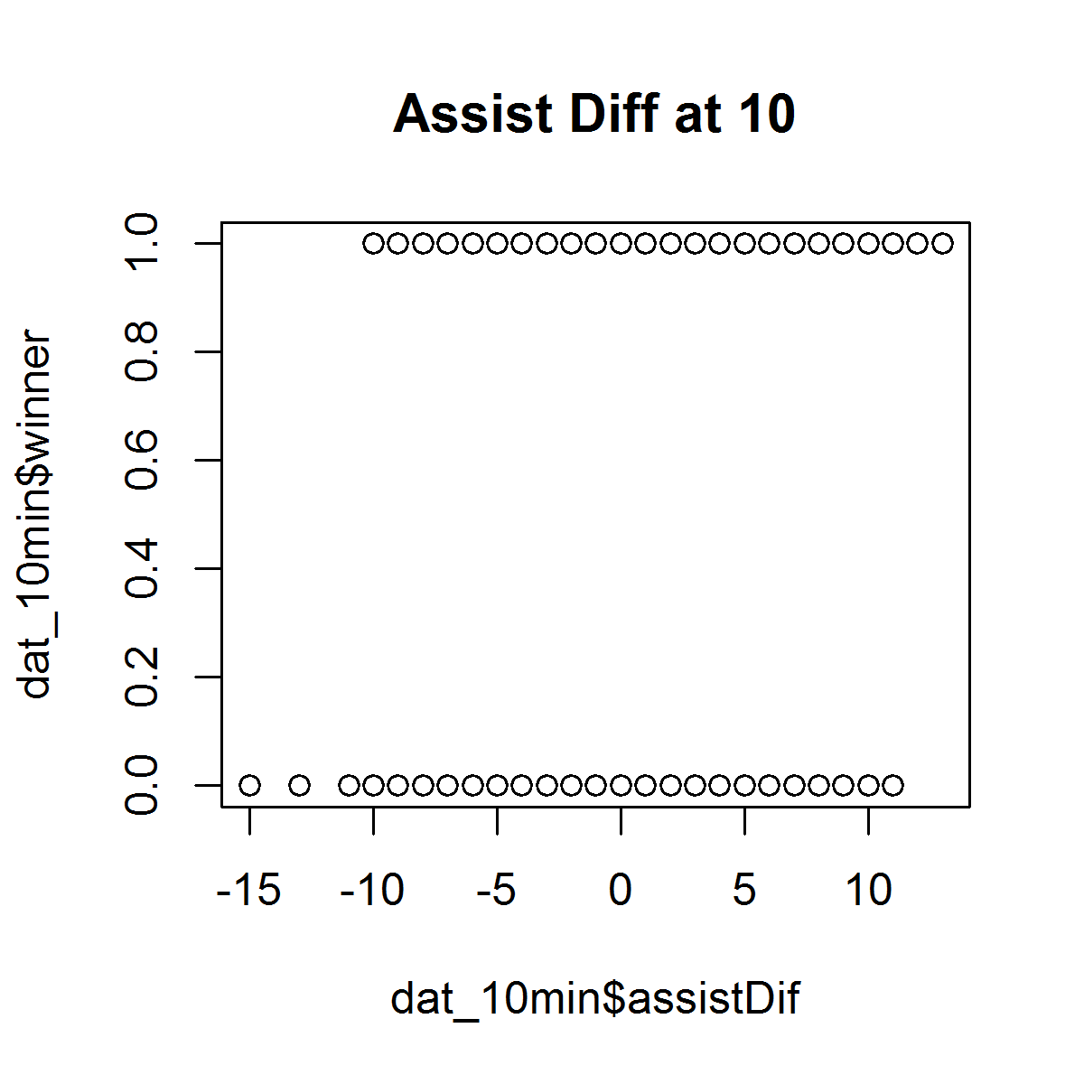
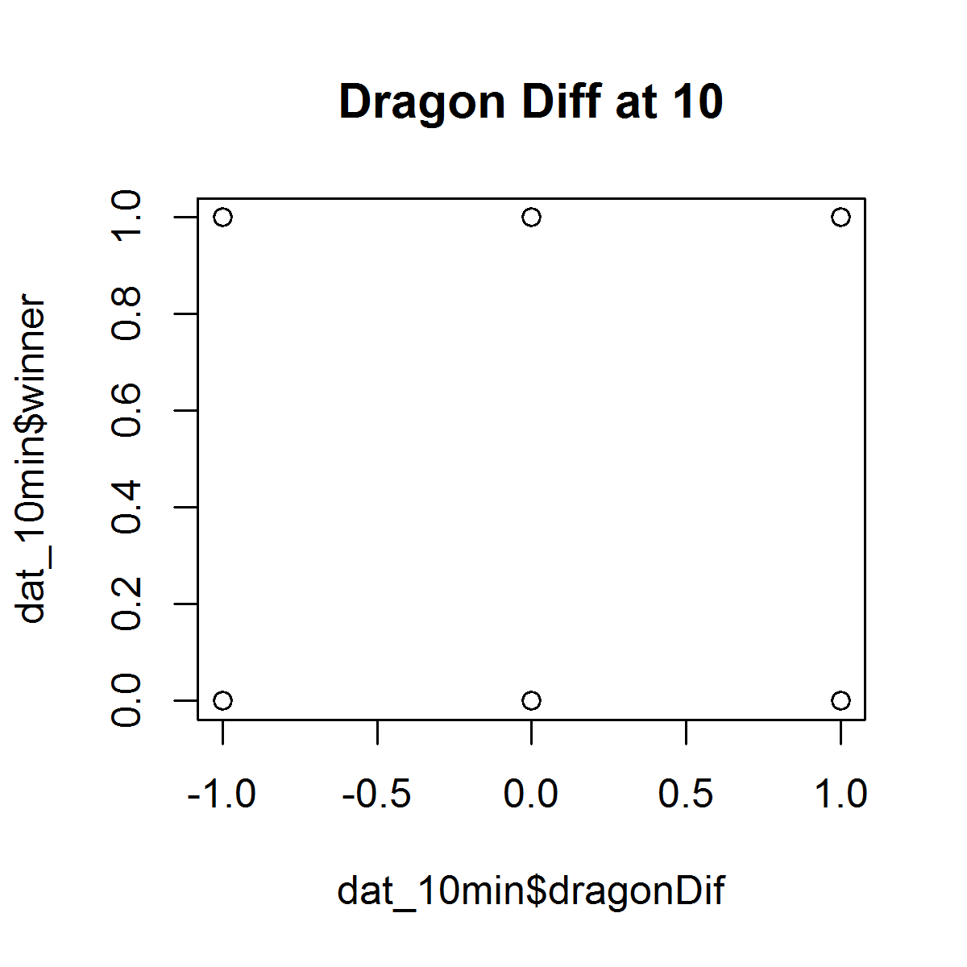
Call:
glm(formula = winner ~ goldDif + creepDif + killDif + assistDif +
dragonDif, family = "binomial", data = dat_10min)
 | For one unit change in dragonDif, odds of winning increases by 0.234
Deviance Residuals: | For one unit change in killDif, odds of winning increases by 0.021
Min 1Q Median 3Q Max | For one unit change in creepDif, odds of winning increases by 0.003
-2.3281 -0.9866 0.2734 0.9702 2.1875 | For one unit change in goldDif, odds of winning increases by 0.00057
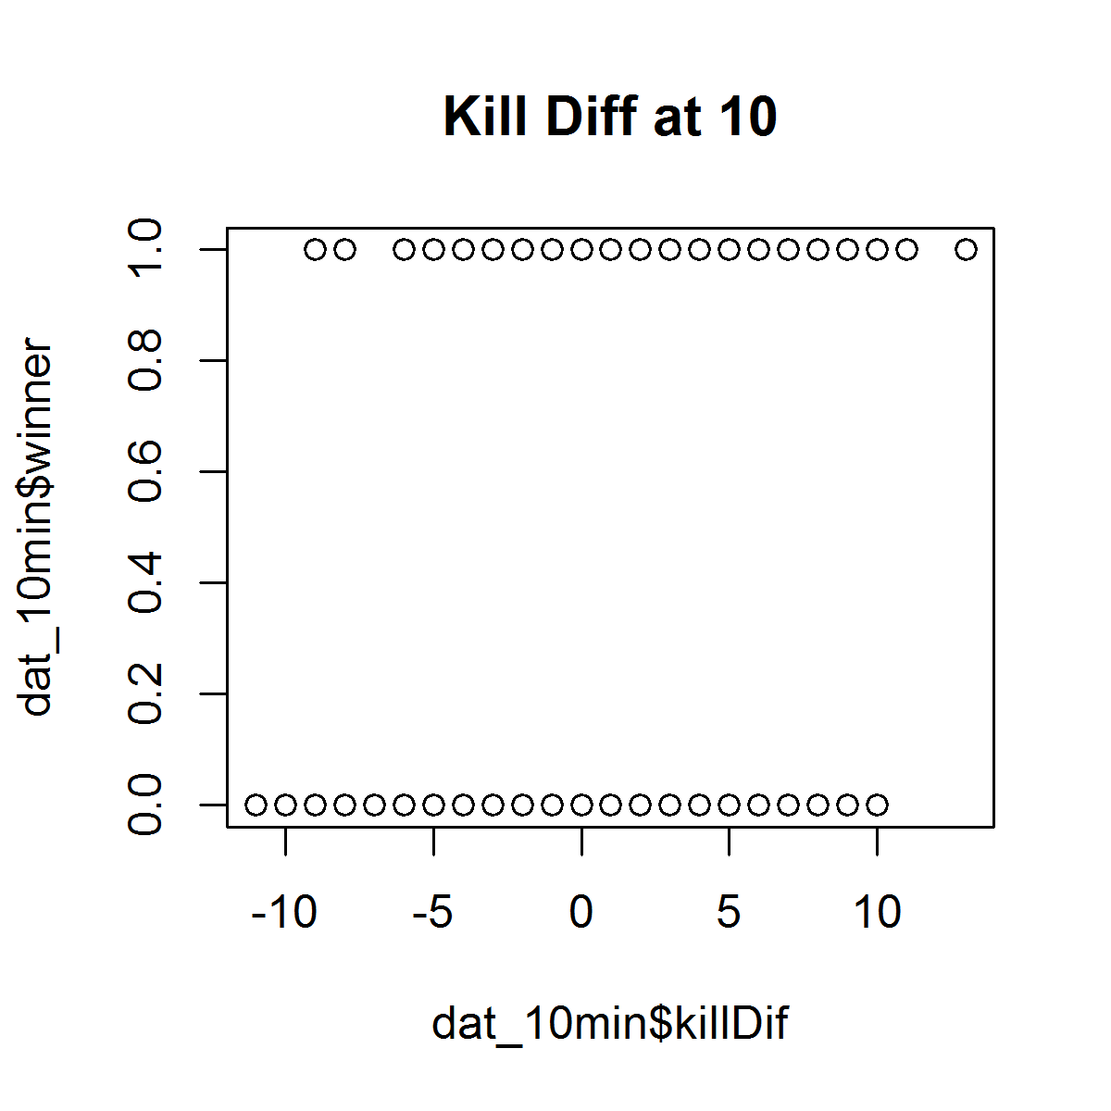
Coefficients:
Estimate Std. Error z value Pr(>|z|)
(Intercept) 0.0734945 0.0709018 1.037 0.2999
goldDif 0.0005700 0.0001284 4.439 9.03e-06 ***
creepDif 0.0033363 0.0035086 0.951 0.3417
killDif 0.0206793 0.0544835 0.380 0.7043
assistDif -0.0659609 0.0297104 -2.220 0.0264 *
dragonDif 0.2343321 0.1764516 1.328 0.1842
---
Signif. codes: 0 ‘***’ 0.001 ‘**’ 0.01 ‘*’ 0.05 ‘.’ 0.1 ‘ ’ 1

(Dispersion parameter for binomial family taken to be 1)

Null deviance: 1386.0 on 999 degrees of freedom
Residual deviance: 1173.3 on 994 degrees of freedom
AIC: 1185.3

Number of Fisher Scoring iterations: 4

20min
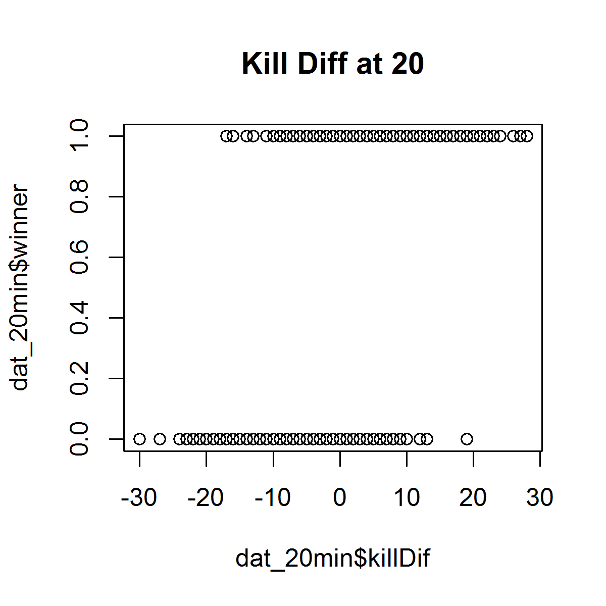
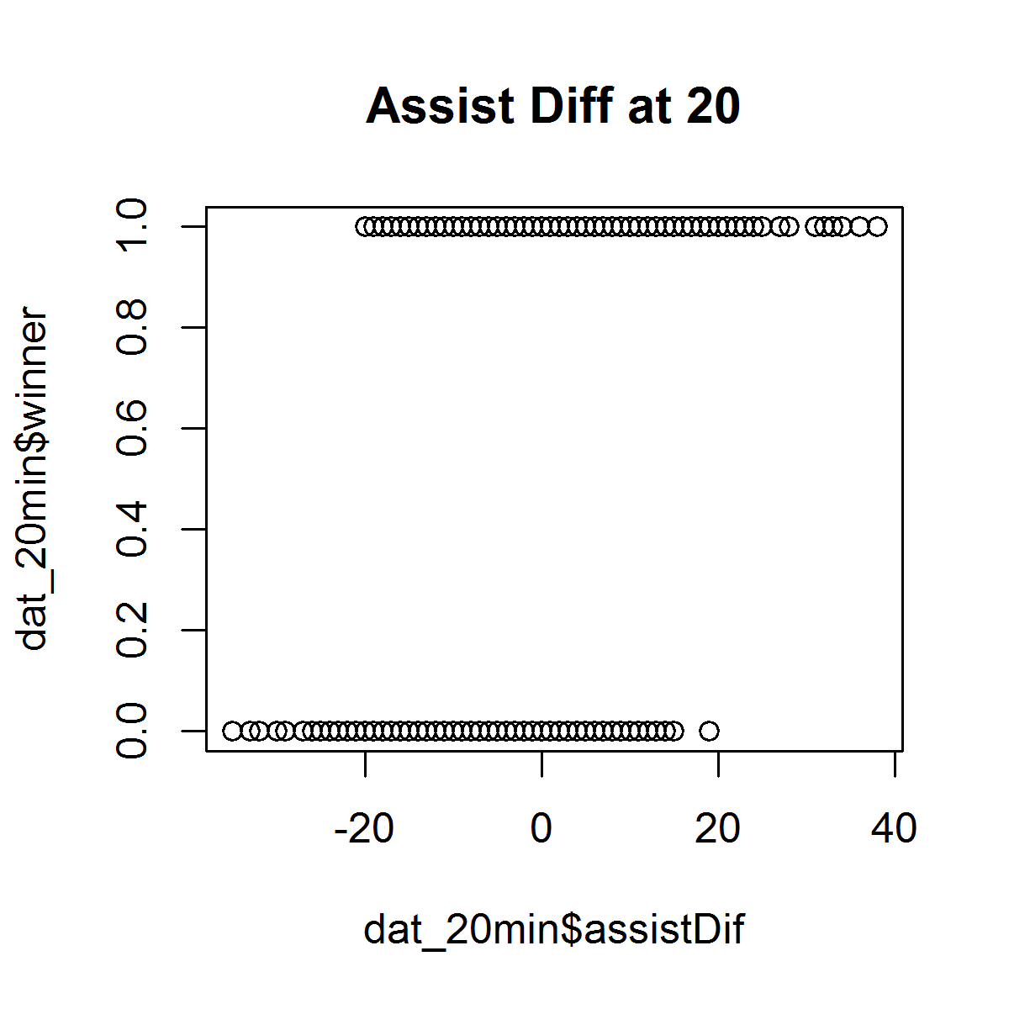
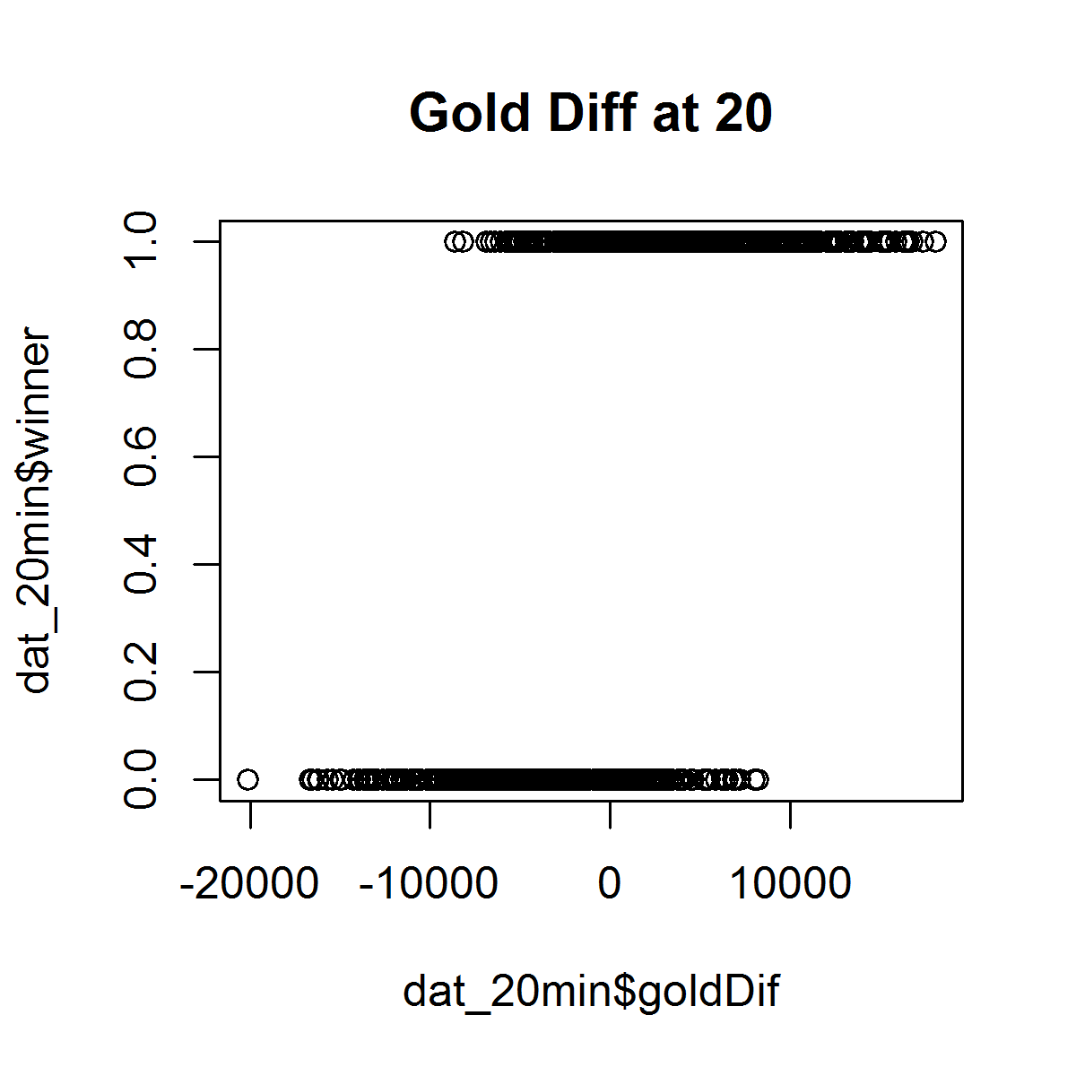
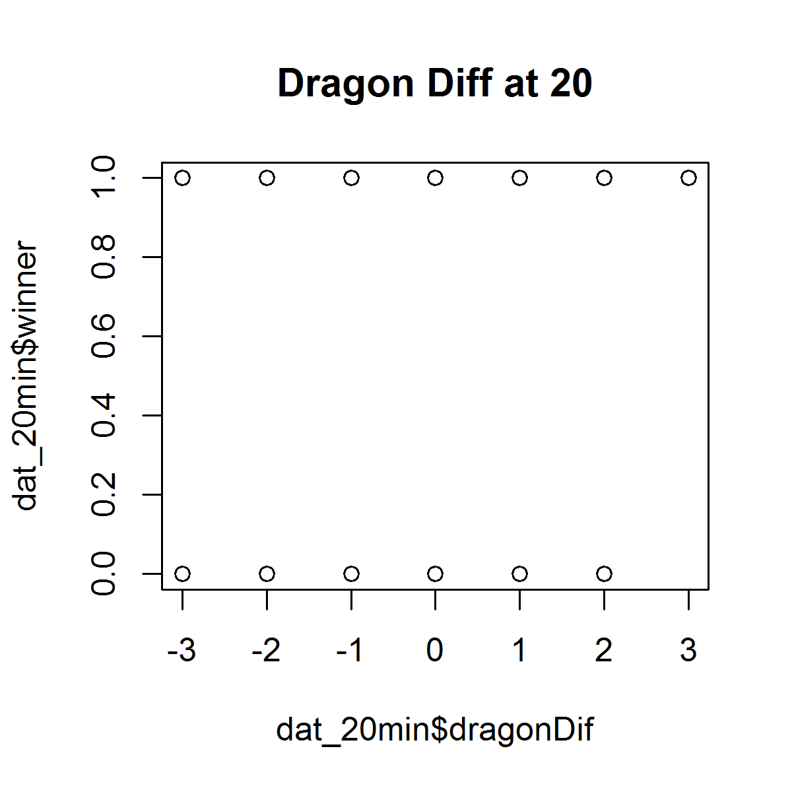
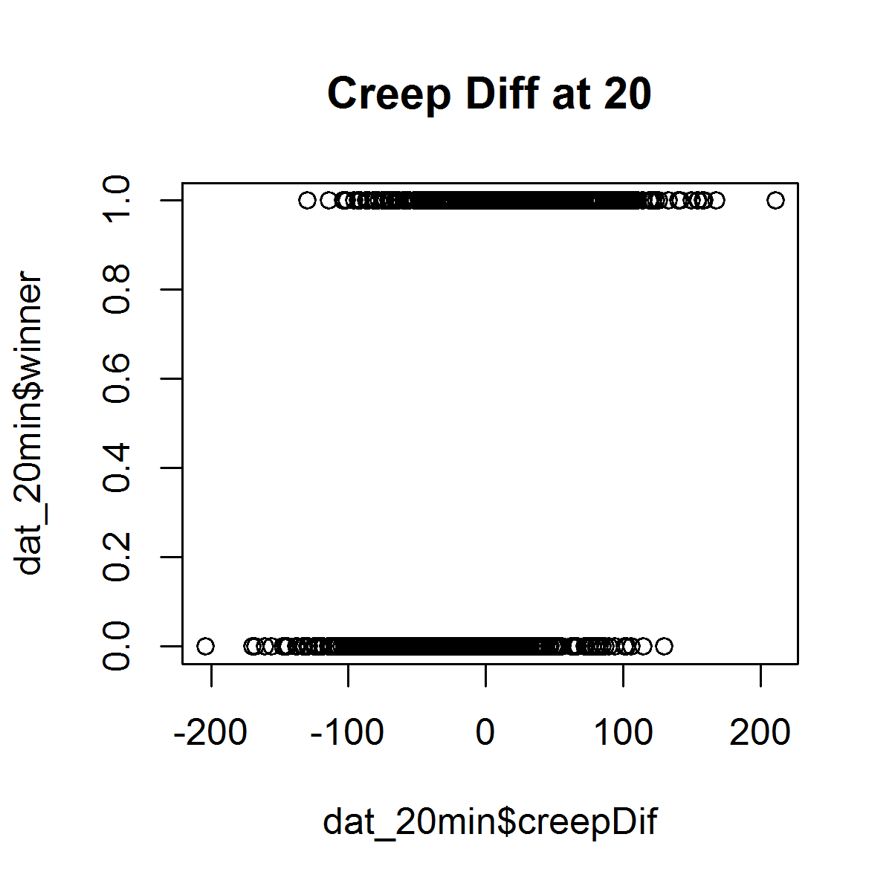
Call:
glm(formula = winner ~ goldDif + creepDif + killDif + assistDif +
dragonDif, family = "binomial", data = dat_20min) |  | confidence intervals for the coefficient estimates

Deviance Residuals: |  | > confint(minute20.glm)
Min 1Q Median 3Q Max |  | Waiting for profiling to be done...
-2.46226 -0.65592 0.08625 0.65162 2.45887 |  | 2.5 % 97.5 %
 |  | (Intercept) -0.0590765071 0.2784604642
Coefficients: |  | goldDif 0.0002228056 0.0004053275
Estimate Std. Error z value Pr(>|z|) |  | creepDif -0.0046847309 0.0043508647
(Intercept) 1.091e-01 8.602e-02 1.268 0.20468 |  | killDif -0.0488612920 0.0629584618
goldDif 3.125e-04 4.651e-05 6.719 1.83e-11 *** |  | assistDif -0.0261998779 0.0298200936
creepDif -1.667e-04 2.302e-03 -0.072 0.94228 |  | dragonDif 0.0816758860 0.3694793863
killDif 6.917e-03 2.849e-02 0.243 0.80816
assistDif 1.771e-03 1.427e-02 0.124 0.90125
dragonDif 2.251e-01 7.334e-02 3.070 0.00214 ** |  | > confint.default(minute20.glm)
--- |  | 2.5 % 97.5 %
Signif. codes: 0 ‘***’ 0.001 ‘**’ 0.01 ‘*’ 0.05 ‘.’ 0.1 ‘ ’ 1 |  | (Intercept) -0.0594947063 0.2776978446
 |  | goldDif 0.0002213113 0.0004036169
(Dispersion parameter for binomial family taken to be 1) |  | creepDif -0.0046786352 0.0043452757
 |  | killDif -0.0489180171 0.0627517890
Null deviance: 1367.91 on 986 degrees of freedom |  | assistDif -0.0262051624 0.0297472990
Residual deviance: 847.34 on 981 degrees of freedom |  | dragonDif 0.0813701425 0.3688428294
AIC: 859.34
 |  | >
Number of Fisher Scoring iterations: 5

> exp(coef(minute20.glm))
(Intercept) goldDif creepDif killDif assistDif dragonDif
1.1152756 1.0003125 0.9998333 1.0069409 1.0017726 1.2524561

> exp(cbind(OR = coef(minute20.glm), confint(minute20.glm)))
Waiting for profiling to be done...
OR 2.5 % 97.5 %
(Intercept) 1.1152756 0.9426346 1.321094
goldDif 1.0003125 1.0002228 1.000405 | For 1 unit increase in dragonDif, odds of winning the match increase by the factor of 1.252
creepDif 0.9998333 0.9953262 1.004360
killDif 1.0069409 0.9523132 1.064983
assistDif 1.0017726 0.9741404 1.030269
dragonDif 1.2524561 1.0851041 1.446981

30min
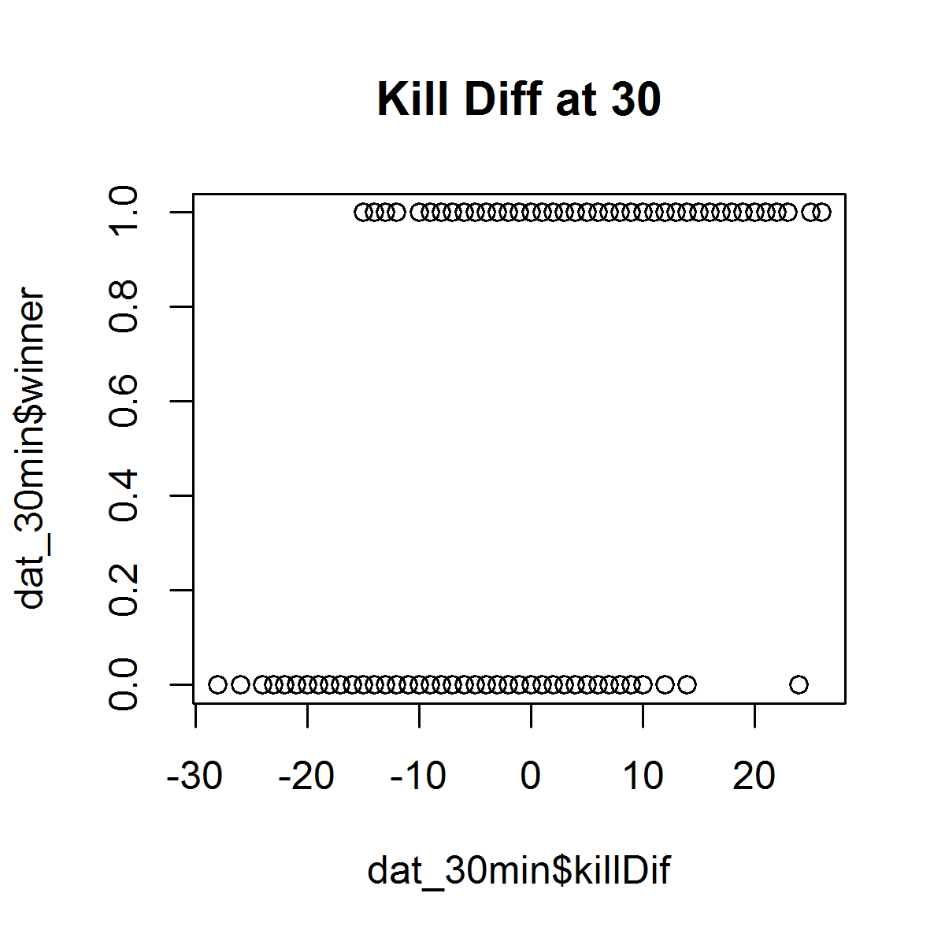
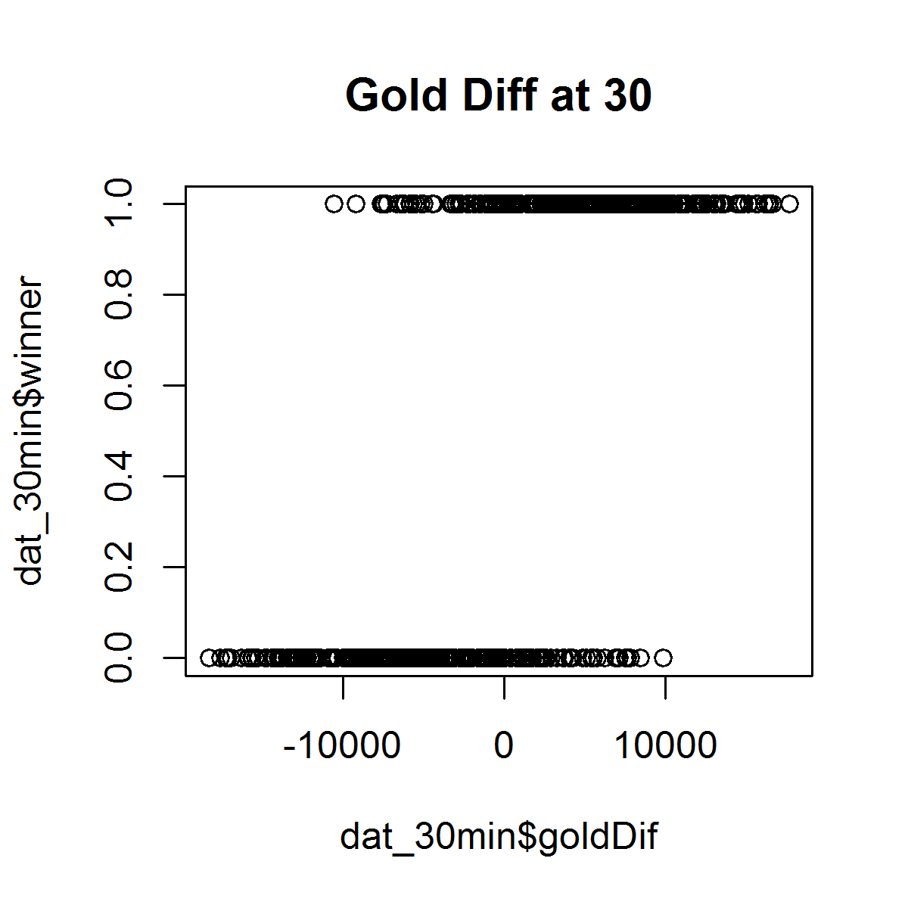
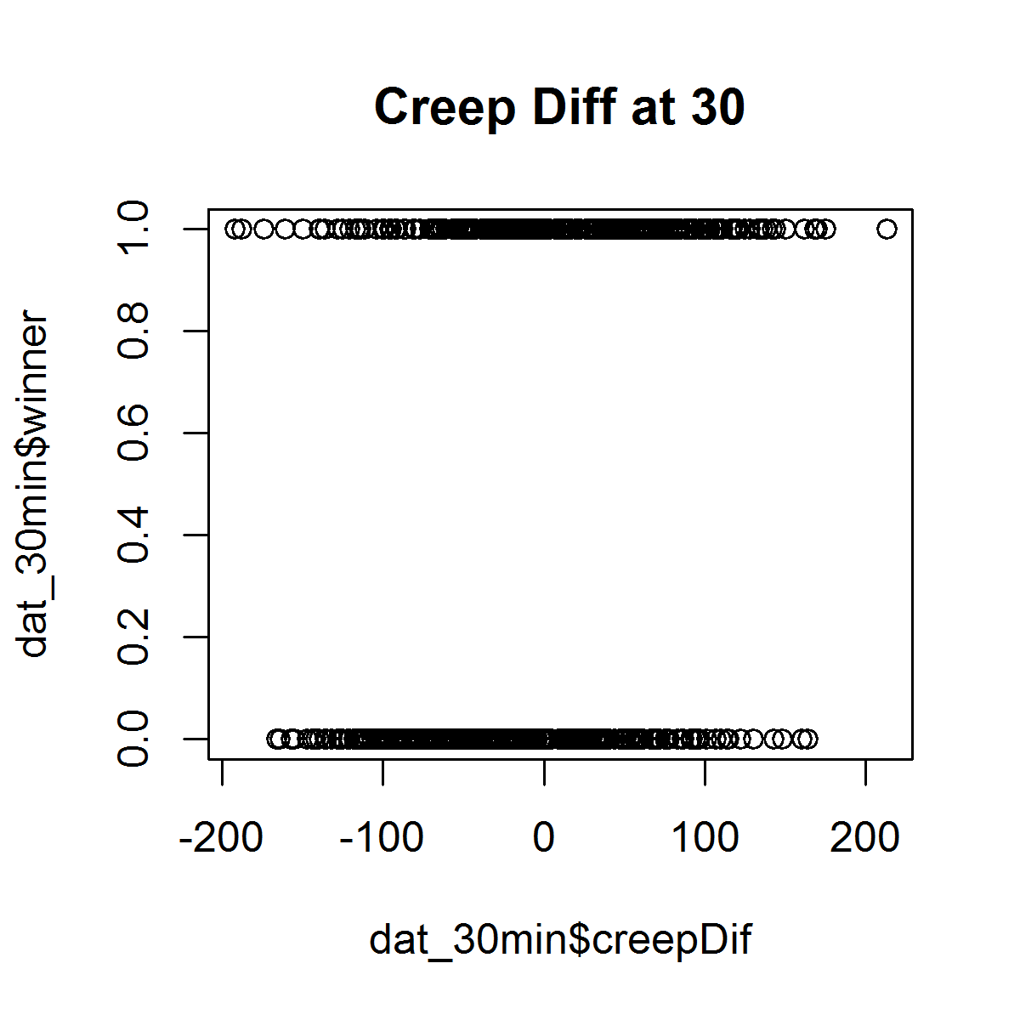
Call:
glm(formula = winner ~ goldDif + creepDif + killDif + assistDif +
dragonDif, family = "binomial", data = dat_30min)

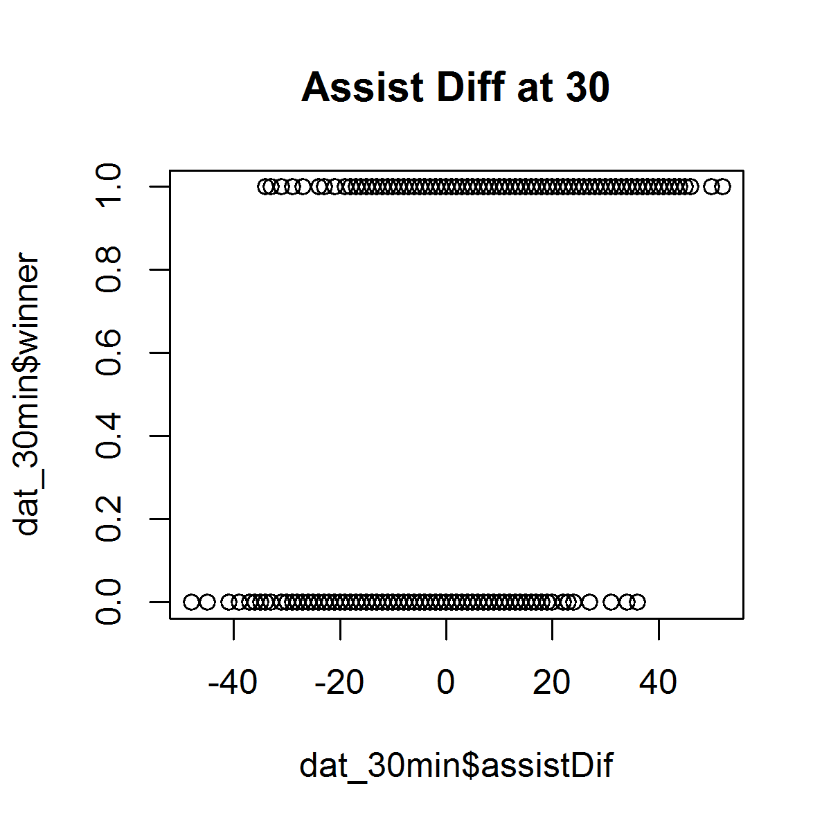
Deviance Residuals:
Min 1Q Median 3Q Max
-2.6510 -0.5426 0.1041 0.5700 2.5746

Coefficients:
Estimate Std. Error z value Pr(>|z|)
(Intercept) 5.231e-02 1.135e-01 0.461 0.644893
goldDif 2.973e-04 3.962e-05 7.504 6.19e-14 ***
creepDif -2.993e-03 2.043e-03 -1.465 0.142968
killDif -2.801e-03 2.660e-02 -0.105 0.916121
assistDif 3.619e-03 1.065e-02 0.340 0.733928
dragonDif 2.588e-01 7.303e-02 3.544 0.000394 ***
---
Signif. codes: 0 ‘***’ 0.001 ‘**’ 0.01 ‘*’ 0.05 ‘.’ 0.1 ‘ ’ 1

(Dispersion parameter for binomial family taken to be 1)

Null deviance: 914.86 on 659 degrees of freedom
Residual deviance: 493.63 on 654 degrees of freedom
AIC: 505.63

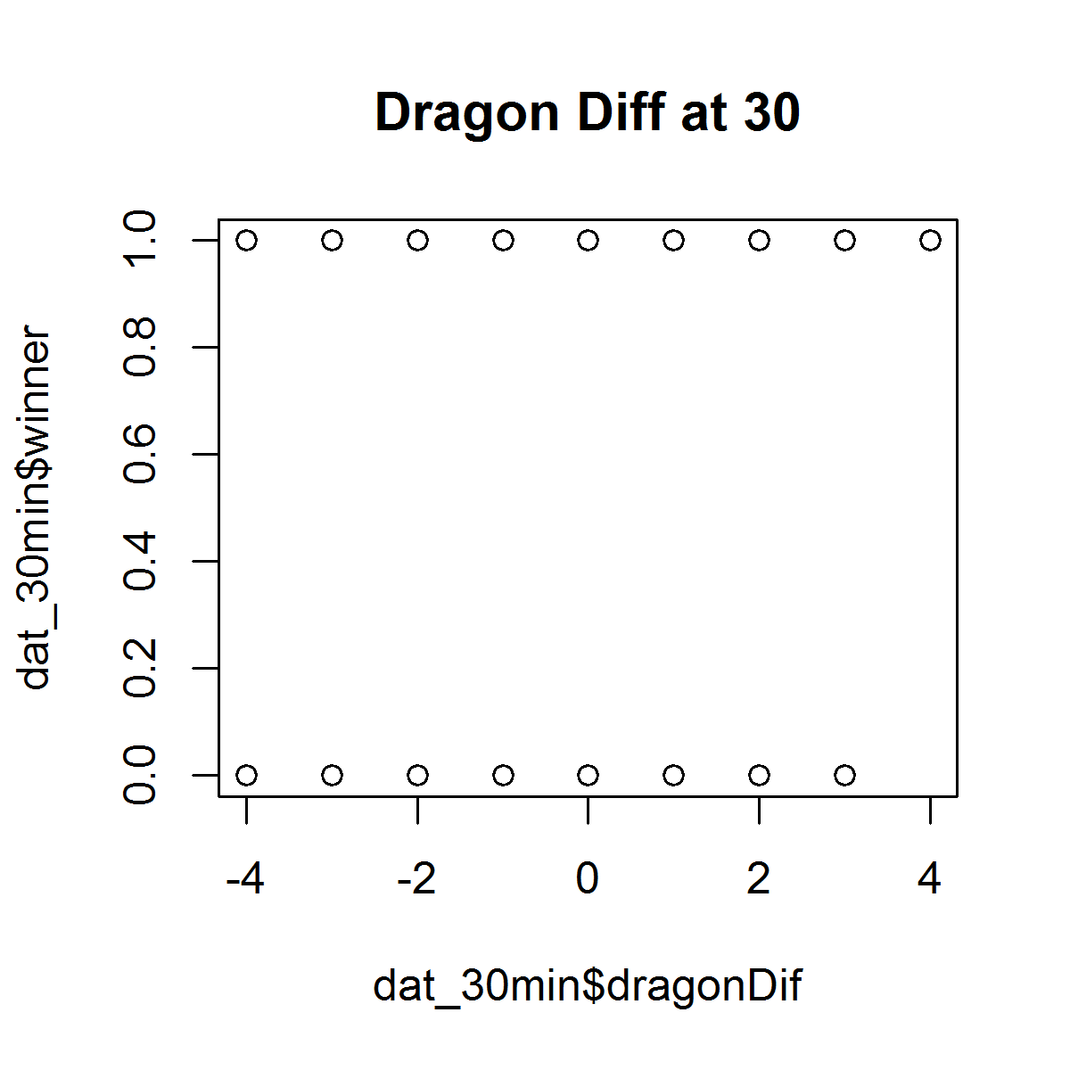
Number of Fisher Scoring iterations: 5

