Final Mockup Dashboard
Probable XI ForT20-WorldCup-2022
KPI For Batters: SR Between 125-150 For Top 5 Batters & SR Between 150-200 For
Batters at the end of the innings.
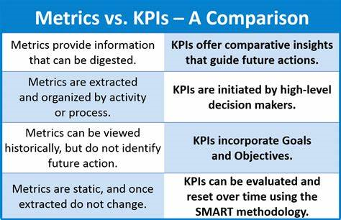
KPI For Bowlers: 1-2 Wkt Takers Per Game With 6's Good Economy.

Age Group Between 21-35 Years Old

Top Batters For Team Acco To SR Range In Form Of Histogram(Pareto)Chart.
Best Bowlers With 1-2 WKT Taker With 6's or Above Economy.

Batting Strike Rate = (Number of Runs Scored x 100) / Number of Balls Faced.
Economy Rate = Number of Runs Conceded / Number of Overs Bowled.
Two Rules For Selecting Right KPI's:
1>KISS:Keep It Simple,Stupid.
2>SMART:Specific,Measurable,Attainable,Realistic & Timely.

