iNSIGHT_SHEET1
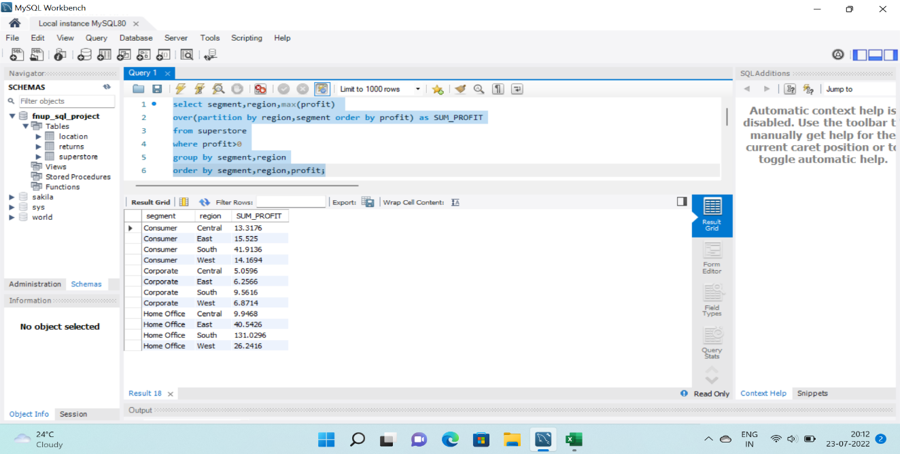
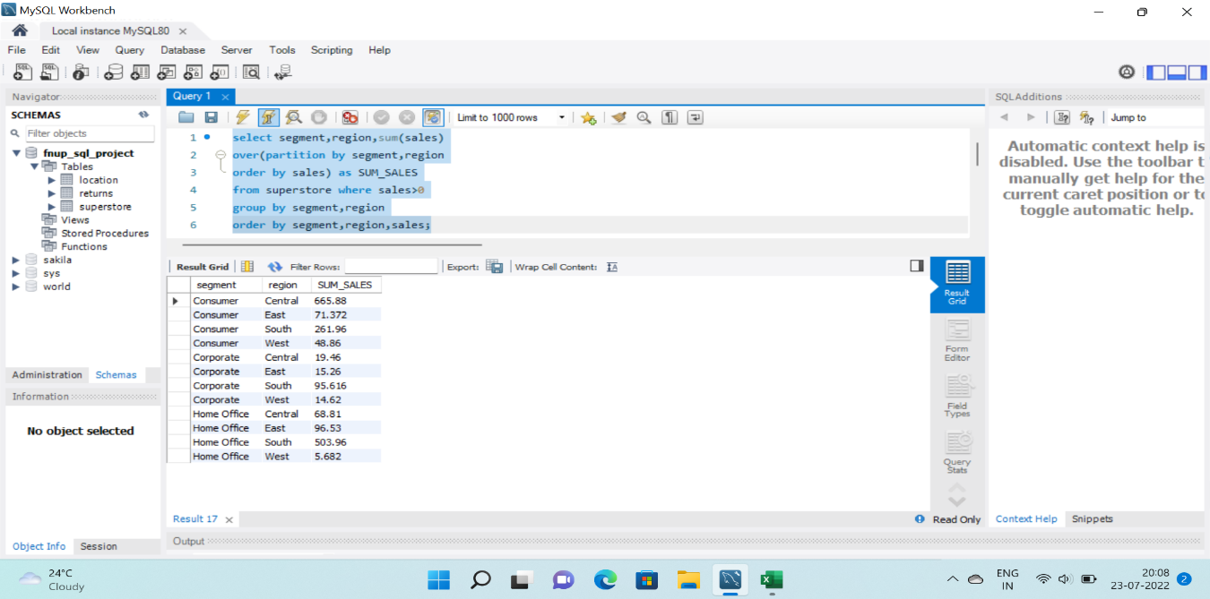
1.POSITIVE PROFIT OF EACH SEGMENT IN PERTICULAR REGION:
QUERY:
select segment,region,max(profit)
over(partition by region,segment order by profit) as SUM_PROFIT
from superstore
where profit>0
group by segment,region
order by segment,region;
2.POSITIVE SALES FOR EACH SEGMENT IN PERTICULAR REGION:
QUERY:
select segment,region,sum(sales)
over(partition by segment,region, order by sales) as SUM_SALES
from superstore
where sales>0
group by segment,region
order by segment,region,sales;

iNSIGHT_SHEET2
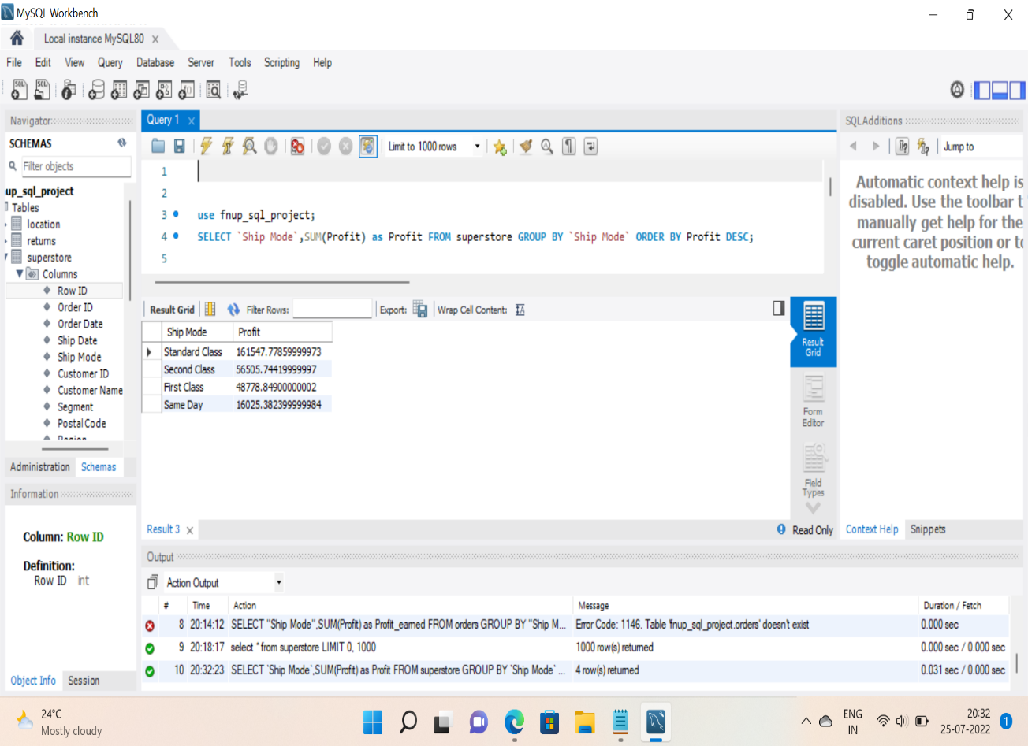
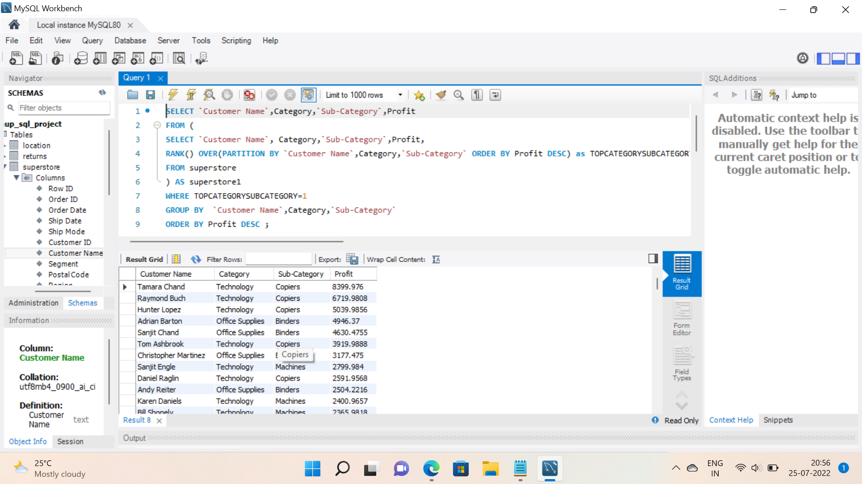
1.PROFIT FROM SHIP MODE: | 2.TOP PROFIT MAKER CUSTOMERS,CATEGORY AND SUBCATEGORY:
Query: | QUERY:

iNSIGHT_SHEET3
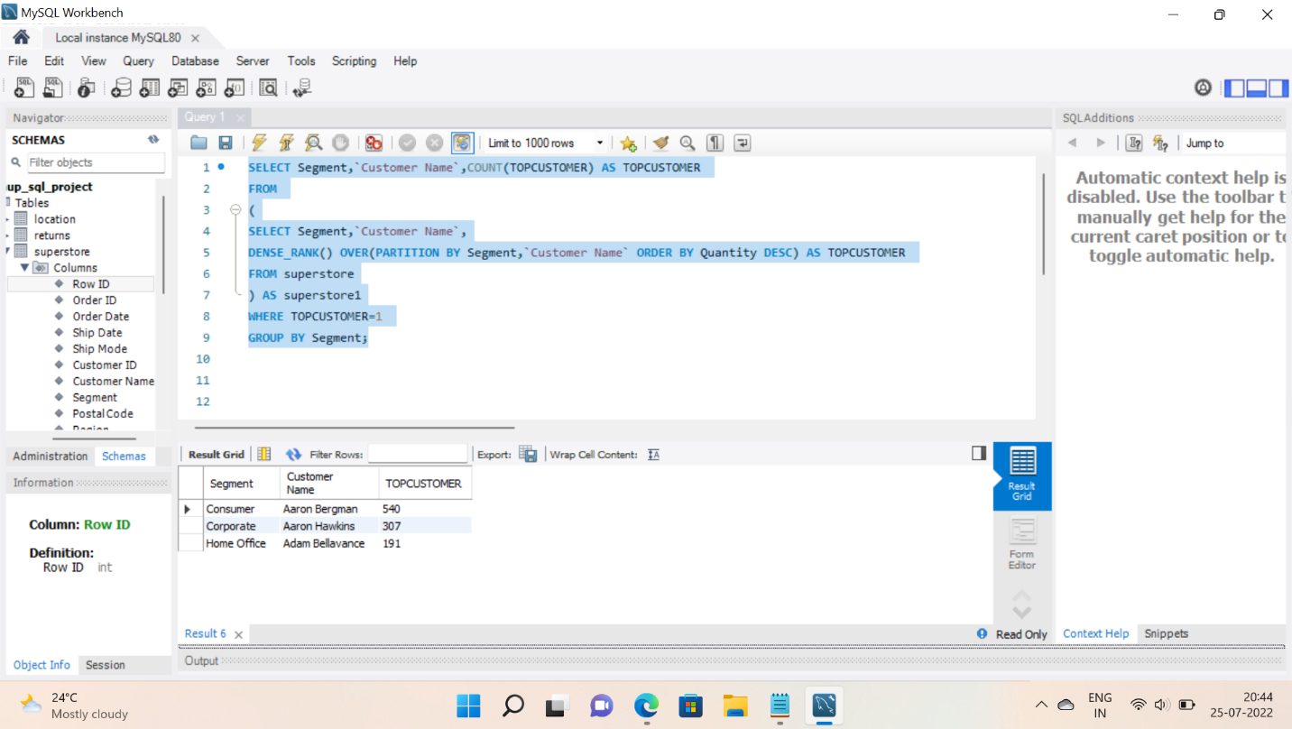
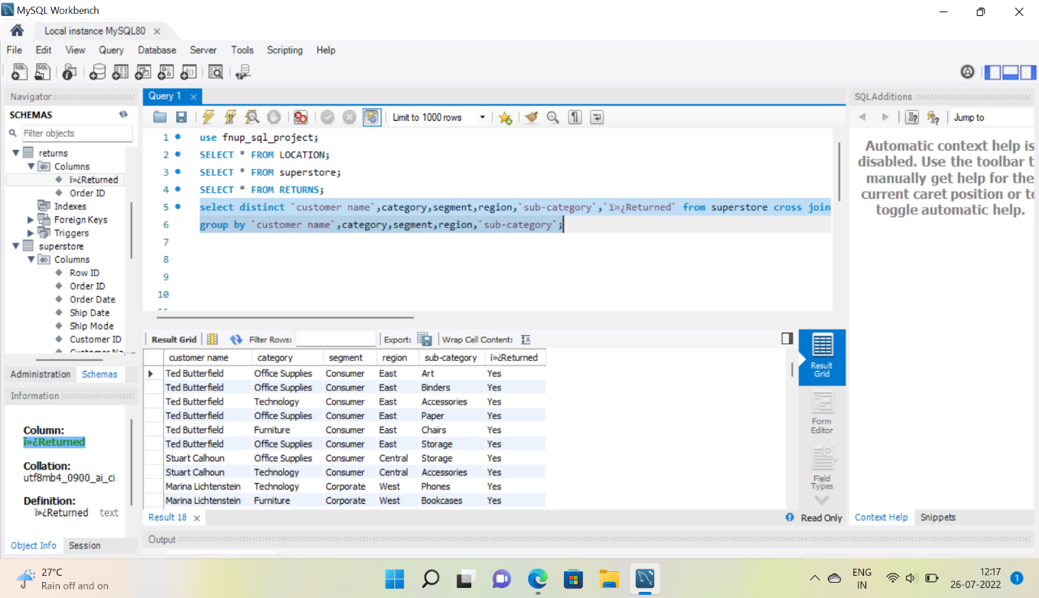
1.TOP CUSTOMER IN TERMS OF QUANTITY ORDERED FROM EACH SEGMENT: | 2.Customers Who Has Returned The Orders With region and product details:
QUERY: | Query:
select distinct `customer name`,category,segment,region,`sub-category`,`ï»¿Returned`
from superstore
cross join `returns` on `superstore`.`order id`=`returns`.`order id`
group by `customer name`,category,segment,region,`sub-category`;

