Sheet1
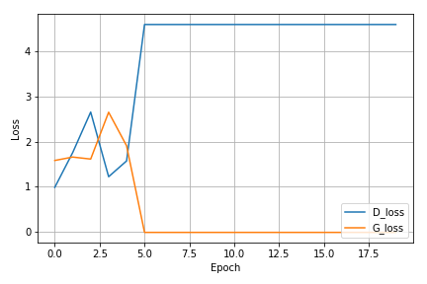
Extracting MNIST_data/train-images-idx3-ubyte.gz
Extracting MNIST_data/train-labels-idx1-ubyte.gz
Extracting MNIST_data/t10k-images-idx3-ubyte.gz
Extracting MNIST_data/t10k-labels-idx1-ubyte.gz
[1/20] - ptime: 8.48 loss_d: 0.987, loss_g: 1.583
[2/20] - ptime: 8.43 loss_d: 1.759, loss_g: 1.659
[3/20] - ptime: 8.42 loss_d: 2.655, loss_g: 1.614
[4/20] - ptime: 8.43 loss_d: 1.223, loss_g: 2.652
[5/20] - ptime: 8.45 loss_d: 1.573, loss_g: 1.909
[6/20] - ptime: 8.43 loss_d: 4.595, loss_g: -0.010
[7/20] - ptime: 8.56 loss_d: 4.595, loss_g: -0.010
[8/20] - ptime: 8.42 loss_d: 4.595, loss_g: -0.010
[9/20] - ptime: 8.42 loss_d: 4.595, loss_g: -0.010
[10/20] - ptime: 8.44 loss_d: 4.595, loss_g: -0.010
[11/20] - ptime: 8.52 loss_d: 4.595, loss_g: -0.010
[12/20] - ptime: 8.42 loss_d: 4.595, loss_g: -0.010
[13/20] - ptime: 8.43 loss_d: 4.595, loss_g: -0.010
[14/20] - ptime: 8.42 loss_d: 4.595, loss_g: -0.010
[15/20] - ptime: 8.44 loss_d: 4.595, loss_g: -0.010
[16/20] - ptime: 8.44 loss_d: 4.595, loss_g: -0.010
[17/20] - ptime: 8.43 loss_d: 4.595, loss_g: -0.010
[18/20] - ptime: 8.44 loss_d: 4.595, loss_g: -0.010
[19/20] - ptime: 8.44 loss_d: 4.595, loss_g: -0.010
[20/20] - ptime: 8.44 loss_d: 4.595, loss_g: -0.010
Avg per epoch ptime: 8.45, total 20 epochs ptime: 302.16
Training finish!... save training results

