Volume
T-section |  | Omega-Section |  | t_thickness_skin | 3.9 | T-section |  | Omega-Section
Number | 4 | Number | 5 | a | 600 | Number | 4 | Number | 5
DIM1 | 65 | DIM1 | 28 | b | 200 | DIM1 | 65 | DIM1 | 28
DIM2 | 42 | DIM2 | 2.4 |  |  | DIM2 | 42 | DIM2 | 2.4
DIM3 | 3 | DIM3 | 20 |  |  | DIM3 | 3 | DIM3 | 20
DIM4 | 2.1 | DIM4 | 15 |  |  | DIM4 | 2.1 | DIM4 | 15

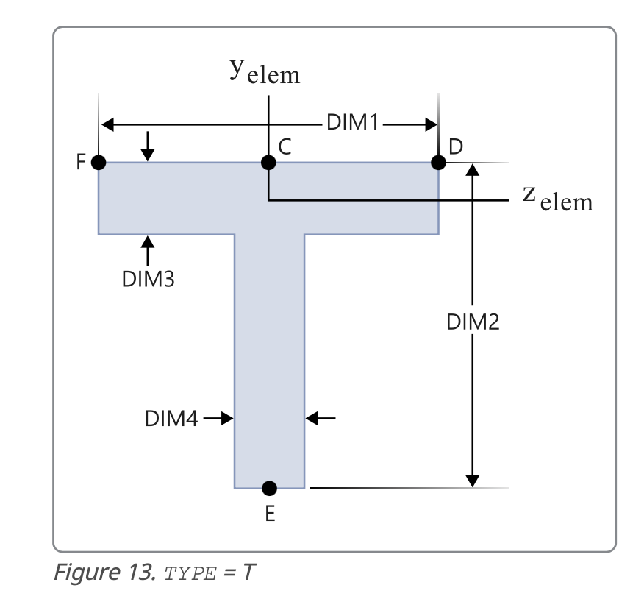
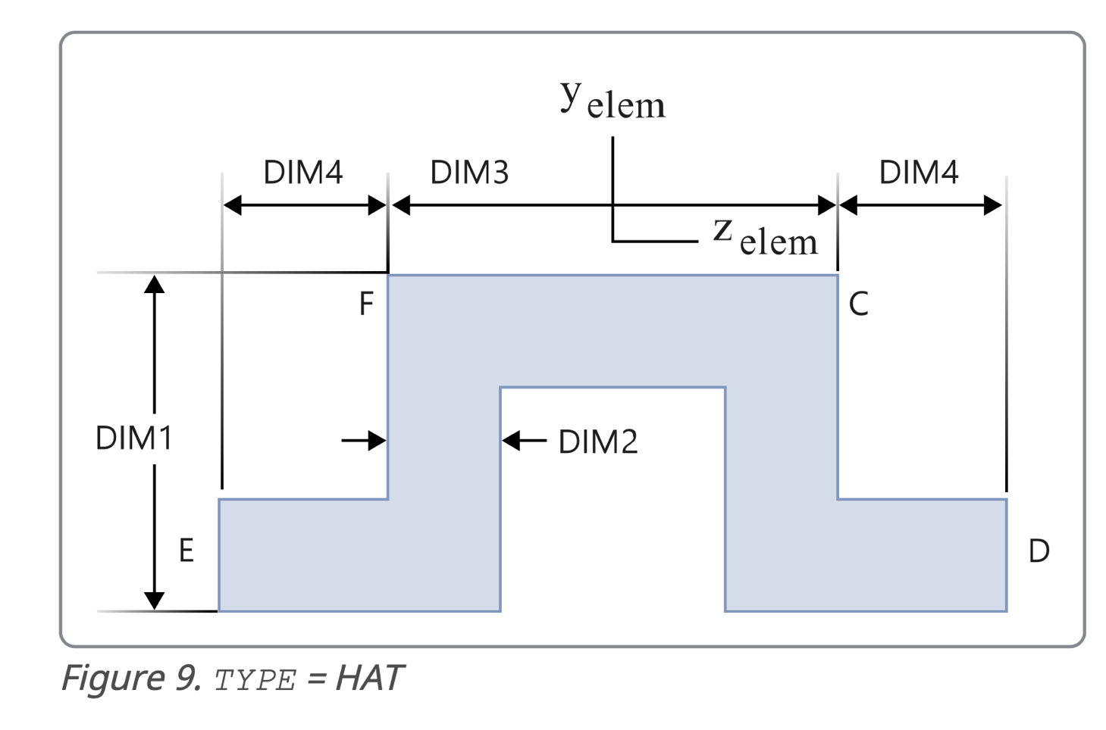

Volume skin | 468000

Area T_stringer | 276.9
Volume T-stringer | 166140

Area Omega-Stringer | 242.88
Volume T-stringer | 145728

Density | 2.70E-09

Mass_computed | 1.63976400E+01
Mass_high_precision | 1.63976409257546E+01

f_Crippling
T-section |  | Omega-Section |  |  |  |  | Calculating Crossection properties | T-section |  | Omega-section |  |  |  | T-section | Omega-section
Number | 4 | Number | 5 |  | Yield | 491.79 |  | w_eff | 200 |  |  | L | 600 | 1 | 3
DIM1 | 65 | DIM1 | 28 |  | E-b-basis | 65643.64 |  | t_thickness_skin | 3.9 |  |  | c | 1 | 2 | 5
DIM2 | 42 | DIM2 | 2.4 |  | E | 72439.05 |  |  |  |  |  |  |  | 4 | 7
DIM3 | 3 | DIM3 | 20 |  |  |  |  | z_EC_Zaehler | 614.25 | z_EC_Zaehler | 1424.664 |  |  | 6 | 8

DIM4 | 2.1 | DIM4 | 15 |  |  |  |  | Total Area | 1056.9 | Total Area | 1022.88 |  |  |  | 9
 |  |  |  |  |  |  |  | z_EC | 0.58118081181 | z_EC | 1.392796809
a_1_2 | 42 | a_1 | 28
t2 | 2.1 | a_2 | 20 |  |  |  |  | Iy,1 | 5986.0135156 | Iy,0 | 9704.5965949
a_1_1 | 32.5 | a_flange | 17.4 |  |  |  |  | Iy,2 | 310.87459661 | Iy,1 | 18.618141944
t1 | 3 | t1 | 2.4 |  |  |  |  | Iy,3 | 49728.421574 | Iy,2 | 15071.273658
 |  | t2 | 2.4 |  |  |  |  |  |  | Iy,3 | 23566.297931

b_1_1 | 32.31625 | r | 0 |  |  |  |  | Iy,ges | 56025.309686 | Iy,ges | 63450.678127
b_1_2 | 39.525 | b1_omega_twoconnected | 25.6
K | 0.41 | b2_omega_twoconnected | 17.6 |  |  |  |  | r | 7.2807343265 | r | 7.8760015047
x_1 | 1.4561338418 | b1_omega_flange | 16.2 |  |  |  |  | lamda | 82.409269875 | lamda | 76.180787884
x_2 | 2.5442171441
 |  | K_flange | 0.41 |  |  |  |  | sigma_cutoff | 394.86590661 | sigma_cutoff | 491.79
a_1 | 0.53566504506 | K_two_connected | 3.6 |  |  |  |  | lamda_crit | 57.284401401 | lamda_crit | 51.330010283
a_2 | 0.34251804747 | x1 | 0.48659875394
sigma_crip,1 | 263.43471251 | x2 | 0.33453664334 | <- as a2 is smaller than 0.4 sigma_crip = sigma_yield
sigma_crip,2 | 168.44695057 | x3 | 0.91244220159 |  |  |  |  | Euler-Johnson or Euler
sigma_avg | 394.86590661 | a1 | 1.0944159825 |  |  |  |  | sigma_crit | 95.398219161 | sigma_crit | 111.63528375
sigma_cutoff | 394.86590661 | a2 | #N/A
 |  | a3 | 0.8269862974
 |  | sigma_crip,1 | 538.22283604
 |  | sigma_crip,2 | 491.79 |  |  |  |  |  |  |  |  | wha t is important crtical sigma or crip wat to enter, crit is for RF right but crip is used to determine crit right?

 |  | sigma_avg | 515.28171152
 |  | sigma_cutoff | 491.79

