Complementary info
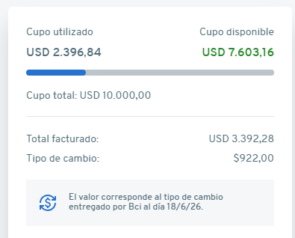

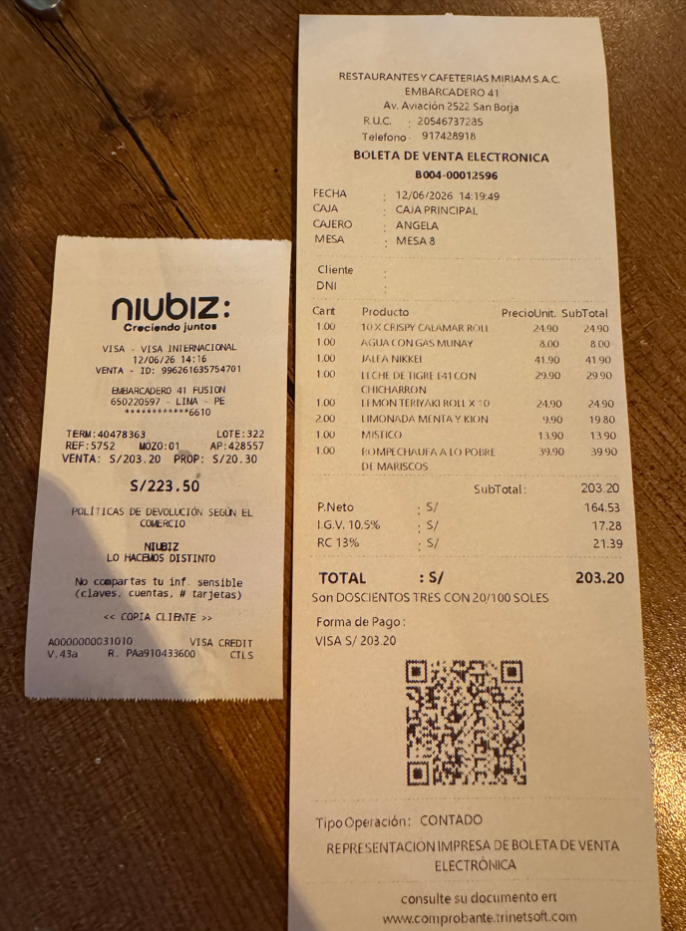

PEN -> USD FX
223.5 | 67.41 | 0.30161073826
1

USD -> CLP FX
1 | 922 | 278
0.3016 | X

