Note
DEBIT NOTE

 | Shin Textile Solutions Co.,LTD
 | #801, E&C VENTURE DREAM TOWER II BLDG, 197-10,
 | GURO-3DONG, GURO-GU, SEOUL, KOREA, 152-719

 | Debit Nr: | DN25-0718 |  |  | Date : | 20250123

 | Messer | IMPORT-K(GIOLITE)
 |  | 서울특별시 구로구 구로동 170-5 우림 e-BIZ센터 1차 408호
 |  | 엄준식 대리 010 2597 4035 / 유병욱 팀장 local21@giolite.com / 권지윤 사원 local31@giolite.com(02-2081-9568)

 | Please be informed that you are debited in amount 983837 KRW, - for the below Air cost caused by delay of supplying wappen

 | Prepaid air cost caused by PO24-1231 LBE color wappen delay |  | INDUSTRIAL BANK OF KOREA, GURO DIGITAL BRANCH
 |  |  | 1F, ACE Techno Tower II, 19, DIGITAL-RO 31-GIL, GURO-GU, SEOUL, KOREA
 |  |  | 420-035642-56-00016
 |  |  | SHIN TEXTILE SOLUTIONS CO.,LTD.
 |  |  | IBKOKRSEXXX

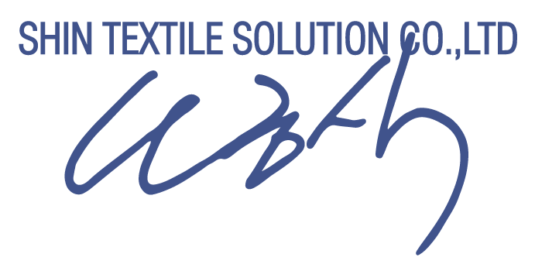

 |  |  |  | Shin Textile Solutions Co.,Ltd.

