Note
DEBIT NOTE

 | Shin Textile Solutions Co.,LTD
 | #801, E&C VENTURE DREAM TOWER II BLDG, 197-10,
 | GURO-3DONG, GURO-GU, SEOUL, KOREA, 152-719

 | Debit Nr: | DN25-1112 |  |  | Date : | 20250729

 | Messer | IMPORT-K(3F INTERNATIONAL)
 |  | 서울특별시 성동구 아차산로15길 52, 삼환디지털벤처타워 8층 804호
 |  | 장한성 부장 010-3544-8786 hs_jang3f@naver.com, 이은정 과장 ej_lee3f@naver.com(010-2734-0657)

 | Please be informed that you are debited in amount 14781606 KRW, - for the below 24FW FILA KIDS 단가 네고 건

 | 24FW FILA KIDS 단가 네고 상계 건 |  | INDUSTRIAL BANK OF KOREA, GURO DIGITAL BRANCH
 |  |  | 1F, ACE Techno Tower II, 19, DIGITAL-RO 31-GIL, GURO-GU, SEOUL, KOREA
 |  |  | 420-035642-56-00016
 |  |  | SHIN TEXTILE SOLUTIONS CO.,LTD.
 |  |  | IBKOKRSEXXX

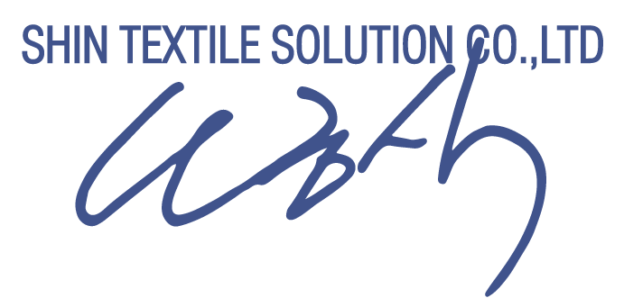

 |  |  |  | Shin Textile Solutions Co.,Ltd.

