PAYMENT REQUEST
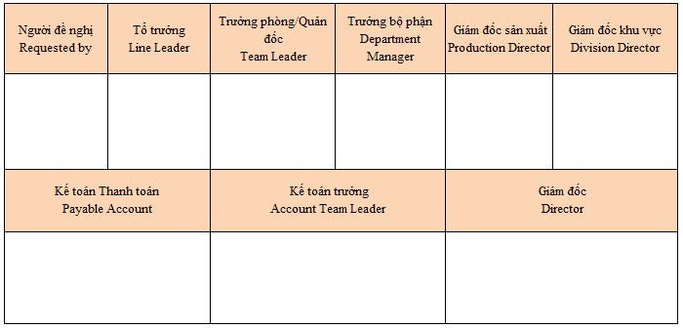
 |  |  | PAYMENT REQUEST
Bộ phận (Dept): Purchasing
Nội dung, mục đích ( purpose):Making payment for ordering Carton box-FACTORY(UNI PACK-FREE)

No | Content | Supplier |  |  | Currency | Amount | Remark
1 | Payment in Aug-2025 | FACTORY(UNI PACK-FREE) |  |  | VND | 84,863,930 | 2025-09-01
Tổng cộng (Total) |  |  |  |  |  | 84,863,930

 |  |  |  | Ngày (Date) 30 Tháng (Month) 8 Năm (Year) 2025

