Note
DEBIT NOTE

 | SHINTS ETP GARMENT PLC
 | BOLE LEMI INDUSTRY PARK, BOLE LEMI,
 | BOLE SUB-CITY, WOREDA 11, ADDIS ABABA ETHIOPIA

 | Debit Nr: |  | Date :

 | Messer

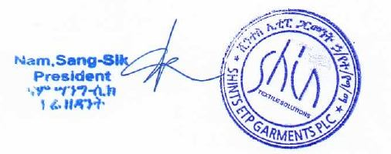

 |  | SHINTS ETP GARMENT PLC

