MAIN ORDER
PROFORMA INVOICE

Shin Textile Solutions Co.,LTD |  |  |  |  |  |  | 1 of 1 page
#801, E&C VENTURE DREAM TOWER II
55, DIGITAL-RO 33-GIL, GURO-GU, SEOUL, KOREA

Contract No. : |  |  |  |  |  |  | Date:

Messers :

PO# | Order Cd | STYLE | Q'ty |  | Unit Price | Total Amount | Expected
 |  |  |  |  | (USD/pc) | (USD) | Ex Factory Date
 |  |  |  |  |  | 0.00
 |  |  |  |  |  | 0.00
TOTAL |  |  | - | PCS |  | 0.00

 |  | 1) Price term :
 |  | 2) Destination:
 |  | 3) Consignee &
 |  | Notify

 |  | 4) Loading port :
 |  | 5) Insurance : | To be covered by buyer
 |  | 6) Packing | Export standard packing
 |  | 7) Payment by
 |  | 8) Bank Details | Bank : |  | KOREA EXCHANGE BANK
 |  |  |  |  | ITAEWON BRANCH
 |  |  |  |  | 172-2 ITAEWON-DONG, YONGSAN-KU, SEOUL, KOREA
 |  |  | Account Name : |  | SHIN TEXTILE SOLUTIONS CO., LTD.
 |  |  | Account No. : |  | 089 - JSD - 104497 - 4
 |  |  | Swift Code : |  | SWIFT CODE : KOEXKRSE
 |  | 9) Following clauses are required to be mentioned at L/C

**Pls kindly note bank charge for applicant and intermediary for the amount less than U$1,000 should be on your account .

We are seller hereby confirm the above order from you as buyer for the goods mentioned above on the terms and
conditions as stated. Please signify your confirmation of the order and acceptance of the terms and conditions
here of by signing and returning duplicate copy this sales contract to us immediately. If you find anything contained
here not in order, pls let us know immediately by fax or e-mail. If you do not return the signed duplicate copy of the
sales contact within 14 days of the date of sales contract, you shall be deemed to have confirmed the order and
accepted the terms and conditions set here in.

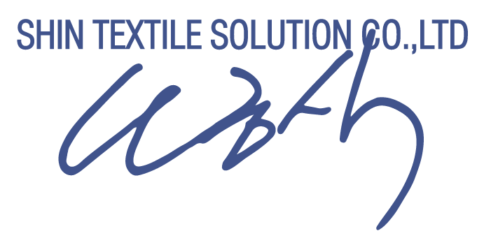
Confirmed and accepted by

 |  |  |  |  | Shin Textile Solutions Co.,LTD | SHIN TEXTILE SOLUTIONS CO.,LTD

