Test
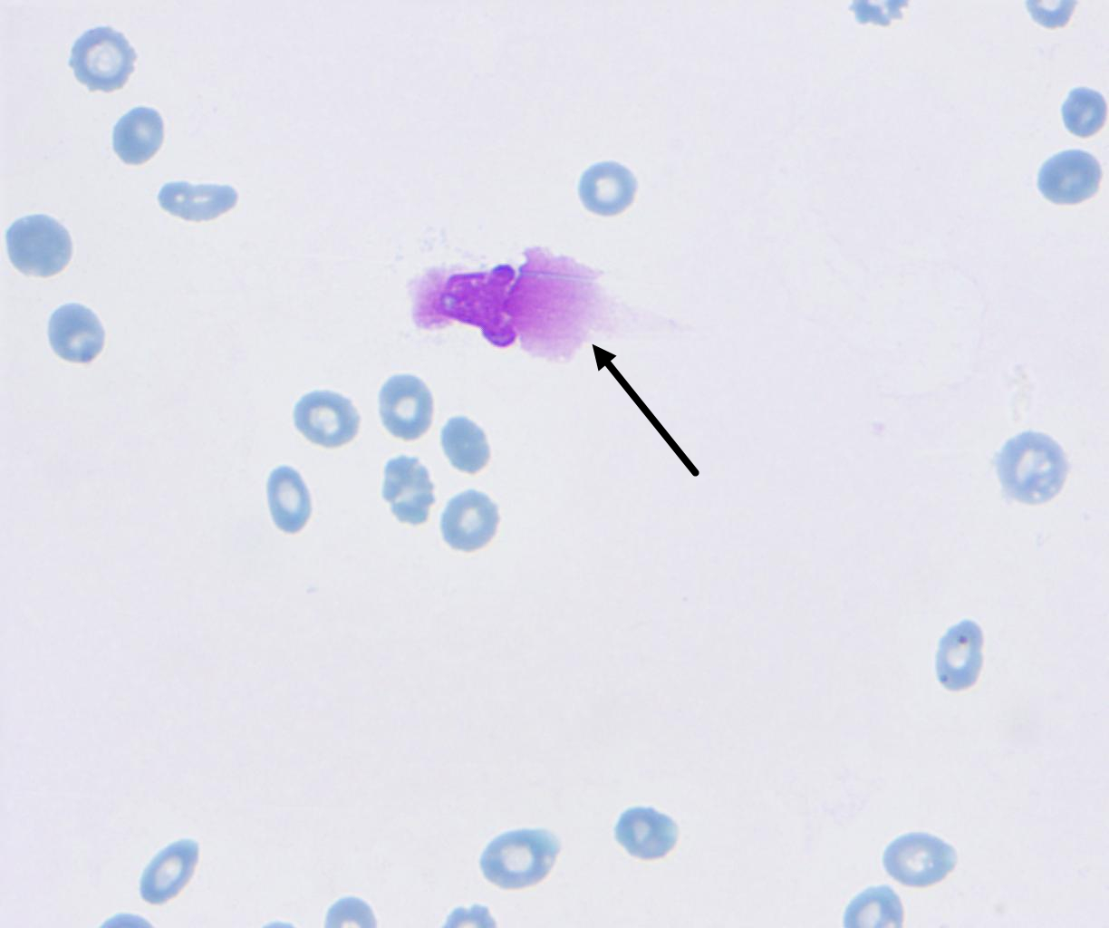
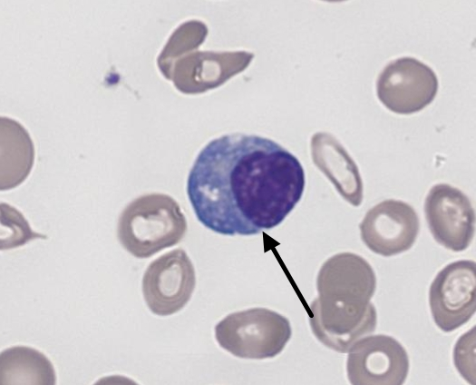
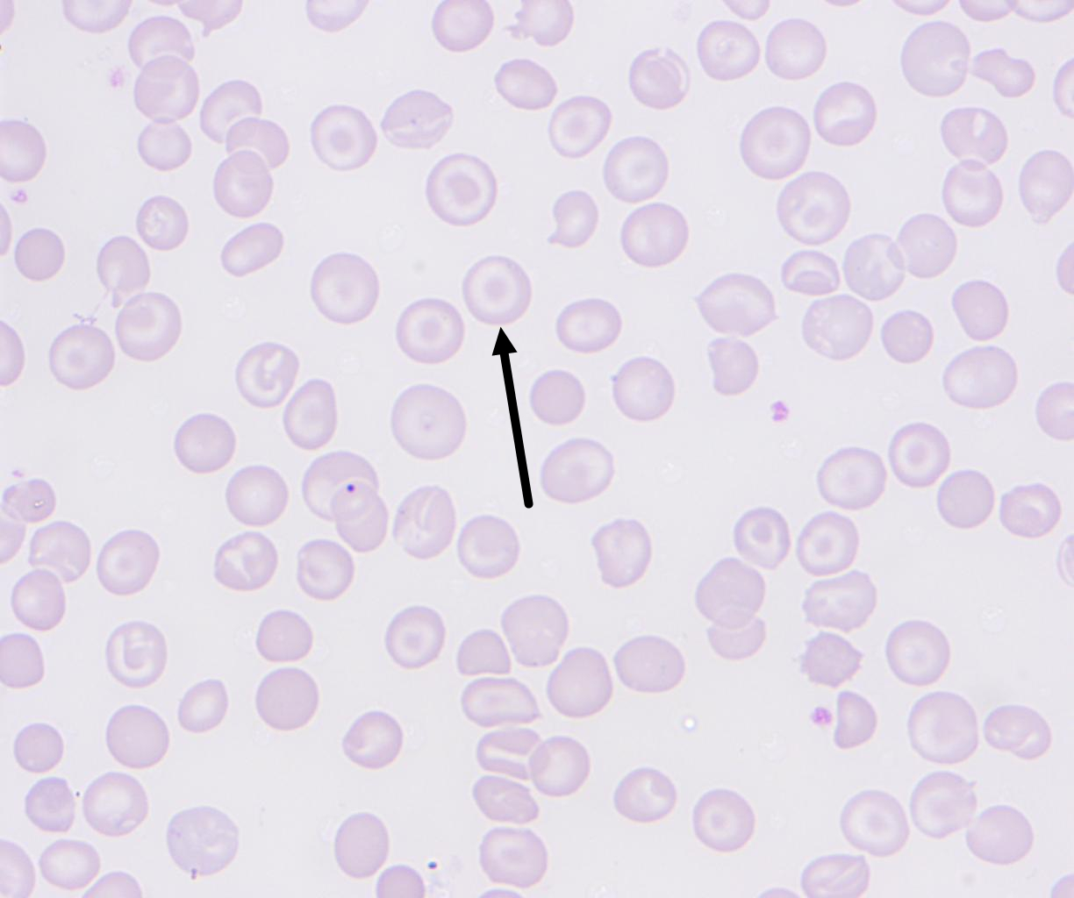
Question 6 | /uploads/images/20260411_2c0d7af33adb45e499ee8b6a1bf8ee8b.jpg
Question 5 | /uploads/images/20260411_fbaa757fc492434f9c5799841301d8a9.jpg
Question 4 | /uploads/images/20260411_88ff16ea18474262b4d896b7dea89c6f.jpg

