Activity_M_No
ACTIVITY_M_NO_M1 (Coarse Binning) |  |  |  |  |  |  |  |  |  | ACTIVITY_M_NO_M1 (Fine Binning)

Label (Coarse) | Group | Total | Bad | Good | Percent | Bad Rate | Good Rate | WoE | IV | Label (Fine) | Group | Total | Bad | Good | Percent | Bad Rate | Good Rate | WoE | IV
[01] (-INF, 0] | 1 | 218 | 101 | 117 | 5.46% | 46.33% | 53.67% | -2.615 | 1.033 | [01] (-INF, 0] | 1 | 218 | 101 | 117 | 5.46% | 46.33% | 53.67% | -2.615 | 1.033
[02] (0, 6] | 2 | 194 | 41 | 153 | 4.86% | 21.13% | 78.87% | -1.445 | 0.191 | [02] (0, 6] | 2 | 194 | 41 | 153 | 4.86% | 21.13% | 78.87% | -1.445 | 0.191
[03] (6, 11] | 3 | 205 | 19 | 186 | 5.14% | 9.27% | 90.73% | -0.481 | 0.015 | [03] (6, 26] | 3 | 805 | 52 | 753 | 20.18% | 6.46% | 93.54% | -0.089 | 0.002
[04] (11, 16] | 3 | 206 | 11 | 195 | 5.16% | 5.34% | 94.66% | 0.113 | 0.001 | [04] (26, 51] | 4 | 797 | 24 | 773 | 19.97% | 3.01% | 96.99% | 0.71 | 0.074
[05] (16, 21] | 3 | 191 | 12 | 179 | 4.79% | 6.28% | 93.72% | -0.06 | 0 | [05] (51 , +INF) | 5 | 1,976 | 19 | 1,957 | 49.52% | 0.96% | 99.04% | 1.872 | 0.826
[06] (21, 26] | 3 | 203 | 10 | 193 | 5.09% | 4.93% | 95.07% | 0.198 | 0.002 | TOTAL |  | 3,990 | 237 | 3,753 | 100.00% | 5.94% | 94.06% |  | 2.126
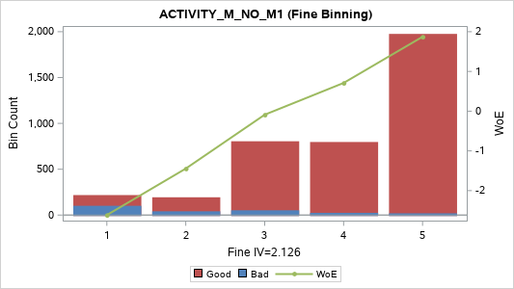
[07] (26, 31] | 4 | 195 | 5 | 190 | 4.89% | 2.56% | 97.44% | 0.875 | 0.026
[08] (31, 37] | 4 | 198 | 8 | 190 | 4.96% | 4.04% | 95.96% | 0.405 | 0.007
[09] (37, 43] | 4 | 192 | 5 | 187 | 4.81% | 2.60% | 97.40% | 0.859 | 0.025
[10] (43, 51] | 4 | 212 | 6 | 206 | 5.31% | 2.83% | 97.17% | 0.774 | 0.023
[11] (51, 58] | 5 | 193 | 2 | 191 | 4.84% | 1.04% | 98.96% | 1.797 | 0.076
[12] (58, 66] | 5 | 199 | 2 | 197 | 4.99% | 1.01% | 98.99% | 1.828 | 0.081
[13] (66, 75] | 5 | 199 | 3 | 196 | 4.99% | 1.51% | 98.49% | 1.417 | 0.056
[14] (75, 85] | 5 | 189 | 0 | 189 | 4.74% | 0.00% | 100.00% | 3.175 | 0.16
[15] (85, 100] | 5 | 206 | 1 | 205 | 5.16% | 0.49% | 99.51% | 2.561 | 0.129
[16] (100, 117] | 5 | 192 | 1 | 191 | 4.81% | 0.52% | 99.48% | 2.49 | 0.116
[17] (117, 140] | 5 | 203 | 2 | 201 | 5.09% | 0.99% | 99.01% | 1.848 | 0.083
[18] (140, 179] | 5 | 197 | 1 | 196 | 4.94% | 0.51% | 99.49% | 2.516 | 0.121
[19] (179, 252] | 5 | 199 | 3 | 196 | 4.99% | 1.51% | 98.49% | 1.417 | 0.056
[20] (252 , +INF) | 5 | 199 | 4 | 195 | 4.99% | 2.01% | 97.99% | 1.124 | 0.039
TOTAL |  | 3,990 | 237 | 3,753 | 100.00% | 5.94% | 94.06% |  | 2.239

ACTIVITY_M_NO_MAX_C3 (Coarse Binning) |  |  |  |  |  |  |  |  |  | ACTIVITY_M_NO_MAX_C3 (Fine Binning)

Label (Coarse) | Group | Total | Bad | Good | Percent | Bad Rate | Good Rate | WoE | IV | Label (Fine) | Group | Total | Bad | Good | Percent | Bad Rate | Good Rate | WoE | IV
[01] (-INF, 14] | 1 | 215 | 46 | 169 | 5.39% | 21.40% | 78.60% | -1.461 | 0.218 | [01] (-INF, 14] | 1 | 215 | 46 | 169 | 5.39% | 21.40% | 78.60% | -1.461 | 0.218
[02] (14, 22] | 2 | 188 | 27 | 161 | 4.71% | 14.36% | 85.64% | -0.977 | 0.069 | [02] (14, 22] | 2 | 188 | 27 | 161 | 4.71% | 14.36% | 85.64% | -0.977 | 0.069
[03] (22, 30] | 3 | 197 | 14 | 183 | 4.94% | 7.11% | 92.89% | -0.192 | 0.002 | [03] (22, 61] | 3 | 1,004 | 84 | 920 | 25.16% | 8.37% | 91.63% | -0.369 | 0.04
[04] (30, 38] | 3 | 225 | 22 | 203 | 5.64% | 9.78% | 90.22% | -0.54 | 0.021 | [04] (61 , +INF) | 4 | 2,583 | 80 | 2,503 | 64.74% | 3.10% | 96.90% | 0.681 | 0.224
[05] (38, 46] | 3 | 193 | 15 | 178 | 4.84% | 7.77% | 92.23% | -0.289 | 0.005 | TOTAL |  | 3,990 | 237 | 3,753 | 100.00% | 5.94% | 94.06% |  | 0.552
[06] (46, 54] | 3 | 202 | 21 | 181 | 5.06% | 10.40% | 89.60% | -0.608 | 0.025
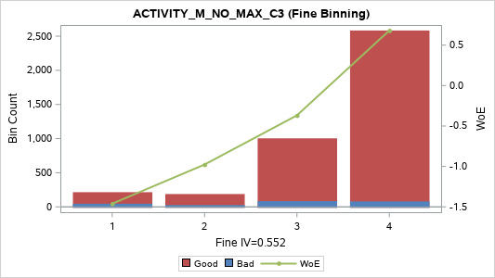
[07] (54, 61] | 3 | 187 | 12 | 175 | 4.69% | 6.42% | 93.58% | -0.082 | 0
[08] (61, 70] | 4 | 222 | 11 | 211 | 5.56% | 4.95% | 95.05% | 0.192 | 0.002
[09] (70, 78] | 4 | 168 | 3 | 165 | 4.21% | 1.79% | 98.21% | 1.245 | 0.039
[10] (78, 88] | 4 | 219 | 9 | 210 | 5.49% | 4.11% | 95.89% | 0.388 | 0.007
[11] (88, 100] | 4 | 203 | 9 | 194 | 5.09% | 4.43% | 95.57% | 0.308 | 0.004
[12] (100, 112] | 4 | 188 | 7 | 181 | 4.71% | 3.72% | 96.28% | 0.49 | 0.009
[13] (112, 126] | 5 | 197 | 3 | 194 | 4.94% | 1.52% | 98.48% | 1.407 | 0.055
[14] (126, 143] | 5 | 193 | 3 | 190 | 4.84% | 1.55% | 98.45% | 1.386 | 0.053
[15] (143, 166] | 5 | 208 | 9 | 199 | 5.21% | 4.33% | 95.67% | 0.334 | 0.005
[16] (166, 192] | 5 | 189 | 4 | 185 | 4.74% | 2.12% | 97.88% | 1.072 | 0.035
[17] (192, 224] | 5 | 205 | 7 | 198 | 5.14% | 3.41% | 96.59% | 0.58 | 0.013
[18] (224, 283] | 5 | 192 | 7 | 185 | 4.81% | 3.65% | 96.35% | 0.512 | 0.01
[19] (283, 383] | 5 | 201 | 3 | 198 | 5.04% | 1.49% | 98.51% | 1.427 | 0.057
[20] (383 , +INF) | 5 | 198 | 5 | 193 | 4.96% | 2.53% | 97.47% | 0.891 | 0.027
TOTAL |  | 3,990 | 237 | 3,753 | 100.00% | 5.94% | 94.06% |  | 0.656

ACTIVITY_M_NO_MIN_C3 (Coarse Binning) |  |  |  |  |  |  |  |  |  | ACTIVITY_M_NO_MIN_C3 (Fine Binning)

Label (Coarse) | Group | Total | Bad | Good | Percent | Bad Rate | Good Rate | WoE | IV | Label (Fine) | Group | Total | Bad | Good | Percent | Bad Rate | Good Rate | WoE | IV
[1] (-INF, 0] | 1 | 2,635 | 203 | 2,432 | 66.04% | 7.70% | 92.30% | -0.279 | 0.058 | [1] (-INF, 6] | 1 | 2,805 | 214 | 2,591 | 70.30% | 7.63% | 92.37% | -0.268 | 0.057
[2] (0, 6] | 2 | 170 | 11 | 159 | 4.26% | 6.47% | 93.53% | -0.091 | 0 | [2] (6, 22] | 2 | 410 | 17 | 393 | 10.28% | 4.15% | 95.85% | 0.378 | 0.012
[3] (6, 13] | 3 | 196 | 9 | 187 | 4.91% | 4.59% | 95.41% | 0.272 | 0.003 | [3] (22 , +INF) | 3 | 775 | 6 | 769 | 19.42% | 0.77% | 99.23% | 2.091 | 0.376
[4] (13, 22] | 3 | 214 | 8 | 206 | 5.36% | 3.74% | 96.26% | 0.486 | 0.01 | TOTAL |  | 3,990 | 237 | 3,753 | 100.00% | 5.94% | 94.06% |  | 0.445
[5] (22, 31] | 4 | 177 | 1 | 176 | 4.44% | 0.56% | 99.44% | 2.408 | 0.103
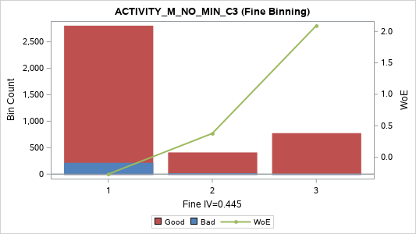
[6] (31, 46] | 4 | 213 | 3 | 210 | 5.34% | 1.41% | 98.59% | 1.486 | 0.064
[7] (46, 74] | 5 | 189 | 0 | 189 | 4.74% | 0.00% | 100.00% | 3.175 | 0.16
[8] (74 , +INF) | 5 | 196 | 2 | 194 | 4.91% | 1.02% | 98.98% | 1.812 | 0.078
TOTAL |  | 3,990 | 237 | 3,753 | 100.00% | 5.94% | 94.06% |  | 0.477

ACTIVITY_M_NO_SUM_C3 (Coarse Binning) |  |  |  |  |  |  |  |  |  | ACTIVITY_M_NO_SUM_C3 (Fine Binning)

Label (Coarse) | Group | Total | Bad | Good | Percent | Bad Rate | Good Rate | WoE | IV | Label (Fine) | Group | Total | Bad | Good | Percent | Bad Rate | Good Rate | WoE | IV
[01] (-INF, 16] | 1 | 204 | 42 | 162 | 5.11% | 20.59% | 79.41% | -1.412 | 0.189 | [01] (-INF, 59] | 1 | 1,004 | 136 | 868 | 25.16% | 13.55% | 86.45% | -0.909 | 0.311
[02] (16, 27] | 2 | 204 | 29 | 175 | 5.11% | 14.22% | 85.78% | -0.965 | 0.073 | [02] (59, 164] | 2 | 1,394 | 67 | 1,327 | 34.94% | 4.81% | 95.19% | 0.224 | 0.016
[03] (27, 37] | 2 | 190 | 16 | 174 | 4.76% | 8.42% | 91.58% | -0.376 | 0.008 | [03] (164 , +INF) | 3 | 1,592 | 34 | 1,558 | 39.90% | 2.14% | 97.86% | 1.063 | 0.289
[04] (37, 49] | 2 | 210 | 28 | 182 | 5.26% | 13.33% | 86.67% | -0.89 | 0.062 | TOTAL |  | 3,990 | 237 | 3,753 | 100.00% | 5.94% | 94.06% |  | 0.616
[05] (49, 59] | 2 | 196 | 21 | 175 | 4.91% | 10.71% | 89.29% | -0.642 | 0.027
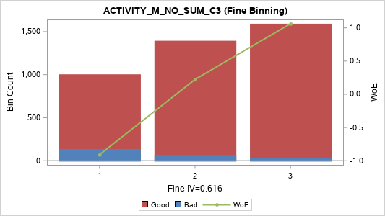
[06] (59, 69] | 3 | 195 | 12 | 183 | 4.89% | 6.15% | 93.85% | -0.038 | 0
[07] (69, 82] | 3 | 215 | 11 | 204 | 5.39% | 5.12% | 94.88% | 0.158 | 0.001
[08] (82, 95] | 3 | 184 | 4 | 180 | 4.61% | 2.17% | 97.83% | 1.044 | 0.032
[09] (95, 109] | 3 | 198 | 17 | 181 | 4.96% | 8.59% | 91.41% | -0.397 | 0.009
[10] (109, 126] | 4 | 200 | 6 | 194 | 5.01% | 3.00% | 97.00% | 0.714 | 0.019
[11] (126, 143] | 4 | 204 | 7 | 197 | 5.11% | 3.43% | 96.57% | 0.575 | 0.013
[12] (143, 164] | 4 | 198 | 10 | 188 | 4.96% | 5.05% | 94.95% | 0.172 | 0.001
[13] (164, 186] | 5 | 197 | 3 | 194 | 4.94% | 1.52% | 98.48% | 1.407 | 0.055
[14] (186, 213] | 5 | 199 | 4 | 195 | 4.99% | 2.01% | 97.99% | 1.124 | 0.039
[15] (213, 244] | 5 | 200 | 7 | 193 | 5.01% | 3.50% | 96.50% | 0.555 | 0.012
[16] (244, 284] | 5 | 202 | 5 | 197 | 5.06% | 2.48% | 97.52% | 0.912 | 0.029
[17] (284, 339] | 5 | 202 | 3 | 199 | 5.06% | 1.49% | 98.51% | 1.432 | 0.058
[18] (339, 426] | 5 | 193 | 4 | 189 | 4.84% | 2.07% | 97.93% | 1.093 | 0.037
[19] (426, 590] | 5 | 200 | 1 | 199 | 5.01% | 0.50% | 99.50% | 2.531 | 0.124
[20] (590 , +INF) | 5 | 199 | 7 | 192 | 4.99% | 3.52% | 96.48% | 0.549 | 0.012
TOTAL |  | 3,990 | 237 | 3,753 | 100.00% | 5.94% | 94.06% |  | 0.801

ACTIVITY_M_NO_AVG_C3 (Coarse Binning) |  |  |  |  |  |  |  |  |  | ACTIVITY_M_NO_AVG_C3 (Fine Binning)

Label (Coarse) | Group | Total | Bad | Good | Percent | Bad Rate | Good Rate | WoE | IV | Label (Fine) | Group | Total | Bad | Good | Percent | Bad Rate | Good Rate | WoE | IV
[01] (-INF, 5.3333] | 1 | 186 | 42 | 144 | 4.66% | 22.58% | 77.42% | -1.53 | 0.212 | [01] (-INF, 5.3333] | 1 | 186 | 42 | 144 | 4.66% | 22.58% | 77.42% | -1.53 | 0.212
[02] (5.3333, 9.0000] | 2 | 222 | 29 | 193 | 5.56% | 13.06% | 86.94% | -0.867 | 0.061 | [02] (5.3333, 19.6667] | 2 | 818 | 94 | 724 | 20.50% | 11.49% | 88.51% | -0.721 | 0.147
[03] (9.0000, 12.3333] | 2 | 165 | 14 | 151 | 4.14% | 8.48% | 91.52% | -0.384 | 0.007 | [03] (19.6667, 54.6667] | 3 | 1,394 | 67 | 1,327 | 34.94% | 4.81% | 95.19% | 0.224 | 0.016
[04] (12.3333, 16.3333] | 2 | 221 | 27 | 194 | 5.54% | 12.22% | 87.78% | -0.79 | 0.049 | [04] (54.6667 , +INF) | 4 | 1,592 | 34 | 1,558 | 39.90% | 2.14% | 97.86% | 1.063 | 0.289
[05] (16.3333, 19.6667] | 2 | 210 | 24 | 186 | 5.26% | 11.43% | 88.57% | -0.715 | 0.037 | TOTAL |  | 3,990 | 237 | 3,753 | 100.00% | 5.94% | 94.06% |  | 0.664
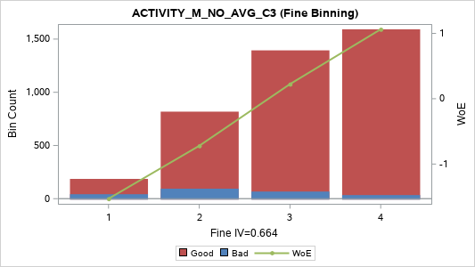
[06] (19.6667, 23.0000] | 3 | 195 | 12 | 183 | 4.89% | 6.15% | 93.85% | -0.038 | 0
[07] (23.0000, 27.3333] | 3 | 195 | 9 | 186 | 4.89% | 4.62% | 95.38% | 0.266 | 0.003
[08] (27.3333, 31.6667] | 3 | 204 | 6 | 198 | 5.11% | 2.94% | 97.06% | 0.734 | 0.02
[09] (31.6667, 36.3333] | 3 | 180 | 15 | 165 | 4.51% | 8.33% | 91.67% | -0.364 | 0.007
[10] (36.3333, 42.0000] | 4 | 218 | 8 | 210 | 5.46% | 3.67% | 96.33% | 0.505 | 0.011
[11] (42.0000, 47.6667] | 4 | 204 | 7 | 197 | 5.11% | 3.43% | 96.57% | 0.575 | 0.013
[12] (47.6667, 54.6667] | 4 | 198 | 10 | 188 | 4.96% | 5.05% | 94.95% | 0.172 | 0.001
[13] (54.6667, 62.0000] | 5 | 197 | 3 | 194 | 4.94% | 1.52% | 98.48% | 1.407 | 0.055
[14] (62.0000, 71.0000] | 5 | 199 | 4 | 195 | 4.99% | 2.01% | 97.99% | 1.124 | 0.039
[15] (71.0000, 81.3333] | 5 | 197 | 7 | 190 | 4.94% | 3.55% | 96.45% | 0.539 | 0.011
[16] (81.3333, 94.6667] | 5 | 205 | 5 | 200 | 5.14% | 2.44% | 97.56% | 0.927 | 0.03
[17] (94.6667, 113.0000] | 5 | 202 | 3 | 199 | 5.06% | 1.49% | 98.51% | 1.432 | 0.058
[18] (113.0000, 142.0000] | 5 | 193 | 4 | 189 | 4.84% | 2.07% | 97.93% | 1.093 | 0.037
[19] (142.0000, 196.6667] | 5 | 200 | 1 | 199 | 5.01% | 0.50% | 99.50% | 2.531 | 0.124
[20] (196.6667 , +INF) | 5 | 199 | 7 | 192 | 4.99% | 3.52% | 96.48% | 0.549 | 0.012
TOTAL |  | 3,990 | 237 | 3,753 | 100.00% | 5.94% | 94.06% |  | 0.789

ACTIVITY_M_NO_VAR_C3 (Coarse Binning) |  |  |  |  |  |  |  |  |  | ACTIVITY_M_NO_VAR_C3 (Fine Binning)

Label (Coarse) | Group | Total | Bad | Good | Percent | Bad Rate | Good Rate | WoE | IV | Label (Fine) | Group | Total | Bad | Good | Percent | Bad Rate | Good Rate | WoE | IV
[01] (-INF, 40.3333] | 1 | 193 | 37 | 156 | 4.84% | 19.17% | 80.83% | -1.323 | 0.152 | [01] (-INF, 40.3333] | 1 | 193 | 37 | 156 | 4.84% | 19.17% | 80.83% | -1.323 | 0.152
[02] (40.3333, 108.0000] | 2 | 218 | 20 | 198 | 5.46% | 9.17% | 90.83% | -0.47 | 0.015 | [02] (40.3333, 182.3333] | 2 | 403 | 44 | 359 | 10.10% | 10.92% | 89.08% | -0.663 | 0.06
[03] (108.0000, 182.3333] | 2 | 185 | 24 | 161 | 4.64% | 12.97% | 87.03% | -0.859 | 0.05 | [03] (182.3333, 1,359.0000] | 3 | 1,199 | 88 | 1,111 | 30.05% | 7.34% | 92.66% | -0.227 | 0.017
[04] (182.3333, 292.3333] | 3 | 201 | 12 | 189 | 5.04% | 5.97% | 94.03% | -0.005 | 0 | [04] (1,359.0000 , +INF) | 4 | 2,195 | 68 | 2,127 | 55.01% | 3.10% | 96.90% | 0.681 | 0.19
[05] (292.3333, 416.3333] | 3 | 197 | 17 | 180 | 4.94% | 8.63% | 91.37% | -0.403 | 0.01 | TOTAL |  | 3,990 | 237 | 3,753 | 100.00% | 5.94% | 94.06% |  | 0.419
[06] (416.3333, 588.0000] | 3 | 210 | 19 | 191 | 5.26% | 9.05% | 90.95% | -0.454 | 0.013
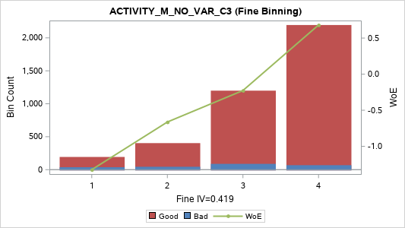
[07] (588.0000, 800.3333] | 3 | 191 | 12 | 179 | 4.79% | 6.28% | 93.72% | -0.06 | 0
[08] (800.3333, 1,045.3333] | 3 | 200 | 17 | 183 | 5.01% | 8.50% | 91.50% | -0.386 | 0.009
[09] (1,045.3333, 1,359.0000] | 4 | 200 | 11 | 189 | 5.01% | 5.50% | 94.50% | 0.082 | 0
[10] (1,359.0000, 1,689.3333] | 5 | 199 | 5 | 194 | 4.99% | 2.51% | 97.49% | 0.896 | 0.027
[11] (1,689.3333, 2,187.0000] | 5 | 206 | 4 | 202 | 5.16% | 1.94% | 98.06% | 1.16 | 0.043
[12] (2,187.0000, 2,800.0000] | 5 | 194 | 8 | 186 | 4.86% | 4.12% | 95.88% | 0.384 | 0.006
[13] (2,800.0000, 3,616.3333] | 5 | 198 | 10 | 188 | 4.96% | 5.05% | 94.95% | 0.172 | 0.001
[14] (3,616.3333, 4,683.0000] | 5 | 201 | 4 | 197 | 5.04% | 1.99% | 98.01% | 1.135 | 0.04
[15] (4,683.0000, 6,190.3333] | 5 | 199 | 7 | 192 | 4.99% | 3.52% | 96.48% | 0.549 | 0.012
[16] (6,190.3333, 8,376.3333] | 5 | 199 | 7 | 192 | 4.99% | 3.52% | 96.48% | 0.549 | 0.012
[17] (8,376.3333, 11,992.3333] | 5 | 200 | 3 | 197 | 5.01% | 1.50% | 98.50% | 1.422 | 0.057
[18] (11,992.3333, 17,836.0000] | 5 | 200 | 8 | 192 | 5.01% | 4.00% | 96.00% | 0.416 | 0.007
[19] (17,836.0000, 35,002.3333] | 5 | 199 | 5 | 194 | 4.99% | 2.51% | 97.49% | 0.896 | 0.027
[20] (35,002.3333 , +INF) | 5 | 200 | 7 | 193 | 5.01% | 3.50% | 96.50% | 0.555 | 0.012
TOTAL |  | 3,990 | 237 | 3,753 | 100.00% | 5.94% | 94.06% |  | 0.494

ACTIVITY_M_NO_RNG_C3 (Coarse Binning) |  |  |  |  |  |  |  |  |  | ACTIVITY_M_NO_RNG_C3 (Fine Binning)

Label (Coarse) | Group | Total | Bad | Good | Percent | Bad Rate | Good Rate | WoE | IV | Label (Fine) | Group | Total | Bad | Good | Percent | Bad Rate | Good Rate | WoE | IV
[01] (-INF, 11] | 1 | 199 | 40 | 159 | 4.99% | 20.10% | 79.90% | -1.382 | 0.175 | [01] (-INF, 11] | 1 | 199 | 40 | 159 | 4.99% | 20.10% | 79.90% | -1.382 | 0.175
[02] (11, 19] | 2 | 220 | 19 | 201 | 5.51% | 8.64% | 91.36% | -0.403 | 0.011 | [02] (11, 25] | 2 | 409 | 41 | 368 | 10.25% | 10.02% | 89.98% | -0.568 | 0.043
[03] (19, 25] | 2 | 189 | 22 | 167 | 4.74% | 11.64% | 88.36% | -0.735 | 0.036 | [03] (25, 60] | 3 | 1,016 | 80 | 936 | 25.46% | 7.87% | 92.13% | -0.303 | 0.027
[04] (25, 32] | 3 | 224 | 15 | 209 | 5.61% | 6.70% | 93.30% | -0.128 | 0.001 | [04] (60 , +INF) | 4 | 2,366 | 76 | 2,290 | 59.30% | 3.21% | 96.79% | 0.643 | 0.186
[05] (32, 38] | 3 | 199 | 17 | 182 | 4.99% | 8.54% | 91.46% | -0.391 | 0.009 | TOTAL |  | 3,990 | 237 | 3,753 | 100.00% | 5.94% | 94.06% |  | 0.43
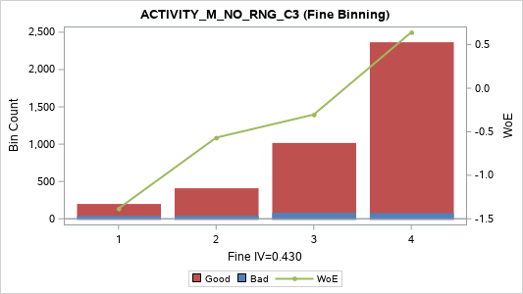
[06] (38, 45] | 3 | 185 | 15 | 170 | 4.64% | 8.11% | 91.89% | -0.335 | 0.006
[07] (45, 52] | 3 | 190 | 17 | 173 | 4.76% | 8.95% | 91.05% | -0.442 | 0.011
[08] (52, 60] | 3 | 218 | 16 | 202 | 5.46% | 7.34% | 92.66% | -0.227 | 0.003
[09] (60, 68] | 4 | 196 | 9 | 187 | 4.91% | 4.59% | 95.41% | 0.272 | 0.003
[10] (68, 76] | 5 | 182 | 3 | 179 | 4.56% | 1.65% | 98.35% | 1.327 | 0.046
[11] (76, 86] | 5 | 205 | 5 | 200 | 5.14% | 2.44% | 97.56% | 0.927 | 0.03
[12] (86, 98] | 5 | 198 | 10 | 188 | 4.96% | 5.05% | 94.95% | 0.172 | 0.001
[13] (98, 111] | 5 | 193 | 8 | 185 | 4.84% | 4.15% | 95.85% | 0.379 | 0.006
[14] (111, 126] | 5 | 195 | 4 | 191 | 4.89% | 2.05% | 97.95% | 1.104 | 0.038
[15] (126, 144] | 5 | 200 | 6 | 194 | 5.01% | 3.00% | 97.00% | 0.714 | 0.019
[16] (144, 171] | 5 | 200 | 7 | 193 | 5.01% | 3.50% | 96.50% | 0.555 | 0.012
[17] (171, 203] | 5 | 199 | 5 | 194 | 4.99% | 2.51% | 97.49% | 0.896 | 0.027
[18] (203, 252] | 5 | 202 | 7 | 195 | 5.06% | 3.47% | 96.53% | 0.565 | 0.013
[19] (252, 346] | 5 | 197 | 5 | 192 | 4.94% | 2.54% | 97.46% | 0.886 | 0.027
[20] (346 , +INF) | 5 | 199 | 7 | 192 | 4.99% | 3.52% | 96.48% | 0.549 | 0.012
TOTAL |  | 3,990 | 237 | 3,753 | 100.00% | 5.94% | 94.06% |  | 0.485

ACTIVITY_M_NO_CRR_C3 (Coarse Binning) |  |  |  |  |  |  |  |  |  | ACTIVITY_M_NO_CRR_C3 (Fine Binning)

Label (Coarse) | Group | Total | Bad | Good | Percent | Bad Rate | Good Rate | WoE | IV | Label (Fine) | Group | Total | Bad | Good | Percent | Bad Rate | Good Rate | WoE | IV
[01] (-INF, -0.9814] | 1 | 199 | 5 | 194 | 4.99% | 2.51% | 97.49% | 0.896 | 0.027 | [01] (-INF, -0.1181] | 1 | 2,792 | 83 | 2,709 | 69.97% | 2.97% | 97.03% | 0.723 | 0.269
[02] (-0.9814, -0.9131] | 1 | 199 | 2 | 197 | 4.99% | 1.01% | 98.99% | 1.828 | 0.081 | [02] (-0.1181 , +INF) | 2 | 1,198 | 154 | 1,044 | 30.03% | 12.85% | 87.15% | -0.848 | 0.315
[03] (-0.9131, -0.8660] | 2 | 1,353 | 41 | 1,312 | 33.91% | 3.03% | 96.97% | 0.703 | 0.124 | TOTAL |  | 3,990 | 237 | 3,753 | 100.00% | 5.94% | 94.06% |  | 0.584
[04] (-0.8660, -0.8304] | 2 | 43 | 0 | 43 | 1.08% | 0.00% | 100.00% | 1.704 | 0.02
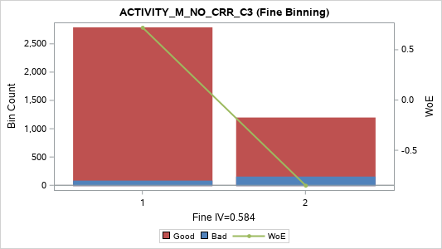
[05] (-0.8304, -0.6706] | 2 | 201 | 5 | 196 | 5.04% | 2.49% | 97.51% | 0.906 | 0.028
[06] (-0.6706, -0.5000] | 2 | 210 | 7 | 203 | 5.26% | 3.33% | 96.67% | 0.605 | 0.015
[07] (-0.5000, -0.3592] | 3 | 189 | 8 | 181 | 4.74% | 4.23% | 95.77% | 0.357 | 0.005
[08] (-0.3592, -0.2362] | 3 | 200 | 7 | 193 | 5.01% | 3.50% | 96.50% | 0.555 | 0.012
[09] (-0.2362, -0.1181] | 3 | 198 | 8 | 190 | 4.96% | 4.04% | 95.96% | 0.405 | 0.007
[10] (-0.1181, 0.0000] | 4 | 228 | 34 | 194 | 5.71% | 14.91% | 85.09% | -1.021 | 0.094
[11] (0.0000, 0.2884] | 4 | 171 | 13 | 158 | 4.29% | 7.60% | 92.40% | -0.265 | 0.003
[12] (0.2884, 0.6547] | 4 | 204 | 13 | 191 | 5.11% | 6.37% | 93.63% | -0.075 | 0
[13] (0.6547, 0.8660] | 4 | 188 | 20 | 168 | 4.71% | 10.64% | 89.36% | -0.634 | 0.025
[14] (0.8660, 0.9474] | 5 | 207 | 55 | 152 | 5.19% | 26.57% | 73.43% | -1.746 | 0.334
[15] (0.9474 , +INF) | 5 | 200 | 19 | 181 | 5.01% | 9.50% | 90.50% | -0.508 | 0.016
TOTAL |  | 3,990 | 237 | 3,753 | 100.00% | 5.94% | 94.06% |  | 0.792

ACTIVITY_M_NO_SLP_C3 (Coarse Binning) |  |  |  |  |  |  |  |  |  | ACTIVITY_M_NO_SLP_C3 (Fine Binning)

Label (Coarse) | Group | Total | Bad | Good | Percent | Bad Rate | Good Rate | WoE | IV | Label (Fine) | Group | Total | Bad | Good | Percent | Bad Rate | Good Rate | WoE | IV
[01] (-INF, -114.0] | 1 | 199 | 5 | 194 | 4.99% | 2.51% | 97.49% | 0.896 | 0.027 | [01] (-INF, -25.0] | 1 | 1,602 | 18 | 1,584 | 40.15% | 1.12% | 98.88% | 1.715 | 0.594
[02] (-114.0, -79.5] | 1 | 200 | 1 | 199 | 5.01% | 0.50% | 99.50% | 2.531 | 0.124 | [02] (-25.0, -6.5] | 2 | 1,004 | 34 | 970 | 25.16% | 3.39% | 96.61% | 0.589 | 0.068
[03] (-79.5, -61.5] | 1 | 201 | 3 | 198 | 5.04% | 1.49% | 98.51% | 1.427 | 0.057 | [03] (-6.5 , +INF) | 3 | 1,384 | 185 | 1,199 | 34.69% | 13.37% | 86.63% | -0.893 | 0.412
[04] (-61.5, -50.0] | 1 | 200 | 1 | 199 | 5.01% | 0.50% | 99.50% | 2.531 | 0.124 | TOTAL |  | 3,990 | 237 | 3,753 | 100.00% | 5.94% | 94.06% |  | 1.073
[05] (-50.0, -41.5] | 1 | 199 | 1 | 198 | 4.99% | 0.50% | 99.50% | 2.526 | 0.123
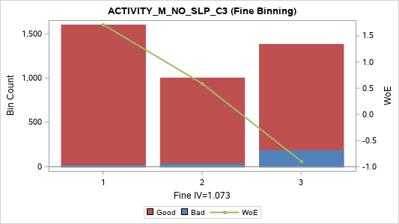
[06] (-41.5, -34.5] | 1 | 220 | 2 | 218 | 5.51% | 0.91% | 99.09% | 1.929 | 0.096
[07] (-34.5, -29.5] | 1 | 192 | 3 | 189 | 4.81% | 1.56% | 98.44% | 1.381 | 0.052
[08] (-29.5, -25.0] | 1 | 191 | 2 | 189 | 4.79% | 1.05% | 98.95% | 1.786 | 0.075
[09] (-25.0, -20.0] | 2 | 198 | 6 | 192 | 4.96% | 3.03% | 96.97% | 0.703 | 0.018
[10] (-20.0, -16.5] | 2 | 196 | 7 | 189 | 4.91% | 3.57% | 96.43% | 0.534 | 0.011
[11] (-16.5, -12.5] | 2 | 227 | 4 | 223 | 5.69% | 1.76% | 98.24% | 1.259 | 0.054
[12] (-12.5, -10.0] | 3 | 178 | 11 | 167 | 4.46% | 6.18% | 93.82% | -0.042 | 0
[13] (-10.0, -6.5] | 3 | 205 | 6 | 199 | 5.14% | 2.93% | 97.07% | 0.739 | 0.02
[14] (-6.5, -3.0] | 4 | 215 | 19 | 196 | 5.39% | 8.84% | 91.16% | -0.429 | 0.012
[15] (-3.0, 0.0] | 5 | 199 | 46 | 153 | 4.99% | 23.12% | 76.88% | -1.56 | 0.239
[16] (0.0, 6.0] | 5 | 188 | 29 | 159 | 4.71% | 15.43% | 84.57% | -1.061 | 0.085
[17] (6.0, 13.5] | 5 | 188 | 28 | 160 | 4.71% | 14.89% | 85.11% | -1.019 | 0.077
[18] (13.5, 26.5] | 5 | 200 | 24 | 176 | 5.01% | 12.00% | 88.00% | -0.77 | 0.042
[19] (26.5, 49.5] | 5 | 197 | 26 | 171 | 4.94% | 13.20% | 86.80% | -0.879 | 0.056
[20] (49.5 , +INF) | 5 | 197 | 13 | 184 | 4.94% | 6.60% | 93.40% | -0.112 | 0.001
TOTAL |  | 3,990 | 237 | 3,753 | 100.00% | 5.94% | 94.06% |  | 1.292

Activity_M_Date
ACTIVITY_M_DATE_M1 (Coarse Binning) |  |  |  |  |  |  |  |  |  | ACTIVITY_M_DATE_M1 (Fine Binning)

Label (Coarse) | Group | Total | Bad | Good | Percent | Bad Rate | Good Rate | WoE | IV | Label (Fine) | Group | Total | Bad | Good | Percent | Bad Rate | Good Rate | WoE | IV
[01] (-INF, 0] | 1 | 218 | 101 | 117 | 5.46% | 46.33% | 53.67% | -2.615 | 1.033 | [01] (-INF, 0] | 1 | 218 | 101 | 117 | 5.46% | 46.33% | 53.67% | -2.615 | 1.033
[02] (0, 1] | 2 | 243 | 46 | 197 | 6.09% | 18.93% | 81.07% | -1.308 | 0.185 | [02] (0, 1] | 2 | 243 | 46 | 197 | 6.09% | 18.93% | 81.07% | -1.308 | 0.185
[03] (1, 2] | 3 | 345 | 25 | 320 | 8.65% | 7.25% | 92.75% | -0.213 | 0.004 | [03] (1, 4] | 3 | 1,042 | 62 | 980 | 26.12% | 5.95% | 94.05% | -0.002 | 0
[04] (2, 3] | 3 | 353 | 23 | 330 | 8.85% | 6.52% | 93.48% | -0.099 | 0.001 | [04] (4, 9] | 4 | 1,345 | 21 | 1,324 | 33.71% | 1.56% | 98.44% | 1.382 | 0.365
[05] (3, 4] | 3 | 344 | 14 | 330 | 8.62% | 4.07% | 95.93% | 0.398 | 0.011 | [05] (9 , +INF) | 5 | 1,142 | 7 | 1,135 | 28.62% | 0.61% | 99.39% | 2.326 | 0.635
[06] (4, 5] | 4 | 334 | 7 | 327 | 8.37% | 2.10% | 97.90% | 1.082 | 0.062 | TOTAL |  | 3,990 | 237 | 3,753 | 100.00% | 5.94% | 94.06% |  | 2.218
[07] (5, 6] | 4 | 280 | 3 | 277 | 7.02% | 1.07% | 98.93% | 1.763 | 0.108
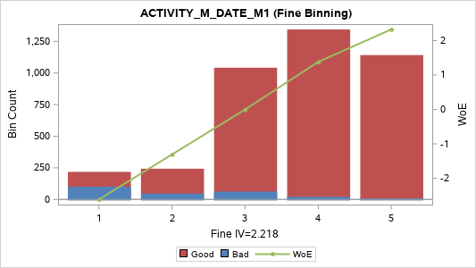
[08] (6, 7] | 4 | 272 | 4 | 268 | 6.82% | 1.47% | 98.53% | 1.442 | 0.079
[09] (7, 8] | 4 | 242 | 2 | 240 | 6.07% | 0.83% | 99.17% | 2.025 | 0.112
[10] (8, 9] | 4 | 217 | 5 | 212 | 5.44% | 2.30% | 97.70% | 0.985 | 0.035
[11] (9, 10] | 5 | 174 | 1 | 173 | 4.36% | 0.57% | 99.43% | 2.391 | 0.1
[12] (10, 12] | 5 | 294 | 1 | 293 | 7.37% | 0.34% | 99.66% | 2.918 | 0.215
[13] (12, 13] | 5 | 111 | 0 | 111 | 2.78% | 0.00% | 100.00% | 2.645 | 0.078
[14] (13, 15] | 5 | 193 | 4 | 189 | 4.84% | 2.07% | 97.93% | 1.093 | 0.037
[15] (15, 18] | 5 | 179 | 1 | 178 | 4.49% | 0.56% | 99.44% | 2.42 | 0.105
[16] (18 , +INF) | 5 | 191 | 0 | 191 | 4.79% | 0.00% | 100.00% | 3.186 | 0.162
TOTAL |  | 3,990 | 237 | 3,753 | 100.00% | 5.94% | 94.06% |  | 2.328

ACTIVITY_M_DATE_MAX_C3 (Coarse Binning) |  |  |  |  |  |  |  |  |  | ACTIVITY_M_DATE_MAX_C3 (Fine Binning)

Label (Coarse) | Group | Total | Bad | Good | Percent | Bad Rate | Good Rate | WoE | IV | Label (Fine) | Group | Total | Bad | Good | Percent | Bad Rate | Good Rate | WoE | IV
[01] (-INF, 2] | 1 | 456 | 89 | 367 | 11.43% | 19.52% | 80.48% | -1.346 | 0.374 | [01] (-INF, 5] | 1 | 1,522 | 182 | 1,340 | 38.15% | 11.96% | 88.04% | -0.766 | 0.315
[02] (2, 3] | 1 | 354 | 45 | 309 | 8.87% | 12.71% | 87.29% | -0.836 | 0.09 | [02] (5, 11] | 2 | 1,546 | 44 | 1,502 | 38.75% | 2.85% | 97.15% | 0.768 | 0.165
[03] (3, 4] | 2 | 352 | 28 | 324 | 8.82% | 7.95% | 92.05% | -0.314 | 0.01 | [03] (11 , +INF) | 3 | 922 | 11 | 911 | 23.11% | 1.19% | 98.81% | 1.654 | 0.325
[04] (4, 5] | 2 | 360 | 20 | 340 | 9.02% | 5.56% | 94.44% | 0.071 | 0 | TOTAL |  | 3,990 | 237 | 3,753 | 100.00% | 5.94% | 94.06% |  | 0.804
[05] (5, 6] | 3 | 313 | 8 | 305 | 7.84% | 2.56% | 97.44% | 0.879 | 0.042
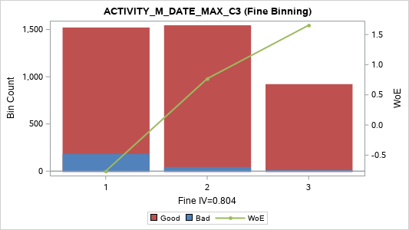
[06] (6, 7] | 3 | 309 | 10 | 299 | 7.74% | 3.24% | 96.76% | 0.636 | 0.024
[07] (7, 8] | 3 | 287 | 8 | 279 | 7.19% | 2.79% | 97.21% | 0.79 | 0.032
[08] (8, 9] | 3 | 248 | 8 | 240 | 6.22% | 3.23% | 96.77% | 0.639 | 0.019
[09] (9, 10] | 3 | 200 | 5 | 195 | 5.01% | 2.50% | 97.50% | 0.901 | 0.028
[10] (10, 11] | 3 | 189 | 5 | 184 | 4.74% | 2.65% | 97.35% | 0.843 | 0.024
[11] (11, 12] | 4 | 158 | 2 | 156 | 3.96% | 1.27% | 98.73% | 1.594 | 0.053
[12] (12, 14] | 4 | 250 | 3 | 247 | 6.27% | 1.20% | 98.80% | 1.649 | 0.088
[13] (14, 16] | 4 | 182 | 2 | 180 | 4.56% | 1.10% | 98.90% | 1.738 | 0.069
[14] (16, 19] | 4 | 158 | 4 | 154 | 3.96% | 2.53% | 97.47% | 0.888 | 0.021
[15] (19 , +INF) | 5 | 174 | 0 | 174 | 4.36% | 0.00% | 100.00% | 3.093 | 0.143
TOTAL |  | 3,990 | 237 | 3,753 | 100.00% | 5.94% | 94.06% |  | 1.016

ACTIVITY_M_DATE_MIN_C3 (Coarse Binning) |  |  |  |  |  |  |  |  |  | ACTIVITY_M_DATE_MIN_C3 (Fine Binning)

Label (Coarse) | Group | Total | Bad | Good | Percent | Bad Rate | Good Rate | WoE | IV | Label (Fine) | Group | Total | Bad | Good | Percent | Bad Rate | Good Rate | WoE | IV
[1] (-INF, 0] | 1 | 2,635 | 203 | 2,432 | 66.04% | 7.70% | 92.30% | -0.279 | 0.058 | [1] (-INF, 0] | 1 | 2,635 | 203 | 2,432 | 66.04% | 7.70% | 92.30% | -0.279 | 0.058
[2] (0, 1] | 2 | 336 | 14 | 322 | 8.42% | 4.17% | 95.83% | 0.373 | 0.01 | [2] (0, 3] | 2 | 790 | 29 | 761 | 19.80% | 3.67% | 96.33% | 0.505 | 0.041
[3] (1, 2] | 3 | 243 | 8 | 235 | 6.09% | 3.29% | 96.71% | 0.618 | 0.018 | [3] (3, 5] | 3 | 262 | 4 | 258 | 6.57% | 1.53% | 98.47% | 1.404 | 0.073
[4] (2, 3] | 3 | 211 | 7 | 204 | 5.29% | 3.32% | 96.68% | 0.61 | 0.015 | [4] (5 , +INF) | 4 | 303 | 1 | 302 | 7.59% | 0.33% | 99.67% | 2.948 | 0.225
[5] (3, 5] | 4 | 262 | 4 | 258 | 6.57% | 1.53% | 98.47% | 1.404 | 0.073 | TOTAL |  | 3,990 | 237 | 3,753 | 100.00% | 5.94% | 94.06% |  | 0.396
[6] (5, 7] | 5 | 144 | 0 | 144 | 3.61% | 0.00% | 100.00% | 2.904 | 0.111
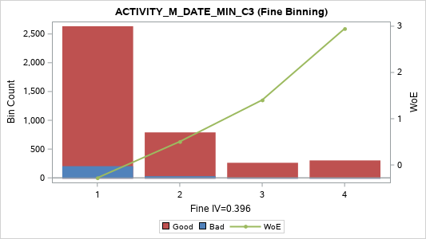
[7] (7 , +INF) | 5 | 159 | 1 | 158 | 3.98% | 0.63% | 99.37% | 2.3 | 0.087
TOTAL |  | 3,990 | 237 | 3,753 | 100.00% | 5.94% | 94.06% |  | 0.373

ACTIVITY_M_DATE_SUM_C3 (Coarse Binning) |  |  |  |  |  |  |  |  |  | ACTIVITY_M_DATE_SUM_C3 (Fine Binning)

Label (Coarse) | Group | Total | Bad | Good | Percent | Bad Rate | Good Rate | WoE | IV | Label (Fine) | Group | Total | Bad | Good | Percent | Bad Rate | Good Rate | WoE | IV
[01] (-INF, 2] | 1 | 315 | 62 | 253 | 7.89% | 19.68% | 80.32% | -1.356 | 0.263 | [01] (-INF, 3] | 1 | 559 | 99 | 460 | 14.01% | 17.71% | 82.29% | -1.226 | 0.362
[02] (2, 3] | 1 | 244 | 37 | 207 | 6.12% | 15.16% | 84.84% | -1.04 | 0.105 | [02] (3, 5] | 2 | 520 | 56 | 464 | 13.03% | 10.77% | 89.23% | -0.648 | 0.073
[03] (3, 4] | 2 | 250 | 30 | 220 | 6.27% | 12.00% | 88.00% | -0.77 | 0.052 | [03] (5, 8] | 3 | 627 | 35 | 592 | 15.71% | 5.58% | 94.42% | 0.066 | 0.001
[04] (4, 5] | 2 | 270 | 26 | 244 | 6.77% | 9.63% | 90.37% | -0.523 | 0.023 | [04] (8, 17] | 4 | 1,306 | 38 | 1,268 | 32.73% | 2.91% | 97.09% | 0.745 | 0.132
[05] (5, 6] | 3 | 210 | 9 | 201 | 5.26% | 4.29% | 95.71% | 0.344 | 0.005 | [05] (17 , +INF) | 5 | 978 | 9 | 969 | 24.51% | 0.92% | 99.08% | 1.917 | 0.422
[06] (6, 7] | 3 | 190 | 13 | 177 | 4.76% | 6.84% | 93.16% | -0.151 | 0.001 | TOTAL |  | 3,990 | 237 | 3,753 | 100.00% | 5.94% | 94.06% |  | 0.99
[07] (7, 8] | 3 | 227 | 13 | 214 | 5.69% | 5.73% | 94.27% | 0.039 | 0
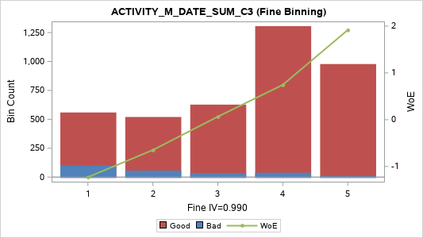
[08] (8, 9] | 4 | 191 | 4 | 187 | 4.79% | 2.09% | 97.91% | 1.083 | 0.036
[09] (9, 10] | 4 | 161 | 6 | 155 | 4.04% | 3.73% | 96.27% | 0.489 | 0.008
[10] (10, 11] | 4 | 165 | 9 | 156 | 4.14% | 5.45% | 94.55% | 0.09 | 0
[11] (11, 13] | 4 | 307 | 4 | 303 | 7.69% | 1.30% | 98.70% | 1.565 | 0.1
[12] (13, 14] | 4 | 135 | 4 | 131 | 3.38% | 2.96% | 97.04% | 0.727 | 0.013
[13] (14, 16] | 4 | 235 | 8 | 227 | 5.89% | 3.40% | 96.60% | 0.583 | 0.016
[14] (16, 17] | 4 | 112 | 3 | 109 | 2.81% | 2.68% | 97.32% | 0.83 | 0.014
[15] (17, 20] | 5 | 247 | 2 | 245 | 6.19% | 0.81% | 99.19% | 2.046 | 0.116
[16] (20, 22] | 5 | 140 | 1 | 139 | 3.51% | 0.71% | 99.29% | 2.172 | 0.071
[17] (22, 26] | 5 | 205 | 2 | 203 | 5.14% | 0.98% | 99.02% | 1.858 | 0.085
[18] (26, 33] | 5 | 197 | 4 | 193 | 4.94% | 2.03% | 97.97% | 1.114 | 0.038
[19] (33 , +INF) | 5 | 189 | 0 | 189 | 4.74% | 0.00% | 100.00% | 3.175 | 0.16
TOTAL |  | 3,990 | 237 | 3,753 | 100.00% | 5.94% | 94.06% |  | 1.108

ACTIVITY_M_DATE_AVG_C3 (Coarse Binning) |  |  |  |  |  |  |  |  |  | ACTIVITY_M_DATE_AVG_C3 (Fine Binning)

Label (Coarse) | Group | Total | Bad | Good | Percent | Bad Rate | Good Rate | WoE | IV | Label (Fine) | Group | Total | Bad | Good | Percent | Bad Rate | Good Rate | WoE | IV
[01] (-INF, 0.6667] | 1 | 315 | 62 | 253 | 7.89% | 19.68% | 80.32% | -1.356 | 0.263 | [01] (-INF, 3.6667] | 1 | 2,223 | 209 | 2,014 | 55.71% | 9.40% | 90.60% | -0.497 | 0.171
[02] (0.6667, 1.0000] | 1 | 244 | 37 | 207 | 6.12% | 15.16% | 84.84% | -1.04 | 0.105 | [02] (3.6667, 5.6667] | 2 | 789 | 19 | 770 | 19.77% | 2.41% | 97.59% | 0.94 | 0.117
[03] (1.0000, 1.3333] | 1 |  |  |  |  |  |  |  |  | [03] (5.6667, 11.0000] | 3 | 789 | 9 | 780 | 19.77% | 1.14% | 98.86% | 1.7 | 0.289
[04] (1.3333, 1.6667] | 1 | 520 | 56 | 464 | 13.03% | 10.77% | 89.23% | -0.648 | 0.073 | [04] (11.0000 , +INF) | 4 | 189 | 0 | 189 | 4.74% | 0.00% | 100.00% | 3.175 | 0.16
[05] (1.6667, 2.0000] | 1 | 210 | 9 | 201 | 5.26% | 4.29% | 95.71% | 0.344 | 0.005 | TOTAL |  | 3,990 | 237 | 3,753 | 100.00% | 5.94% | 94.06% |  | 0.738
[06] (2.0000, 2.3333] | 1
[07] (2.3333, 2.6667] | 1 | 417 | 26 | 391 | 10.45% | 6.24% | 93.76% | -0.052 | 0
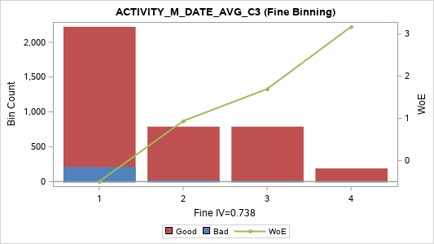
[08] (2.6667, 3.0000] | 1 | 191 | 4 | 187 | 4.79% | 2.09% | 97.91% | 1.083 | 0.036
[09] (3.0000, 3.3333] | 1
[10] (3.3333, 3.6667] | 2 | 326 | 15 | 311 | 8.17% | 4.60% | 95.40% | 0.269 | 0.005
[11] (3.6667, 4.3333] | 3 | 166 | 1 | 165 | 4.16% | 0.60% | 99.40% | 2.344 | 0.093
[12] (4.3333, 4.6667] | 3 | 276 | 7 | 269 | 6.92% | 2.54% | 97.46% | 0.887 | 0.037
[13] (4.6667, 5.3333] | 3 | 121 | 4 | 117 | 3.03% | 3.31% | 96.69% | 0.614 | 0.009
[14] (5.3333, 5.6667] | 3 | 226 | 7 | 219 | 5.66% | 3.10% | 96.90% | 0.681 | 0.02
[15] (5.6667, 6.6667] | 4 | 247 | 2 | 245 | 6.19% | 0.81% | 99.19% | 2.046 | 0.116
[16] (6.6667, 7.3333] | 4 | 67 | 1 | 66 | 1.68% | 1.49% | 98.51% | 1.427 | 0.019
[17] (7.3333, 8.6667] | 4 | 278 | 2 | 276 | 6.97% | 0.72% | 99.28% | 2.165 | 0.141
[18] (8.6667, 11.0000] | 4 | 197 | 4 | 193 | 4.94% | 2.03% | 97.97% | 1.114 | 0.038
[19] (11.0000 , +INF) | 5 | 189 | 0 | 189 | 4.74% | 0.00% | 100.00% | 3.175 | 0.16
TOTAL |  | 3,990 | 237 | 3,753 | 100.00% | 5.94% | 94.06% |  | 1.122

ACTIVITY_M_DATE_VAR_C3 (Coarse Binning) |  |  |  |  |  |  |  |  |  | ACTIVITY_M_DATE_VAR_C3 (Fine Binning)

Label (Coarse) | Group | Total | Bad | Good | Percent | Bad Rate | Good Rate | WoE | IV | Label (Fine) | Group | Total | Bad | Good | Percent | Bad Rate | Good Rate | WoE | IV
[01] (-INF, 0.3333] | 1 | 23 | 2 | 21 | 0.58% | 8.70% | 91.30% | -0.411 | 0.001 | [01] (-INF, 6.3333] | 1 | 1,550 | 172 | 1,378 | 38.85% | 11.10% | 88.90% | -0.681 | 0.244
[02] (0.3333, 1.3333] | 1 | 375 | 66 | 309 | 9.40% | 17.60% | 82.40% | -1.219 | 0.239 | [02] (6.3333 , +INF) | 2 | 2,440 | 65 | 2,375 | 61.15% | 2.66% | 97.34% | 0.836 | 0.3
[03] (1.3333, 2.3333] | 2 | 271 | 30 | 241 | 6.79% | 11.07% | 88.93% | -0.679 | 0.042 | TOTAL |  | 3,990 | 237 | 3,753 | 100.00% | 5.94% | 94.06% |  | 0.544
[04] (2.3333, 3.0000] | 2 | 438 | 41 | 397 | 10.98% | 9.36% | 90.64% | -0.492 | 0.033
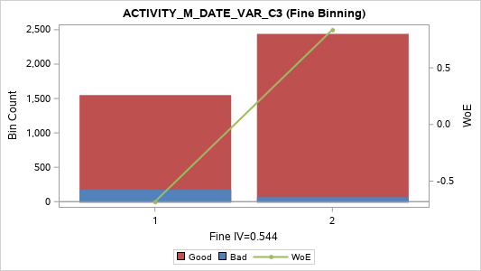
[05] (3.0000, 4.3333] | 2 | 75 | 3 | 72 | 1.88% | 4.00% | 96.00% | 0.416 | 0.003
[06] (4.3333, 5.3333] | 2 | 159 | 17 | 142 | 3.98% | 10.69% | 89.31% | -0.64 | 0.022
[07] (5.3333, 6.3333] | 3 | 209 | 13 | 196 | 5.24% | 6.22% | 93.78% | -0.049 | 0
[08] (6.3333, 8.3333] | 3 | 232 | 9 | 223 | 5.81% | 3.88% | 96.12% | 0.448 | 0.01
[09] (8.3333, 9.0000] | 3 | 217 | 9 | 208 | 5.44% | 4.15% | 95.85% | 0.378 | 0.007
[10] (9.0000, 12.0000] | 4 | 300 | 7 | 293 | 7.52% | 2.33% | 97.67% | 0.972 | 0.047
[11] (12.0000, 13.0000] | 4 | 105 | 1 | 104 | 2.63% | 0.95% | 99.05% | 1.882 | 0.044
[12] (13.0000, 16.3333] | 4 | 81 | 5 | 76 | 2.03% | 6.17% | 93.83% | -0.041 | 0
[13] (16.3333, 21.3333] | 4 | 304 | 9 | 295 | 7.62% | 2.96% | 97.04% | 0.728 | 0.03
[14] (21.3333, 25.3333] | 4 | 185 | 6 | 179 | 4.64% | 3.24% | 96.76% | 0.633 | 0.014
[15] (25.3333, 32.3333] | 4 | 205 | 5 | 200 | 5.14% | 2.44% | 97.56% | 0.927 | 0.03
[16] (32.3333, 40.3333] | 4 | 171 | 5 | 166 | 4.29% | 2.92% | 97.08% | 0.74 | 0.017
[17] (40.3333, 54.3333] | 5 | 234 | 4 | 230 | 5.86% | 1.71% | 98.29% | 1.29 | 0.057
[18] (54.3333, 80.3333] | 5 | 200 | 3 | 197 | 5.01% | 1.50% | 98.50% | 1.422 | 0.057
[19] (80.3333 , +INF) | 5 | 206 | 2 | 204 | 5.16% | 0.97% | 99.03% | 1.863 | 0.086
TOTAL |  | 3,990 | 237 | 3,753 | 100.00% | 5.94% | 94.06% |  | 0.738

ACTIVITY_M_DATE_RNG_C3 (Coarse Binning) |  |  |  |  |  |  |  |  |  | ACTIVITY_M_DATE_RNG_C3 (Fine Binning)

Label (Coarse) | Group | Total | Bad | Good | Percent | Bad Rate | Good Rate | WoE | IV | Label (Fine) | Group | Total | Bad | Good | Percent | Bad Rate | Good Rate | WoE | IV
[01] (-INF, 1] | 1 | 266 | 48 | 218 | 6.67% | 18.05% | 81.95% | -1.249 | 0.18 | [01] (-INF, 1] | 1 | 266 | 48 | 218 | 6.67% | 18.05% | 81.95% | -1.249 | 0.18
[02] (1, 2] | 2 | 403 | 50 | 353 | 10.10% | 12.41% | 87.59% | -0.808 | 0.094 | [02] (1, 2] | 2 | 403 | 50 | 353 | 10.10% | 12.41% | 87.59% | -0.808 | 0.094
[03] (2, 3] | 3 | 438 | 41 | 397 | 10.98% | 9.36% | 90.64% | -0.492 | 0.033 | [03] (2, 4] | 3 | 881 | 74 | 807 | 22.08% | 8.40% | 91.60% | -0.373 | 0.036
[04] (3, 4] | 3 | 443 | 33 | 410 | 11.10% | 7.45% | 92.55% | -0.243 | 0.007 | [04] (4, 12] | 4 | 1,921 | 59 | 1,862 | 48.15% | 3.07% | 96.93% | 0.69 | 0.17
[05] (4, 5] | 4 | 408 | 17 | 391 | 10.23% | 4.17% | 95.83% | 0.373 | 0.012 | [05] (12 , +INF) | 5 | 519 | 6 | 513 | 13.01% | 1.16% | 98.84% | 1.686 | 0.188
[06] (5, 6] | 4 | 341 | 8 | 333 | 8.55% | 2.35% | 97.65% | 0.966 | 0.053 | TOTAL |  | 3,990 | 237 | 3,753 | 100.00% | 5.94% | 94.06% |  | 0.669
[07] (6, 7] | 4 | 266 | 9 | 257 | 6.67% | 3.38% | 96.62% | 0.59 | 0.018
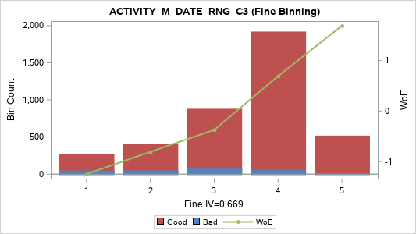
[08] (7, 8] | 4 | 267 | 7 | 260 | 6.69% | 2.62% | 97.38% | 0.853 | 0.034
[09] (8, 9] | 4 | 198 | 7 | 191 | 4.96% | 3.54% | 96.46% | 0.544 | 0.012
[10] (9, 11] | 4 | 308 | 7 | 301 | 7.72% | 2.27% | 97.73% | 0.999 | 0.051
[11] (11, 12] | 4 | 133 | 4 | 129 | 3.33% | 3.01% | 96.99% | 0.711 | 0.012
[12] (12, 14] | 5 | 207 | 2 | 205 | 5.19% | 0.97% | 99.03% | 1.868 | 0.086
[13] (14, 16] | 5 | 120 | 2 | 118 | 3.01% | 1.67% | 98.33% | 1.315 | 0.03
[14] (16 , +INF) | 5 | 192 | 2 | 190 | 4.81% | 1.04% | 98.96% | 1.792 | 0.076
TOTAL |  | 3,990 | 237 | 3,753 | 100.00% | 5.94% | 94.06% |  | 0.699

ACTIVITY_M_DATE_CRR_C3 (Coarse Binning) |  |  |  |  |  |  |  |  |  | ACTIVITY_M_DATE_CRR_C3 (Fine Binning)

Label (Coarse) | Group | Total | Bad | Good | Percent | Bad Rate | Good Rate | WoE | IV | Label (Fine) | Group | Total | Bad | Good | Percent | Bad Rate | Good Rate | WoE | IV
[01] MISSING | 1 | 23 | 2 | 21 | 0.58% | 8.70% | 91.30% | -0.411 | 0.001 | [01] MISSING | 1 | 23 | 2 | 21 | 0.58% | 8.70% | 91.30% | -0.411 | 0.001
[02] (-INF, -0.9966] | 2 | 225 | 9 | 216 | 5.64% | 4.00% | 96.00% | 0.416 | 0.008 | [02] (-INF, -0.596] | 2 | 2,982 | 77 | 2,905 | 74.74% | 2.58% | 97.42% | 0.868 | 0.39
[03] (-0.9966, -0.9878] | 2 | 177 | 2 | 175 | 4.44% | 1.13% | 98.87% | 1.709 | 0.065 | [03] (-0.596 , +INF) | 3 | 985 | 158 | 827 | 24.69% | 16.04% | 83.96% | -1.107 | 0.494
[04] (-0.9878, -0.9744] | 2 | 188 | 5 | 183 | 4.71% | 2.66% | 97.34% | 0.838 | 0.023 | TOTAL |  | 3,990 | 237 | 3,753 | 100.00% | 5.94% | 94.06% |  | 0.885
[05] (-0.9744, -0.9563] | 2 | 203 | 3 | 200 | 5.09% | 1.48% | 98.52% | 1.437 | 0.058
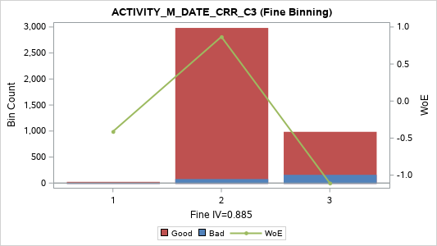
[06] (-0.9563, -0.9286] | 2 | 197 | 3 | 194 | 4.94% | 1.52% | 98.48% | 1.407 | 0.055
[07] (-0.9286, -0.8926] | 2 | 198 | 0 | 198 | 4.96% | 0.00% | 100.00% | 3.222 | 0.17
[08] (-0.8926, -0.8660] | 3 | 1,515 | 48 | 1,467 | 37.97% | 3.17% | 96.83% | 0.658 | 0.124
[09] (-0.8660, -0.7777] | 3 | 76 | 1 | 75 | 1.90% | 1.32% | 98.68% | 1.555 | 0.025
[10] (-0.7777, -0.5960] | 3 | 203 | 6 | 197 | 5.09% | 2.96% | 97.04% | 0.729 | 0.02
[11] (-0.5960, -0.3273] | 4 | 192 | 15 | 177 | 4.81% | 7.81% | 92.19% | -0.294 | 0.005
[12] (-0.3273, 0.0000] | 4 | 225 | 38 | 187 | 5.64% | 16.89% | 83.11% | -1.169 | 0.129
[13] (0.0000, 0.6547] | 4 | 183 | 17 | 166 | 4.59% | 9.29% | 90.71% | -0.483 | 0.013
[14] (0.6547, 0.8660] | 4 | 57 | 8 | 49 | 1.43% | 14.04% | 85.96% | -0.95 | 0.02
[15] (0.8660 , +INF) | 5 | 328 | 80 | 248 | 8.22% | 24.39% | 75.61% | -1.631 | 0.443
TOTAL |  | 3,990 | 237 | 3,753 | 100.00% | 5.94% | 94.06% |  | 1.159

ACTIVITY_M_DATE_SLP_C3 (Coarse Binning) |  |  |  |  |  |  |  |  |  | ACTIVITY_M_DATE_SLP_C3 (Fine Binning)

Label (Coarse) | Group | Total | Bad | Good | Percent | Bad Rate | Good Rate | WoE | IV | Label (Fine) | Group | Total | Bad | Good | Percent | Bad Rate | Good Rate | WoE | IV
[01] (-INF, -8.0] | 1 | 237 | 1 | 236 | 5.94% | 0.42% | 99.58% | 2.702 | 0.158 | [01] (-INF, -3] | 1 | 1,695 | 16 | 1,679 | 42.48% | 0.94% | 99.06% | 1.891 | 0.718
[02] (-8.0, -6.5] | 1 | 234 | 3 | 231 | 5.86% | 1.28% | 98.72% | 1.582 | 0.077 | [02] (-3, -1] | 2 | 1,299 | 51 | 1,248 | 32.56% | 3.93% | 96.07% | 0.435 | 0.051
[03] (-6.5, -5.5] | 1 | 233 | 2 | 231 | 5.84% | 0.86% | 99.14% | 1.987 | 0.106 | [03] (-1 , +INF) | 3 | 996 | 170 | 826 | 24.96% | 17.07% | 82.93% | -1.181 | 0.587
[04] (-5.5, -5.0] | 1 | 134 | 1 | 133 | 3.36% | 0.75% | 99.25% | 2.128 | 0.066 | TOTAL |  | 3,990 | 237 | 3,753 | 100.00% | 5.94% | 94.06% |  | 1.357
[05] (-5.0, -4.5] | 1 | 169 | 4 | 165 | 4.24% | 2.37% | 97.63% | 0.957 | 0.026
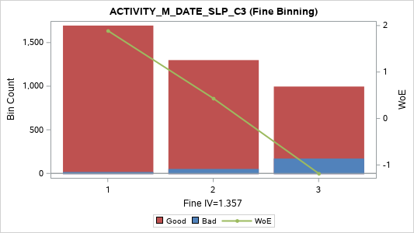
[06] (-4.5, -4.0] | 1 | 217 | 1 | 216 | 5.44% | 0.46% | 99.54% | 2.613 | 0.139
[07] (-4.0, -3.5] | 1 | 213 | 2 | 211 | 5.34% | 0.94% | 99.06% | 1.896 | 0.091
[08] (-3.5, -3.0] | 1 | 258 | 2 | 256 | 6.47% | 0.78% | 99.22% | 2.09 | 0.125
[09] (-3.0, -2.5] | 2 | 307 | 6 | 301 | 7.69% | 1.95% | 98.05% | 1.153 | 0.063
[10] (-2.5, -2.0] | 2 | 314 | 11 | 303 | 7.87% | 3.50% | 96.50% | 0.554 | 0.019
[11] (-2.0, -1.5] | 2 | 341 | 13 | 328 | 8.55% | 3.81% | 96.19% | 0.466 | 0.015
[12] (-1.5, -1.0] | 3 | 337 | 21 | 316 | 8.45% | 6.23% | 93.77% | -0.051 | 0
[13] (-1.0, -0.5] | 4 | 253 | 31 | 222 | 6.34% | 12.25% | 87.75% | -0.794 | 0.057
[14] (-0.5, 0.0] | 5 | 175 | 34 | 141 | 4.39% | 19.43% | 80.57% | -1.34 | 0.142
[15] (0.0, 1.0] | 5 | 243 | 41 | 202 | 6.09% | 16.87% | 83.13% | -1.168 | 0.139
[16] (1.0, 2.0] | 5 | 164 | 37 | 127 | 4.11% | 22.56% | 77.44% | -1.529 | 0.187
[17] (2.0 , +INF) | 5 | 161 | 27 | 134 | 4.04% | 16.77% | 83.23% | -1.16 | 0.091
TOTAL |  | 3,990 | 237 | 3,753 | 100.00% | 5.94% | 94.06% |  | 1.502

Activity_M_WDay
ACTIVITY_M_WDAY_M1 (Coarse Binning) |  |  |  |  |  |  |  |  |  | ACTIVITY_M_WDAY_M1 (Fine Binning)

Label (Coarse) | Group | Total | Bad | Good | Percent | Bad Rate | Good Rate | WoE | IV | Label (Fine) | Group | Total | Bad | Good | Percent | Bad Rate | Good Rate | WoE | IV
[1] (-INF, 0] | 1 | 218 | 101 | 117 | 5.46% | 46.33% | 53.67% | -2.615 | 1.033 | [1] (-INF, 0] | 1 | 218 | 101 | 117 | 5.46% | 46.33% | 53.67% | -2.615 | 1.033
[2] (0, 1] | 2 | 274 | 48 | 226 | 6.87% | 17.52% | 82.48% | -1.213 | 0.173 | [2] (0, 1] | 2 | 274 | 48 | 226 | 6.87% | 17.52% | 82.48% | -1.213 | 0.173
[3] (1, 2] | 3 | 436 | 27 | 409 | 10.93% | 6.19% | 93.81% | -0.044 | 0 | [3] (1, 4] | 3 | 1,463 | 66 | 1,397 | 36.67% | 4.51% | 95.49% | 0.29 | 0.027
[4] (2, 3] | 3 | 482 | 22 | 460 | 12.08% | 4.56% | 95.44% | 0.278 | 0.008 | [4] (4 , +INF) | 4 | 2,035 | 22 | 2,013 | 51.00% | 1.08% | 98.92% | 1.754 | 0.778
[5] (3, 4] | 4 | 545 | 17 | 528 | 13.66% | 3.12% | 96.88% | 0.674 | 0.046 | TOTAL |  | 3,990 | 237 | 3,753 | 100.00% | 5.94% | 94.06% |  | 2.011
[6] (4, 5] | 5 | 648 | 8 | 640 | 16.24% | 1.23% | 98.77% | 1.62 | 0.222
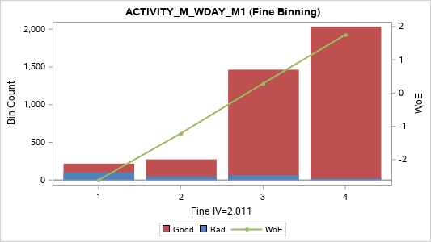
[7] (5, 6] | 5 | 640 | 7 | 633 | 16.04% | 1.09% | 98.91% | 1.742 | 0.242
[8] (6 , +INF) | 5 | 747 | 7 | 740 | 18.72% | 0.94% | 99.06% | 1.898 | 0.318
TOTAL |  | 3,990 | 237 | 3,753 | 100.00% | 5.94% | 94.06% |  | 2.043

ACTIVITY_M_WDAY_MAX_C3 (Coarse Binning) |  |  |  |  |  |  |  |  |  | ACTIVITY_M_WDAY_MAX_C3 (Fine Binning)

Label (Coarse) | Group | Total | Bad | Good | Percent | Bad Rate | Good Rate | WoE | IV | Label (Fine) | Group | Total | Bad | Good | Percent | Bad Rate | Good Rate | WoE | IV
[1] (-INF, 2] | 1 | 547 | 93 | 454 | 13.71% | 17.00% | 83.00% | -1.177 | 0.319 | [1] (-INF, 2] | 1 | 547 | 93 | 454 | 13.71% | 17.00% | 83.00% | -1.177 | 0.319
[2] (2, 3] | 2 | 472 | 51 | 421 | 11.83% | 10.81% | 89.19% | -0.651 | 0.067 | [2] (2, 3] | 2 | 472 | 51 | 421 | 11.83% | 10.81% | 89.19% | -0.651 | 0.067
[3] (3, 4] | 3 | 588 | 38 | 550 | 14.74% | 6.46% | 93.54% | -0.09 | 0.001 | [3] (3, 4] | 3 | 588 | 38 | 550 | 14.74% | 6.46% | 93.54% | -0.09 | 0.001
[4] (4, 5] | 4 | 716 | 18 | 698 | 17.94% | 2.51% | 97.49% | 0.896 | 0.099 | [4] (4, 6] | 4 | 1,453 | 38 | 1,415 | 36.42% | 2.62% | 97.38% | 0.855 | 0.185
[5] (5, 6] | 4 | 737 | 20 | 717 | 18.47% | 2.71% | 97.29% | 0.817 | 0.087 | [5] (6 , +INF) | 5 | 930 | 17 | 913 | 23.31% | 1.83% | 98.17% | 1.221 | 0.209
[6] (6 , +INF) | 5 | 930 | 17 | 913 | 23.31% | 1.83% | 98.17% | 1.221 | 0.209 | TOTAL |  | 3,990 | 237 | 3,753 | 100.00% | 5.94% | 94.06% |  | 0.783
TOTAL |  | 3,990 | 237 | 3,753 | 100.00% | 5.94% | 94.06% |  | 0.783
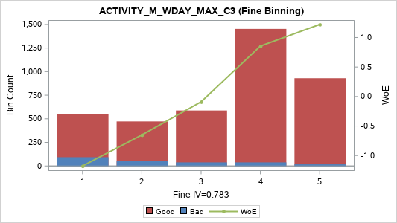

ACTIVITY_M_WDAY_MIN_C3 (Coarse Binning) |  |  |  |  |  |  |  |  |  | ACTIVITY_M_WDAY_MIN_C3 (Fine Binning)

Label (Coarse) | Group | Total | Bad | Good | Percent | Bad Rate | Good Rate | WoE | IV | Label (Fine) | Group | Total | Bad | Good | Percent | Bad Rate | Good Rate | WoE | IV
[1] (-INF, 0] | 1 | 2,635 | 203 | 2,432 | 66.04% | 7.70% | 92.30% | -0.279 | 0.058 | [1] (-INF, 0] | 1 | 2,635 | 203 | 2,432 | 66.04% | 7.70% | 92.30% | -0.279 | 0.058
[2] (0, 1] | 2 | 371 | 14 | 357 | 9.30% | 3.77% | 96.23% | 0.476 | 0.017 | [2] (0, 2] | 2 | 656 | 24 | 632 | 16.44% | 3.66% | 96.34% | 0.509 | 0.034
[3] (1, 2] | 2 | 285 | 10 | 275 | 7.14% | 3.51% | 96.49% | 0.552 | 0.017 | [3] (2, 3] | 3 | 250 | 6 | 244 | 6.27% | 2.40% | 97.60% | 0.943 | 0.037
[4] (2, 3] | 3 | 250 | 6 | 244 | 6.27% | 2.40% | 97.60% | 0.943 | 0.037 | [4] (3, 4] | 4 | 192 | 3 | 189 | 4.81% | 1.56% | 98.44% | 1.381 | 0.052
[5] (3, 4] | 4 | 192 | 3 | 189 | 4.81% | 1.56% | 98.44% | 1.381 | 0.052 | [5] (4 , +INF) | 5 | 257 | 1 | 256 | 6.44% | 0.39% | 99.61% | 2.783 | 0.178
[6] (4, 5] | 5 | 134 | 1 | 133 | 3.36% | 0.75% | 99.25% | 2.128 | 0.066 | TOTAL |  | 3,990 | 237 | 3,753 | 100.00% | 5.94% | 94.06% |  | 0.36
[7] (5 , +INF) | 5 | 123 | 0 | 123 | 3.08% | 0.00% | 100.00% | 2.747 | 0.09
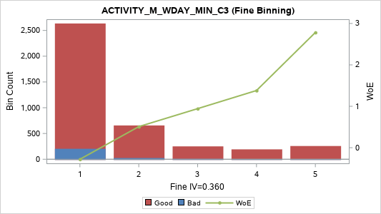
TOTAL |  | 3,990 | 237 | 3,753 | 100.00% | 5.94% | 94.06% |  | 0.338

ACTIVITY_M_WDAY_SUM_C3 (Coarse Binning) |  |  |  |  |  |  |  |  |  | ACTIVITY_M_WDAY_SUM_C3 (Fine Binning)

Label (Coarse) | Group | Total | Bad | Good | Percent | Bad Rate | Good Rate | WoE | IV | Label (Fine) | Group | Total | Bad | Good | Percent | Bad Rate | Good Rate | WoE | IV
[01] (-INF, 2] | 1 | 363 | 64 | 299 | 9.10% | 17.63% | 82.37% | -1.221 | 0.232 | [01] (-INF, 4] | 1 | 1,003 | 140 | 863 | 25.14% | 13.96% | 86.04% | -0.943 | 0.34
[02] (2, 3] | 2 | 306 | 36 | 270 | 7.67% | 11.76% | 88.24% | -0.747 | 0.06 | [02] (4, 11] | 2 | 2,044 | 84 | 1,960 | 51.23% | 4.11% | 95.89% | 0.388 | 0.065
[03] (3, 4] | 2 | 334 | 40 | 294 | 8.37% | 11.98% | 88.02% | -0.768 | 0.069 | [03] (11 , +INF) | 3 | 943 | 13 | 930 | 23.63% | 1.38% | 98.62% | 1.508 | 0.291
[04] (4, 5] | 3 | 394 | 27 | 367 | 9.87% | 6.85% | 93.15% | -0.153 | 0.002 | TOTAL |  | 3,990 | 237 | 3,753 | 100.00% | 5.94% | 94.06% |  | 0.696
[05] (5, 6] | 3 | 370 | 17 | 353 | 9.27% | 4.59% | 95.41% | 0.271 | 0.006
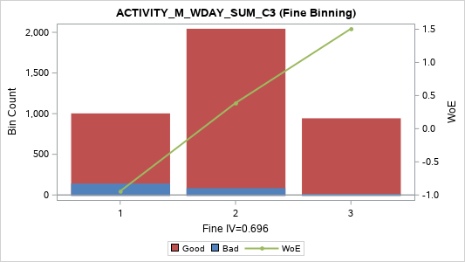
[06] (6, 7] | 4 | 401 | 11 | 390 | 10.05% | 2.74% | 97.26% | 0.806 | 0.046
[07] (7, 8] | 4 | 254 | 13 | 241 | 6.37% | 5.12% | 94.88% | 0.158 | 0.001
[08] (8, 9] | 4 | 239 | 5 | 234 | 5.99% | 2.09% | 97.91% | 1.084 | 0.045
[09] (9, 10] | 4 | 235 | 7 | 228 | 5.89% | 2.98% | 97.02% | 0.721 | 0.023
[10] (10, 11] | 4 | 151 | 4 | 147 | 3.78% | 2.65% | 97.35% | 0.842 | 0.019
[11] (11, 12] | 5 | 182 | 3 | 179 | 4.56% | 1.65% | 98.35% | 1.327 | 0.046
[12] (12, 14] | 5 | 280 | 5 | 275 | 7.02% | 1.79% | 98.21% | 1.245 | 0.065
[13] (14, 15] | 5 | 107 | 1 | 106 | 2.68% | 0.93% | 99.07% | 1.901 | 0.046
[14] (15, 17] | 5 | 175 | 2 | 173 | 4.39% | 1.14% | 98.86% | 1.698 | 0.064
[15] (17 , +INF) | 5 | 199 | 2 | 197 | 4.99% | 1.01% | 98.99% | 1.828 | 0.081
TOTAL |  | 3,990 | 237 | 3,753 | 100.00% | 5.94% | 94.06% |  | 0.805

ACTIVITY_M_WDAY_VAR_C3 (Coarse Binning) |  |  |  |  |  |  |  |  |  | ACTIVITY_M_WDAY_VAR_C3 (Fine Binning)

Label (Coarse) | Group | Total | Bad | Good | Percent | Bad Rate | Good Rate | WoE | IV | Label (Fine) | Group | Total | Bad | Good | Percent | Bad Rate | Good Rate | WoE | IV
[01] (-INF, 0.3333] | 1 | 77 | 3 | 74 | 1.93% | 3.90% | 96.10% | 0.443 | 0.003 | [01] (-INF, 6.3333] | 1 | 2,465 | 196 | 2,269 | 61.78% | 7.95% | 92.05% | -0.313 | 0.07
[02] (0.3333, 1.0000] | 1 | 699 | 73 | 626 | 17.52% | 10.44% | 89.56% | -0.613 | 0.087 | [02] (6.3333 , +INF) | 2 | 1,525 | 41 | 1,484 | 38.22% | 2.69% | 97.31% | 0.827 | 0.184
[03] (1.0000, 1.3333] | 1 |  |  |  |  |  |  |  |  | TOTAL |  | 3,990 | 237 | 3,753 | 100.00% | 5.94% | 94.06% |  | 0.254
[04] (1.3333, 2.3333] | 2 | 419 | 31 | 388 | 10.50% | 7.40% | 92.60% | -0.235 | 0.006
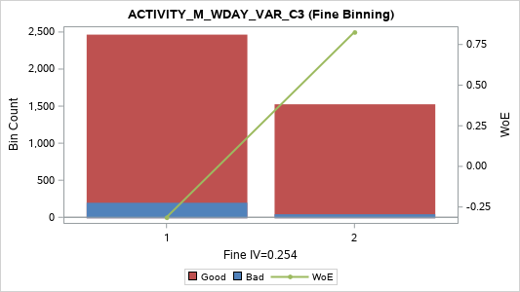
[05] (2.3333, 3.0000] | 2 | 658 | 52 | 606 | 16.49% | 7.90% | 92.10% | -0.307 | 0.018
[06] (3.0000, 4.3333] | 3 | 120 | 2 | 118 | 3.01% | 1.67% | 98.33% | 1.315 | 0.03
[07] (4.3333, 5.3333] | 3 | 223 | 18 | 205 | 5.59% | 8.07% | 91.93% | -0.33 | 0.007
[08] (5.3333, 6.3333] | 3 | 269 | 17 | 252 | 6.74% | 6.32% | 93.68% | -0.066 | 0
[09] (6.3333, 8.3333] | 4 | 282 | 10 | 272 | 7.07% | 3.55% | 96.45% | 0.541 | 0.016
[10] (8.3333, 10.3333] | 5 | 437 | 12 | 425 | 10.95% | 2.75% | 97.25% | 0.805 | 0.05
[11] (10.3333, 12.0000] | 5 | 315 | 8 | 307 | 7.89% | 2.54% | 97.46% | 0.885 | 0.043
[12] (12.0000, 13.0000] | 5 | 177 | 4 | 173 | 4.44% | 2.26% | 97.74% | 1.005 | 0.029
[13] (13.0000 , +INF) | 5 | 314 | 7 | 307 | 7.87% | 2.23% | 97.77% | 1.019 | 0.053
TOTAL |  | 3,990 | 237 | 3,753 | 100.00% | 5.94% | 94.06% |  | 0.343

Activity_M_Hour
ACTIVITY_M_HOUR_M1 (Coarse Binning) |  |  |  |  |  |  |  |  |  | ACTIVITY_M_HOUR_M1 (Fine Binning)

Label (Coarse) | Group | Total | Bad | Good | Percent | Bad Rate | Good Rate | WoE | IV | Label (Fine) | Group | Total | Bad | Good | Percent | Bad Rate | Good Rate | WoE | IV
[01] (-INF, 1] | 1 | 392 | 138 | 254 | 9.82% | 35.20% | 64.80% | -2.152 | 1.108 | [01] (-INF, 1] | 1 | 392 | 138 | 254 | 9.82% | 35.20% | 64.80% | -2.152 | 1.108
[02] (1, 2] | 2 | 235 | 22 | 213 | 5.89% | 9.36% | 90.64% | -0.492 | 0.018 | [02] (1, 4] | 2 | 724 | 55 | 669 | 18.15% | 7.60% | 92.40% | -0.264 | 0.014
[03] (2, 3] | 2 | 255 | 20 | 235 | 6.39% | 7.84% | 92.16% | -0.298 | 0.006 | [03] (4 , +INF) | 3 | 2,874 | 44 | 2,830 | 72.03% | 1.53% | 98.47% | 1.402 | 0.797
[04] (3, 4] | 2 | 234 | 13 | 221 | 5.86% | 5.56% | 94.44% | 0.071 | 0 | TOTAL |  | 3,990 | 237 | 3,753 | 100.00% | 5.94% | 94.06% |  | 1.918
[05] (4, 5] | 3 | 223 | 6 | 217 | 5.59% | 2.69% | 97.31% | 0.826 | 0.027
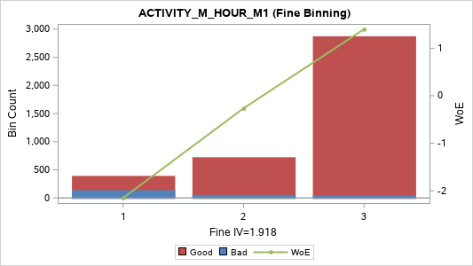
[06] (5, 6] | 3 | 250 | 10 | 240 | 6.27% | 4.00% | 96.00% | 0.416 | 0.009
[07] (6, 7] | 4 | 207 | 5 | 202 | 5.19% | 2.42% | 97.58% | 0.937 | 0.031
[08] (7, 9] | 4 | 362 | 7 | 355 | 9.07% | 1.93% | 98.07% | 1.164 | 0.076
[09] (9, 10] | 5 | 167 | 2 | 165 | 4.19% | 1.20% | 98.80% | 1.651 | 0.059
[10] (10, 11] | 5 | 136 | 0 | 136 | 3.41% | 0.00% | 100.00% | 2.847 | 0.103
[11] (11, 12] | 5 | 139 | 1 | 138 | 3.48% | 0.72% | 99.28% | 2.165 | 0.07
[12] (12, 14] | 5 | 250 | 1 | 249 | 6.27% | 0.40% | 99.60% | 2.755 | 0.171
[13] (14, 16] | 5 | 208 | 2 | 206 | 5.21% | 0.96% | 99.04% | 1.872 | 0.087
[14] (16, 18] | 5 | 154 | 1 | 153 | 3.86% | 0.65% | 99.35% | 2.268 | 0.083
[15] (18, 22] | 5 | 207 | 2 | 205 | 5.19% | 0.97% | 99.03% | 1.868 | 0.086
[16] (22, 27] | 5 | 197 | 1 | 196 | 4.94% | 0.51% | 99.49% | 2.516 | 0.121
[17] (27, 36] | 5 | 182 | 3 | 179 | 4.56% | 1.65% | 98.35% | 1.327 | 0.046
[18] (36 , +INF) | 5 | 192 | 3 | 189 | 4.81% | 1.56% | 98.44% | 1.381 | 0.052
TOTAL |  | 3,990 | 237 | 3,753 | 100.00% | 5.94% | 94.06% |  | 2.153

ACTIVITY_M_HOUR_MAX_C3 (Coarse Binning) |  |  |  |  |  |  |  |  |  | ACTIVITY_M_HOUR_MAX_C3 (Fine Binning)

Label (Coarse) | Group | Total | Bad | Good | Percent | Bad Rate | Good Rate | WoE | IV | Label (Fine) | Group | Total | Bad | Good | Percent | Bad Rate | Good Rate | WoE | IV
[01] (-INF, 2] | 1 | 252 | 59 | 193 | 6.32% | 23.41% | 76.59% | -1.577 | 0.312 | [01] (-INF, 2] | 1 | 252 | 59 | 193 | 6.32% | 23.41% | 76.59% | -1.577 | 0.312
[02] (2, 3] | 2 | 207 | 30 | 177 | 5.19% | 14.49% | 85.51% | -0.987 | 0.078 | [02] (2, 6] | 2 | 920 | 96 | 824 | 23.06% | 10.43% | 89.57% | -0.612 | 0.114
[03] (3, 4] | 2 | 222 | 24 | 198 | 5.56% | 10.81% | 89.19% | -0.652 | 0.032 | [03] (6 , +INF) | 3 | 2,818 | 82 | 2,736 | 70.63% | 2.91% | 97.09% | 0.745 | 0.285
[04] (4, 5] | 2 | 242 | 19 | 223 | 6.07% | 7.85% | 92.15% | -0.3 | 0.006 | TOTAL |  | 3,990 | 237 | 3,753 | 100.00% | 5.94% | 94.06% |  | 0.711
[05] (5, 6] | 2 | 249 | 23 | 226 | 6.24% | 9.24% | 90.76% | -0.477 | 0.018
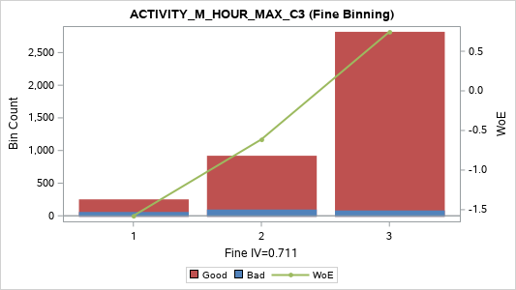
[06] (6, 7] | 3 | 227 | 12 | 215 | 5.69% | 5.29% | 94.71% | 0.123 | 0.001
[07] (7, 8] | 3 | 214 | 11 | 203 | 5.36% | 5.14% | 94.86% | 0.153 | 0.001
[08] (8, 9] | 4 | 196 | 3 | 193 | 4.91% | 1.53% | 98.47% | 1.402 | 0.054
[09] (9, 11] | 4 | 335 | 12 | 323 | 8.40% | 3.58% | 96.42% | 0.53 | 0.019
[10] (11, 12] | 4 | 165 | 4 | 161 | 4.14% | 2.42% | 97.58% | 0.933 | 0.024
[11] (12, 13] | 4 | 138 | 6 | 132 | 3.46% | 4.35% | 95.65% | 0.329 | 0.003
[12] (13, 14] | 4 | 154 | 3 | 151 | 3.86% | 1.95% | 98.05% | 1.156 | 0.032
[13] (14, 16] | 4 | 265 | 11 | 254 | 6.64% | 4.15% | 95.85% | 0.377 | 0.008
[14] (16, 18] | 5 | 174 | 3 | 171 | 4.36% | 1.72% | 98.28% | 1.281 | 0.042
[15] (18, 21] | 5 | 200 | 3 | 197 | 5.01% | 1.50% | 98.50% | 1.422 | 0.057
[16] (21, 24] | 5 | 175 | 1 | 174 | 4.39% | 0.57% | 99.43% | 2.397 | 0.101
[17] (24, 29] | 5 | 195 | 5 | 190 | 4.89% | 2.56% | 97.44% | 0.875 | 0.026
[18] (29, 39] | 5 | 184 | 5 | 179 | 4.61% | 2.72% | 97.28% | 0.816 | 0.022
[19] (39 , +INF) | 5 | 196 | 3 | 193 | 4.91% | 1.53% | 98.47% | 1.402 | 0.054
TOTAL |  | 3,990 | 237 | 3,753 | 100.00% | 5.94% | 94.06% |  | 0.89

ACTIVITY_M_HOUR_MIN_C3 (Coarse Binning) |  |  |  |  |  |  |  |  |  | ACTIVITY_M_HOUR_MIN_C3 (Fine Binning)

Label (Coarse) | Group | Total | Bad | Good | Percent | Bad Rate | Good Rate | WoE | IV | Label (Fine) | Group | Total | Bad | Good | Percent | Bad Rate | Good Rate | WoE | IV
[1] (-INF, 1] | 1 | 2,855 | 215 | 2,640 | 71.55% | 7.53% | 92.47% | -0.254 | 0.052 | [1] (-INF, 1] | 1 | 2,855 | 215 | 2,640 | 71.55% | 7.53% | 92.47% | -0.254 | 0.052
[2] (1, 2] | 2 | 202 | 7 | 195 | 5.06% | 3.47% | 96.53% | 0.565 | 0.013 | [2] (1, 3] | 2 | 376 | 14 | 362 | 9.42% | 3.72% | 96.28% | 0.49 | 0.018
[3] (2, 3] | 3 | 174 | 7 | 167 | 4.36% | 4.02% | 95.98% | 0.41 | 0.006 | [3] (3 , +INF) | 3 | 759 | 8 | 751 | 19.02% | 1.05% | 98.95% | 1.78 | 0.296
[4] (3, 5] | 3 | 256 | 2 | 254 | 6.42% | 0.78% | 99.22% | 2.082 | 0.123 | TOTAL |  | 3,990 | 237 | 3,753 | 100.00% | 5.94% | 94.06% |  | 0.366
[5] (5, 7] | 3 | 152 | 3 | 149 | 3.81% | 1.97% | 98.03% | 1.143 | 0.031
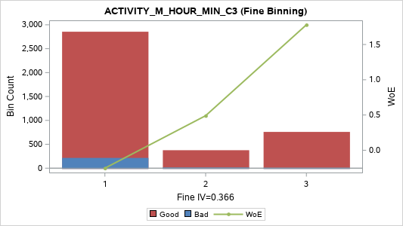
[6] (7, 11] | 4 | 185 | 3 | 182 | 4.64% | 1.62% | 98.38% | 1.343 | 0.048
[7] (11 , +INF) | 5 | 166 | 0 | 166 | 4.16% | 0.00% | 100.00% | 3.046 | 0.135
TOTAL |  | 3,990 | 237 | 3,753 | 100.00% | 5.94% | 94.06% |  | 0.408

ACTIVITY_M_HOUR_SUM_C3 (Coarse Binning) |  |  |  |  |  |  |  |  |  | ACTIVITY_M_HOUR_SUM_C3 (Fine Binning)

Label (Coarse) | Group | Total | Bad | Good | Percent | Bad Rate | Good Rate | WoE | IV | Label (Fine) | Group | Total | Bad | Good | Percent | Bad Rate | Good Rate | WoE | IV
[01] (-INF, 4] | 1 | 226 | 56 | 170 | 5.66% | 24.78% | 75.22% | -1.652 | 0.315 | [01] (-INF, 4] | 1 | 226 | 56 | 170 | 5.66% | 24.78% | 75.22% | -1.652 | 0.315
[02] (4, 6] | 2 | 327 | 46 | 281 | 8.20% | 14.07% | 85.93% | -0.953 | 0.114 | [02] (4, 6] | 2 | 327 | 46 | 281 | 8.20% | 14.07% | 85.93% | -0.953 | 0.114
[03] (6, 7] | 3 | 175 | 18 | 157 | 4.39% | 10.29% | 89.71% | -0.596 | 0.02 | [03] (6, 11] | 3 | 845 | 73 | 772 | 21.18% | 8.64% | 91.36% | -0.404 | 0.041
[04] (7, 8] | 3 | 173 | 15 | 158 | 4.34% | 8.67% | 91.33% | -0.408 | 0.009 | [04] (11 , +INF) | 4 | 2,592 | 62 | 2,530 | 64.96% | 2.39% | 97.61% | 0.947 | 0.39
[05] (8, 9] | 3 | 187 | 16 | 171 | 4.69% | 8.56% | 91.44% | -0.393 | 0.009 | TOTAL |  | 3,990 | 237 | 3,753 | 100.00% | 5.94% | 94.06% |  | 0.861
[06] (9, 10] | 3 | 176 | 15 | 161 | 4.41% | 8.52% | 91.48% | -0.389 | 0.008
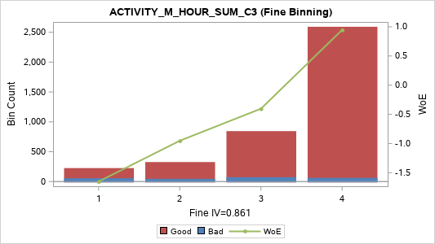
[07] (10, 11] | 3 | 134 | 9 | 125 | 3.36% | 6.72% | 93.28% | -0.131 | 0.001
[08] (11, 13] | 4 | 286 | 9 | 277 | 7.17% | 3.15% | 96.85% | 0.665 | 0.024
[09] (13, 14] | 4 | 128 | 2 | 126 | 3.21% | 1.56% | 98.44% | 1.381 | 0.035
[10] (14, 16] | 4 | 227 | 10 | 217 | 5.69% | 4.41% | 95.59% | 0.315 | 0.005
[11] (16, 18] | 4 | 218 | 7 | 211 | 5.46% | 3.21% | 96.79% | 0.644 | 0.017
[12] (18, 20] | 4 | 199 | 6 | 193 | 4.99% | 3.02% | 96.98% | 0.709 | 0.019
[13] (20, 22] | 4 | 145 | 4 | 141 | 3.63% | 2.76% | 97.24% | 0.8 | 0.017
[14] (22, 25] | 4 | 195 | 5 | 190 | 4.89% | 2.56% | 97.44% | 0.875 | 0.026
[15] (25, 28] | 5 | 202 | 3 | 199 | 5.06% | 1.49% | 98.51% | 1.432 | 0.058
[16] (28, 33] | 5 | 240 | 1 | 239 | 6.02% | 0.42% | 99.58% | 2.714 | 0.161
[17] (33, 38] | 5 | 194 | 2 | 192 | 4.86% | 1.03% | 98.97% | 1.802 | 0.077
[18] (38, 47] | 5 | 171 | 5 | 166 | 4.29% | 2.92% | 97.08% | 0.74 | 0.017
[19] (47, 62] | 5 | 194 | 5 | 189 | 4.86% | 2.58% | 97.42% | 0.87 | 0.025
[20] (62 , +INF) | 5 | 193 | 3 | 190 | 4.84% | 1.55% | 98.45% | 1.386 | 0.053
TOTAL |  | 3,990 | 237 | 3,753 | 100.00% | 5.94% | 94.06% |  | 1.008

ACTIVITY_M_HOUR_VAR_C3 (Coarse Binning) |  |  |  |  |  |  |  |  |  | ACTIVITY_M_HOUR_VAR_C3 (Fine Binning)

Label (Coarse) | Group | Total | Bad | Good | Percent | Bad Rate | Good Rate | WoE | IV | Label (Fine) | Group | Total | Bad | Good | Percent | Bad Rate | Good Rate | WoE | IV
[01] (-INF, 0.3333] | 1 | 94 | 31 | 63 | 2.36% | 32.98% | 67.02% | -2.053 | 0.234 | [01] (-INF, 0.3333] | 1 | 94 | 31 | 63 | 2.36% | 32.98% | 67.02% | -2.053 | 0.234
[02] (0.3333, 1.3333] | 2 | 269 | 39 | 230 | 6.74% | 14.50% | 85.50% | -0.988 | 0.102 | [02] (0.3333, 2.3333] | 2 | 446 | 61 | 385 | 11.18% | 13.68% | 86.32% | -0.92 | 0.142
[03] (1.3333, 2.3333] | 2 | 177 | 22 | 155 | 4.44% | 12.43% | 87.57% | -0.81 | 0.042 | [03] (2.3333, 9.0000] | 3 | 874 | 66 | 808 | 21.90% | 7.55% | 92.45% | -0.257 | 0.016
[04] (2.3333, 3.0000] | 3 | 287 | 24 | 263 | 7.19% | 8.36% | 91.64% | -0.368 | 0.011 | [04] (9.0000 , +INF) | 4 | 2,576 | 79 | 2,497 | 64.56% | 3.07% | 96.93% | 0.691 | 0.229
[05] (3.0000, 5.3333] | 3 | 136 | 9 | 127 | 3.41% | 6.62% | 93.38% | -0.115 | 0 | TOTAL |  | 3,990 | 237 | 3,753 | 100.00% | 5.94% | 94.06% |  | 0.622
[06] (5.3333, 7.0000] | 3 | 287 | 20 | 267 | 7.19% | 6.97% | 93.03% | -0.171 | 0.002
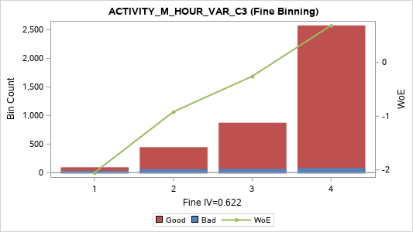
[07] (7.0000, 9.0000] | 3 | 164 | 13 | 151 | 4.11% | 7.93% | 92.07% | -0.31 | 0.005
[08] (9.0000, 12.0000] | 4 | 244 | 9 | 235 | 6.12% | 3.69% | 96.31% | 0.5 | 0.012
[09] (12.0000, 16.0000] | 4 | 142 | 6 | 136 | 3.56% | 4.23% | 95.77% | 0.359 | 0.004
[10] (16.0000, 19.0000] | 4 | 213 | 8 | 205 | 5.34% | 3.76% | 96.24% | 0.481 | 0.01
[11] (19.0000, 24.3333] | 4 | 174 | 4 | 170 | 4.36% | 2.30% | 97.70% | 0.987 | 0.028
[12] (24.3333, 30.3333] | 4 | 175 | 8 | 167 | 4.39% | 4.57% | 95.43% | 0.276 | 0.003
[13] (30.3333, 40.3333] | 4 | 218 | 6 | 212 | 5.46% | 2.75% | 97.25% | 0.803 | 0.025
[14] (40.3333, 50.3333] | 4 | 208 | 7 | 201 | 5.21% | 3.37% | 96.63% | 0.595 | 0.014
[15] (50.3333, 65.3333] | 4 | 200 | 9 | 191 | 5.01% | 4.50% | 95.50% | 0.293 | 0.004
[16] (65.3333, 85.3333] | 4 | 179 | 5 | 174 | 4.49% | 2.79% | 97.21% | 0.787 | 0.02
[17] (85.3333, 120.3333] | 5 | 212 | 5 | 207 | 5.31% | 2.36% | 97.64% | 0.961 | 0.033
[18] (120.3333, 177.3333] | 5 | 209 | 1 | 208 | 5.24% | 0.48% | 99.52% | 2.575 | 0.132
[19] (177.3333, 341.3333] | 5 | 199 | 5 | 194 | 4.99% | 2.51% | 97.49% | 0.896 | 0.027
[20] (341.3333 , +INF) | 5 | 203 | 6 | 197 | 5.09% | 2.96% | 97.04% | 0.729 | 0.02
TOTAL |  | 3,990 | 237 | 3,753 | 100.00% | 5.94% | 94.06% |  | 0.729

Activity_M_Name
ACTIVITY_M_NAME_M1 (Coarse Binning) |  |  |  |  |  |  |  |  |  | ACTIVITY_M_NAME_M1 (Fine Binning)

Label (Coarse) | Group | Total | Bad | Good | Percent | Bad Rate | Good Rate | WoE | IV | Label (Fine) | Group | Total | Bad | Good | Percent | Bad Rate | Good Rate | WoE | IV
[01] (-INF, 0] | 1 | 218 | 101 | 117 | 5.46% | 46.33% | 53.67% | -2.615 | 1.033 | [01] (-INF, 0] | 1 | 218 | 101 | 117 | 5.46% | 46.33% | 53.67% | -2.615 | 1.033
[02] (0, 2] | 2 | 295 | 42 | 253 | 7.39% | 14.24% | 85.76% | -0.967 | 0.106 | [02] (0, 2] | 2 | 295 | 42 | 253 | 7.39% | 14.24% | 85.76% | -0.967 | 0.106
[03] (2, 3] | 3 | 481 | 28 | 453 | 12.06% | 5.82% | 94.18% | 0.021 | 0 | [03] (2 , +INF) | 3 | 3,477 | 94 | 3,383 | 87.14% | 2.70% | 97.30% | 0.821 | 0.414
[04] (3, 4] | 4 | 734 | 24 | 710 | 18.40% | 3.27% | 96.73% | 0.625 | 0.055 | TOTAL |  | 3,990 | 237 | 3,753 | 100.00% | 5.94% | 94.06% |  | 1.554
[05] (4, 5] | 5 | 773 | 13 | 760 | 19.37% | 1.68% | 98.32% | 1.306 | 0.193
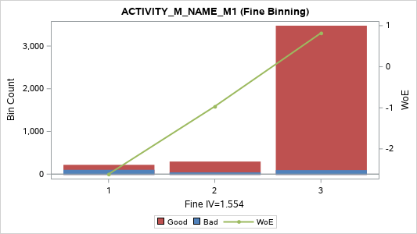
[06] (5, 6] | 5 | 637 | 10 | 627 | 15.96% | 1.57% | 98.43% | 1.376 | 0.172
[07] (6, 7] | 5 | 391 | 9 | 382 | 9.80% | 2.30% | 97.70% | 0.986 | 0.063
[08] (7, 8] | 5 | 253 | 6 | 247 | 6.34% | 2.37% | 97.63% | 0.955 | 0.039
[09] (8, 9] | 5 | 128 | 1 | 127 | 3.21% | 0.78% | 99.22% | 2.082 | 0.062
[10] (9 , +INF) | 5 | 80 | 3 | 77 | 2.01% | 3.75% | 96.25% | 0.483 | 0.004
TOTAL |  | 3,990 | 237 | 3,753 | 100.00% | 5.94% | 94.06% |  | 1.726

ACTIVITY_M_NAME_MAX_C3 (Coarse Binning) |  |  |  |  |  |  |  |  |  | ACTIVITY_M_NAME_MAX_C3 (Fine Binning)

Label (Coarse) | Group | Total | Bad | Good | Percent | Bad Rate | Good Rate | WoE | IV | Label (Fine) | Group | Total | Bad | Good | Percent | Bad Rate | Good Rate | WoE | IV
[1] (-INF, 3] | 1 | 244 | 37 | 207 | 6.12% | 15.16% | 84.84% | -1.04 | 0.105 | [1] (-INF, 3] | 1 | 244 | 37 | 207 | 6.12% | 15.16% | 84.84% | -1.04 | 0.105
[2] (3, 4] | 2 | 655 | 62 | 593 | 16.42% | 9.47% | 90.53% | -0.504 | 0.052 | [2] (3, 4] | 2 | 655 | 62 | 593 | 16.42% | 9.47% | 90.53% | -0.504 | 0.052
[3] (4, 5] | 3 | 916 | 44 | 872 | 22.96% | 4.80% | 95.20% | 0.224 | 0.01 | [3] (4 , +INF) | 3 | 3,091 | 138 | 2,953 | 77.47% | 4.46% | 95.54% | 0.301 | 0.062
[4] (5, 6] | 3 | 836 | 39 | 797 | 20.95% | 4.67% | 95.33% | 0.255 | 0.012 | TOTAL |  | 3,990 | 237 | 3,753 | 100.00% | 5.94% | 94.06% |  | 0.219
[5] (6, 7] | 4 | 589 | 26 | 563 | 14.76% | 4.41% | 95.59% | 0.313 | 0.013
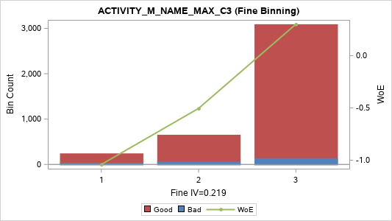
[6] (7, 8] | 5 | 415 | 14 | 401 | 10.40% | 3.37% | 96.63% | 0.593 | 0.028
[7] (8, 9] | 5 | 211 | 9 | 202 | 5.29% | 4.27% | 95.73% | 0.349 | 0.006
[8] (9 , +INF) | 5 | 124 | 6 | 118 | 3.11% | 4.84% | 95.16% | 0.217 | 0.001
TOTAL |  | 3,990 | 237 | 3,753 | 100.00% | 5.94% | 94.06% |  | 0.228

ACTIVITY_M_NAME_MIN_C3 (Coarse Binning) |  |  |  |  |  |  |  |  |  | ACTIVITY_M_NAME_MIN_C3 (Fine Binning)

Label (Coarse) | Group | Total | Bad | Good | Percent | Bad Rate | Good Rate | WoE | IV | Label (Fine) | Group | Total | Bad | Good | Percent | Bad Rate | Good Rate | WoE | IV
[1] (-INF, 0] | 1 | 2,635 | 203 | 2,432 | 66.04% | 7.70% | 92.30% | -0.279 | 0.058 | [1] (-INF, 0] | 1 | 2,635 | 203 | 2,432 | 66.04% | 7.70% | 92.30% | -0.279 | 0.058
[2] (0, 2] | 2 | 325 | 14 | 311 | 8.15% | 4.31% | 95.69% | 0.338 | 0.008 | [2] (0, 2] | 2 | 325 | 14 | 311 | 8.15% | 4.31% | 95.69% | 0.338 | 0.008
[3] (2, 3] | 3 | 424 | 12 | 412 | 10.63% | 2.83% | 97.17% | 0.774 | 0.046 | [3] (2, 3] | 3 | 424 | 12 | 412 | 10.63% | 2.83% | 97.17% | 0.774 | 0.046
[4] (3, 4] | 4 | 307 | 6 | 301 | 7.69% | 1.95% | 98.05% | 1.153 | 0.063 | [4] (3, 4] | 4 | 307 | 6 | 301 | 7.69% | 1.95% | 98.05% | 1.153 | 0.063
[5] (4, 5] | 5 | 192 | 2 | 190 | 4.81% | 1.04% | 98.96% | 1.792 | 0.076 | [5] (4 , +INF) | 5 | 299 | 2 | 297 | 7.49% | 0.67% | 99.33% | 2.238 | 0.158
[6] (5 , +INF) | 5 | 107 | 0 | 107 | 2.68% | 0.00% | 100.00% | 2.608 | 0.074 | TOTAL |  | 3,990 | 237 | 3,753 | 100.00% | 5.94% | 94.06% |  | 0.334
TOTAL |  | 3,990 | 237 | 3,753 | 100.00% | 5.94% | 94.06% |  | 0.325
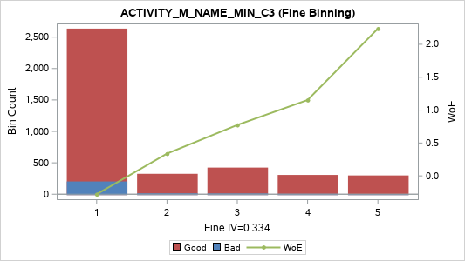

ACTIVITY_M_NAME_SUM_C3 (Coarse Binning) |  |  |  |  |  |  |  |  |  | ACTIVITY_M_NAME_SUM_C3 (Fine Binning)

Label (Coarse) | Group | Total | Bad | Good | Percent | Bad Rate | Good Rate | WoE | IV | Label (Fine) | Group | Total | Bad | Good | Percent | Bad Rate | Good Rate | WoE | IV
[01] (-INF, 4] | 1 | 345 | 57 | 288 | 8.65% | 16.52% | 83.48% | -1.142 | 0.187 | [01] (-INF, 4] | 1 | 345 | 57 | 288 | 8.65% | 16.52% | 83.48% | -1.142 | 0.187
[02] (4, 5] | 2 | 368 | 28 | 340 | 9.22% | 7.61% | 92.39% | -0.266 | 0.007 | [02] (4, 6] | 2 | 750 | 62 | 688 | 18.80% | 8.27% | 91.73% | -0.356 | 0.028
[03] (5, 6] | 2 | 382 | 34 | 348 | 9.57% | 8.90% | 91.10% | -0.436 | 0.022 | [03] (6, 8] | 3 | 708 | 44 | 664 | 17.74% | 6.21% | 93.79% | -0.048 | 0
[04] (6, 7] | 3 | 354 | 22 | 332 | 8.87% | 6.21% | 93.79% | -0.048 | 0 | [04] (8, 14] | 4 | 1,563 | 61 | 1,502 | 39.17% | 3.90% | 96.10% | 0.441 | 0.063
[05] (7, 8] | 3 | 354 | 22 | 332 | 8.87% | 6.21% | 93.79% | -0.048 | 0 | [05] (14 , +INF) | 5 | 624 | 13 | 611 | 15.64% | 2.08% | 97.92% | 1.088 | 0.117
[06] (8, 9] | 4 | 304 | 13 | 291 | 7.62% | 4.28% | 95.72% | 0.346 | 0.008 | TOTAL |  | 3,990 | 237 | 3,753 | 100.00% | 5.94% | 94.06% |  | 0.396
[07] (9, 10] | 4 | 315 | 10 | 305 | 7.89% | 3.17% | 96.83% | 0.655 | 0.026
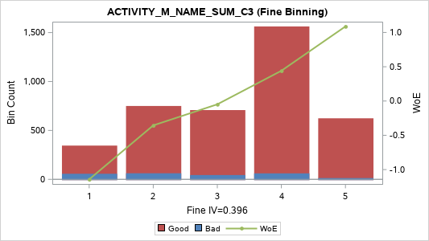
[08] (10, 11] | 4 | 290 | 14 | 276 | 7.27% | 4.83% | 95.17% | 0.219 | 0.003
[09] (11, 12] | 4 | 249 | 9 | 240 | 6.24% | 3.61% | 96.39% | 0.521 | 0.014
[10] (12, 13] | 4 | 218 | 5 | 213 | 5.46% | 2.29% | 97.71% | 0.99 | 0.035
[11] (13, 14] | 4 | 187 | 10 | 177 | 4.69% | 5.35% | 94.65% | 0.111 | 0.001
[12] (14, 15] | 5 | 141 | 2 | 139 | 3.53% | 1.42% | 98.58% | 1.479 | 0.042
[13] (15, 16] | 5 | 111 | 3 | 108 | 2.78% | 2.70% | 97.30% | 0.821 | 0.013
[14] (16, 19] | 5 | 222 | 5 | 217 | 5.56% | 2.25% | 97.75% | 1.008 | 0.037
[15] (19 , +INF) | 5 | 150 | 3 | 147 | 3.76% | 2.00% | 98.00% | 1.13 | 0.03
TOTAL |  | 3,990 | 237 | 3,753 | 100.00% | 5.94% | 94.06% |  | 0.425

ACTIVITY_M_NAME_VAR_C3 (Coarse Binning) |  |  |  |  |  |  |  |  |  | ACTIVITY_M_NAME_VAR_C3 (Fine Binning)

Label (Coarse) | Group | Total | Bad | Good | Percent | Bad Rate | Good Rate | WoE | IV | Label (Fine) | Group | Total | Bad | Good | Percent | Bad Rate | Good Rate | WoE | IV
[01] (-INF, 0.3333] | 1 | 66 | 0 | 66 | 1.65% | 0.00% | 100.00% | 2.128 | 0.037 | [01] (-INF, 1] | 1 | 566 | 17 | 549 | 14.19% | 3.00% | 97.00% | 0.713 | 0.053
[02] (0.3333, 1.0000] | 1 | 500 | 17 | 483 | 12.53% | 3.40% | 96.60% | 0.585 | 0.033 | [02] (1 , +INF) | 2 | 3,424 | 220 | 3,204 | 85.81% | 6.43% | 93.57% | -0.084 | 0.006
[03] (1.0000, 1.3333] | 1 |  |  |  |  |  |  |  |  | TOTAL |  | 3,990 | 237 | 3,753 | 100.00% | 5.94% | 94.06% |  | 0.059
[04] (1.3333, 2.3333] | 2 | 213 | 13 | 200 | 5.34% | 6.10% | 93.90% | -0.029 | 0
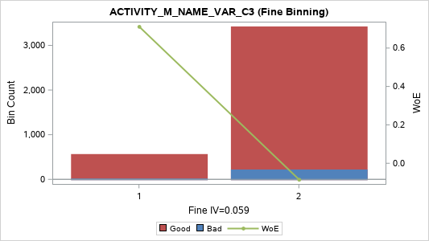
[05] (2.3333, 3.0000] | 3 | 431 | 26 | 405 | 10.80% | 6.03% | 93.97% | -0.016 | 0
[06] (3.0000, 4.3333] | 3 | 99 | 14 | 85 | 2.48% | 14.14% | 85.86% | -0.959 | 0.035
[07] (4.3333, 5.3333] | 3 | 221 | 14 | 207 | 5.54% | 6.33% | 93.67% | -0.069 | 0
[08] (5.3333, 7.0000] | 4 | 617 | 52 | 565 | 15.46% | 8.43% | 91.57% | -0.377 | 0.026
[09] (7.0000, 8.3333] | 5
[10] (8.3333, 9.0000] | 5 | 450 | 23 | 427 | 11.28% | 5.11% | 94.89% | 0.159 | 0.003
[11] (9.0000, 10.3333] | 5 | 108 | 8 | 100 | 2.71% | 7.41% | 92.59% | -0.237 | 0.002
[12] (10.3333, 12.0000] | 5 | 422 | 27 | 395 | 10.58% | 6.40% | 93.60% | -0.079 | 0.001
[13] (12.0000, 12.3333] | 5
[14] (12.3333, 16.3333] | 5 | 220 | 14 | 206 | 5.51% | 6.36% | 93.64% | -0.073 | 0
[15] (16.3333, 17.3333] | 5 | 231 | 8 | 223 | 5.79% | 3.46% | 96.54% | 0.565 | 0.015
[16] (17.3333, 21.3333] | 5 | 91 | 8 | 83 | 2.28% | 8.79% | 91.21% | -0.423 | 0.005
[17] (21.3333 , +INF) | 5 | 321 | 13 | 308 | 8.05% | 4.05% | 95.95% | 0.403 | 0.011
TOTAL |  | 3,990 | 237 | 3,753 | 100.00% | 5.94% | 94.06% |  | 0.168

