Transaction_No
TRANS_NO_M1 (Coarse Binning) |  |  |  |  |  |  |  |  |  | TRANS_NO_M1 (Fine Binning)

Label (Coarse) | Group | Total | Bad | Good | Percent | Bad Rate | Good Rate | WoE | IV | Label (Fine) | Group | Total | Bad | Good | Percent | Bad Rate | Good Rate | WoE | IV
[01] (-INF, 0] | 1 | 534 | 131 | 403 | 13.38% | 24.53% | 75.47% | -1.639 | 0.73 | [01] (-INF, 0] | 1 | 534 | 131 | 403 | 13.38% | 24.53% | 75.47% | -1.639 | 0.73
[02] (0, 1] | 2 | 987 | 44 | 943 | 24.74% | 4.46% | 95.54% | 0.303 | 0.02 | [02] (0, 6] | 2 | 2,689 | 93 | 2,596 | 67.39% | 3.46% | 96.54% | 0.567 | 0.17
[03] (1, 2] | 3 | 585 | 23 | 562 | 14.66% | 3.93% | 96.07% | 0.434 | 0.023 | [03] (6 , +INF) | 3 | 767 | 13 | 754 | 19.22% | 1.69% | 98.31% | 1.298 | 0.19
[04] (2, 3] | 4 | 427 | 9 | 418 | 10.70% | 2.11% | 97.89% | 1.076 | 0.079 | TOTAL |  | 3,990 | 237 | 3,753 | 100.00% | 5.94% | 94.06% |  | 1.089
[05] (3, 4] | 4 | 335 | 5 | 330 | 8.40% | 1.49% | 98.51% | 1.427 | 0.095
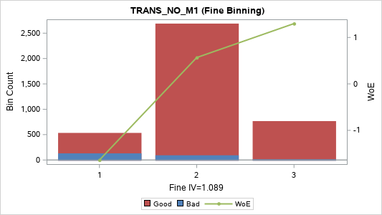
[06] (4, 5] | 4 | 189 | 6 | 183 | 4.74% | 3.17% | 96.83% | 0.655 | 0.015
[07] (5, 6] | 4 | 166 | 6 | 160 | 4.16% | 3.61% | 96.39% | 0.521 | 0.009
[08] (6, 8] | 5 | 232 | 4 | 228 | 5.81% | 1.72% | 98.28% | 1.281 | 0.056
[09] (8, 10] | 5 | 158 | 1 | 157 | 3.96% | 0.63% | 99.37% | 2.294 | 0.086
[10] (10, 15] | 5 | 192 | 5 | 187 | 4.81% | 2.60% | 97.40% | 0.859 | 0.025
[11] (15 , +INF) | 5 | 185 | 3 | 182 | 4.64% | 1.62% | 98.38% | 1.343 | 0.048
TOTAL |  | 3,990 | 237 | 3,753 | 100.00% | 5.94% | 94.06% |  | 1.187

TRANS_NO_MAX_C3 (Coarse Binning) |  |  |  |  |  |  |  |  |  | TRANS_NO_MAX_C3 (Fine Binning)

Label (Coarse) | Group | Total | Bad | Good | Percent | Bad Rate | Good Rate | WoE | IV | Label (Fine) | Group | Total | Bad | Good | Percent | Bad Rate | Good Rate | WoE | IV
[01] (-INF, 1] | 1 | 1,104 | 99 | 1,005 | 27.67% | 8.97% | 91.03% | -0.445 | 0.067 | [01] (-INF, 1] | 1 | 1,104 | 99 | 1,005 | 27.67% | 8.97% | 91.03% | -0.445 | 0.067
[02] (1, 2] | 2 | 686 | 50 | 636 | 17.19% | 7.29% | 92.71% | -0.219 | 0.009 | [02] (1, 2] | 2 | 686 | 50 | 636 | 17.19% | 7.29% | 92.71% | -0.219 | 0.009
[03] (2, 3] | 3 | 483 | 26 | 457 | 12.11% | 5.38% | 94.62% | 0.104 | 0.001 | [03] (2, 6] | 3 | 1,295 | 65 | 1,230 | 32.46% | 5.02% | 94.98% | 0.178 | 0.01
[04] (3, 4] | 3 | 382 | 16 | 366 | 9.57% | 4.19% | 95.81% | 0.368 | 0.011 | [04] (6 , +INF) | 4 | 905 | 23 | 882 | 22.68% | 2.54% | 97.46% | 0.884 | 0.122
[05] (4, 5] | 3 | 236 | 12 | 224 | 5.91% | 5.08% | 94.92% | 0.164 | 0.001 | TOTAL |  | 3,990 | 237 | 3,753 | 100.00% | 5.94% | 94.06% |  | 0.207
[06] (5, 6] | 3 | 194 | 11 | 183 | 4.86% | 5.67% | 94.33% | 0.049 | 0
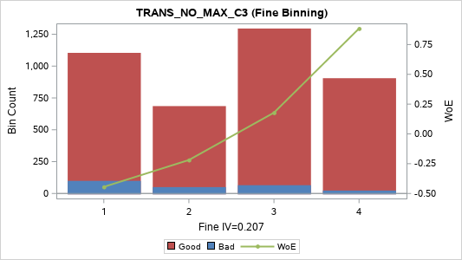
[07] (6, 7] | 4 | 166 | 5 | 161 | 4.16% | 3.01% | 96.99% | 0.71 | 0.015
[08] (7, 9] | 5 | 215 | 3 | 212 | 5.39% | 1.40% | 98.60% | 1.496 | 0.066
[09] (9, 11] | 5 | 142 | 2 | 140 | 3.56% | 1.41% | 98.59% | 1.486 | 0.043
[10] (11, 16] | 5 | 183 | 6 | 177 | 4.59% | 3.28% | 96.72% | 0.622 | 0.014
[11] (16 , +INF) | 5 | 199 | 7 | 192 | 4.99% | 3.52% | 96.48% | 0.549 | 0.012
TOTAL |  | 3,990 | 237 | 3,753 | 100.00% | 5.94% | 94.06% |  | 0.239

TRANS_NO_MIN_C3 (Coarse Binning) |  |  |  |  |  |  |  |  |  | TRANS_NO_MIN_C3 (Fine Binning)

Label (Coarse) | Group | Total | Bad | Good | Percent | Bad Rate | Good Rate | WoE | IV | Label (Fine) | Group | Total | Bad | Good | Percent | Bad Rate | Good Rate | WoE | IV
[1] (-INF, 0] | 1 | 3,456 | 225 | 3,231 | 86.62% | 6.51% | 93.49% | -0.098 | 0.009 | [1] (-INF, 0] | 1 | 3,456 | 225 | 3,231 | 86.62% | 6.51% | 93.49% | -0.098 | 0.009
[2] (0, 1] | 2 | 229 | 6 | 223 | 5.74% | 2.62% | 97.38% | 0.853 | 0.029 | [2] (0, 2] | 2 | 341 | 10 | 331 | 8.55% | 2.93% | 97.07% | 0.737 | 0.034
[3] (1, 2] | 2 | 112 | 4 | 108 | 2.81% | 3.57% | 96.43% | 0.534 | 0.006 | [3] (2 , +INF) | 3 | 193 | 2 | 191 | 4.84% | 1.04% | 98.96% | 1.797 | 0.076
[4] (2 , +INF) | 3 | 193 | 2 | 191 | 4.84% | 1.04% | 98.96% | 1.797 | 0.076 | TOTAL |  | 3,990 | 237 | 3,753 | 100.00% | 5.94% | 94.06% |  | 0.119
TOTAL |  | 3,990 | 237 | 3,753 | 100.00% | 5.94% | 94.06% |  | 0.12
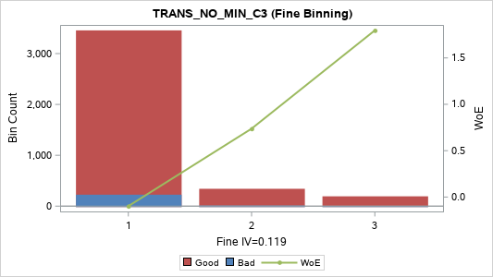

TRANS_NO_SUM_C3 (Coarse Binning) |  |  |  |  |  |  |  |  |  | TRANS_NO_SUM_C3 (Fine Binning)

Label (Coarse) | Group | Total | Bad | Good | Percent | Bad Rate | Good Rate | WoE | IV | Label (Fine) | Group | Total | Bad | Good | Percent | Bad Rate | Good Rate | WoE | IV
[01] (-INF, 1] | 1 | 959 | 87 | 872 | 24.04% | 9.07% | 90.93% | -0.457 | 0.062 | [01] (-INF, 2] | 1 | 1,539 | 136 | 1,403 | 38.57% | 8.84% | 91.16% | -0.429 | 0.086
[02] (1, 2] | 1 | 580 | 49 | 531 | 14.54% | 8.45% | 91.55% | -0.379 | 0.025 | [02] (2, 7] | 2 | 1,394 | 72 | 1,322 | 34.94% | 5.16% | 94.84% | 0.148 | 0.007
[03] (2, 3] | 2 | 470 | 29 | 441 | 11.78% | 6.17% | 93.83% | -0.041 | 0 | [03] (7 , +INF) | 3 | 1,057 | 29 | 1,028 | 26.49% | 2.74% | 97.26% | 0.806 | 0.122
[04] (3, 4] | 3 | 325 | 14 | 311 | 8.15% | 4.31% | 95.69% | 0.338 | 0.008 | TOTAL |  | 3,990 | 237 | 3,753 | 100.00% | 5.94% | 94.06% |  | 0.215
[05] (4, 5] | 3 | 246 | 9 | 237 | 6.17% | 3.66% | 96.34% | 0.509 | 0.013
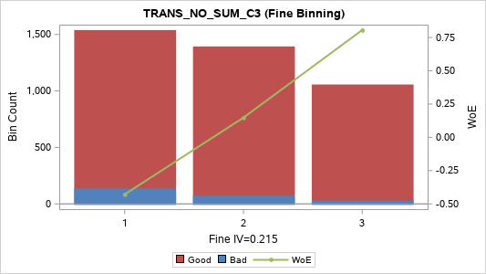
[06] (5, 6] | 3 | 181 | 11 | 170 | 4.54% | 6.08% | 93.92% | -0.024 | 0
[07] (6, 7] | 3 | 172 | 9 | 163 | 4.31% | 5.23% | 94.77% | 0.134 | 0.001
[08] (7, 8] | 4 | 138 | 3 | 135 | 3.46% | 2.17% | 97.83% | 1.044 | 0.024
[09] (8, 10] | 4 | 188 | 7 | 181 | 4.71% | 3.72% | 96.28% | 0.49 | 0.009
[10] (10, 12] | 4 | 164 | 5 | 159 | 4.11% | 3.05% | 96.95% | 0.697 | 0.015
[11] (12, 16] | 5 | 195 | 4 | 191 | 4.89% | 2.05% | 97.95% | 1.104 | 0.038
[12] (16, 24] | 5 | 177 | 5 | 172 | 4.44% | 2.82% | 97.18% | 0.776 | 0.019
[13] (24 , +INF) | 5 | 195 | 5 | 190 | 4.89% | 2.56% | 97.44% | 0.875 | 0.026
TOTAL |  | 3,990 | 237 | 3,753 | 100.00% | 5.94% | 94.06% |  | 0.239

TRANS_NO_AVG_C3 (Coarse Binning) |  |  |  |  |  |  |  |  |  | TRANS_NO_AVG_C3 (Fine Binning)

Label (Coarse) | Group | Total | Bad | Good | Percent | Bad Rate | Good Rate | WoE | IV | Label (Fine) | Group | Total | Bad | Good | Percent | Bad Rate | Good Rate | WoE | IV
[01] (-INF, 0.3333] | 1 |  |  |  |  |  |  |  |  | [01] (-INF, 2.3333] | 1 | 2,761 | 199 | 2,562 | 69.20% | 7.21% | 92.79% | -0.207 | 0.033
[02] (0.3333, 0.6667] | 1 | 1,539 | 136 | 1,403 | 38.57% | 8.84% | 91.16% | -0.429 | 0.086 | [02] (2.3333 , +INF) | 2 | 1,229 | 38 | 1,191 | 30.80% | 3.09% | 96.91% | 0.683 | 0.107
[03] (0.6667, 1.0000] | 1 | 470 | 29 | 441 | 11.78% | 6.17% | 93.83% | -0.041 | 0 | TOTAL |  | 3,990 | 237 | 3,753 | 100.00% | 5.94% | 94.06% |  | 0.14
[04] (1.0000, 1.3333] | 1
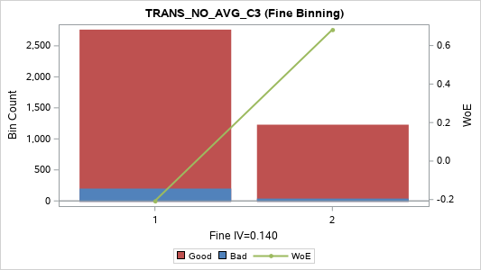
[05] (1.3333, 1.6667] | 1 | 571 | 23 | 548 | 14.31% | 4.03% | 95.97% | 0.409 | 0.02
[06] (1.6667, 2.0000] | 1 | 181 | 11 | 170 | 4.54% | 6.08% | 93.92% | -0.024 | 0
[07] (2.0000, 2.3333] | 1
[08] (2.3333, 2.6667] | 2 | 310 | 12 | 298 | 7.77% | 3.87% | 96.13% | 0.45 | 0.013
[09] (2.6667, 3.3333] | 3 | 88 | 2 | 86 | 2.21% | 2.27% | 97.73% | 0.999 | 0.014
[10] (3.3333, 4.0000] | 3 | 264 | 10 | 254 | 6.62% | 3.79% | 96.21% | 0.472 | 0.012
[11] (4.0000, 5.3333] | 4 | 154 | 4 | 150 | 3.86% | 2.60% | 97.40% | 0.862 | 0.02
[12] (5.3333, 8.0000] | 5 | 218 | 5 | 213 | 5.46% | 2.29% | 97.71% | 0.99 | 0.035
[13] (8.0000 , +INF) | 5 | 195 | 5 | 190 | 4.89% | 2.56% | 97.44% | 0.875 | 0.026
TOTAL |  | 3,990 | 237 | 3,753 | 100.00% | 5.94% | 94.06% |  | 0.226

TRANS_NO_VAR_C3 (Coarse Binning) |  |  |  |  |  |  |  |  |  | TRANS_NO_VAR_C3 (Fine Binning)

Label (Coarse) | Group | Total | Bad | Good | Percent | Bad Rate | Good Rate | WoE | IV | Label (Fine) | Group | Total | Bad | Good | Percent | Bad Rate | Good Rate | WoE | IV
[01] (-INF, 0.3333] | 1 | 18 | 0 | 18 | 0.45% | 0.00% | 100.00% | 0.849 | 0.004 | [01] (-INF, 4] | 1 | 2,418 | 182 | 2,236 | 60.60% | 7.53% | 92.47% | -0.254 | 0.044
[02] (0.3333, 1.0000] | 1 | 1,327 | 113 | 1,214 | 33.26% | 8.52% | 91.48% | -0.388 | 0.059 | [02] (4 , +INF) | 2 | 1,572 | 55 | 1,517 | 39.40% | 3.50% | 96.50% | 0.555 | 0.096
[03] (1.0000, 1.3333] | 1 |  |  |  |  |  |  |  |  | TOTAL |  | 3,990 | 237 | 3,753 | 100.00% | 5.94% | 94.06% |  | 0.139
[04] (1.3333, 2.3333] | 2 | 531 | 40 | 491 | 13.31% | 7.53% | 92.47% | -0.255 | 0.01
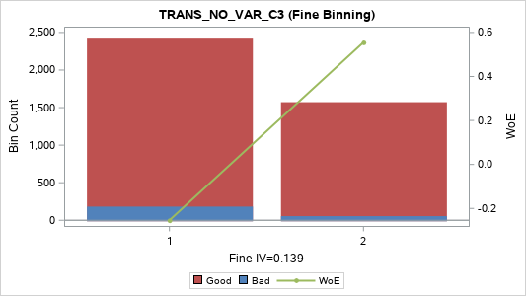
[05] (2.3333, 3.0000] | 3 | 496 | 26 | 470 | 12.43% | 5.24% | 94.76% | 0.132 | 0.002
[06] (3.0000, 4.0000] | 3 | 46 | 3 | 43 | 1.15% | 6.52% | 93.48% | -0.1 | 0
[07] (4.0000, 5.3333] | 4 | 126 | 3 | 123 | 3.16% | 2.38% | 97.62% | 0.951 | 0.019
[08] (5.3333, 6.3333] | 4 | 215 | 11 | 204 | 5.39% | 5.12% | 94.88% | 0.158 | 0.001
[09] (6.3333, 9.0000] | 4 | 244 | 9 | 235 | 6.12% | 3.69% | 96.31% | 0.5 | 0.012
[10] (9.0000, 12.3333] | 4 | 171 | 9 | 162 | 4.29% | 5.26% | 94.74% | 0.128 | 0.001
[11] (12.3333, 17.3333] | 5 | 205 | 6 | 199 | 5.14% | 2.93% | 97.07% | 0.739 | 0.02
[12] (17.3333, 32.3333] | 5 | 205 | 4 | 201 | 5.14% | 1.95% | 98.05% | 1.155 | 0.042
[13] (32.3333, 67.0000] | 5 | 207 | 6 | 201 | 5.19% | 2.90% | 97.10% | 0.749 | 0.021
[14] (67.0000 , +INF) | 5 | 199 | 7 | 192 | 4.99% | 3.52% | 96.48% | 0.549 | 0.012
TOTAL |  | 3,990 | 237 | 3,753 | 100.00% | 5.94% | 94.06% |  | 0.205

TRANS_NO_RNG_C3 (Coarse Binning) |  |  |  |  |  |  |  |  |  | TRANS_NO_RNG_C3 (Fine Binning)

Label (Coarse) | Group | Total | Bad | Good | Percent | Bad Rate | Good Rate | WoE | IV | Label (Fine) | Group | Total | Bad | Good | Percent | Bad Rate | Good Rate | WoE | IV
[01] (-INF, 1] | 1 | 1,163 | 100 | 1,063 | 29.15% | 8.60% | 91.40% | -0.399 | 0.055 | [01] (-INF, 1] | 1 | 1,163 | 100 | 1,063 | 29.15% | 8.60% | 91.40% | -0.399 | 0.055
[02] (1, 2] | 2 | 713 | 53 | 660 | 17.87% | 7.43% | 92.57% | -0.24 | 0.011 | [02] (1, 2] | 2 | 713 | 53 | 660 | 17.87% | 7.43% | 92.57% | -0.24 | 0.011
[03] (2, 3] | 3 | 496 | 26 | 470 | 12.43% | 5.24% | 94.76% | 0.132 | 0.002 | [03] (2, 3] | 3 | 496 | 26 | 470 | 12.43% | 5.24% | 94.76% | 0.132 | 0.002
[04] (3, 4] | 4 | 387 | 17 | 370 | 9.70% | 4.39% | 95.61% | 0.318 | 0.009 | [04] (3, 6] | 4 | 802 | 35 | 767 | 20.10% | 4.36% | 95.64% | 0.325 | 0.018
[05] (4, 5] | 4 | 228 | 8 | 220 | 5.71% | 3.51% | 96.49% | 0.552 | 0.014 | [05] (6 , +INF) | 5 | 816 | 23 | 793 | 20.45% | 2.82% | 97.18% | 0.778 | 0.089
[06] (5, 6] | 4 | 187 | 10 | 177 | 4.69% | 5.35% | 94.65% | 0.111 | 0.001 | TOTAL |  | 3,990 | 237 | 3,753 | 100.00% | 5.94% | 94.06% |  | 0.176
[07] (6, 7] | 5 | 170 | 5 | 165 | 4.26% | 2.94% | 97.06% | 0.734 | 0.017
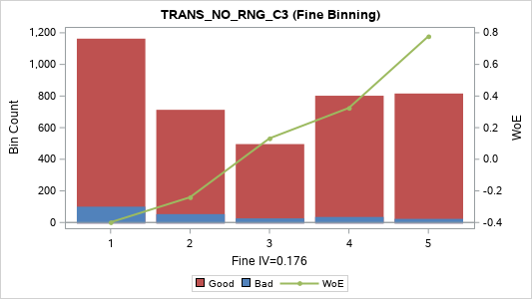
[08] (7, 8] | 5 | 111 | 3 | 108 | 2.78% | 2.70% | 97.30% | 0.821 | 0.013
[09] (8, 10] | 5 | 144 | 2 | 142 | 3.61% | 1.39% | 98.61% | 1.5 | 0.044
[10] (10, 15] | 5 | 206 | 6 | 200 | 5.16% | 2.91% | 97.09% | 0.744 | 0.021
[11] (15 , +INF) | 5 | 185 | 7 | 178 | 4.64% | 3.78% | 96.22% | 0.474 | 0.008
TOTAL |  | 3,990 | 237 | 3,753 | 100.00% | 5.94% | 94.06% |  | 0.195

TRANS_NO_CRR_C3 (Coarse Binning) |  |  |  |  |  |  |  |  |  | TRANS_NO_CRR_C3 (Fine Binning)

Label (Coarse) | Group | Total | Bad | Good | Percent | Bad Rate | Good Rate | WoE | IV | Label (Fine) | Group | Total | Bad | Good | Percent | Bad Rate | Good Rate | WoE | IV
[01] MISSING | 1 | 18 | 0 | 18 | 0.45% | 0.00% | 100.00% | 0.849 | 0.004 | [01] MISSING | 1 | 18 | 0 | 18 | 0.45% | 0.00% | 100.00% | 0.849 | 0.004
[02] (-INF, -0.9934] | 2 | 175 | 4 | 171 | 4.39% | 2.29% | 97.71% | 0.993 | 0.028 | [02] (-INF, -0.6547] | 2 | 2,943 | 82 | 2,861 | 73.76% | 2.79% | 97.21% | 0.79 | 0.329
[03] (-0.9934, -0.9608] | 2 | 209 | 3 | 206 | 5.24% | 1.44% | 98.56% | 1.467 | 0.062 | [03] (-0.6547 , +INF) | 3 | 1,029 | 155 | 874 | 25.79% | 15.06% | 84.94% | -1.033 | 0.435
[04] (-0.9608, -0.9177] | 2 | 210 | 3 | 207 | 5.26% | 1.43% | 98.57% | 1.472 | 0.063 | TOTAL |  | 3,990 | 237 | 3,753 | 100.00% | 5.94% | 94.06% |  | 0.768
[05] (-0.9177, -0.8660] | 3 | 2,250 | 71 | 2,179 | 56.39% | 3.16% | 96.84% | 0.662 | 0.186
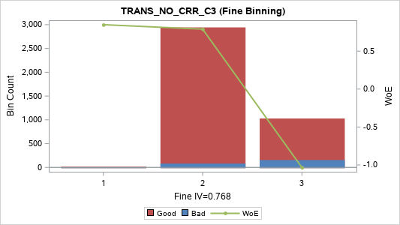
[06] (-0.8660, -0.6547] | 3 | 99 | 1 | 98 | 2.48% | 1.01% | 98.99% | 1.823 | 0.04
[07] (-0.6547, -0.2402] | 4 | 225 | 15 | 210 | 5.64% | 6.67% | 93.33% | -0.123 | 0.001
[08] (-0.2402, 0.0000] | 4 | 361 | 54 | 307 | 9.05% | 14.96% | 85.04% | -1.024 | 0.15
[09] (0.0000, 0.4271] | 4 | 42 | 7 | 35 | 1.05% | 16.67% | 83.33% | -1.153 | 0.023
[10] (0.4271, 0.8660] | 4 | 71 | 3 | 68 | 1.78% | 4.23% | 95.77% | 0.359 | 0.002
[11] (0.8660 , +INF) | 5 | 330 | 76 | 254 | 8.27% | 23.03% | 76.97% | -1.556 | 0.394
TOTAL |  | 3,990 | 237 | 3,753 | 100.00% | 5.94% | 94.06% |  | 0.952

TRANS_NO_SLP_C3 (Coarse Binning) |  |  |  |  |  |  |  |  |  | TRANS_NO_SLP_C3 (Fine Binning)

Label (Coarse) | Group | Total | Bad | Good | Percent | Bad Rate | Good Rate | WoE | IV | Label (Fine) | Group | Total | Bad | Good | Percent | Bad Rate | Good Rate | WoE | IV
[01] (-INF, -7.0] | 1 | 206 | 4 | 202 | 5.16% | 1.94% | 98.06% | 1.16 | 0.043 | [01] (-INF, -1.5] | 1 | 1,712 | 31 | 1,681 | 42.91% | 1.81% | 98.19% | 1.231 | 0.39
[02] (-7.0, -4.5] | 1 | 244 | 5 | 239 | 6.12% | 2.05% | 97.95% | 1.105 | 0.047 | [02] (-1.5, -0.5] | 2 | 1,500 | 68 | 1,432 | 37.59% | 4.53% | 95.47% | 0.285 | 0.027
[03] (-4.5, -3.5] | 1 | 209 | 3 | 206 | 5.24% | 1.44% | 98.56% | 1.467 | 0.062 | [03] (-0.5 , +INF) | 3 | 778 | 138 | 640 | 19.50% | 17.74% | 82.26% | -1.228 | 0.506
[04] (-3.5, -3.0] | 1 | 153 | 6 | 147 | 3.83% | 3.92% | 96.08% | 0.436 | 0.006 | TOTAL |  | 3,990 | 237 | 3,753 | 100.00% | 5.94% | 94.06% |  | 0.923
[05] (-3.0, -2.0] | 1 | 493 | 8 | 485 | 12.36% | 1.62% | 98.38% | 1.342 | 0.128
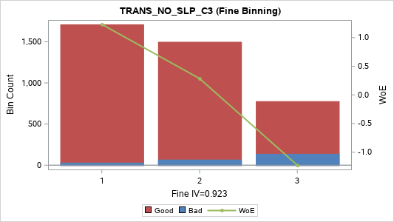
[06] (-2.0, -1.5] | 1 | 407 | 5 | 402 | 10.20% | 1.23% | 98.77% | 1.625 | 0.14
[07] (-1.5, -1.0] | 2 | 553 | 24 | 529 | 13.86% | 4.34% | 95.66% | 0.331 | 0.013
[08] (-1.0, -0.5] | 3 | 947 | 44 | 903 | 23.73% | 4.65% | 95.35% | 0.259 | 0.014
[09] (-0.5, 0.0] | 4 | 335 | 52 | 283 | 8.40% | 15.52% | 84.48% | -1.068 | 0.154
[10] (0.0, 0.5] | 5 | 182 | 40 | 142 | 4.56% | 21.98% | 78.02% | -1.495 | 0.196
[11] (0.5, 1.0] | 5 | 93 | 18 | 75 | 2.33% | 19.35% | 80.65% | -1.335 | 0.075
[12] (1.0 , +INF) | 5 | 168 | 28 | 140 | 4.21% | 16.67% | 83.33% | -1.153 | 0.093
TOTAL |  | 3,990 | 237 | 3,753 | 100.00% | 5.94% | 94.06% |  | 0.971

Transaction_Amt_Max
TRANS_AMT_MAX_M1 (Coarse Binning) |  |  |  |  |  |  |  |  |  | TRANS_AMT_MAX_M1 (Fine Binning)

Label (Coarse) | Group | Total | Bad | Good | Percent | Bad Rate | Good Rate | WoE | IV | Label (Fine) | Group | Total | Bad | Good | Percent | Bad Rate | Good Rate | WoE | IV
[01] (-INF, 0] | 1 | 534 | 131 | 403 | 13.38% | 24.53% | 75.47% | -1.639 | 0.73 | [01] (-INF, 0] | 1 | 534 | 131 | 403 | 13.38% | 24.53% | 75.47% | -1.639 | 0.73
[02] (0, 20,000] | 2 | 105 | 2 | 103 | 2.63% | 1.90% | 98.10% | 1.179 | 0.022 | [02] (0 , +INF) | 2 | 3,456 | 106 | 3,350 | 86.62% | 3.07% | 96.93% | 0.691 | 0.308
[03] (20,000, 50,000] | 2 | 169 | 10 | 159 | 4.24% | 5.92% | 94.08% | 0.004 | 0 | TOTAL |  | 3,990 | 237 | 3,753 | 100.00% | 5.94% | 94.06% |  | 1.037
[04] (50,000, 100,000] | 3 | 211 | 8 | 203 | 5.29% | 3.79% | 96.21% | 0.472 | 0.01
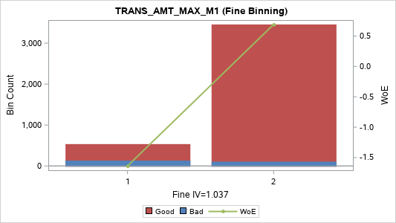
[05] (100,000, 250,000] | 4 | 178 | 12 | 166 | 4.46% | 6.74% | 93.26% | -0.135 | 0.001
[06] (250,000, 500,000] | 4 | 289 | 3 | 286 | 7.24% | 1.04% | 98.96% | 1.795 | 0.114
[07] (500,000, 752,912] | 5 | 110 | 0 | 110 | 2.76% | 0.00% | 100.00% | 2.636 | 0.077
[08] (752,912, 1,000,000] | 5 | 246 | 3 | 243 | 6.17% | 1.22% | 98.78% | 1.632 | 0.085
[09] (1,000,000, 1,500,000] | 5 | 158 | 5 | 153 | 3.96% | 3.16% | 96.84% | 0.659 | 0.013
[10] (1,500,000, 2,000,000] | 5 | 211 | 4 | 207 | 5.29% | 1.90% | 98.10% | 1.184 | 0.045
[11] (2,000,000, 3,000,000] | 5 | 235 | 5 | 230 | 5.89% | 2.13% | 97.87% | 1.066 | 0.043
[12] (3,000,000, 4,000,000] | 5 | 156 | 6 | 150 | 3.91% | 3.85% | 96.15% | 0.457 | 0.007
[13] (4,000,000, 5,000,000] | 5 | 216 | 3 | 213 | 5.41% | 1.39% | 98.61% | 1.5 | 0.066
[14] (5,000,000, 7,500,000] | 5 | 178 | 12 | 166 | 4.46% | 6.74% | 93.26% | -0.135 | 0.001
[15] (7,500,000, 10,000,000] | 5 | 214 | 7 | 207 | 5.36% | 3.27% | 96.73% | 0.625 | 0.016
[16] (10,000,000, 18,550,000] | 5 | 182 | 6 | 176 | 4.56% | 3.30% | 96.70% | 0.616 | 0.013
[17] (18,550,000, 31,600,000] | 5 | 199 | 4 | 195 | 4.99% | 2.01% | 97.99% | 1.124 | 0.039
[18] (31,600,000, 50,000,000] | 5 | 202 | 7 | 195 | 5.06% | 3.47% | 96.53% | 0.565 | 0.013
[19] (50,000,000 , +INF) | 5 | 197 | 9 | 188 | 4.94% | 4.57% | 95.43% | 0.277 | 0.003
TOTAL |  | 3,990 | 237 | 3,753 | 100.00% | 5.94% | 94.06% |  | 1.299

TRANS_AMT_MAX_MAX_C3 (Coarse Binning)
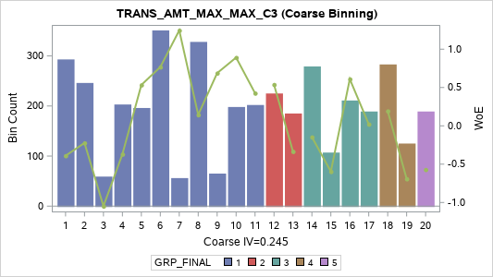
Label (Coarse) | Group | Total | Bad | Good | Percent | Bad Rate | Good Rate | WoE | IV
[01] (-INF, 50,000] | 1 | 293 | 25 | 268 | 7.34% | 8.53% | 91.47% | -0.39 | 0.013
[02] (50,000, 100,000] | 1 | 246 | 18 | 228 | 6.17% | 7.32% | 92.68% | -0.223 | 0.003
[03] (100,000, 190,000] | 1 | 59 | 9 | 50 | 1.48% | 15.25% | 84.75% | -1.047 | 0.026
[04] (190,000, 340,000] | 1 | 203 | 17 | 186 | 5.09% | 8.37% | 91.63% | -0.37 | 0.008
[05] (340,000, 525,000] | 1 | 196 | 7 | 189 | 4.91% | 3.57% | 96.43% | 0.534 | 0.011
[06] (525,000, 1,000,000] | 1 | 351 | 10 | 341 | 8.80% | 2.85% | 97.15% | 0.767 | 0.037
[07] (1,000,000, 1,200,000] | 1 | 56 | 1 | 55 | 1.40% | 1.79% | 98.21% | 1.245 | 0.013
[08] (1,200,000, 2,000,000] | 1 | 328 | 17 | 311 | 8.22% | 5.18% | 94.82% | 0.144 | 0.002
[09] (2,000,000, 2,400,000] | 1 | 65 | 2 | 63 | 1.63% | 3.08% | 96.92% | 0.688 | 0.006
[10] (2,400,000, 3,007,000] | 1 | 198 | 5 | 193 | 4.96% | 2.53% | 97.47% | 0.891 | 0.027
[11] (3,007,000, 4,200,000] | 1 | 202 | 8 | 194 | 5.06% | 3.96% | 96.04% | 0.426 | 0.008
[12] (4,200,000, 5,000,000] | 2 | 225 | 8 | 217 | 5.64% | 3.56% | 96.44% | 0.538 | 0.013
[13] (5,000,000, 7,000,000] | 2 | 185 | 15 | 170 | 4.64% | 8.11% | 91.89% | -0.335 | 0.006
[14] (7,000,000, 10,000,000] | 3 | 279 | 19 | 260 | 6.99% | 6.81% | 93.19% | -0.146 | 0.002
[15] (10,000,000, 13,000,000] | 3 | 107 | 11 | 96 | 2.68% | 10.28% | 89.72% | -0.596 | 0.012
[16] (13,000,000, 20,000,000] | 3 | 211 | 7 | 204 | 5.29% | 3.32% | 96.68% | 0.61 | 0.015
[17] (20,000,000, 34,000,000] | 3 | 189 | 11 | 178 | 4.74% | 5.82% | 94.18% | 0.022 | 0
[18] (34,000,000, 50,000,000] | 4 | 283 | 14 | 269 | 7.09% | 4.95% | 95.05% | 0.193 | 0.002
[19] (50,000,000, 100,000,000] | 4 | 125 | 14 | 111 | 3.13% | 11.20% | 88.80% | -0.692 | 0.02
[20] (100,000,000 , +INF) | 5 | 189 | 19 | 170 | 4.74% | 10.05% | 89.95% | -0.571 | 0.02
TOTAL |  | 3,990 | 237 | 3,753 | 100.00% | 5.94% | 94.06% |  | 0.245

TRANS_AMT_MAX_SUM_C3 (Coarse Binning)

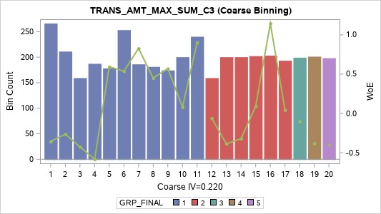
Label (Coarse) | Group | Total | Bad | Good | Percent | Bad Rate | Good Rate | WoE | IV
[01] (-INF, 50,000] | 1 | 266 | 22 | 244 | 6.67% | 8.27% | 91.73% | -0.356 | 0.01
[02] (50,000, 100,000] | 1 | 211 | 16 | 195 | 5.29% | 7.58% | 92.42% | -0.262 | 0.004
[03] (100,000, 200,000] | 1 | 159 | 14 | 145 | 3.98% | 8.81% | 91.19% | -0.425 | 0.009
[04] (200,000, 400,000] | 1 | 187 | 19 | 168 | 4.69% | 10.16% | 89.84% | -0.583 | 0.021
[05] (400,000, 600,000] | 1 | 178 | 6 | 172 | 4.46% | 3.37% | 96.63% | 0.593 | 0.012
[06] (600,000, 1,000,000] | 1 | 253 | 9 | 244 | 6.34% | 3.56% | 96.44% | 0.538 | 0.015
[07] (1,000,000, 1,500,000] | 1 | 186 | 5 | 181 | 4.66% | 2.69% | 97.31% | 0.827 | 0.022
[08] (1,500,000, 2,000,000] | 1 | 181 | 7 | 174 | 4.54% | 3.87% | 96.13% | 0.451 | 0.008
[09] (2,000,000, 2,950,000] | 1 | 174 | 6 | 168 | 4.36% | 3.45% | 96.55% | 0.57 | 0.011
[10] (2,950,000, 3,975,000] | 1 | 200 | 11 | 189 | 5.01% | 5.50% | 94.50% | 0.082 | 0
[11] (3,975,000, 5,000,000] | 1 | 240 | 6 | 234 | 6.02% | 2.50% | 97.50% | 0.901 | 0.033
[12] (5,000,000, 6,300,000] | 2 | 159 | 10 | 149 | 3.98% | 6.29% | 93.71% | -0.061 | 0
[13] (6,300,000, 8,850,000] | 2 | 200 | 17 | 183 | 5.01% | 8.50% | 91.50% | -0.386 | 0.009
[14] (8,850,000, 11,400,000] | 2 | 200 | 16 | 184 | 5.01% | 8.00% | 92.00% | -0.32 | 0.006
[15] (11,400,000, 16,500,000] | 2 | 202 | 11 | 191 | 5.06% | 5.45% | 94.55% | 0.092 | 0
[16] (16,500,000, 25,000,000] | 2 | 203 | 4 | 199 | 5.09% | 1.97% | 98.03% | 1.145 | 0.041
[17] (25,000,000, 40,514,000] | 2 | 193 | 11 | 182 | 4.84% | 5.70% | 94.30% | 0.044 | 0
[18] (40,514,000, 53,000,000] | 3 | 199 | 13 | 186 | 4.99% | 6.53% | 93.47% | -0.101 | 0.001
[19] (53,000,000, 135,000,000] | 4 | 201 | 17 | 184 | 5.04% | 8.46% | 91.54% | -0.381 | 0.009
[20] (135,000,000 , +INF) | 5 | 198 | 17 | 181 | 4.96% | 8.59% | 91.41% | -0.397 | 0.009
TOTAL |  | 3,990 | 237 | 3,753 | 100.00% | 5.94% | 94.06% |  | 0.22

TRANS_AMT_MAX_AVG_C3 (Coarse Binning)

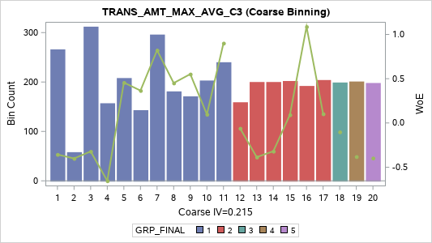
Label (Coarse) | Group | Total | Bad | Good | Percent | Bad Rate | Good Rate | WoE | IV
[01] (-INF, 16,666.6667] | 1 | 266 | 22 | 244 | 6.67% | 8.27% | 91.73% | -0.356 | 0.01
[02] (16,666.6667, 33,333.3333] | 1 | 58 | 5 | 53 | 1.45% | 8.62% | 91.38% | -0.401 | 0.003
[03] (33,333.3333, 66,666.6667] | 1 | 312 | 25 | 287 | 7.82% | 8.01% | 91.99% | -0.322 | 0.009
[04] (66,666.6667, 133,333.3333] | 1 | 157 | 17 | 140 | 3.93% | 10.83% | 89.17% | -0.654 | 0.023
[05] (133,333.3333, 200,000.0000] | 1 | 208 | 8 | 200 | 5.21% | 3.85% | 96.15% | 0.457 | 0.009
[06] (200,000.0000, 333,333.3333] | 1 | 143 | 6 | 137 | 3.58% | 4.20% | 95.80% | 0.366 | 0.004
[07] (333,333.3333, 500,000.0000] | 1 | 296 | 8 | 288 | 7.42% | 2.70% | 97.30% | 0.821 | 0.035
[08] (500,000.0000, 666,666.6667] | 1 | 181 | 7 | 174 | 4.54% | 3.87% | 96.13% | 0.451 | 0.008
[09] (666,666.6667, 983,333.3333] | 1 | 171 | 6 | 165 | 4.29% | 3.51% | 96.49% | 0.552 | 0.01
[10] (983,333.3333, 1,325,000.0000] | 1 | 203 | 11 | 192 | 5.09% | 5.42% | 94.58% | 0.097 | 0
[11] (1,325,000.0000, 1,666,666.6667] | 1 | 240 | 6 | 234 | 6.02% | 2.50% | 97.50% | 0.901 | 0.033
[12] (1,666,666.6667, 2,100,000.0000] | 2 | 159 | 10 | 149 | 3.98% | 6.29% | 93.71% | -0.061 | 0
[13] (2,100,000.0000, 2,950,000.0000] | 2 | 200 | 17 | 183 | 5.01% | 8.50% | 91.50% | -0.386 | 0.009
[14] (2,950,000.0000, 3,800,000.0000] | 2 | 200 | 16 | 184 | 5.01% | 8.00% | 92.00% | -0.32 | 0.006
[15] (3,800,000.0000, 5,500,000.0000] | 2 | 202 | 11 | 191 | 5.06% | 5.45% | 94.55% | 0.092 | 0
[16] (5,500,000.0000, 8,333,333.3333] | 2 | 192 | 4 | 188 | 4.81% | 2.08% | 97.92% | 1.088 | 0.036
[17] (8,333,333.3333, 13,504,666.6667] | 2 | 204 | 11 | 193 | 5.11% | 5.39% | 94.61% | 0.103 | 0.001
[18] (13,504,666.6667, 17,666,666.6667] | 3 | 199 | 13 | 186 | 4.99% | 6.53% | 93.47% | -0.101 | 0.001
[19] (17,666,666.6667, 45,000,000.0000] | 4 | 201 | 17 | 184 | 5.04% | 8.46% | 91.54% | -0.381 | 0.009
[20] (45,000,000.0000 , +INF) | 5 | 198 | 17 | 181 | 4.96% | 8.59% | 91.41% | -0.397 | 0.009
TOTAL |  | 3,990 | 237 | 3,753 | 100.00% | 5.94% | 94.06% |  | 0.215

TRANS_AMT_MAX_VAR_C3 (Coarse Binning)

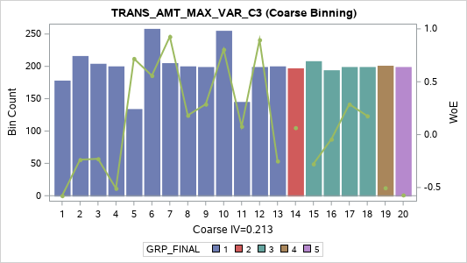
Label (Coarse) | Group | Total | Bad | Good | Percent | Bad Rate | Good Rate | WoE | IV
[01] (-INF, 833333333.3333000000] | 1 | 178 | 18 | 160 | 4.46% | 10.11% | 89.89% | -0.577 | 0.019
[02] (833333333.3333000000, 3333333333.3 | 1 | 216 | 16 | 200 | 5.41% | 7.41% | 92.59% | -0.237 | 0.003
[03] (3333333333.333300000, 7870465200.0 | 1 | 204 | 15 | 189 | 5.11% | 7.35% | 92.65% | -0.229 | 0.003
[04] (7870465200.000000000, 30000000000. | 1 | 200 | 19 | 181 | 5.01% | 9.50% | 90.50% | -0.508 | 0.016
[05] (30000000000.00000000, 83333333333. | 1 | 134 | 4 | 130 | 3.36% | 2.99% | 97.01% | 0.719 | 0.013
[06] (83333333333.33330000, 269400333333 | 1 | 258 | 9 | 249 | 6.47% | 3.49% | 96.51% | 0.558 | 0.016
[07] (269400333333.3330000, 350208333333 | 1 | 205 | 5 | 200 | 5.14% | 2.44% | 97.56% | 0.927 | 0.03
[08] (350208333333.3330000, 946533333333 | 1 | 200 | 10 | 190 | 5.01% | 5.00% | 95.00% | 0.182 | 0.002
[09] (946533333333.3330000, 137769633333 | 1 | 199 | 9 | 190 | 4.99% | 4.52% | 95.48% | 0.288 | 0.004
[10] (1377696333333.330000, 300000000000 | 1 | 255 | 7 | 248 | 6.39% | 2.75% | 97.25% | 0.805 | 0.029
[11] (3000000000000.000000, 526333333333 | 1 | 145 | 8 | 137 | 3.63% | 5.52% | 94.48% | 0.078 | 0
[12] (5263333333333.330000, 832900225333 | 1 | 199 | 5 | 194 | 4.99% | 2.51% | 97.49% | 0.896 | 0.027
[13] (8329002253333.330000, 123433333333 | 1 | 200 | 15 | 185 | 5.01% | 7.50% | 92.50% | -0.25 | 0.003
[14] (12343333333333.30000, 263333333333 | 2 | 197 | 11 | 186 | 4.94% | 5.58% | 94.42% | 0.066 | 0
[15] (26333333333333.30000, 480000000000 | 3 | 208 | 16 | 192 | 5.21% | 7.69% | 92.31% | -0.277 | 0.005
[16] (48000000000000.00000, 127000000000 | 3 | 194 | 12 | 182 | 4.86% | 6.19% | 93.81% | -0.043 | 0
[17] (127000000000000.0000, 302003333333 | 3 | 199 | 9 | 190 | 4.99% | 4.52% | 95.48% | 0.288 | 0.004
[18] (302003333333333.0000, 830003333333 | 3 | 199 | 10 | 189 | 4.99% | 5.03% | 94.97% | 0.177 | 0.001
[19] (830003333333333.0000, 317500000000 | 4 | 201 | 19 | 182 | 5.04% | 9.45% | 90.55% | -0.503 | 0.016
[20] (3175000000000000.000 , +INF) | 5 | 199 | 20 | 179 | 4.99% | 10.05% | 89.95% | -0.571 | 0.021
TOTAL |  | 3,990 | 237 | 3,753 | 100.00% | 5.94% | 94.06% |  | 0.213

TRANS_AMT_MAX_RNG_C3 (Coarse Binning)

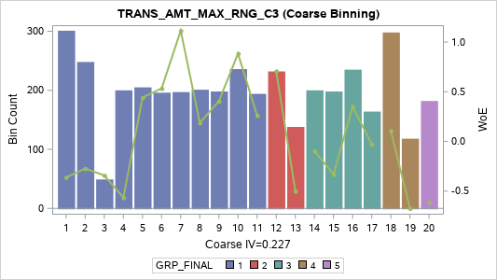
Label (Coarse) | Group | Total | Bad | Good | Percent | Bad Rate | Good Rate | WoE | IV
[01] (-INF, 50,000] | 1 | 301 | 25 | 276 | 7.54% | 8.31% | 91.69% | -0.361 | 0.012
[02] (50,000, 100,000] | 1 | 248 | 19 | 229 | 6.22% | 7.66% | 92.34% | -0.273 | 0.005
[03] (100,000, 158,967] | 1 | 49 | 4 | 45 | 1.23% | 8.16% | 91.84% | -0.342 | 0.002
[04] (158,967, 307,000] | 1 | 200 | 20 | 180 | 5.01% | 10.00% | 90.00% | -0.565 | 0.021
[05] (307,000, 500,000] | 1 | 205 | 8 | 197 | 5.14% | 3.90% | 96.10% | 0.442 | 0.008
[06] (500,000, 950,000] | 1 | 196 | 7 | 189 | 4.91% | 3.57% | 96.43% | 0.534 | 0.011
[07] (950,000, 1,083,000] | 1 | 197 | 4 | 193 | 4.94% | 2.03% | 97.97% | 1.114 | 0.038
[08] (1,083,000, 1,700,000] | 1 | 201 | 10 | 191 | 5.04% | 4.98% | 95.02% | 0.187 | 0.002
[09] (1,700,000, 2,169,000] | 1 | 198 | 8 | 190 | 4.96% | 4.04% | 95.96% | 0.405 | 0.007
[10] (2,169,000, 3,000,000] | 1 | 236 | 6 | 230 | 5.91% | 2.54% | 97.46% | 0.884 | 0.032
[11] (3,000,000, 4,000,000] | 1 | 194 | 9 | 185 | 4.86% | 4.64% | 95.36% | 0.261 | 0.003
[12] (4,000,000, 5,000,000] | 2 | 232 | 7 | 225 | 5.81% | 3.02% | 96.98% | 0.708 | 0.022
[13] (5,000,000, 6,500,000] | 2 | 138 | 13 | 125 | 3.46% | 9.42% | 90.58% | -0.499 | 0.011
[14] (6,500,000, 9,400,000] | 3 | 200 | 13 | 187 | 5.01% | 6.50% | 93.50% | -0.096 | 0
[15] (9,400,000, 12,290,000] | 3 | 198 | 16 | 182 | 4.96% | 8.08% | 91.92% | -0.331 | 0.006
[16] (12,290,000, 20,000,000] | 3 | 235 | 10 | 225 | 5.89% | 4.26% | 95.74% | 0.351 | 0.006
[17] (20,000,000, 31,000,000] | 3 | 164 | 10 | 154 | 4.11% | 6.10% | 93.90% | -0.028 | 0
[18] (31,000,000, 50,000,000] | 4 | 298 | 16 | 282 | 7.47% | 5.37% | 94.63% | 0.107 | 0.001
[19] (50,000,000, 100,000,000] | 4 | 118 | 13 | 105 | 2.96% | 11.02% | 88.98% | -0.673 | 0.018
[20] (100,000,000 , +INF) | 5 | 182 | 19 | 163 | 4.56% | 10.44% | 89.56% | -0.613 | 0.023
TOTAL |  | 3,990 | 237 | 3,753 | 100.00% | 5.94% | 94.06% |  | 0.227

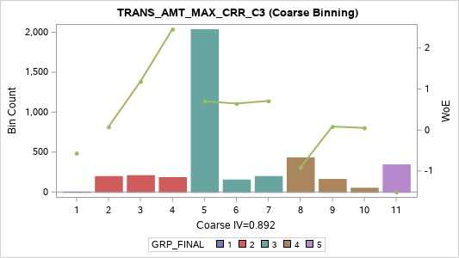
TRANS_AMT_MAX_CRR_C3 (Coarse Binning)

Label (Coarse) | Group | Total | Bad | Good | Percent | Bad Rate | Good Rate | WoE | IV
[01] MISSING | 1 | 4 | 0 | 4 | 0.10% | 0.00% | 100.00% | -0.565 | -0.001
[02] (-INF, -0.9729] | 2 | 199 | 11 | 188 | 4.99% | 5.53% | 94.47% | 0.076 | 0
[03] (-0.9729, -0.9078] | 2 | 211 | 4 | 207 | 5.29% | 1.90% | 98.10% | 1.184 | 0.045
[04] (-0.9078, -0.8662] | 2 | 186 | 1 | 185 | 4.66% | 0.54% | 99.46% | 2.458 | 0.111
[05] (-0.8662, -0.8660] | 3 | 2,039 | 62 | 1,977 | 51.10% | 3.04% | 96.96% | 0.7 | 0.186
[06] (-0.8660, -0.6820] | 3 | 156 | 5 | 151 | 3.91% | 3.21% | 96.79% | 0.646 | 0.012
[07] (-0.6820, -0.2381] | 3 | 199 | 6 | 193 | 4.99% | 3.02% | 96.98% | 0.709 | 0.019
[08] (-0.2381, 0.0000] | 4 | 433 | 59 | 374 | 10.85% | 13.63% | 86.37% | -0.916 | 0.137
[09] (0.0000, 0.7872] | 4 | 164 | 9 | 155 | 4.11% | 5.49% | 94.51% | 0.084 | 0
[10] (0.7872, 0.8660] | 4 | 53 | 3 | 50 | 1.33% | 5.66% | 94.34% | 0.051 | 0
[11] (0.8660 , +INF) | 5 | 346 | 77 | 269 | 8.67% | 22.25% | 77.75% | -1.511 | 0.383
TOTAL |  | 3,990 | 237 | 3,753 | 100.00% | 5.94% | 94.06% |  | 0.892

TRANS_AMT_MAX_SLP_C3 (Coarse Binning) |  |  |  |  |  |  |  |  |  | TRANS_AMT_MAX_SLP_C3 (Fine Binning)

Label (Coarse) | Group | Total | Bad | Good | Percent | Bad Rate | Good Rate | WoE | IV | Label (Fine) | Group | Total | Bad | Good | Percent | Bad Rate | Good Rate | WoE | IV
[01] (-INF, -25,000,000] | 1 | 265 | 14 | 251 | 6.64% | 5.28% | 94.72% | 0.124 | 0.001 | [01] (-INF, -25,000] | 1 | 3,011 | 93 | 2,918 | 75.46% | 3.09% | 96.91% | 0.684 | 0.263
[02] (-25,000,000, -15,000,000] | 1 | 136 | 2 | 134 | 3.41% | 1.47% | 98.53% | 1.442 | 0.039 | [02] (-25,000 , +INF) | 2 | 979 | 144 | 835 | 24.54% | 14.71% | 85.29% | -1.005 | 0.387
[03] (-15,000,000, -7,500,000] | 1 | 213 | 5 | 208 | 5.34% | 2.35% | 97.65% | 0.966 | 0.033 | TOTAL |  | 3,990 | 237 | 3,753 | 100.00% | 5.94% | 94.06% |  | 0.65
[04] (-7,500,000, -4,700,000] | 1 | 185 | 6 | 179 | 4.64% | 3.24% | 96.76% | 0.633 | 0.014
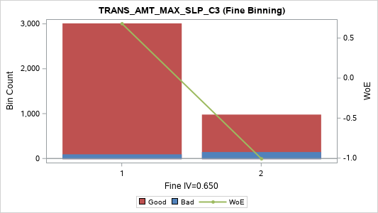
[05] (-4,700,000, -3,000,000] | 1 | 206 | 16 | 190 | 5.16% | 7.77% | 92.23% | -0.288 | 0.005
[06] (-3,000,000, -2,250,000] | 1 | 194 | 3 | 191 | 4.86% | 1.55% | 98.45% | 1.391 | 0.053
[07] (-2,250,000, -1,500,000] | 1 | 265 | 9 | 256 | 6.64% | 3.40% | 96.60% | 0.586 | 0.018
[08] (-1,500,000, -1,050,000] | 1 | 132 | 2 | 130 | 3.31% | 1.52% | 98.48% | 1.412 | 0.037
[09] (-1,050,000, -775,000] | 1 | 199 | 3 | 196 | 4.99% | 1.51% | 98.49% | 1.417 | 0.056
[10] (-775,000, -500,000] | 1 | 300 | 5 | 295 | 7.52% | 1.67% | 98.33% | 1.315 | 0.076
[11] (-500,000, -375,000] | 1 | 100 | 2 | 98 | 2.51% | 2.00% | 98.00% | 1.13 | 0.02
[12] (-375,000, -220,000] | 1 | 199 | 2 | 197 | 4.99% | 1.01% | 98.99% | 1.828 | 0.081
[13] (-220,000, -100,000] | 1 | 254 | 8 | 246 | 6.37% | 3.15% | 96.85% | 0.664 | 0.021
[14] (-100,000, -50,000] | 2 | 203 | 8 | 195 | 5.09% | 3.94% | 96.06% | 0.431 | 0.008
[15] (-50,000, -25,000] | 3 | 160 | 8 | 152 | 4.01% | 5.00% | 95.00% | 0.182 | 0.001
[16] (-25,000, 0] | 4 | 416 | 55 | 361 | 10.43% | 13.22% | 86.78% | -0.881 | 0.12
[17] (0, 450,000] | 5 | 168 | 33 | 135 | 4.21% | 19.64% | 80.36% | -1.353 | 0.14
[18] (450,000, 5,000,000] | 5 | 196 | 26 | 170 | 4.91% | 13.27% | 86.73% | -0.885 | 0.057
[19] (5,000,000 , +INF) | 5 | 199 | 30 | 169 | 4.99% | 15.08% | 84.92% | -1.034 | 0.084
TOTAL |  | 3,990 | 237 | 3,753 | 100.00% | 5.94% | 94.06% |  | 0.863

Transaction_Amt_Min
TRANS_AMT_MIN_M1 (Coarse Binning) |  |  |  |  |  |  |  |  |  | TRANS_AMT_MIN_M1 (Fine Binning)

Label (Coarse) | Group | Total | Bad | Good | Percent | Bad Rate | Good Rate | WoE | IV | Label (Fine) | Group | Total | Bad | Good | Percent | Bad Rate | Good Rate | WoE | IV
[01] (-INF, 0] | 1 | 534 | 131 | 403 | 13.38% | 24.53% | 75.47% | -1.639 | 0.73 | [01] (-INF, 0] | 1 | 534 | 131 | 403 | 13.38% | 24.53% | 75.47% | -1.639 | 0.73
[02] (0, 10,000] | 2 | 363 | 12 | 351 | 9.10% | 3.31% | 96.69% | 0.614 | 0.026 | [02] (0 , +INF) | 2 | 3,456 | 106 | 3,350 | 86.62% | 3.07% | 96.93% | 0.691 | 0.308
[03] (10,000, 20,000] | 3 | 305 | 9 | 296 | 7.64% | 2.95% | 97.05% | 0.731 | 0.03 | TOTAL |  | 3,990 | 237 | 3,753 | 100.00% | 5.94% | 94.06% |  | 1.037
[04] (20,000, 50,000] | 3 | 541 | 15 | 526 | 13.56% | 2.77% | 97.23% | 0.795 | 0.061

[05] (50,000, 71,172] | 3 | 52 | 1 | 51 | 1.30% | 1.92% | 98.08% | 1.17 | 0.011
[06] (71,172, 100,000] | 3 | 402 | 5 | 397 | 10.08% | 1.24% | 98.76% | 1.612 | 0.137
[07] (100,000, 200,000] | 3 | 249 | 9 | 240 | 6.24% | 3.61% | 96.39% | 0.521 | 0.014
[08] (200,000, 307,000] | 3 | 148 | 3 | 145 | 3.71% | 2.03% | 97.97% | 1.116 | 0.029
[09] (307,000, 500,000] | 3 | 251 | 1 | 250 | 6.29% | 0.40% | 99.60% | 2.759 | 0.172
[10] (500,000, 900,000] | 3 | 148 | 2 | 146 | 3.71% | 1.35% | 98.65% | 1.528 | 0.047
[11] (900,000, 1,450,000] | 3 | 199 | 4 | 195 | 4.99% | 2.01% | 97.99% | 1.124 | 0.039
[12] (1,450,000, 2,900,000] | 3 | 202 | 10 | 192 | 5.06% | 4.95% | 95.05% | 0.193 | 0.002
[13] (2,900,000, 5,790,000] | 3 | 197 | 7 | 190 | 4.94% | 3.55% | 96.45% | 0.539 | 0.011
[14] (5,790,000, 15,000,000] | 3 | 200 | 14 | 186 | 5.01% | 7.00% | 93.00% | -0.176 | 0.002
[15] (15,000,000 , +INF) | 3 | 199 | 14 | 185 | 4.99% | 7.04% | 92.96% | -0.181 | 0.002
TOTAL |  | 3,990 | 237 | 3,753 | 100.00% | 5.94% | 94.06% |  | 1.312

TRANS_AMT_MIN_MIN_C3 (Coarse Binning) |  |  |  |  |  |  |  |  |  | TRANS_AMT_MIN_MIN_C3 (Fine Binning)

Label (Coarse) | Group | Total | Bad | Good | Percent | Bad Rate | Good Rate | WoE | IV | Label (Fine) | Group | Total | Bad | Good | Percent | Bad Rate | Good Rate | WoE | IV
[1] (-INF, 0] | 1 | 3,456 | 225 | 3,231 | 86.62% | 6.51% | 93.49% | -0.098 | 0.009 | [1] (-INF, 0] | 1 | 3,456 | 225 | 3,231 | 86.62% | 6.51% | 93.49% | -0.098 | 0.009
[2] (0, 10,000] | 2 | 153 | 5 | 148 | 3.83% | 3.27% | 96.73% | 0.626 | 0.011 | [2] (0, 10,000] | 2 | 153 | 5 | 148 | 3.83% | 3.27% | 96.73% | 0.626 | 0.011
[3] (10,000, 80,000] | 3 | 182 | 3 | 179 | 4.56% | 1.65% | 98.35% | 1.327 | 0.046 | [3] (10,000 , +INF) | 3 | 381 | 7 | 374 | 9.55% | 1.84% | 98.16% | 1.216 | 0.085
[4] (80,000 , +INF) | 3 | 199 | 4 | 195 | 4.99% | 2.01% | 97.99% | 1.124 | 0.039 | TOTAL |  | 3,990 | 237 | 3,753 | 100.00% | 5.94% | 94.06% |  | 0.105
TOTAL |  | 3,990 | 237 | 3,753 | 100.00% | 5.94% | 94.06% |  | 0.106
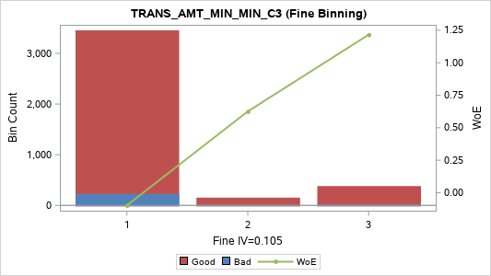

TRANS_AMT_MIN_SUM_C3 (Coarse Binning) |  |  |  |  |  |  |  |  |  | TRANS_AMT_MIN_SUM_C3 (Fine Binning)

Label (Coarse) | Group | Total | Bad | Good | Percent | Bad Rate | Good Rate | WoE | IV | Label (Fine) | Group | Total | Bad | Good | Percent | Bad Rate | Good Rate | WoE | IV
[01] (-INF, 10,000] | 1 | 252 | 15 | 237 | 6.32% | 5.95% | 94.05% | -0.002 | 0 | [01] (-INF, 8,143,500] | 1 | 3,392 | 171 | 3,221 | 85.01% | 5.04% | 94.96% | 0.174 | 0.024
[02] (10,000, 20,000] | 1 | 203 | 12 | 191 | 5.09% | 5.91% | 94.09% | 0.005 | 0 | [02] (8,143,500 , +INF) | 2 | 598 | 66 | 532 | 14.99% | 11.04% | 88.96% | -0.675 | 0.092
[03] (20,000, 40,000] | 1 | 180 | 14 | 166 | 4.51% | 7.78% | 92.22% | -0.289 | 0.004 | TOTAL |  | 3,990 | 237 | 3,753 | 100.00% | 5.94% | 94.06% |  | 0.116
[04] (40,000, 50,000] | 1 | 266 | 12 | 254 | 6.67% | 4.51% | 95.49% | 0.29 | 0.005
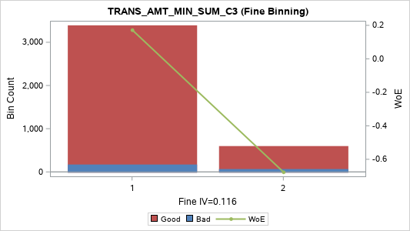
[05] (50,000, 70,000] | 1 | 99 | 5 | 94 | 2.48% | 5.05% | 94.95% | 0.172 | 0.001
[06] (70,000, 100,000] | 1 | 335 | 16 | 319 | 8.40% | 4.78% | 95.22% | 0.23 | 0.004
[07] (100,000, 120,000] | 1 | 73 | 0 | 73 | 1.83% | 0.00% | 100.00% | 2.228 | 0.043
[08] (120,000, 200,000] | 1 | 280 | 13 | 267 | 7.02% | 4.64% | 95.36% | 0.26 | 0.004
[09] (200,000, 270,000] | 1 | 111 | 3 | 108 | 2.78% | 2.70% | 97.30% | 0.821 | 0.013
[10] (270,000, 400,000] | 1 | 216 | 9 | 207 | 5.41% | 4.17% | 95.83% | 0.373 | 0.006
[11] (400,000, 556,362] | 1 | 180 | 5 | 175 | 4.51% | 2.78% | 97.22% | 0.793 | 0.02
[12] (556,362, 900,000] | 1 | 203 | 8 | 195 | 5.09% | 3.94% | 96.06% | 0.431 | 0.008
[13] (900,000, 1,200,000] | 2 | 199 | 11 | 188 | 4.99% | 5.53% | 94.47% | 0.076 | 0
[14] (1,200,000, 1,990,000] | 2 | 196 | 14 | 182 | 4.91% | 7.14% | 92.86% | -0.197 | 0.002
[15] (1,990,000, 3,000,000] | 2 | 210 | 9 | 201 | 5.26% | 4.29% | 95.71% | 0.344 | 0.005
[16] (3,000,000, 5,000,000] | 2 | 213 | 9 | 204 | 5.34% | 4.23% | 95.77% | 0.359 | 0.006
[17] (5,000,000, 8,143,500] | 3 | 176 | 16 | 160 | 4.41% | 9.09% | 90.91% | -0.46 | 0.011
[18] (8,143,500, 15,099,000] | 4 | 199 | 23 | 176 | 4.99% | 11.56% | 88.44% | -0.727 | 0.036
[19] (15,099,000, 39,360,000] | 4 | 200 | 14 | 186 | 5.01% | 7.00% | 93.00% | -0.176 | 0.002
[20] (39,360,000 , +INF) | 5 | 199 | 29 | 170 | 4.99% | 14.57% | 85.43% | -0.994 | 0.077
TOTAL |  | 3,990 | 237 | 3,753 | 100.00% | 5.94% | 94.06% |  | 0.249

TRANS_AMT_MIN_AVG_C3 (Coarse Binning) |  |  |  |  |  |  |  |  |  | TRANS_AMT_MIN_AVG_C3 (Fine Binning)

Label (Coarse) | Group | Total | Bad | Good | Percent | Bad Rate | Good Rate | WoE | IV | Label (Fine) | Group | Total | Bad | Good | Percent | Bad Rate | Good Rate | WoE | IV
[01] (-INF, 3,333.3333] | 1 | 47 | 1 | 46 | 1.18% | 2.13% | 97.87% | 1.066 | 0.009 | [01] (-INF, 1,666,666.6667] | 1 | 3,216 | 155 | 3,061 | 80.60% | 4.82% | 95.18% | 0.221 | 0.036
[02] (3,333.3333, 6,666.6667] | 2 | 408 | 26 | 382 | 10.23% | 6.37% | 93.63% | -0.075 | 0.001 | [02] (1,666,666.6667 , +INF) | 2 | 774 | 82 | 692 | 19.40% | 10.59% | 89.41% | -0.629 | 0.102
[03] (6,666.6667, 13,333.3333] | 2 | 136 | 11 | 125 | 3.41% | 8.09% | 91.91% | -0.332 | 0.004 | TOTAL |  | 3,990 | 237 | 3,753 | 100.00% | 5.94% | 94.06% |  | 0.137
[04] (13,333.3333, 16,666.6667] | 2 | 310 | 15 | 295 | 7.77% | 4.84% | 95.16% | 0.217 | 0.003
[05] (16,666.6667, 23,333.3333] | 2 | 71 | 1 | 70 | 1.78% | 1.41% | 98.59% | 1.486 | 0.021
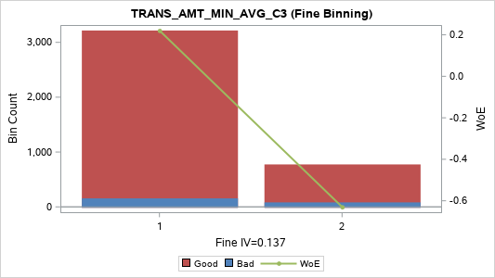
[06] (23,333.3333, 33,333.3333] | 2 | 120 | 11 | 109 | 3.01% | 9.17% | 90.83% | -0.469 | 0.008
[07] (33,333.3333, 40,000.0000] | 2 | 316 | 9 | 307 | 7.92% | 2.85% | 97.15% | 0.767 | 0.034
[08] (40,000.0000, 66,666.6667] | 2 | 280 | 13 | 267 | 7.02% | 4.64% | 95.36% | 0.26 | 0.004
[09] (66,666.6667, 90,000.0000] | 2 | 111 | 3 | 108 | 2.78% | 2.70% | 97.30% | 0.821 | 0.013
[10] (90,000.0000, 133,333.3333] | 2 | 180 | 8 | 172 | 4.51% | 4.44% | 95.56% | 0.306 | 0.004
[11] (133,333.3333, 185,454.0000] | 2 | 216 | 6 | 210 | 5.41% | 2.78% | 97.22% | 0.793 | 0.024
[12] (185,454.0000, 300,000.0000] | 2 | 203 | 8 | 195 | 5.09% | 3.94% | 96.06% | 0.431 | 0.008
[13] (300,000.0000, 400,000.0000] | 3 | 199 | 11 | 188 | 4.99% | 5.53% | 94.47% | 0.076 | 0
[14] (400,000.0000, 663,333.3333] | 3 | 195 | 14 | 181 | 4.89% | 7.18% | 92.82% | -0.203 | 0.002
[15] (663,333.3333, 1,000,000.0000] | 3 | 211 | 9 | 202 | 5.29% | 4.27% | 95.73% | 0.349 | 0.006
[16] (1,000,000.0000, 1,666,666.6667] | 3 | 213 | 9 | 204 | 5.34% | 4.23% | 95.77% | 0.359 | 0.006
[17] (1,666,666.6667, 2,714,500.0000] | 4 | 176 | 16 | 160 | 4.41% | 9.09% | 90.91% | -0.46 | 0.011
[18] (2,714,500.0000, 5,033,000.0000] | 4 | 199 | 23 | 176 | 4.99% | 11.56% | 88.44% | -0.727 | 0.036
[19] (5,033,000.0000, 13,120,000.0000] | 4 | 200 | 14 | 186 | 5.01% | 7.00% | 93.00% | -0.176 | 0.002
[20] (13,120,000.0000 , +INF) | 5 | 199 | 29 | 170 | 4.99% | 14.57% | 85.43% | -0.994 | 0.077
TOTAL |  | 3,990 | 237 | 3,753 | 100.00% | 5.94% | 94.06% |  | 0.273

TRANS_AMT_MIN_VAR_C3 (Coarse Binning) |  |  |  |  |  |  |  |  |  | TRANS_AMT_MIN_VAR_C3 (Fine Binning)

Label (Coarse) | Group | Total | Bad | Good | Percent | Bad Rate | Good Rate | WoE | IV | Label (Fine) | Group | Total | Bad | Good | Percent | Bad Rate | Good Rate | WoE | IV
[01] (-INF, 33333333.3333000000] | 1 | 77 | 2 | 75 | 1.93% | 2.60% | 97.40% | 0.862 | 0.01 | [01] (-INF, 6342348000000.000000] | 1 | 3,192 | 152 | 3,040 | 80.00% | 4.76% | 95.24% | 0.233 | 0.039
[02] (33333333.3333000000, 100000000.000 | 2 | 325 | 20 | 305 | 8.15% | 6.15% | 93.85% | -0.038 | 0 | [02] (6342348000000.000000 , +INF) | 2 | 798 | 85 | 713 | 20.00% | 10.65% | 89.35% | -0.635 | 0.107
[03] (100000000.0000000000, 208333333.33 | 2 | 192 | 12 | 180 | 4.81% | 6.25% | 93.75% | -0.054 | 0 | TOTAL |  | 3,990 | 237 | 3,753 | 100.00% | 5.94% | 94.06% |  | 0.147
[04] (208333333.3333000000, 700000000.00 | 2 | 220 | 15 | 205 | 5.51% | 6.82% | 93.18% | -0.147 | 0.001
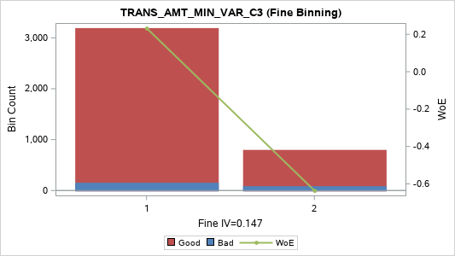
[05] (700000000.0000000000, 833333333.33 | 2 | 9 | 0 | 9 | 0.23% | 0.00% | 100.00% | 0.182 | 0
[06] (833333333.3333000000, 2133333333.3 | 2 | 367 | 16 | 351 | 9.20% | 4.36% | 95.64% | 0.326 | 0.008
[07] (2133333333.333300000, 3333333333.3 | 2 | 130 | 6 | 124 | 3.26% | 4.62% | 95.38% | 0.266 | 0.002
[08] (3333333333.333300000, 5233333333.3 | 2 | 275 | 9 | 266 | 6.89% | 3.27% | 96.73% | 0.624 | 0.021
[09] (5233333333.333300000, 13333333333. | 2 | 130 | 6 | 124 | 3.26% | 4.62% | 95.38% | 0.266 | 0.002
[10] (13333333333.33330000, 37408333333. | 2 | 269 | 11 | 258 | 6.74% | 4.09% | 95.91% | 0.393 | 0.009
[11] (37408333333.33330000, 83333333333. | 2 | 187 | 3 | 184 | 4.69% | 1.60% | 98.40% | 1.354 | 0.049
[12] (83333333333.33330000, 190000000000 | 2 | 213 | 9 | 204 | 5.34% | 4.23% | 95.77% | 0.359 | 0.006
[13] (190000000000.0000000, 333333333333 | 3 | 157 | 8 | 149 | 3.93% | 5.10% | 94.90% | 0.162 | 0.001
[14] (333333333333.3330000, 925185333333 | 3 | 241 | 14 | 227 | 6.04% | 5.81% | 94.19% | 0.024 | 0
[15] (925185333333.3330000, 208333333333 | 3 | 189 | 14 | 175 | 4.74% | 7.41% | 92.59% | -0.237 | 0.003
[16] (2083333333333.330000, 634234800000 | 3 | 211 | 7 | 204 | 5.29% | 3.32% | 96.68% | 0.61 | 0.015
[17] (6342348000000.000000, 163333333333 | 4 | 199 | 15 | 184 | 4.99% | 7.54% | 92.46% | -0.255 | 0.004
[18] (16333333333333.30000, 480000000000 | 4 | 200 | 23 | 177 | 5.01% | 11.50% | 88.50% | -0.722 | 0.036
[19] (48000000000000.00000, 310083333333 | 4 | 199 | 15 | 184 | 4.99% | 7.54% | 92.46% | -0.255 | 0.004
[20] (310083333333333.0000 , +INF) | 5 | 200 | 32 | 168 | 5.01% | 16.00% | 84.00% | -1.104 | 0.1
TOTAL |  | 3,990 | 237 | 3,753 | 100.00% | 5.94% | 94.06% |  | 0.271

TRANS_AMT_MIN_RNG_C3 (Coarse Binning)
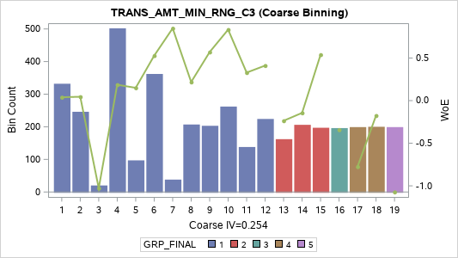
Label (Coarse) | Group | Total | Bad | Good | Percent | Bad Rate | Good Rate | WoE | IV
[01] (-INF, 10,000] | 1 | 332 | 19 | 313 | 8.32% | 5.72% | 94.28% | 0.04 | 0
[02] (10,000, 20,000] | 1 | 246 | 14 | 232 | 6.17% | 5.69% | 94.31% | 0.045 | 0
[03] (20,000, 25,000] | 1 | 20 | 3 | 17 | 0.50% | 15.00% | 85.00% | -1.028 | 0.008
[04] (25,000, 50,000] | 1 | 502 | 25 | 477 | 12.58% | 4.98% | 95.02% | 0.186 | 0.004
[05] (50,000, 82,000] | 1 | 97 | 5 | 92 | 2.43% | 5.15% | 94.85% | 0.15 | 0.001
[06] (82,000, 100,000] | 1 | 362 | 13 | 349 | 9.07% | 3.59% | 96.41% | 0.528 | 0.02
[07] (100,000, 135,000] | 1 | 38 | 1 | 37 | 0.95% | 2.63% | 97.37% | 0.849 | 0.005
[08] (135,000, 200,000] | 1 | 207 | 10 | 197 | 5.19% | 4.83% | 95.17% | 0.218 | 0.002
[09] (200,000, 350,000] | 1 | 203 | 7 | 196 | 5.09% | 3.45% | 96.55% | 0.57 | 0.013
[10] (350,000, 500,000] | 1 | 262 | 7 | 255 | 6.57% | 2.67% | 97.33% | 0.833 | 0.032
[11] (500,000, 800,000] | 1 | 138 | 6 | 132 | 3.46% | 4.35% | 95.65% | 0.329 | 0.003
[12] (800,000, 1,000,000] | 1 | 224 | 9 | 215 | 5.61% | 4.02% | 95.98% | 0.411 | 0.008
[13] (1,000,000, 1,715,000] | 2 | 162 | 12 | 150 | 4.06% | 7.41% | 92.59% | -0.237 | 0.003
[14] (1,715,000, 2,600,000] | 2 | 206 | 14 | 192 | 5.16% | 6.80% | 93.20% | -0.144 | 0.001
[15] (2,600,000, 4,500,000] | 2 | 197 | 7 | 190 | 4.94% | 3.55% | 96.45% | 0.539 | 0.011
[16] (4,500,000, 7,000,000] | 3 | 196 | 16 | 180 | 4.91% | 8.16% | 91.84% | -0.342 | 0.007
[17] (7,000,000, 12,350,000] | 4 | 199 | 24 | 175 | 4.99% | 12.06% | 87.94% | -0.776 | 0.042
[18] (12,350,000, 30,650,000] | 4 | 200 | 14 | 186 | 5.01% | 7.00% | 93.00% | -0.176 | 0.002
[19] (30,650,000 , +INF) | 5 | 199 | 31 | 168 | 4.99% | 15.58% | 84.42% | -1.072 | 0.092
TOTAL |  | 3,990 | 237 | 3,753 | 100.00% | 5.94% | 94.06% |  | 0.254

TRANS_AMT_MIN_CRR_C3 (Coarse Binning)
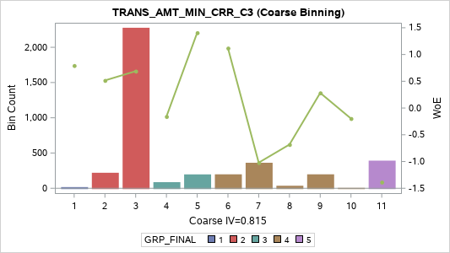
Label (Coarse) | Group | Total | Bad | Good | Percent | Bad Rate | Good Rate | WoE | IV
[01] MISSING | 1 | 17 | 0 | 17 | 0.43% | 0.00% | 100.00% | 0.793 | 0.004
[02] (-INF, -0.9449] | 2 | 220 | 8 | 212 | 5.51% | 3.64% | 96.36% | 0.515 | 0.012
[03] (-0.9449, -0.8660] | 2 | 2,277 | 70 | 2,207 | 57.07% | 3.07% | 96.93% | 0.689 | 0.202
[04] (-0.8660, -0.7406] | 3 | 87 | 6 | 81 | 2.18% | 6.90% | 93.10% | -0.16 | 0.001
[05] (-0.7406, -0.2777] | 3 | 197 | 3 | 194 | 4.94% | 1.52% | 98.48% | 1.407 | 0.055
[06] (-0.2777, -0.0190] | 4 | 198 | 4 | 194 | 4.96% | 2.02% | 97.98% | 1.119 | 0.039
[07] (-0.0190, 0.0000] | 4 | 362 | 54 | 308 | 9.07% | 14.92% | 85.08% | -1.021 | 0.149
[08] (0.0000, 0.0908] | 4 | 36 | 4 | 32 | 0.90% | 11.11% | 88.89% | -0.683 | 0.006
[09] (0.0908, 0.8648] | 4 | 198 | 9 | 189 | 4.96% | 4.55% | 95.45% | 0.282 | 0.003
[10] (0.8648, 0.8660] | 4 | 6 | 0 | 6 | 0.15% | 0.00% | 100.00% | -0.197 | 0
[11] (0.8660 , +INF) | 5 | 392 | 79 | 313 | 9.82% | 20.15% | 79.85% | -1.385 | 0.346
TOTAL |  | 3,990 | 237 | 3,753 | 100.00% | 5.94% | 94.06% |  | 0.815

TRANS_AMT_MIN_SLP_C3 (Coarse Binning) |  |  |  |  |  |  |  |  |  | TRANS_AMT_MIN_SLP_C3 (Fine Binning)

Label (Coarse) | Group | Total | Bad | Good | Percent | Bad Rate | Good Rate | WoE | IV | Label (Fine) | Group | Total | Bad | Good | Percent | Bad Rate | Good Rate | WoE | IV
[01] (-INF, -7,021,762.5] | 1 | 199 | 14 | 185 | 4.99% | 7.04% | 92.96% | -0.181 | 0.002 | [01] (-INF, -3,000] | 1 | 2,994 | 93 | 2,901 | 75.04% | 3.11% | 96.89% | 0.678 | 0.258
[02] (-7,021,762.5, -2,500,000.0] | 1 | 237 | 15 | 222 | 5.94% | 6.33% | 93.67% | -0.068 | 0 | [02] (-3,000 , +INF) | 2 | 996 | 144 | 852 | 24.96% | 14.46% | 85.54% | -0.984 | 0.375
[03] (-2,500,000.0, -1,250,000.0] | 1 | 164 | 5 | 159 | 4.11% | 3.05% | 96.95% | 0.697 | 0.015 | TOTAL |  | 3,990 | 237 | 3,753 | 100.00% | 5.94% | 94.06% |  | 0.633
[04] (-1,250,000.0, -565,000.0] | 1 | 198 | 12 | 186 | 4.96% | 6.06% | 93.94% | -0.021 | 0

[05] (-565,000.0, -369,500.0] | 1 | 199 | 3 | 196 | 4.99% | 1.51% | 98.49% | 1.417 | 0.056
[06] (-369,500.0, -235,000.0] | 1 | 200 | 1 | 199 | 5.01% | 0.50% | 99.50% | 2.531 | 0.124
[07] (-235,000.0, -130,000.0] | 1 | 201 | 3 | 198 | 5.04% | 1.49% | 98.51% | 1.427 | 0.057
[08] (-130,000.0, -75,000.0] | 1 | 211 | 6 | 205 | 5.29% | 2.84% | 97.16% | 0.769 | 0.023
[09] (-75,000.0, -50,000.0] | 1 | 323 | 4 | 319 | 8.10% | 1.24% | 98.76% | 1.617 | 0.11
[10] (-50,000.0, -32,500.0] | 1 | 65 | 2 | 63 | 1.63% | 3.08% | 96.92% | 0.688 | 0.006
[11] (-32,500.0, -25,000.0] | 1 | 329 | 8 | 321 | 8.25% | 2.43% | 97.57% | 0.93 | 0.048
[12] (-25,000.0, -15,000.0] | 1 | 132 | 4 | 128 | 3.31% | 3.03% | 96.97% | 0.703 | 0.012
[13] (-15,000.0, -10,000.0] | 1 | 235 | 6 | 229 | 5.89% | 2.55% | 97.45% | 0.88 | 0.031
[14] (-10,000.0, -5,000.0] | 2 | 288 | 10 | 278 | 7.22% | 3.47% | 96.53% | 0.563 | 0.018
[15] (-5,000.0, -3,000.0] | 2 | 13 | 0 | 13 | 0.33% | 0.00% | 100.00% | 0.534 | 0.002
[16] (-3,000.0, 0.0] | 3 | 364 | 52 | 312 | 9.12% | 14.29% | 85.71% | -0.97 | 0.132
[17] (0.0, 5,000.0] | 3 | 48 | 5 | 43 | 1.20% | 10.42% | 89.58% | -0.61 | 0.006
[18] (5,000.0, 100,000.0] | 4 | 187 | 32 | 155 | 4.69% | 17.11% | 82.89% | -1.185 | 0.111
[19] (100,000.0, 1,489,000.0] | 4 | 198 | 23 | 175 | 4.96% | 11.62% | 88.38% | -0.733 | 0.037
[20] (1,489,000.0 , +INF) | 5 | 199 | 32 | 167 | 4.99% | 16.08% | 83.92% | -1.11 | 0.1
TOTAL |  | 3,990 | 237 | 3,753 | 100.00% | 5.94% | 94.06% |  | 0.89

Transaction_Amt_Sum
TRANS_AMT_SUM_M1 (Coarse Binning) |  |  |  |  |  |  |  |  |  | TRANS_AMT_SUM_M1 (Fine Binning)

Label (Coarse) | Group | Total | Bad | Good | Percent | Bad Rate | Good Rate | WoE | IV | Label (Fine) | Group | Total | Bad | Good | Percent | Bad Rate | Good Rate | WoE | IV
[01] (-INF, 0] | 1 | 534 | 131 | 403 | 13.38% | 24.53% | 75.47% | -1.639 | 0.73 | [01] (-INF, 0] | 1 | 534 | 131 | 403 | 13.38% | 24.53% | 75.47% | -1.639 | 0.73
[02] (0, 20,000] | 2 | 78 | 1 | 77 | 1.95% | 1.28% | 98.72% | 1.582 | 0.026 | [02] (0 , +INF) | 2 | 3,456 | 106 | 3,350 | 86.62% | 3.07% | 96.93% | 0.691 | 0.308
[03] (20,000, 100,000] | 2 | 270 | 11 | 259 | 6.77% | 4.07% | 95.93% | 0.397 | 0.009 | TOTAL |  | 3,990 | 237 | 3,753 | 100.00% | 5.94% | 94.06% |  | 1.037
[04] (100,000, 200,000] | 3 | 132 | 12 | 120 | 3.31% | 9.09% | 90.91% | -0.46 | 0.009

[05] (200,000, 400,000] | 3 | 186 | 7 | 179 | 4.66% | 3.76% | 96.24% | 0.479 | 0.009
[06] (400,000, 699,280] | 3 | 196 | 2 | 194 | 4.91% | 1.02% | 98.98% | 1.812 | 0.078
[07] (699,280, 1,000,000] | 3 | 206 | 3 | 203 | 5.16% | 1.46% | 98.54% | 1.452 | 0.06
[08] (1,000,000, 1,683,900] | 4 | 193 | 2 | 191 | 4.84% | 1.04% | 98.96% | 1.797 | 0.076
[09] (1,683,900, 2,500,000] | 4 | 207 | 6 | 201 | 5.19% | 2.90% | 97.10% | 0.749 | 0.021
[10] (2,500,000, 3,600,000] | 4 | 193 | 5 | 188 | 4.84% | 2.59% | 97.41% | 0.865 | 0.025
[11] (3,600,000, 5,000,000] | 4 | 221 | 4 | 217 | 5.54% | 1.81% | 98.19% | 1.231 | 0.05
[12] (5,000,000, 6,500,000] | 4 | 180 | 7 | 173 | 4.51% | 3.89% | 96.11% | 0.445 | 0.007
[13] (6,500,000, 8,890,000] | 4 | 197 | 12 | 185 | 4.94% | 6.09% | 93.91% | -0.027 | 0
[14] (8,890,000, 11,827,000] | 5 | 200 | 3 | 197 | 5.01% | 1.50% | 98.50% | 1.422 | 0.057
[15] (11,827,000, 19,440,000] | 5 | 199 | 3 | 196 | 4.99% | 1.51% | 98.49% | 1.417 | 0.056
[16] (19,440,000, 31,376,000] | 5 | 200 | 7 | 193 | 5.01% | 3.50% | 96.50% | 0.555 | 0.012
[17] (31,376,000, 61,000,000] | 5 | 199 | 8 | 191 | 4.99% | 4.02% | 95.98% | 0.411 | 0.007
[18] (61,000,000, 152,700,000] | 5 | 200 | 4 | 196 | 5.01% | 2.00% | 98.00% | 1.13 | 0.04
[19] (152,700,000 , +INF) | 5 | 199 | 9 | 190 | 4.99% | 4.52% | 95.48% | 0.288 | 0.004
TOTAL |  | 3,990 | 237 | 3,753 | 100.00% | 5.94% | 94.06% |  | 1.276

TRANS_AMT_SUM_MAX_C3 (Coarse Binning)

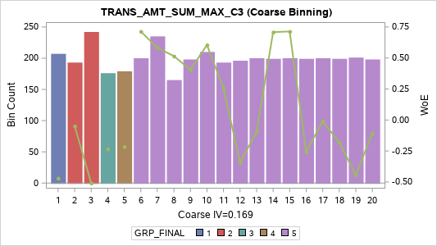
Label (Coarse) | Group | Total | Bad | Good | Percent | Bad Rate | Good Rate | WoE | IV
[01] (-INF, 50,000] | 1 | 207 | 19 | 188 | 5.19% | 9.18% | 90.82% | -0.47 | 0.014
[02] (50,000, 110,000] | 2 | 193 | 12 | 181 | 4.84% | 6.22% | 93.78% | -0.049 | 0
[03] (110,000, 300,000] | 2 | 242 | 23 | 219 | 6.07% | 9.50% | 90.50% | -0.509 | 0.02
[04] (300,000, 500,000] | 3 | 176 | 13 | 163 | 4.41% | 7.39% | 92.61% | -0.233 | 0.003
[05] (500,000, 845,000] | 4 | 179 | 13 | 166 | 4.49% | 7.26% | 92.74% | -0.215 | 0.002
[06] (845,000, 1,201,000] | 5 | 200 | 6 | 194 | 5.01% | 3.00% | 97.00% | 0.714 | 0.019
[07] (1,201,000, 2,000,000] | 5 | 235 | 8 | 227 | 5.89% | 3.40% | 96.60% | 0.583 | 0.016
[08] (2,000,000, 2,800,000] | 5 | 165 | 6 | 159 | 4.14% | 3.64% | 96.36% | 0.515 | 0.009
[09] (2,800,000, 3,825,000] | 5 | 198 | 8 | 190 | 4.96% | 4.04% | 95.96% | 0.405 | 0.007
[10] (3,825,000, 5,000,000] | 5 | 210 | 7 | 203 | 5.26% | 3.33% | 96.67% | 0.605 | 0.015
[11] (5,000,000, 6,500,000] | 5 | 193 | 9 | 184 | 4.84% | 4.66% | 95.34% | 0.255 | 0.003
[12] (6,500,000, 8,530,000] | 5 | 196 | 16 | 180 | 4.91% | 8.16% | 91.84% | -0.342 | 0.007
[13] (8,530,000, 10,933,696] | 5 | 200 | 13 | 187 | 5.01% | 6.50% | 93.50% | -0.096 | 0
[14] (10,933,696, 15,503,536] | 5 | 199 | 6 | 193 | 4.99% | 3.02% | 96.98% | 0.709 | 0.019
[15] (15,503,536, 22,600,000] | 5 | 200 | 6 | 194 | 5.01% | 3.00% | 97.00% | 0.714 | 0.019
[16] (22,600,000, 35,710,000] | 5 | 199 | 15 | 184 | 4.99% | 7.54% | 92.46% | -0.255 | 0.004
[17] (35,710,000, 57,000,000] | 5 | 200 | 12 | 188 | 5.01% | 6.00% | 94.00% | -0.011 | 0
[18] (57,000,000, 100,563,000] | 5 | 199 | 14 | 185 | 4.99% | 7.04% | 92.96% | -0.181 | 0.002
[19] (100,563,000, 250,000,000] | 5 | 201 | 18 | 183 | 5.04% | 8.96% | 91.04% | -0.443 | 0.012
[20] (250,000,000 , +INF) | 5 | 198 | 13 | 185 | 4.96% | 6.57% | 93.43% | -0.107 | 0.001
TOTAL |  | 3,990 | 237 | 3,753 | 100.00% | 5.94% | 94.06% |  | 0.169

TRANS_AMT_SUM_MIN_C3 (Coarse Binning) |  |  |  |  |  |  |  |  |  | RANS_AMT_SUM_MIN_C3 (Fine Binning)

Label (Coarse) | Group | Total | Bad | Good | Percent | Bad Rate | Good Rate | WoE | IV | Label (Fine) | Group | Total | Bad | Good | Percent | Bad Rate | Good Rate | WoE | IV
[1] (-INF, 0] | 1 | 3,456 | 225 | 3,231 | 86.62% | 6.51% | 93.49% | -0.098 | 0.009 | [1] (-INF, 0] | 1 | 3,456 | 225 | 3,231 | 86.62% | 6.51% | 93.49% | -0.098 | 0.009
[2] (0, 280,000] | 2 | 135 | 7 | 128 | 3.38% | 5.19% | 94.81% | 0.144 | 0.001 | [2] (0, 280,000] | 2 | 135 | 7 | 128 | 3.38% | 5.19% | 94.81% | 0.144 | 0.001
[3] (280,000, 2,905,000] | 3 | 200 | 5 | 195 | 5.01% | 2.50% | 97.50% | 0.901 | 0.028 | [3] (280,000, 2,905,000] | 3 | 200 | 5 | 195 | 5.01% | 2.50% | 97.50% | 0.901 | 0.028
[4] (2,905,000 , +INF) | 4 | 199 | 0 | 199 | 4.99% | 0.00% | 100.00% | 3.227 | 0.171 | [4] (2,905,000 , +INF) | 4 | 199 | 0 | 199 | 4.99% | 0.00% | 100.00% | 3.227 | 0.171
TOTAL |  | 3,990 | 237 | 3,753 | 100.00% | 5.94% | 94.06% |  | 0.208 | TOTAL |  | 3,990 | 237 | 3,753 | 100.00% | 5.94% | 94.06% |  | 0.208

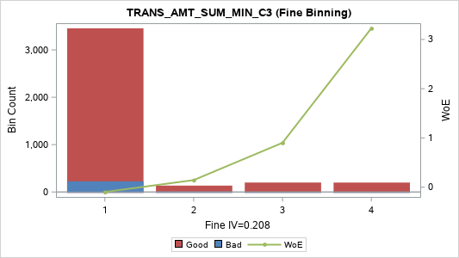

TRANS_AMT_SUM_SUM_C3 (Coarse Binning)

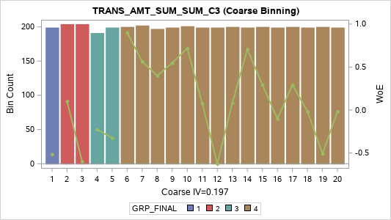
Label (Coarse) | Group | Total | Bad | Good | Percent | Bad Rate | Good Rate | WoE | IV
[01] (-INF, 59,000] | 1 | 199 | 19 | 180 | 4.99% | 9.55% | 90.45% | -0.514 | 0.017
[02] (59,000, 140,000] | 2 | 204 | 11 | 193 | 5.11% | 5.39% | 94.61% | 0.103 | 0.001
[03] (140,000, 300,000] | 2 | 204 | 21 | 183 | 5.11% | 10.29% | 89.71% | -0.597 | 0.024
[04] (300,000, 540,000] | 3 | 191 | 14 | 177 | 4.79% | 7.33% | 92.67% | -0.225 | 0.003
[05] (540,000, 938,597] | 3 | 199 | 16 | 183 | 4.99% | 8.04% | 91.96% | -0.325 | 0.006
[06] (938,597, 1,400,000] | 4 | 200 | 5 | 195 | 5.01% | 2.50% | 97.50% | 0.901 | 0.028
[07] (1,400,000, 2,100,000] | 4 | 202 | 7 | 195 | 5.06% | 3.47% | 96.53% | 0.565 | 0.013
[08] (2,100,000, 3,094,500] | 4 | 197 | 8 | 189 | 4.94% | 4.06% | 95.94% | 0.4 | 0.007
[09] (3,094,500, 4,283,000] | 4 | 199 | 7 | 192 | 4.99% | 3.52% | 96.48% | 0.549 | 0.012
[10] (4,283,000, 5,790,000] | 4 | 201 | 6 | 195 | 5.04% | 2.99% | 97.01% | 0.719 | 0.019
[11] (5,790,000, 7,700,200] | 4 | 199 | 11 | 188 | 4.99% | 5.53% | 94.47% | 0.076 | 0
[12] (7,700,200, 10,200,000] | 4 | 199 | 21 | 178 | 4.99% | 10.55% | 89.45% | -0.625 | 0.026
[13] (10,200,000, 13,565,033] | 4 | 200 | 11 | 189 | 5.01% | 5.50% | 94.50% | 0.082 | 0
[14] (13,565,033, 19,500,000] | 4 | 199 | 6 | 193 | 4.99% | 3.02% | 96.98% | 0.709 | 0.019
[15] (19,500,000, 27,500,000] | 4 | 200 | 9 | 191 | 5.01% | 4.50% | 95.50% | 0.293 | 0.004
[16] (27,500,000, 41,818,690] | 4 | 199 | 13 | 186 | 4.99% | 6.53% | 93.47% | -0.101 | 0.001
[17] (41,818,690, 67,080,000] | 4 | 200 | 9 | 191 | 5.01% | 4.50% | 95.50% | 0.293 | 0.004
[18] (67,080,000, 114,055,000] | 4 | 199 | 12 | 187 | 4.99% | 6.03% | 93.97% | -0.016 | 0
[19] (114,055,000, 300,050,652] | 4 | 200 | 19 | 181 | 5.01% | 9.50% | 90.50% | -0.508 | 0.016
[20] (300,050,652 , +INF) | 4 | 199 | 12 | 187 | 4.99% | 6.03% | 93.97% | -0.016 | 0
TOTAL |  | 3,990 | 237 | 3,753 | 100.00% | 5.94% | 94.06% |  | 0.197

TRANS_AMT_SUM_AVG_C3 (Coarse Binning)


Label (Coarse) | Group | Total | Bad | Good | Percent | Bad Rate | Good Rate | WoE | IV
[01] (-INF, 19,666.6667] | 1 | 199 | 19 | 180 | 4.99% | 9.55% | 90.45% | -0.514 | 0.017
[02] (19,666.6667, 46,666.6667] | 2 | 204 | 11 | 193 | 5.11% | 5.39% | 94.61% | 0.103 | 0.001
[03] (46,666.6667, 100,000.0000] | 2 | 204 | 21 | 183 | 5.11% | 10.29% | 89.71% | -0.597 | 0.024
[04] (100,000.0000, 180,000.0000] | 3 | 191 | 14 | 177 | 4.79% | 7.33% | 92.67% | -0.225 | 0.003
[05] (180,000.0000, 312,865.6667] | 3 | 199 | 16 | 183 | 4.99% | 8.04% | 91.96% | -0.325 | 0.006
[06] (312,865.6667, 466,666.6667] | 4 | 200 | 5 | 195 | 5.01% | 2.50% | 97.50% | 0.901 | 0.028
[07] (466,666.6667, 700,000.0000] | 4 | 202 | 7 | 195 | 5.06% | 3.47% | 96.53% | 0.565 | 0.013
[08] (700,000.0000, 1,031,500.0000] | 4 | 197 | 8 | 189 | 4.94% | 4.06% | 95.94% | 0.4 | 0.007
[09] (1,031,500.0000, 1,427,666.6667] | 4 | 199 | 7 | 192 | 4.99% | 3.52% | 96.48% | 0.549 | 0.012
[10] (1,427,666.6667, 1,930,000.0000] | 4 | 201 | 6 | 195 | 5.04% | 2.99% | 97.01% | 0.719 | 0.019
[11] (1,930,000.0000, 2,566,733.3333] | 4 | 198 | 11 | 187 | 4.96% | 5.56% | 94.44% | 0.071 | 0
[12] (2,566,733.3333, 3,400,000.0000] | 4 | 200 | 21 | 179 | 5.01% | 10.50% | 89.50% | -0.619 | 0.025
[13] (3,400,000.0000, 4,521,677.6667] | 4 | 200 | 11 | 189 | 5.01% | 5.50% | 94.50% | 0.082 | 0
[14] (4,521,677.6667, 6,500,000.0000] | 4 | 199 | 6 | 193 | 4.99% | 3.02% | 96.98% | 0.709 | 0.019
[15] (6,500,000.0000, 9,166,666.6667] | 4 | 200 | 9 | 191 | 5.01% | 4.50% | 95.50% | 0.293 | 0.004
[16] (9,166,666.6667, 13,939,563.3333] | 4 | 198 | 13 | 185 | 4.96% | 6.57% | 93.43% | -0.107 | 0.001
[17] (13,939,563.3333, 22,360,000.0000] | 4 | 201 | 9 | 192 | 5.04% | 4.48% | 95.52% | 0.298 | 0.004
[18] (22,360,000.0000, 38,018,333.3333] | 4 | 198 | 12 | 186 | 4.96% | 6.06% | 93.94% | -0.021 | 0
[19] (38,018,333.3333, 100,016,884.0000] | 4 | 201 | 19 | 182 | 5.04% | 9.45% | 90.55% | -0.503 | 0.016
[20] (100,016,884.0000 , +INF) | 4 | 199 | 12 | 187 | 4.99% | 6.03% | 93.97% | -0.016 | 0
TOTAL |  | 3,990 | 237 | 3,753 | 100.00% | 5.94% | 94.06% |  | 0.196

TRANS_AMT_SUM_VAR_C3 (Coarse Binning)

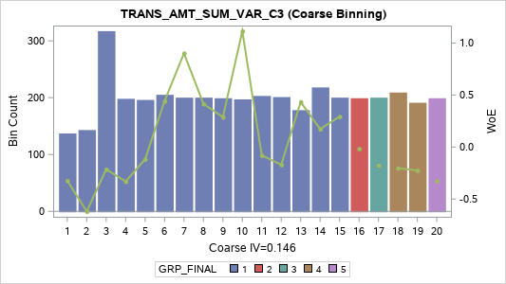
Label (Coarse) | Group | Total | Bad | Good | Percent | Bad Rate | Good Rate | WoE | IV
[01] (-INF, 833333333.3333000000] | 1 | 137 | 11 | 126 | 3.43% | 8.03% | 91.97% | -0.324 | 0.004
[02] (833333333.3333000000, 3333333333.3 | 1 | 143 | 15 | 128 | 3.58% | 10.49% | 89.51% | -0.618 | 0.018
[03] (3333333333.333300000, 23333333333. | 1 | 317 | 23 | 294 | 7.94% | 7.26% | 92.74% | -0.214 | 0.004
[04] (23333333333.33330000, 83000333333. | 1 | 198 | 16 | 182 | 4.96% | 8.08% | 91.92% | -0.331 | 0.006
[05] (83000333333.33330000, 213333333333 | 1 | 196 | 13 | 183 | 4.91% | 6.63% | 93.37% | -0.118 | 0.001
[06] (213333333333.3330000, 448533333333 | 1 | 205 | 8 | 197 | 5.14% | 3.90% | 96.10% | 0.442 | 0.008
[07] (448533333333.3330000, 110625600000 | 1 | 200 | 5 | 195 | 5.01% | 2.50% | 97.50% | 0.901 | 0.028
[08] (1106256000000.000000, 217000000000 | 1 | 200 | 8 | 192 | 5.01% | 4.00% | 96.00% | 0.416 | 0.007
[09] (2170000000000.000000, 410670000000 | 1 | 199 | 9 | 190 | 4.99% | 4.52% | 95.48% | 0.288 | 0.004
[10] (4106700000000.000000, 736333333333 | 1 | 197 | 4 | 193 | 4.94% | 2.03% | 97.97% | 1.114 | 0.038
[11] (7363333333333.330000, 118803000000 | 1 | 203 | 13 | 190 | 5.09% | 6.40% | 93.60% | -0.08 | 0
[12] (11880300000000.00000, 202800000000 | 1 | 201 | 14 | 187 | 5.04% | 6.97% | 93.03% | -0.17 | 0.002
[13] (20280000000000.00000, 333333333333 | 1 | 178 | 7 | 171 | 4.46% | 3.93% | 96.07% | 0.434 | 0.007
[14] (33333333333333.30000, 664120333333 | 1 | 218 | 11 | 207 | 5.46% | 5.05% | 94.95% | 0.173 | 0.002
[15] (66412033333333.30000, 140498197333 | 1 | 200 | 9 | 191 | 5.01% | 4.50% | 95.50% | 0.293 | 0.004
[16] (140498197333333.0000, 352419983150 | 2 | 199 | 12 | 187 | 4.99% | 6.03% | 93.97% | -0.016 | 0
[17] (352419983150208.0000, 900333333333 | 3 | 200 | 14 | 186 | 5.01% | 7.00% | 93.00% | -0.176 | 0.002
[18] (900333333333333.0000, 333333333333 | 4 | 209 | 15 | 194 | 5.24% | 7.18% | 92.82% | -0.202 | 0.002
[19] (3333333333333334.000, 191208625146 | 4 | 191 | 14 | 177 | 4.79% | 7.33% | 92.67% | -0.225 | 0.003
[20] (19120862514604800.00 , +INF) | 5 | 199 | 16 | 183 | 4.99% | 8.04% | 91.96% | -0.325 | 0.006
TOTAL |  | 3,990 | 237 | 3,753 | 100.00% | 5.94% | 94.06% |  | 0.146

TRANS_AMT_SUM_RNG_C3 (Coarse Binning)

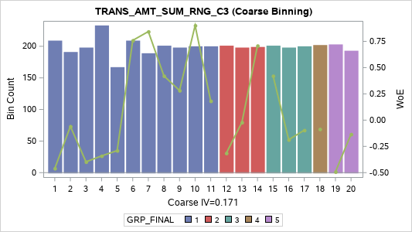
Label (Coarse) | Group | Total | Bad | Good | Percent | Bad Rate | Good Rate | WoE | IV
[01] (-INF, 50,000] | 1 | 209 | 19 | 190 | 5.24% | 9.09% | 90.91% | -0.46 | 0.014
[02] (50,000, 100,001] | 1 | 191 | 12 | 179 | 4.79% | 6.28% | 93.72% | -0.06 | 0
[03] (100,001, 278,633] | 1 | 198 | 17 | 181 | 4.96% | 8.59% | 91.41% | -0.397 | 0.009
[04] (278,633, 500,000] | 1 | 233 | 19 | 214 | 5.84% | 8.15% | 91.85% | -0.341 | 0.008
[05] (500,000, 820,000] | 1 | 167 | 13 | 154 | 4.19% | 7.78% | 92.22% | -0.29 | 0.004
[06] (820,000, 1,200,000] | 1 | 209 | 6 | 203 | 5.24% | 2.87% | 97.13% | 0.759 | 0.022
[07] (1,200,000, 1,915,000] | 1 | 189 | 5 | 184 | 4.74% | 2.65% | 97.35% | 0.843 | 0.024
[08] (1,915,000, 2,650,000] | 1 | 201 | 8 | 193 | 5.04% | 3.98% | 96.02% | 0.421 | 0.007
[09] (2,650,000, 3,630,579] | 1 | 198 | 9 | 189 | 4.96% | 4.55% | 95.45% | 0.282 | 0.003
[10] (3,630,579, 4,905,800] | 1 | 200 | 5 | 195 | 5.01% | 2.50% | 97.50% | 0.901 | 0.028
[11] (4,905,800, 6,150,000] | 1 | 200 | 10 | 190 | 5.01% | 5.00% | 95.00% | 0.182 | 0.002
[12] (6,150,000, 8,000,000] | 2 | 201 | 16 | 185 | 5.04% | 7.96% | 92.04% | -0.314 | 0.006
[13] (8,000,000, 10,489,002] | 2 | 198 | 12 | 186 | 4.96% | 6.06% | 93.94% | -0.021 | 0
[14] (10,489,002, 14,953,000] | 2 | 199 | 6 | 193 | 4.99% | 3.02% | 96.98% | 0.709 | 0.019
[15] (14,953,000, 21,550,000] | 3 | 201 | 8 | 193 | 5.04% | 3.98% | 96.02% | 0.421 | 0.007
[16] (21,550,000, 34,074,015] | 3 | 198 | 14 | 184 | 4.96% | 7.07% | 92.93% | -0.186 | 0.002
[17] (34,074,015, 53,550,000] | 3 | 200 | 13 | 187 | 5.01% | 6.50% | 93.50% | -0.096 | 0
[18] (53,550,000, 100,000,000] | 4 | 202 | 13 | 189 | 5.06% | 6.44% | 93.56% | -0.085 | 0
[19] (100,000,000, 250,000,000] | 5 | 203 | 19 | 184 | 5.09% | 9.36% | 90.64% | -0.492 | 0.015
[20] (250,000,000 , +INF) | 5 | 193 | 13 | 180 | 4.84% | 6.74% | 93.26% | -0.134 | 0.001
TOTAL |  | 3,990 | 237 | 3,753 | 100.00% | 5.94% | 94.06% |  | 0.171

TRANS_AMT_SUM_CRR_C3 (Coarse Binning) |  |  |  |  |  |  |  |  |  | TRANS_AMT_SUM_CRR_C3 (Fine Binning)

Label (Coarse) | Group | Total | Bad | Good | Percent | Bad Rate | Good Rate | WoE | IV | Label (Fine) | Group | Total | Bad | Good | Percent | Bad Rate | Good Rate | WoE | IV
[01] (-INF, -0.9744] | 1 | 195 | 5 | 190 | 4.89% | 2.56% | 97.44% | 0.875 | 0.026 | [01] (-INF, -0.0013] | 1 | 3,191 | 98 | 3,093 | 79.97% | 3.07% | 96.93% | 0.69 | 0.283
[02] (-0.9744, -0.9248] | 1 | 204 | 10 | 194 | 5.11% | 4.90% | 95.10% | 0.203 | 0.002 | [02] (-0.0013 , +INF) | 2 | 799 | 139 | 660 | 20.03% | 17.40% | 82.60% | -1.204 | 0.495
[03] (-0.9248, -0.8773] | 1 | 200 | 1 | 199 | 5.01% | 0.50% | 99.50% | 2.531 | 0.124 | TOTAL |  | 3,990 | 237 | 3,753 | 100.00% | 5.94% | 94.06% |  | 0.778
[04] (-0.8773, -0.8660] | 1 | 2,081 | 60 | 2,021 | 52.16% | 2.88% | 97.12% | 0.755 | 0.215

[05] (-0.8660, -0.7673] | 2 | 112 | 6 | 106 | 2.81% | 5.36% | 94.64% | 0.109 | 0
[06] (-0.7673, -0.3300] | 2 | 200 | 6 | 194 | 5.01% | 3.00% | 97.00% | 0.714 | 0.019
[07] (-0.3300, -0.0013] | 3 | 199 | 10 | 189 | 4.99% | 5.03% | 94.97% | 0.177 | 0.001
[08] (-0.0013, 0.0000] | 4 | 254 | 49 | 205 | 6.37% | 19.29% | 80.71% | -1.331 | 0.202
[09] (0.0000, 0.7426] | 4 | 146 | 10 | 136 | 3.66% | 6.85% | 93.15% | -0.152 | 0.001
[10] (0.7426, 0.8660] | 4 | 68 | 3 | 65 | 1.70% | 4.41% | 95.59% | 0.314 | 0.001
[11] (0.8660 , +INF) | 5 | 331 | 77 | 254 | 8.30% | 23.26% | 76.74% | -1.569 | 0.403
TOTAL |  | 3,990 | 237 | 3,753 | 100.00% | 5.94% | 94.06% |  | 0.996

TRANS_AMT_SUM_SLP_C3 (Coarse Binning) |  |  |  |  |  |  |  |  |  | TRANS_AMT_SUM_SLP_C3 (Fine Binning)

Label (Coarse) | Group | Total | Bad | Good | Percent | Bad Rate | Good Rate | WoE | IV | Label (Fine) | Group | Total | Bad | Good | Percent | Bad Rate | Good Rate | WoE | IV
[01] (-INF, -70,000,000.0] | 1 | 199 | 10 | 189 | 4.99% | 5.03% | 94.97% | 0.177 | 0.001 | [01] (-INF, -500] | 1 | 3,195 | 98 | 3,097 | 80.08% | 3.07% | 96.93% | 0.691 | 0.284
[02] (-70,000,000.0, -25,918,500.0] | 1 | 200 | 3 | 197 | 5.01% | 1.50% | 98.50% | 1.422 | 0.057 | [02] (-500 , +INF) | 2 | 795 | 139 | 656 | 19.92% | 17.48% | 82.52% | -1.211 | 0.498
[03] (-25,918,500.0, -14,260,000.0] | 1 | 199 | 10 | 189 | 4.99% | 5.03% | 94.97% | 0.177 | 0.001 | TOTAL |  | 3,990 | 237 | 3,753 | 100.00% | 5.94% | 94.06% |  | 0.783
[04] (-14,260,000.0, -8,250,000.0] | 1 | 202 | 6 | 196 | 5.06% | 2.97% | 97.03% | 0.724 | 0.019

[05] (-8,250,000.0, -5,050,000.0] | 1 | 197 | 1 | 196 | 4.94% | 0.51% | 99.49% | 2.516 | 0.121
[06] (-5,050,000.0, -3,600,000.0] | 1 | 201 | 11 | 190 | 5.04% | 5.47% | 94.53% | 0.087 | 0
[07] (-3,600,000.0, -2,645,700.0] | 1 | 198 | 11 | 187 | 4.96% | 5.56% | 94.44% | 0.071 | 0
[08] (-2,645,700.0, -1,985,000.0] | 1 | 200 | 3 | 197 | 5.01% | 1.50% | 98.50% | 1.422 | 0.057
[09] (-1,985,000.0, -1,398,500.0] | 1 | 199 | 5 | 194 | 4.99% | 2.51% | 97.49% | 0.896 | 0.027
[10] (-1,398,500.0, -950,000.0] | 1 | 201 | 5 | 196 | 5.04% | 2.49% | 97.51% | 0.906 | 0.028
[11] (-950,000.0, -541,705.0] | 1 | 199 | 1 | 198 | 4.99% | 0.50% | 99.50% | 2.526 | 0.123
[12] (-541,705.0, -350,000.0] | 1 | 200 | 4 | 196 | 5.01% | 2.00% | 98.00% | 1.13 | 0.04
[13] (-350,000.0, -194,500.0] | 1 | 199 | 2 | 197 | 4.99% | 1.01% | 98.99% | 1.828 | 0.081
[14] (-194,500.0, -93,200.5] | 2 | 199 | 8 | 191 | 4.99% | 4.02% | 95.98% | 0.411 | 0.007
[15] (-93,200.5, -35,000.0] | 3 | 208 | 10 | 198 | 5.21% | 4.81% | 95.19% | 0.223 | 0.002
[16] (-35,000.0, -500.0] | 4 | 194 | 8 | 186 | 4.86% | 4.12% | 95.88% | 0.384 | 0.006
[17] (-500.0, 0.0] | 4 | 250 | 49 | 201 | 6.27% | 19.60% | 80.40% | -1.351 | 0.207
[18] (0.0, 413,607.0] | 5 | 146 | 32 | 114 | 3.66% | 21.92% | 78.08% | -1.492 | 0.156
[19] (413,607.0, 8,225,000.0] | 5 | 200 | 26 | 174 | 5.01% | 13.00% | 87.00% | -0.861 | 0.055
[20] (8,225,000.0 , +INF) | 5 | 199 | 32 | 167 | 4.99% | 16.08% | 83.92% | -1.11 | 0.1
TOTAL |  | 3,990 | 237 | 3,753 | 100.00% | 5.94% | 94.06% |  | 1.089

Transaction_Amt_Avg
TRANS_AMT_AVG_M1 (Coarse Binning) |  |  |  |  |  |  |  |  |  | TRANS_AMT_AVG_M1 (Fine Binning)

Label (Coarse) | Group | Total | Bad | Good | Percent | Bad Rate | Good Rate | WoE | IV | Label (Fine) | Group | Total | Bad | Good | Percent | Bad Rate | Good Rate | WoE | IV
[01] (-INF, 0.0000] | 1 | 534 | 131 | 403 | 13.38% | 24.53% | 75.47% | -1.639 | 0.73 | [01] (-INF, 0] | 1 | 534 | 131 | 403 | 13.38% | 24.53% | 75.47% | -1.639 | 0.73
[02] (0.0000, 15,000.0000] | 2 | 71 | 0 | 71 | 1.78% | 0.00% | 100.00% | 2.201 | 0.042 | [02] (0 , +INF) | 2 | 3,456 | 106 | 3,350 | 86.62% | 3.07% | 96.93% | 0.691 | 0.308
[03] (15,000.0000, 50,000.0000] | 2 | 234 | 15 | 219 | 5.86% | 6.41% | 93.59% | -0.081 | 0 | TOTAL |  | 3,990 | 237 | 3,753 | 100.00% | 5.94% | 94.06% |  | 1.037
[04] (50,000.0000, 100,000.0000] | 3 | 242 | 10 | 232 | 6.07% | 4.13% | 95.87% | 0.382 | 0.007
[05] (100,000.0000, 160,000.0000] | 4 | 116 | 4 | 112 | 2.91% | 3.45% | 96.55% | 0.57 | 0.007
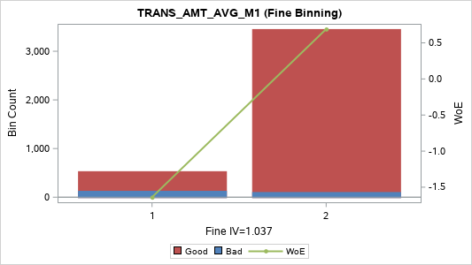
[06] (160,000.0000, 271,666.6667] | 5 | 199 | 5 | 194 | 4.99% | 2.51% | 97.49% | 0.896 | 0.027
[07] (271,666.6667, 400,000.0000] | 5 | 210 | 2 | 208 | 5.26% | 0.95% | 99.05% | 1.882 | 0.088
[08] (400,000.0000, 544,909.0909] | 5 | 189 | 4 | 185 | 4.74% | 2.12% | 97.88% | 1.072 | 0.035
[09] (544,909.0909, 787,500.0000] | 5 | 200 | 4 | 196 | 5.01% | 2.00% | 98.00% | 1.13 | 0.04
[10] (787,500.0000, 1,000,000.0000] | 5 | 208 | 2 | 206 | 5.21% | 0.96% | 99.04% | 1.872 | 0.087
[11] (1,000,000.0000, 1,379,688.7500] | 5 | 191 | 3 | 188 | 4.79% | 1.57% | 98.43% | 1.376 | 0.051
[12] (1,379,688.7500, 1,930,000.0000] | 5 | 200 | 3 | 197 | 5.01% | 1.50% | 98.50% | 1.422 | 0.057
[13] (1,930,000.0000, 2,669,314.5000] | 5 | 199 | 6 | 193 | 4.99% | 3.02% | 96.98% | 0.709 | 0.019
[14] (2,669,314.5000, 3,913,496.6670] | 5 | 200 | 8 | 192 | 5.01% | 4.00% | 96.00% | 0.416 | 0.007
[15] (3,913,496.6670, 5,500,000.0000] | 5 | 199 | 3 | 196 | 4.99% | 1.51% | 98.49% | 1.417 | 0.056
[16] (5,500,000.0000, 8,470,000.0000] | 5 | 200 | 11 | 189 | 5.01% | 5.50% | 94.50% | 0.082 | 0
[17] (8,470,000.0000, 16,529,800.0000] | 5 | 199 | 8 | 191 | 4.99% | 4.02% | 95.98% | 0.411 | 0.007
[18] (16,529,800.0000, 33,872,335.4100] | 5 | 200 | 3 | 197 | 5.01% | 1.50% | 98.50% | 1.422 | 0.057
[19] (33,872,335.4100 , +INF) | 5 | 199 | 15 | 184 | 4.99% | 7.54% | 92.46% | -0.255 | 0.004
TOTAL |  | 3,990 | 237 | 3,753 | 100.00% | 5.94% | 94.06% |  | 1.322

TRANS_AMT_AVG_MAX_C3 (Coarse Binning)

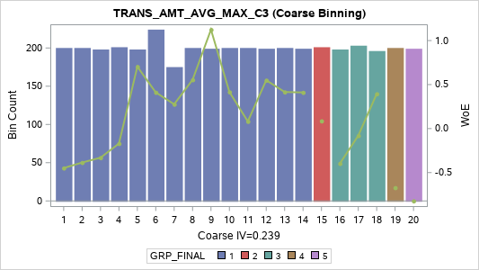
Label (Coarse) | Group | Total | Bad | Good | Percent | Bad Rate | Good Rate | WoE | IV
[01] (-INF, 40,000.0000] | 1 | 200 | 18 | 182 | 5.01% | 9.00% | 91.00% | -0.449 | 0.012
[02] (40,000.0000, 70,000.0000] | 1 | 200 | 17 | 183 | 5.01% | 8.50% | 91.50% | -0.386 | 0.009
[03] (70,000.0000, 101,400.0000] | 1 | 198 | 16 | 182 | 4.96% | 8.08% | 91.92% | -0.331 | 0.006
[04] (101,400.0000, 200,000.0000] | 1 | 201 | 14 | 187 | 5.04% | 6.97% | 93.03% | -0.17 | 0.002
[05] (200,000.0000, 343,333.3333] | 1 | 198 | 6 | 192 | 4.96% | 3.03% | 96.97% | 0.703 | 0.018
[06] (343,333.3333, 500,000.0000] | 1 | 224 | 9 | 215 | 5.61% | 4.02% | 95.98% | 0.411 | 0.008
[07] (500,000.0000, 712,500.0000] | 1 | 175 | 8 | 167 | 4.39% | 4.57% | 95.43% | 0.276 | 0.003
[08] (712,500.0000, 998,571.4286] | 1 | 200 | 7 | 193 | 5.01% | 3.50% | 96.50% | 0.555 | 0.012
[09] (998,571.4286, 1,224,462.5000] | 1 | 199 | 4 | 195 | 4.99% | 2.01% | 97.99% | 1.124 | 0.039
[10] (1,224,462.5000, 1,597,029.0000] | 1 | 200 | 8 | 192 | 5.01% | 4.00% | 96.00% | 0.416 | 0.007
[11] (1,597,029.0000, 2,075,000.0000] | 1 | 200 | 11 | 189 | 5.01% | 5.50% | 94.50% | 0.082 | 0
[12] (2,075,000.0000, 2,812,500.0000] | 1 | 199 | 7 | 192 | 4.99% | 3.52% | 96.48% | 0.549 | 0.012
[13] (2,812,500.0000, 3,831,500.0000] | 1 | 200 | 8 | 192 | 5.01% | 4.00% | 96.00% | 0.416 | 0.007
[14] (3,831,500.0000, 5,111,111.1110] | 1 | 199 | 8 | 191 | 4.99% | 4.02% | 95.98% | 0.411 | 0.007
[15] (5,111,111.1110, 7,250,000.0000] | 2 | 201 | 11 | 190 | 5.04% | 5.47% | 94.53% | 0.087 | 0
[16] (7,250,000.0000, 10,450,000.0000] | 3 | 198 | 17 | 181 | 4.96% | 8.59% | 91.41% | -0.397 | 0.009
[17] (10,450,000.0000, 19,000,000.0000] | 3 | 203 | 13 | 190 | 5.09% | 6.40% | 93.60% | -0.08 | 0
[18] (19,000,000.0000, 29,990,000.0000] | 3 | 196 | 8 | 188 | 4.91% | 4.08% | 95.92% | 0.395 | 0.006
[19] (29,990,000.0000, 52,666,666.6700] | 4 | 200 | 22 | 178 | 5.01% | 11.00% | 89.00% | -0.672 | 0.03
[20] (52,666,666.6700 , +INF) | 5 | 199 | 25 | 174 | 4.99% | 12.56% | 87.44% | -0.822 | 0.049
TOTAL |  | 3,990 | 237 | 3,753 | 100.00% | 5.94% | 94.06% |  | 0.239

TRANS_AMT_AVG_MIN_C3 (Coarse Binning) |  |  |  |  |  |  |  |  |  | TRANS_AMT_AVG_MIN_C3 (Fine Binning)

Label (Coarse) | Group | Total | Bad | Good | Percent | Bad Rate | Good Rate | WoE | IV | Label (Fine) | Group | Total | Bad | Good | Percent | Bad Rate | Good Rate | WoE | IV
[1] (-INF, 0] | 1 | 3,456 | 225 | 3,231 | 86.62% | 6.51% | 93.49% | -0.098 | 0.009 | [1] (-INF, 0] | 1 | 3,456 | 225 | 3,231 | 86.62% | 6.51% | 93.49% | -0.098 | 0.009
[2] (0, 105,000] | 2 | 135 | 7 | 128 | 3.38% | 5.19% | 94.81% | 0.144 | 0.001 | [2] (0, 105,000] | 2 | 135 | 7 | 128 | 3.38% | 5.19% | 94.81% | 0.144 | 0.001
[3] (105,000, 830,000] | 3 | 200 | 4 | 196 | 5.01% | 2.00% | 98.00% | 1.13 | 0.04 | [3] (105,000, 830,000] | 3 | 200 | 4 | 196 | 5.01% | 2.00% | 98.00% | 1.13 | 0.04
[4] (830,000 , +INF) | 4 | 199 | 1 | 198 | 4.99% | 0.50% | 99.50% | 2.526 | 0.123 | [4] (830,000 , +INF) | 4 | 199 | 1 | 198 | 4.99% | 0.50% | 99.50% | 2.526 | 0.123
TOTAL |  | 3,990 | 237 | 3,753 | 100.00% | 5.94% | 94.06% |  | 0.172 | TOTAL |  | 3,990 | 237 | 3,753 | 100.00% | 5.94% | 94.06% |  | 0.172

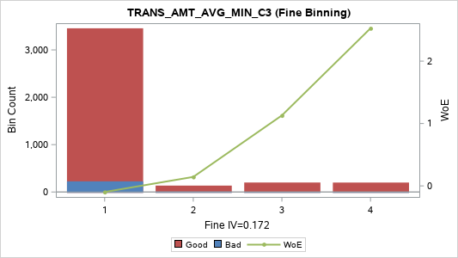

TRANS_AMT_AVG_SUM_C3 (Coarse Binning)

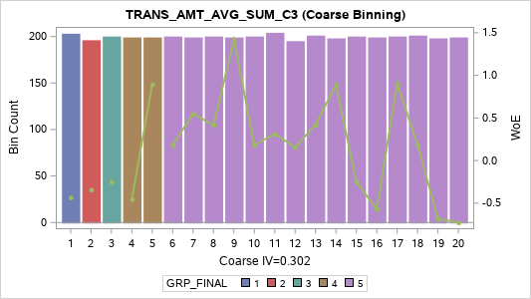
Label (Coarse) | Group | Total | Bad | Good | Percent | Bad Rate | Good Rate | WoE | IV
[01] (-INF, 45,000.000] | 1 | 203 | 18 | 185 | 5.09% | 8.87% | 91.13% | -0.432 | 0.012
[02] (45,000.000, 84,483.500] | 2 | 196 | 16 | 180 | 4.91% | 8.16% | 91.84% | -0.342 | 0.007
[03] (84,483.500, 130,000.000] | 3 | 200 | 15 | 185 | 5.01% | 7.50% | 92.50% | -0.25 | 0.003
[04] (130,000.000, 244,000.000] | 4 | 199 | 18 | 181 | 4.99% | 9.05% | 90.95% | -0.454 | 0.013
[05] (244,000.000, 392,000.000] | 4 | 199 | 5 | 194 | 4.99% | 2.51% | 97.49% | 0.896 | 0.027
[06] (392,000.000, 570,000.000] | 5 | 200 | 10 | 190 | 5.01% | 5.00% | 95.00% | 0.182 | 0.002
[07] (570,000.000, 847,500.000] | 5 | 199 | 7 | 192 | 4.99% | 3.52% | 96.48% | 0.549 | 0.012
[08] (847,500.000, 1,066,515.152] | 5 | 200 | 8 | 192 | 5.01% | 4.00% | 96.00% | 0.416 | 0.007
[09] (1,066,515.152, 1,487,857.143] | 5 | 199 | 3 | 196 | 4.99% | 1.51% | 98.49% | 1.417 | 0.056
[10] (1,487,857.143, 1,968,750.000] | 5 | 200 | 10 | 190 | 5.01% | 5.00% | 95.00% | 0.182 | 0.002
[11] (1,968,750.000, 2,600,000.000] | 5 | 204 | 9 | 195 | 5.11% | 4.41% | 95.59% | 0.314 | 0.004
[12] (2,600,000.000, 3,480,800.000] | 5 | 195 | 10 | 185 | 4.89% | 5.13% | 94.87% | 0.156 | 0.001
[13] (3,480,800.000, 4,800,000.000] | 5 | 201 | 8 | 193 | 5.04% | 3.98% | 96.02% | 0.421 | 0.007
[14] (4,800,000.000, 6,187,500.000] | 5 | 198 | 5 | 193 | 4.96% | 2.53% | 97.47% | 0.891 | 0.027
[15] (6,187,500.000, 8,534,499.333] | 5 | 200 | 15 | 185 | 5.01% | 7.50% | 92.50% | -0.25 | 0.003
[16] (8,534,499.333, 13,067,750.000] | 5 | 199 | 20 | 179 | 4.99% | 10.05% | 89.95% | -0.571 | 0.021
[17] (13,067,750.000, 21,149,000.000] | 5 | 200 | 5 | 195 | 5.01% | 2.50% | 97.50% | 0.901 | 0.028
[18] (21,149,000.000, 35,000,000.000] | 5 | 201 | 10 | 191 | 5.04% | 4.98% | 95.02% | 0.187 | 0.002
[19] (35,000,000.000, 69,064,750.000] | 5 | 198 | 22 | 176 | 4.96% | 11.11% | 88.89% | -0.683 | 0.031
[20] (69,064,750.000 , +INF) | 5 | 199 | 23 | 176 | 4.99% | 11.56% | 88.44% | -0.727 | 0.036
TOTAL |  | 3,990 | 237 | 3,753 | 100.00% | 5.94% | 94.06% |  | 0.302

TRANS_AMT_AVG_AVG_C3 (Coarse Binning)

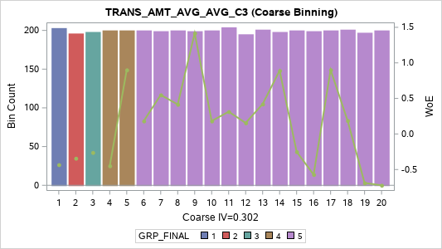
Label (Coarse) | Group | Total | Bad | Good | Percent | Bad Rate | Good Rate | WoE | IV
[01] (-INF, 15,000.0000] | 1 | 203 | 18 | 185 | 5.09% | 8.87% | 91.13% | -0.432 | 0.012
[02] (15,000.0000, 28,161.1667] | 2 | 196 | 16 | 180 | 4.91% | 8.16% | 91.84% | -0.342 | 0.007
[03] (28,161.1667, 43,333.3333] | 3 | 198 | 15 | 183 | 4.96% | 7.58% | 92.42% | -0.261 | 0.004
[04] (43,333.3333, 81,333.3333] | 4 | 200 | 18 | 182 | 5.01% | 9.00% | 91.00% | -0.449 | 0.012
[05] (81,333.3333, 130,666.6667] | 4 | 200 | 5 | 195 | 5.01% | 2.50% | 97.50% | 0.901 | 0.028
[06] (130,666.6667, 190,000.0000] | 5 | 200 | 10 | 190 | 5.01% | 5.00% | 95.00% | 0.182 | 0.002
[07] (190,000.0000, 282,500.0000] | 5 | 199 | 7 | 192 | 4.99% | 3.52% | 96.48% | 0.549 | 0.012
[08] (282,500.0000, 355,505.0507] | 5 | 200 | 8 | 192 | 5.01% | 4.00% | 96.00% | 0.416 | 0.007
[09] (355,505.0507, 495,952.3810] | 5 | 199 | 3 | 196 | 4.99% | 1.51% | 98.49% | 1.417 | 0.056
[10] (495,952.3810, 656,250.0000] | 5 | 200 | 10 | 190 | 5.01% | 5.00% | 95.00% | 0.182 | 0.002
[11] (656,250.0000, 866,666.6667] | 5 | 204 | 9 | 195 | 5.11% | 4.41% | 95.59% | 0.314 | 0.004
[12] (866,666.6667, 1,160,266.6667] | 5 | 195 | 10 | 185 | 4.89% | 5.13% | 94.87% | 0.156 | 0.001
[13] (1,160,266.6667, 1,600,000.0000] | 5 | 201 | 8 | 193 | 5.04% | 3.98% | 96.02% | 0.421 | 0.007
[14] (1,600,000.0000, 2,062,500.0000] | 5 | 198 | 5 | 193 | 4.96% | 2.53% | 97.47% | 0.891 | 0.027
[15] (2,062,500.0000, 2,844,833.1110] | 5 | 200 | 15 | 185 | 5.01% | 7.50% | 92.50% | -0.25 | 0.003
[16] (2,844,833.1110, 4,355,916.6667] | 5 | 199 | 20 | 179 | 4.99% | 10.05% | 89.95% | -0.571 | 0.021
[17] (4,355,916.6667, 7,049,666.6667] | 5 | 200 | 5 | 195 | 5.01% | 2.50% | 97.50% | 0.901 | 0.028
[18] (7,049,666.6667, 11,666,666.6667] | 5 | 201 | 10 | 191 | 5.04% | 4.98% | 95.02% | 0.187 | 0.002
[19] (11,666,666.6667, 23,021,583.3333] | 5 | 197 | 22 | 175 | 4.94% | 11.17% | 88.83% | -0.689 | 0.032
[20] (23,021,583.3333 , +INF) | 5 | 200 | 23 | 177 | 5.01% | 11.50% | 88.50% | -0.722 | 0.036
TOTAL |  | 3,990 | 237 | 3,753 | 100.00% | 5.94% | 94.06% |  | 0.302

TRANS_AMT_AVG_VAR_C3 (Coarse Binning)

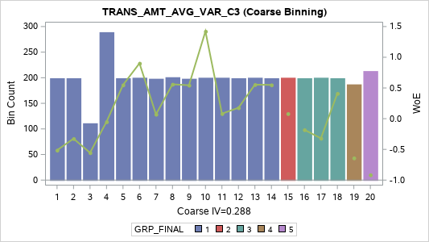
Label (Coarse) | Group | Total | Bad | Good | Percent | Bad Rate | Good Rate | WoE | IV
[01] (-INF, 466876875.0000000000] | 1 | 199 | 19 | 180 | 4.99% | 9.55% | 90.45% | -0.514 | 0.017
[02] (466876875.0000000000, 1270370369.6 | 1 | 199 | 16 | 183 | 4.99% | 8.04% | 91.96% | -0.325 | 0.006
[03] (1270370369.629600000, 3333333333.3 | 1 | 111 | 11 | 100 | 2.78% | 9.91% | 90.09% | -0.555 | 0.011
[04] (3333333333.333300000, 12800925927. | 1 | 289 | 18 | 271 | 7.24% | 6.23% | 93.77% | -0.051 | 0
[05] (12800925927.96300000, 31154104578. | 1 | 199 | 7 | 192 | 4.99% | 3.52% | 96.48% | 0.549 | 0.012
[06] (31154104578.30730000, 71106055424. | 1 | 200 | 5 | 195 | 5.01% | 2.50% | 97.50% | 0.901 | 0.028
[07] (71106055424.92710000, 129697280093 | 1 | 198 | 11 | 187 | 4.96% | 5.56% | 94.44% | 0.071 | 0
[08] (129697280093.1420000, 267754687500 | 1 | 201 | 7 | 194 | 5.04% | 3.48% | 96.52% | 0.56 | 0.012
[09] (267754687500.0000000, 394421341021 | 1 | 198 | 7 | 191 | 4.96% | 3.54% | 96.46% | 0.544 | 0.012
[10] (394421341021.4530000, 725208333333 | 1 | 200 | 3 | 197 | 5.01% | 1.50% | 98.50% | 1.422 | 0.057
[11] (725208333333.3330000, 127270533333 | 1 | 200 | 11 | 189 | 5.01% | 5.50% | 94.50% | 0.082 | 0
[12] (1272705333333.330000, 221168419405 | 1 | 199 | 10 | 189 | 4.99% | 5.03% | 94.97% | 0.177 | 0.001
[13] (2211684194057.450000, 411840833333 | 1 | 200 | 7 | 193 | 5.01% | 3.50% | 96.50% | 0.555 | 0.012
[14] (4118408333333.330000, 801333333333 | 1 | 199 | 7 | 192 | 4.99% | 3.52% | 96.48% | 0.549 | 0.012
[15] (8013333333333.330000, 141438254020 | 2 | 200 | 11 | 189 | 5.01% | 5.50% | 94.50% | 0.082 | 0
[16] (14143825402017.50000, 315252083333 | 3 | 199 | 14 | 185 | 4.99% | 7.04% | 92.96% | -0.181 | 0.002
[17] (31525208333333.30000, 963333333333 | 3 | 200 | 16 | 184 | 5.01% | 8.00% | 92.00% | -0.32 | 0.006
[18] (96333333333333.30000, 271815400333 | 3 | 199 | 8 | 191 | 4.99% | 4.02% | 95.98% | 0.411 | 0.007
[19] (271815400333333.0000, 833333333333 | 4 | 187 | 20 | 167 | 4.69% | 10.70% | 89.30% | -0.64 | 0.026
[20] (833333333333333.0000 , +INF) | 5 | 213 | 29 | 184 | 5.34% | 13.62% | 86.38% | -0.915 | 0.067
TOTAL |  | 3,990 | 237 | 3,753 | 100.00% | 5.94% | 94.06% |  | 0.288

TRANS_AMT_AVG_RNG_C3 (Coarse Binning)

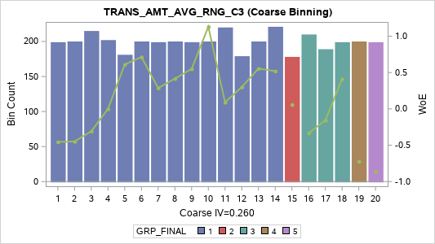
Label (Coarse) | Group | Total | Bad | Good | Percent | Bad Rate | Good Rate | WoE | IV
[01] (-INF, 38,000.0000] | 1 | 199 | 18 | 181 | 4.99% | 9.05% | 90.95% | -0.454 | 0.013
[02] (38,000.0000, 64,750.0000] | 1 | 200 | 18 | 182 | 5.01% | 9.00% | 91.00% | -0.449 | 0.012
[03] (64,750.0000, 100,000.0000] | 1 | 215 | 17 | 198 | 5.39% | 7.91% | 92.09% | -0.307 | 0.006
[04] (100,000.0000, 200,000.0000] | 1 | 202 | 12 | 190 | 5.06% | 5.94% | 94.06% | 0 | 0
[05] (200,000.0000, 318,888.8889] | 1 | 181 | 6 | 175 | 4.54% | 3.31% | 96.69% | 0.611 | 0.013
[06] (318,888.8889, 487,431.7500] | 1 | 200 | 6 | 194 | 5.01% | 3.00% | 97.00% | 0.714 | 0.019
[07] (487,431.7500, 651,000.0000] | 1 | 199 | 9 | 190 | 4.99% | 4.52% | 95.48% | 0.288 | 0.004
[08] (651,000.0000, 917,000.0000] | 1 | 200 | 8 | 192 | 5.01% | 4.00% | 96.00% | 0.416 | 0.007
[09] (917,000.0000, 1,140,842.5000] | 1 | 199 | 7 | 192 | 4.99% | 3.52% | 96.48% | 0.549 | 0.012
[10] (1,140,842.5000, 1,515,555.5560] | 1 | 200 | 4 | 196 | 5.01% | 2.00% | 98.00% | 1.13 | 0.04
[11] (1,515,555.5560, 2,000,000.0000] | 1 | 220 | 12 | 208 | 5.51% | 5.45% | 94.55% | 0.09 | 0
[12] (2,000,000.0000, 2,687,500.0000] | 1 | 179 | 8 | 171 | 4.49% | 4.47% | 95.53% | 0.3 | 0.004
[13] (2,687,500.0000, 3,636,333.3330] | 1 | 200 | 7 | 193 | 5.01% | 3.50% | 96.50% | 0.555 | 0.012
[14] (3,636,333.3330, 5,000,000.0000] | 1 | 221 | 8 | 213 | 5.54% | 3.62% | 96.38% | 0.52 | 0.012
[15] (5,000,000.0000, 6,885,000.0000] | 2 | 178 | 10 | 168 | 4.46% | 5.62% | 94.38% | 0.059 | 0
[16] (6,885,000.0000, 10,000,000.0000] | 3 | 210 | 17 | 193 | 5.26% | 8.10% | 91.90% | -0.333 | 0.007
[17] (10,000,000.0000, 17,682,678.5700] | 3 | 189 | 13 | 176 | 4.74% | 6.88% | 93.12% | -0.157 | 0.001
[18] (17,682,678.5700, 29,466,666.6700] | 3 | 199 | 8 | 191 | 4.99% | 4.02% | 95.98% | 0.411 | 0.007
[19] (29,466,666.6700, 50,250,000.0000] | 4 | 200 | 23 | 177 | 5.01% | 11.50% | 88.50% | -0.722 | 0.036
[20] (50,250,000.0000 , +INF) | 5 | 199 | 26 | 173 | 4.99% | 13.07% | 86.93% | -0.867 | 0.055
TOTAL |  | 3,990 | 237 | 3,753 | 100.00% | 5.94% | 94.06% |  | 0.26

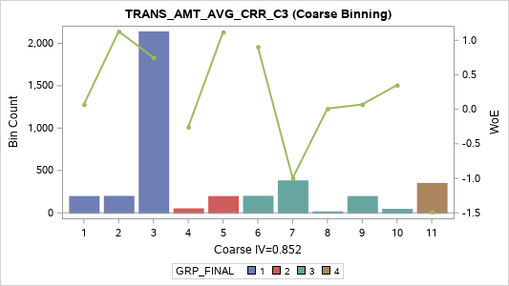
TRANS_AMT_AVG_CRR_C3 (Coarse Binning)

Label (Coarse) | Group | Total | Bad | Good | Percent | Bad Rate | Good Rate | WoE | IV
[01] (-INF, -0.9737] | 1 | 198 | 11 | 187 | 4.96% | 5.56% | 94.44% | 0.071 | 0
[02] (-0.9737, -0.9072] | 1 | 200 | 4 | 196 | 5.01% | 2.00% | 98.00% | 1.13 | 0.04
[03] (-0.9072, -0.8660] | 1 | 2,142 | 62 | 2,080 | 53.68% | 2.89% | 97.11% | 0.751 | 0.22
[04] (-0.8660, -0.8330] | 2 | 53 | 4 | 49 | 1.33% | 7.55% | 92.45% | -0.257 | 0.001
[05] (-0.8330, -0.5465] | 2 | 198 | 4 | 194 | 4.96% | 2.02% | 97.98% | 1.119 | 0.039
[06] (-0.5465, -0.1622] | 3 | 201 | 5 | 196 | 5.04% | 2.49% | 97.51% | 0.906 | 0.028
[07] (-0.1622, 0.0000] | 3 | 383 | 56 | 327 | 9.60% | 14.62% | 85.38% | -0.998 | 0.149
[08] (0.0000, 0.0567] | 3 | 17 | 1 | 16 | 0.43% | 5.88% | 94.12% | 0.01 | 0
[09] (0.0567, 0.8254] | 3 | 198 | 11 | 187 | 4.96% | 5.56% | 94.44% | 0.071 | 0
[10] (0.8254, 0.8660] | 3 | 47 | 2 | 45 | 1.18% | 4.26% | 95.74% | 0.351 | 0.001
[11] (0.8660 , +INF) | 4 | 353 | 77 | 276 | 8.85% | 21.81% | 78.19% | -1.486 | 0.373
TOTAL |  | 3,990 | 237 | 3,753 | 100.00% | 5.94% | 94.06% |  | 0.852

TRANS_AMT_AVG_SLP_C3 (Coarse Binning) |  |  |  |  |  |  |  |  |  | TRANS_AMT_AVG_SLP_C3 (Fine Binning)

Label (Coarse) | Group | Total | Bad | Good | Percent | Bad Rate | Good Rate | WoE | IV | Label (Fine) | Group | Total | Bad | Good | Percent | Bad Rate | Good Rate | WoE | IV
[01] (-INF, -15,383,333.3350] | 1 | 199 | 15 | 184 | 4.99% | 7.54% | 92.46% | -0.255 | 0.004 | [01] (-INF, -11,250] | 1 | 2,995 | 92 | 2,903 | 75.06% | 3.07% | 96.93% | 0.689 | 0.266
[02] (-15,383,333.3350, -7,130,000.0000] | 1 | 200 | 3 | 197 | 5.01% | 1.50% | 98.50% | 1.422 | 0.057 | [02] (-11,250 , +INF) | 2 | 995 | 145 | 850 | 24.94% | 14.57% | 85.43% | -0.994 | 0.383
[03] (-7,130,000.0000, -3,666,666.6665] | 1 | 199 | 12 | 187 | 4.99% | 6.03% | 93.97% | -0.016 | 0 | TOTAL |  | 3,990 | 237 | 3,753 | 100.00% | 5.94% | 94.06% |  | 0.649
[04] (-3,666,666.6665, -2,391,666.6665] | 1 | 200 | 7 | 193 | 5.01% | 3.50% | 96.50% | 0.555 | 0.012

[05] (-2,391,666.6665, -1,525,000.0000] | 1 | 199 | 8 | 191 | 4.99% | 4.02% | 95.98% | 0.411 | 0.007
[06] (-1,525,000.0000, -1,025,880.0000] | 1 | 200 | 4 | 196 | 5.01% | 2.00% | 98.00% | 1.13 | 0.04
[07] (-1,025,880.0000, -737,500.0000] | 1 | 200 | 5 | 195 | 5.01% | 2.50% | 97.50% | 0.901 | 0.028
[08] (-737,500.0000, -500,000.0000] | 1 | 248 | 5 | 243 | 6.22% | 2.02% | 97.98% | 1.121 | 0.049
[09] (-500,000.0000, -383,333.3334] | 1 | 149 | 1 | 148 | 3.73% | 0.67% | 99.33% | 2.235 | 0.079
[10] (-383,333.3334, -250,000.0000] | 1 | 222 | 5 | 217 | 5.56% | 2.25% | 97.75% | 1.008 | 0.037
[11] (-250,000.0000, -173,181.8182] | 1 | 179 | 2 | 177 | 4.49% | 1.12% | 98.88% | 1.721 | 0.067
[12] (-173,181.8182, -104,800.0000] | 1 | 199 | 2 | 197 | 4.99% | 1.01% | 98.99% | 1.828 | 0.081
[13] (-104,800.0000, -52,500.0000] | 2 | 202 | 7 | 195 | 5.06% | 3.47% | 96.53% | 0.565 | 0.013
[14] (-52,500.0000, -28,572.1429] | 2 | 196 | 5 | 191 | 4.91% | 2.55% | 97.45% | 0.881 | 0.026
[15] (-28,572.1429, -11,250.0000] | 3 | 203 | 11 | 192 | 5.09% | 5.42% | 94.58% | 0.097 | 0
[16] (-11,250.0000, 0.0000] | 4 | 380 | 54 | 326 | 9.52% | 14.21% | 85.79% | -0.964 | 0.136
[17] (0.0000, 7,500.0000] | 4 | 18 | 3 | 15 | 0.45% | 16.67% | 83.33% | -1.153 | 0.01
[18] (7,500.0000, 475,687.5000] | 4 | 198 | 34 | 164 | 4.96% | 17.17% | 82.83% | -1.189 | 0.119
[19] (475,687.5000, 3,721,238.0950] | 4 | 199 | 22 | 177 | 4.99% | 11.06% | 88.94% | -0.677 | 0.031
[20] (3,721,238.0950 , +INF) | 5 | 200 | 32 | 168 | 5.01% | 16.00% | 84.00% | -1.104 | 0.1
TOTAL |  | 3,990 | 237 | 3,753 | 100.00% | 5.94% | 94.06% |  | 0.894

Transaction_Date
TRANS_DATE_M1 (Coarse Binning) |  |  |  |  |  |  |  |  |  | TRANS_DATE_M1 (Fine Binning)

Label (Coarse) | Group | Total | Bad | Good | Percent | Bad Rate | Good Rate | WoE | IV | Label (Fine) | Group | Total | Bad | Good | Percent | Bad Rate | Good Rate | WoE | IV
[01] (-INF, 0] | 1 | 534 | 131 | 403 | 13.38% | 24.53% | 75.47% | -1.639 | 0.73 | [01] (-INF, 0] | 1 | 534 | 131 | 403 | 13.38% | 24.53% | 75.47% | -1.639 | 0.73
[02] (0, 1] | 2 | 1,163 | 56 | 1,107 | 29.15% | 4.82% | 95.18% | 0.222 | 0.013 | [02] (0, 1] | 2 | 1,163 | 56 | 1,107 | 29.15% | 4.82% | 95.18% | 0.222 | 0.013
[03] (1, 2] | 3 | 677 | 18 | 659 | 16.97% | 2.66% | 97.34% | 0.838 | 0.084 | [03] (1, 6] | 3 | 1,782 | 45 | 1,737 | 44.66% | 2.53% | 97.47% | 0.891 | 0.243
[04] (2, 3] | 3 | 452 | 11 | 441 | 11.33% | 2.43% | 97.57% | 0.929 | 0.066 | [04] (6, 10] | 4 | 339 | 4 | 335 | 8.50% | 1.18% | 98.82% | 1.666 | 0.121
[05] (3, 4] | 3 | 297 | 8 | 289 | 7.44% | 2.69% | 97.31% | 0.825 | 0.036 | [05] (10 , +INF) | 5 | 172 | 1 | 171 | 4.31% | 0.58% | 99.42% | 2.379 | 0.098
[06] (4, 5] | 3 | 203 | 5 | 198 | 5.09% | 2.46% | 97.54% | 0.917 | 0.029 | TOTAL |  | 3,990 | 237 | 3,753 | 100.00% | 5.94% | 94.06% |  | 1.205
[07] (5, 6] | 3 | 153 | 3 | 150 | 3.83% | 1.96% | 98.04% | 1.15 | 0.031
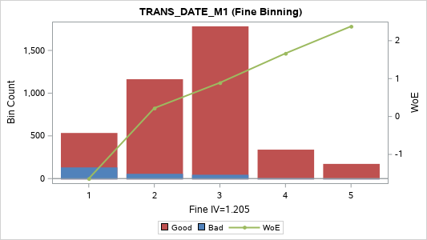
[08] (6, 7] | 4 | 135 | 2 | 133 | 3.38% | 1.48% | 98.52% | 1.435 | 0.039
[09] (7, 10] | 4 | 204 | 2 | 202 | 5.11% | 0.98% | 99.02% | 1.853 | 0.084
[10] (10 , +INF) | 5 | 172 | 1 | 171 | 4.31% | 0.58% | 99.42% | 2.379 | 0.098
TOTAL |  | 3,990 | 237 | 3,753 | 100.00% | 5.94% | 94.06% |  | 1.21

TRANS_DATE_MAX_C3 (Coarse Binning) |  |  |  |  |  |  |  |  |  | TRANS_DATE_MAX_C3 (Fine Binning)

Label (Coarse) | Group | Total | Bad | Good | Percent | Bad Rate | Good Rate | WoE | IV | Label (Fine) | Group | Total | Bad | Good | Percent | Bad Rate | Good Rate | WoE | IV
[1] (-INF, 1] | 1 | 1,328 | 130 | 1,198 | 33.28% | 9.79% | 90.21% | -0.541 | 0.124 | [1] (-INF, 1] | 1 | 1,328 | 130 | 1,198 | 33.28% | 9.79% | 90.21% | -0.541 | 0.124
[2] (1, 2] | 2 | 790 | 43 | 747 | 19.80% | 5.44% | 94.56% | 0.093 | 0.002 | [2] (1, 3] | 2 | 1,292 | 70 | 1,222 | 32.38% | 5.42% | 94.58% | 0.097 | 0.003
[3] (2, 3] | 2 | 502 | 27 | 475 | 12.58% | 5.38% | 94.62% | 0.105 | 0.001 | [3] (3, 6] | 3 | 796 | 28 | 768 | 19.95% | 3.52% | 96.48% | 0.549 | 0.048
[4] (3, 4] | 3 | 361 | 14 | 347 | 9.05% | 3.88% | 96.12% | 0.448 | 0.015 | [4] (6 , +INF) | 4 | 574 | 9 | 565 | 14.39% | 1.57% | 98.43% | 1.377 | 0.155
[5] (4, 5] | 4 | 247 | 7 | 240 | 6.19% | 2.83% | 97.17% | 0.772 | 0.027 | TOTAL |  | 3,990 | 237 | 3,753 | 100.00% | 5.94% | 94.06% |  | 0.33
[6] (5, 6] | 4 | 188 | 7 | 181 | 4.71% | 3.72% | 96.28% | 0.49 | 0.009
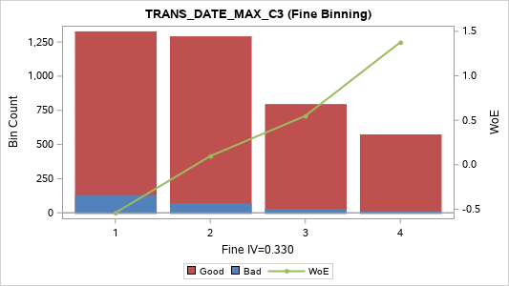
[7] (6, 8] | 5 | 254 | 4 | 250 | 6.37% | 1.57% | 98.43% | 1.373 | 0.068
[8] (8, 10] | 5 | 124 | 2 | 122 | 3.11% | 1.61% | 98.39% | 1.349 | 0.032
[9] (10 , +INF) | 5 | 196 | 3 | 193 | 4.91% | 1.53% | 98.47% | 1.402 | 0.054
TOTAL |  | 3,990 | 237 | 3,753 | 100.00% | 5.94% | 94.06% |  | 0.333

TRANS_DATE_MIN_C3 (Coarse Binning) |  |  |  |  |  |  |  |  |  | TRANS_DATE_MIN_C3 (Fine Binning)

Label (Coarse) | Group | Total | Bad | Good | Percent | Bad Rate | Good Rate | WoE | IV | Label (Fine) | Group | Total | Bad | Good | Percent | Bad Rate | Good Rate | WoE | IV
[1] (-INF, 0] | 1 | 3,456 | 225 | 3,231 | 86.62% | 6.51% | 93.49% | -0.098 | 0.009 | [1] (-INF, 0] | 1 | 3,456 | 225 | 3,231 | 86.62% | 6.51% | 93.49% | -0.098 | 0.009
[2] (0, 1] | 2 | 281 | 9 | 272 | 7.04% | 3.20% | 96.80% | 0.646 | 0.022 | [2] (0, 1] | 2 | 281 | 9 | 272 | 7.04% | 3.20% | 96.80% | 0.646 | 0.022
[3] (1, 2] | 3 | 111 | 2 | 109 | 2.78% | 1.80% | 98.20% | 1.236 | 0.025 | [3] (1, 2] | 3 | 111 | 2 | 109 | 2.78% | 1.80% | 98.20% | 1.236 | 0.025
[4] (2 , +INF) | 4 | 142 | 1 | 141 | 3.56% | 0.70% | 99.30% | 2.187 | 0.073 | [4] (2 , +INF) | 4 | 142 | 1 | 141 | 3.56% | 0.70% | 99.30% | 2.187 | 0.073
TOTAL |  | 3,990 | 237 | 3,753 | 100.00% | 5.94% | 94.06% |  | 0.129 | TOTAL |  | 3,990 | 237 | 3,753 | 100.00% | 5.94% | 94.06% |  | 0.129

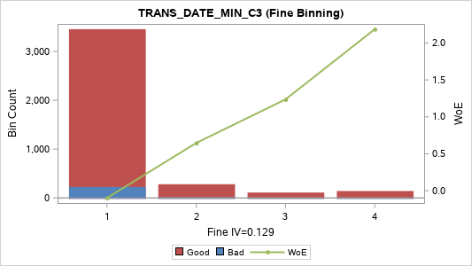

TRANS_DATE_SUM_C3 (Coarse Binning) |  |  |  |  |  |  |  |  |  | TRANS_DATE_SUM_C3 (Fine Binning)

Label (Coarse) | Group | Total | Bad | Good | Percent | Bad Rate | Good Rate | WoE | IV | Label (Fine) | Group | Total | Bad | Good | Percent | Bad Rate | Good Rate | WoE | IV
[01] (-INF, 1] | 1 | 1,123 | 112 | 1,011 | 28.15% | 9.97% | 90.03% | -0.562 | 0.114 | [01] (-INF, 1] | 1 | 1,123 | 112 | 1,011 | 28.15% | 9.97% | 90.03% | -0.562 | 0.114
[02] (1, 2] | 2 | 697 | 45 | 652 | 17.47% | 6.46% | 93.54% | -0.089 | 0.001 | [02] (1, 3] | 2 | 1,157 | 74 | 1,083 | 29.00% | 6.40% | 93.60% | -0.079 | 0.002
[03] (2, 3] | 2 | 460 | 29 | 431 | 11.53% | 6.30% | 93.70% | -0.063 | 0 | [03] (3, 16] | 3 | 1,528 | 50 | 1,478 | 38.30% | 3.27% | 96.73% | 0.624 | 0.114
[04] (3, 4] | 3 | 342 | 15 | 327 | 8.57% | 4.39% | 95.61% | 0.32 | 0.008 | [04] (16 , +INF) | 4 | 182 | 1 | 181 | 4.56% | 0.55% | 99.45% | 2.436 | 0.107
[05] (4, 5] | 3 | 230 | 7 | 223 | 5.76% | 3.04% | 96.96% | 0.699 | 0.021 | TOTAL |  | 3,990 | 237 | 3,753 | 100.00% | 5.94% | 94.06% |  | 0.337
[06] (5, 6] | 3 | 195 | 7 | 188 | 4.89% | 3.59% | 96.41% | 0.528 | 0.011
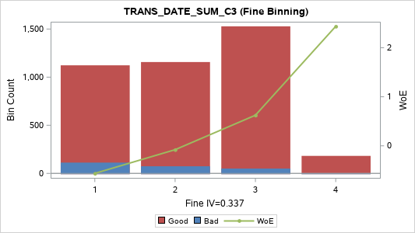
[07] (6, 7] | 3 | 167 | 6 | 161 | 4.19% | 3.59% | 96.41% | 0.527 | 0.009
[08] (7, 9] | 4 | 245 | 7 | 238 | 6.14% | 2.86% | 97.14% | 0.764 | 0.026
[09] (9, 11] | 4 | 156 | 3 | 153 | 3.91% | 1.92% | 98.08% | 1.17 | 0.033
[10] (11, 16] | 4 | 193 | 5 | 188 | 4.84% | 2.59% | 97.41% | 0.865 | 0.025
[11] (16 , +INF) | 5 | 182 | 1 | 181 | 4.56% | 0.55% | 99.45% | 2.436 | 0.107
TOTAL |  | 3,990 | 237 | 3,753 | 100.00% | 5.94% | 94.06% |  | 0.356

TRANS_DATE_AVG_C3 (Coarse Binning) |  |  |  |  |  |  |  |  |  | TRANS_DATE_AVG_C3 (Fine Binning)

Label (Coarse) | Group | Total | Bad | Good | Percent | Bad Rate | Good Rate | WoE | IV | Label (Fine) | Group | Total | Bad | Good | Percent | Bad Rate | Good Rate | WoE | IV
[01] (-INF, 0.3333] | 1 |  |  |  |  |  |  |  |  | [01] (-INF, 1] | 1 | 2,280 | 186 | 2,094 | 57.14% | 8.16% | 91.84% | -0.341 | 0.077
[02] (0.3333, 0.6667] | 1 | 1,820 | 157 | 1,663 | 45.61% | 8.63% | 91.37% | -0.402 | 0.088 | [02] (1, 3] | 2 | 1,179 | 42 | 1,137 | 29.55% | 3.56% | 96.44% | 0.536 | 0.067
[03] (0.6667, 1.0000] | 1 | 460 | 29 | 431 | 11.53% | 6.30% | 93.70% | -0.063 | 0 | [03] (3 , +INF) | 3 | 531 | 9 | 522 | 13.31% | 1.69% | 98.31% | 1.298 | 0.131
[04] (1.0000, 1.3333] | 1 |  |  |  |  |  |  |  |  | TOTAL |  | 3,990 | 237 | 3,753 | 100.00% | 5.94% | 94.06% |  | 0.276
[05] (1.3333, 1.6667] | 1 | 572 | 22 | 550 | 14.34% | 3.85% | 96.15% | 0.457 | 0.025
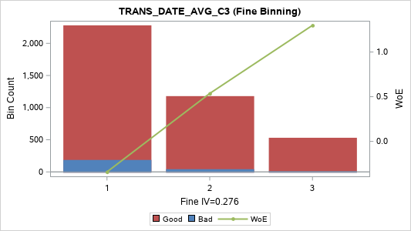
[06] (1.6667, 2.0000] | 1 | 195 | 7 | 188 | 4.89% | 3.59% | 96.41% | 0.528 | 0.011
[07] (2.0000, 2.3333] | 1
[08] (2.3333, 3.0000] | 2 | 412 | 13 | 399 | 10.33% | 3.16% | 96.84% | 0.662 | 0.034
[09] (3.0000, 3.6667] | 3 | 156 | 3 | 153 | 3.91% | 1.92% | 98.08% | 1.17 | 0.033
[10] (3.6667, 5.3333] | 4 | 166 | 3 | 163 | 4.16% | 1.81% | 98.19% | 1.233 | 0.038
[11] (5.3333 , +INF) | 5 | 209 | 3 | 206 | 5.24% | 1.44% | 98.56% | 1.467 | 0.062
TOTAL |  | 3,990 | 237 | 3,753 | 100.00% | 5.94% | 94.06% |  | 0.291

TRANS_DATE_VAR_C3 (Coarse Binning)
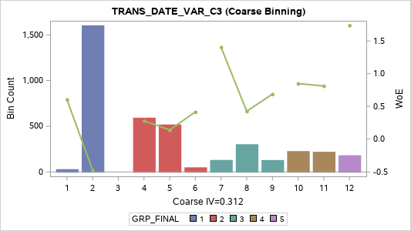
Label (Coarse) | Group | Total | Bad | Good | Percent | Bad Rate | Good Rate | WoE | IV
[01] (-INF, 0.3333] | 1 | 30 | 1 | 29 | 0.75% | 3.33% | 96.67% | 0.605 | 0.002
[02] (0.3333, 1.0000] | 1 | 1,604 | 148 | 1,456 | 40.20% | 9.23% | 90.77% | -0.476 | 0.113
[03] (1.0000, 1.3333] | 1
[04] (1.3333, 2.3333] | 2 | 593 | 27 | 566 | 14.86% | 4.55% | 95.45% | 0.281 | 0.01
[05] (2.3333, 3.0000] | 2 | 519 | 27 | 492 | 13.01% | 5.20% | 94.80% | 0.14 | 0.002
[06] (3.0000, 4.0000] | 2 | 50 | 2 | 48 | 1.25% | 4.00% | 96.00% | 0.416 | 0.002
[07] (4.0000, 5.3333] | 3 | 131 | 2 | 129 | 3.28% | 1.53% | 98.47% | 1.404 | 0.036
[08] (5.3333, 7.0000] | 3 | 303 | 12 | 291 | 7.59% | 3.96% | 96.04% | 0.426 | 0.011
[09] (7.0000, 9.3333] | 3 | 130 | 4 | 126 | 3.26% | 3.08% | 96.92% | 0.688 | 0.011
[10] (9.3333, 16.3333] | 4 | 228 | 6 | 222 | 5.71% | 2.63% | 97.37% | 0.849 | 0.029
[11] (16.3333, 27.0000] | 4 | 220 | 6 | 214 | 5.51% | 2.73% | 97.27% | 0.812 | 0.026
[12] (27.0000 , +INF) | 5 | 182 | 2 | 180 | 4.56% | 1.10% | 98.90% | 1.738 | 0.069
TOTAL |  | 3,990 | 237 | 3,753 | 100.00% | 5.94% | 94.06% |  | 0.312

TRANS_DATE_RNG_C3 (Coarse Binning) |  |  |  |  |  |  |  |  |  | TRANS_DATE_RNG_C3 (Fine Binning)

Label (Coarse) | Group | Total | Bad | Good | Percent | Bad Rate | Good Rate | WoE | IV | Label (Fine) | Group | Total | Bad | Good | Percent | Bad Rate | Good Rate | WoE | IV
[1] (-INF, 1] | 1 | 1,416 | 133 | 1,283 | 35.49% | 9.39% | 90.61% | -0.496 | 0.109 | [1] (-INF, 1] | 1 | 1,416 | 133 | 1,283 | 35.49% | 9.39% | 90.61% | -0.496 | 0.109
[2] (1, 2] | 2 | 811 | 43 | 768 | 20.33% | 5.30% | 94.70% | 0.12 | 0.003 | [2] (1, 3] | 2 | 1,330 | 70 | 1,260 | 33.33% | 5.26% | 94.74% | 0.128 | 0.005
[3] (2, 3] | 2 | 519 | 27 | 492 | 13.01% | 5.20% | 94.80% | 0.14 | 0.002 | [3] (3, 6] | 3 | 765 | 26 | 739 | 19.17% | 3.40% | 96.60% | 0.585 | 0.051
[4] (3, 4] | 3 | 356 | 13 | 343 | 8.92% | 3.65% | 96.35% | 0.511 | 0.019 | [4] (6 , +INF) | 4 | 479 | 8 | 471 | 12.01% | 1.67% | 98.33% | 1.313 | 0.12
[5] (4, 5] | 4 | 235 | 6 | 229 | 5.89% | 2.55% | 97.45% | 0.88 | 0.031 | TOTAL |  | 3,990 | 237 | 3,753 | 100.00% | 5.94% | 94.06% |  | 0.285
[6] (5, 6] | 4 | 174 | 7 | 167 | 4.36% | 4.02% | 95.98% | 0.41 | 0.006
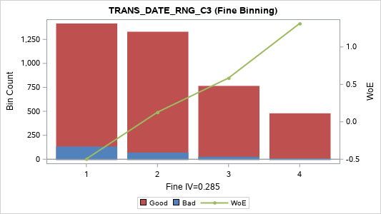
[7] (6, 7] | 5 | 131 | 2 | 129 | 3.28% | 1.53% | 98.47% | 1.404 | 0.036
[8] (7, 9] | 5 | 153 | 3 | 150 | 3.83% | 1.96% | 98.04% | 1.15 | 0.031
[9] (9 , +INF) | 5 | 195 | 3 | 192 | 4.89% | 1.54% | 98.46% | 1.397 | 0.054
TOTAL |  | 3,990 | 237 | 3,753 | 100.00% | 5.94% | 94.06% |  | 0.292

TRANS_DATE_CRR_C3 (Coarse Binning) |  |  |  |  |  |  |  |  |  | TRANS_DATE_CRR_C3 (Fine Binning)

Label (Coarse) | Group | Total | Bad | Good | Percent | Bad Rate | Good Rate | WoE | IV | Label (Fine) | Group | Total | Bad | Good | Percent | Bad Rate | Good Rate | WoE | IV
[01] MISSING | 1 | 30 | 1 | 29 | 0.75% | 3.33% | 96.67% | 0.605 | 0.002 | [01] MISSING | 1 | 30 | 1 | 29 | 0.75% | 3.33% | 96.67% | 0.605 | 0.002
[02] (-INF, -0.9934] | 2 | 186 | 3 | 183 | 4.66% | 1.61% | 98.39% | 1.349 | 0.049 | [02] (-INF, -0.6820] | 2 | 2,970 | 83 | 2,887 | 74.44% | 2.79% | 97.21% | 0.787 | 0.33
[03] (-0.9934, -0.9707] | 2 | 218 | 4 | 214 | 5.46% | 1.83% | 98.17% | 1.217 | 0.049 | [03] (-0.6820, -0.3273] | 3 | 213 | 12 | 201 | 5.34% | 5.63% | 94.37% | 0.056 | 0
[04] (-0.9707, -0.9245] | 2 | 176 | 0 | 176 | 4.41% | 0.00% | 100.00% | 3.104 | 0.146 | [04] (-0.3273 , +INF) | 4 | 777 | 141 | 636 | 19.47% | 18.15% | 81.85% | -1.256 | 0.534
[05] (-0.9245, -0.8660] | 3 | 2,308 | 75 | 2,233 | 57.84% | 3.25% | 96.75% | 0.631 | 0.176 | TOTAL |  | 3,990 | 237 | 3,753 | 100.00% | 5.94% | 94.06% |  | 0.866
[06] (-0.8660, -0.6820] | 3 | 82 | 1 | 81 | 2.06% | 1.22% | 98.78% | 1.632 | 0.028
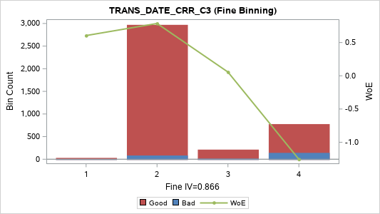
[07] (-0.6820, -0.3273] | 3 | 213 | 12 | 201 | 5.34% | 5.63% | 94.37% | 0.056 | 0
[08] (-0.3273, 0.0000] | 4 | 360 | 56 | 304 | 9.02% | 15.56% | 84.44% | -1.071 | 0.166
[09] (0.0000, 0.3273] | 4 | 19 | 2 | 17 | 0.48% | 10.53% | 89.47% | -0.622 | 0.002
[10] (0.3273, 0.8660] | 4 | 79 | 9 | 70 | 1.98% | 11.39% | 88.61% | -0.711 | 0.014
[11] (0.8660 , +INF) | 5 | 319 | 74 | 245 | 7.99% | 23.20% | 76.80% | -1.565 | 0.386
TOTAL |  | 3,990 | 237 | 3,753 | 100.00% | 5.94% | 94.06% |  | 1.019

TRANS_DATE_SLP_C3 (Coarse Binning) |  |  |  |  |  |  |  |  |  | TRANS_DATE_SLP_C3 (Fine Binning)

Label (Coarse) | Group | Total | Bad | Good | Percent | Bad Rate | Good Rate | WoE | IV | Label (Fine) | Group | Total | Bad | Good | Percent | Bad Rate | Good Rate | WoE | IV
[01] (-INF, -4.5] | 1 | 225 | 2 | 223 | 5.64% | 0.89% | 99.11% | 1.952 | 0.1 | [01] (-INF, -3.5] | 1 | 421 | 4 | 417 | 10.55% | 0.95% | 99.05% | 1.885 | 0.178
[02] (-4.5, -3.5] | 1 | 196 | 2 | 194 | 4.91% | 1.02% | 98.98% | 1.812 | 0.078 | [02] (-3.5, -1.0] | 2 | 1,678 | 41 | 1,637 | 42.06% | 2.44% | 97.56% | 0.925 | 0.243
[03] (-3.5, -2.5] | 2 | 325 | 6 | 319 | 8.15% | 1.85% | 98.15% | 1.211 | 0.072 | [03] (-1.0, -0.5] | 3 | 1,116 | 53 | 1,063 | 27.97% | 4.75% | 95.25% | 0.236 | 0.014
[04] (-2.5, -2.0] | 2 | 270 | 6 | 264 | 6.77% | 2.22% | 97.78% | 1.022 | 0.046 | [04] (-0.5 , +INF) | 4 | 775 | 139 | 636 | 19.42% | 17.94% | 82.06% | -1.242 | 0.518
[05] (-2.0, -1.5] | 2 | 428 | 10 | 418 | 10.73% | 2.34% | 97.66% | 0.971 | 0.067 | TOTAL |  | 3,990 | 237 | 3,753 | 100.00% | 5.94% | 94.06% |  | 0.953
[06] (-1.5, -1.0] | 2 | 655 | 19 | 636 | 16.42% | 2.90% | 97.10% | 0.749 | 0.067
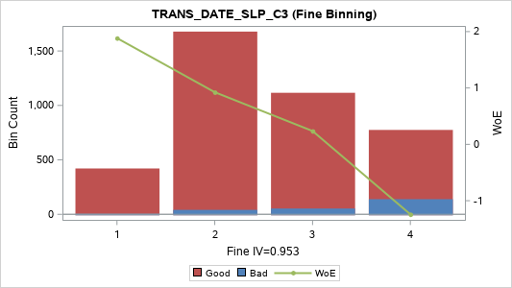
[07] (-1.0, -0.5] | 3 | 1,116 | 53 | 1,063 | 27.97% | 4.75% | 95.25% | 0.236 | 0.014
[08] (-0.5, 0.0] | 4 | 358 | 54 | 304 | 8.97% | 15.08% | 84.92% | -1.034 | 0.152
[09] (0.0, 0.5] | 5 | 216 | 51 | 165 | 5.41% | 23.61% | 76.39% | -1.588 | 0.272
[10] (0.5, 1.0] | 5 | 93 | 16 | 77 | 2.33% | 17.20% | 82.80% | -1.191 | 0.056
[11] (1.0 , +INF) | 5 | 108 | 18 | 90 | 2.71% | 16.67% | 83.33% | -1.153 | 0.06
TOTAL |  | 3,990 | 237 | 3,753 | 100.00% | 5.94% | 94.06% |  | 0.984

Transaction_WDay
TRANS_WDAY_M1 (Coarse Binning) |  |  |  |  |  |  |  |  |  | TRANS_WDAY_M1 (Fine Binning)

Label (Coarse) | Group | Total | Bad | Good | Percent | Bad Rate | Good Rate | WoE | IV | Label (Fine) | Group | Total | Bad | Good | Percent | Bad Rate | Good Rate | WoE | IV
[1] (-INF, 0] | 1 | 534 | 131 | 403 | 13.38% | 24.53% | 75.47% | -1.639 | 0.73 | [1] (-INF, 0] | 1 | 534 | 131 | 403 | 13.38% | 24.53% | 75.47% | -1.639 | 0.73
[2] (0, 1] | 2 | 1,235 | 56 | 1,179 | 30.95% | 4.53% | 95.47% | 0.285 | 0.022 | [2] (0, 6] | 2 | 3,320 | 106 | 3,214 | 83.21% | 3.19% | 96.81% | 0.65 | 0.266
[3] (1, 2] | 3 | 752 | 21 | 731 | 18.85% | 2.79% | 97.21% | 0.788 | 0.084 | [3] (6 , +INF) | 3 | 136 | 0 | 136 | 3.41% | 0.00% | 100.00% | 2.847 | 0.103
[4] (2, 3] | 3 | 491 | 11 | 480 | 12.31% | 2.24% | 97.76% | 1.014 | 0.083 | TOTAL |  | 3,990 | 237 | 3,753 | 100.00% | 5.94% | 94.06% |  | 1.099
[5] (3, 4] | 3 | 390 | 10 | 380 | 9.77% | 2.56% | 97.44% | 0.875 | 0.052
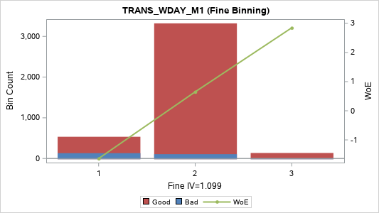
[6] (4, 5] | 4 | 271 | 4 | 267 | 6.79% | 1.48% | 98.52% | 1.439 | 0.078
[7] (5, 6] | 4 | 181 | 4 | 177 | 4.54% | 2.21% | 97.79% | 1.028 | 0.031
[8] (6 , +INF) | 5 | 136 | 0 | 136 | 3.41% | 0.00% | 100.00% | 2.847 | 0.103
TOTAL |  | 3,990 | 237 | 3,753 | 100.00% | 5.94% | 94.06% |  | 1.182

TRANS_WDAY_MAX_C3 (Coarse Binning) |  |  |  |  |  |  |  |  |  | TRANS_WDAY_MAX_C3 (Fine Binning)

Label (Coarse) | Group | Total | Bad | Good | Percent | Bad Rate | Good Rate | WoE | IV | Label (Fine) | Group | Total | Bad | Good | Percent | Bad Rate | Good Rate | WoE | IV
[1] (-INF, 1] | 1 | 1,397 | 132 | 1,265 | 35.01% | 9.45% | 90.55% | -0.502 | 0.11 | [1] (-INF, 1] | 1 | 1,397 | 132 | 1,265 | 35.01% | 9.45% | 90.55% | -0.502 | 0.11
[2] (1, 2] | 2 | 866 | 45 | 821 | 21.70% | 5.20% | 94.80% | 0.142 | 0.004 | [2] (1, 3] | 2 | 1,438 | 73 | 1,365 | 36.04% | 5.08% | 94.92% | 0.166 | 0.009
[3] (2, 3] | 3 | 572 | 28 | 544 | 14.34% | 4.90% | 95.10% | 0.204 | 0.005 | [3] (3, 6] | 3 | 998 | 31 | 967 | 25.01% | 3.11% | 96.89% | 0.678 | 0.086
[4] (3, 4] | 4 | 467 | 14 | 453 | 11.70% | 3.00% | 97.00% | 0.715 | 0.044 | [4] (6 , +INF) | 4 | 157 | 1 | 156 | 3.93% | 0.64% | 99.36% | 2.288 | 0.085
[5] (4, 5] | 4 | 306 | 10 | 296 | 7.67% | 3.27% | 96.73% | 0.626 | 0.023 | TOTAL |  | 3,990 | 237 | 3,753 | 100.00% | 5.94% | 94.06% |  | 0.291
[6] (5, 6] | 4 | 225 | 7 | 218 | 5.64% | 3.11% | 96.89% | 0.676 | 0.019
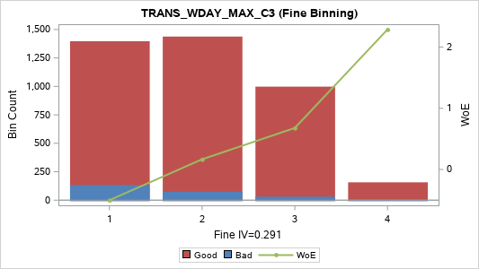
[7] (6 , +INF) | 5 | 157 | 1 | 156 | 3.93% | 0.64% | 99.36% | 2.288 | 0.085
TOTAL |  | 3,990 | 237 | 3,753 | 100.00% | 5.94% | 94.06% |  | 0.292

TRANS_WDAY_MIN_C3 (Coarse Binning) |  |  |  |  |  |  |  |  |  | TRANS_WDAY_MIN_C3 (Fine Binning)

Label (Coarse) | Group | Total | Bad | Good | Percent | Bad Rate | Good Rate | WoE | IV | Label (Fine) | Group | Total | Bad | Good | Percent | Bad Rate | Good Rate | WoE | IV
[1] (-INF, 0] | 1 | 3,456 | 225 | 3,231 | 86.62% | 6.51% | 93.49% | -0.098 | 0.009 | [1] (-INF, 0] | 1 | 3,456 | 225 | 3,231 | 86.62% | 6.51% | 93.49% | -0.098 | 0.009
[2] (0, 1] | 2 | 292 | 9 | 283 | 7.32% | 3.08% | 96.92% | 0.686 | 0.026 | [2] (0, 2] | 2 | 417 | 12 | 405 | 10.45% | 2.88% | 97.12% | 0.757 | 0.043
[3] (1, 2] | 3 | 125 | 3 | 122 | 3.13% | 2.40% | 97.60% | 0.943 | 0.019 | [3] (2 , +INF) | 3 | 117 | 0 | 117 | 2.93% | 0.00% | 100.00% | 2.697 | 0.084
[4] (2 , +INF) | 4 | 117 | 0 | 117 | 2.93% | 0.00% | 100.00% | 2.697 | 0.084 | TOTAL |  | 3,990 | 237 | 3,753 | 100.00% | 5.94% | 94.06% |  | 0.136
TOTAL |  | 3,990 | 237 | 3,753 | 100.00% | 5.94% | 94.06% |  | 0.137
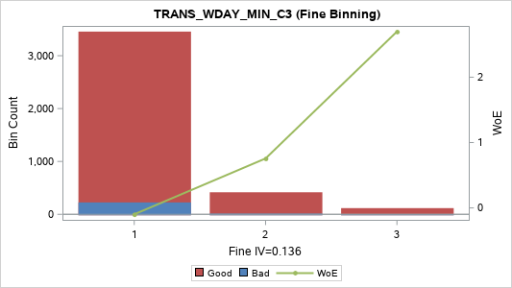

TRANS_WDAY_SUM_C3 (Coarse Binning) |  |  |  |  |  |  |  |  |  | TRANS_WDAY_SUM_C3 (Fine Binning)

Label (Coarse) | Group | Total | Bad | Good | Percent | Bad Rate | Good Rate | WoE | IV | Label (Fine) | Group | Total | Bad | Good | Percent | Bad Rate | Good Rate | WoE | IV
[01] (-INF, 1] | 1 | 1,169 | 112 | 1,057 | 29.30% | 9.58% | 90.42% | -0.518 | 0.099 | [01] (-INF, 1] | 1 | 1,169 | 112 | 1,057 | 29.30% | 9.58% | 90.42% | -0.518 | 0.099
[02] (1, 2] | 2 | 734 | 49 | 685 | 18.40% | 6.68% | 93.32% | -0.125 | 0.003 | [02] (1, 3] | 2 | 1,256 | 77 | 1,179 | 31.48% | 6.13% | 93.87% | -0.034 | 0
[03] (2, 3] | 2 | 522 | 28 | 494 | 13.08% | 5.36% | 94.64% | 0.108 | 0.001 | [03] (3, 11] | 3 | 1,408 | 46 | 1,362 | 35.29% | 3.27% | 96.73% | 0.626 | 0.106
[04] (3, 4] | 3 | 397 | 16 | 381 | 9.95% | 4.03% | 95.97% | 0.408 | 0.014 | [04] (11 , +INF) | 4 | 157 | 2 | 155 | 3.93% | 1.27% | 98.73% | 1.588 | 0.052
[05] (4, 5] | 3 | 267 | 8 | 259 | 6.69% | 3.00% | 97.00% | 0.715 | 0.025 | TOTAL |  | 3,990 | 237 | 3,753 | 100.00% | 5.94% | 94.06% |  | 0.257
[06] (5, 6] | 3 | 220 | 8 | 212 | 5.51% | 3.64% | 96.36% | 0.515 | 0.012
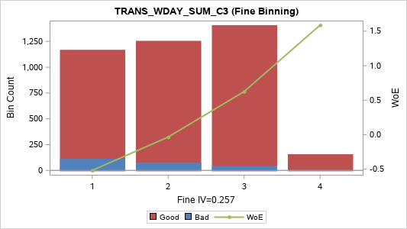
[07] (6, 7] | 4 | 191 | 5 | 186 | 4.79% | 2.62% | 97.38% | 0.854 | 0.024
[08] (7, 8] | 4 | 116 | 3 | 113 | 2.91% | 2.59% | 97.41% | 0.867 | 0.015
[09] (8, 11] | 4 | 217 | 6 | 211 | 5.44% | 2.76% | 97.24% | 0.798 | 0.025
[10] (11 , +INF) | 5 | 157 | 2 | 155 | 3.93% | 1.27% | 98.73% | 1.588 | 0.052
TOTAL |  | 3,990 | 237 | 3,753 | 100.00% | 5.94% | 94.06% |  | 0.27

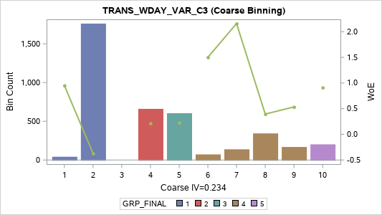
TRANS_WDAY_VAR_C3 (Coarse Binning)

Label (Coarse) | Group | Total | Bad | Good | Percent | Bad Rate | Good Rate | WoE | IV
[01] (-INF, 0.3333] | 1 | 42 | 1 | 41 | 1.05% | 2.38% | 97.62% | 0.951 | 0.006
[02] (0.3333, 1.0000] | 1 | 1,761 | 148 | 1,613 | 44.14% | 8.40% | 91.60% | -0.374 | 0.073
[03] (1.0000, 1.3333] | 1
[04] (1.3333, 2.3333] | 2 | 660 | 32 | 628 | 16.54% | 4.85% | 95.15% | 0.215 | 0.007
[05] (2.3333, 3.0000] | 3 | 604 | 29 | 575 | 15.14% | 4.80% | 95.20% | 0.225 | 0.007
[06] (3.0000, 4.3333] | 4 | 72 | 1 | 71 | 1.80% | 1.39% | 98.61% | 1.5 | 0.022
[07] (4.3333, 5.3333] | 4 | 138 | 1 | 137 | 3.46% | 0.72% | 99.28% | 2.158 | 0.07
[08] (5.3333, 7.0000] | 4 | 343 | 14 | 329 | 8.60% | 4.08% | 95.92% | 0.395 | 0.011
[09] (7.0000, 10.3333] | 4 | 168 | 6 | 162 | 4.21% | 3.57% | 96.43% | 0.534 | 0.01
[10] (10.3333 , +INF) | 5 | 202 | 5 | 197 | 5.06% | 2.48% | 97.52% | 0.912 | 0.029
TOTAL |  | 3,990 | 237 | 3,753 | 100.00% | 5.94% | 94.06% |  | 0.234

Transaction_Hour
TRANS_HOUR_M1 (Coarse Binning) |  |  |  |  |  |  |  |  |  | TRANS_HOUR_M1 (Fine Binning)

Label (Coarse) | Group | Total | Bad | Good | Percent | Bad Rate | Good Rate | WoE | IV | Label (Fine) | Group | Total | Bad | Good | Percent | Bad Rate | Good Rate | WoE | IV
[01] (-INF, 1] | 1 | 1,594 | 180 | 1,414 | 39.95% | 11.29% | 88.71% | -0.701 | 0.268 | [01] (-INF, 1] | 1 | 1,594 | 180 | 1,414 | 39.95% | 11.29% | 88.71% | -0.701 | 0.268
[02] (1, 2] | 2 | 626 | 21 | 605 | 15.69% | 3.35% | 96.65% | 0.598 | 0.043 | [02] (1 , +INF) | 2 | 2,396 | 57 | 2,339 | 60.05% | 2.38% | 97.62% | 0.952 | 0.364
[03] (2, 3] | 3 | 446 | 10 | 436 | 11.18% | 2.24% | 97.76% | 1.013 | 0.075 | TOTAL |  | 3,990 | 237 | 3,753 | 100.00% | 5.94% | 94.06% |  | 0.633
[04] (3, 4] | 3 | 305 | 3 | 302 | 7.64% | 0.98% | 99.02% | 1.85 | 0.125

[05] (4, 5] | 3 | 203 | 9 | 194 | 5.09% | 4.43% | 95.57% | 0.308 | 0.004
[06] (5, 6] | 4 | 146 | 5 | 141 | 3.66% | 3.42% | 96.58% | 0.577 | 0.01
[07] (6, 7] | 4 | 138 | 1 | 137 | 3.46% | 0.72% | 99.28% | 2.158 | 0.07
[08] (7, 9] | 5 | 161 | 1 | 160 | 4.04% | 0.62% | 99.38% | 2.313 | 0.089
[09] (9, 13] | 5 | 187 | 4 | 183 | 4.69% | 2.14% | 97.86% | 1.061 | 0.034
[10] (13 , +INF) | 5 | 184 | 3 | 181 | 4.61% | 1.63% | 98.37% | 1.338 | 0.048
TOTAL |  | 3,990 | 237 | 3,753 | 100.00% | 5.94% | 94.06% |  | 0.766

TRANS_HOUR_MAX_C3 (Coarse Binning) |  |  |  |  |  |  |  |  |  | TRANS_HOUR_MAX_C3 (Fine Binning)

Label (Coarse) | Group | Total | Bad | Good | Percent | Bad Rate | Good Rate | WoE | IV | Label (Fine) | Group | Total | Bad | Good | Percent | Bad Rate | Good Rate | WoE | IV
[01] (-INF, 1] | 1 | 1,202 | 112 | 1,090 | 30.13% | 9.32% | 90.68% | -0.487 | 0.089 | [01] (-INF, 6] | 1 | 3,212 | 222 | 2,990 | 80.50% | 6.91% | 93.09% | -0.162 | 0.023
[02] (1, 2] | 2 | 729 | 48 | 681 | 18.27% | 6.58% | 93.42% | -0.11 | 0.002 | [02] (6 , +INF) | 2 | 778 | 15 | 763 | 19.50% | 1.93% | 98.07% | 1.167 | 0.163
[03] (2, 3] | 3 | 504 | 29 | 475 | 12.63% | 5.75% | 94.25% | 0.034 | 0 | TOTAL |  | 3,990 | 237 | 3,753 | 100.00% | 5.94% | 94.06% |  | 0.186
[04] (3, 4] | 4 | 350 | 10 | 340 | 8.77% | 2.86% | 97.14% | 0.764 | 0.037

[05] (4, 5] | 4 | 241 | 13 | 228 | 6.04% | 5.39% | 94.61% | 0.102 | 0.001
[06] (5, 6] | 4 | 186 | 10 | 176 | 4.66% | 5.38% | 94.62% | 0.106 | 0
[07] (6, 8] | 5 | 262 | 2 | 260 | 6.57% | 0.76% | 99.24% | 2.105 | 0.128
[08] (8, 10] | 5 | 169 | 4 | 165 | 4.24% | 2.37% | 97.63% | 0.957 | 0.026
[09] (10, 14] | 5 | 170 | 5 | 165 | 4.26% | 2.94% | 97.06% | 0.734 | 0.017
[10] (14 , +INF) | 5 | 177 | 4 | 173 | 4.44% | 2.26% | 97.74% | 1.005 | 0.029
TOTAL |  | 3,990 | 237 | 3,753 | 100.00% | 5.94% | 94.06% |  | 0.329

TRANS_HOUR_MIN_C3 (Coarse Binning) |  |  |  |  |  |  |  |  |  | TRANS_HOUR_MIN_C3 (Fine Binning)

Label (Coarse) | Group | Total | Bad | Good | Percent | Bad Rate | Good Rate | WoE | IV | Label (Fine) | Group | Total | Bad | Good | Percent | Bad Rate | Good Rate | WoE | IV
[1] (-INF, 1] | 1 | 3,709 | 233 | 3,476 | 92.96% | 6.28% | 93.72% | -0.06 | 0.003 | [1] (-INF, 1] | 1 | 3,709 | 233 | 3,476 | 92.96% | 6.28% | 93.72% | -0.06 | 0.003
[2] (1, 2] | 2 | 108 | 2 | 106 | 2.71% | 1.85% | 98.15% | 1.208 | 0.024 | [2] (1, 2] | 2 | 108 | 2 | 106 | 2.71% | 1.85% | 98.15% | 1.208 | 0.024
[3] (2 , +INF) | 3 | 173 | 2 | 171 | 4.34% | 1.16% | 98.84% | 1.686 | 0.063 | [3] (2 , +INF) | 3 | 173 | 2 | 171 | 4.34% | 1.16% | 98.84% | 1.686 | 0.063
TOTAL |  | 3,990 | 237 | 3,753 | 100.00% | 5.94% | 94.06% |  | 0.09 | TOTAL |  | 3,990 | 237 | 3,753 | 100.00% | 5.94% | 94.06% |  | 0.09



TRANS_HOUR_SUM_C3 (Coarse Binning) |  |  |  |  |  |  |  |  |  | TRANS_HOUR_SUM_C3 (Fine Binning)

Label (Coarse) | Group | Total | Bad | Good | Percent | Bad Rate | Good Rate | WoE | IV | Label (Fine) | Group | Total | Bad | Good | Percent | Bad Rate | Good Rate | WoE | IV
[01] (-INF, 3] | 1 | 1,202 | 112 | 1,090 | 30.13% | 9.32% | 90.68% | -0.487 | 0.089 | [01] (-INF, 3] | 1 | 1,202 | 112 | 1,090 | 30.13% | 9.32% | 90.68% | -0.487 | 0.089
[02] (3, 4] | 2 | 674 | 46 | 628 | 16.89% | 6.82% | 93.18% | -0.148 | 0.004 | [02] (3, 4] | 2 | 674 | 46 | 628 | 16.89% | 6.82% | 93.18% | -0.148 | 0.004
[03] (4, 5] | 3 | 448 | 25 | 423 | 11.23% | 5.58% | 94.42% | 0.066 | 0 | [03] (4, 5] | 3 | 448 | 25 | 423 | 11.23% | 5.58% | 94.42% | 0.066 | 0
[04] (5, 6] | 4 | 314 | 12 | 302 | 7.87% | 3.82% | 96.18% | 0.463 | 0.014 | [04] (5, 10] | 4 | 952 | 39 | 913 | 23.86% | 4.10% | 95.90% | 0.391 | 0.031
[05] (6, 7] | 4 | 192 | 10 | 182 | 4.81% | 5.21% | 94.79% | 0.139 | 0.001 | [05] (10 , +INF) | 5 | 714 | 15 | 699 | 17.89% | 2.10% | 97.90% | 1.079 | 0.133
[06] (7, 8] | 4 | 180 | 8 | 172 | 4.51% | 4.44% | 95.56% | 0.306 | 0.004 | TOTAL |  | 3,990 | 237 | 3,753 | 100.00% | 5.94% | 94.06% |  | 0.257
[07] (8, 10] | 4 | 266 | 9 | 257 | 6.67% | 3.38% | 96.62% | 0.59 | 0.018

[08] (10, 12] | 5 | 178 | 3 | 175 | 4.46% | 1.69% | 98.31% | 1.304 | 0.044
[09] (12, 15] | 5 | 157 | 4 | 153 | 3.93% | 2.55% | 97.45% | 0.882 | 0.021
[10] (15, 21] | 5 | 190 | 5 | 185 | 4.76% | 2.63% | 97.37% | 0.849 | 0.024
[11] (21 , +INF) | 5 | 189 | 3 | 186 | 4.74% | 1.59% | 98.41% | 1.365 | 0.05
TOTAL |  | 3,990 | 237 | 3,753 | 100.00% | 5.94% | 94.06% |  | 0.269

TRANS_HOUR_VAR_C3 (Coarse Binning) |  |  |  |  |  |  |  |  |  | TRANS_HOUR_VAR_C3 (Fine Binning)

Label (Coarse) | Group | Total | Bad | Good | Percent | Bad Rate | Good Rate | WoE | IV | Label (Fine) | Group | Total | Bad | Good | Percent | Bad Rate | Good Rate | WoE | IV
[01] (-INF, 0.0000] | 1 | 1,204 | 112 | 1,092 | 30.18% | 9.30% | 90.70% | -0.485 | 0.088 | [01] (-INF, 1.3333] | 1 | 2,047 | 167 | 1,880 | 51.30% | 8.16% | 91.84% | -0.341 | 0.07
[02] (0.0000, 0.3333] | 1 |  |  |  |  |  |  |  |  | [02] (1.3333, 8.3333] | 2 | 1,117 | 49 | 1,068 | 27.99% | 4.39% | 95.61% | 0.319 | 0.025
[03] (0.3333, 1.0000] | 1 | 843 | 55 | 788 | 21.13% | 6.52% | 93.48% | -0.1 | 0.002 | [03] (8.3333 , +INF) | 3 | 826 | 21 | 805 | 20.70% | 2.54% | 97.46% | 0.884 | 0.111
[04] (1.0000, 1.3333] | 2 |  |  |  |  |  |  |  |  | TOTAL |  | 3,990 | 237 | 3,753 | 100.00% | 5.94% | 94.06% |  | 0.206
[05] (1.3333, 3.0000] | 3 | 790 | 33 | 757 | 19.80% | 4.18% | 95.82% | 0.371 | 0.023

[06] (3.0000, 5.3333] | 3 | 105 | 4 | 101 | 2.63% | 3.81% | 96.19% | 0.467 | 0.005
[07] (5.3333, 8.3333] | 3 | 222 | 12 | 210 | 5.56% | 5.41% | 94.59% | 0.1 | 0.001
[08] (8.3333, 12.0000] | 4 | 266 | 7 | 259 | 6.67% | 2.63% | 97.37% | 0.849 | 0.034
[09] (12.0000, 21.3333] | 5 | 150 | 3 | 147 | 3.76% | 2.00% | 98.00% | 1.13 | 0.03
[10] (21.3333, 48.0000] | 5 | 226 | 6 | 220 | 5.66% | 2.65% | 97.35% | 0.84 | 0.028
[11] (48.0000 , +INF) | 5 | 184 | 5 | 179 | 4.61% | 2.72% | 97.28% | 0.816 | 0.022
TOTAL |  | 3,990 | 237 | 3,753 | 100.00% | 5.94% | 94.06% |  | 0.232

Transaction_LV1_Type
TRANS_LV1_TYPE_M1 (Coarse Binning) |  |  |  |  |  |  |  |  |  | TRANS_LV1_TYPE_M1 (Fine Binning)

Label (Coarse) | Group | Total | Bad | Good | Percent | Bad Rate | Good Rate | WoE | IV | Label (Fine) | Group | Total | Bad | Good | Percent | Bad Rate | Good Rate | WoE | IV
[1] (-INF, 0] | 1 | 534 | 131 | 403 | 13.38% | 24.53% | 75.47% | -1.639 | 0.73 | [1] (-INF, 0] | 1 | 534 | 131 | 403 | 13.38% | 24.53% | 75.47% | -1.639 | 0.73
[2] (0, 1] | 2 | 2,267 | 85 | 2,182 | 56.82% | 3.75% | 96.25% | 0.483 | 0.108 | [2] (0, 1] | 2 | 2,267 | 85 | 2,182 | 56.82% | 3.75% | 96.25% | 0.483 | 0.108
[3] (1, 2] | 3 | 1,076 | 21 | 1,055 | 26.97% | 1.95% | 98.05% | 1.155 | 0.222 | [3] (1, 2] | 3 | 1,076 | 21 | 1,055 | 26.97% | 1.95% | 98.05% | 1.155 | 0.222
[4] (2 , +INF) | 4 | 113 | 0 | 113 | 2.83% | 0.00% | 100.00% | 2.663 | 0.08 | [4] (2 , +INF) | 4 | 113 | 0 | 113 | 2.83% | 0.00% | 100.00% | 2.663 | 0.08
TOTAL |  | 3,990 | 237 | 3,753 | 100.00% | 5.94% | 94.06% |  | 1.14 | TOTAL |  | 3,990 | 237 | 3,753 | 100.00% | 5.94% | 94.06% |  | 1.14


TRANS_LV1_TYPE_MAX_C3 (Coarse Binning) |  |  |  |  |  |  |  |  |  | TRANS_LV1_TYPE_MAX_C3 (Fine Binning)

Label (Coarse) | Group | Total | Bad | Good | Percent | Bad Rate | Good Rate | WoE | IV | Label (Fine) | Group | Total | Bad | Good | Percent | Bad Rate | Good Rate | WoE | IV
[1] (-INF, 1] | 1 | 2,557 | 192 | 2,365 | 64.09% | 7.51% | 92.49% | -0.251 | 0.045 | [1] (-INF, 1] | 1 | 2,557 | 192 | 2,365 | 64.09% | 7.51% | 92.49% | -0.251 | 0.045
[2] (1, 2] | 2 | 1,291 | 45 | 1,246 | 32.36% | 3.49% | 96.51% | 0.559 | 0.079 | [2] (1, 2] | 2 | 1,291 | 45 | 1,246 | 32.36% | 3.49% | 96.51% | 0.559 | 0.079
[3] (2 , +INF) | 3 | 142 | 0 | 142 | 3.56% | 0.00% | 100.00% | 2.89 | 0.109 | [3] (2 , +INF) | 3 | 142 | 0 | 142 | 3.56% | 0.00% | 100.00% | 2.89 | 0.109
TOTAL |  | 3,990 | 237 | 3,753 | 100.00% | 5.94% | 94.06% |  | 0.234 | TOTAL |  | 3,990 | 237 | 3,753 | 100.00% | 5.94% | 94.06% |  | 0.234



TRANS_LV1_TYPE_MIN_C3 (Coarse Binning) |  |  |  |  |  |  |  |  |  | TRANS_LV1_TYPE_MIN_C3 (Fine Binning)

Label (Coarse) | Group | Total | Bad | Good | Percent | Bad Rate | Good Rate | WoE | IV | Label (Fine) | Group | Total | Bad | Good | Percent | Bad Rate | Good Rate | WoE | IV
[1] (-INF, 0] | 1 | 3,456 | 225 | 3,231 | 86.62% | 6.51% | 93.49% | -0.098 | 0.009 | [1] (-INF, 0] | 1 | 3,456 | 225 | 3,231 | 86.62% | 6.51% | 93.49% | -0.098 | 0.009
[2] (0, 1] | 2 | 437 | 10 | 427 | 10.95% | 2.29% | 97.71% | 0.992 | 0.071 | [2] (0 , +INF) | 2 | 534 | 12 | 522 | 13.38% | 2.25% | 97.75% | 1.011 | 0.089
[3] (1 , +INF) | 3 | 97 | 2 | 95 | 2.43% | 2.06% | 97.94% | 1.098 | 0.019 | TOTAL |  | 3,990 | 237 | 3,753 | 100.00% | 5.94% | 94.06% |  | 0.098
TOTAL |  | 3,990 | 237 | 3,753 | 100.00% | 5.94% | 94.06% |  | 0.098



TRANS_LV1_TYPE_SUM_C3 (Coarse Binning) |  |  |  |  |  |  |  |  |  | TRANS_LV1_TYPE_SUM_C3 (Fine Binning)

Label (Coarse) | Group | Total | Bad | Good | Percent | Bad Rate | Good Rate | WoE | IV | Label (Fine) | Group | Total | Bad | Good | Percent | Bad Rate | Good Rate | WoE | IV
[1] (-INF, 1] | 1 | 1,820 | 151 | 1,669 | 45.61% | 8.30% | 91.70% | -0.36 | 0.069 | [1] (-INF, 1] | 1 | 1,820 | 151 | 1,669 | 45.61% | 8.30% | 91.70% | -0.36 | 0.069
[2] (1, 2] | 2 | 1,088 | 56 | 1,032 | 27.27% | 5.15% | 94.85% | 0.152 | 0.006 | [2] (1, 2] | 2 | 1,088 | 56 | 1,032 | 27.27% | 5.15% | 94.85% | 0.152 | 0.006
[3] (2, 3] | 3 | 531 | 19 | 512 | 13.31% | 3.58% | 96.42% | 0.532 | 0.03 | [3] (2, 3] | 3 | 531 | 19 | 512 | 13.31% | 3.58% | 96.42% | 0.532 | 0.03
[4] (3, 4] | 4 | 286 | 8 | 278 | 7.17% | 2.80% | 97.20% | 0.786 | 0.032 | [4] (3, 4] | 4 | 286 | 8 | 278 | 7.17% | 2.80% | 97.20% | 0.786 | 0.032
[5] (4, 5] | 5 | 139 | 1 | 138 | 3.48% | 0.72% | 99.28% | 2.165 | 0.07 | [5] (4 , +INF) | 5 | 265 | 3 | 262 | 6.64% | 1.13% | 98.87% | 1.707 | 0.098
[6] (5 , +INF) | 5 | 126 | 2 | 124 | 3.16% | 1.59% | 98.41% | 1.365 | 0.034 | TOTAL |  | 3,990 | 237 | 3,753 | 100.00% | 5.94% | 94.06% |  | 0.234
TOTAL |  | 3,990 | 237 | 3,753 | 100.00% | 5.94% | 94.06% |  | 0.241



TRANS_LV1_TYPE_VAR_C3 (Coarse Binning)

Label (Coarse) | Group | Total | Bad | Good | Percent | Bad Rate | Good Rate | WoE | IV
[1] (-INF, 0.0000] | 1 | 248 | 6 | 242 | 6.22% | 2.42% | 97.58% | 0.935 | 0.037
[2] (0.0000, 0.3333] | 1
[3] (0.3333, 1.0000] | 1 | 2,971 | 209 | 2,762 | 74.46% | 7.03% | 92.97% | -0.181 | 0.026
[4] (1.0000, 1.3333] | 2
[5] (1.3333 , +INF) | 3 | 771 | 22 | 749 | 19.32% | 2.85% | 97.15% | 0.765 | 0.082
TOTAL |  | 3,990 | 237 | 3,753 | 100.00% | 5.94% | 94.06% |  | 0.145

Transaction_LV2_Type
TRANS_LV2_TYPE_M1 (Coarse Binning) |  |  |  |  |  |  |  |  |  | TRANS_LV2_TYPE_M1 (Fine Binning)

Label (Coarse) | Group | Total | Bad | Good | Percent | Bad Rate | Good Rate | WoE | IV | Label (Fine) | Group | Total | Bad | Good | Percent | Bad Rate | Good Rate | WoE | IV
[1] (-INF, 0] | 1 | 534 | 131 | 403 | 13.38% | 24.53% | 75.47% | -1.639 | 0.73 | [1] (-INF, 0] | 1 | 534 | 131 | 403 | 13.38% | 24.53% | 75.47% | -1.639 | 0.73
[2] (0, 1] | 2 | 1,931 | 76 | 1,855 | 48.40% | 3.94% | 96.06% | 0.433 | 0.075 | [2] (0, 2] | 2 | 2,967 | 102 | 2,865 | 74.36% | 3.44% | 96.56% | 0.573 | 0.191
[3] (1, 2] | 3 | 1,036 | 26 | 1,010 | 25.96% | 2.51% | 97.49% | 0.897 | 0.143 | [3] (2 , +INF) | 3 | 489 | 4 | 485 | 12.26% | 0.82% | 99.18% | 2.036 | 0.229
[4] (2, 3] | 4 | 391 | 3 | 388 | 9.80% | 0.77% | 99.23% | 2.1 | 0.191 | TOTAL |  | 3,990 | 237 | 3,753 | 100.00% | 5.94% | 94.06% |  | 1.149
[5] (3 , +INF) | 4 | 98 | 1 | 97 | 2.46% | 1.02% | 98.98% | 1.812 | 0.039

TOTAL |  | 3,990 | 237 | 3,753 | 100.00% | 5.94% | 94.06% |  | 1.178

TRANS_LV2_TYPE_MAX_C3 (Coarse Binning) |  |  |  |  |  |  |  |  |  | TRANS_LV2_TYPE_MAX_C3 (Fine Binning)

Label (Coarse) | Group | Total | Bad | Good | Percent | Bad Rate | Good Rate | WoE | IV | Label (Fine) | Group | Total | Bad | Good | Percent | Bad Rate | Good Rate | WoE | IV
[1] (-INF, 1] | 1 | 2,174 | 177 | 1,997 | 54.49% | 8.14% | 91.86% | -0.339 | 0.073 | [1] (-INF, 1] | 1 | 2,174 | 177 | 1,997 | 54.49% | 8.14% | 91.86% | -0.339 | 0.073
[2] (1, 2] | 2 | 1,204 | 51 | 1,153 | 30.18% | 4.24% | 95.76% | 0.356 | 0.033 | [2] (1, 2] | 2 | 1,204 | 51 | 1,153 | 30.18% | 4.24% | 95.76% | 0.356 | 0.033
[3] (2, 3] | 3 | 484 | 8 | 476 | 12.13% | 1.65% | 98.35% | 1.324 | 0.123 | [3] (2, 3] | 3 | 484 | 8 | 476 | 12.13% | 1.65% | 98.35% | 1.324 | 0.123
[4] (3 , +INF) | 4 | 128 | 1 | 127 | 3.21% | 0.78% | 99.22% | 2.082 | 0.062 | [4] (3 , +INF) | 4 | 128 | 1 | 127 | 3.21% | 0.78% | 99.22% | 2.082 | 0.062
TOTAL |  | 3,990 | 237 | 3,753 | 100.00% | 5.94% | 94.06% |  | 0.29 | TOTAL |  | 3,990 | 237 | 3,753 | 100.00% | 5.94% | 94.06% |  | 0.29



TRANS_LV2_TYPE_MIN_C3 (Coarse Binning) |  |  |  |  |  |  |  |  |  | TRANS_LV2_TYPE_MIN_C3 (Fine Binning)

Label (Coarse) | Group | Total | Bad | Good | Percent | Bad Rate | Good Rate | WoE | IV | Label (Fine) | Group | Total | Bad | Good | Percent | Bad Rate | Good Rate | WoE | IV
[1] (-INF, 0] | 1 | 3,456 | 225 | 3,231 | 86.62% | 6.51% | 93.49% | -0.098 | 0.009 | [1] (-INF, 0] | 1 | 3,456 | 225 | 3,231 | 86.62% | 6.51% | 93.49% | -0.098 | 0.009
[2] (0, 1] | 2 | 400 | 10 | 390 | 10.03% | 2.50% | 97.50% | 0.901 | 0.056 | [2] (0, 1] | 2 | 400 | 10 | 390 | 10.03% | 2.50% | 97.50% | 0.901 | 0.056
[3] (1 , +INF) | 3 | 134 | 2 | 132 | 3.36% | 1.49% | 98.51% | 1.427 | 0.038 | [3] (1 , +INF) | 3 | 134 | 2 | 132 | 3.36% | 1.49% | 98.51% | 1.427 | 0.038
TOTAL |  | 3,990 | 237 | 3,753 | 100.00% | 5.94% | 94.06% |  | 0.102 | TOTAL |  | 3,990 | 237 | 3,753 | 100.00% | 5.94% | 94.06% |  | 0.102



TRANS_LV2_TYPE_SUM_C3 (Coarse Binning) |  |  |  |  |  |  |  |  |  | TRANS_LV2_TYPE_SUM_C3 (Fine Binning)

Label (Coarse) | Group | Total | Bad | Good | Percent | Bad Rate | Good Rate | WoE | IV | Label (Fine) | Group | Total | Bad | Good | Percent | Bad Rate | Good Rate | WoE | IV
[1] (-INF, 1] | 1 | 1,628 | 142 | 1,486 | 40.80% | 8.72% | 91.28% | -0.414 | 0.084 | [1] (-INF, 1] | 1 | 1,628 | 142 | 1,486 | 40.80% | 8.72% | 91.28% | -0.414 | 0.084
[2] (1, 2] | 2 | 1,009 | 58 | 951 | 25.29% | 5.75% | 94.25% | 0.035 | 0 | [2] (1, 2] | 2 | 1,009 | 58 | 951 | 25.29% | 5.75% | 94.25% | 0.035 | 0
[3] (2, 3] | 3 | 562 | 21 | 541 | 14.09% | 3.74% | 96.26% | 0.487 | 0.027 | [3] (2, 3] | 3 | 562 | 21 | 541 | 14.09% | 3.74% | 96.26% | 0.487 | 0.027
[4] (3, 4] | 4 | 332 | 9 | 323 | 8.32% | 2.71% | 97.29% | 0.818 | 0.039 | [4] (3, 6] | 4 | 636 | 15 | 621 | 15.94% | 2.36% | 97.64% | 0.961 | 0.098
[5] (4, 5] | 4 | 181 | 4 | 177 | 4.54% | 2.21% | 97.79% | 1.028 | 0.031 | [5] (6 , +INF) | 5 | 155 | 1 | 154 | 3.88% | 0.65% | 99.35% | 2.275 | 0.084
[6] (5, 6] | 4 | 123 | 2 | 121 | 3.08% | 1.63% | 98.37% | 1.34 | 0.032 | TOTAL |  | 3,990 | 237 | 3,753 | 100.00% | 5.94% | 94.06% |  | 0.293
[7] (6 , +INF) | 5 | 155 | 1 | 154 | 3.88% | 0.65% | 99.35% | 2.275 | 0.084
TOTAL |  | 3,990 | 237 | 3,753 | 100.00% | 5.94% | 94.06% |  | 0.298


TRANS_LV2_TYPE_VAR_C3 (Coarse Binning) |  |  |  |  |  |  |  |  |  | TRANS_LV2_TYPE_VAR_C3 (Fine Binning)

Label (Coarse) | Group | Total | Bad | Good | Percent | Bad Rate | Good Rate | WoE | IV | Label (Fine) | Group | Total | Bad | Good | Percent | Bad Rate | Good Rate | WoE | IV
[1] (-INF, 0.3333] | 1 | 160 | 4 | 156 | 4.01% | 2.50% | 97.50% | 0.901 | 0.022 | [1] (-INF, 1.3333] | 1 | 2,813 | 202 | 2,611 | 70.50% | 7.18% | 92.82% | -0.203 | 0.032
[2] (0.3333, 1.0000] | 1 | 2,653 | 198 | 2,455 | 66.49% | 7.46% | 92.54% | -0.245 | 0.044 | [2] (1.3333, 2.3333] | 2 | 747 | 29 | 718 | 18.72% | 3.88% | 96.12% | 0.447 | 0.031
[3] (1.0000, 1.3333] | 1 |  |  |  |  |  |  |  |  | [3] (2.3333 , +INF) | 3 | 430 | 6 | 424 | 10.78% | 1.40% | 98.60% | 1.496 | 0.131
[4] (1.3333, 2.3333] | 2 | 747 | 29 | 718 | 18.72% | 3.88% | 96.12% | 0.447 | 0.031 | TOTAL |  | 3,990 | 237 | 3,753 | 100.00% | 5.94% | 94.06% |  | 0.194
[5] (2.3333, 3.0000] | 3 | 366 | 5 | 361 | 9.17% | 1.37% | 98.63% | 1.517 | 0.114

[6] (3.0000 , +INF) | 3 | 64 | 1 | 63 | 1.60% | 1.56% | 98.44% | 1.381 | 0.017
TOTAL |  | 3,990 | 237 | 3,753 | 100.00% | 5.94% | 94.06% |  | 0.229

