Sheet1
 STANDARD OPERATING PROCEDURE |  |  |  |  |  |  |  |  |  |  | Doc. No
 |  |  |  |  |  |  |  |  |  |  | Rev. Date
 |  |  |  |  |  |  |  |  |  |  | Rev. No
 |  |  |  |  |  |  |  |  |  |  | page
Part Name: |  | Part No: |  | Rev: | Operation No: |  | Operation Name: |  |  | Machine Name:
Objective: |  |  |  |  | Previous Operation |  |  | Current Operation |  |  | Next Operation

Before Machining
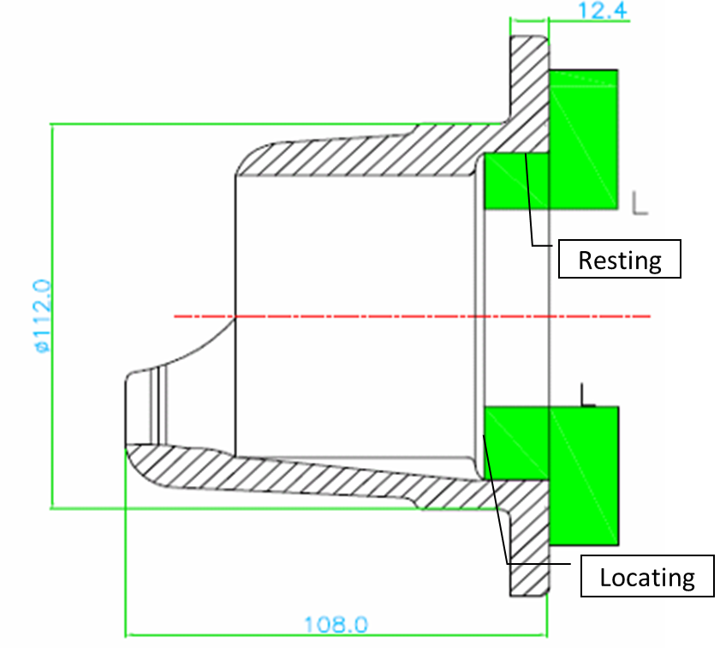 |  |  |  | OPERATION INSTRUCTION | TABLE: 1 - PROCESS PARAMETER
 |  |  |  |  | S.No | Parameter | Spec. | Checking Method | Check Freq. |  | Tool of Control

After Machining
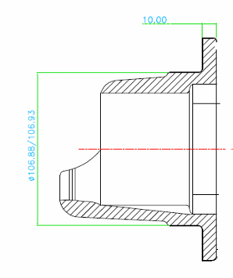
B
Ra4

 |  |  |  | LIST OF CHECK POINTS

First off During tool change -Ref Table : 2 |  |  |  | WORK HOLDING METHOD
During Tool / insert change, check the the first sample after the change and record the observation in PCC with the process log code of 'A'
Process Log Code Details
Detail | Code | Detail | Code | FIRST OFF APPROVAL
Tool Change / Insert Change | A | Hard Material | G
Tool Adjustment | B | Waiting for Material | H
Machine Feed Variation | C | Mandrel Problem | I |  | PMC - Process Monitoring Chart |  |  |  | PCC - Process Control Chart
Power Failure | D | Idle | J |  | - Quality Control Characteristics |  |  |  | - Safety Related Characteristics
Machine Breakdown | E | No Plan | K | Coolant Used: | Master Verification: 2 times / Shift
Speed / Feed Change | F |  |  | Prepared By: |  |  |  | Approved By:
Revision History
Rev. N o | Rev. Date | Revision Details |  |  |  | Reason for Revision

