All_Model_Metrics
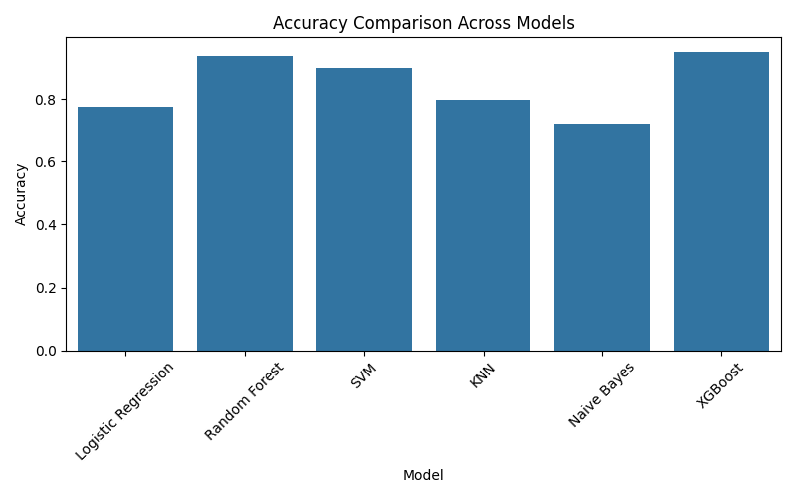
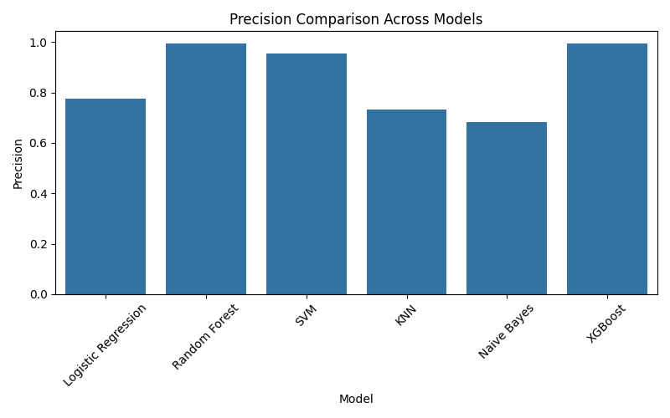
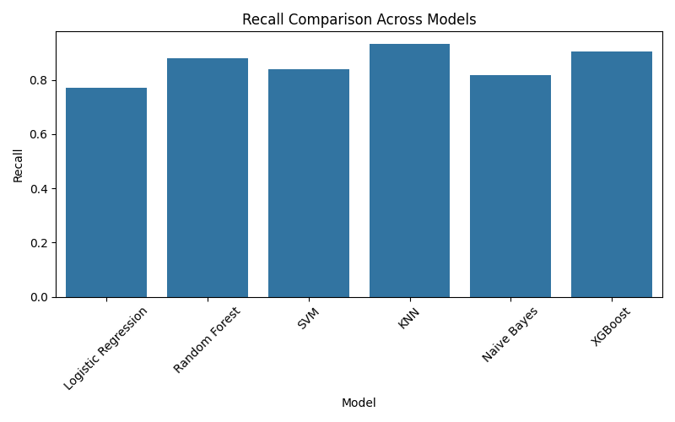
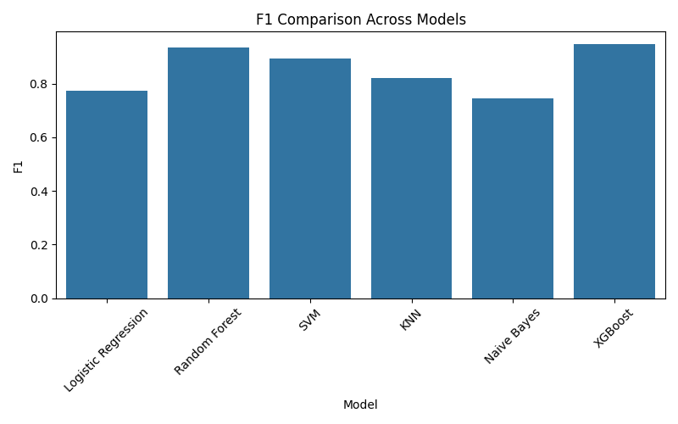
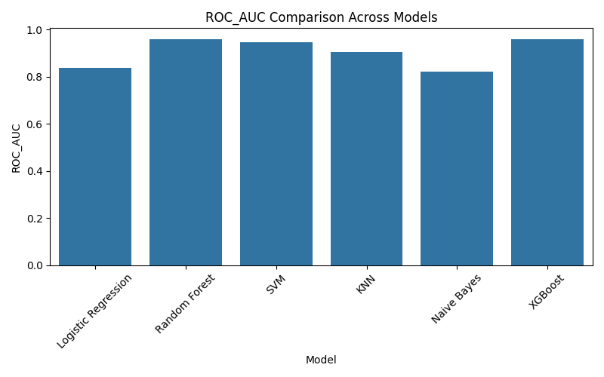
Model | Accuracy | Precision | Recall | F1 | ROC_AUC | CV_ROC_AUC
Logistic Regression | 0.77428571429 | 0.77586206897 | 0.77142857143 | 0.77363896848 | 0.83807346939 | 0.82025568933
Random Forest | 0.93714285714 | 0.9935483871 | 0.88 | 0.93333333333 | 0.95766530612 | 0.9502431361
SVM | 0.9 | 0.95454545455 | 0.84 | 0.89361702128 | 0.94582857143 | 0.92731933637
KNN | 0.79714285714 | 0.73423423423 | 0.93142857143 | 0.82115869018 | 0.9052244898 | 0.87105828806
Naive Bayes | 0.72 | 0.68421052632 | 0.81714285714 | 0.74479166667 | 0.82230204082 | 0.7884056673
XGBoost | 0.94857142857 | 0.99371069182 | 0.90285714286 | 0.94610778443 | 0.95758367347 | 0.94952312436

Confusion_Matrices
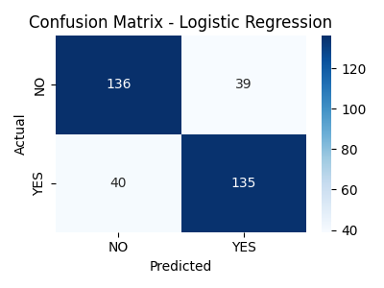
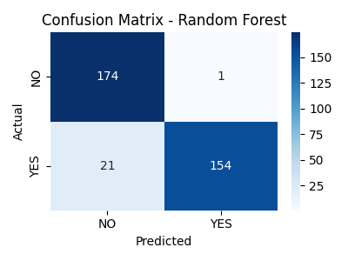
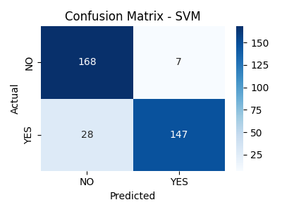
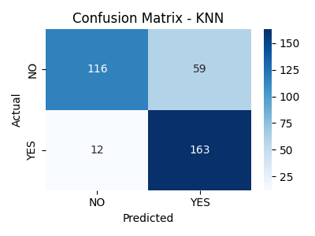
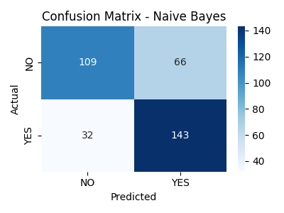
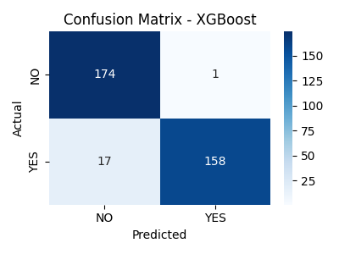
Model | TN | FP | FN | TP
Logistic Regression | 136 | 39 | 40 | 135
Random Forest | 174 | 1 | 21 | 154
SVM | 168 | 7 | 28 | 147
KNN | 116 | 59 | 12 | 163
Naive Bayes | 109 | 66 | 32 | 143
XGBoost | 174 | 1 | 17 | 158

Observations
