Sheet1
Total Awards
 |  |  |  |  |  |  |  |  |  | Row Labels | Sum of Balls
Row Labels | Count of Award |  |  |  |  |  |  |  |  | ODI | 692
ODI | 8 |  |  |  |  |  |  |  |  | T20I | 284
T20I | 7 |  |  |  |  |  |  |  |  | Test | 234
Test | 1 |  |  |  |  |  |  |  |  | WPL | 450
WPL | 10 |  |  |  |  |  |  |  |  | Grand Total | 1660
Grand Total | 26 | 26

 |  |  |  |  |  |  |  |  |  | Row Labels | Sum of Runs
 |  |  |  |  |  |  |  |  |  | India vs Australia ODI Series | 201
 |  |  |  |  |  |  |  |  |  | India vs Australia T20I Series | 113
 |  |  |  |  |  |  |  |  |  | India vs England ODI Series | 114
 |  |  |  |  |  |  |  |  |  | India vs England T20I Series | 191
 |  |  |  |  |  |  |  |  |  | India vs New Zealand ODI Series | 211
 |  |  |  |  |  |  |  |  |  | India vs South Africa ODI Series | 72
 |  |  |  |  |  |  |  |  |  | India vs South Africa Test Series | 149
 |  |  |  |  |  |  |  |  |  | India vs West Indies T20I Series | 74
Row Labels | Sum of Runs |  |  |  |  |  |  |  |  | WPL Exhibition Matches | 77
2022 | 262 |  |  |  |  |  |  |  |  | WPL Season 1 | 157
2023 | 629 |  |  |  |  |  |  |  |  | WPL Season 2 | 233
2024 | 382 |  |  |  |  |  |  |  |  | WPL Season 3 | 189
2025 | 117 |  |  |  |  |  |  |  |  | Grand Total | 1781
2026 | 391
Grand Total | 1781 | 1781
Trend analysis of runs
 |  |  |  |  |  |  |  |  |  | Row Labels | Count of 4s | Count of 6s | Count of Result
 |  |  |  |  |  |  |  |  |  | ODI | 8 | 8 | 8
Avg Strike Rate
 |  |  |  |  |  |  |  |  |  | T20I | 7 | 7 | 7
 |  |  |  |  |  |  |  |  |  | Test | 1 | 1 | 1
Row Labels | Sum of Balls |  |  |  |  |  |  |  |  | WPL | 10 | 10 | 10
ODI | 692 |  |  |  |  |  |  |  |  | Grand Total | 26 | 26 | 26
T20I | 284
Test | 234
WPL | 450 |  |  |  |  |  |  |  |  | Row Labels | Sum of 100s | Sum of 50s | Average of Strike Rate
Grand Total | 1660 |  |  |  |  |  |  |  |  | ODI | 14 | 35 | 90.4
 |  |  |  |  |  |  |  |  |  | T20I | 1 | 33 | 124.5
 |  |  |  |  |  |  |  |  |  | Test | 2 | 3 | 63.4
 |  |  |  |  |  |  |  |  |  | WPL | 0 | 7 | 136.8
 |  |  |  |  |  |  |  |  |  | Grand Total | 17 | 78 | 103.775
Row Labels | Sum of Balls
Adelaide | 55
Auckland | 118 |  |  |  |  |  |  |  |  | Row Labels | Count of Result |  |  | Row Labels | Average of SR
Bengaluru | 155 |  |  |  |  |  |  |  |  | Adelaide | 1 |  |  | ODI | 75.5
Brisbane | 68 |  |  |  |  |  |  |  |  | Auckland | 1 |  |  | T20I | 133.14285714
Canberra | 24 |  |  |  |  |  |  |  |  | Bengaluru | 3 |  |  | Test | 63.6
Chennai | 234 |  |  |  |  |  |  |  |  | Brisbane | 1 |  |  | WPL | 154.64
Delhi | 152 |  |  |  |  |  |  |  |  | Canberra | 1 |  |  | Grand Total | 121
Hamilton | 121 |  |  |  |  |  |  |  |  | Chennai | 1
Hobart | 41 |  |  |  |  |  |  |  |  | Delhi | 3
London | 91 |  |  |  |  |  |  |  |  | Hamilton | 1
Lucknow | 88 |  |  |  |  |  |  |  |  | Hobart | 2
Melbourne | 124 |  |  |  |  |  |  |  |  | London | 2
Mumbai | 184 |  |  |  |  |  |  |  |  | Lucknow | 1
Navi Mumbai | 61 |  |  |  |  |  |  |  |  | Melbourne | 1
Port of Spain | 52 |  |  |  |  |  |  |  |  | Mumbai | 2
Sydney | 17 |  |  |  |  |  |  |  |  | Navi Mumbai | 1
Vadodara | 75 |  |  |  |  |  |  |  |  | Port of Spain | 1
Grand Total | 1660 |  |  |  |  |  |  |  |  | Sydney | 1
 |  |  |  |  |  |  |  |  |  | Vadodara | 3
 |  |  |  |  |  |  |  |  |  | Grand Total | 26 | 26

Row Labels | Sum of Runs
ODI | 598 |  |  |  |  |  |  |  |  | Row Labels | Sum of Runs
T20I | 378 |  |  |  |  |  |  |  |  | India vs Australia ODI Series | 201
Test | 149 |  |  |  |  |  |  |  |  | India vs Australia T20I Series | 113
Winning Matches
WPL | 656 |  |  |  |  |  |  |  |  | India vs England ODI Series | 114
Grand Total | 1781 |  |  |  |  |  |  |  |  | India vs England T20I Series | 191
 |  |  |  |  |  |  |  |  |  | India vs New Zealand ODI Series | 211
 |  |  |  |  |  |  |  |  |  | India vs South Africa ODI Series | 72
 |  |  |  |  |  |  |  |  |  | India vs South Africa Test Series | 149
 |  |  |  |  |  |  |  |  |  | India vs West Indies T20I Series | 74
 |  |  |  |  |  |  |  |  |  | WPL Exhibition Matches | 77
 |  |  |  |  |  |  |  |  |  | WPL Season 1 | 157
Row Labels | Count of Result |  |  |  |  |  |  |  |  | WPL Season 2 | 233
ODI | 8 |  |  |  |  |  |  |  |  | WPL Season 3 | 189
T20I | 7 |  |  |  |  |  |  |  |  | Grand Total | 1781
Test | 1
WPL | 10
Grand Total | 26

TOTAL

 |  |  |  |  |  |  | Row Labels | Sum of Balls | Sum of Runs
 |  |  |  |  |  |  | ODI | 692 | 598
 |  |  |  |  |  |  | T20I | 284 | 378
 |  |  |  |  |  |  | Test | 234 | 149
 |  |  |  |  |  |  | WPL | 450 | 656
 |  |  |  |  |  |  | Grand Total | 1660 | 1781

 |  |  | Row Labels | Sum of 4s | Sum of 6s | Count of Result
 |  |  | AUSW(Australia) | 39 | 5 | 7
 |  |  | DCW(Delhi) | 48 | 11 | 4
 |  |  | ENGW(England) | 40 | 7 | 4
 |  |  | MIW(Mumbai) | 43 | 8 | 5
 |  |  | NZW(New Zealand) | 26 | 2 | 2
 |  |  | SAW(South Africa) | 27 | 2 | 2
 |  |  | UPW(UP) | 8 | 2 | 1
 |  |  | WIW(West Indies) | 10 | 2 | 1
 |  |  | Grand Total | 241 | 39 | 26

Sheet2
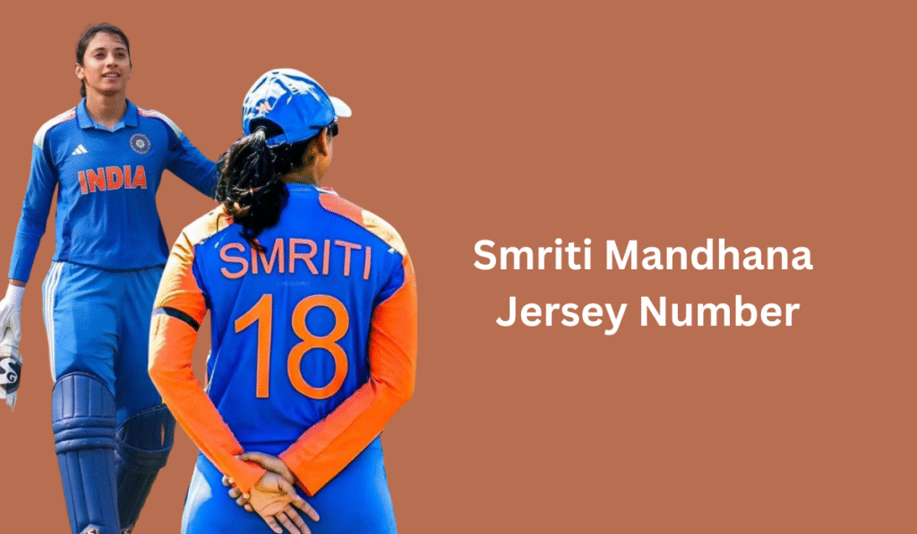
Smrithi Mandanna - Career Dashboard Analysis....

Total Matches
Total Runs
Winning Matches
Awards

323
1781
26
26

Avg Strike Rate
 | Total
ODI | 75.5
T20I | 133.14285714
Test | 63.6
WPL | 154.64
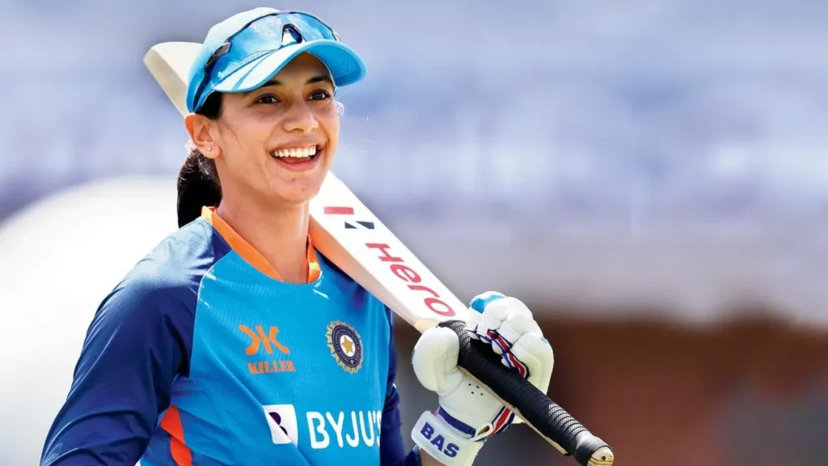
Captaining Womens Premier League[WPL] of
ROYAL
CHALLENGERS
BENGALURU
[RCB]
Trend analysis of runs
 | Total
2022 | 262
2023 | 629
2024 | 382
2025 | 117
2026 | 391

Total Awards
 | Total
ODI | 8
T20I | 7
Test | 1
WPL | 10

 | Sum of 100s | Sum of 50s | Average of Strike Rate
ODI | 14 | 35 | 90.4
T20I | 1 | 33 | 124.5
Test | 2 | 3 | 63.4
WPL | 0 | 7 | 136.8
TOTAL
 | Sum of 4s | Sum of 6s | Count of Result
AUSW(Australia) | 39 | 5 | 7
DCW(Delhi) | 48 | 11 | 4
ENGW(England) | 40 | 7 | 4
MIW(Mumbai) | 43 | 8 | 5
NZW(New Zealand) | 26 | 2 | 2
SAW(South Africa) | 27 | 2 | 2
UPW(UP) | 8 | 2 | 1
WIW(West Indies) | 10 | 2 | 1
COMBO
 | Sum of Balls | Sum of Runs
ODI | 692 | 598
T20I | 284 | 378
Test | 234 | 149
WPL | 450 | 656

Winning Matches
 | Total
ODI | 8
T20I | 7
Test | 1
WPL | 10

CRICKET

