Introduction
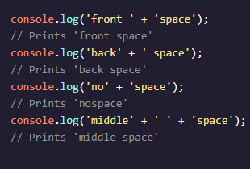
Data Types |  | Arithmetic Operators | String Concatenation | Properties | Methods
Number |  | Add: +
BigInt |  | Subtract: -
String |  | Multiply: *
Boolean |  | Divide: /
Null |  | Remainder: %
Undefined |  |  |  |  | E.g. 'example string'.methodName().
Symbol |  |  |  |  | method is topuper, lower,trim();
Object

Built-in Objects
In addition to console, there are other objects built into JavaScript. Down the line, you’ll build your own objects, but for now these “built-in” objects are full of useful functionality. | 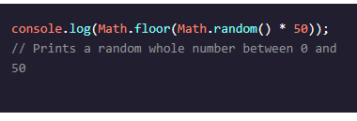
 | Link
For example, if you wanted to perform more complex mathematical operations than arithmetic, JavaScript has the built-in Math object. |  | https://developer.mozilla.org /en-US/docs/Web/JavaScript/ Reference/Global_Objects/Math

The great thing about objects is that they have methods! Let’s call the .random() method from the built-in Math object:

Vairiable
Variable |  | interpolnation
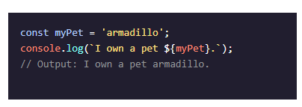
var
let
const

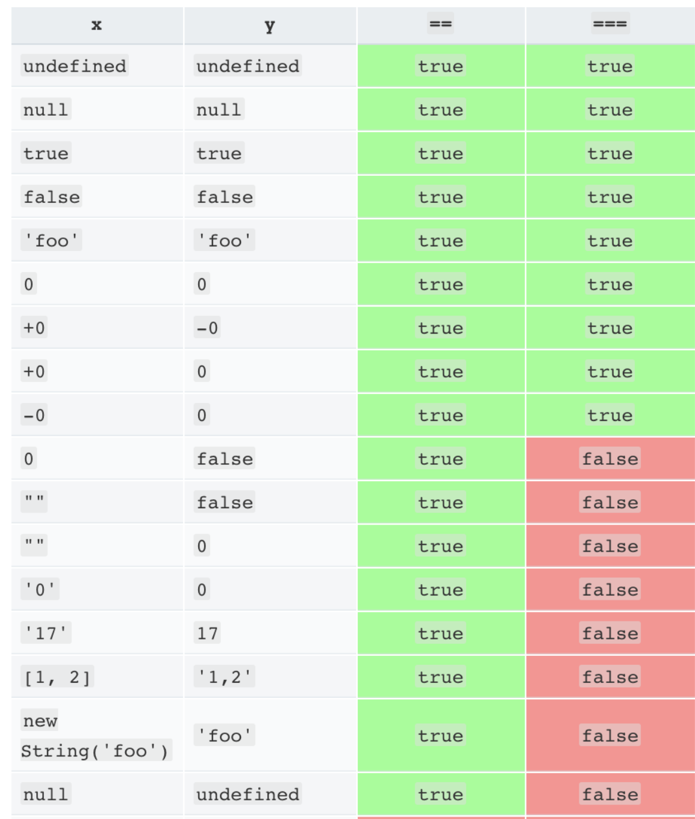
 | việc này có nghĩa là đưa thẳng value vào trong sâu mà k cần dùng
 | dấu + các xâu. Syntax: `Tôi yêu ${biến chữa value tên ny} `

Conditionals
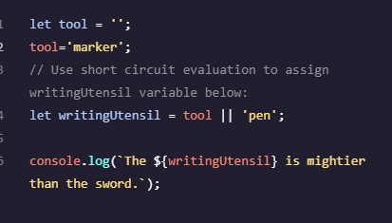
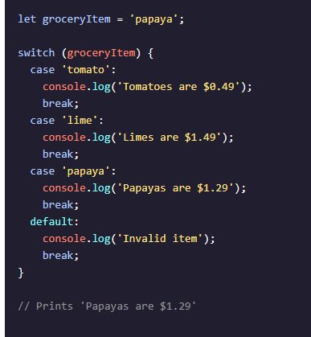
Truthy | Falsy | Ternary Operator | Switch Case
là những variable mà | là những variable | Có nghĩa là rút gọn | syntax
chuyển sang boolean | mà chuyển sang bool | câu if...else
sẽ là true | nó sẽ là false | syntax: Điều kiện ? code : code 2
 | bảng Falsy
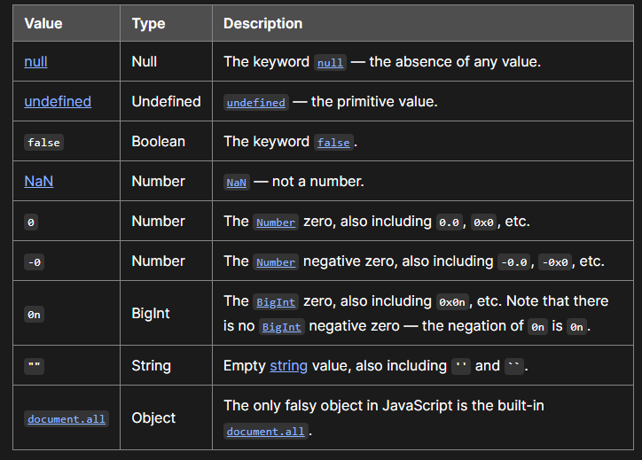
Cái nào kp falsy thì sẽ
là Truthy =))))

