time series data
Date | column_0 | column_1 | column_2 | column_3 | column_4
2016-01-31 | 131 | 186 | 114 | 75 | 127
2016-02-29 | 115 | 65 | 156 | 90 | 116
2016-03-31 | 108 | 97 | 156 | 75 | 155
2016-04-30 | 119 | 91 | 101 | 75 | 171
2016-05-31 | 196 | 175 | 161 | 75 | 72
2016-06-30 | 128 | 148 | 107 | 61 | 85
2016-07-31 | 183 | 131 | 160 | 150 | 137
2016-08-31 | 185 | 158 | 162 | 165 | 125
2016-09-30 | 142 | 82 | 60 | 77 | 174
2016-10-31 | 174 | 79 | 115 | 146 | 99
Time series
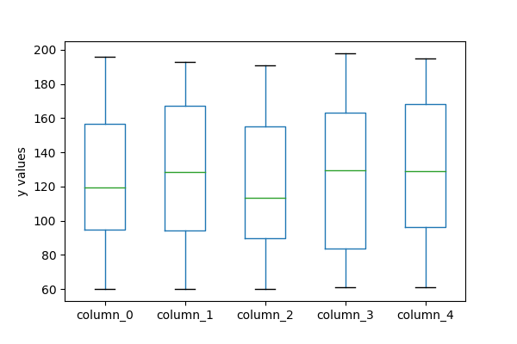
2016-11-30 | 195 | 77 | 182 | 172 | 188
2016-12-31 | 115 | 177 | 100 | 154 | 83
2017-01-31 | 139 | 107 | 70 | 108 | 98
2017-02-28 | 138 | 157 | 100 | 172 | 156
2017-03-31 | 178 | 60 | 83 | 101 | 90
2017-04-30 | 180 | 91 | 72 | 94 | 111
2017-05-31 | 89 | 97 | 114 | 182 | 194
2017-06-30 | 94 | 89 | 127 | 61 | 61
2017-07-31 | 95 | 61 | 103 | 141 | 194
2017-08-31 | 86 | 183 | 79 | 137 | 167
2017-09-30 | 64 | 160 | 82 | 191 | 168
2017-10-31 | 166 | 111 | 163 | 113 | 73
2017-11-30 | 152 | 92 | 146 | 135 | 175
2017-12-31 | 180 | 110 | 170 | 99 | 161
2018-01-31 | 95 | 142 | 100 | 77 | 110
2018-02-28 | 169 | 106 | 140 | 144 | 78
2018-03-31 | 173 | 173 | 186 | 133 | 92
2018-04-30 | 138 | 66 | 135 | 78 | 152
2018-05-31 | 67 | 168 | 70 | 160 | 177
2018-06-30 | 90 | 163 | 77 | 163 | 170
2018-07-31 | 81 | 152 | 183 | 174 | 98
2018-08-31 | 98 | 140 | 90 | 186 | 111
2018-09-30 | 156 | 184 | 184 | 83 | 155
2018-10-31 | 119 | 105 | 79 | 98 | 118
2018-11-30 | 139 | 63 | 99 | 78 | 124
2018-12-31 | 98 | 120 | 113 | 177 | 83
2019-01-31 | 82 | 174 | 112 | 149 | 118
2019-02-28 | 172 | 95 | 176 | 126 | 168
2019-03-31 | 180 | 75 | 77 | 84 | 72
2019-04-30 | 69 | 110 | 96 | 90 | 103
2019-05-31 | 60 | 175 | 189 | 108 | 99
2019-06-30 | 99 | 170 | 92 | 174 | 110
2019-07-31 | 190 | 107 | 122 | 119 | 160
2019-08-31 | 90 | 186 | 133 | 196 | 167
2019-09-30 | 107 | 182 | 76 | 120 | 87
2019-10-31 | 153 | 131 | 117 | 118 | 61
2019-11-30 | 120 | 82 | 65 | 198 | 76
2019-12-31 | 154 | 193 | 147 | 164 | 195
2020-01-31 | 136 | 138 | 147 | 66 | 192
2020-02-29 | 63 | 95 | 104 | 163 | 169
2020-03-31 | 66 | 169 | 87 | 70 | 186
2020-04-30 | 158 | 167 | 155 | 147 | 155
2020-05-31 | 105 | 125 | 155 | 93 | 173
2020-06-30 | 80 | 164 | 98 | 175 | 143
2020-07-31 | 127 | 147 | 139 | 165 | 136
2020-08-31 | 123 | 174 | 104 | 133 | 70
2020-09-30 | 106 | 150 | 140 | 69 | 71
2020-10-31 | 110 | 126 | 89 | 136 | 181
2020-11-30 | 75 | 73 | 61 | 65 | 131
2020-12-31 | 101 | 108 | 191 | 147 | 174

