Summary
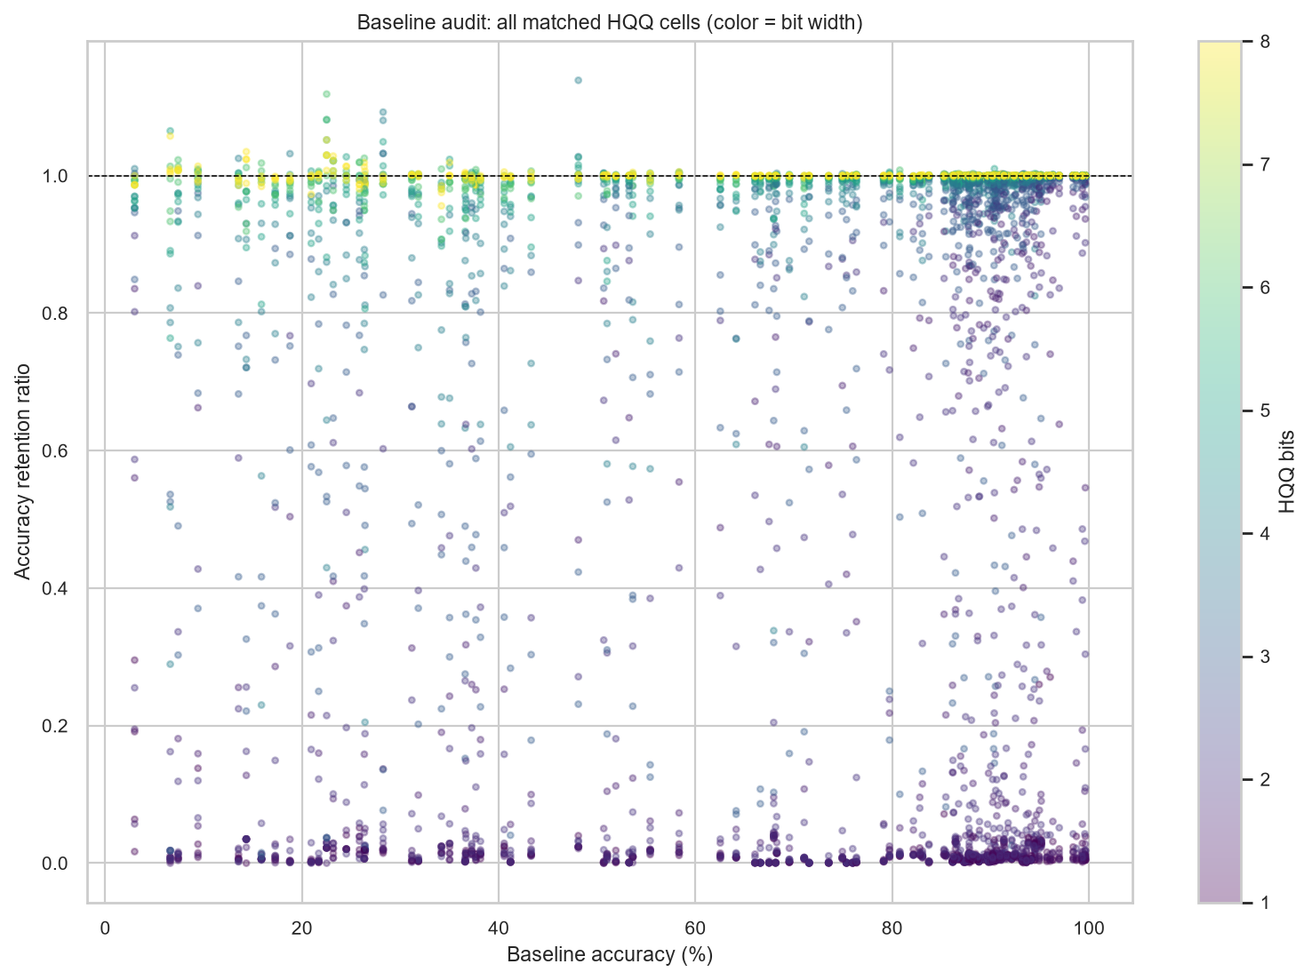
Dataset quantization robustness
HQQ accuracy-retention ranking stability across 15 datasets; full data is primary, exclude-11 is post-hoc sensitivity

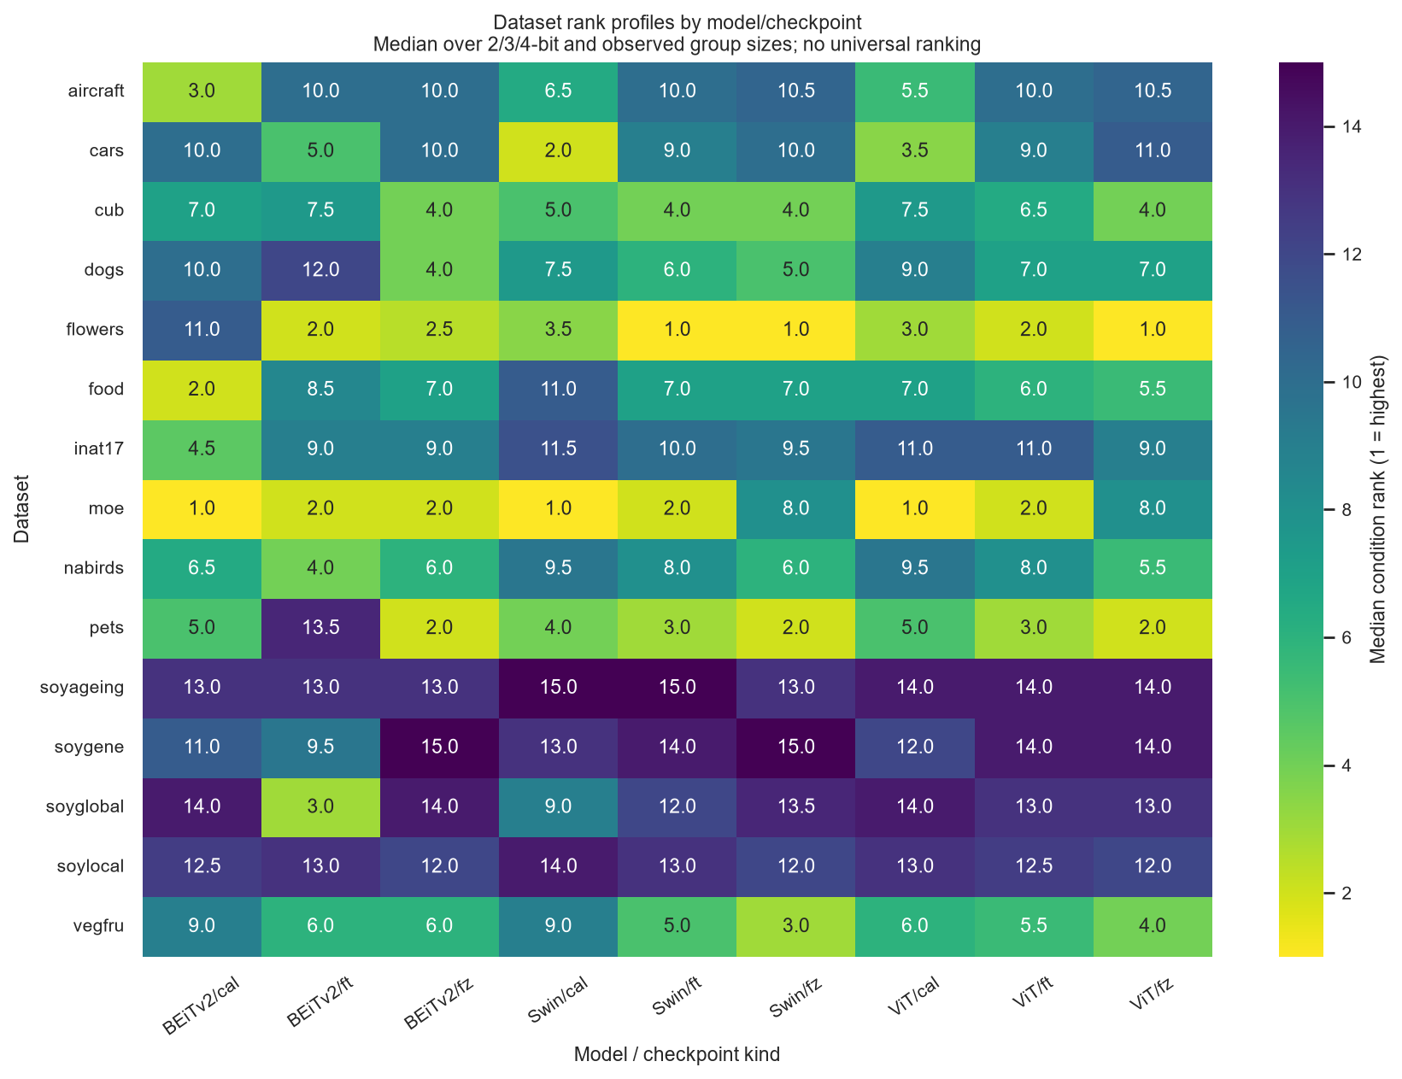
Metric | Full data | Exclude 11 contexts | Interpretation
Matched cells | 4320 | 3968 | Quantization conditions, not independent training replicates
Dataset/model/checkpoint contexts | 135 | 124 | Full: 15 × 3 × 3; sensitivity is unbalanced
Within-context rank rho, median | 0.834 | 0.863 | Change bit/group while model and checkpoint stay fixed
Cross-context rank rho, median | 0.562 | 0.714 | Change model/checkpoint at a fixed quantization condition
Dataset-pair reversal fraction | 65.1% | 64.1% | Pairs reversing order at least once within a context
Ratio vs absolute-drop rank rho | 0.877 | 0.941 | Low baselines can make ratio and absolute drop disagree

Finding | Evidence | Meaning | Boundary
Dataset differences are condition-dependent | Within-context median rho 0.834; cross-context median 0.562 | Rankings are more consistent inside a fixed model/checkpoint than across model backgrounds | No universal dataset ranking
3/4-bit rankings are more stable | Without-2bit median rho 0.904 versus primary 0.834 | 2-bit collapse contributes to order changes | This is descriptive, not a significance test
Many pairwise orderings reverse | 65.1% of dataset pairs reverse at least once | A dataset that leads in one condition may not lead in another | Tiny reversals may not be practically meaningful
Exclude-11 looks cleaner but is post-hoc | Cross-context median rho rises to 0.714 | The removed contexts were selected after observing low baselines | Use only as sensitivity analysis

Interpretation | The current evidence supports dataset-conditioned HQQ degradation within fixed model/checkpoint backgrounds.
Do not claim | A dataset has an intrinsic or universal quantization-robustness rank.
Primary limitation | Every condition has one seed; 32 quantization settings do not provide 32 independent replications.
Next experiment | Repeat selected 3/4-bit conditions across independently trained seeds and compare ratio, absolute drop, and prediction swaps.

