09|05AM
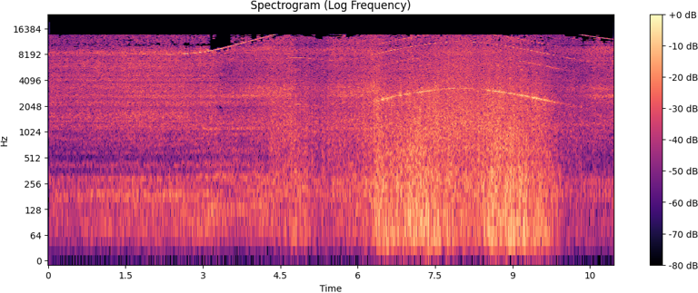
Max magnitude: | 1903.4
Frequency (Hz): | 8199.4

Peak Amplitude (db): | 170.3
RMS Amplitude (db): | 45.9

