09|05AM
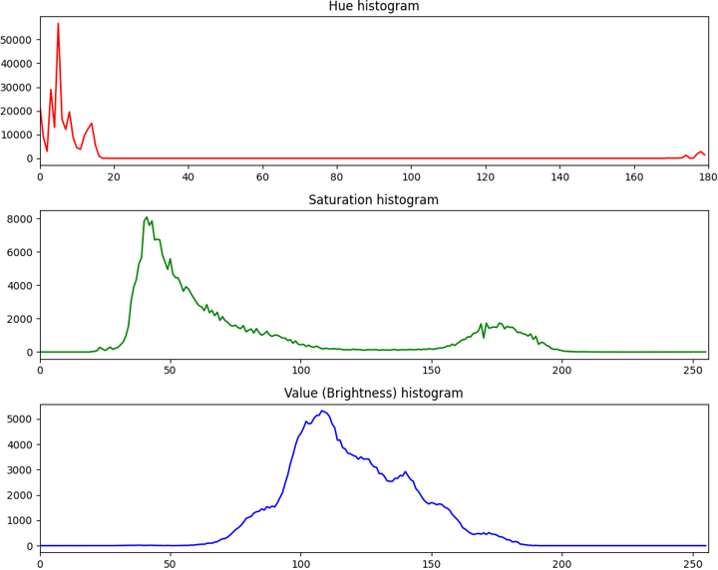
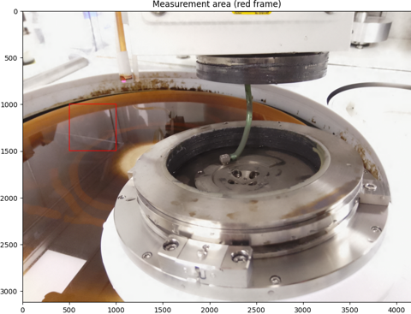
Average HSV |  |  |  |  | Average RGB
H | S | V | S% | V% | R | G | B
11.9 | 77.8 | 118.4 |  |  | 122 | 89 | 79

