04|19PM
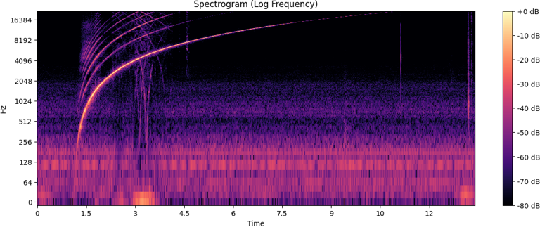
Max magnitude: | 3385.8
Frequency (Hz): | 119.9

Peak Amplitude (db): | 556.5
RMS Amplitude (db): | 143.9

04|22PM
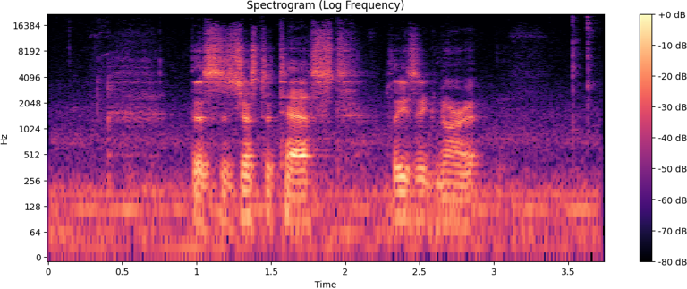
Max magnitude: | 874.5
Frequency (Hz): | 174.9

Peak Amplitude (db): | 143.3
RMS Amplitude (db): | 17.6

04|26PM
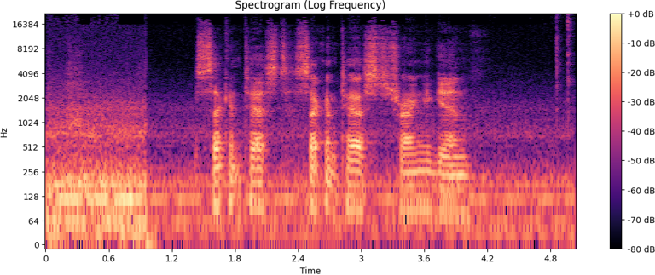
Max magnitude: | 345.5
Frequency (Hz): | 120.1

Peak Amplitude (db): | 17.8
RMS Amplitude (db): | 4.4

04|29PM
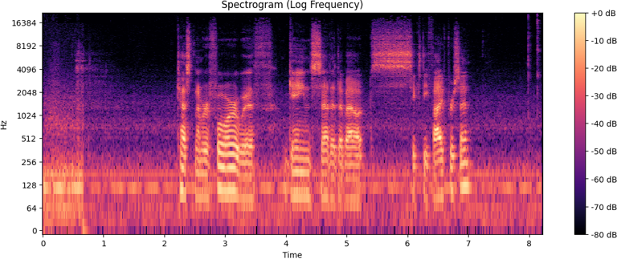
Max magnitude: | 792.9
Frequency (Hz): | 120.0

Peak Amplitude (db): | 44.1
RMS Amplitude (db): | 7.8

04|36PM
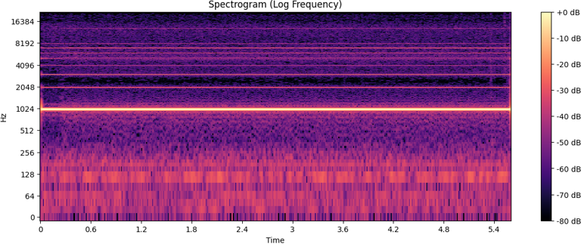
Max magnitude: | 27658.6
Frequency (Hz): | 1000.0

Peak Amplitude (db): | 106.8
RMS Amplitude (db): | 103.4

04|39PM
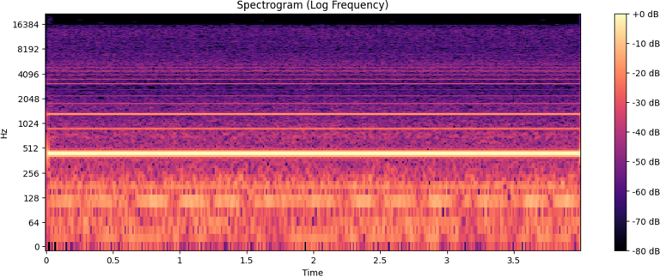
Max magnitude: | 3420.9
Frequency (Hz): | 440.0

Peak Amplitude (db): | 18.6
RMS Amplitude (db): | 17.5

